Scenario-Protocol
Scenario Sheet
 | There should be only on scenario per file. If needed duplicate that file

 | Item | Template designer description
 | Short name | Standing during manipulation
 | Description | Standing while reaching, grasping and manipulating objects with the upper limbs.
 | Image | 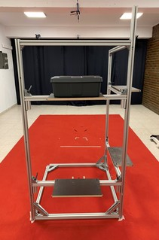
 | Assessed System Abilities | Motion ability, adaptability

Protocol Sheet
If several protocols are defined for the same protocol, please copy and paste the following table

Generalities | Item | Template designer description
 | Name | Lower-lifting sagittal plane
 | Definition | Lifting a box, which could be empty or loaded with the 10% of the subject’s weight, its placement on a horizontal support assembly at different heights, and the final lowering phase in order to bring the box back to its initial position. The subject must have performed 3 lifts with an empty box as well as 3 lifts with a loaded one. This experiment is performed in the sagittal frame and between sagittal and frontal planes.
 | Image | 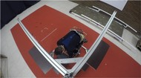 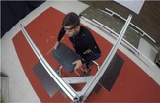 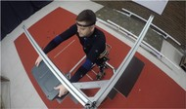 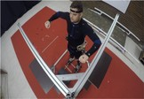 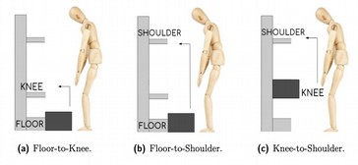 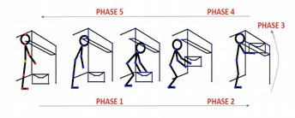
 | Keywords | manipulation, balance, stability
 | Suitable Bipedal Systems | Human, Prosthesis, exosqueleton |  |  |  | Possible values: Humanoid, prosthesis, exoskeleton, human
 | Associated PI Algo | Range_of_movement_octave, Postural_Stability_octave, Smoothness_octave, Performance_Time_octave, Spine_Loads_Estimation_octave
 | Estimated experimentation duration | 2 minutes / run

Controlled variables | Name | Definition | Type | Range | Unit
 | Box load | The box can be loaded (10% of subjects weight) or not | boolean | [0-1]
 | Lift height | Floor-to-knee, floor-to-shoulder and knee-to-shoulder | int | [0-2]
 | Exoskeleton | Robot used in the trial

Testbed | Sensor | Type | Technical File Sheet
 | Optoelectronic motion capture system | VICON | https://docs.vicon.com/display/Nexus210
 | Actuators | Type | Technical File Sheet
 | None
 | Other equipment | Type | Technical File Sheet
 | Loads | The loaded configuration corresponds to the 10% of the body weight of the subject. Adjustable weights for wrist and ankle of different weight (i.e. 0.5 kg, 1 kg and 2 kg) are combined to get the corresponding load mass that should be put inside the box | https://www.decathlon.es/es/p/lastres-pesas-tobillos-munecas-2-x-0-5kg-domyos/_/R-p-152954?mc=8358970&c=AZUL_AZUL%20TURQUESA https://www.decathlon.es/es/p/lastres-pesas-tobillos-munecas-2-x-1kg-domyos/_/R-p-152952?mc=8358972&c=AMARILLO https://www.decathlon.es/es/p/lastres-pesas-tobillos-munecas-2-x-2kg-domyos/_/R-p-152955
 | Box | The object to be lifted is a dark-grey polypropylene box of 27x45x15 cm (width, depth and height, respectively). It possesses convenient and comfortable handles which facilitate lifting and carrying tasks, even when heavy loads are involved
 | Testbed | The testbed is a non-reflectant modular structure consisting of a fixed frame and mobile bars, in order to be easily adjusted to the height of the knee and of the shoulder of each subject. On one hand, the fixed body is formed by 3 vertical bars, 2 of them are 1.75 metres-long and the third one is 2 metres-long; connected to 4 horizontal 1 metre-long bars at their ends. Moreover, 2 more 1 metre-long bars are used to close the square at floor-level in order to give more consistency to the structure. On the other hand, the mobile part is made up of four 1 metre-long bars fit in the fixed frame (2 bars per wall of the structure). These bars are mobile thanks to its design: a guiding system which allows moving the horizontal bar along the vertical ones with ease and 2 toggles on each bar to avoid time-consuming screwing tasks. On top of each mobile bar and at the middle region of it, there is a 30x50 cm wooden shelf screwed to the bar, where the box should be placed during the lifting and the lowering phases. | 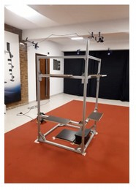
Protocol description | Step | Description | Complementary information
 | 1 | Place the optical markers onto the subject's body and take the required anthropometric measurements. | Following the VICON's "Full Body Plug in Gait" marker set specifications (https://docs.vicon.com/display/Nexus26/Full+body+modeling+with+Plug-in+Gait) and adding 8 clusters (thighs, tibias, feet, pelvis, chest).
 | 2 | Place the subject at the starting point
 | 3 | Take a static capture of the subject. | Subject adopts the motor bike position (upright posture, both arms at shoulder's height with upper arm and forearm at 90 degrees) facing the modular structure.
 | 4 | State the subject to grasp the box put it on a specific height and bring it back to its original position for three times. | Subjects hold the box with both hands by the handles located at its sides, lift it and place it at the appropriate position, according to the Lift Type variable. Each time the subject leaves the box in any shelf, he/she must return to the anatomic position and rest for 3 seconds.
 | 5 | Stop the data collection when all the repetitions are done and the subject is vertical.
 | 6 | Randomly change the load condition of the box and decide the next height to be performed | Researcher should follow a previously prepared order to do the tests. However, this order has to be different for every subject to ensure the overall protocol presents the different experiemental conditions at randomized order for each subject.
 | 7 | Repeat the procedure starting at step 5, until completing the 3 heights with and without load. | Between different experimental conditions, ask the subject how is he/she feeling. The subject has 30 seconds of recovery, if needed.

Protocol Sheet
Generalities | Item | Template designer description
 | Name | Lateral load transfer
 | Definition | Lifting a box, which could be empty or loaded with the 10% of the subject’s weight, its placement on a horizontal support assembly at different heights involving sagittal rotation, and the final lowering phase in order to bring the box back to its initial position. The subject must have performed 3 lifts with an empty box as well as 3 lifts with a loaded one.
 | Image | 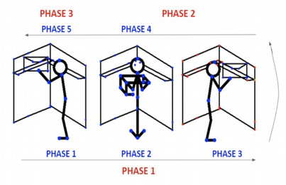
 | Keywords | manipulation, balance, stability
 | Suitable Bipedal Systems | Human, Prosthesis, exosqueleton |  |  |  | Possible values: Humanoid, prosthesis, exoskeleton, human
 | Associated PI Algo | Range_of_movement_octave, Postural_Stability_octave, Smoothness_octave, Performance_Time_octave, Spine_Loads_Estimation_octave
 | Estimated experimentation duration | 2 minutes / run

Controlled variables | Name | Definition | Type | Range | Unit
 | Box load | The box can be loaded (10% of subjects weight) or not | boolean | [0-1]
 | Lift height | Knee-to-knee, Shoulder-to-shoulder | int | [0-2]
 | Exoskeleton | Robot used in the trial

Testbed | Sensor | Type | Technical File Sheet
 | Optoelectronic motion capture system | VICON | https://docs.vicon.com/display/Nexus210
 | Actuators | Type | Technical File Sheet
 | None
 | Other equipment | Type | Technical File Sheet
 | Loads | The loaded configuration corresponds to the 10% of the body weight of the subject. Adjustable weights for wrist and ankle of different weight (i.e. 0.5 kg, 1 kg and 2 kg) are combined to get the corresponding load mass that should be put inside the box | https://www.decathlon.es/es/p/lastres-pesas-tobillos-munecas-2-x-0-5kg-domyos/_/R-p-152954?mc=8358970&c=AZUL_AZUL%20TURQUESA https://www.decathlon.es/es/p/lastres-pesas-tobillos-munecas-2-x-1kg-domyos/_/R-p-152952?mc=8358972&c=AMARILLO https://www.decathlon.es/es/p/lastres-pesas-tobillos-munecas-2-x-2kg-domyos/_/R-p-152955
 | Box | The object to be lifted is a dark-grey polypropylene box of 27x45x15 cm (width, depth and height, respectively). It possesses convenient and comfortable handles which facilitate lifting and carrying tasks, even when heavy loads are involved
 | Testbed | The testbed is a non-reflectant modular structure consisting of a fixed frame and mobile bars, in order to be easily adjusted to the height of the knee and of the shoulder of each subject. On one hand, the fixed body is formed by 3 vertical bars, 2 of them are 1.75 metres-long and the third one is 2 metres-long; connected to 4 horizontal 1 metre-long bars at their ends. Moreover, 2 more 1 metre-long bars are used to close the square at floor-level in order to give more consistency to the structure. On the other hand, the mobile part is made up of four 1 metre-long bars fit in the fixed frame (2 bars per wall of the structure). These bars are mobile thanks to its design: a guiding system which allows moving the horizontal bar along the vertical ones with ease and 2 toggles on each bar to avoid time-consuming screwing tasks. On top of each mobile bar and at the middle region of it, there is a 30x50 cm wooden shelf screwed to the bar, where the box should be placed during the lifting and the lowering phases. | 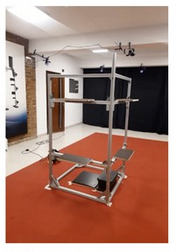
Protocol description | Step | Description | Complementary information
 | 1 | Place the optical markers onto the subject's body and take the required anthropometric measurements. | Following the VICON's "Full Body Plug in Gait" marker set specifications. https://docs.vicon.com/display/Nexus26/Full+body+modeling+with+Plug-in+Gait
 | 2 | Place the subject at the starting point
 | 3 | Launch the Data collection software.
 | 4 | Take a static capture of the subject. | Subject adopts the motor bike position (upright posture, both arms at shoulder's height with upper arm and forearm at 90 degrees) facing the modular structure.
 | 5 | State the subject to grasp the box put it on a specific height involving sagittal torsion and bring it back to its original position three times. | Subjects transfer the box to the shelf located at same height in the perpendicular wall of the structure; in other words, they carry the box from the sagittal to the frontal plane. After placing it, subjects return to the anatomic position and rest for 3 seconds.
 | 6 | Stop the data collection when all the repetitions are done and the subject is vertical.
 | 7 | Randomly change the load condition of the box and decide the next height to be performed | Researcher should follow a previously prepared order to do the tests. However, this order has to be different for every subject to ensure the overall protocol presents the different experiemental conditions at randomized order for each subject.
 | 8 | Repeat the procedure starting at step 5, until completed the 2 heights with and without load. | Between different experimental conditions, ask the subject how is he/she feeling. The subject has 30 seconds of recovery, if needed.

