Scenario-Protocol
Scenario Sheet
 | There should be only on scenario per file. If needed duplicat that file

 | Item | Template designer description
 | Short name | "Walking on Slopes"
 | Description | The stability of bipedal locomotion is challenged when walking on an inclined surface. Changes of surface orientation asks for adequate adaption to the new situation, and therefore requires enhanced control of fore-aft and lateral stability. By assessing the control of gait stability and foot placement strategies, the gait stability of people using wearable robotic assistive devices or humanoid robots can be quantified. |  |  |  | Considering thhat the scenario is to be generic to potenially several protocols, I would suggest to keep it at the level of "walking on slope". Being on a treadmill or not, could you just mention the relevance od such type of activity to characterize the bipedal locomotion?. Small paragraph expected.
 | Image | 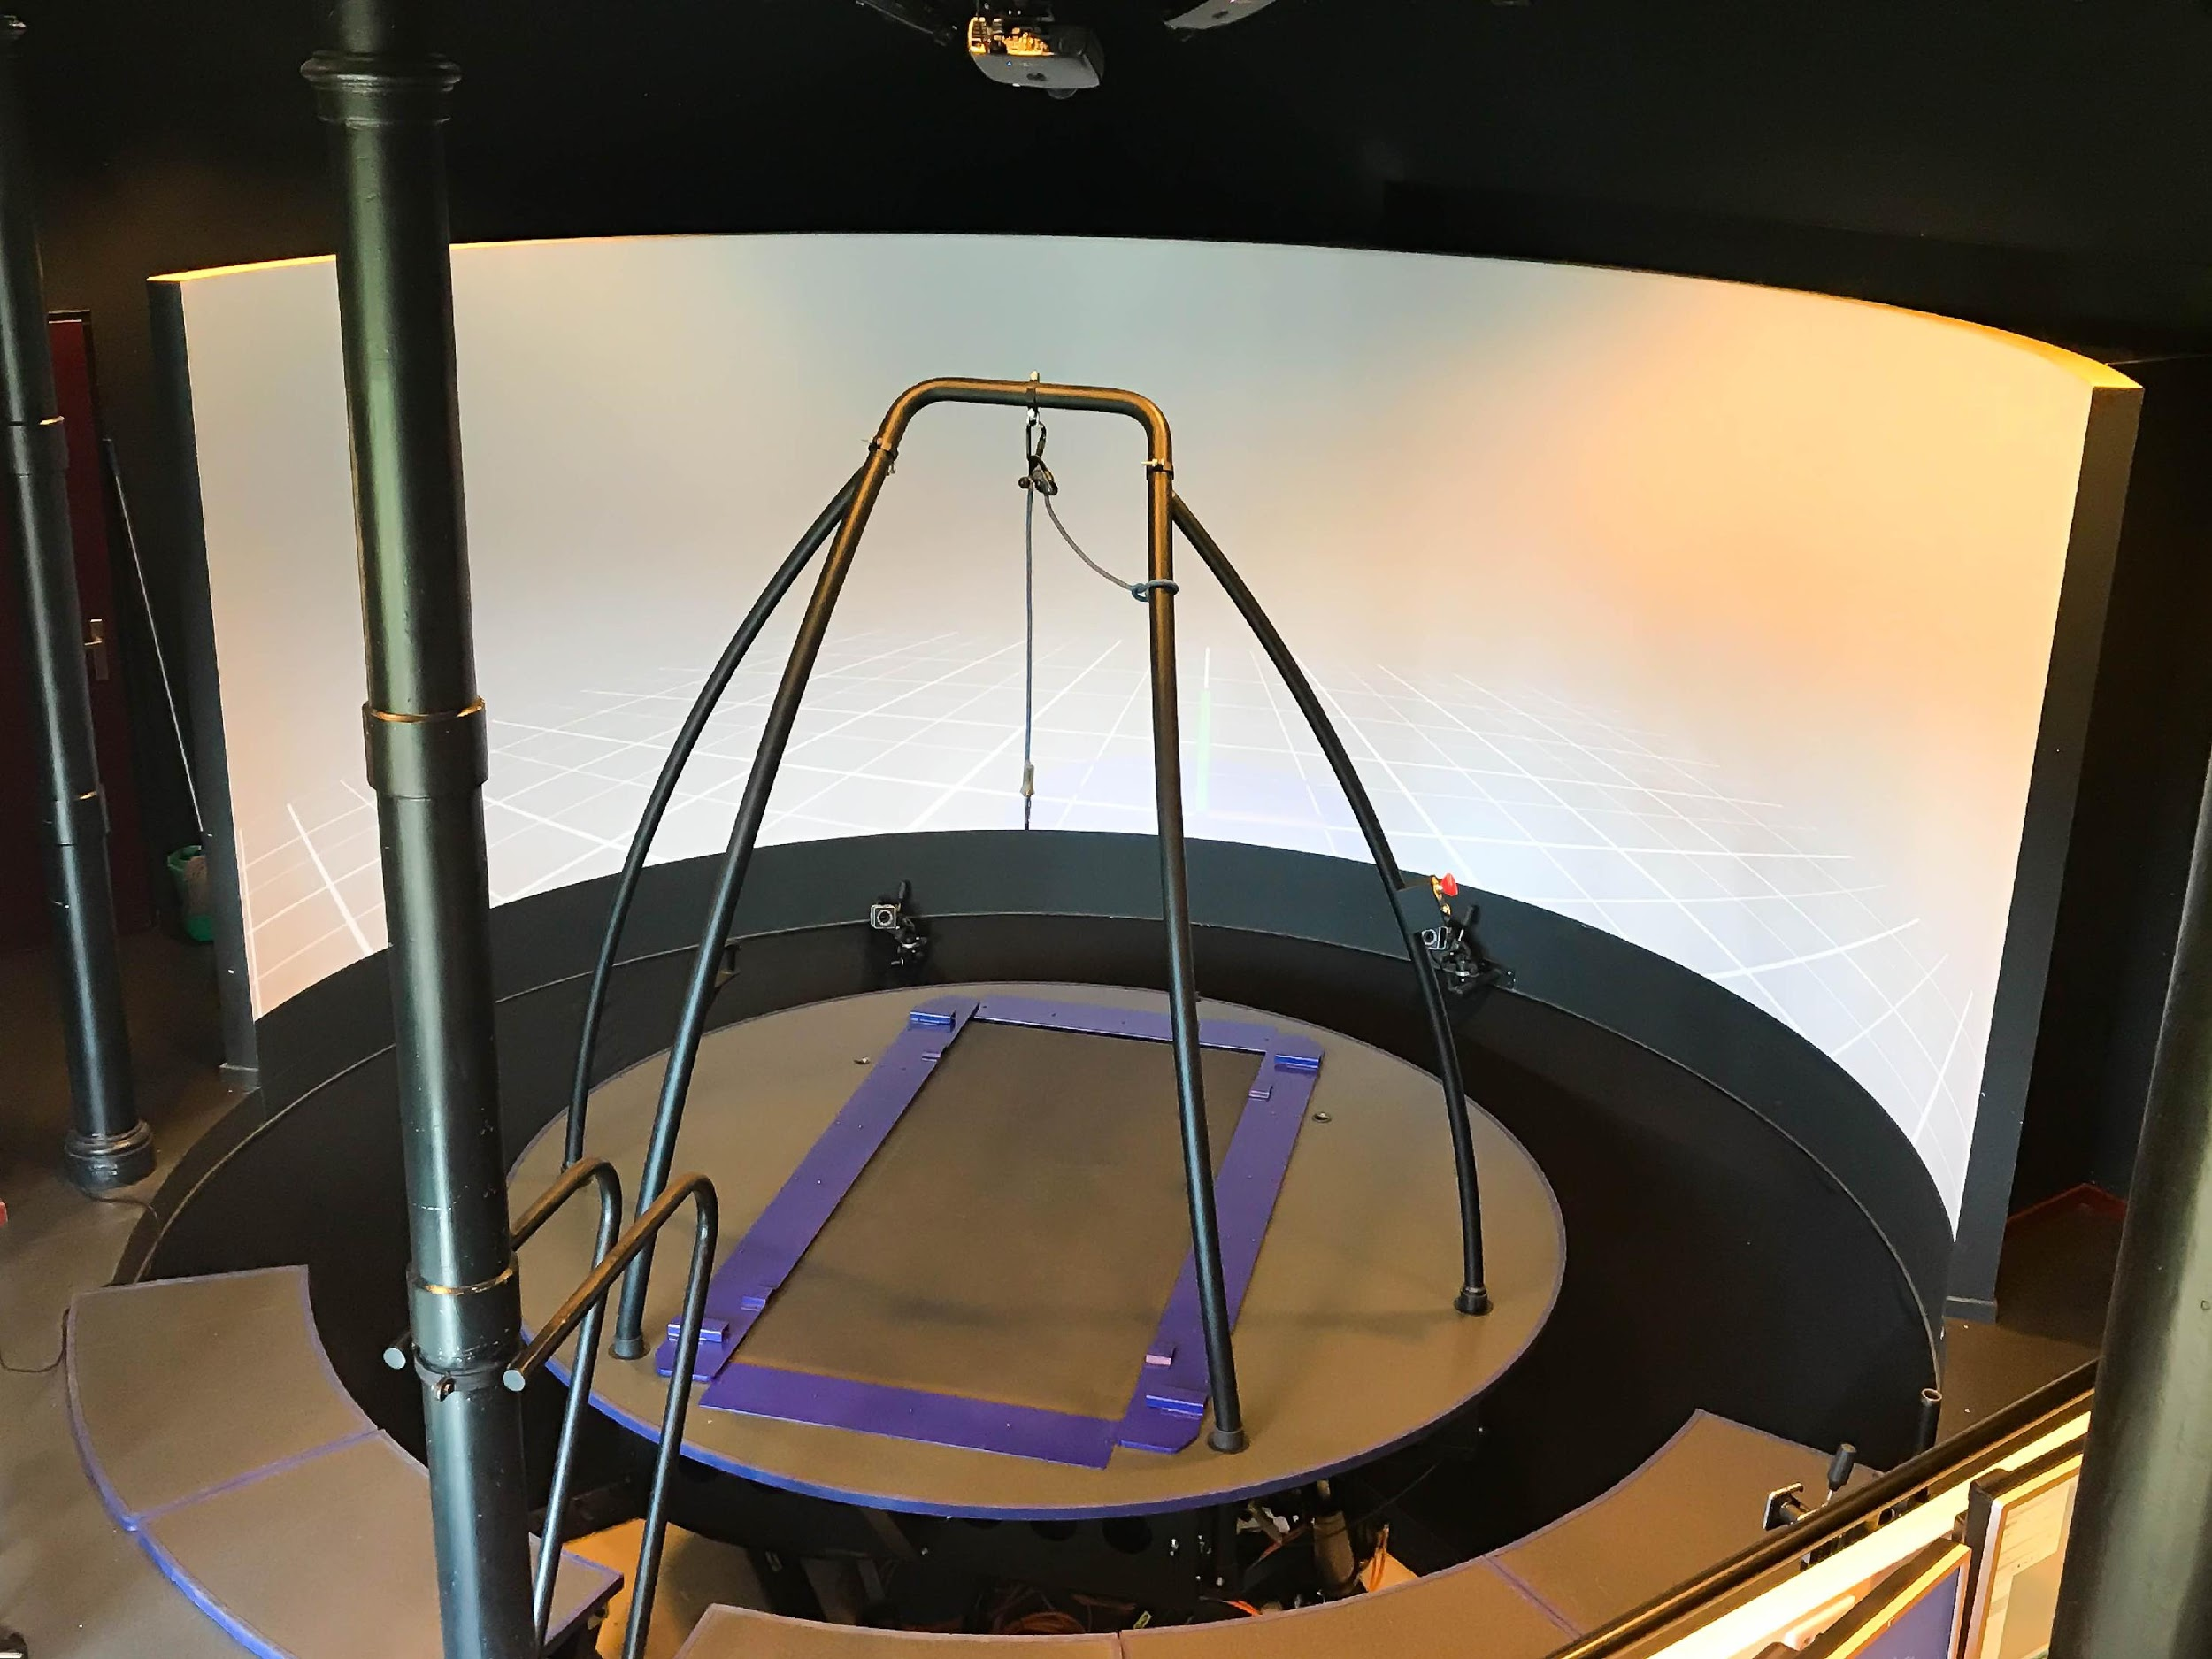
 | Assessed System Abilities | Gait stability

Protocol Sheet
If several protocols are defined for the same protocol, please copy and paste the following table

Generalities | Item | Template designer description
 | Name | Walking on an inclined treadmill
 | Definition | Participants walk in an Computer Assisted Rehabilitation environment (CAREN, Motek, Forcelink, Amsterdam, The Netherlands), which comprises of an instrumented treadmill mounted on top of a 6 degrees of freedom moving platform. This set-up allows for changes in walking surface orientation by inclining the treadmill in either lateral or fore-aft direction. Furthermore, in this set-up the gait stability at different treadmill speeds can be assessed. Participants walk on varying treadmill orientations in both fore-aft and lateral directions, with varying treadmill speeds. Three dimensional full-body kinematics of participant and treadmill are recorded using a Vicon motion capture system.
 | Image
 | Keywords | Walking, walking stability, gait stability
 | Suitable Bipedal Systems | Humanoid, Prosthesis, Exoskeleton, Human
 | Associated PI Algo | [calcSpatTemp, calcFPE, calcLDS, calcFPM]
 | Estimated experimentation duration | 3 minutes / treadmill orientation / subject

Controlled variables | Name | Definition | Type | Range | Unit
 | Number of strides | Number of heel strikes of the ipsilateral leg. | Count | >72 | steps
 | Lateral slopes | Mediolateral Inclination of the treadmill | Inclination | -15°— 15° with (3°) | (°)
 | Fore-aft slopes | Fore-aft Inclination of the treadmill | Inclination | -12°— 12° with (3°) | (°)
 | Treadmill speed | Running speed of treadmill | Speed | 0.3 — 1.5 | m/s

Testbed | Sensor | Type | Technical File Sheet
 | Motion Capture System | Sensor (passive reflective markers) | Vicon |  |  | Update suggestion: | Testbed | Item | Type (sensor / actuator/ combined) | Technical File Sheet
 | Instrumented treadmill | Combined treadmill and force plates | Motek Frocelink CAREN |  |  |  |  | Motion Capture system | sensor | Vicon (+ link to reference) | We expect to get the description of the 59 markers defined in a document.
 |  |  |  |  |  |  |  | Instrumented treadmill | combined? | Please detail

 | Actuators | Type | Technical File Sheet

 | Other equipment | Type | Technical File Sheet
 | Measurement tape | Any

Protocol description | General description |  |  |  |  | Provide in a sentence or two an overview of the activity asked to the subject
 | Step | Description | Complementary information
 | 1. Walk | Participants walk on a treadmill with varying walking surface orientations and treadmill speeds. | Participants are instructed to walk normal, and while walking to keep looking straight ahead.

Does your protocol involve several runs? |  | YES |  |  |  | Using several runs means reproducing the experiment in exactly the same conditions, to get statistics for instance. Having several runs would require to repeat some steps in the protocol, and would generate a set of input files per run, like run_01_jointAngles.csv, run_02_jointAngles.csv, ..., run_01_emg.csv, run_02_emg.csv, ...... If a single run is envisioned, we would only have a single version of each of the input file, i.e jointAngles.csv and emg.csv.
Does your protocol involve several conditions? |  | YES |  |  |  | Having several conditions requires repeating the experiment changing one condition/ parameter. This can be the angle of the slope (in a protocol walking on slope), the level of support provided by the Exoskeleton (no support, level 1, level 2…).
Can your protocol involves several subjects |  | YES |  |  |  | This only makes sense for protocols involving human subjects. This is a common practice to involve several huamn subjects when conducting an experimentation.

