Scenario-Protocol
Scenario Sheet
 | There should be only on scenario per file. If needed duplicat that file

 | Item | Template designer description
 | Short name | How walking in the exoskeleton affects muscle coordination
 | Description | The rationale of this scenario is to characterize gait performance at the level of muscle coordination. It aims at characterizing how a user adapts to the exoskeleton walking and how the exoskeleton perturbs the operator’s control strategy and affects the spinal muscle coordination output. The proposed outcomes will provide important information about the neural control strategy and spinal locomotor output during walking with the exoskeleton, that will complement other performance indicators. While the scenario involves walking on a treadmill, it may also be extended to overgraound walking, walking on inclines, walking on uneven terrain, provided the reference data is updated for these scenarios by the user (PEPATO SW includes an option for the reference data update).
 | Image
 | Assessed System Abilities |  |  |  |  | Not mandatory at this stage

Protocol Sheet
If several protocols are defined for the same protocol, please copy and paste the following table

Generalities | Item | Template designer description
 | Name | Walking on a treadmill at 3 speeds
 | Definition | Several indicators of gait performance in the exoskeleton can be used based on kinematic/kinetic measurements, such as max speed, travelled distance, range of angular motion, joint torques, symmetry of lower limb movements, cognitive effort, etc. However, while such variables provide general characteristics of gait performance, only limited conclusions can be made about the neural control strategies based on these characteristics. Furthermore, some kinematic or kinetic parameters are a consequence of the control implemented on the exoskeleton. Therefore, standard indicators based on kinematics variables have limitations and need to be complemented by performance measures of muscle coordination and control strategy such as those generated by PEPATO. In particular, functional and structural changes at the spinal cord level induced by exoskeleton assisted walking can be mapped into muscle synergies and spinal maps of MN activity, as a means to look backward from the periphery to the central motor programming (Ivanenko et al. J Neurophysiol 2006, 95:602–618; Lacquaniti et al. J Physiol 2012, 590:2189–2199; Martino et al. Clin Neurophysiol 2018, 129:516–525). |  |  |  | Paragraph indicating the purpose, objective of the protocol. What are we characterising, how do we characterise it?
 | Image | 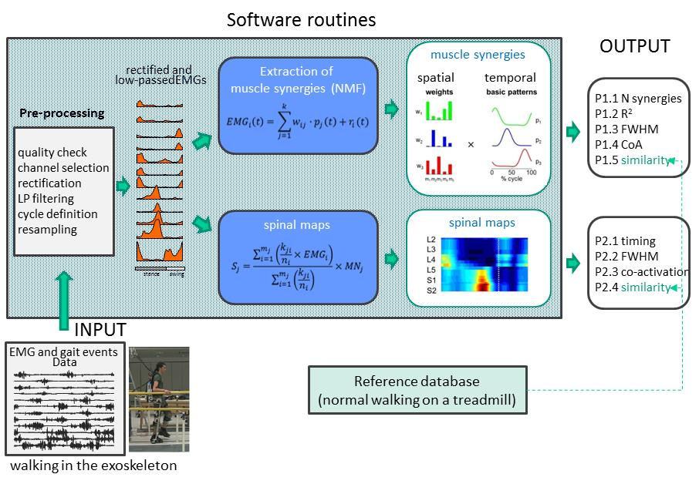
 | Keywords | walking
 | Suitable Bipedal Systems | Human, exoskeleton, prosthesis
 | Associated PI Algo | Pepato
 | Estimated experimentation duration | about 30 min (including preparation)

Controlled variables | Name | Definition | Type | Range | Unit
 | treadmill speed | treadmill belt speed | scalar | [2,4,6] | Km/h

Testbed | Item | Type (sensor / actuator/ combined) | Technical File Sheet
 | Any device to get gait information
 | EMG system | sensor | Check with Wearable facility
 | Kinematic (or GRF) system to define gait (touchdown) events | sensor | Check with Wearable facility
 | Treadmill | actuator | Check with Wearable facility

Protocol description | General description | Walking on a treadmill at a constant speed: 2, 4 and 6 km/h. At least 10 consecutive strides should be recorded for each speed condition. PEPATO software also allows to characterize only one or two speed conditions in case the participant cannot perform all speed conditions (e.g., some exoskeletons allow only slow walking).
 | Step | Description | Complementary information
 | 1 | Don exoskeleton
 | 2 | Instrument participant with EMG sensors and check functionality
 | 3 | If Vicon is used for gait events, instrument participant with markers and check functionality
 | 4 | Participant walks on treadmill at 2 Km/h for at least 10 consecutive strides). | Raw EMG data is collected in .csv file (subject_N_run_R_speed2kmh_emg.csv). Processed gait events are saved in a .yml file (subject_N_run_R_speed2kmh_gaitEvents.yml).
 | 5 | Participant walks on treadmill at 4 Km/h for at least 10 consecutive strides. | Raw EMG data is collected in .csv file (subject_N_run_R_speed4kmh_emg.csv). Processed gait events are saved in a .yml file (subject_N_run_R_speed4kmh_gaitEvents.yml).
 | 6 | Participant walks on treadmill at 6 Km/h for at least 10 consecutive strides | Raw EMG data is collected in .csv file (subject_N_run_R_speed6kmh_emg.csv). Processed gait events are saved in a .yml file (subject_N_run_R_speed6kmh_gaitEvents.yml).
 | 7 | Remove markers and EMG sensors
 | 8 | Doff exoskeleton

Does your protocol involve several runs? |  | NO
Does your protocol involve several conditions? |  | NO | 3 different speed, but needs to be processed together
Can your protocol involves several subjects |  | YES /NO

