Scenario-Protocol
Scenario Sheet
 | There should be only on scenario per file. If needed duplicat that file

 | Item | Template designer description
 | Short name | Exoskeleton-assisted walking
 | Description | User experience during exoskeleton-assisted walking |  |  |  | Maybe we could enlarge the scenario to be characterising the walking capability over regular terrain for instance. The user-centered assessement would be for me a specificity of the protocol you provide, not from the scenario. Scnerai is more like a tool to cluster protocol. |  |  |  | Changed
 | Image
 | Assessed System Abilities | Human Robot Interaction, Adaptability, Cognitive

Protocol Sheet
If several protocols are defined for the same protocol, please copy and paste the following table

Generalities | Item | Template designer description
 | Name | User-centered assessment of exoskeleton-assisted overground walking |  |  |  | Should contain the user-centered assesment aspect | Done
 | Definition | The protocol analyzes overground walking supported by an assistive lower limb exoskeleton. The aim is the comprehensive and systematic assessment of user subjective experience during exoskeleton-assisted walking. This is achieved by administering a novel multi-factor questionnaire to derive psychological indicators and by measuring physiological information to compute psychophysiological indicators. |  |  |  | Please extend to a paragraph. indicating the purpose, objective of the protocol. What are we characterising, how do we characterise it? |  |  | Done
 | Image | 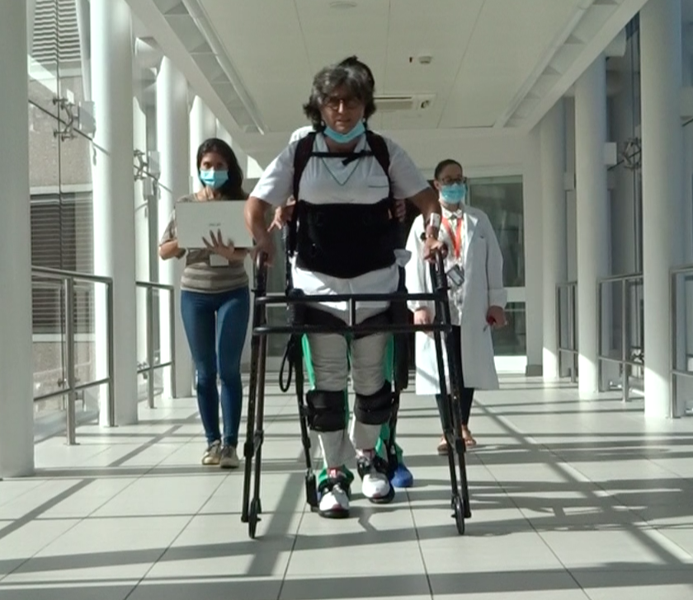
 | Keywords | Exoskeleton, walking, user experience
 | Suitable Bipedal Systems | Human, exoskeleton (overground) |  |  |  | Possible values: Humanoid, prosthesis, exoskeleton, human
 | Associated PI Algo | PI_questionnaire, PI_psychophysiological
 | Estimated experimentation duration | 80 min / run / subject

Controlled variables | Name | Definition | Type | Range | Unit | These controlled variables are currntly not included in the code. Information is hard-coded in the protocol steps.
 | time_rest_baseline | Time of recording of physiological data with the subject seated and eyes closed. | Scalar | 0-300 | s
 | time_stand_baseline | Time of recording of physiological data with the subject standing and wearing the exoskeleton. | Scalar | 0-300 | s
 | time_walking | Time of recording of physiological data with the subject walking wearing the exoskeleton. | Scalar | 0-1000 | s

Testbed | Item | Type (sensor / actuator/ combined) | Technical File Sheet
 | Device for galvanic skin response measurement | sensor | Shimmer3 GSR+ (Shimmer, Ireland) https://www.shimmersensing.com/images/uploads/docs/GSR_User_Guide_rev1.13.pdf
 | Device for heart rate and respiration rate measurement | sensor | Bio-Harness (Zephyr™ Performance Systems, USA) https://www.zephyranywhere.com/media/download/bioharness3-user-manual.pdf

Protocol description | General description | The subject is monitored with physiological sensors during a first phase at rest and then walking with an exoskeleton. After walking, the EXPERIENCE questionnaire is administered. |  |  |  | Provide in a sentence or two an overview of the activity asked to the subject |  | Done
 | Step | Description | Complementary information
 | 1 | Place the two physiological sensors onto the subject body. | Monitored quantities: Heart Rate (HR), Heart Rate Variability (HRV), Respiration Rate (RR), Galvanic Skin Response (GSR). Mounting information are reported in the documentation. |  |  | This is one run but we foresee a second run at a maximum distance of 48 h from the first one. When do we write this information?
 | 2 | Start data collection software and start recording of physiological data. | Details are reported in the documentation.
 | 3 | Put the subject seated with eyes closed and let it relax.
 | 4 | Flag the start of the recording of the seated baseline on the data collection software and flag the stop when finished. | Time duration of recording is 4 min and has to be measured by a chronometer.
 | 5 | Place the exoskeleton onto the subject body and let it relax.
 | 6 | Flag the start of the recording of the standing baseline on the data collection software and flag the stop when finished. | Time duration of recording is 4 min and has to be measured by a chronometer. |  |  | Even if we are not currently using this standing rest data for PI calculation we think it makes sense to record it fur further future elaboration and for improving PIs.
 | 7 | Start the robot-assisted walking session and wait until steady-state condition is reached. | Steady-state condition is reached when assistance parameters are not changed anymore and the subject is walking comfortably without any major change.
 | 8 | Flag the start of the recording of the walking condition on the data collection software and flag the stop when finished. | Time duration of recording is 16 min and has to be measured by a chronometer.
 | 9 | Stop the walking session and stop data collection software.
 | 10 | Remove physiological sensors and exoskeleton.
 | 11 | Administer the EXPERIENCE questionnaire. | Details are reported in the documentation.

Does your protocol involve several runs? |  | YES /NO | YES (2) |  |  | Using several runs means reproducing the experiment in exactly the same conditions, to get statistics for instance. Having several runs would require to repeat some steps in the protocol, and would generate a set of input files per run, like run_01_jointAngles.csv, run_02_jointAngles.csv, ..., run_01_emg.csv, run_02_emg.csv, ...... If a single run is envisioned, we would only have a single version of each of the input file, i.e jointAngles.csv and emg.csv.
Does your protocol involve several conditions? |  | YES(How many?) /NO | NO |  |  | Having several conditions requires repeating the experiment changing one condition/ parameter. This can be the angle of the slope (in a protocol walking on slope), the level of support provided by the Exoskeleton (no support, level 1, level 2…).
Can your protocol involves several subjects |  | YES /NO | YES |  |  | This only makes sense for protocols involving human subjects. This is a common practice to involve several huamn subjects when conducting an experimentation.

Generalities | Item | Template designer description
 | Name | User-centered assessment of exoskeleton-assisted treadmill-based walking |  |  |  | Same comments
 | Definition | The protocol analyzes treadmill-based walking supported by an assistive lower limb exoskeleton. The aim is the comprehensive and systematic assessment of user subjective experience during exoskeleton-assisted walking. This is achieved by administering a novel multi-factor questionnaire to derive psychological indicators and by measuring physiological information to compute psychophysiological indicators. |  |  |  | Same comments as above
 | Image | 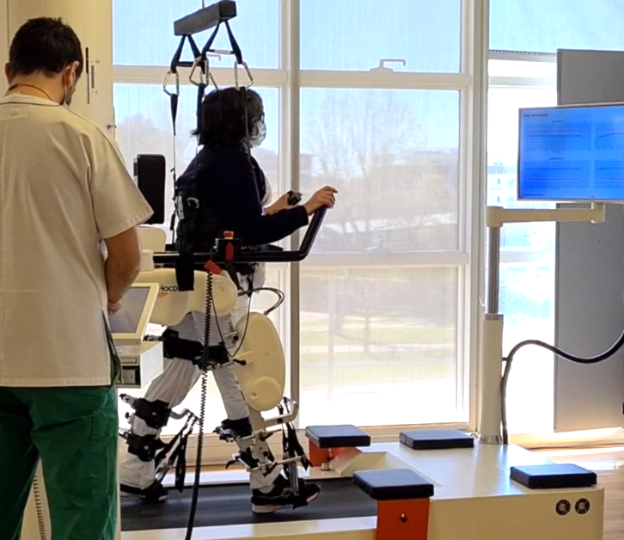
 | Keywords | Exoskeleton, walking, user experience
 | Suitable Bipedal Systems | Human, exoskeleton (treadmill-based) |  |  |  | ! related to exoskeleton combined with treadmill.
 | Associated PI Algo | PI_questionnaire, PI_psychophysiological
 | Estimated experimentation duration | 80 min / run / subject

Controlled variables | Name | Definition | Type | Range | Unit | These controlled variables are currntly not included in the code. Information is hard-coded in the protocol steps.
 | time_rest_baseline | Time of recording of physiological data with the subject seated and eyes closed. | Scalar | 0-300 | s
 | time_stand_baseline | Time of recording of physiological data with the subject standing and wearing the exoskeleton. | Scalar | 0-300 | s
 | time_walking | Time of recording of physiological data with the subject walking wearing the exoskeleton. | Scalar | 0-1000 | s

Testbed | Item | Type (sensor / actuator/ combined) | Technical File Sheet
 | Device for galvanic skin response measurement | sensor | Shimmer3 GSR+ (Shimmer, Ireland) https://www.shimmersensing.com/images/uploads/docs/GSR_User_Guide_rev1.13.pdf
 | Device for heart rate and respiration rate measurement | sensor | Bio-Harness (Zephyr™ Performance Systems, USA) https://www.zephyranywhere.com/media/download/bioharness3-user-manual.pdf

Protocol description | General description | The subject is monitored with physiological sensors during a first phase at rest and then walking with an exoskeleton. After walking, the EXPERIENCE questionnaire is administered. |  |  |  | Provide in a sentence or two an overview of the activity asked to the subject
 | Step | Description | Complementary information
 | 1 | Place the two physiological sensors onto the subject body. | Monitored quantities: Heart Rate (HR), Heart Rate Variability (HRV), Respiration Rate (RR), Galvanic Skin Response (GSR). Mounting information are reported in the documentation.
 | 2 | Start data collection software and start recording of physiological data. | Details are reported in the documentation.
 | 3 | Put the subject seated with eyes closed and let it relax.
 | 4 | Flag the start of the recording of the seated baseline on the data collection software and flag the stop when finished. | Time duration of recording is 4 min and has to be measured by a chronometer.
 | 5 | Place the exoskeleton onto the subject body and let it relax.
 | 6 | Flag the start of the recording of the standing baseline on the data collection software and flag the stop when finished. | Time duration of recording is 4 min and has to be measured by a chronometer.
 | 7 | Start the robot-assisted walking session and wait until steady-state condition is reached. | Steady-state condition is reached when assistance parameters are not changed anymore and the subject is walking comfortably without any major change.
 | 8 | Flag the start of the recording of the walking condition on the data collection software and flag the stop when finished. | Time duration of recording is 16 min and has to be measured by a chronometer.
 | 9 | Stop the walking session and stop data collection software.
 | 10 | Remove physiological sensors and exoskeleton.
 | 11 | Administer the EXPERIENCE questionnaire. | Details are reported in the documentation.

Does your protocol involve several runs? |  | YES /NO | YES (2)
Does your protocol involve several conditions? |  | YES(How many?) /NO | NO
Can your protocol involves several subjects |  | YES /NO | YES

