Scenario-Protocol
Scenario Sheet |  |  |  |  |  | Indications
 | There should be only on scenario per file. If needed duplicat that file |  |  |  |  | Explanation available at https://github.com/aremazeilles/eurobench_documentation/blob/master/template.adoc
 |  |  |  |  |  | If a field is unclear, please email us or open an issue on the github account.
 | Item | Template designer description
 | Short name | Irregular Terrains |  |  |  | Single sentence
 | Description | Walking through different configurable irregular terrains. |  |  |  | Paragraph indicating the context of the scenario
 | Image | 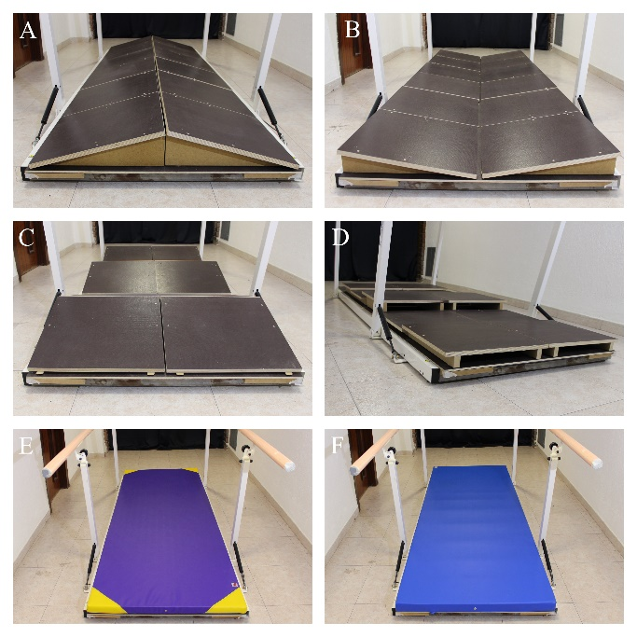
 | Assessed System Abilities | Motion ability, adaptability |  |  |  | Not mandatory at this stage

Protocol Sheet
If several protocols are defined for the same protocol, please copy and paste the following table
How many protocols are defined? |  | 1

Generalities | Item | Template designer description
 | Name | Walking over irregular terrains |  |  |  | Single sentence
 | Definition | Passing through the specific testbed that can hold fourteen different irregular terrain conditions. The subject must perform four walks through each configuration. |  |  |  | Paragraph indicating the purpose, objective of the protocol. What are we characterising, how do we characterise it?
 | Image | 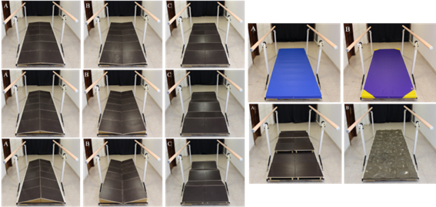 |  |  |  | Mandatory
 | Keywords | Balance, stability
 | Suitable Bipedal Systems | Human, Prosthesis, Exosqueleton |  |  |  | Possible values: Humanoid, prosthesis, exoskeleton, human (can be various)
 | Associated PI Algo | marginStability_calculation, ratioIndex_calculation, variability_ calculation, walkRatio_calculation |  |  |  | Names of the algorithms to be launched (as indicated In cell Algorithm name in Pi-PI Algo sheet)
 | Estimated experimentation duration | 240min

Controlled variables | Name | Definition | Type | Range | Unit | See https://github.com/aremazeilles/eurobench_documentation/blob/master/template.adoc#3-protocol-sheet. Should contain parameters that are not emasured in the experiment, but required to configure the testbed, or to describe the current experimental condition.
 | Exoskeleton | Robot used in the trials
 | Terrain configuration | Type of terrain the subject is facing | int | [0-13]

Testbed | Item | Type (sensor / actuator/ combined) | Technical File Sheet |  |  | Differentiate traditional equipment (motion capture, force platform, …), from instrumented testbed. If the protocol requires a specific instrumented system, name it with something like instrumented crutches, or instrumented walls, and provide a link towards a document describing the components of the device, with information on how to build it, use it... | EMG, sensorized insoles and IMUs must be included when implemented.
 | Optoelectronic motion capture system | VICON | https://docs.vicon.com/display/Nexus210
 | Testbed | Commercial platform with a fixed wooden board with holes into which anti-slip 50x50cm wooden modules, terrasensa modules or mats can be fitted.

Protocol description | General description | The subject must walk through each terrain configuration 4 times with an without wearing an exoskeleton. |  |  |  | Provide in a sentence or two an overview of the activity asked to the subject
 | Step | Description | Complementary information |  |  | Describe here the main instruction the operator / subject should follow. We expect having aside a more complete description of the operations to perform, like another document detailing all these operations
 | 1 | Place the optical markers onto the subject's body and take the required anthropometric measurements. | Following the VICON's "Full Body Plug in Gait" marker set specifications (https://docs.vicon.com/display/Nexus26/Full+body+modeling+with+Plug-in+Gait) and adding 8 clusters (thighs, tibias, feet, pelvis, chest).
 | 2 | Place the subject in the middle of the recording area.
 | 3 | Launch the Data collection software.
 | 4 | Take a static capture of the subject. | The subject must be standing in motorbike position (upright posture, both arms at shoulder's height with upper arm and forearm at 90 degrees).
 | 5 | Place the subject at the starting point.
 | 6 | Ask the subject to walk through the testbed at a comfortable speed four times. | A capture per walk should be recorded.
 | 7 | Change the irregular terrain configuration of the testbed. | The order must be randomized.
 | 8 | Repeat the procedure starting at step 5 until completing all the terrain conditions.
 | 9 | Remove from the subject the optical markers from the pelvis, thighs, knees, tibias and ankles and put him/her the exoskeleton.
 | 10 | Let the subject walk with the exoskeleton over flat floor for 10 minutes so that he/she gets familiarized with it.
 | 11 | Repeat steps 5 to 8 until completing again four walks per terrain condition.
 | 12 | Remove the exoskeleton and optical markers from the subject.

Does your protocol involve several runs? |  | YES /NO | Yes |  |  | Using several runs means reproducing the experiment in exactly the same conditions, to get statistics for instance. Having several runs would require to repeat some steps in the protocol, and would generate a set of input files per run, like run_01_jointAngles.csv, run_02_jointAngles.csv, ..., run_01_emg.csv, run_02_emg.csv, ...... If a single run is envisioned, we would only have a single version of each of the input file, i.e jointAngles.csv and emg.csv.
Does your protocol involve several conditions? |  | YES(How many?) /NO | Yes (28) |  |  | Having several conditions requires repeating the experiment changing one condition/ parameter. This can be the angle of the slope (in a protocol walking on slope), the level of support provided by the Exoskeleton (no support, level 1, level 2…).
Can your protocol involves several subjects |  | YES /NO | Yes |  |  | This only makes sense for protocols involving human subjects. This is a common practice to involve several huamn subjects when conducting an experimentation.

