Scenario-Protocol_final
Scenario Sheet
 | There should be only on scenario per file. If needed duplicat that file

 | Item | Template designer description
 | Short name | Posture control and balance under perturbed conditions
 | Description | The humanoid, or the subject with or without exoskeleton is standing on a moving platform and instructed to stand upright. The platform moves and provides a stimulus. The body sway is recorded and analyzed.​
 | Image | 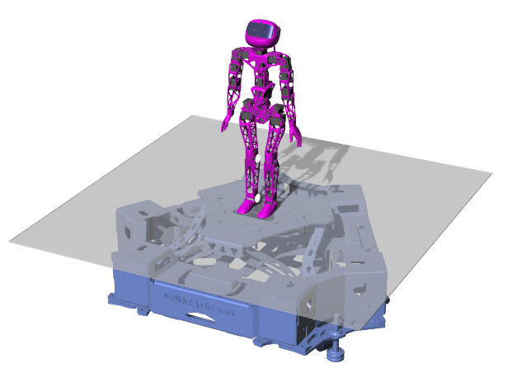
 | Assessed System Abilities | Quantification of balancing skills.

Protocol Sheet
If several protocols are defined for the same protocol, please copy and paste the following table

Generalities | Item | Template designer description |  |  |  |  | Can you revise lines 13 to 28? This is not clear at all to me
 | Name | Transient Test of Standing Balance with Moving Support Surface
 | Definition | The humanoid is standing on a moving platform and commanded to stand upright. The platform moves with a raised cosine profile . The body sway is recorded and analyzed in the way that is similar to the transient analysis performed with a step function as input profile.
 | Image | 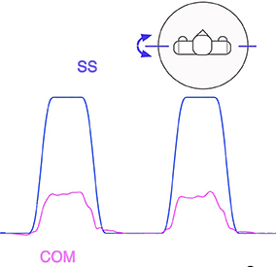
 | Keywords | Standing, transient , balance, disturbance
 | Suitable Bipedal Systems | Humanoids
 | Associated PI Algo | RC_transient
 | Estimated experimentation duration | 15 min

Controlled variables | Name | Definition | Type | Range | Unit
 | Stimulus amplitude | the peak-to-peak amplitude of the stimulus profile |  | 0° - 16° | degrees

Testbed | Item | Type (sensor / actuator/ combined) | Technical File Sheet |  |  | * The body can be tracked also with other tools
 | IMU* | sensor | https://www.xsens.com/products/mtw-awinda
 | moving support surface | actuator | https://motionsystems.eu/wp/wp-content/uploads/2020/03/PS-6TM-150_R6.1_gDim.pdf

Protocol description | General description |  |  |  |  | Provide in a sentence or two an overview of the activity asked to the subject
 | Step | Description | Complementary information
 | 1 | Place the IMU sensor onto the robot body segments | We would need more information. In particular, we should know which is the key information that should be measured.
 | 2 | Place the robot on the moving platform (platform in park position)
 | 3 | Launch the experiment controller. Define the type of stymulus (raised cosine) and the amplitude
 | 4 | Select the stimulus and run it, select the amplitude
 | 5 | Data collection stops when specified by the stimulus file
 | 6 | Repeat the procedure for all the needed tests (e.g. comparing different amplitudes for the same signal) | The amplitude is specified as input for the algorithm |  |  | WE need to discuss: if you repeat changeing some parameter, then you change the condition. How do you process this information then?

Does your protocol involve several runs? |  | NO* | for humanoids each test can be a single trial |  |  | Using several runs means reproducing the experiment in exactly the same conditions, to get statistics for instance. Having several runs would require to repeat some steps in the protocol, and would generate a set of input files per run, like run_01_jointAngles.csv, run_02_jointAngles.csv, ..., run_01_emg.csv, run_02_emg.csv, ...... If a single run is envisioned, we would only have a single version of each of the input file, i.e jointAngles.csv and emg.csv.
Does your protocol involve several conditions? |  | YES | amplitude of the stimulus (4) |  |  | Having several conditions requires repeating the experiment changing one condition/ parameter. This can be the angle of the slope (in a protocol walking on slope), the level of support provided by the Exoskeleton (no support, level 1, level 2…).
Can your protocol involves several subjects |  | NO* | *for humanoids |  |  | This only makes sense for protocols involving human subjects. This is a common practice to involve several huamn subjects when conducting an experimentation.

Protocol Sheet
If several protocols are defined for the same protocol, please copy and paste the following table

Generalities | Item | Template designer description
 | Name | Body Sway Response characterization with frequency response functions (FRFs) to Support Surface moving with Pseudorandom (PRTS) profile
 | Definition | The humanoid is standing on a moving platform and commanded to stand upright. The platform moves with pseudo-random PRTS profile . The body sway is recorded and analyzed in terms of frequency response funtion and human-likeness based on comparison with human experiments.
 | Image | 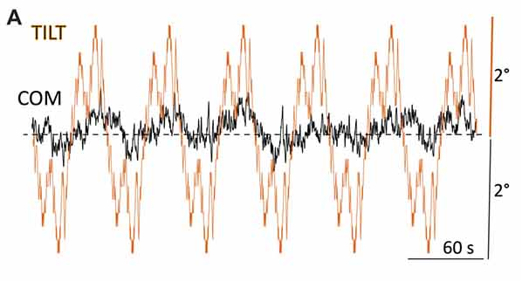
 | Keywords | Standing, steady state , balance, disturbance
 | Suitable Bipedal Systems | Humanoids
 | Associated PI Algo | PRTS_steady, Human_likeliness
 | Estimated experimentation duration | 15 min

Controlled variables | Name | Definition | Type | Range | Unit
 | Stimulus amplitude | the peak-to-peak amplitude of the stimulus profile |  | 0.5° - 16° | degrees

Testbed | Item | Type (sensor / actuator/ combined) | Technical File Sheet
 | IMU* | sensor | https://www.xsens.com/products/mtw-awinda
 | moving support surface | actuator | https://motionsystems.eu/wp/wp-content/uploads/2020/03/PS-6TM-150_R6.1_gDim.pdf

Protocol description | General description
 | Step | Description | Complementary information
 | 1 | Place the IMU sensor onto the robot body segments | We would need more information. In particular, we should know which is the key information that should be measured.
 | 2 | Place the robot on the moving platform (platform in park position)
 | 3 | Launch the experiment controller. Define the type of stymulus (PRTS) and the amplitude
 | 4 | Select the stimulus and run it, select the amplitude
 | 5 | Data collection stops when specified by the stimulus file
 | 6 | Repeat the procedure for all the needed tests (e.g. comparing different amplitudes for the same signal) | The amplitude is specified as input for the algorithm

Does your protocol involve several runs? |  | NO* | for humanoids each test can be a single trial
Does your protocol involve several conditions? |  | YES | amplitude of the stimulus (4)
Can your protocol involves several subjects |  | NO* | *for humanoids

Protocol Sheet
If several protocols are defined for the same protocol, please copy and paste the following table

Generalities | Item | Template designer description
 | Name | Test of Standing Balance with Moving Support Surface with Sinusoidal profile
 | Definition | The humanoid is standing on a moving platform and commanded to stand upright. The platform moves with sinusoidal profile . The body sway is recorded and analyzed in terms of gain and phase respect to the input sine wave.
 | Image | 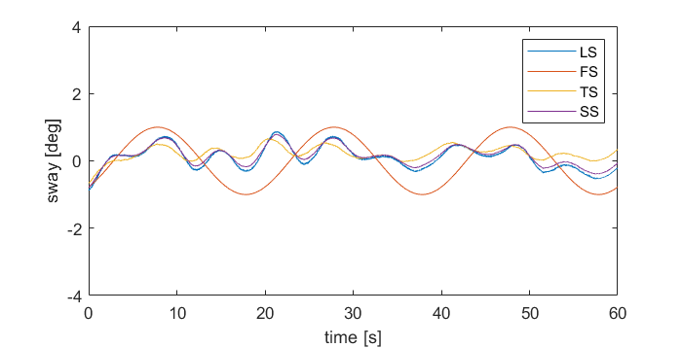
 | Keywords | Standing, steady state , balance, disturbance
 | Suitable Bipedal Systems | Humanoids
 | Associated PI Algo | Sinsway
 | Estimated experimentation duration | 15 min

Controlled variables | Name | Definition | Type | Range | Unit
 | Stimulus amplitude | the peak-to-peak amplitude of the stimulus profile |  | 0° - 16° | degrees

Testbed | Item | Type (sensor / actuator/ combined) | Technical File Sheet
 | IMU* | sensor | https://www.xsens.com/products/mtw-awinda
 | moving support surface | actuator | https://motionsystems.eu/wp/wp-content/uploads/2020/03/PS-6TM-150_R6.1_gDim.pdf

Protocol description | General description
 | Step | Description | Complementary information
 | 1 | Place the IMU sensor onto the robot body segments | We would need more information. In particular, we should know which is the key information that should be measured.
 | 2 | Place the robot on the moving platform (platform in park position)
 | 3 | Launch the experiment controller. Define the type of stymulus (sinusoidal profile) and the amplitude
 | 4 | Select the stimulus and run it, select the amplitude
 | 5 | Data collection stops when specified by the stimulus file
 | 6 | Repeat the procedure for all the needed tests (e.g. comparing different amplitudes for the same signal) | The amplitude is specified as input for the algorithm

Does your protocol involve several runs? |  | NO* | for humanoids each test can be a single trial
Does your protocol involve several conditions? |  | YES | amplitude of the stimulus (4)
Can your protocol involves several subjects |  | NO* | *for humanoids

