Scenario-Protocol
Scenario Sheet |  |  |  |  |  | Indications
 | There should be only on scenario per file. If needed duplicat that file |  |  |  |  | Explanation available at https://github.com/aremazeilles/eurobench_documentation/blob/master/template.adoc
 |  |  |  |  |  | If a field is unclear, please email us or open an issue on the github account.
 | Item | Template designer description
 | Short name | Walking over irregular hard terrains with Humanoids |  |  |  | Irregular hard terrain
 | Description | Assessment of the motion capability of the robot in hard irregular terrains
 | Image
 | Assessed System Abilities | Motion ability

Protocol Sheet
If several protocols are defined for the same protocol, please copy and paste the following table
How many protocols are defined? |  | 4

Generalities | Item | Template designer description
 | Name | Walking over flat surfaces with different heights
 | Definition | Assess the balance of the robot of walking during 3m flat hard terrain trial
 | Image | 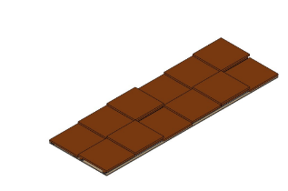
 | Keywords | Uneven hard terrain, Walking, Humanoid Robots
 | Suitable Bipedal Systems | Humanoid
 | Associated PI Algo | locomotionbench
 | Estimated experimentation duration | 1.5 hours

Controlled variables | Name | Definition | Type | Range | Unit
 | step duration | step duration for each step | float | any | sec
 | step amount | amount of steps to span 4 meters | int | 1 - any | #
 | GRF sensors | Robot built-in force torque sensors |  |  |  | I assume this line can be removed, right?

Testbed | Item | Type (sensor / actuator/ combined) | Technical File Sheet
 | 3000x1000mm passive platform with fixed wooden board | Anti-slip 500x500x25mm, 500x500x50mm and 500x500x75mm wooden modules
 | IMU close to robotic free-flyer or internal IMU | IMU
 | GRF sensors | Robot internal force torque sensors or force plate

Protocol description | General description |  |  |  |  | Provide in a sentence or two an overview of the activity asked to the subject
 | Step | Description | Complementary information |  |  | Describe here the main instruction the operator / subject should follow. We expect having aside a more complete description of the operations to perform, like another document detailing all these operations
 | 1 Place the robot at the starting position and start recording data on the robot | Record data to create walking data files compliant with EUROBENCH format | Desired files: joint angles joint velocities joint accelerations joint torques ground reaction forces imu
 | 2 initiate the walking sequence | The robot walks three meters. Continue to step 4 after successful execution of the walking sequence
 | 3 Stop the data collection software
 | 4 Put the robot back to start
 | 5 Repeat steps 1-4 three times |  | The required amount of successful repetitions is set to 3
 | 6
 | 7
 | 8
 | 9
 | 10

Generalities | Item | Template designer description
 | Name | Walking over flat surfaces with x-axis inclination
 | Definition | Assess the balance of the robot of walking during 3m flat hard terrain trial
 | Image | 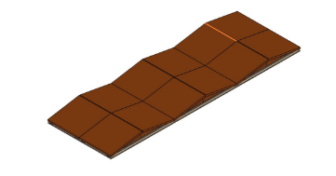
 | Keywords | Uneven hard terrain, Walking, Humanoid Robots
 | Suitable Bipedal Systems | Humanoid
 | Associated PI Algo | locomotionbench
 | Estimated experimentation duration | 2 hours

Controlled variables | Name | Definition | Type | Range | Unit
 | step duration | step duration for each step | float | any | sec
 | step amount | amount of steps to span 4 meters | int | 1 - any | #
 | GRF sensors | Robot built-in force torque sensors

Testbed | Item | Type (sensor / actuator/ combined) | Technical File Sheet
 | 3000x1000mm passive platform with fixed wooden board | Anti-slip 500x500x25mm, 500x500x50mm and 500x500x75mm wooden modules
 | IMU close to robotic free-flyer or internal IMU | IMU
 | GRF sensors | Robot internal force torque sensors or force plate

Protocol description | General description
 | Step | Description | Complementary information
 | 1 Place the robot at the starting position and start recording data on the robot | Record data to create walking data files compliant with EUROBENCH format
 | 2 initiate the walking sequence | The robot walks three meters. Continue to step 4 after successful execution of the walking sequence
 | 3 Stop the data collection software
 | 4 Put the robot back to start
 | 5 Repeat steps 1-4 three times |  | The required amount of successful repetitions is set to 3
 | 6
 | 7
 | 8
 | 9
 | 10

Generalities | Item | Template designer description
 | Name | Walking over flat surfaces with y-axis concave inclination
 | Definition | Assess the balance of the robot of walking during 3m flat hard terrain trial
 | Image | 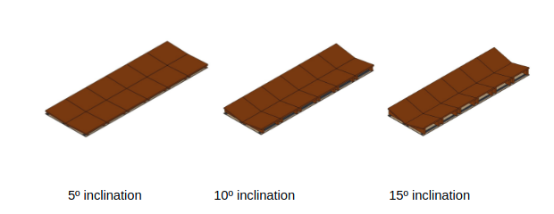
 | Keywords | Uneven hard terrain, Walking, Humanoid Robots
 | Suitable Bipedal Systems | Humanoid
 | Associated PI Algo | locomotionbench
 | Estimated experimentation duration | 3 hours

Controlled variables | Name | Definition | Type | Range | Unit
 | step duration | step duration for each step | float | any | sec
 | step amount | amount of steps to span 4 meters | int | 1 - any | #
 | GRF sensors | Robot built-in force torque sensors

Testbed | Item | Type (sensor / actuator/ combined) | Technical File Sheet
 | 3000x1000mm passive platform with fixed wooden board | Anti-slip 500x500x25mm, 500x500x50mm and 500x500x75mm wooden modules
 | IMU close to robotic free-flyer or internal IMU | IMU
 | GRF sensors | Robot internal force torque sensors or force plate

Protocol description | General description
 | Step | Description | Complementary information
 | 1 Configure testbed | Configure testbed with 5 degree inclination
 | 2 Place the robot at the starting position and start recording data on the robot | Record data to create walking data files compliant with EUROBENCH format
 | 3 initiate the walking sequence | The robot walks three meters. Continue to step 4 after successful execution of the walking sequence | Desired files: joint angles joint velocities joint accelerations joint torques ground reaction forces imu
 | 4 Stop the data collection software
 | 5 Put the robot back to start
 | 6 Repeat steps 2 - 5 three times | If the robot succeed with the current inclination increase the configuration of the testbed 5 degrees
 | 8
 | 9
 | 10

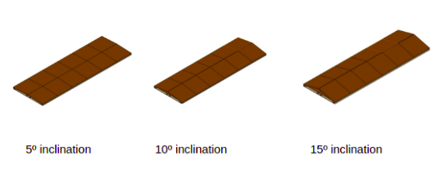
Generalities | Item | Template designer description
 | Name | Walking over flat surfaces with y-axis concave inclination
 | Definition | Assess the balance of the robot of walking during 3m flat hard terrain trial
 | Image
 | Keywords | Uneven hard terrain, Walking, Humanoid Robots
 | Suitable Bipedal Systems | Humanoid
 | Associated PI Algo | locomotionbench
 | Estimated experimentation duration | 3 hours

Controlled variables | Name | Definition | Type | Range | Unit
 | step duration | step duration for each step | float | any | sec
 | step amount | amount of steps to span 4 meters | int | 1 - any | #
 | GRF sensors | Robot built-in force torque sensors

Testbed | Item | Type (sensor / actuator/ combined) | Technical File Sheet
 | 3000x1000mm passive platform with fixed wooden board | Anti-slip 500x500x25mm, 500x500x50mm and 500x500x75mm wooden modules
 | IMU close to robotic free-flyer or internal IMU | IMU
 | GRF sensors | Robot internal force torque sensors or force plate

Protocol description | General description
 | Step | Description | Complementary information
 | 1 Configure testbed | Configure testbed with 5 degree inclination
 | 2 Place the robot at the starting position and start recording data on the robot | Record data to create walking data files compliant with EUROBENCH format
 | 3 initiate the walking sequence | The robot walks three meters. Continue to step 4 after successful execution of the walking sequence | Desired files: joint angles joint velocities joint accelerations joint torques ground reaction forces imu
 | 4 Stop the data collection software
 | 5 Put the robot back to start
 | 6 Repeat steps 2 - 5 three times | If the robot succeed with the current inclination increase the configuration of the testbed 5 degrees
 | 8
 | 9
 | 10

Does your protocol involve several runs? |  | YES/NO | Yes
Does your protocol involve several conditions? |  | Yes, change the testbed configuration and repeat the protocol | Yes - increasing slope level
Can your protocol involves several subjects |  | No subjects required

