Scenario-Protocol
Scenario Sheet |  |  |  |  |  | Indications
 | There should be only on scenario per file. If needed duplicat that file |  |  |  |  | Explanation available at https://github.com/aremazeilles/eurobench_documentation/blob/master/template.adoc
 |  |  |  |  |  | If a field is unclear, please email us or open an issue on the github account.
 | Item | Template designer description
 | Short name | Irregular Terrains |  |  |  | Single sentence
 | Description | Walking through different configurable irregular terrains. |  |  |  | Paragraph indicating the context of the scenario
 | Image | 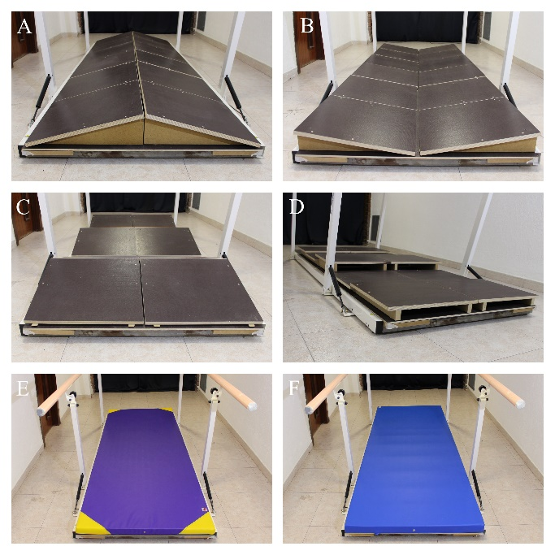
 | Assessed System Abilities | Motion ability, adaptability |  |  |  | Not mandatory at this stage

Protocol Sheet
If several protocols are defined for the same protocol, please copy and paste the following table
How many protocols are defined? |  | 1

Generalities | Item | Template designer description
 | Name | Walking over irregular terrains |  |  |  | Single sentence
 | Definition | Passing through the specific testbed that can hold fourteen different irregular terrain conditions. The subject must perform four walks through each configuration. |  |  |  | Paragraph indicating the purpose, objective of the protocol. What are we characterising, how do we characterise it?
 | Image | 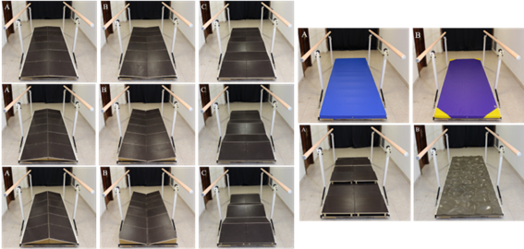 |  |  |  | Mandatory
 | Keywords | Balance, stability
 | Suitable Bipedal Systems | Human, Prosthesis, Exosqueleton |  |  |  | Possible values: Humanoid, prosthesis, exoskeleton, human (can be various)
 | Associated PI Algo | marginStability_calculation, ratioIndex_calculation, variability_ calculation, walkRatio_calculation |  |  |  | Names of the algorithms to be launched (as indicated In cell Algorithm name in Pi-PI Algo sheet)
 | Estimated experimentation duration | 240min

Controlled variables | Name | Definition | Type | Range | Unit
 | Wearable device | Robot used in the trials | boolean | T / F |  | Would put robot_usage variable (yes or no)
 | Terrain configuration | Type of terrain the subject is facing | int | [0-13] |  | Would put terrain_type, as a string
 | Speed condition | Self-selected normal speed, self-selected low speed, self-selected high speed | int | [0-2]

Testbed | Item | Type (sensor / actuator/ combined) | Technical File Sheet |  |  | Differentiate traditional equipment (motion capture, force platform, …), from instrumented testbed. If the protocol requires a specific instrumented system, name it with something like instrumented crutches, or instrumented walls, and provide a link towards a document describing the components of the device, with information on how to build it, use it... | EMG, sensorized insoles and IMUs must be included when implemented.
 | Optoelectronic motion capture system | VICON | https://docs.vicon.com/display/Nexus210
 | Testbed | Commercial platform with a fixed wooden board with holes into which anti-slip 50x50cm wooden modules, terrasensa modules or mats can be fitted.

Protocol description | General description | The subject must walk through each terrain configuration 4 times with an without wearing an exoskeleton. |  |  |  | Provide in a sentence or two an overview of the activity asked to the subject
 | Step | Description | Complementary information |  |  | Describe here the main instruction the operator / subject should follow. We expect having aside a more complete description of the operations to perform, like another document detailing all these operations
 | 1 | Let the subject familiarize with the testbed and the wearable device.
 | 2 | Instrument the subject.
 | 3 | Ask the subject to perform a trial on ground level walking at self-selected normal speed (SNS) without the wearable device. | For a trial to be valid, it must contain at least 10 strides.
 | 4 | Set up an uneven terrain configuration.
 | 5 | Ask the subject to perform a trial over the uneven terrain at self-selected normal speed (SNS) without the wearable device.
 | 6 | Repeat step 5 at at self-selected low speed (SLS) and self-selected high speed (SHS). | This step is optional. In case of executing it, it is recommended to randomize the speed conditions by alternating SNS, SLS and SHS to avoid bias.
 | 7 | Let the subject rest for 5 minutes.
 | 8 | Repeat steps 4 to 8 until all the desired terrain configurations are tested.
 | 9 | Put the wearable device on the subject.
 | 10 | Repeat steps 2 to 8.
 | 11 | Remove the wearable device from the subject.
 | 12 | Take the data and analyze it.

Does your protocol involve several runs? |  | YES /NO | Yes |  |  | Using several runs means reproducing the experiment in exactly the same conditions, to get statistics for instance. Having several runs would require to repeat some steps in the protocol, and would generate a set of input files per run, like run_01_jointAngles.csv, run_02_jointAngles.csv, ..., run_01_emg.csv, run_02_emg.csv, ...... If a single run is envisioned, we would only have a single version of each of the input file, i.e jointAngles.csv and emg.csv.
Does your protocol involve several conditions? |  | YES(How many?) /NO | Yes (28) |  |  | Having several conditions requires repeating the experiment changing one condition/ parameter. This can be the angle of the slope (in a protocol walking on slope), the level of support provided by the Exoskeleton (no support, level 1, level 2…).
Can your protocol involves several subjects |  | YES /NO | Yes |  |  | This only makes sense for protocols involving human subjects. This is a common practice to involve several huamn subjects when conducting an experimentation.

