Instructions
Here are the examples of the current existing combinations possible

 | CASE 1: ENTITY PROPERTY |  | CASE 2: ENTITY LIST PROPERTY |  |  | CASE 3: ENTITY OBJECT PROPERTY |  |  |  | CASE 4: ENTITY OBJECT LIST |  |  |  | NOTE: LAST UPDATED WORKING COPY: | If this excel does not work, go to the issuer application and download the "Dynamic Higher Education Diploma" it should contain last working version
 |  |  | (made up case since we have not found any case)
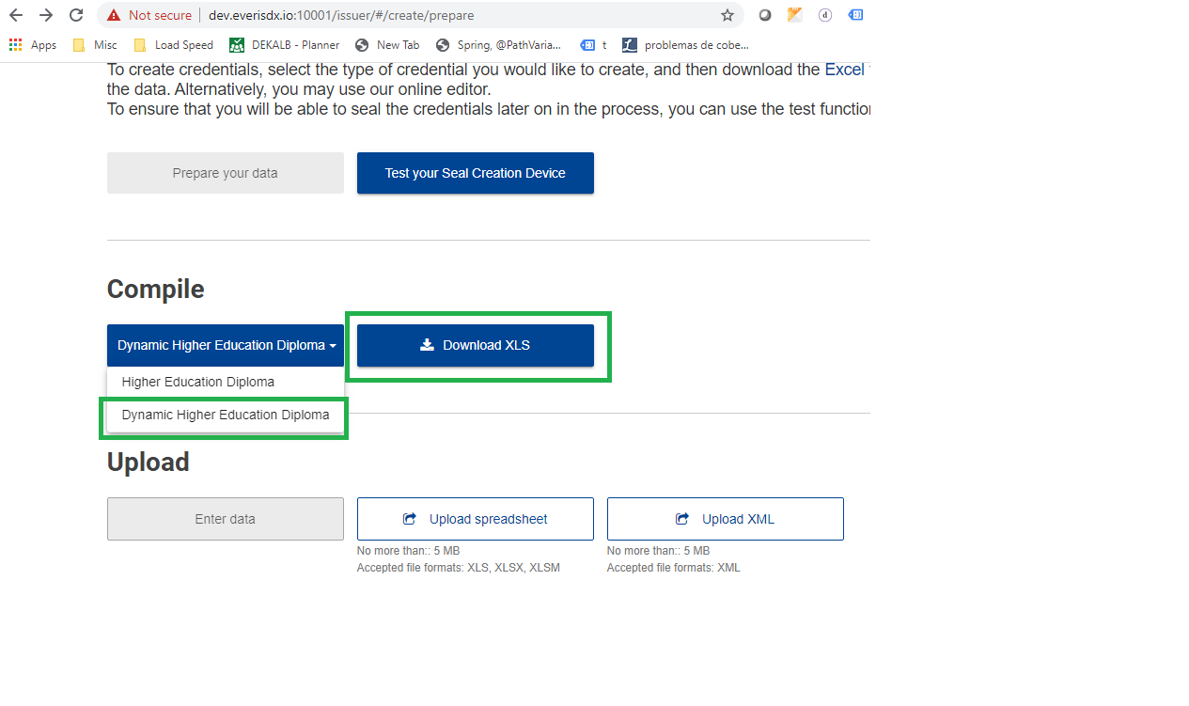
Class | VerifiableCredential |  | VerifiableCredential | VerifiableCredential |  | Person | Person | Person |  | Entitlement | Entitlement | Entitlement
Field | issuanceDate |  | xxxx | xxxx |  | nationalId | identifier | identifier |  | code | code | code
Type | Property |  | Property | Property |  | Property | Property | Property |  | Property | Property | Property
Range | Datetime |  | Datetime | Datetime |  | LegalIdentifier | identifier | identifier |  | Code | Code | Code
RangeProperty |  |  |  |  |  | spatialId | issuedDate | content |  | content | content | content
RangeRef |  |  | 1 | 2 |  |  |  |  |  | 0 | 1 | 2
Language
Definition
Description
Language
Data | 2019-09-15 |  | 2019-09-15 | 2019-09-15 |  | 35252366L | 2019-12-07 | iden1 |  | code1 | code2 | code3

 | CASE 5: MULTILANGUAGE ENTITY OBJECT PROPERTY |  |  |  |  | CASE 6: MULTILANGUAGE ENTITY LIST OBJECT

Class | EuropassCredential | EuropassCredential | EuropassCredential | EuropassCredential |  | Person | Person | Person | Person | Person | Person | Person | Person
Field | title | title | title | title |  | note | note | note | note | note | note | note | note
Type | Property | Property | Property | Property |  | Property | Property | Property | Property | Property | Property | Property | Property
Range | Text | Text | Text | Text
RangeProperty | content | language | content | language |  | topic | content | content | content | topic | content | content | content
RangeRef |  |  |  |  |  | 1 | 1 | 1 | 1 | 2 | 2 | 2 | 2
Language | en | en | mt | mt |  |  | en | ca | es |  | en | ca | es
Definition
Description
Language
Data | Diploma in Sociology |  | Diploma fis-Soċjoloġija |  |  | Topic 1st note | 1st note EN | 1ª nota cat | 1ª nota esp | Topic 2nd note | 2nd note EN | 2ª nota cat | 2ª nota esp

 | CASE 7: ASSOCIATION |  |  | CASE 7: ASSOCIATION LIST |  |  |  |  | CASE 8: ENTITY OBJECT LIST LIST
 |  |  |  | Class | Field (property/association) | Type | Range (data type) | Card | Data Type | Field (property/association) | Type | Range (data type) | Card
 |  |  |  |  |  |  |  |  | Identifier | Identifier Type | Attribute | String | *

Class | EuropassCredential | EuropassCredential |  | EuropassCredential | EuropassCredential | EuropassCredential | EuropassCredential |  | EuropassCredential | EuropassCredential | EuropassCredential | EuropassCredential | EuropassCredential
Field | credentialSubject | credentialSubject |  | contains | contains | contains | contains |  | identifier | identifier | identifier | identifier | identifier
Type | Reference | Association |  | Reference | Association | Reference | Association |  | Property | Property | Property | Property | Property
Range
RangeProperty | Person | Person |  | Person | Person | Person | Person |  | content | issuedDate | identifierType | identifierType | content
RangeRef |  |  |  | 1 | 1 | 2 | 2 |  | 1 | 1 | 1 | 1 | 2
Language
Definition
Description
Language
Data | Jordi Castillo | 12 |  | Jordi Castillo | 12 | Jordi Castillo | 12 |  | content11 | issuedDate11 | identifierType111 | identifierType112 | content12
 | Enric | 13 |  | Enric | 13 | Enric | 13 |  | content21 | issuedDate21 | identifierType211 | identifierType212 | content22

 | CASE 9: NESTED PROPERTY |  |  | CASE 10: NESTED ASSOCIATION
Class | EuropassCredential.display.background | EuropassCredential.display.background |  | EuropassCredential | EuropassCredential
Field | content | contentType |  | Person.achieved | Person.achieved
Type | NestedProperty | NestedProperty |  | Reference | NestedAssociation
Range |  |  |  | Achievement | Achievement
RangeProperty |  | name |  |  | 13
RangeRef
Language
Definition
Description
Language
Data | http://test.image.com | image/jpg |  | here will be a reference selected by user, on selection, association column will be filled | 13

Language Choice
Primary Language | en | English

Add
Remove
Language to Add/Remove | sv | svenska

Unprotect All Sheets
Protect All Sheets

Europass Credentials
Credentials This is the main sheet for issuing credentials. Enter data about each credential as being issued to each student here.
Class | EuropassCredential | EuropassCredential | EuropassCredential | EuropassCredential | EuropassCredential | EuropassCredential | EuropassCredential | VerifiableCredential | VerifiableCredential | EuropassCredential | EuropassCredential | EuropassCredential | EuropassCredential.contains#1 | EuropassCredential | EuropassCredential.display
Field | title | description | type | issuer | issuer | credentialSubject | credentialSubject | issuanceDate | expirationDate | identifier | identifier | contains | contentType | display | background
Type | Property | Property | Property | Reference | Association | Reference | Association | Property | Property | Property | Property | Property | NestedProperty | Association.ignore | NestedProperty.Ignore
RangeProperty | content | content | content | Organisation | Organisation | Person | Person |  |  | identifierType | identifierType | contentUrl | name | DisplayParameters | contentUrl
RangeRef |  |  |  |  |  |  |  |  |  | 1 | 1 | 1 |  | summaryDisplay
Language | en | en
Definition | Title | Description | Type | Issuer |  | Owner |  | The issuance date | The expiration date |  |  | Sub-Credentials
Description | The full official title of the issued credential. | A summary of the claim of the claim or group of claims being made about a person. Typically should start with a verb, for example "has achieved", "is entitled to", "has attended", "knows". |  | The organisaton that issued the credential and sealed it with their digital e-seal. The organisaton that issued the credential and sealed it with their digital e-seal. |  | The person about which claims are made and who owns the credential. |  | The issuance date. A verifiable credential MUST have an issuanceDate property. The value represents the date and time the credential was issued. Note that this date represents the earliest date when the information associated with the credentialSubject property became valid. This is not the date of generation of the credential. | The expiration date. The value of the expirationDate property represents the date and time the credential ceases to be valid. |  |  | Smaller sub-credentials (micro-credentials), which when combined make up this learning opportunity.
Language | English | English |  |  |  |  |  |  |  |  |  |  |  | 0
Default Value | Diploma in Sociology | recognises excellence in Sociological thinking | generic | Issuer - Should come from drop-down | #REF! |  |  | 2019-12-15 | 2023-12-15 |  |  |  |  |  | https://everis.com/image.jpg
 | EuropassCredential.title.Property.Text.content.1.en | EuropassCredential.description.Property.Note.content.2.en | Column1 | EuropassCredential.issuer.Association..Organization.3. | EuropassCredential.issuer.Association..Organization.3.2 | EuropassCredential.credentialSubject.Association..Person.4. | EuropassCredential.credentialSubject.Association..Person.4.3 | VerifiableCredential.issuanceDate.Property.Datetime... | VerifiableCredential.expirationDate.Property.Datetime... | Columna2 | Columna1 | Column3 | Column32 | Column33 | Column42
Add Row
Add Row
 | Diploma in Sociology | recognises excellence in Sociological thinking | generic | Issuer - Should come from drop-down | 13 | #REF! | 13 | 2019-12-15 | 2023-12-15 | type1 | type2 | http://localhost:8080/europass2/edci-wallet/api/v1/wallets/esayosll@everis.com/credentials/urn_credential_0ddc5ce2-70bd-4cac-b97a-8ef2806c0c9a | application/octet-stream | 0 | https://everis.com/image.jpg

Organization
Organisations This is the main sheet for describing legal persons / registered Organisation.
Class | Organisation | Organisation | Organisation.vatIdentifier#1 | Organisation.taxIdentifier#1 | Organisation.identifier#1 | Organisation.identifier#1 | Organisation.homepage#1 | Agent.hasLocation#1 | Agent.hasLocation#1.spatialCode#1 | Agent.hasLocation#1 | Agent.hasLocation#1.hasAddress#1 | Agent.hasLocation#1.hasAddress#1.countryCode | Agent.hasLocation#1.hasAddress#1.countryCode | Agent.hasLocation#1.hasAddress#1.countryCode | Organisation | Organisation | Agent.contactPoint#1 | Organisation | Organisation.logo
Field | preferredName | alternativeName | content | content | identifierSchemeId | content | id | geographicName | content | description | fullAddress | name | content | codeId | hasAccreditation | unitOf | note | unitOf | contentUrl
Type | Property | Property | NestedProperty | NestedProperty | NestedProperty | NestedProperty | NestedProperty | NestedProperty | NestedProperty | NestedProperty | NestedProperty | NestedProperty | NestedProperty | NestedProperty | NestedProperty.ignore | Reference | NestedProperty | Association | NestedProperty.Ignore
RangeProperty | content | content |  |  |  |  |  | content |  | content | content |  |  |  | targetUrl | Organisation | content | Organisation
RangeRef |  | 1 |  |  |  |  |  |  |  |  |  |  |  |  |  |  | 1
Language | en | en |  |  |  |  |  | en |  | en | en |  |  |  |  |  | ca
Definition | Legal Name | Common Name | VAT Number | Tax/Fiscal Identifier | Other Identifier Scheme | Other Identifier | homepage | Location Name | Location | Location Description | Full Address | Country |  |  | Accreditation | Parent Organisation |  |  | Logo
Description | Full legal name of the Organisation, as registered with national authorities. The legal name should only be translated to languages where official translations (submitted to national authorities) exist. |  | Use the format Country Code-Number, e.g. MT11111111 | Use the format Country Code-Number, e.g. MT11111111 | Identification of the identifier scheme. |  |  |  |  |  |  |  |  |  | Accreditation Records associated with the Organisation. More information about the accreditation database is available here. Public URL of an accreditation record, preferably from the Europass Accreditation Database | A larger Organisation of which this unit/sub-Organisation forms part. For Organisations to appear in this list their details need to be entered under this sheet. |  |  | Provide a public URL to the Organisation's logo in png or jpg format.
Language | English | English
 | Default text
 | EuropassCredential.title.Property.Text.content.1.en | EuropassCredential.title.Property.Text.content.1.en27 | EuropassCredential.title.Property.Text.content.1.en28 | EuropassCredential.title.Property.Text.content.1.en29 | EuropassCredential.title.Property.Text.content.1.en30 | EuropassCredential.title.Property.Text.content.1.en31 | EuropassCredential.title.Property.Text.content.1.en32 | EuropassCredential.title.Property.Text.content.1.en34 | EuropassCredential.title.Property.Text.content.1.en60 | EuropassCredential.title.Property.Text.content.1.en61 | EuropassCredential.title.Property.Text.content.1.en88 | EuropassCredential.title.Property.Text.content.1.en89 | EuropassCredential.title.Property.Text.content.1.en90 | EuropassCredential.title.Property.Text.content.1.en91 | EuropassCredential.title.Property.Text.content.1.en92 | EuropassCredential.title.Property.Text.content.1.en93 | EuropassCredential.title.Property.Text.content.1.en933 | EuropassCredential.title.Property.Text.content.1.en94 | EuropassCredential.title.Property.Text.content.1.en95
Add Row
 | UB | org_alternative_EN_1 | UPC222 | UPC111 | xmls:upesé | Upesé | https://upc.edu | barcelona | BCN | Most beautiful city in the world | c/Girona | Catalonia | CAT | CAT |  | URLlull | pointyPoint1ca | 15 | https://upload.wikimedia.org/wikipedia/commons/1/18/Universitat_Ramon_Llull_logo_%28es%29.jpg
 | UPC
 | URLlull
 | URVirgili

