BoM
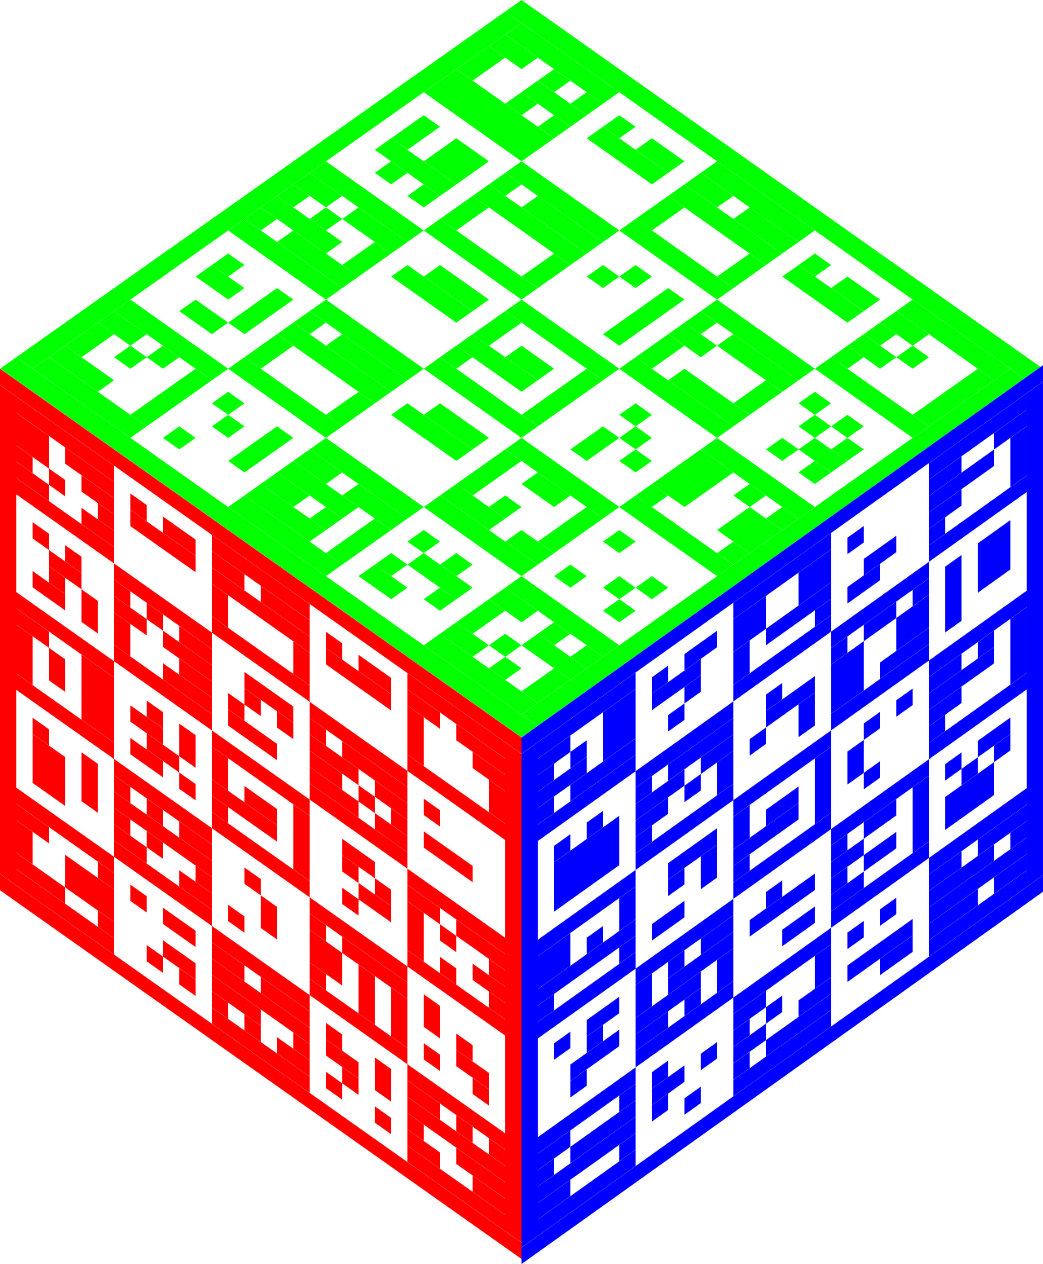
 |  | KiBot Bill of Materials
 |  | Schematic: | LEDcube | Component Groups: | 13
 |  | Variant: | default | Component Count: | 26
 |  | Revision: | v0.1 | Fitted Components: | 26
 |  | Date: | 2022-05-22 | Number of PCBs: | 1
 |  | KiCad Version: | 6.0.4+dfsg-1~bpo11+1 | Total Components: | 26

Row | Referencias | Parte | Valor | P/N | Fabricante | Cod. Digi-Key | Footprint | Descripción | Quantity Per PCB
1 | C102 C104 C105 C106 | C | 100 nF |  |  |  | C_0402_1005Metric |  | 4
2 | C101 C103 | C_Polarized | 10 µF |  |  |  | CP_EIA-3216-18_Kemet-A |  | 2
3 | D101 | BAT60A | BAT60A |  |  |  | D_SOD-323 |  | 1
4 | D102 D103 D104 D105 | WS2812B | WS2812B |  |  |  | LED_WS2812B_PLCC4_5.0x5.0mm_P3.2mm |  | 4
5 | H101 H102 H103 H104 | MountingHole_Pad | ~ |  |  |  | MountingHole_3.2mm_M3_ISO14580_Pad |  | 4
6 | J101 J102 | Conn_01x04 | IN |  |  |  | PinHeader_1x04_P2.54mm_Vertical |  | 2
7 | J103 | Conn_01x06 | JTAG |  |  |  | Tag-Connect_TC2030-IDC-FP_2x03_P1.27mm_Vertical |  | 1
8 | JP101 JP102 | SolderJumper_2_Open | NRST |  |  |  | SolderJumper-2_P1.3mm_Open_RoundedPad1.0x1.5mm |  | 2
9 | R101 R102 | R | 100 kΩ |  |  |  | R_0402_1005Metric |  | 2
10 | U101 | AP1117-33 | AP1117-33 |  |  |  | SOT-223-3_TabPin2 |  | 1
11 | U103 | SP3485CN | SP3485CN |  |  |  | SOIC-8_3.9x4.9mm_P1.27mm |  | 1
12 | U102 | STM32F030F4Px | STM32F030F4Px |  |  |  | TSSOP-20_4.4x6.5mm_P0.65mm |  | 1
13 | Y101 | Crystal_GND24_Small | 16MHz |  |  |  | Crystal_SMD_3225-4Pin_3.2x2.5mm |  | 1

