BoM
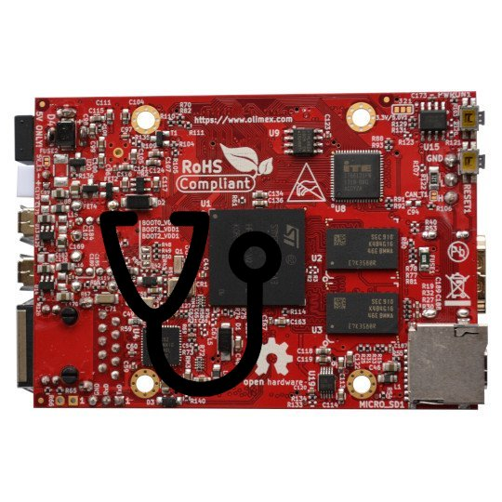
 |  | KiBot Bill of Materials
 |  | Schematic: | olimex_stm32mp1_jtag | Component Groups: | 1
 |  | Variant: | default | Component Count: | 6
 |  | Revision: | 0.1 | Fitted Components: | 6
 |  | Date: | 2022-08-15 | Number of PCBs: | 1
 |  | KiCad Version: | 6.0.5+dfsg-1~bpo11+1 | Total Components: | 6

Row | Reference | Value | P/N | Manufacture | JLPCB Part# | Footprint | Description | Quantity Per PCB
1 |  | ARM JTAG |  |  |  | PinHeader_2x10_P2.54mm_Vertical | Generic connector, double row, 02x10, odd/even pin numbering scheme (row 1 odd numbers, row 2 even numbers), script generated (kicad-library-utils/schlib/autogen/connector/) | 6

