BoM
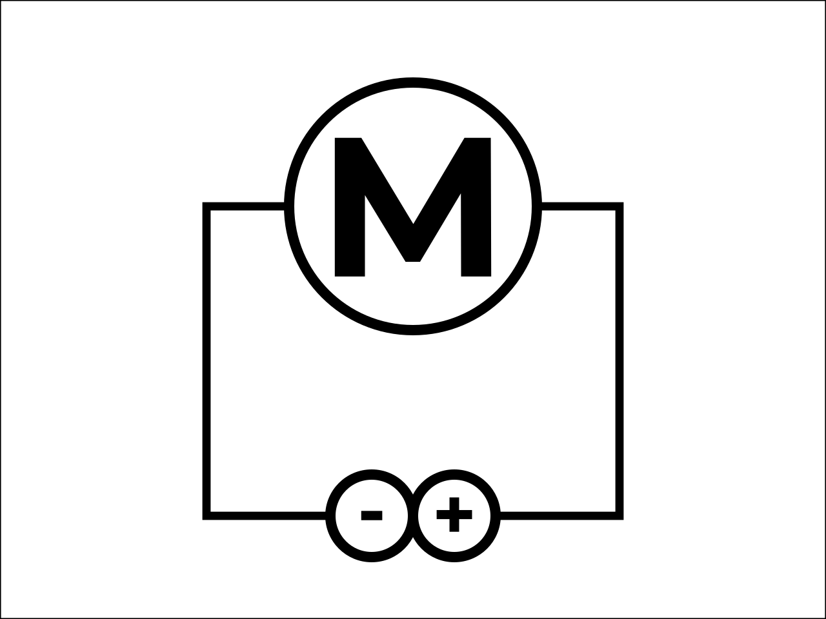
 |  | KiBot Bill of Materials
 |  | Schematic: | dc_shield | Component Groups: | 24
 |  | Variant: | default | Component Count: | 51
 |  | Revision: | 0.2 | Fitted Components: | 51
 |  | Date: | 2025-03-25 | Number of PCBs: | 1
 |  | KiCad Version: | 8.0.8+1 | Total Components: | 51

Row | References | Part | Value | P/N | Manufacture | Source | Supplier P/N | Link | Footprint | Description | Quantity Per PCB
1 | C115 C116 | C | 1 nF | CL10B102KB8NNNC | Samsung Electro-Mechanics | JLCPCB |  | https://jlcpcb.com/partdetail/1940-CL10B102KB8NNNC/C1588 | C_0603_1608Metric | Unpolarized capacitor | 2
2 | C103 C104 C105 C106 | C | 22 nF | CL10B223KB8NNNC | Samsung Electro-Mechanics | JLCPCB |  | https://jlcpcb.com/partdetail/21834-CL10B223KB8NNNC/C21122 | C_0603_1608Metric | Unpolarized capacitor | 4
3 | C109 C112 C117 C118 C119 C120 | C | 100 nF | CC0603KRX7R9BB104 | YAGEO | JLCPCB |  | https://jlcpcb.com/partdetail/Yageo-CC0603KRX7R9BB104/C14663 | C_0603_1608Metric | Unpolarized capacitor | 6
4 | C101 | C | 1 µF | CL10A105KB8NNNC | Samsung Electro-Mechanics | JLCPCB |  | https://jlcpcb.com/partdetail/16531-CL10A105KB8NNNC/C15849 | C_0603_1608Metric | Unpolarized capacitor | 1
5 | C102 C108 C111 C113 C114 | C | 10 µF | CL31A106KBHNNNE | Samsung Electro-Mechanics | JLCPCB |  | https://jlcpcb.com/partdetail/14236-CL31A106KBHNNNE/C13585 | C_1206_3216Metric | Unpolarized capacitor | 5
6 | C107 C110 | C_Polarized | 330 µF | VZT331M1HTR-1010 | Lelon | JLCPCB |  | https://jlcpcb.com/partdetail/Lelon-VZT331M1HTR1010/C249985 | CP_Elec_10x10.5 | Polarized capacitor | 2
7 | D104 D105 | 1N4448W | 1N4448W | 1N4448W | Guangdong Hottech | JLCPCB |  | https://jlcpcb.com/partdetail/GuangdongHottech-1N4448W/C5190208 | D_SOD-123 | 100V 0.15A High-speed standard diode, SOD-123 | 2
8 | D101 | SMAJ24CA | SMAJ24CA | SMAJ24CA | UMW(Youtai Semiconductor Co., Ltd.) | JLCPCB |  | https://jlcpcb.com/partdetail/3486668-SMAJ24CA/C3001961 | D_SMA | 400W bidirectional Transient Voltage Suppressor, 24.0Vr, SMA(DO-214AC) | 1
9 | D102 | D_Zener | SMBJ5344B | SMBJ5344B | LGE | JLCPCB |  | https://jlcpcb.com/partdetail/Lge-SMBJ5344B/C2903883 | D_SMB | Zener diode | 1
10 | D103 | D_Schottky | SS210 | SS210 | MDD | JLCPCB |  | https://jlcpcb.com/partdetail/Mdd-SS210/C14996 | D_SMA | Schottky diode | 1
11 | J103 | Conn_01x06 | Analog | PRT-11417 | SparkFun Electronics | Digikey | 1568-1413-ND | https://www.digikey.de/de/products/detail/sparkfun-electronics/PRT-11417/6161755 | PinSocket_1x06_P2.54mm_Vertical | Generic connector, single row, 01x06, script generated (kicad-library-utils/schlib/autogen/connector/) | 1
12 | J104 | Conn_01x10 | Digital/PWM | PRT-11417 | SparkFun Electronics | Digikey | 1568-1413-ND | https://www.digikey.de/de/products/detail/sparkfun-electronics/PRT-11417/6161755 | PinSocket_1x10_P2.54mm_Vertical | Generic connector, single row, 01x10, script generated (kicad-library-utils/schlib/autogen/connector/) | 1
13 | J102 J105 | Conn_01x08 | Power | PRT-11417 | SparkFun Electronics | Digikey | 1568-1413-ND | https://www.digikey.de/de/products/detail/sparkfun-electronics/PRT-11417/6161755 | PinSocket_1x08_P2.54mm_Vertical | Generic connector, single row, 01x08, script generated (kicad-library-utils/schlib/autogen/connector/) | 2
14 | J101 J106 J107 | Conn_01x02 | Vdrive | 236-402 | WAGO Corporation | Digikey | 2946-236-402-ND | https://www.digikey.de/de/products/detail/wago-corporation/236-402/15573417 | TerminalBlock_WAGO_236-402_1x02_P5.00mm_45Degree | Generic connector, single row, 01x02, script generated (kicad-library-utils/schlib/autogen/connector/) | 3
15 | JP101 | Jumper_2_Bridged | enable | N/A | N/A | ~ |  | ~ | SolderJumper-2_P1.3mm_Open_Pad1.0x1.5mm | Jumper, 2-pole, closed/bridged | 1
16 | MH1 MH2 MH3 MH4 | MountingHole_3.2mm | MountingHole_3.2mm |  |  |  |  |  | MountingHole_3.2mm |  | 4
17 | Q101 | SUD50P06-15 | SUD50P06-15 | SUD50P06-15-GE3 | Vishay Intertech | JLCPCB |  | https://jlcpcb.com/partdetail/VishayIntertech-SUD50P06_15GE3/C141584 | TO-252-2 | -50A Id, -60V Vds, TrenchFET P-Channel Power MOSFET, 15mOhm Ron, 165nC Qg, -55 to 150 °C, TO-252-2 | 1
18 | R102 | R | 1 Ω | 1206W4F100KT5E | UNI-ROYAL(Uniroyal Elec) | JLCPCB |  | https://jlcpcb.com/partdetail/18616-1206W4F100KT5E/C17928 | R_1206_3216Metric | Resistor | 1
19 | R106 R107 | R | 2 kΩ | 0402WGF2001TCE | UNI-ROYAL(Uniroyal Elec) | JLCPCB |  | https://jlcpcb.com/partdetail/4516-0402WGF2001TCE/C4109 | R_0402_1005Metric | Resistor | 2
20 | R101 R103 R104 R105 | R | 10 kΩ | 0402WGF1002TCE | UNI-ROYAL(Uniroyal Elec) | JLCPCB |  | https://jlcpcb.com/partdetail/26487-0402WGF1002TCE/C25744 | R_0402_1005Metric | Resistor | 4
21 | U105 U106 | ACS712xLCTR-20A | ACS712ELCTR-20A | ACS712ELCTR-20A-T | Allegro MicroSystems, LLC | JLCPCB |  | https://jlcpcb.com/partdetail/11225-ACS712ELCTR_20AT/C10681 | SOIC-8_3.9x4.9mm_P1.27mm | ±20A Bidirectional Hall-Effect Current Sensor, +5.0V supply, 100mV/A, SOIC-8 | 2
22 | U102 | AT24CS64-SSHM | AT24C256C-SSHL-T | AT24C256C-SSHL-T | Microchip Tech | JLCPCB |  | https://jlcpcb.com/partdetail/MicrochipTech-AT24C256C_SSHLT/C6482 | SOIC-8_3.9x4.9mm_P1.27mm | I2C Serial EEPROM, 64Kb (8192x8) with Unique Serial Number, SO8 | 1
23 | U103 U104 | IFX9201SGAUMA1 | IFX9201SGAUMA1 | IFX9201SGAUMA1 | Infineon Technologies | JLCPCB |  | https://jlcpcb.com/partdetail/InfineonTechnologies-IFX9201SGAUMA1/C112633 | CONV_IFX9201SGAUMA1 |  | 2
24 | U101 | R-78C12-1.0 | VR10S12 | VR10S12 | XP Power | Digikey | 1470-VR10S12-ND | https://www.digikey.de/de/products/detail/xp-power/VR10S12/13147701 | Converter_DCDC_RECOM_R-78E-0.5_THT | 1A Step-Down DC/DC-Regulator, 15-42V input, 12V fixed Output Voltage, LM78xx replacement, -40°C to +85°C, SIP3 | 1

