BoM
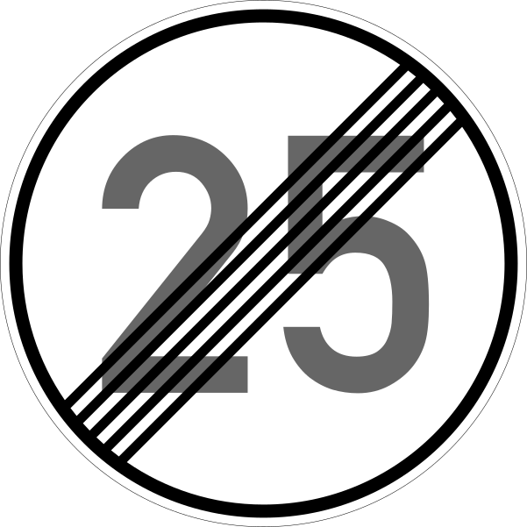
 |  | KiBot Bill of Materials
 |  | Schematic: | huibike | Component Groups: | 1
 |  | Variant: | default | Component Count: | 17
 |  | Revision: | 0.1 | Fitted Components: | 17
 |  | Date: | 2023-04-29 | Number of PCBs: | 1
 |  | KiCad Version: | 6.0.11+dfsg-1~bpo11+1 | Total Components: | 17

Row | Reference | Value | P/N | Manufacture | JLPCB Part# | Footprint | Description | Quantity Per PCB
1 |  | 1 µF |  |  | C28323 C1525 C8056 C475630 C25756 C128438 C58069 | C_0805_2012Metric | Unpolarized capacitor | 17

