BoM
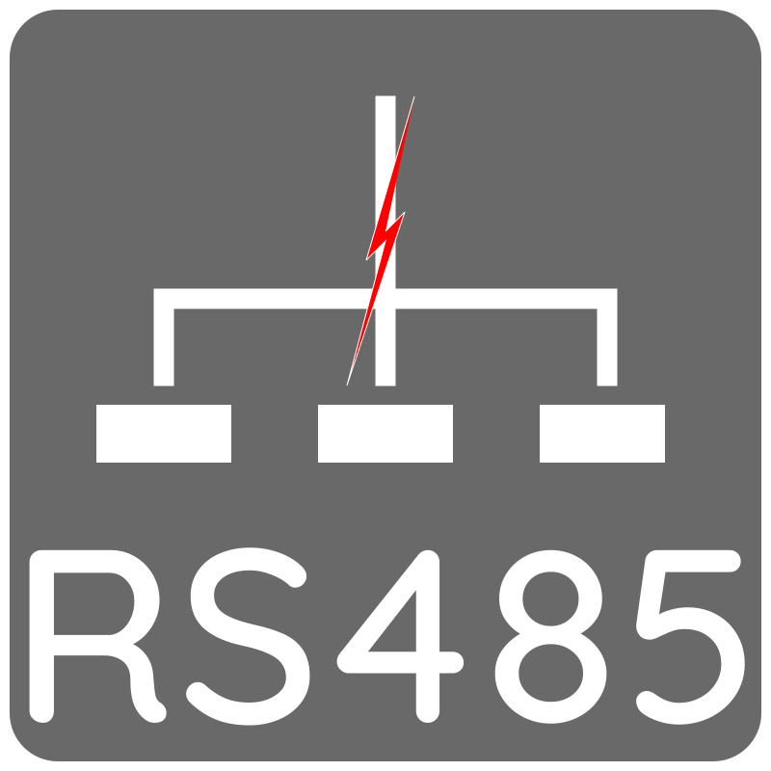
 |  | KiBot Bill of Materials
 |  | Schematic: | pors485 | Component Groups: | 5
 |  | Variant: | default | Component Count: | 20
 |  | Revision: | 0.1 | Fitted Components: | 20
 |  | Date: | 2025-11-29 | Number of PCBs: | 1
 |  | KiCad Version: | 9.0.6+1 | Total Components: | 20

Row | References | Part | Value | P/N | Manufacture | Source | Supplier P/N | Link | Footprint | Description | Quantity Per PCB
1 | C101 C102 C103 C104 C105 | C | 10 µF |  |  | JLCPCB |  | https://jlcpcb.com/partdetail/439567-GRM21BR61H106KE43L/C440198 https://jlcpcb.com/partdetail/30577-1206B475K500NT/C29823 | C_0805_2012Metric | Unpolarized capacitor | 5
2 | J101 J102 J103 J104 | Conn_01x02 | PWR |  |  |  |  |  | TerminalBlock_WAGO_236-402_1x02_P5.00mm_45Degree | Generic connector, single row, 01x02, script generated (kicad-library-utils/schlib/autogen/connector/) | 4
3 | L101 L102 L103 L104 L105 L106 L107 L108 L109 | L | 4.7 mH |  |  | JLCPCB |  | https://jlcpcb.com/partdetail/YJYCOIN-YPRH1508472M/C970556 https://jlcpcb.com/partdetail/188638-FXL0530_4R7M/C177246 | L_15x15mm_H8mm | Inductor | 9
4 | R101 | R | 120 Ω |  |  | JLCPCB |  | https://jlcpcb.com/partdetail/18597-1206W4F1200T5E/C17909 | R_1206_3216Metric | Resistor | 1
5 | U101 | TSR3-2450N | TSR3-2450N |  |  |  |  |  | Converter_DCDC_TRACO_TSR2-24xxN_TSR2-24xxxN_THT | 3A step-down regulator, fixed 5V output voltage, 6.5-36V input voltage, TO-220 compatible LM78xx replacement | 1

