BoM
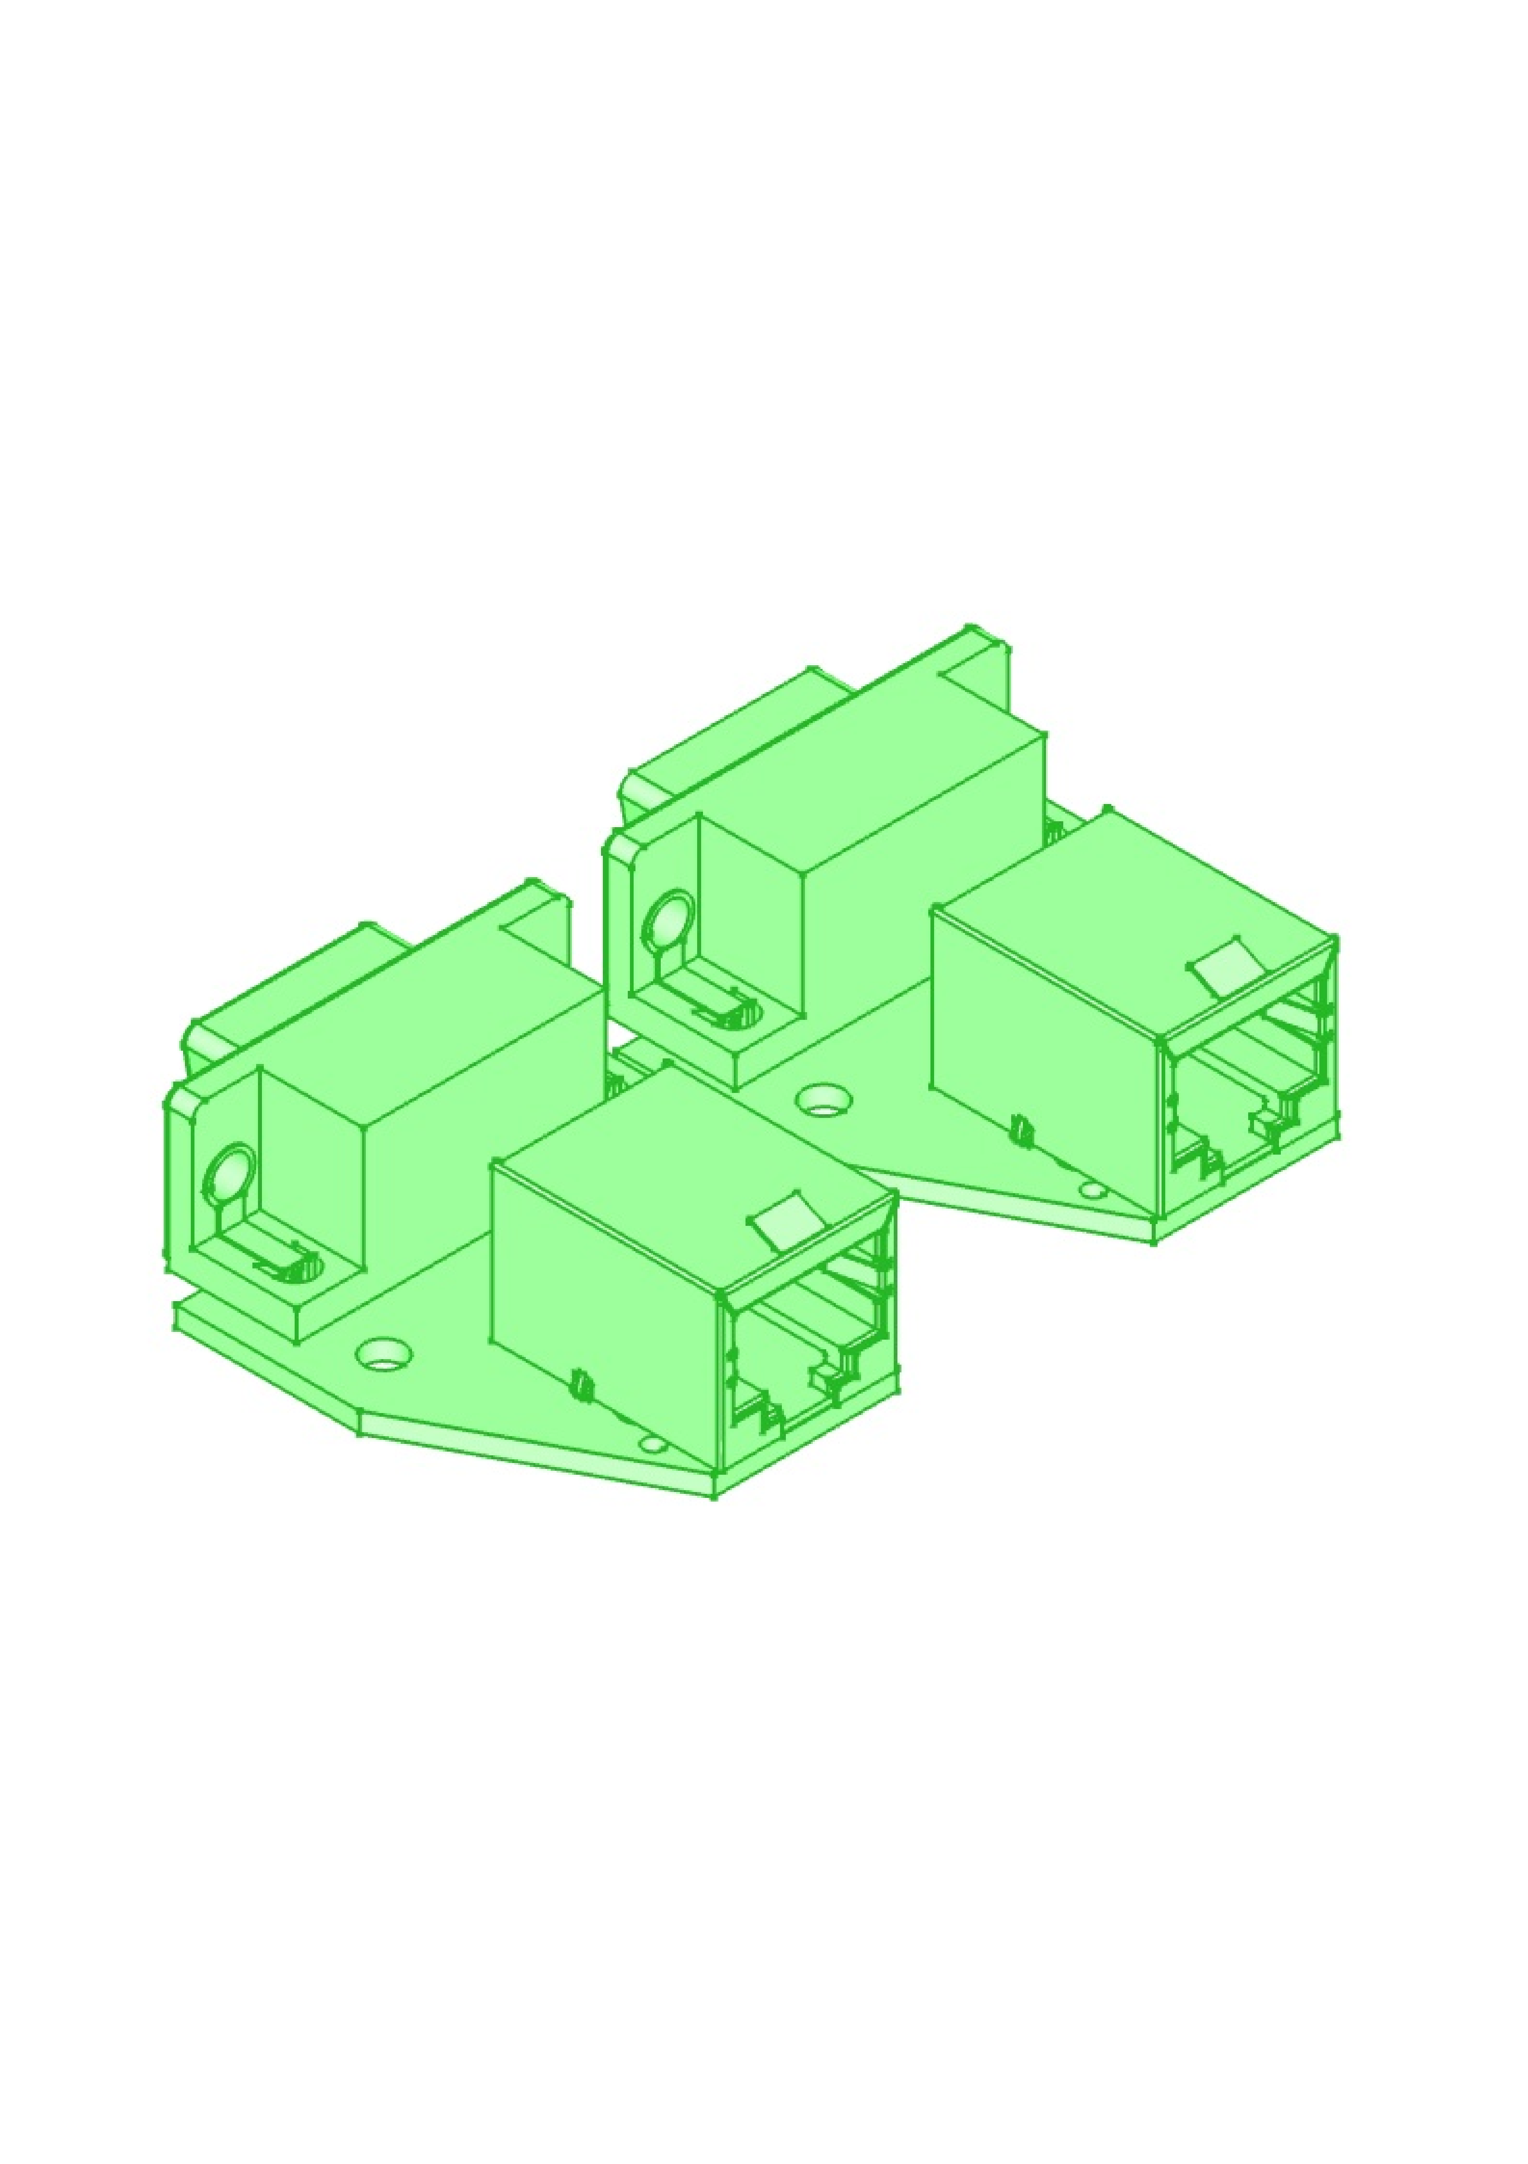
 |  | KiBot Bill of Materials
 |  | Schematic: | rack-ser-adapter | Component Groups: | 3
 |  | Variant: | default | Component Count: | 8
 |  | Revision: | v0.1 | Fitted Components: | 8
 |  | Date: | 2021-10-20 | Number of PCBs: | 1
 |  | KiCad Version: | 5.1.9+dfsg1-1~bpo10+1 | Total Components: | 8

Row | Referencias | Parte | Valor | P/N | Fabricante | Cod. Digi-Key | Footprint | Descripción | Quantity Per PCB
1 | H1 H2 H3 H4 | MountingHole_Pad | ~ |  |  |  | MountingHole_3.2mm_M3_ISO7380_Pad |  | 4
2 | J2 J4 | RJ45_Shielded | RJ45_Shielded |  |  |  | RJ45_Ninigi_GE |  | 2
3 | J1 J3 | DB9_Female_MountingHoles | RS-232 |  |  |  | DSUB-9_Male_Horizontal_P2.77x2.84mm_EdgePinOffset4.94mm_Housed_MountingHolesOffset7.48mm |  | 2

