BoM
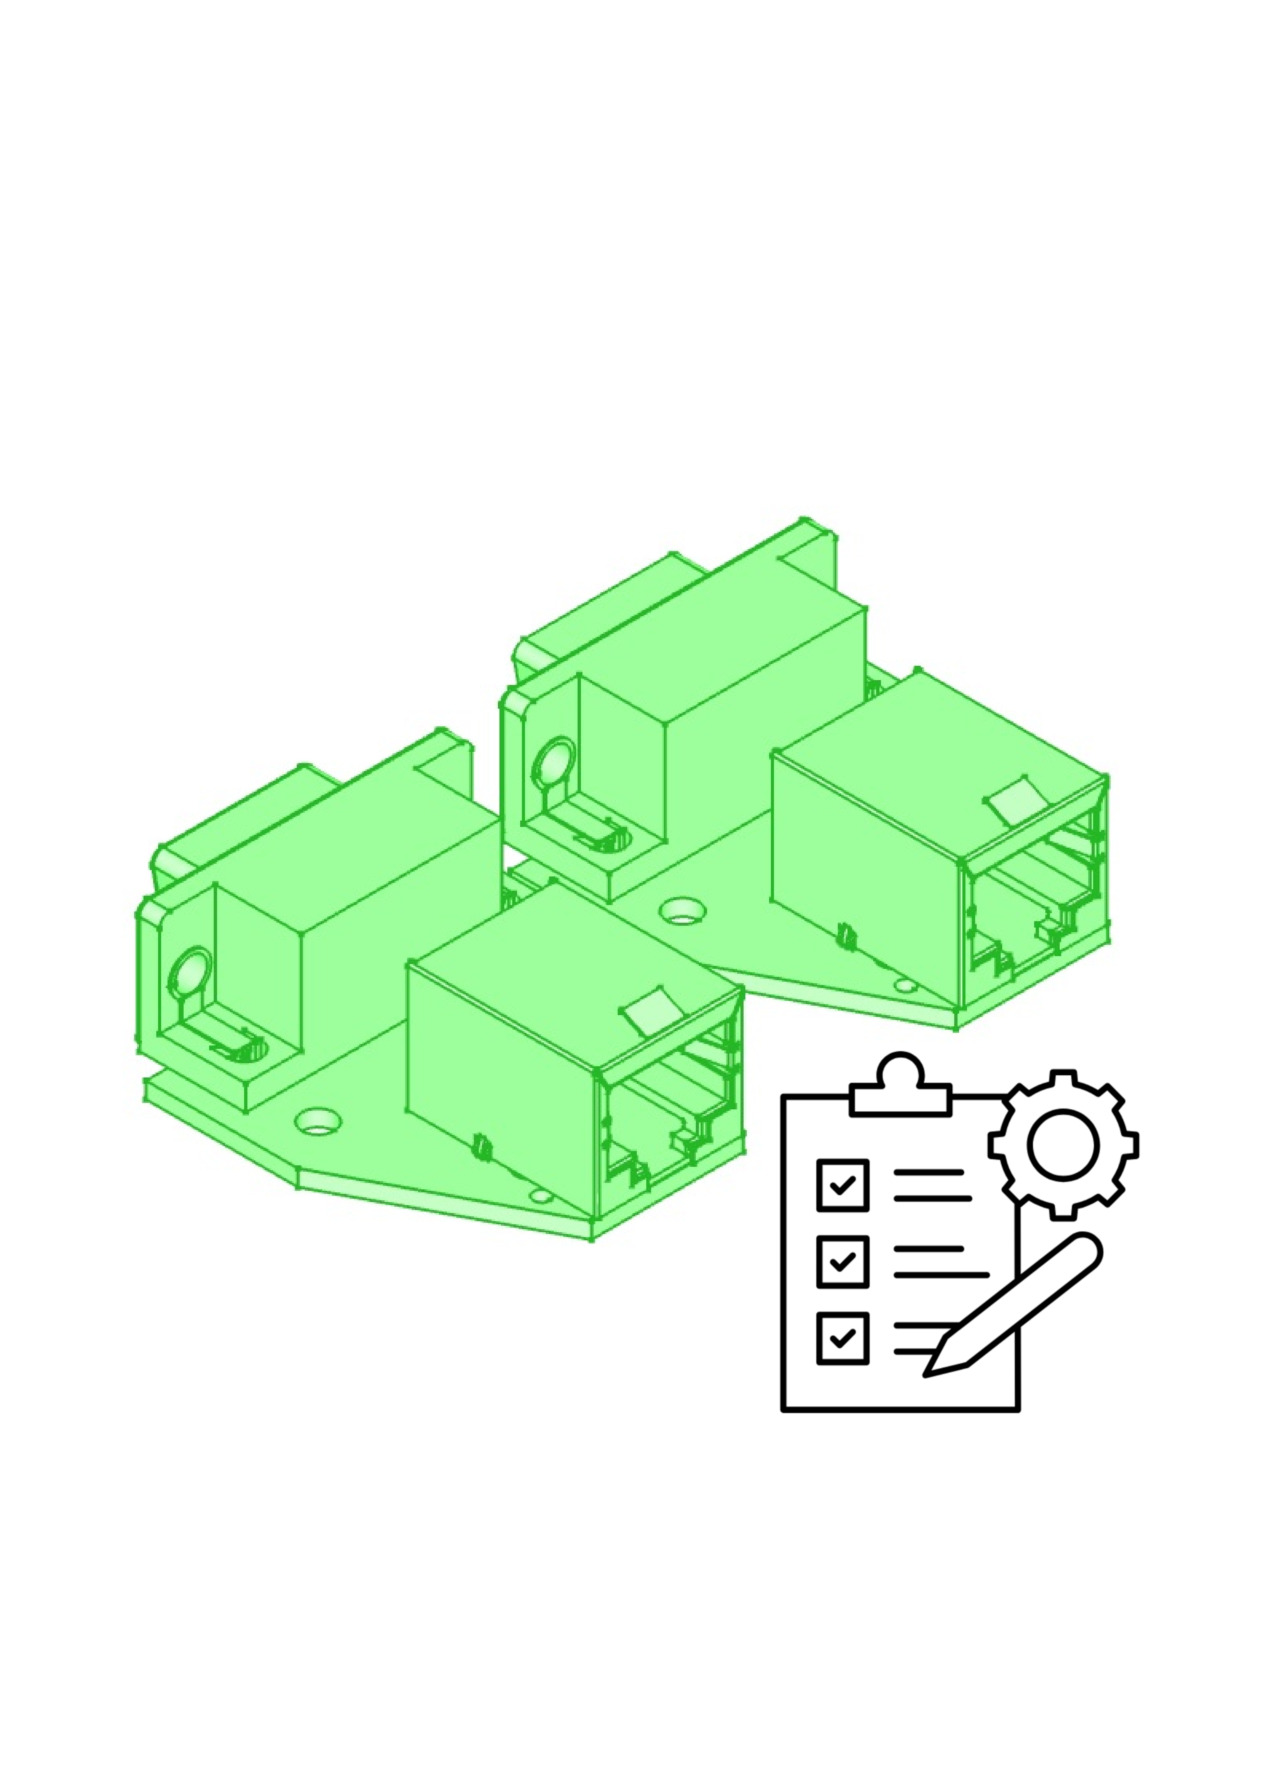
 |  | KiBot Bill of Materials
 |  | Schematic: | tester | Component Groups: | 22
 |  | Variant: | default | Component Count: | 130
 |  | Revision: | v0.1 | Fitted Components: | 130
 |  | Date: | 2026-09-15 | Number of PCBs: | 1
 |  | KiCad Version: | 10.0.5-unknown-202607221313~667fa36054~ubuntu25.10.1 | Total Components: | 130

Row | References | Part | Value | P/N | Manufacture | Supplier P/N | Footprint | Description | Quantity Per PCB
1 | C201 C202 C203 C204 C205 C206 C207 C208 C210 C211 C213 C214 C215 C216 C217 C301 C302 C303 C304 C305 C401 C402 C403 C404 | C | 10 µF | CL21A106KAYNNNE CL05B104KB54PNC 0402CG200J500NT 0402CG120J500NT CL10A105KB8NNNC | Samsung Electro-Mechanics FH (Guangdong Fenghua Advanced Tech) |  | C_0805_2012Metric | Unpolarized capacitor | 24
2 | C212 | C_Polarized | 1 F |  |  |  | CP_Radial_D8.0mm_P3.50mm | Polarized capacitor | 1
3 | D201 | 1N4148W | 1N4148WS | 1N4148W | ST(Semtech) |  | D_SOD-123 | 75V 0.15A Fast Switching Diode, SOD-123 | 1
4 | D101 D102 D103 D104 D105 D106 D107 D108 D109 D110 D111 D112 D113 D114 D115 D116 D117 D118 D119 D120 D121 D122 D123 D124 D125 D126 D127 D128 D129 D130 D131 D132 D202 D401 | LED | LED | KT-0603W KT-0603R | Hubei KENTO Elec |  | LED_0603_1608Metric | Light emitting diode | 34
5 | J306 | Conn_01x14 | DISP |  |  |  | PinHeader_1x14_P2.54mm_Vertical | Generic connector, single row, 01x14, script generated (kicad-library-utils/schlib/autogen/connector/) | 1
6 | J201 | Conn_01x02 | PWR |  |  |  | TerminalBlock_WAGO_236-402_1x02_P5.00mm_45Degree | Generic connector, single row, 01x02, script generated (kicad-library-utils/schlib/autogen/connector/) | 1
7 | J307 | Conn_01x04 | SD-Card |  |  |  | PinHeader_1x04_P2.54mm_Vertical | Generic connector, single row, 01x04, script generated (kicad-library-utils/schlib/autogen/connector/) | 1
8 | J401 | USB_B_Micro | USB_B_Micro | 10118193-0001LF | Amphenol ICC |  | USB_Micro-B_Amphenol_10118193-0001LF_Horizontal | USB Micro Type B connector | 1
9 | J101 | DE9_Pins_MountingHoles | X1 | DS1037-09MNAKT74-0CC | CONNFLY |  | DSUB-9_Pins_Vertical_P2.77x2.84mm_MountingHoles | 9-pin D-SUB connector, pins (male), Mounting Hole | 1
10 | J103 | RJ45_LED_Shielded | X2 | RJHSE5380 | AMPHENOL COMMUNICATIONS SOLUTIONS |  | RJ45_Amphenol_RJHSE538X | RJ connector, 8P8C (8 positions 8 connected), two LEDs, Shielded | 1
11 | J102 | DE9_Socket_MountingHoles | X3 | DS1037-09FNAKT74-0CC | CONNFLY |  | DSUB-9_Socket_Vertical_P2.77x2.84mm_MountingHoles | 9-pin D-SUB connector, socket (female), Mounting Hole | 1
12 | Q201 | DMG2301L | SI2301CDS-T1-GE3 | SI2301CDS-T1-GE3 | Vishay Intertech |  | SOT-23 | -3A Id, -20V Vds, P-Channel MOSFET, SOT-23 | 1
13 | R101 R102 R103 R104 R105 R106 R107 R108 R109 R110 R111 R112 R113 R114 R115 R116 R117 R118 R119 R120 R121 R122 R123 R124 R125 R126 R127 R128 R129 R130 R131 R132 R133 R134 R135 R136 R201 R202 R203 R204 R205 R206 R207 R208 R401 | R | 1 kΩ | 0402WGF1001TCE 0402WGF4701TCE 0402WGF1002TCE 0402WGF1004TCE 1206W4F220JT5E | UNI-ROYAL(Uniroyal Elec) |  | R_0402_1005Metric | Resistor | 45
14 | SW201 SW301 SW302 SW303 SW304 SW305 | SW_Push | Reset | TACT-65R-F TS-1187A-B-A-B | NINIGI XKB Connection |  | SW_PUSH_6mm | Push button switch, generic, two pins | 6
15 | U201 | AMS1117-3.3 | AMS1117-3.3 | AMS1117-3.3 | Advanced Monolithic Systems |  | SOT-223-3_TabPin2 | 1A Low Dropout regulator, positive, 3.3V fixed output, SOT-223 | 1
16 | U403 | CH340N | CH340N | CH340N | WCH(Jiangsu Qin Heng) |  | JEITA_SOIC-8_3.9x4.9mm_P1.27mm | USB serial converter, 2Mbps, UART, JEITA SOIC-8 (SOP-8) | 1
17 | U203 U204 | M24C02-RMN | M24C64-RMN | M24C64-RMN6TP | STMicroelectronicsSTMicroelectronics |  | SOIC-8_3.9x4.9mm_P1.27mm | 2Kb (256x8) I2C Serial EEPROM, 1.8-5.5V, SOIC-8 | 2
18 | U101 U102 | PCA9539xPW | PCA9539xPW | PCA9539PW | NXP Semicon |  | TSSOP-24_4.4x7.8mm_P0.65mm | 16-bit I/O expander, I2C / SMBus interface, interrupt and reset pins, TSSOP-24 | 2
19 | U202 | STM32F103C8Tx | STM32F103C8Tx | STM32F103C8T6 | STMicroelectronics |  | LQFP-48_7x7mm_P0.5mm | STMicroelectronics Arm Cortex-M3 MCU, 64KB flash, 20KB RAM, 72 MHz, 2.0-3.6V, 37 GPIO, LQFP48 | 1
20 | U401 | USBLC6-2SC6 | USBLC6-2SC6 | USBLC6-2SC6 | TECH PUBLIC |  | SOT-23-6 | Very low capacitance ESD protection diode, 2 data-line, SOT-23-6 | 1
21 | U402 | XC6206PxxxMR | XC6206P332MR | XC6206P332MR-G | Torex Semicon |  | SOT-23-3 | Positive 60-250mA Low Dropout Regulator, Fixed Output, SOT-23 | 1
22 | Y201 Y202 | Crystal | 8MHz | X50328MSB2GI Q13FC13500004 | YXC Crystal Oscillators Seiko Epson |  | Crystal_SMD_5032-2Pin_5.0x3.2mm | Two pin crystal | 2

