Geometry
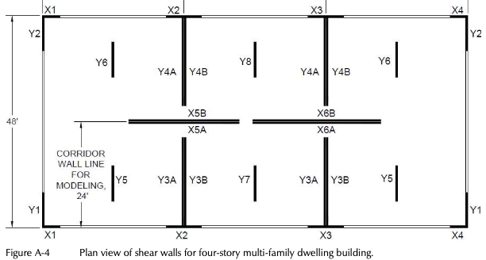
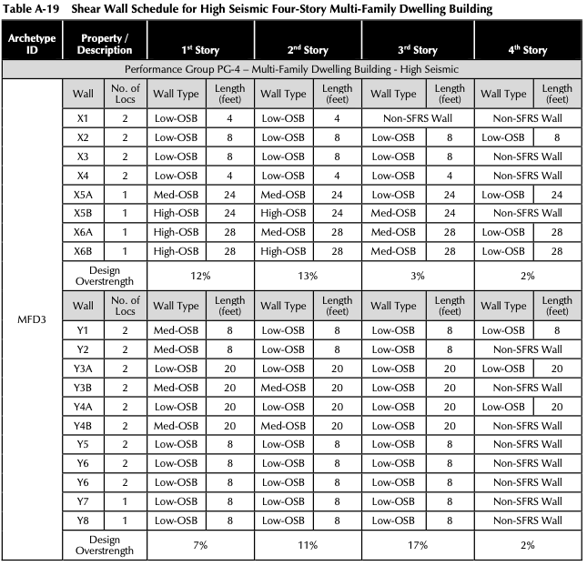
MFD | length | width
 | 96 | 48
Floor Area | 4608 | ft^2
floorMaximumXDimension | 1152 | in
floorMaximumZDimension | 576 | in
Num of Stories | 4
Num X Grids | 3
Num Y Grids | 7

Leaning Column Nodes | 1 | 2 | 3 | 4 | 5 | 6 | 7 | 8 | 9
X | 576 | 0 | 576 | 1152 | 0 | 0 | 576 | 1152 | 1152
Z | 288 | 0 | 0 | 0 | 288 | 576 | 576 | 576 | 288
 | center point

