Power
Vsupply | 180 | V
Vtube | 138 | V
Vres | 42 | V
Rseries | 22000 | Ω
Iseries | 1.9090909091 | mA
Ptube | 263.45454545 | mW

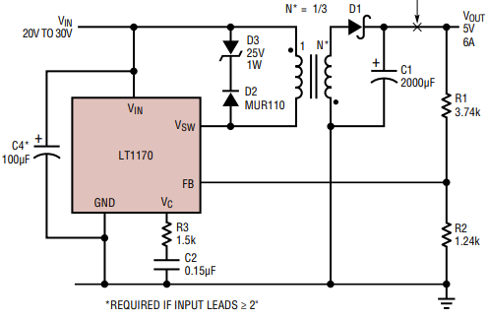

Vinput | 5 | V
Vout | 180 | V
Itube | 2 | mA
Ptube | 360 | mW
Ptotal | 2160 | mW | Target 4W output power.

Efficiency | 50%
Pin | 8000 | mW
Iin | 1600 | mA

Turns,pri | 1
Turns,sec | 12
L,pri | 100 | uH
L, sec | 0.69 | uH

Vpri | 5 | V
duty | 75%
Vout | 180

f,typ | 100 | kHz

Fuse Sizing
Power | 4 | W
Voltage | 5 | V
Current | 0.8 | A

555 Timer
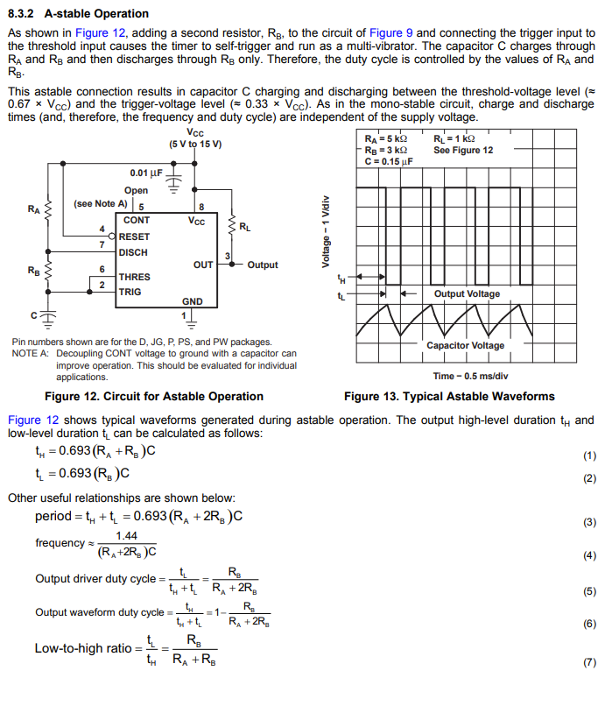
https://www.youtube.com/watch?v=i0SNb__dkYI&t=280s
8.3.2 A-stable Operation
coeff | 0.92
RA | 1000 | Ω
RB | 50000 | Ω
C | 4.70E-08 | F
tH | 2.21E-03 | sec
tL | 0.0021620 | sec
freq | 228.98 | Hz

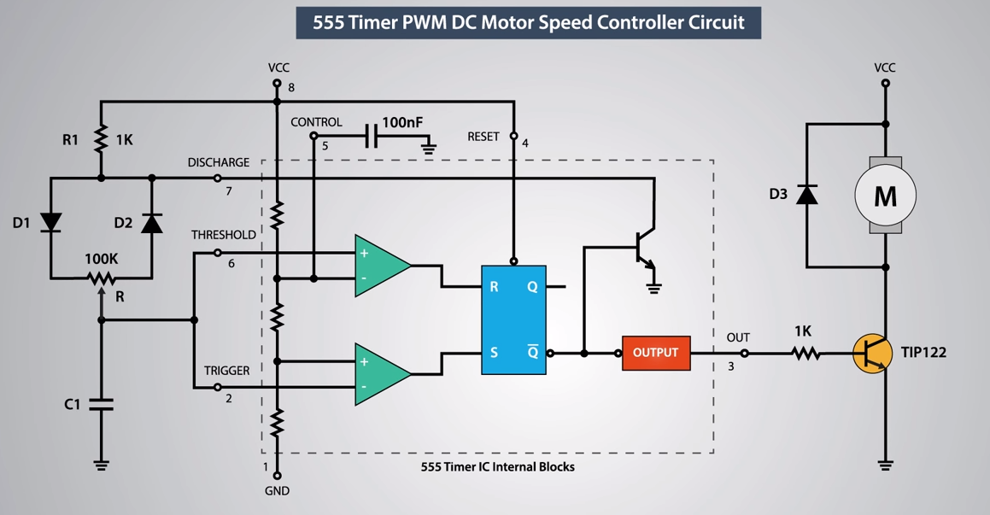
w/ Potentiometer & Diodes (maintain constant duty cycle)
coeff | 0.92
R1 | 1000 | Ω
R | 1000000 | Ω
Rgnd | 500000 | Ω
C1 | 4.70E-09 | F
tH | 0.0021663 | sec
tL | 0.0021620 | sec
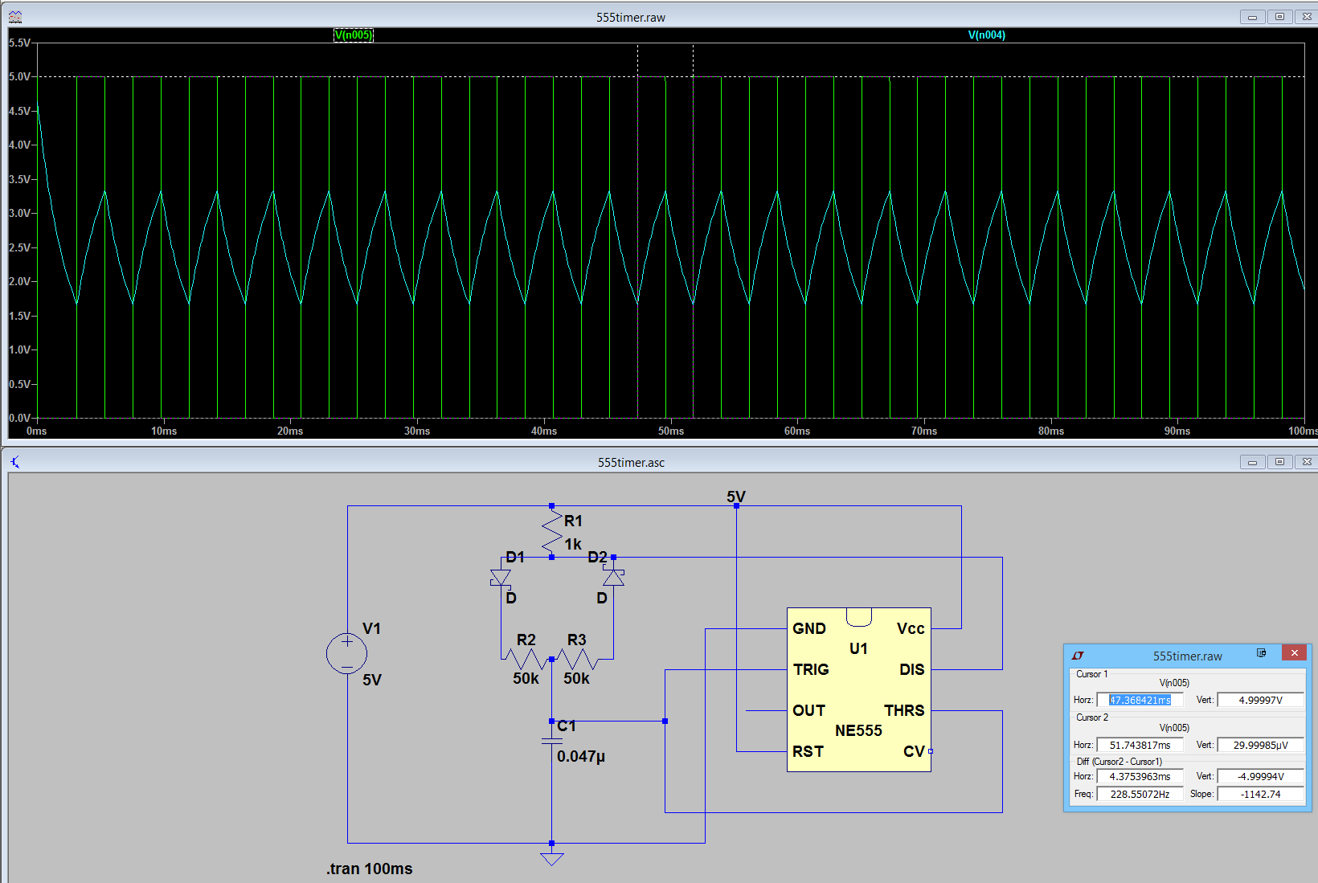
freq | 231.04 | Hz
duty | 0.5005

min duty cycle
Vsupply | 200 | V
Vmin | 120 | V
duty,min | 0.6
Rpot | 1000000 | Ω
R1 | 1200000 | Ω

PWM
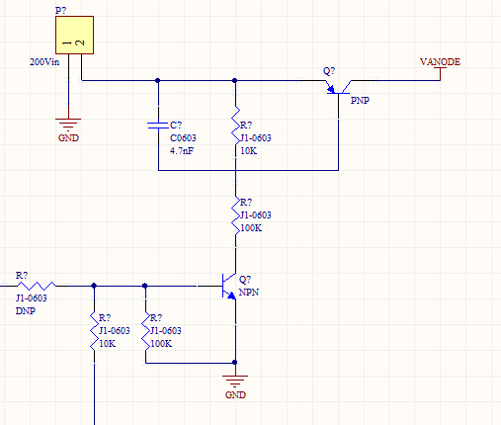
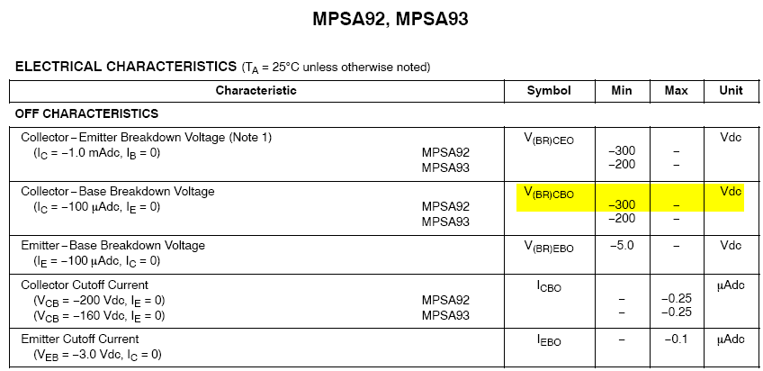
NPN Level Shifter

PNP
Vsupply | 200 | V
R,upper | 4700 | Ω
R,lower | 440000 | Ω
VBE | -2.1 | V

I,res | 0.450 | mA
P,upper | 0.00095065643079 | W
P,lower | 0.088997623308 | W

Ic,gain | 100 | A/A
Ic | 5 | mA
Ib | 0.05 | mA

