Power
Vsupply | 180 | V
Vtube | 138 | V
Vres | 42 | V
Rseries | 22000 | Ω
Iseries | 1.9090909091 | mA
Ptube | 263.45454545 | mW

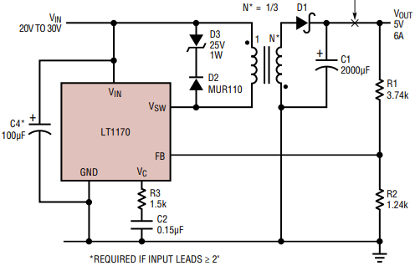

Vinput | 5 | V
Vout | 180 | V
Itube | 2 | mA
Ptube | 360 | mW
Ptotal | 2160 | mW | Target 4W output power.

Efficiency | 50%
Pin | 8000 | mW
Iin | 1600 | mA

Turns,pri | 1
Turns,sec | 12
L,pri | 100 | uH
L, sec | 0.69 | uH

Vpri | 5 | V
duty | 75%
Vout | 180

f,typ | 100 | kHz

