jj
Jingning Zhang U64723279

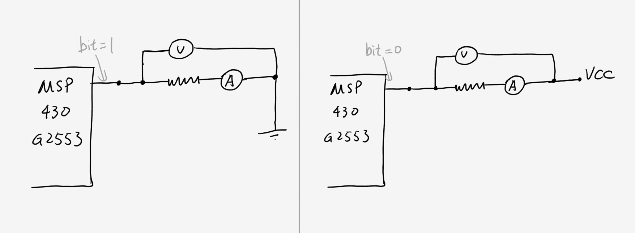

R (ohm) | I (pin=1) mA | V(pin=1) | I (pin=0) | V(pin=0)
10 | 71.1 | 0.7 | -52.2 | -0.52
94.7 | 30.1 | 2.9 | -29.1 | -2.8
888 | 3.85 | 3.5 | -3.9 | -3.48
8.91E+03 | 0.389 | 3.5 | -0.39 | -3.56

pin to pin(v) |  | 3.5 |  | -3.57

