Sheet1
# | MISC. SAMPLING GEAR
1500 | 18oz sampling bags ( 8x 300 cm kasten cores @ 2cm increments = 1200 bags)
15 | sampling bins
 | sharpies/markers
 | pencils/pens
 | rolls tape (>5 electrical, duct, marking) |  |  | <<Make this >20 rolls of electrical. | Will you want to do any ctd casts with water samples for ssc?
 | Cleaning gear: Rags, towels, simple green, work gloves, |  |  | <<scrub brushes, bucks to put water in | Red camera with download and charging cable
 | Printed vinyl labels for labeling cores |  |  |  | Whiteboard for writing core info in picture
4 | waterproof field books |  |  |  | GoPro for recording back deck?
20 | Printed core maps with naming scheme and Lat-Lon positions |  |  |  | Ruler for photos
 | 3-ring binder with "core logbook" pages ?? |  |  |  | Deck knife (serrated)
 | nitrile gloves?

# | MISC. HARDWEAR
2 | tape measures
10 | flathead screw drivers |  | <Might as well just bring our black tool kit with misc tools
10 | phillips screw drivers |  | Grease, q-tips, dc4
10 | metal spatulas (some >12") |  | do we have a tap and die for fixing stripped threads?
 | vise grips
 | drill with bits and hose-clamp driver
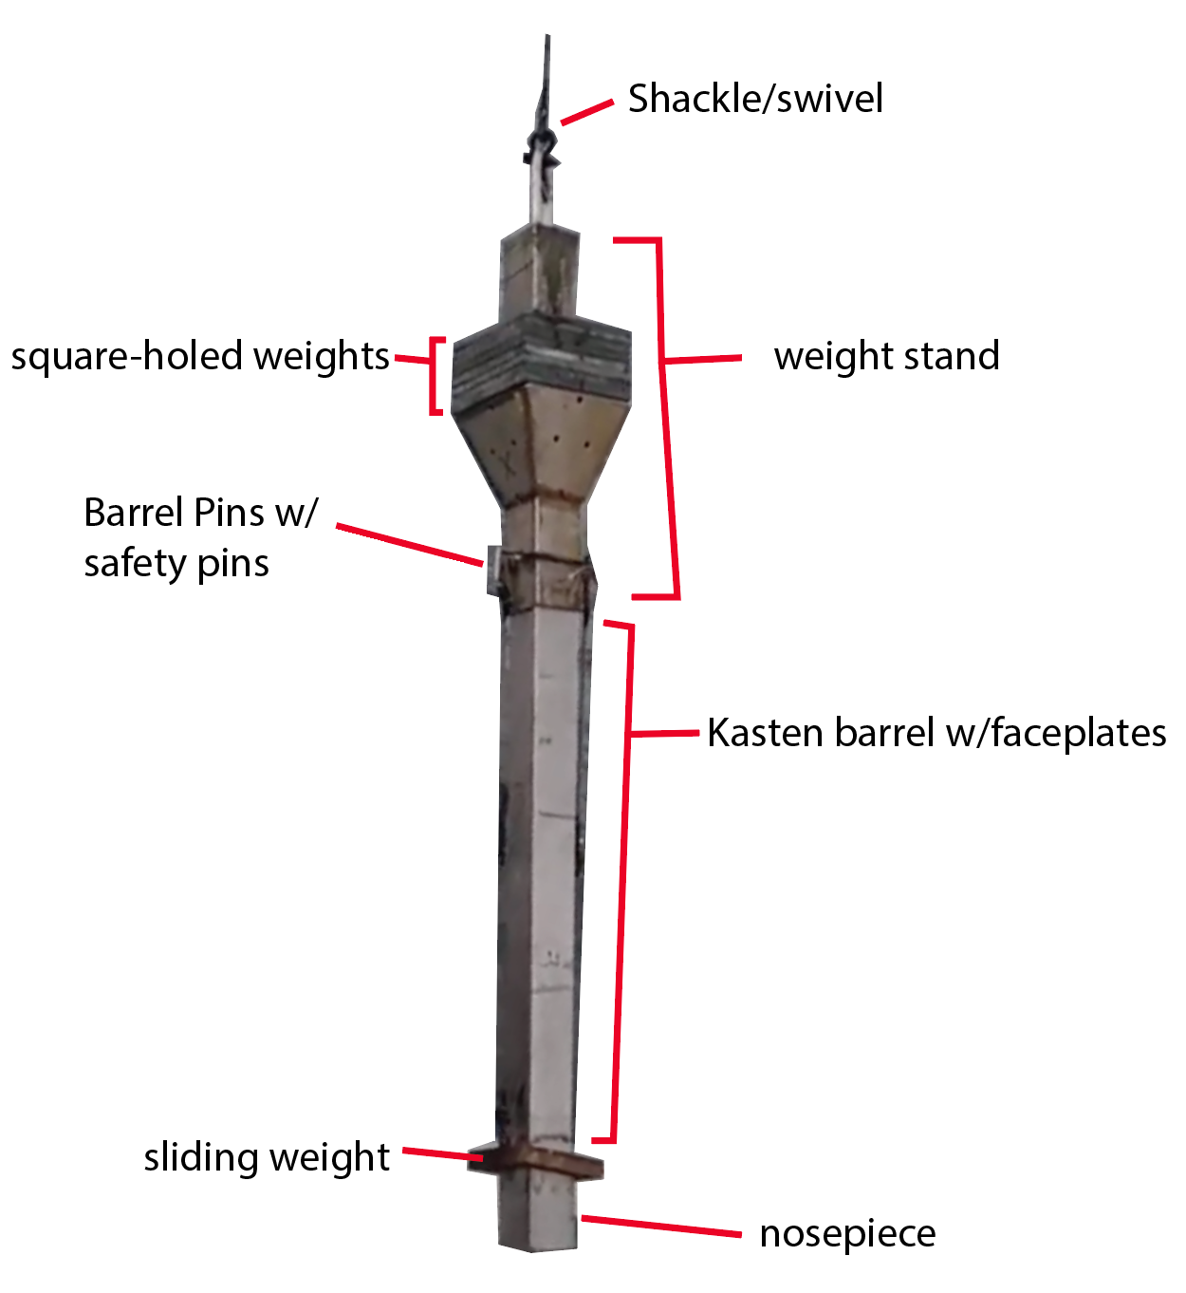
 | shackles (2 to 3 T WLL)
2 | swivels
 | tie-down lines and ratchet straps

# | ELECTRONICS
2 | panasonic laptops w/chargers
2 | Handheld GPS and spare batteries
 | Personal Laptop

# | KASTEN CORE GEAR
5 | core barrels
5 | core nose pieces
1 | core weight stands (Z)
2 | sliding weights (for barrel)
21 | Square-holed weights
4 | Barrel Pins (weight stand to core barrel)
6 | Safety pins (for the attachment pins)
many | Core barrel face plates
many | extra screws for nose pieces, face plates, in both thread sizes)

# | KASTEN SAMPLING GEAR
50+ | Metal sampling plates
80 | 30cm X-ray trays w/ compatible sliders
30 | Foam blocks to prevent post-coring seabed deformation
6 | 12" 2x4 lengths to lay barrel on
1 | Plywood board for sampling on
5 | 6' rope sections
4 | Giant sediment spatulas (>12" long)

# | BOX CORE GEAR
1 | box corer
5 | metal boxes
7 | metal base plates
5 | pairs of clips | <<just take as many as you can find. They break so easily
3 | pairs of handles
2 | giant safety pins
1 | trigger block
3 | trigger pins with long ropes
1 | EXTRA main box corer cable
 | Misc shackles & swivel
 | new bungee cords
 | new surgical tubing
 | hammer/mallet for pounding base plate
 | Large screw drivers
 | scrap wood
 | siphon tube

# | BOX SAMPLING GEAR
12 | 6" diam. 60 cm PVC barrels
12 | 6" outer caps w/hose clamps
12 | 6" internal caps
12 | 4" diam. 60 cm PVC barrels
12 | 4" outer caps w/hose clamps
12 | 4" internal caps
20 | 60cm x-ray trays
25 | black foam plugs
25 | black rubber end caps
1 | 6" core extruder | <<we have 2 extruders and each comes with a replaceable head for 4" or 6"
1 | 4" core extruder
 |  | <<Big bin to stand the xray trays and cores in

