Sheet1
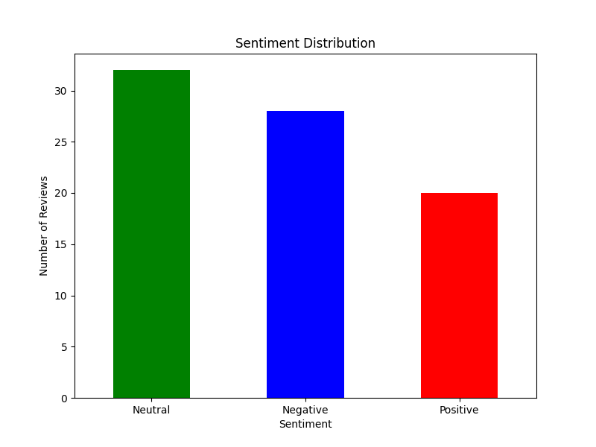
id | review | category | importance | sentiment
1 | The immersive experience of the Apple Vision Pro is unlike anything I've tried before. However, the battery life doesn't last as long as I'd hoped, requiring frequent charging throughout the day. | Product Quality | Medium | Neutral
2 | I love the sleek design of the Vision Pro, and it fits comfortably even during extended use. The materials feel premium, and it definitely turns heads. | None | None | Positive
3 | The price tag of the Vision Pro is quite steep, making it hard to justify the investment for the average user. I wish there were a more affordable option with similar features. | Pricing | High | Neutral
4 | Navigating through the interface feels intuitive, and the integration with other Apple devices is seamless. It's great how easily it syncs with my iPhone and MacBook. | None | None | Positive
5 | I experienced some lag while running high-demand applications, which was disappointing for such a premium product. It interrupted my workflow and was quite frustrating. | Product Quality | High | Negative
6 | Customer service was incredibly helpful when I had trouble setting up the Vision Pro for the first time. They walked me through each step patiently until everything was working smoothly. | Customer Service | Low | Positive
7 | The Vision Pro's augmented reality features are impressive, bringing digital elements into the real world convincingly. However, the selection of compatible apps is still limited, which reduces its utility. | Product Features | Medium | Neutral
8 | Wearing the headset for more than two hours becomes uncomfortable, as it puts pressure on my nose. I hope future versions will address the weight distribution better. | Product Quality | High | Negative
9 | I appreciate the high-quality build and materials used in the Vision Pro; it feels durable and premium. The attention to detail in its design is truly remarkable. | None | None | Positive
10 | The setup process was a bit complicated and not as straightforward as other Apple products I've used. It took me a while to figure out the calibration settings. | Product Usability | Medium | Neutral
11 | The battery life is exceptional, allowing me to use the Vision Pro throughout the day without needing a recharge. This is perfect for long work sessions or extended entertainment. | None | None | Positive
12 | I wish the Vision Pro was lighter; after a while, it starts to feel cumbersome. It's not ideal for long-term wear, especially during travel. | Product Quality | Medium | Negative
13 | The display resolution is stunning, making every detail crisp and clear. Watching movies and viewing photos is an entirely new experience with this level of clarity. | None | None | Positive
14 | I'm impressed with how smoothly the Vision Pro runs even the most demanding applications. Multitasking is a breeze, and I haven't encountered any performance issues. | None | None | Positive
15 | I encountered some software glitches that required restarting the device, which interrupted my work. For the price, I expected a more stable software experience. | Product Quality | High | Negative
16 | The Vision Pro seamlessly syncs with my Mac and iPhone, enhancing my productivity. The continuity between devices makes it easy to pick up where I left off. | None | None | Positive
17 | Considering its features, the Vision Pro offers good value for the money. It's an investment, but the functionality it provides justifies the cost for me. | None | None | Positive
18 | I was underwhelmed by the limited customization options available in the settings. I'd like more control over the user interface and features. | Product Features | Medium | Negative
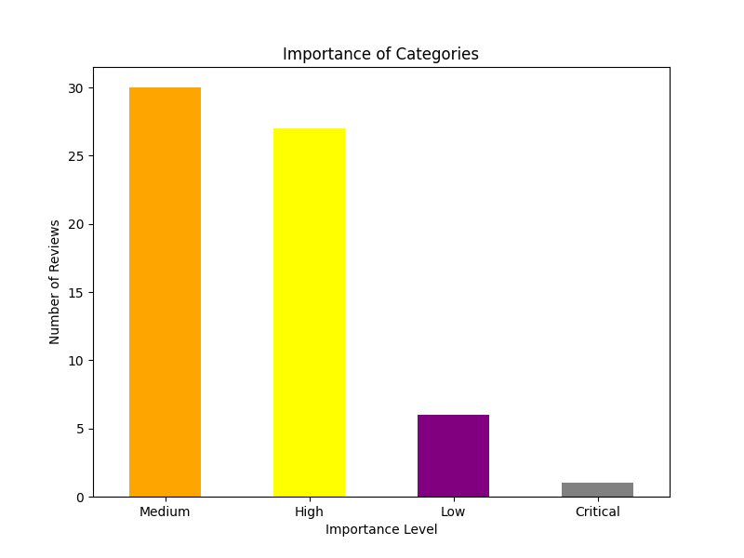
19 | The audio quality is immersive, making media consumption a joy on the Vision Pro. The spatial audio adds depth to movies and music that I've never experienced before. | None | None | Positive
20 | It's frustrating that some essential apps are not yet optimized for the Vision Pro. This limits its usefulness for my daily tasks. | Product Quality | High | Negative
21 | The Vision Pro's display is incredibly sharp, and the color accuracy is top-notch, making it perfect for creative work. However, I noticed some minor overheating during extended sessions. | Product Quality | Medium | Positive
22 | I love how easy it is to switch between AR and VR modes. It feels natural and enhances productivity, but the learning curve for certain gestures was steeper than I expected. | User Experience | Low | Positive
23 | The headset is a game-changer for virtual meetings, making interactions feel much more personal. However, the price point makes it hard to recommend to everyone on my team. | Pricing | Medium | Neutral
24 | The build quality is excellent, but I wish the device had more padding around the face for added comfort. After a few hours, it starts to feel a bit tight. | Product Quality | Medium | Neutral
25 | The Vision Pro integrates perfectly with Apple services like iCloud and FaceTime. It's nice to see everything work together so seamlessly, as expected from Apple. | None | None | Positive
26 | While the design is futuristic and sleek, the lack of adjustable straps for head sizes was a bit inconvenient. It took me a while to get a snug fit. | Product Design | Medium | Neutral
27 | The Vision Pro's audio system is phenomenal, providing an immersive experience without the need for headphones. It’s one of the standout features for me. | None | None | Positive
28 | I'm amazed by the potential for productivity apps on this device, but the current app library feels underwhelming. I hope developers start rolling out more options soon. | Product Features | Medium | Neutral
29 | The Vision Pro's eye-tracking technology is incredibly accurate and makes navigation feel effortless. It's a glimpse into the future of user interfaces. | None | None | Positive
30 | Battery life is a letdown for such a high-end device. I find myself tethered to a power bank more often than I’d like. | Product Quality | High | Negative
31 | The initial setup was smooth, and the instructions were clear. It's one of the most user-friendly setups I've experienced with AR/VR products. | None | None | Positive
32 | The Vision Pro shines when it comes to collaborative work, allowing multiple users to interact with virtual objects in real-time. This is a big win for teamwork. | None | None | Positive
33 | For its price, I expected more storage capacity. The Vision Pro's internal storage fills up quickly, especially with high-res apps and media. | Product Quality | High | Negative
34 | The headset's weight distribution is better than most competitors, but it still gets tiring during extended use. Comfort could definitely be improved in future iterations. | Product Quality | Medium | Neutral
35 | The ability to use Vision Pro as an external monitor for my MacBook is a game-changer. It’s like having an ultra-wide display without the desk space. | None | None | Positive
36 | While the design is stunning, I wish it came in more color options. A bit of personalization would go a long way for a device like this. | Product Features | Low | Neutral
37 | The Vision Pro is an amazing concept, but the price is out of reach for many consumers. If Apple made a more affordable version, it would be a hit. | Pricing | High | Neutral
38 | Performance is flawless, even when running graphically intense apps. I haven’t experienced any lag or stutters, which is impressive. | None | None | Positive
39 | Customer support was quick to respond when I had issues pairing my Vision Pro with my iPhone. Their guidance was excellent, as always with Apple. | Customer Service | Low | Positive
40 | The Vision Pro is packed with features, but it feels like a product geared more toward early adopters and tech enthusiasts than the average consumer. | Product Design | Medium | Neutral
41 | The Vision Pro feels like an overpriced gadget rather than a necessary tool. For the cost, I expected a lot more functionality and fewer gimmicks. | Product Quality | High | Negative
42 | The weight of the device is a serious issue—it feels like a brick on my face after just 30 minutes. Comfort clearly wasn’t a priority in the design. | Product Quality | High | Negative
43 | The app selection is abysmal. For something so expensive, it’s shocking how little you can actually do with it right now. | Product Quality | High | Negative
44 | Battery life is pathetic. It barely lasts through a movie, which makes it feel like more of a toy than a practical device. | Product Quality | High | Negative
45 | I ran into compatibility issues with several apps that I use daily. For a device that’s supposed to ‘just work,’ this was incredibly frustrating. | Product Quality | High | Negative
46 | The Vision Pro’s price tag is laughable for what you get. There are more affordable alternatives that offer similar or even better features. | Product Quality, Pricing | High | Negative
47 | Customer service was surprisingly unhelpful when I had an issue with the sensors not calibrating. It took weeks to resolve a problem that shouldn’t have occurred in the first place. | Customer Service, Product Quality | High | Negative
48 | The setup process was confusing and riddled with bugs. It’s not the seamless Apple experience I’ve come to expect. | Product Quality | High | Negative
49 | The Vision Pro overheats way too quickly, making it impossible to use for extended periods. For this price, thermal management should have been flawless. | Product Quality | High | Negative
50 | The eye-tracking is hit or miss, often misinterpreting where I’m looking. It ruins the whole experience when basic features don’t work properly. | Product Quality | High | Negative
51 | Comfort is a huge drawback—the headset feels bulky and awkward, making it hard to imagine anyone wearing it for long periods. | Product Quality | High | Negative
52 | The visuals are decent, but for the price, I expected groundbreaking clarity. It doesn’t live up to the hype Apple marketed. | Product Quality | High | Negative
53 | The Vision Pro relies too heavily on being part of the Apple ecosystem. If you don’t already own other Apple devices, its functionality is severely limited. | Product Functionality | High | Negative
54 | The lack of physical controls is annoying. Sometimes the gestures don’t register properly, and I’m left fumbling around to perform simple tasks. | Product Quality | High | Negative
55 | For a device so expensive, the build quality doesn’t feel robust. It seems fragile, like it could break with one wrong move. | Product Quality | High | Negative
56 | The promised productivity features are underwhelming. It’s marketed as a tool for professionals, but it feels like a gimmick in practice. | Product Quality | High | Negative
57 | I’m disappointed with how heavy and cumbersome the Vision Pro feels. It’s not something I’d want to use regularly, let alone recommend to others. | Product Quality | High | Negative
58 | Software glitches are far too common. It crashes frequently, which completely ruins the user experience. | Product Quality | Critical | Negative
59 | The Vision Pro isn’t user-friendly at all. The controls feel unintuitive, and it doesn’t come close to the simplicity of other Apple products. | Product Quality | High | Negative
60 | The Vision Pro is a classic example of form over function. It looks great, but the actual experience of using it leaves much to be desired. | Product Quality | High | Negative
61 | The Vision Pro has some unique features, but it feels like a product that’s still finding its footing. It’s neither amazing nor terrible—just okay. | Product Quality | Medium | Neutral
62 | The design is sleek, as expected from Apple, but the usability isn’t groundbreaking. It’s good for casual use, but nothing revolutionary. | Product Quality | Medium | Neutral
63 | The battery life is average—it’s not the best I’ve seen, but it’s not the worst either. It gets the job done for most sessions. | Product Quality | Medium | Neutral
64 | The setup process was relatively straightforward, though there were a few moments where I had to double-check the manual. It wasn’t difficult, just a bit time-consuming. | User Experience | Low | Neutral
65 | The Vision Pro offers a decent AR experience, but the app library is still growing. It’s a solid start, but it feels like early days for the platform. | Product Features | Medium | Neutral
66 | The audio quality is clear and immersive, but it doesn’t stand out compared to other high-end devices. It’s good, but not exceptional. | Product Quality | Medium | Neutral
67 | The price is undeniably high, but the quality matches Apple’s usual standard. Whether it’s worth it depends entirely on your needs. | Pricing | Medium | Neutral
68 | I’ve noticed a few minor bugs here and there, but nothing that completely ruins the experience. It’s not perfect, but it’s functional. | Product Quality | Medium | Neutral
69 | The Vision Pro is a cool device for entertainment, but I’m not sure it’s a must-have. It feels more like a luxury item than a necessity. | Product Quality | Low | Neutral
70 | The weight is noticeable but manageable. It’s not the most comfortable headset I’ve worn, but it’s not unbearable either. | Product Quality | Medium | Neutral
71 | The integration with the Apple ecosystem is convenient if you already own other Apple products. Otherwise, it doesn’t add much. | Product Features | Medium | Neutral
72 | The visuals are clear, but they don’t feel as revolutionary as the marketing suggests. It’s a step up from most devices but not a giant leap. | Product Quality | Medium | Neutral
73 | Comfort is decent, though I wouldn’t recommend wearing it for extended periods. It’s fine for shorter sessions. | Product Quality | Medium | Neutral
74 | The Vision Pro is a solid piece of hardware, but the software needs more polish. It’s usable, but there’s room for improvement. | Product Quality | Medium | Neutral
75 | The eye-tracking is a nice feature, though I’ve had moments where it didn’t work as expected. It’s a mixed bag. | Product Quality | Medium | Neutral
76 | The Vision Pro performs well overall, but it doesn’t excel in any particular area. It’s a jack-of-all-trades kind of device. | Product Quality | Medium | Neutral
77 | Customer support was helpful when I had questions, though the wait time was a bit longer than I’d like. They eventually resolved my issue. | Customer Service | Medium | Neutral
78 | The AR and VR features are interesting, but I’m not sure how much I’ll use them day-to-day. It feels more like a novelty than a necessity. | Product Features | Medium | Neutral
79 | The build quality is good, but it doesn’t feel significantly different from other premium devices. It’s solid, but not standout. | Product Quality | Medium | Neutral
80 | The Vision Pro works as advertised, but it doesn’t blow me away. It’s a fine addition to the Apple lineup, but it’s not a game-changer. | Product Quality | Medium | Neutral

