City of Mountain View
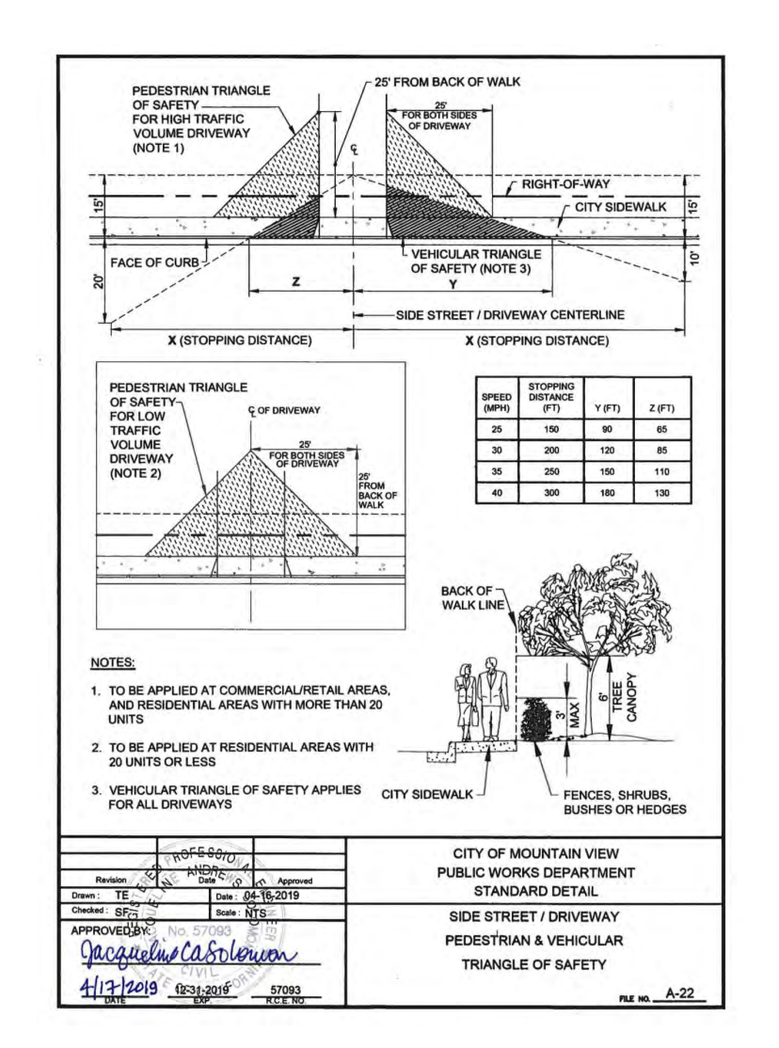
https://www.mountainview.gov/civicax/filebank/blobdload.aspx?BlobID=30070
A-22 (2019)
25' x 25'
from edge of driveway for high volume (commercial/retail + residential with >20 units)
from center of driveway for low volume

TODO: forthcoming 2022 Standard Details

City of Palo Alto
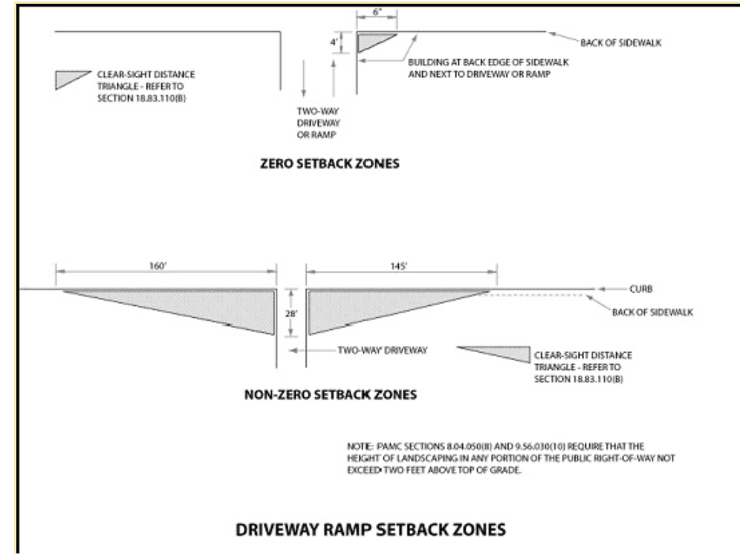
Note: I discussed these policies over email with someone from the City of Palo Alto.
18.54.050b
Municipal Code 18.54.070, figure 6 (driveway ramp setback zones):

(1) For residential uses of three or more units, and for all nonresidential uses, including public facilities, clear sight distance triangles for exiting driveways shall be provided as shown in Figure 6 of this Section 18.54.070. In the non-zero setback zone only, if a stop sign is provided at the driveway exit, the director may decrease the required dimensions of the sight distance triangles. For cases not covered by Figure 6, sight distance triangles shall be provided as required by the director. Neither the sight distance triangles nor any portion of the public right of way shall contain any wall, sign, berm, or other obstruction that is greater than three feet high above driveway grade, unless its width (measured in any direction or diameter) is eighteen inches or less. Nor shall the sight distance triangles or any portion of the public right of way contain any landscaping, except trees, that is greater than two feet in height above top of curb grade (refer also to Sections 8.04.050(h) and 9.56.030(a)(10)). The height of landscaping shall be its maximum untrimmed natural growth height.

City of San Jose
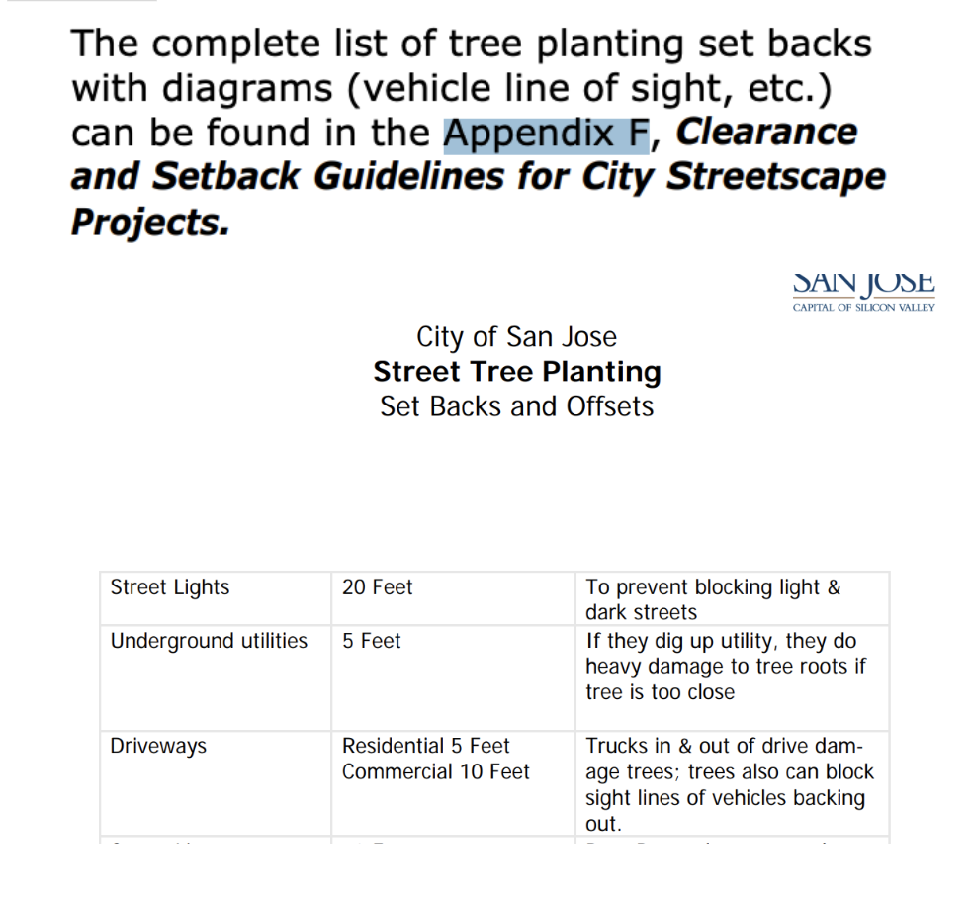
See Street Tree Planting Set Backs and Offsets (appendix f; page 139 of this document)
5' residential; 10' commercial

City of Santa Clara
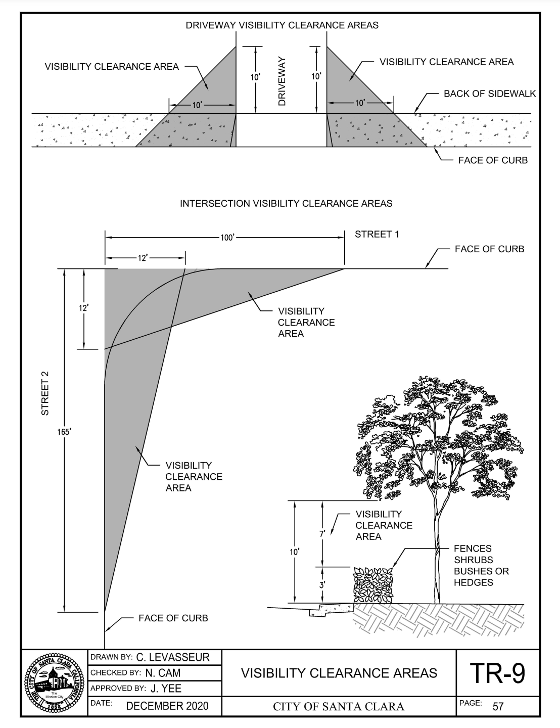
https://www.santaclaraca.gov/home/showpublisheddocument/71680/637475257887400000
TR-9: Visibility Clearance Areas (December 2020)
10' x 10' triangle but extended firther through the sidewalk
Clear between 3' and 10' height. Diagram appears to indicate trimmed trees are fine.

City of Sunnyvale
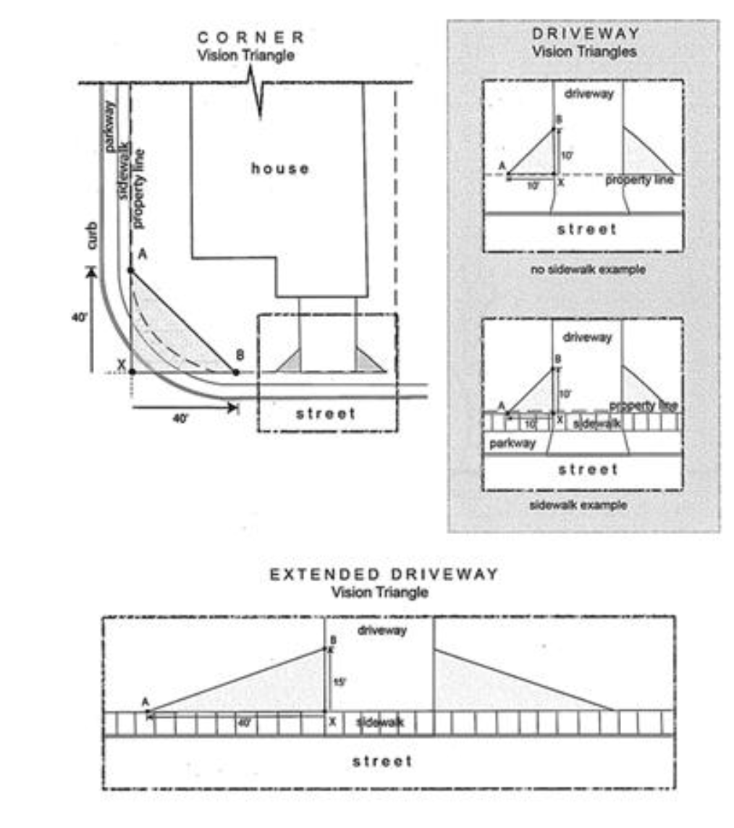
https://library.qcode.us/lib/sunnyvale_ca/pub/municipal_code/item/title_19-article_3-chapter_19_34-19_34_060
https://library.qcode.us/lib/sunnyvale_ca/pub/municipal_code/item/title_19-article_3-chapter_19_34-19_34_060
10x10
“Driveway vision triangle” means a triangular area next to a driveway, alleyway or multi-use path with specific height limitations for structures and vegetation, including fences, buildings and hedges. The triangle is formed by the following three steps
 | Use the point where the inside edge of the sidewalk and the edge of the driveway intersect (Point X);
15x40
Extended driveway vision triangle” means a triangular area measured in a similar manner as a driveway vision triangle but with the following dimensions (see Figure 19.34.060 Vision Triangles for illustration):

Structures and vegetation are limited to three and one-half feet in height within any vision triangle.
 | Trees with Circumferences Less than Thirty-Eight Inches. A tree of thirty-eight inches in circumference as measured four and one-half feet from the ground may be located within a vision triangle if the lowest tree branches and foliage are at least ten feet from the ground at maturity.

City of Campbell
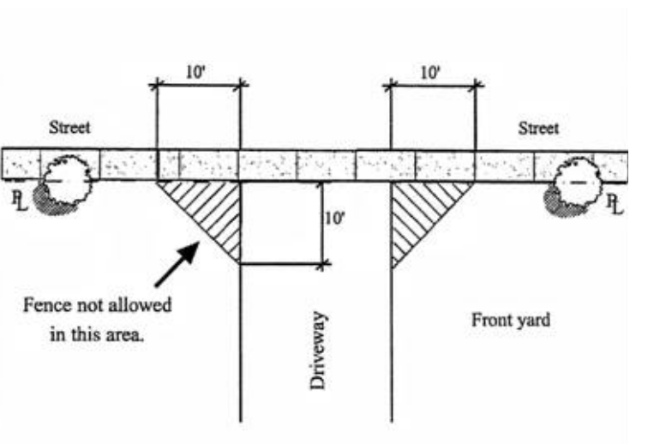
https://www.campbellca.gov/DocumentCenter/View/15284/Minor-Applications-and-Requests
Fence Exceptions
10' x 10' triangle
Might only apply to fences. Couldn't find anything on trees.

City of Cupertino
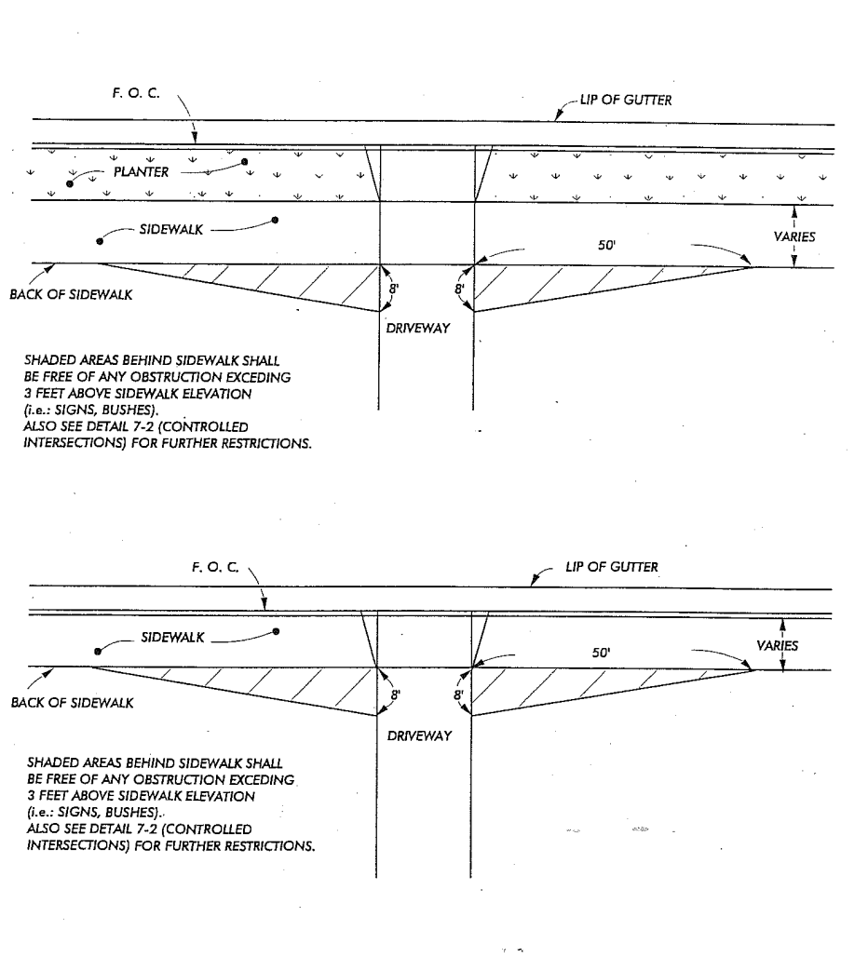
https://www.cupertino.org/home/showpublisheddocument/1701/637558858722230000
7-6: SIDEWALK CLEARANCE AT DRIVEWAYS (1995)
50' x 8 '

City of Monte Sereno
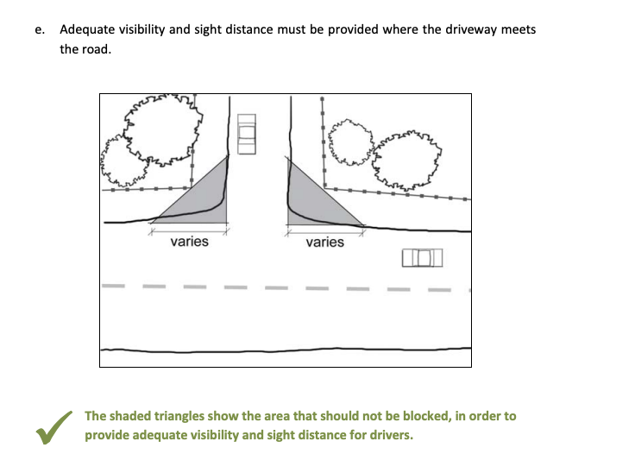
https://www.montesereno.org/DocumentCenter/View/636/Design-Guidelines
Design Guidelines: 6B
varies

