Sheet1
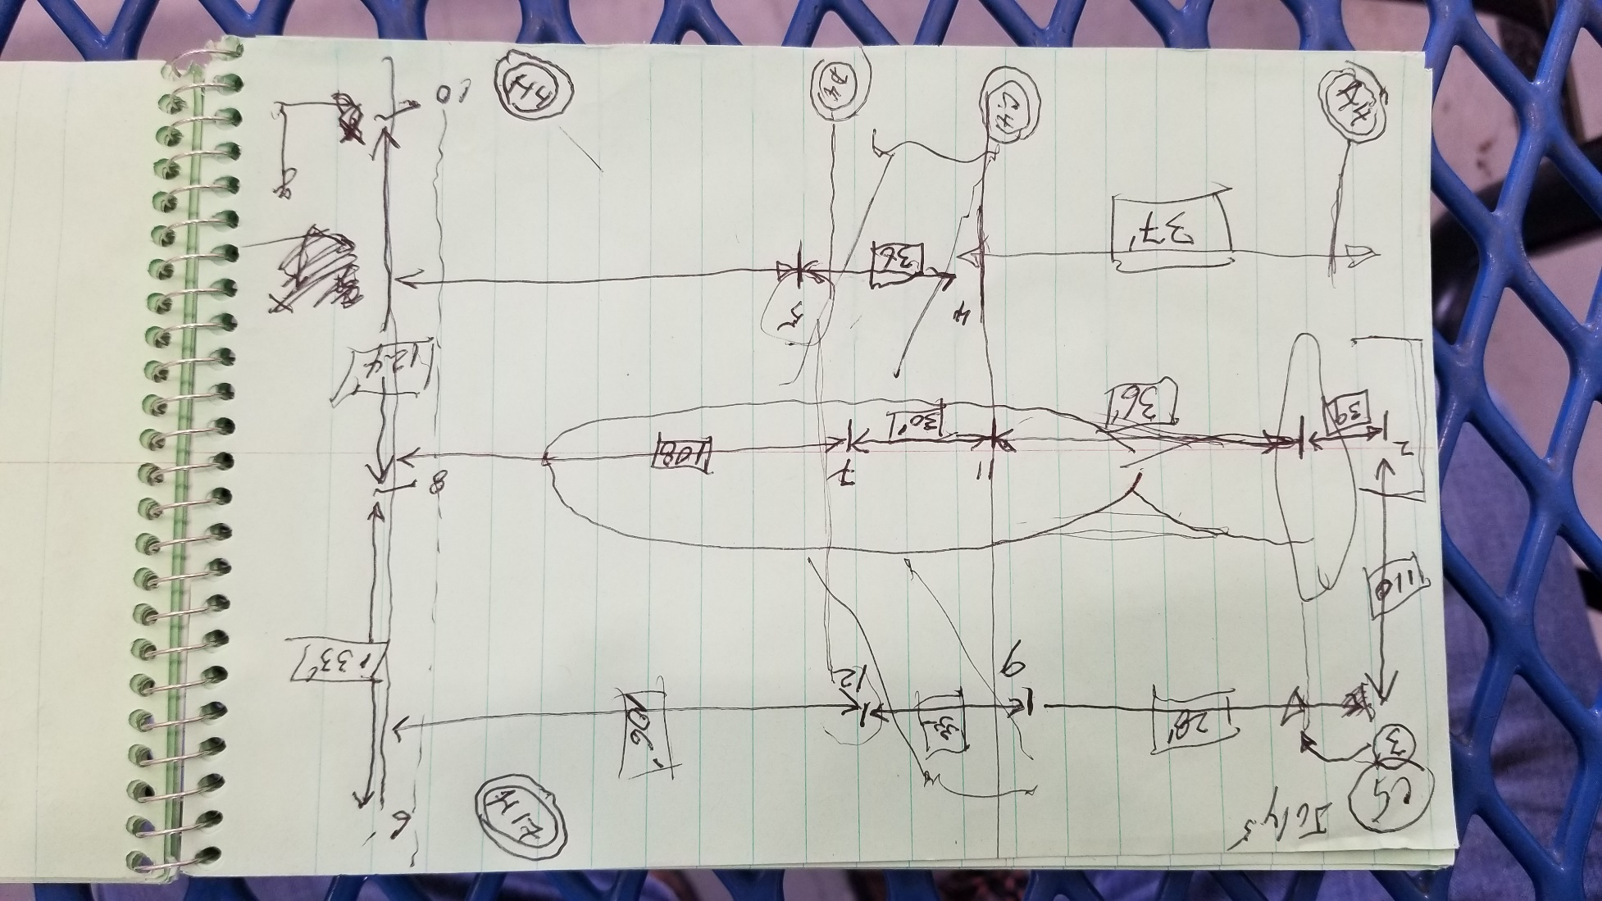
Client_ID | H1-X_in | H1-Y_in | C5-X_ft | C5-Y_ft
1 | 1590 | 1097.5 | 174 | 124
2 | 1590 | 0 | 213 | 0
3 | 1590 | -955.5 | 174 | -110
4 | 924 | 598.5 | 142 | 110
5 | 480 | 315.5 | 106 | 110
6 | 36 | -955.5 | 0 | -133
7 | 702 | 0 | 108 | 0
8 | 36 | 0 | 0 | 0
9 | 924 | -640.5 | 139 | -110
10 | 36 | 1097.5 | 0 | 124
11 | 924 | 0 | 138 | 0
12 | 480 | -401.5 | 106 | -110

