Table of Contents
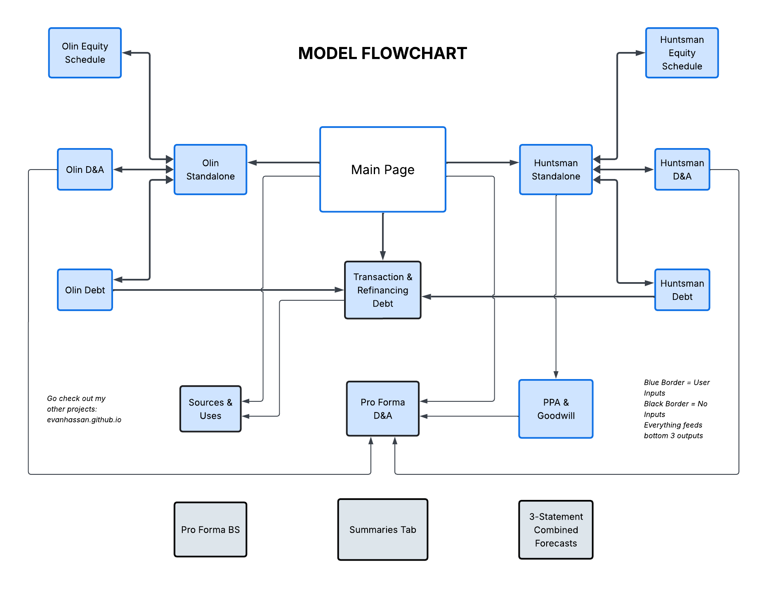
TABLE OF CONTENTS

Main Page & Assumptions
Summary

Combined
Sources And Uses
Pro Forma Opening BS
Pro Forma Financials
PPA & Goodwill
Synergies & Integrations
Transaction & Refinancing Debt
Pro Forma D&A

Olin
Olin Standalone
Olin Debt
Olin Equity Schedule
Olin D&A

Huntsman
Huntsman Standalone
Huntsman Debt
Huntsman Equity Schedule
Huntsman D&A

Sources and Uses
<---------

 | Uses of Funds

 | Equity Consideration | $2,430
 | Other Cash Consideration | $0

 | Target Debt Repaid / Refinanced at Close | $495
 | Revolver | $343
 | Senior Notes due 2029 | -
 | Senior Notes due 2031 | -
 | Senior Notes due 2034 | -
 | U.S. A/R Program | $93
 | EU A/R Program | $59
 | VIE / Other Debt | -
 | Acquirer Debt Repaid / Refinanced at Close | -
 | Revolver | -
 | 2025 Term Loan Facility | -
 | Senior Notes due 2029 | -
 | Senior Notes due 2030 | -
 | Senior Notes due 2033 | -
 | 2024 A/R Financing Agreement | -
 | Recovery Zone Bonds | -
 | Transaction Fees | 56
 | Financing Fees | -
 | Other Cash Uses | 0
 | Total Uses | $2,981
REFRESH New Debt Issued & Refinanced

 | Sources of Funds

 | Value of Shares Issued | $2,430

 | Existing Cash Used | $551
 | New Debt Issued | -
 | New Senior Notes | -
 | Other Sources | 0

 | Total Sources | $2,981
 | Sources - Uses | $0

 |  |  |  |  |  | Amount | Shares
 |  |  | Uses |  |  | 2010 | 2010
 |  |  |  | Target Equity - Cash |  | 1,700.00

 |  |  |  | Target Equity - Shares |  | - | -
 |  |  |  | Target Debt Retired |  | 300.00
 |  |  |  | Transaction Fees |  | 104.48
 |  |  |  | Acquirer Debt
 |  |  |  | Working Capital
 |  |  |  | Debt Issue Costs |  | -
 |  |  |  |  | Total Uses | 2,104.48

 |  |  | Sources
 |  |  |  | New Shares Issued |  | 535.48 | 59.50
 |  |  |  | New Debt Issued - 1 |  | 1,569.00
 |  |  |  | New Debt Issued - 2 |  | -
 |  |  |  | New Preferred Issued
 |  |  |  | Cash Used
 |  |  |  |  | Total Sources | 2,104.48
 |  |  |  | Difference |  | -
 |  |  |  | Shares Required |  | -
 |  |  |  | Test |  | TRUE

Olin Debt
<--------- | Olin Raw
 | Olin Debt Schedule
 | Debt Assumptions
 | Minimum Cash Balance | 200
 | SOFR | 3.75%
 | EU A/R Base Rate | 2.25%
Build Debt Schdule
 | Commercial Paper Rate | 3.75%
 | Revolver Spread | 1.69%
 | U.S. A/R Spread | 0.85%
 | EU A/R Spread | 1.45%
 | Revolver Capacity | 1200
 | Revolver Cash Plug? (0/1) | 1

 | Debt Table |  |  |  |  |  |  |  |  | Custom Debt Table
 | Debt Instrument | Rate | Maturity | 2025A Balance | Debt Type | Repayment Type | Refinance at Maturity? | Debt Issuance Costs | Refinance At Close? | Debt Instrument | Year | New Borrowing | Mandatory Repayment | Optional Repayment
 | Revolver | 5.44% | 2030 | 0 | Revolver | Custom | Yes | 4.00 | 0 | 2025 Term Loan Facility | 2026 | 0 | 109.7
 | 2025 Term Loan Facility | 5.44% | 2030 | 637.8 | Term Loan | Custom | No | 1.00 | 0 | Revolver | 2026 | 109.7 | 0
 | Senior Notes due 2029 | 5.63% | 2029 | 669.3 | Notes | Bullet | Yes | 4.1 | 0 | 2025 Term Loan Facility | 2030 | 0 | 528.1
 | Senior Notes due 2030 | 5.00% | 2030 | 515.3 | Notes | Bullet | Yes | 2.9 | 0
 | Senior Notes due 2033 | 6.63% | 2033 | 600 | Notes | Bullet | Yes | 5.00 | 0
 | 2024 A/R Financing Agreement | 4.60% | 2027 | 340 | A/R | Bullet | Yes | 0.75 | 0
 | Recovery Zone Bonds | 4.94% | 2033 | 83 | Bonds | Bullet | Yes | 0.35 | 0

 | Debt Buildout
 |  | Actual | Forecast
 | FYE December | 2025-12-31 | 2026-12-31 | 2027-12-31 | 2028-12-31 | 2029-12-31 | 2030-12-31 | 2031-12-31
 |  | USD | USD | USD | USD | USD | USD | USD
 | Debt Summary
 | Current Portion of Debt | 110 | 340 | - | 669 | 1,043 | - | - |  | 5
 | Long-Term Debt | 2,736 | 2,396 | 2,736 | 2,066 | 1,692 | 2,208 | 2,208
 | Less: Debt Issuance Costs | (18) | (14) | (11) | (8) | (4) | (2) | (1)
 | Total Debt | 2,827 | 2,721 | 2,725 | 2,728 | 2,731 | 2,206 | 2,206
 | Cash | 168 | 333 | 771 | 1,396 | 2,195 | 2,735 | 3,987

 | Change in Revolver / Short-Term Debt | - | - | - | - | - | - | -
 | Debt Issuance (Repayment) | (11) | (110) | - | - | - | (528) | -
 | Total Cash Interest Expense | - | (155) | (152) | (152) | (152) | (137) | (123)
 | Debt Issuance Cost Amortization |  | (4) | (4) | (3) | (3) | (2) | (1)
 | Total Interest Expense | (187) | (158) | (155) | (155) | (155) | (140) | (124)
 | Net Debt | 2,660 | 2,389 | 1,954 | 1,332 | 536 | (529) | (1,780)

 | Revolver
 | Beginning Balance |  | - | - | - | - | - | -
 | New Borrowing |  | 110 | - | - | - | - | -
 | Mandatory Repayment |  | - | - | - | - | - | -
 | Optional Repayment |  | 110 | - | - | - | - | -
 | Ending Balance | - | - | - | - | - | - | -
 | Cash Interest Expense |  | - | - | - | - | - | -

 | 2025 Term Loan Facility
 | Beginning Balance |  | 638 | 528 | 528 | 528 | 528 | -
 | New Borrowing |  | - | - | - | - | - | -
 | Mandatory Repayment |  | 110 | - | - | - | 528 | -
 | Optional Repayment |  | - | - | - | - | - | -
 | Ending Balance | 638 | 528 | 528 | 528 | 528 | - | -
 | Cash Interest Expense |  | (32) | (29) | (29) | (29) | (14) | -

 | Senior Notes due 2029
 | Beginning Balance |  | 669 | 669 | 669 | 669 | 669 | 669
 | New Borrowing |  | - | - | - | 669 | - | -
 | Mandatory Repayment |  | - | - | - | 669 | - | -
 | Optional Repayment |  | - | - | - | - | - | -
 | Ending Balance | 669 | 669 | 669 | 669 | 669 | 669 | 669
 | Cash Interest Expense |  | (38) | (38) | (38) | (38) | (38) | (38)

 | Senior Notes due 2030
 | Beginning Balance |  | 515 | 515 | 515 | 515 | 515 | 515
 | New Borrowing |  | - | - | - | - | 515 | -
 | Mandatory Repayment |  | - | - | - | - | 515 | -
 | Optional Repayment |  | - | - | - | - | - | -
 | Ending Balance | 515 | 515 | 515 | 515 | 515 | 515 | 515
 | Cash Interest Expense |  | (26) | (26) | (26) | (26) | (26) | (26)

 | Senior Notes due 2033
 | Beginning Balance |  | 600 | 600 | 600 | 600 | 600 | 600
 | New Borrowing |  | - | - | - | - | - | -
 | Mandatory Repayment |  | - | - | - | - | - | -
 | Optional Repayment |  | - | - | - | - | - | -
 | Ending Balance | 600 | 600 | 600 | 600 | 600 | 600 | 600
 | Cash Interest Expense |  | (40) | (40) | (40) | (40) | (40) | (40)

 | 2024 A/R Financing Agreement
 | Beginning Balance |  | 340 | 340 | 340 | 340 | 340 | 340
 | New Borrowing |  | - | 340 | - | - | - | -
 | Mandatory Repayment |  | - | 340 | - | - | - | -
 | Optional Repayment |  | - | - | - | - | - | -
 | Ending Balance | 340 | 340 | 340 | 340 | 340 | 340 | 340
 | Cash Interest Expense |  | (16) | (16) | (16) | (16) | (16) | (16)

 | Recovery Zone Bonds
 | Beginning Balance |  | 83 | 83 | 83 | 83 | 83 | 83
 | New Borrowing |  | - | - | - | - | - | -
 | Mandatory Repayment |  | - | - | - | - | - | -
 | Optional Repayment |  | - | - | - | - | - | -
 | Ending Balance | 83 | 83 | 83 | 83 | 83 | 83 | 83
 | Cash Interest Expense |  | (4) | (4) | (4) | (4) | (4) | (4)

Huntsman Debt
<---------
 | Huntsman
 | Huntsman Debt Schedule
 | Debt Assumptions
 | Minimum Cash Balance | 200
 | SOFR | 3.75%
 | EU A/R Base Rate | 2.25%
Build Debt Schdule
 | Commercial Paper Rate | 3.75%
 | Revolver Spread | 1.65%
 | U.S. A/R Spread | 0.85%
 | EU A/R Spread | 1.45%
 | Revolver Capacity | 800
 | Revolver Cash Plug? (0/1) | 1

 | Debt Table |  |  |  |  |  |  |  |  | Custom Debt Table
 | Debt Instrument | Rate | Maturity | 2025A Balance | Debt Type | Repayment Type | Refinance at Maturity? | Debt Issuance Costs | Refinance At Close? | Debt Instrument | Year | New Borrowing | Mandatory Repayment | Optional Repayment
 | Revolver | 5.40% | 2031 | 343 | Revolver | Bullet | Yes |  | 1
 | Senior Notes due 2029 | 4.50% | 2029 | 750 | Notes | Bullet | Yes | 6 | 0
 | Senior Notes due 2031 | 2.95% | 2031 | 400 | Notes | Bullet | Yes | 2 | 0
 | Senior Notes due 2034 | 5.70% | 2034 | 350 | Notes | Bullet | No | 4 | 0
 | U.S. A/R Program | 4.60% | 2028 | 93 | A/R | Bullet | Yes | 0 | 1
 | EU A/R Program | 3.70% | 2027 | 59 | A/R | Bullet | Yes | 0 | 1
 | VIE / Other Debt | 5.00% |  | 28 | Other | Custom | Yes | 0 | 0

 | Debt Buildout
 |  | Actual | Forecast
 | FYE December | 2025-12-31 | 2026-12-31 | 2027-12-31 | 2028-12-31 | 2029-12-31 | 2030-12-31 | 2031-12-31
 |  | USD | USD | USD | USD | USD | USD | USD
 | Debt Summary
 | Current Portion of Debt | 353 | 59 | 93 | 750 | - | 743 | -
 | Long-Term Debt | 1,670 | 1,964 | 1,930 | 1,273 | 2,023 | 1,280 | 2,023
 | Less: Debt Issuance Costs | (12) | (10) | (7) | (5) | (3) | (2) | (1)
 | Total Debt | 2,011 | 2,013 | 2,016 | 2,018 | 2,020 | 2,021 | 2,022
 | Cash | 429 | 362 | 355 | 493 | 783 | 1,176 | 1,640

 | Change in Revolver / Short-Term Debt | 429 | - | - | - | - | - | -
 | Debt Issuance (Repayment) | 132 | - | - | - | - | - | -
 | Total Cash Interest Expense | - | (92) | (92) | (92) | (92) | (92) | (92)
 | Debt Issuance Cost Amortization |  | (2) | (2) | (2) | (2) | (1) | (1)
 | Total Interest Expense | (75) | (94) | (94) | (94) | (94) | (93) | (93)
 | Net Debt | 1,582 | 1,651 | 1,660 | 1,525 | 1,238 | 845 | 382
 | Revolver
 | Beginning Balance |  | 343 | 343 | 343 | 343 | 343 | 343
 | New Borrowing |  | - | - | - | - | - | 343
 | Mandatory Repayment |  | - | - | - | - | - | 343
 | Optional Repayment |  | - | - | - | - | - | -
 | Ending Balance | 343 | 343 | 343 | 343 | 343 | 343 | 343
 | Cash Interest Expense |  | (19) | (19) | (19) | (19) | (19) | (19)

 | Senior Notes due 2029
 | Beginning Balance |  | 750 | 750 | 750 | 750 | 750 | 750
 | New Borrowing |  | - | - | - | 750 | - | -
 | Mandatory Repayment |  | - | - | - | 750 | - | -
 | Optional Repayment |  | - | - | - | - | - | -
 | Ending Balance | 750 | 750 | 750 | 750 | 750 | 750 | 750
 | Cash Interest Expense |  | (34) | (34) | (34) | (34) | (34) | (34)

 | Senior Notes due 2031
 | Beginning Balance |  | 400 | 400 | 400 | 400 | 400 | 400
 | New Borrowing |  | - | - | - | - | - | 400
 | Mandatory Repayment |  | - | - | - | - | - | 400
 | Optional Repayment |  | - | - | - | - | - | -
 | Ending Balance | 400 | 400 | 400 | 400 | 400 | 400 | 400
 | Cash Interest Expense |  | (12) | (12) | (12) | (12) | (12) | (12)

 | Senior Notes due 2034
 | Beginning Balance |  | 350 | 350 | 350 | 350 | 350 | 350
 | New Borrowing |  | - | - | - | - | - | -
 | Mandatory Repayment |  | - | - | - | - | - | -
 | Optional Repayment |  | - | - | - | - | - | -
 | Ending Balance | 350 | 350 | 350 | 350 | 350 | 350 | 350
 | Cash Interest Expense |  | (20) | (20) | (20) | (20) | (20) | (20)

 | U.S. A/R Program
 | Beginning Balance |  | 93 | 93 | 93 | 93 | 93 | 93
 | New Borrowing |  | - | - | 93 | - | - | -
 | Mandatory Repayment |  | - | - | 93 | - | - | -
 | Optional Repayment |  | - | - | - | - | - | -
 | Ending Balance | 93 | 93 | 93 | 93 | 93 | 93 | 93
 | Cash Interest Expense |  | (4) | (4) | (4) | (4) | (4) | (4)

 | EU A/R Program
 | Beginning Balance |  | 59 | 59 | 59 | 59 | 59 | 59
 | New Borrowing |  | - | 59 | - | - | - | -
 | Mandatory Repayment |  | - | 59 | - | - | - | -
 | Optional Repayment |  | - | - | - | - | - | -
 | Ending Balance | 59 | 59 | 59 | 59 | 59 | 59 | 59
 | Cash Interest Expense |  | (2) | (2) | (2) | (2) | (2) | (2)

 | VIE / Other Debt
 | Beginning Balance |  | 28 | 28 | 28 | 28 | 28 | 28
 | New Borrowing |  | - | - | - | - | - | -
 | Mandatory Repayment |  | - | - | - | - | - | -
 | Optional Repayment |  | - | - | - | - | - | -
 | Ending Balance | 28 | 28 | 28 | 28 | 28 | 28 | 28
 | Cash Interest Expense |  | (1) | (1) | (1) | (1) | (1) | (1)

