Sheet2
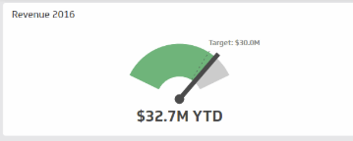
 |  | Net income as KPI |  | Cash at hand

 |  |  |  |  | Sitanshu

pie chart for expense | Sayali |  | trend of share prices | Varun

Total operating revenues trend | Arushi |  | Percentage of workforceTrend | Tianfang
revenue/profit

 |  |  | Average fare revenue per passenger flight segment | Tianfang
Load factor | Arushi |  | Average non-ticket revenue per passenger flight segment

