trades
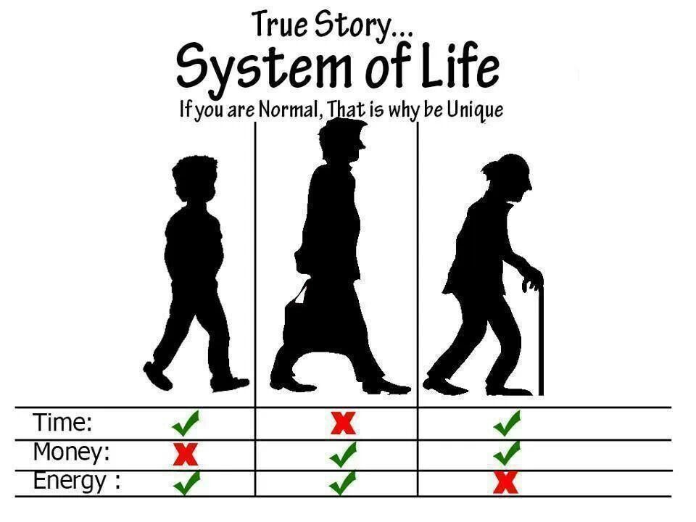
shift | selling | selling cluster | buying | selling cluster | reasons for selling | reasons for buying
Friday-evening | 4 | B | 2 | A | personal (work-life balance) | extra pay (monetary) | this shows us that nurse 2 prefers extra pay over fridaynights off and vice versa
Tuesday-day | 8 | C | 9 | B | too many shifts in a row (consecutiveness) | spontaneous personal event Wednesday (goodwill) | might not be a specific reason to buy except developing goodwill or selling another shift immediately so exchanging shifts
Wednesday-day | 9 | B | 8 | C | personal (work-life balance) | after day rest, working is fine (consecutiveness/goodwill)
Thursday-evening | 1 | C | 5 | A | shift too taxing (load) | extra pay (monetary)

