Description
Basis for Cable Estimate 20200223 Rev3

The basis for estimation is described below:
The cabinet/equipment list is based on the LLC control concept of separate cabinets for each functionality. The basis LLC configuration is shown below:
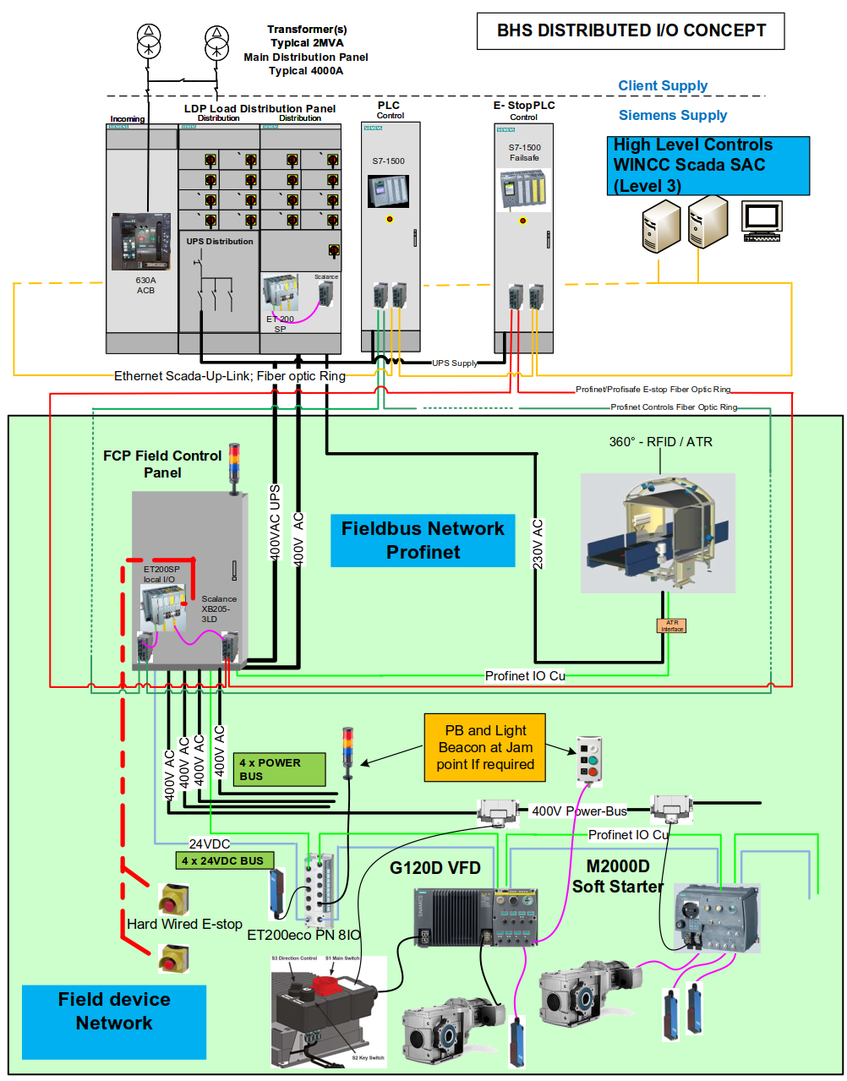 | 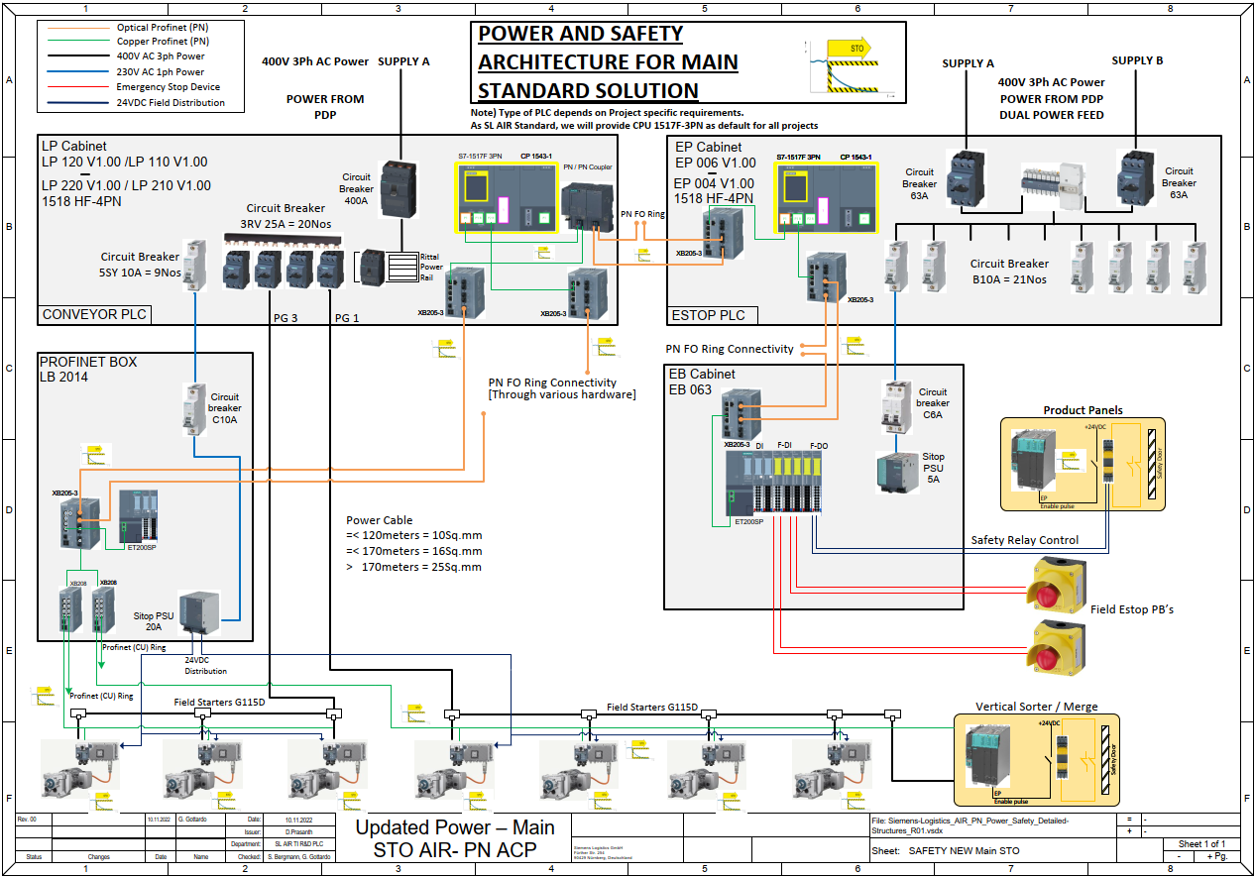 | 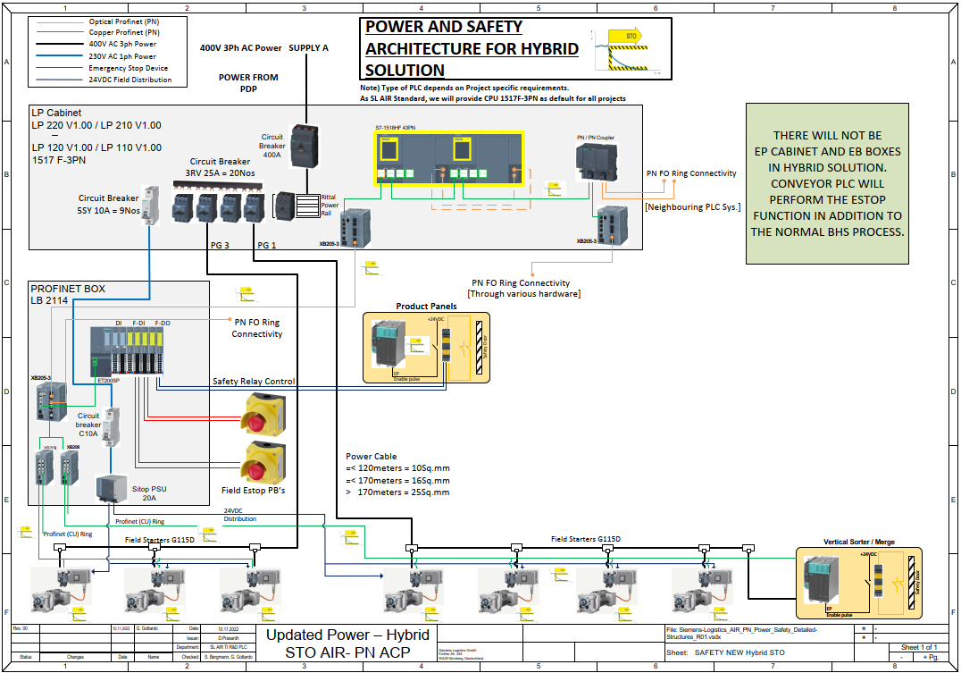

The calculations for estimating cable quantities are done in an Excel spreadsheet
The Estimation is based on quantities of Cabinets/Panels and specialised equipment items
The quantities of panels/equipment are worked out from the BHS layout exports.
For each panel/equipment type the associated cables are listed
A typical average length of cable is assumed but can be changed to suit a particular BHS layout.
The number of cable ends is also calculated to facilitate the estimation of installation effort.

Cable types considered are shown below:
Power Armoured 1000V
Power 1000V
Control 500V
Earth Class 2
Trailing Servo Cable
Communications Bus Cable (fiber and copper) for Profinet are considered.
The infrastrructure and cables for the IT communications is not calculated as this is allowed for in the IT estimate
Pre manufactured cables are not included in the Estimate as these are drive and field device specific and calculated in the pricing sheet.

LP_LB calc SL Belt
Next Step
Concept according to LP, LB design BELT |  |  |  |  |  |  |  | Input from E-BoQ

Projectname : |  | Type-ID
Panel Type | Description | Typical | Cable | Type | Qty Cables | Average Length [m] | Total Length [m] | BHS Area 1 Panel Qty | BHS Area 1 Cable [m] | BHS Area 1 ENDS | BHS Area 2 Panel Qty | BHS Area 2 Cable [km] | BHS Area 2 ENDS | Grand Total [m]
Main Power Distribution Panel | PDP
Main Power Distribution Panel | MDB H/W Interface to MEP | PDP | 7x1.5 | 300/500V, Class 5 CU, XL-LSZH Insulated, UNARMOURED CABLE to IEC 60502-1 - IEC 60332-1, 70 Deg.C conductor temperature | 1 | 200 | 200 | 0 | 0 | 0 | 0 | 0 | 0 | 0
Main Power Distribution Panel | PN cable from MFDU to SCADA | PDP | Fiber (50/125/OM2) | PROFINET FO FRNC Cable (50/125/OM2) halogen-free cable | 2 | 100 | 200 | 0 | 0 | 0 | 0 | 0 | 0 | 0
Power Factor Compensation | PFCPDP
Power Factor Compensation | PFC Pwr | PFCPDP | 4x185 | 0.6/1KV, Class 2 Cu-XLPE/LSZH/SWA/LSZH ARMOURED CABLE to BS6724 and flame retardant to IEC60233-1, 90Deg.C conductor temperature | 1 | 10 | 10 | 0 | 0 | 0 | 0 | 0 | 0 | 0
Power Factor Compensation | PFC Pwr | PFCPDP | 1x95 | 450/750 V, Class 2, CU, XL-LSZH Insulated, Electric Cable conforming to BSEN 50525 - 3 - 41 specification, , 90Deg.C conductor temperature | 1 | 10 | 10 | 0 | 0 | 0 | 0 | 0 | 0 | 0
Power Factor Compensation | PFC Cntr | PFCPDP | 7x1.5 | 300/500V, Class 5 CU, XL-LSZH Insulated, UNARMOURED CABLE to IEC 60502-1 - IEC 60332-1, 70 Deg.C conductor temperature | 1 | 10 | 10 | 0 | 0 | 0 | 0 | 0 | 0 | 0
Power Factor Compensation | 1p CT feedback from MDP incomer section | PFCPDP | 2x1.5 | 300/500V, Class 5 CU, XL-LSZH Insulated, UNARMOURED CABLE to IEC 60502-1 - IEC 60332-1, 70 Deg.C conductor temperature | 1 | 10 | 10 | 0 | 0 | 0 | 0 | 0 | 0 | 0
Power Factor Compensation | PROFINET Fast Connect Field Bus | PFCPDP | 2x2 Copper | Industrial Ethernet FC TP Trailing Cable, 2x2 (PROFINET Type C), TP installation cable for Connection to FC outlet RJ45, for cable carrier applications, 4-core, shielded, CAT5 | 1 | 15 | 15 | 0 | 0 | 0 | 0 | 0 | 0 | 0
Local control and Distribution | LP120
Local control and Distribution | Input Current 400A | LP | 4x185 | 0.6/1KV, Class 2 Cu-XLPE/LSZH/SWA/LSZH ARMOURED CABLE to BS6724 and flame retardant to IEC60233-1, 90Deg.C conductor temperature | 2 | 200 | 400 | 0 | 0 | 0 | 1 | 0 | 0 | 0
Local control and Distribution | Input Current 630A | LP | 4x240 | 0.6/1KV, Class 2 Cu-XLPE/LSZH/SWA/LSZH ARMOURED CABLE to BS6724 and flame retardant to IEC60233-1, 90Deg.C conductor temperature | 2 | 200 | 400 | 0 | 0 | 0 | 0 | 0 | 0 | 0
Local control and Distribution | Earth Cable | LP | 1x95 | 450/750 V, Class 2, CU, XL-LSZH Insulated, Electric Cable conforming to BSEN 50525 - 3 - 41 specification, , 90Deg.C conductor temperature | 2 | 200 | 400 | 0 | 0 | 0 | 0 | 0 | 0 | 0
Local control and Distribution | Earth Cable | LP | 1x120 | 450/750 V, Class 2, CU, XL-LSZH Insulated, Electric Cable conforming to BSEN 50525 - 3 - 41 specification, , 90Deg.C conductor temperature | 2 | 200 | 400 | 0 | 0 | 0 | 0 | 0 | 0 | 0
Local control and Distribution | PROFINET Fiber Ring | LP | Fiber (50/125/OM2) | PROFINET FO FRNC Cable (50/125/OM2) halogen-free cable | 4 | 100 | 400 | 0 | 0 | 0 | 0 | 0 | 0 | 0
Local control and Distribution | Power Line 10mmsq | LP | 5x10 | 0.6/1KV, Class 5 CU, XL-LSZH Insulated, UNARMOURED CABLE to IEC 60502-1 - IEC 60332-1, 90Deg.C conductor temperature | 5 | 120 | 600 | 0 | 0 | 0 | 0 | 0 | 0 | 0
Local control and Distribution | Power Line 16mmsq | LP | 5x16 | 0.6/1KV, Class 5 CU, XL-LSZH Insulated, UNARMOURED CABLE to IEC 60502-1 - IEC 60332-1, 90Deg.C conductor temperature | 10 | 170 | 1700 | 0 | 0 | 0 | 0 | 0 | 0 | 0
Local control and Distribution | Power Line 25mmsq | LP | 5x25 | 0.6/1KV, Class 5 CU, XL-LSZH Insulated, UNARMOURED CABLE to IEC 60502-1 - IEC 60332-1, 90Deg.C conductor temperature | 5 | 250 | 1250 | 0 | 0 | 0 | 0 | 0 | 0 | 0
Local control and Distribution | LP220
Local control and Distribution | Input Current 400A | LP | 4x185 | 0.6/1KV, Class 2 Cu-XLPE/LSZH/SWA/LSZH ARMOURED CABLE to BS6724 and flame retardant to IEC60233-1, 90Deg.C conductor temperature | 2 | 200 | 400 | 0 | 0 | 0 | 1 | 0 | 0 | 0
Local control and Distribution | Input Current 630A | LP | 4x240 | 0.6/1KV, Class 2 Cu-XLPE/LSZH/SWA/LSZH ARMOURED CABLE to BS6724 and flame retardant to IEC60233-1, 90Deg.C conductor temperature | 2 | 200 | 400 | 0 | 0 | 0 | 0 | 0 | 0 | 0
Local control and Distribution | Earth Cable | LP | 1x95 | 450/750 V, Class 2, CU, XL-LSZH Insulated, Electric Cable conforming to BSEN 50525 - 3 - 41 specification, , 90Deg.C conductor temperature | 2 | 200 | 400 | 0 | 0 | 0 | 0 | 0 | 0 | 0
Local control and Distribution | Earth Cable | LP | 1x120 | 450/750 V, Class 2, CU, XL-LSZH Insulated, Electric Cable conforming to BSEN 50525 - 3 - 41 specification, , 90Deg.C conductor temperature | 2 | 200 | 400 | 0 | 0 | 0 | 0 | 0 | 0 | 0
Local control and Distribution | PROFINET Fiber Ring | LP | Fiber (50/125/OM2) | PROFINET FO FRNC Cable (50/125/OM2) halogen-free cable | 4 | 100 | 400 | 0 | 0 | 0 | 0 | 0 | 0 | 0
Local control and Distribution | Power Line 10mmsq | LP | 5x10 | 0.6/1KV, Class 5 CU, XL-LSZH Insulated, UNARMOURED CABLE to IEC 60502-1 - IEC 60332-1, 90Deg.C conductor temperature | 5 | 120 | 600 | 0 | 0 | 0 | 0 | 0 | 0 | 0
Local control and Distribution | Power Line 16mmsq | LP | 5x16 | 0.6/1KV, Class 5 CU, XL-LSZH Insulated, UNARMOURED CABLE to IEC 60502-1 - IEC 60332-1, 90Deg.C conductor temperature | 10 | 170 | 1700 | 0 | 0 | 0 | 0 | 0 | 0 | 0
Local control and Distribution | Power Line 25mmsq | LP | 5x25 | 0.6/1KV, Class 5 CU, XL-LSZH Insulated, UNARMOURED CABLE to IEC 60502-1 - IEC 60332-1, 90Deg.C conductor temperature | 5 | 250 | 1250 | 0 | 0 | 0 | 0 | 0 | 0 | 0
Field Network Box | LB2014
Field Network Box | Input Power (from LP) | LB | 3x2.5 | 0.6/1KV, Class 5 CU, XL-LSZH Insulated, UNARMOURED CABLE to IEC 60502-1 - IEC 60332-1, 90Deg.C conductor temperature | 1 | 150 | 150 | 0 | 0 | 0 | 0 | 0 | 0 | 0
Field Network Box | 24V Supply to drive | LB | 2x1.5 | AS-I BUS CABLE | 4 | 80 | 320 | 0 | 0 | 0 | 0 | 0 | 0 | 0
Field Network Box | PROFINET Fiber Ring | LB | Fiber (50/125/OM2) | PROFINET FO FRNC Cable (50/125/OM2) halogen-free cable | 2 | 100 | 200 | 0 | 0 | 0 | 0 | 0 | 0 | 0
Field Network Box | PROFINET Fast Connect Field Bus | LB | 2x2 Copper | Industrial Ethernet FC TP Trailing Cable, 2x2 (PROFINET Type C), TP installation cable for Connection to FC outlet RJ45, for cable carrier applications, 4-core, shielded, CAT5 | 4 | 80 | 320 | 0 | 0 | 0 | 0 | 0 | 0 | 0
Field Network Box | LB2114
Field Network Box | Input Power (from LP) | LB | 3x2.5 | 0.6/1KV, Class 5 CU, XL-LSZH Insulated, UNARMOURED CABLE to IEC 60502-1 - IEC 60332-1, 90Deg.C conductor temperature | 1 | 150 | 150 | 0 | 0 | 0 | 0 | 0 | 0 | 0
Field Network Box | 24V Supply to drive | LB | 2x1.5 | AS-I BUS CABLE | 4 | 80 | 320 | 0 | 0 | 0 | 0 | 0 | 0 | 0
Field Network Box | PROFINET Fiber Ring | LB | Fiber (50/125/OM2) | PROFINET FO FRNC Cable (50/125/OM2) halogen-free cable | 2 | 100 | 200 | 0 | 0 | 0 | 0 | 0 | 0 | 0
Field Network Box | PROFINET Fast Connect Field Bus | LB | 2x2 Copper | Industrial Ethernet FC TP Trailing Cable, 2x2 (PROFINET Type C), TP installation cable for Connection to FC outlet RJ45, for cable carrier applications, 4-core, shielded, CAT5 | 4 | 80 | 320 | 0 | 0 | 0 | 0 | 0 | 0 | 0
Emergency Stop Panel | EP006
Emergency Stop Panel | UPS Input Power | EP | 4x25 | 0.6/1KV, Class 5 CU, XL-LSZH Insulated, UNARMOURED CABLE to IEC 60502-1 - IEC 60332-1, 90Deg.C conductor temperature | 2 | 180 | 360 | 0 | 0 | 0 | 0 | 0 | 0 | 0
Emergency Stop Panel | Earth Cable | EP | 1x25 | 450/750 V, Class 2, CU, XL-LSZH Insulated, Electric Cable conforming to BSEN 50525 - 3 - 41 specification, , 90Deg.C conductor temperature | 2 | 180 | 360 | 0 | 0 | 0 |  |  |  | 0
Emergency Stop Panel | PROFINET Fiber Ring | EP | Fiber (50/125/OM2) | PROFINET FO FRNC Cable (50/125/OM2) halogen-free cable | 2 | 180 | 360 | 0 | 0 | 0 | 0 | 0 | 0 | 0
Emergency Stop Panel | EP004
Emergency Stop Panel | UPS Input Power | EP | 4x25 | 0.6/1KV, Class 5 CU, XL-LSZH Insulated, UNARMOURED CABLE to IEC 60502-1 - IEC 60332-1, 90Deg.C conductor temperature | 2 | 180 | 360 | 0 | 0 | 0 | 0 | 0 | 0 | 0
Emergency Stop Panel | Earth Cable | EP | 1x25 | 450/750 V, Class 2, CU, XL-LSZH Insulated, Electric Cable conforming to BSEN 50525 - 3 - 41 specification, , 90Deg.C conductor temperature | 2 | 180 | 360 | 0 | 0 | 0 |  |  |  | 0
Emergency Stop Panel | PROFINET Fiber Ring | EP | Fiber (50/125/OM2) | PROFINET FO FRNC Cable (50/125/OM2) halogen-free cable | 2 | 180 | 360 | 0 | 0 | 0 | 0 | 0 | 0 | 0
Emergency Stop IO Box | EB063
Emergency Stop IO Box | UPS Input Power | EB | 3x4 | 0.6/1KV, Class 5 CU, XL-LSZH Insulated, UNARMOURED CABLE to IEC 60502-1 - IEC 60332-1, 90Deg.C conductor temperature | 1 | 100 | 100 | 0 | 0 | 0 | 0 | 0 | 0 | 0
Emergency Stop IO Box | PROFINET Fiber Ring | EB | Fiber (50/125/OM2) | PROFINET FO FRNC Cable (50/125/OM2) halogen-free cable | 2 | 100 | 200 | 0 | 0 | 0 | 0 | 0 | 0 | 0
Emergency Stop Button | ES
Emergency Stop Button | ES Button | ESB | 4x1.5 | 300/500V, Class 5 CU, XL-LSZH Insulated, UNARMOURED CABLE to IEC 60502-1 - IEC 60332-1, 70 Deg.C conductor temperature | 1 | 60 | 60 | 0 | 0 | 0 | 0 | 0 | 0 | 0
Emergency Stop Button | ESCI
Emergency Stop Button | ES Button | ESB | 4x1.5 | 300/500V, Class 5 CU, XL-LSZH Insulated, UNARMOURED CABLE to IEC 60502-1 - IEC 60332-1, 70 Deg.C conductor temperature | 1 | 60 | 60 | 0 | 0 | 0 | 0 | 0 | 0 | 0
Emergency Stop Button | ESRT
Emergency Stop Button | ES Button | ESB | 4x1.5 | 300/500V, Class 5 CU, XL-LSZH Insulated, UNARMOURED CABLE to IEC 60502-1 - IEC 60332-1, 70 Deg.C conductor temperature | 1 | 60 | 60 | 0 | 0 | 0 | 0 | 0 | 0 | 0
Emergency Stop Button | ESP
Emergency Stop Button | ES Button | ESB | 4x1.5 | 300/500V, Class 5 CU, XL-LSZH Insulated, UNARMOURED CABLE to IEC 60502-1 - IEC 60332-1, 70 Deg.C conductor temperature | 1 | 60 | 60 | 0 | 0 | 0 | 0 | 0 | 0 | 0
Check In Box | CP001
Check In Box | Input Power | CIB | 5x6 | 0.6/1KV, Class 5 CU, XL-LSZH Insulated, UNARMOURED CABLE to IEC 60502-1 - IEC 60332-1, 90Deg.C conductor temperature | 1 | 30 | 30 | 0 | 0 | 0 | 0 | 0 | 0 | 0
Check In Box | Motor Cable | CIB | 5x1.5 | 0.6/1KV, Class 5 CU, XL-LSZH Insulated, UNARMOURED CABLE to IEC 60502-1 - IEC 60332-1, 90Deg.C conductor temperature | 1 | 5 | 5 | 0 | 0 | 0 | 0 | 0 | 0 | 0
Check In Box | Interface cable for operator WS | CIB | 18x1.5 | 300/500V, Class 5 CU, XL-LSZH Insulated, UNARMOURED CABLE to IEC 60502-1 - IEC 60332-1, 70 Deg.C conductor temperature | 1 | 10 | 10 | 0 | 0 | 0 | 0 | 0 | 0 | 0
Check In Box | PROFINET Fast Connect Field Bus | CIB | 2x2 Copper | Industrial Ethernet FC TP Trailing Cable, 2x2 (PROFINET Type C), TP installation cable for Connection to FC outlet RJ45, for cable carrier applications, 4-core, shielded, CAT5 | 1 | 10 | 10 | 0 | 0 | 0 | 0 | 0 | 0 | 0
Check In Box | CB001
Check In Box | Input Power | CIB | 5x6 | 0.6/1KV, Class 5 CU, XL-LSZH Insulated, UNARMOURED CABLE to IEC 60502-1 - IEC 60332-1, 90Deg.C conductor temperature | 1 | 30 | 30 | 0 | 0 | 0 | 0 | 0 | 0 | 0
Check In Box | Motor Cable | CIB | 5x1.5 | 0.6/1KV, Class 5 CU, XL-LSZH Insulated, UNARMOURED CABLE to IEC 60502-1 - IEC 60332-1, 90Deg.C conductor temperature | 1 | 5 | 5 | 0 | 0 | 0 | 0 | 0 | 0 | 0
Check In Box | Interface cable for operator WS | CIB | 18x1.5 | 300/500V, Class 5 CU, XL-LSZH Insulated, UNARMOURED CABLE to IEC 60502-1 - IEC 60332-1, 70 Deg.C conductor temperature | 1 | 10 | 10 | 0 | 0 | 0 | 0 | 0 | 0 | 0
Check In Box | PROFINET Fast Connect Field Bus | CIB | 2x2 Copper | Industrial Ethernet FC TP Trailing Cable, 2x2 (PROFINET Type C), TP installation cable for Connection to FC outlet RJ45, for cable carrier applications, 4-core, shielded, CAT5 | 1 | 10 | 10 | 0 | 0 | 0 | 0 | 0 | 0 | 0
Special device Belt | BtL
Special device Belt | Input power | SpDevBelt | 5x6 | 0.6/1KV, Class 5 CU, XL-LSZH Insulated, UNARMOURED CABLE to IEC 60502-1 - IEC 60332-1, 90Deg.C conductor temperature | 1 | 80 | 80 | 0 | 0 | 0 | 0 | 0 | 0 | 0
Special device Belt | PROFINET Fast Connect Field Bus | SpDevBelt | 2x2 Copper | Industrial Ethernet FC TP Trailing Cable, 2x2 (PROFINET Type C), TP installation cable for Connection to FC outlet RJ45, for cable carrier applications, 4-core, shielded, CAT5 | 1 | 20 | 20 | 0 | 0 | 0 | 0 | 0 | 0 | 0
Special device Belt | BtS/C
Special device Belt | Input power | SpDevBelt | 5x6 | 0.6/1KV, Class 5 CU, XL-LSZH Insulated, UNARMOURED CABLE to IEC 60502-1 - IEC 60332-1, 90Deg.C conductor temperature | 1 | 80 | 80 | 0 | 0 | 0 | 0 | 0 | 0 | 0
Special device Belt | PROFINET Fast Connect Field Bus | SpDevBelt | 2x2 Copper | Industrial Ethernet FC TP Trailing Cable, 2x2 (PROFINET Type C), TP installation cable for Connection to FC outlet RJ45, for cable carrier applications, 4-core, shielded, CAT5 | 1 | 20 | 20 | 0 | 0 | 0 | 0 | 0 | 0 | 0
Special device Belt | BtVSU
Special device Belt | Input power | SpDevBelt | 5x6 | 0.6/1KV, Class 5 CU, XL-LSZH Insulated, UNARMOURED CABLE to IEC 60502-1 - IEC 60332-1, 90Deg.C conductor temperature | 1 | 80 | 80 | 0 | 0 | 0 | 0 | 0 | 0 | 0
Special device Belt | PROFINET Fast Connect Field Bus | SpDevBelt | 2x2 Copper | Industrial Ethernet FC TP Trailing Cable, 2x2 (PROFINET Type C), TP installation cable for Connection to FC outlet RJ45, for cable carrier applications, 4-core, shielded, CAT5 | 1 | 20 | 20 | 0 | 0 | 0 | 0 | 0 | 0 | 0
Special device Belt | BtHD
Special device Belt | Input power | SpDevBelt | 5x6 | 0.6/1KV, Class 5 CU, XL-LSZH Insulated, UNARMOURED CABLE to IEC 60502-1 - IEC 60332-1, 90Deg.C conductor temperature | 1 | 80 | 80 | 0 | 0 | 0 | 0 | 0 | 0 | 0
Special device Belt | PROFINET Fast Connect Field Bus | SpDevBelt | 2x2 Copper | Industrial Ethernet FC TP Trailing Cable, 2x2 (PROFINET Type C), TP installation cable for Connection to FC outlet RJ45, for cable carrier applications, 4-core, shielded, CAT5 | 1 | 20 | 20 | 0 | 0 | 0 | 0 | 0 | 0 | 0
Special device Belt | BtPD
Special device Belt | Input power | SpDevBelt | 5x6 | 0.6/1KV, Class 5 CU, XL-LSZH Insulated, UNARMOURED CABLE to IEC 60502-1 - IEC 60332-1, 90Deg.C conductor temperature | 1 | 80 | 80 | 0 | 0 | 0 | 0 | 0 | 0 | 0
Special device Belt | PROFINET Fast Connect Field Bus | SpDevBelt | 2x2 Copper | Industrial Ethernet FC TP Trailing Cable, 2x2 (PROFINET Type C), TP installation cable for Connection to FC outlet RJ45, for cable carrier applications, 4-core, shielded, CAT5 | 1 | 20 | 20 | 0 | 0 | 0 | 0 | 0 | 0 | 0
Special device Belt | BtST
Special device Belt | Input power | SpDevBelt | 5x6 | 0.6/1KV, Class 5 CU, XL-LSZH Insulated, UNARMOURED CABLE to IEC 60502-1 - IEC 60332-1, 90Deg.C conductor temperature | 1 | 80 | 80 | 0 | 0 | 0 | 0 | 0 | 0 | 0
Special device Belt | PROFINET Fast Connect Field Bus | SpDevBelt | 2x2 Copper | Industrial Ethernet FC TP Trailing Cable, 2x2 (PROFINET Type C), TP installation cable for Connection to FC outlet RJ45, for cable carrier applications, 4-core, shielded, CAT5 | 1 | 20 | 20 | 0 | 0 | 0 | 0 | 0 | 0 | 0
Special device Belt | BtPush
Special device Belt | Input power | SpDevBelt | 5x6 | 0.6/1KV, Class 5 CU, XL-LSZH Insulated, UNARMOURED CABLE to IEC 60502-1 - IEC 60332-1, 90Deg.C conductor temperature | 1 | 80 | 80 | 0 | 0 | 0 | 0 | 0 | 0 | 0
Special device Belt | PROFINET Fast Connect Field Bus | SpDevBelt | 2x2 Copper | Industrial Ethernet FC TP Trailing Cable, 2x2 (PROFINET Type C), TP installation cable for Connection to FC outlet RJ45, for cable carrier applications, 4-core, shielded, CAT5 | 1 | 20 | 20 | 0 | 0 | 0 | 0 | 0 | 0 | 0
Special device Belt | BtVarioFlip
Special device Belt | Input power | SpDevBelt | 5x6 | 0.6/1KV, Class 5 CU, XL-LSZH Insulated, UNARMOURED CABLE to IEC 60502-1 - IEC 60332-1, 90Deg.C conductor temperature | 1 | 80 | 80 | 0 | 0 | 0 | 0 | 0 | 0 | 0
Special device Belt | PROFINET Fast Connect Field Bus | SpDevBelt | 2x2 Copper | Industrial Ethernet FC TP Trailing Cable, 2x2 (PROFINET Type C), TP installation cable for Connection to FC outlet RJ45, for cable carrier applications, 4-core, shielded, CAT5 | 1 | 20 | 20 | 0 | 0 | 0 | 0 | 0 | 0 | 0
Special device Belt | VM1A
Special device Belt | Input power | SpDevBelt | 5x6 | 0.6/1KV, Class 5 CU, XL-LSZH Insulated, UNARMOURED CABLE to IEC 60502-1 - IEC 60332-1, 90Deg.C conductor temperature | 1 | 80 | 80 | 0 | 0 | 0 | 0 | 0 | 0 | 0
Special device Belt | PROFINET Fast Connect Field Bus | SpDevBelt | 2x2 Copper | Industrial Ethernet FC TP Trailing Cable, 2x2 (PROFINET Type C), TP installation cable for Connection to FC outlet RJ45, for cable carrier applications, 4-core, shielded, CAT5 | 1 | 20 | 20 | 0 | 0 | 0 | 0 | 0 | 0 | 0
Special device Belt | VM3A
Special device Belt | Input power | SpDevBelt | 5x6 | 0.6/1KV, Class 5 CU, XL-LSZH Insulated, UNARMOURED CABLE to IEC 60502-1 - IEC 60332-1, 90Deg.C conductor temperature | 1 | 80 | 80 | 0 | 0 | 0 | 0 | 0 | 0 | 0
Special device Belt | PROFINET Fast Connect Field Bus | SpDevBelt | 2x2 Copper | Industrial Ethernet FC TP Trailing Cable, 2x2 (PROFINET Type C), TP installation cable for Connection to FC outlet RJ45, for cable carrier applications, 4-core, shielded, CAT5 | 1 | 20 | 20 | 0 | 0 | 0 | 0 | 0 | 0 | 0
Identification System | ATR-L1
Identification System | Input power | ATR | 3x2.5 | 0.6/1KV, Class 5 CU, XL-LSZH Insulated, UNARMOURED CABLE to IEC 60502-1 - IEC 60332-1, 90Deg.C conductor temperature | 1 | 80 | 80 | 0 | 0 | 0 | 0 | 0 | 0 | 0
Identification System | PROFINET Fast Connect Field Bus | ATR | 2x2 Copper | Industrial Ethernet FC TP Trailing Cable, 2x2 (PROFINET Type C), TP installation cable for Connection to FC outlet RJ45, for cable carrier applications, 4-core, shielded, CAT5 | 1 | 20 | 20 | 0 | 0 | 0 | 0 | 0 | 0 | 0
Identification System | ATR-L2
Identification System | Input power | ATR | 3x2.5 | 0.6/1KV, Class 5 CU, XL-LSZH Insulated, UNARMOURED CABLE to IEC 60502-1 - IEC 60332-1, 90Deg.C conductor temperature | 1 | 80 | 80 | 0 | 0 | 0 | 0 | 0 | 0 | 0
Identification System | PROFINET Fast Connect Field Bus | ATR | 2x2 Copper | Industrial Ethernet FC TP Trailing Cable, 2x2 (PROFINET Type C), TP installation cable for Connection to FC outlet RJ45, for cable carrier applications, 4-core, shielded, CAT5 | 1 | 20 | 20 | 0 | 0 | 0 | 0 | 0 | 0 | 0
Identification System | ATR-L3
Identification System | Input power | ATR | 3x2.5 | 0.6/1KV, Class 5 CU, XL-LSZH Insulated, UNARMOURED CABLE to IEC 60502-1 - IEC 60332-1, 90Deg.C conductor temperature | 1 | 80 | 80 | 0 | 0 | 0 | 0 | 0 | 0 | 0
Identification System | PROFINET Fast Connect Field Bus | ATR | 2x2 Copper | Industrial Ethernet FC TP Trailing Cable, 2x2 (PROFINET Type C), TP installation cable for Connection to FC outlet RJ45, for cable carrier applications, 4-core, shielded, CAT5 | 1 | 20 | 20 | 0 | 0 | 0 | 0 | 0 | 0 | 0
Identification System | ATR-R1
Identification System | Input power | ATR | 3x2.5 | 0.6/1KV, Class 5 CU, XL-LSZH Insulated, UNARMOURED CABLE to IEC 60502-1 - IEC 60332-1, 90Deg.C conductor temperature | 1 | 80 | 80 | 0 | 0 | 0 | 0 | 0 | 0 | 0
Identification System | PROFINET Fast Connect Field Bus | ATR | 2x2 Copper | Industrial Ethernet FC TP Trailing Cable, 2x2 (PROFINET Type C), TP installation cable for Connection to FC outlet RJ45, for cable carrier applications, 4-core, shielded, CAT5 | 1 | 20 | 20 | 0 | 0 | 0 | 0 | 0 | 0 | 0
Identification System | ATR-R2
Identification System | Input power | ATR | 3x2.5 | 0.6/1KV, Class 5 CU, XL-LSZH Insulated, UNARMOURED CABLE to IEC 60502-1 - IEC 60332-1, 90Deg.C conductor temperature | 1 | 80 | 80 | 0 | 0 | 0 | 0 | 0 | 0 | 0
Identification System | PROFINET Fast Connect Field Bus | ATR | 2x2 Copper | Industrial Ethernet FC TP Trailing Cable, 2x2 (PROFINET Type C), TP installation cable for Connection to FC outlet RJ45, for cable carrier applications, 4-core, shielded, CAT5 | 1 | 20 | 20 | 0 | 0 | 0 | 0 | 0 | 0 | 0
Identification System | ATR-C1
Identification System | Input power | ATR | 3x2.5 | 0.6/1KV, Class 5 CU, XL-LSZH Insulated, UNARMOURED CABLE to IEC 60502-1 - IEC 60332-1, 90Deg.C conductor temperature | 1 | 80 | 80 | 0 | 0 | 0 | 0 | 0 | 0 | 0
Identification System | PROFINET Fast Connect Field Bus | ATR | 2x2 Copper | Industrial Ethernet FC TP Trailing Cable, 2x2 (PROFINET Type C), TP installation cable for Connection to FC outlet RJ45, for cable carrier applications, 4-core, shielded, CAT5 | 1 | 20 | 20 | 0 | 0 | 0 | 0 | 0 | 0 | 0
Identification System | ATR-C2
Identification System | Input power | ATR | 3x2.5 | 0.6/1KV, Class 5 CU, XL-LSZH Insulated, UNARMOURED CABLE to IEC 60502-1 - IEC 60332-1, 90Deg.C conductor temperature | 1 | 80 | 80 | 0 | 0 | 0 | 0 | 0 | 0 | 0
Identification System | PROFINET Fast Connect Field Bus | ATR | 2x2 Copper | Industrial Ethernet FC TP Trailing Cable, 2x2 (PROFINET Type C), TP installation cable for Connection to FC outlet RJ45, for cable carrier applications, 4-core, shielded, CAT5 | 1 | 20 | 20 | 0 | 0 | 0 | 0 | 0 | 0 | 0
Identification System | ATR-D
Identification System | Input power | ATR | 3x2.5 | 0.6/1KV, Class 5 CU, XL-LSZH Insulated, UNARMOURED CABLE to IEC 60502-1 - IEC 60332-1, 90Deg.C conductor temperature | 1 | 80 | 80 | 0 | 0 | 0 | 0 | 0 | 0 | 0
Identification System | PROFINET Fast Connect Field Bus | ATR | 2x2 Copper | Industrial Ethernet FC TP Trailing Cable, 2x2 (PROFINET Type C), TP installation cable for Connection to FC outlet RJ45, for cable carrier applications, 4-core, shielded, CAT5 | 1 | 20 | 20 | 0 | 0 | 0 | 0 | 0 | 0 | 0

LP_LB calc SL ICS
Concept according to LP, LB design ICS |  |  |  |  |  |  |  |  |  |  | Input from E-BoQ
Next Step
 |  | Type-ID
Panel Type | Description | Typical | Cable Type | Material | Flexibility | No of conductors/ Cross section | Cable | Type | Qty Cables | Average Length [m] | BHS Area 1 Panel Qty | Grand Total [m] | MPS Number
Main Power Distribution Panel | PDP
Main Power Distribution Panel | MDB H/W Interface to MEP | PDP | Control | Copper | Class 5 | 7x1.5 | 7x1.5 | 300/500V, Class 5 CU, XL-LSZH Insulated, UNARMOURED CABLE to IEC 60502-1 - IEC 60332-1, 70 Deg.C conductor temperature | 1 | 200 | 0 | 0 | 04-CW-I_-GA
Main Power Distribution Panel | PN cable from MFDU to SCADA | PDP | Data | FO |  | FO FRNC Cable (50/125/OM2) | Fiber (50/125/OM2) | PROFINET FO FRNC Cable (50/125/OM2) halogen-free cable | 2 | 100 | 0 | 0 | 04-CW-I_-HA
Power Factor Compensation | PFCPDP
Power Factor Compensation | PFC Pwr | PFCPDP | Power | Copper | Class 2 | 4x185 | 4x185 | 0.6/1KV, Class 2 Cu-XLPE/LSZH/SWA/LSZH ARMOURED CABLE to BS6724 and flame retardant to IEC60233-1, 90Deg.C conductor temperature | 1 | 10 | 0 | 0 | 04-CW-I_-DB
Power Factor Compensation | PFC Pwr | PFCPDP | Power | Copper | Class 2 | 1x95 | 1x95 | 450/750 V, Class 2, CU, XL-LSZH Insulated, Electric Cable conforming to BSEN 50525 - 3 - 41 specification, , 90Deg.C conductor temperature | 1 | 10 | 0 | 0 | 04-CW-I_-DB
Power Factor Compensation | PFC Cntr | PFCPDP | Control | Copper | Class 5 | 7x1.5 | 7x1.5 | 300/500V, Class 5 CU, XL-LSZH Insulated, UNARMOURED CABLE to IEC 60502-1 - IEC 60332-1, 70 Deg.C conductor temperature | 1 | 10 | 0 | 0 | 04-CW-I_-GA
Power Factor Compensation | 1p CT feedback from MDP incomer section | PFCPDP | Control | Copper | Class 5 | 2x1.5 | 2x1.5 | 300/500V, Class 5 CU, XL-LSZH Insulated, UNARMOURED CABLE to IEC 60502-1 - IEC 60332-1, 70 Deg.C conductor temperature | 1 | 10 | 0 | 0 | 04-CW-I_-GA
Power Factor Compensation | PROFINET Fast Connect Field Bus | PFCPDP | Data | Copper | Type C | 0.34 x (2x2) Copper | 2x2 Copper | Industrial Ethernet FC TP Trailing Cable, 2x2 (PROFINET Type C), TP installation cable for Connection to FC outlet RJ45, for cable carrier applications, 4-core, shielded, CAT5 | 1 | 15 | 0 | 0 | 04-CW-I_-GB
Local control and Distribution | LP120
Local control and Distribution | Input Current 400A | LP | Power | Copper | Class 2 | 4x185 | 4x185 | 0.6/1KV, Class 2 Cu-XLPE/LSZH/SWA/LSZH ARMOURED CABLE to BS6724 and flame retardant to IEC60233-1, 90Deg.C conductor temperature | 2 | 200 | 0 | 0 | 04-CW-I_-DB
Local control and Distribution | Input Current 630A | LP | Power | Copper | Class 2 | 4x185 | 4x240 | 0.6/1KV, Class 2 Cu-XLPE/LSZH/SWA/LSZH ARMOURED CABLE to BS6724 and flame retardant to IEC60233-1, 90Deg.C conductor temperature | 2 | 200 | 0 | 0 | 04-CW-I_-DB
Local control and Distribution | Earth Cable | LP | Power | Copper | Class 2 | 1x95E | 1x95 | 450/750 V, Class 2, CU, XL-LSZH Insulated, Electric Cable conforming to BSEN 50525 - 3 - 41 specification, , 90Deg.C conductor temperature | 2 | 200 | 0 | 0 | 04-CW-I_-EB
Local control and Distribution | Earth Cable | LP | Power | Copper | Class 2 | 1x120E | 1x120 | 450/750 V, Class 2, CU, XL-LSZH Insulated, Electric Cable conforming to BSEN 50525 - 3 - 41 specification, , 90Deg.C conductor temperature | 2 | 200 | 0 | 0 | 04-CW-I_-EB
Local control and Distribution | PROFINET Fiber Ring | LP | Data | FO |  | FO FRNC Cable (50/125/OM2) | Fiber (50/125/OM2) | PROFINET FO FRNC Cable (50/125/OM2) halogen-free cable | 4 | 100 | 0 | 0 | 04-CW-I_-HA
Local control and Distribution | Power Line 10mmsq | LP | Power | Copper | Class 5 | 5x10 | 5x10 | 0.6/1KV, Class 5 CU, XL-LSZH Insulated, UNARMOURED CABLE to IEC 60502-1 - IEC 60332-1, 90Deg.C conductor temperature | 5 | 120 | 0 | 0 | 04-CW-I_-DB
Local control and Distribution | Power Line 16mmsq | LP | Power | Copper | Class 5 | 5x16 | 5x16 | 0.6/1KV, Class 5 CU, XL-LSZH Insulated, UNARMOURED CABLE to IEC 60502-1 - IEC 60332-1, 90Deg.C conductor temperature | 10 | 170 | 0 | 0 | 04-CW-I_-DB
Local control and Distribution | Power Line 25mmsq | LP | Power | Copper | Class 5 | 5x25 | 5x25 | 0.6/1KV, Class 5 CU, XL-LSZH Insulated, UNARMOURED CABLE to IEC 60502-1 - IEC 60332-1, 90Deg.C conductor temperature | 5 | 250 | 0 | 0 | 04-CW-I_-DB
Local control and Distribution | LP220
Local control and Distribution | Input Current 400A | LP | Power | Copper | Class 2 | 4x185 | 4x185 | 0.6/1KV, Class 2 Cu-XLPE/LSZH/SWA/LSZH ARMOURED CABLE to BS6724 and flame retardant to IEC60233-1, 90Deg.C conductor temperature | 2 | 200 | 0 | 0 | 04-CW-I_-DB
Local control and Distribution | Input Current 630A | LP | Power | Copper | Class 2 | 4x185 | 4x240 | 0.6/1KV, Class 2 Cu-XLPE/LSZH/SWA/LSZH ARMOURED CABLE to BS6724 and flame retardant to IEC60233-1, 90Deg.C conductor temperature | 2 | 200 | 0 | 0 | 04-CW-I_-DB
Local control and Distribution | Earth Cable | LP | Power | Copper | Class 2 | 1x95E | 1x95 | 450/750 V, Class 2, CU, XL-LSZH Insulated, Electric Cable conforming to BSEN 50525 - 3 - 41 specification, , 90Deg.C conductor temperature | 2 | 200 | 0 | 0 | 04-CW-I_-EB
Local control and Distribution | Earth Cable | LP | Power | Copper | Class 2 | 1x120E | 1x120 | 450/750 V, Class 2, CU, XL-LSZH Insulated, Electric Cable conforming to BSEN 50525 - 3 - 41 specification, , 90Deg.C conductor temperature | 2 | 200 | 0 | 0 | 04-CW-I_-EB
Local control and Distribution | PROFINET Fiber Ring | LP | Data | FO |  | FO FRNC Cable (50/125/OM2) | Fiber (50/125/OM2) | PROFINET FO FRNC Cable (50/125/OM2) halogen-free cable | 4 | 100 | 0 | 0 | 04-CW-I_-HA
Local control and Distribution | Power Line 10mmsq | LP | Power | Copper | Class 5 | 5x10 | 5x10 | 0.6/1KV, Class 5 CU, XL-LSZH Insulated, UNARMOURED CABLE to IEC 60502-1 - IEC 60332-1, 90Deg.C conductor temperature | 5 | 120 | 0 | 0 | 04-CW-I_-DB
Local control and Distribution | Power Line 16mmsq | LP | Power | Copper | Class 5 | 5x16 | 5x16 | 0.6/1KV, Class 5 CU, XL-LSZH Insulated, UNARMOURED CABLE to IEC 60502-1 - IEC 60332-1, 90Deg.C conductor temperature | 10 | 170 | 0 | 0 | 04-CW-I_-DB
Local control and Distribution | Power Line 25mmsq | LP | Power | Copper | Class 5 | 5x25 | 5x25 | 0.6/1KV, Class 5 CU, XL-LSZH Insulated, UNARMOURED CABLE to IEC 60502-1 - IEC 60332-1, 90Deg.C conductor temperature | 5 | 250 | 0 | 0 | 04-CW-I_-DB
Field Network Box | LB2014
Field Network Box | Input Power (from LP) | LB | Power | Copper | Class 5 | 3x2.5 | 3x2.5 | 0.6/1KV, Class 5 CU, XL-LSZH Insulated, UNARMOURED CABLE to IEC 60502-1 - IEC 60332-1, 90Deg.C conductor temperature | 1 | 150 | 0 | 0 | 04-CW-I_-DB
Field Network Box | 24V Supply to drive | LB | Control | Copper | Class 5 | 2x1.5 AS-i (BLACK) | 2x1.5 | AS-I BUS CABLE | 4 | 80 | 0 | 0 | 04-CW-I_-GA
Field Network Box | PROFINET Fiber Ring | LB | Data | FO |  | FO FRNC Cable (50/125/OM2) | Fiber (50/125/OM2) | PROFINET FO FRNC Cable (50/125/OM2) halogen-free cable | 2 | 100 | 0 | 0 | 04-CW-I_-HA
Field Network Box | PROFINET Fast Connect Field Bus | LB | Data | Copper | Type C | 0.34 x (2x2) Copper | 2x2 Copper | Industrial Ethernet FC TP Trailing Cable, 2x2 (PROFINET Type C), TP installation cable for Connection to FC outlet RJ45, for cable carrier applications, 4-core, shielded, CAT5 | 4 | 80 | 0 | 0 | 04-CW-I_-GB
Field Network Box | LB2114
Field Network Box | Input Power (from LP) | LB | Power | Copper | Class 5 | 3x2.5 | 3x2.5 | 0.6/1KV, Class 5 CU, XL-LSZH Insulated, UNARMOURED CABLE to IEC 60502-1 - IEC 60332-1, 90Deg.C conductor temperature | 1 | 150 | 0 | 0 | 04-CW-I_-DB
Field Network Box | 24V Supply to drive | LB | Control | Copper | Class 5 | 2x1.5 AS-i (BLACK) | 2x1.5 | AS-I BUS CABLE | 4 | 80 | 0 | 0 | 04-CW-I_-GA
Field Network Box | PROFINET Fiber Ring | LB | Data | FO |  | FO FRNC Cable (50/125/OM2) | Fiber (50/125/OM2) | PROFINET FO FRNC Cable (50/125/OM2) halogen-free cable | 2 | 100 | 0 | 0 | 04-CW-I_-HA
Field Network Box | PROFINET Fast Connect Field Bus | LB | Data | Copper | Type C | 0.34 x (2x2) Copper | 2x2 Copper | Industrial Ethernet FC TP Trailing Cable, 2x2 (PROFINET Type C), TP installation cable for Connection to FC outlet RJ45, for cable carrier applications, 4-core, shielded, CAT5 | 4 | 80 | 0 | 0 | 04-CW-I_-GB
Emergency Stop Panel | EP006 |  |  |  |  |  |  |  |  |  |  |  | 04-CW-I_-DB
Emergency Stop Panel | UPS Input Power | EP | Power | Copper | Class 5 | 4x25 | 4x25 | 0.6/1KV, Class 5 CU, XL-LSZH Insulated, UNARMOURED CABLE to IEC 60502-1 - IEC 60332-1, 90Deg.C conductor temperature | 2 | 180 | 0 | 0 | 04-CW-I_-DB
Emergency Stop Panel | Earth Cable | EP | Power | Copper | Class 2 | 1x25E | 1x25 | 450/750 V, Class 2, CU, XL-LSZH Insulated, Electric Cable conforming to BSEN 50525 - 3 - 41 specification, , 90Deg.C conductor temperature | 2 | 180 | 0 | 0 | 04-CW-I_-EB
Emergency Stop Panel | PROFINET Fiber Ring | EP | Data | FO |  | FO FRNC Cable (50/125/OM2) | Fiber (50/125/OM2) | PROFINET FO FRNC Cable (50/125/OM2) halogen-free cable | 2 | 180 | 0 | 0 | 04-CW-I_-HA
Emergency Stop Panel | EP004 |  |  |  |  |  |  |  |  |  |  |  | 04-CW-I_-DB
Emergency Stop Panel | UPS Input Power | EP | Power | Copper | Class 5 | 4x25 | 4x25 | 0.6/1KV, Class 5 CU, XL-LSZH Insulated, UNARMOURED CABLE to IEC 60502-1 - IEC 60332-1, 90Deg.C conductor temperature | 2 | 180 | 0 | 0 | 04-CW-I_-DB
Emergency Stop Panel | Earth Cable | EP | Power | Copper | Class 2 | 1x25E | 1x25 | 450/750 V, Class 2, CU, XL-LSZH Insulated, Electric Cable conforming to BSEN 50525 - 3 - 41 specification, , 90Deg.C conductor temperature | 2 | 180 | 0 | 0 | 04-CW-I_-EB
Emergency Stop Panel | PROFINET Fiber Ring | EP | Data | FO |  | FO FRNC Cable (50/125/OM2) | Fiber (50/125/OM2) | PROFINET FO FRNC Cable (50/125/OM2) halogen-free cable | 2 | 180 | 0 | 0 | 04-CW-I_-HA
Emergency Stop IO Box | EB063
Emergency Stop IO Box | UPS Input Power | EB | Power | Copper | Class 5 | 3x4 | 3x4 | 0.6/1KV, Class 5 CU, XL-LSZH Insulated, UNARMOURED CABLE to IEC 60502-1 - IEC 60332-1, 90Deg.C conductor temperature | 1 | 100 | 0 | 0 | 04-CW-I_-DB
Emergency Stop IO Box | PROFINET Fiber Ring | EB | Data | FO |  | FO FRNC Cable (50/125/OM2) | Fiber (50/125/OM2) | PROFINET FO FRNC Cable (50/125/OM2) halogen-free cable | 2 | 100 | 0 | 0 | 04-CW-I_-HA
Emergency Stop Button | ES
Emergency Stop Button | ES Button | ESB | Control | Copper | Class 5 | 4x1.5 | 4x1.5 | 300/500V, Class 5 CU, XL-LSZH Insulated, UNARMOURED CABLE to IEC 60502-1 - IEC 60332-1, 70 Deg.C conductor temperature | 1 | 60 | 0 | 0 | 04-CW-I_-GA
Emergency Stop Button | ESCI
Emergency Stop Button | ES Button | ESB | Control | Copper | Class 5 | 4x1.5 | 4x1.5 | 300/500V, Class 5 CU, XL-LSZH Insulated, UNARMOURED CABLE to IEC 60502-1 - IEC 60332-1, 70 Deg.C conductor temperature | 1 | 60 | 0 | 0 | 04-CW-I_-GA
Emergency Stop Button | ESRT
Emergency Stop Button | ES Button | ESB | Control | Copper | Class 5 | 4x1.5 | 4x1.5 | 300/500V, Class 5 CU, XL-LSZH Insulated, UNARMOURED CABLE to IEC 60502-1 - IEC 60332-1, 70 Deg.C conductor temperature | 1 | 60 | 0 | 0 | 04-CW-I_-GA
Emergency Stop Button | ESP
Emergency Stop Button | ES Button | ESB | Control | Copper | Class 5 | 4x1.5 | 4x1.5 | 300/500V, Class 5 CU, XL-LSZH Insulated, UNARMOURED CABLE to IEC 60502-1 - IEC 60332-1, 70 Deg.C conductor temperature | 1 | 60 | 0 | 0 | 04-CW-I_-GA
Special device Tray | TrST
Special device Tray | Input power | SpDevICS | Power | Copper | Class 5 | 5x6 | 5x6 | 0.6/1KV, Class 5 CU, XL-LSZH Insulated, UNARMOURED CABLE to IEC 60502-1 - IEC 60332-1, 90Deg.C conductor temperature | 1 | 80 | 0 | 0 | 04-CW-I_-DB
Special device Tray | PROFINET Fast Connect Field Bus | SpDevICS | Data | Copper | Type C | 0.34 x (2x2) Copper | 2x2 Copper | Industrial Ethernet FC TP Trailing Cable, 2x2 (PROFINET Type C), TP installation cable for Connection to FC outlet RJ45, for cable carrier applications, 4-core, shielded, CAT5 | 1 | 20 | 0 | 0 | 04-CW-I_-GB
Special device Tray | TrSTp |  |  |  |  |  |  |  |  |  | 4
Special device Tray | Input power | SpDevICS | Power | Copper | Class 5 | 5x6 | 5x6 | 0.6/1KV, Class 5 CU, XL-LSZH Insulated, UNARMOURED CABLE to IEC 60502-1 - IEC 60332-1, 90Deg.C conductor temperature | 1 | 80 | 0 | 0 | 04-CW-I_-DB
Special device Tray | PROFINET Fast Connect Field Bus | SpDevICS | Data | Copper | Type C | 0.34 x (2x2) Copper | 2x2 Copper | Industrial Ethernet FC TP Trailing Cable, 2x2 (PROFINET Type C), TP installation cable for Connection to FC outlet RJ45, for cable carrier applications, 4-core, shielded, CAT5 | 1 | 20 |  | 0 | 04-CW-I_-GB
Special device Tray | TrSMT |  |  |  |  |  |  |  |  |  | 5
Special device Tray | Input power | SpDevICS | Power | Copper | Class 5 | 5x6 | 5x6 | 0.6/1KV, Class 5 CU, XL-LSZH Insulated, UNARMOURED CABLE to IEC 60502-1 - IEC 60332-1, 90Deg.C conductor temperature | 1 | 80 | 0 | 0 | 04-CW-I_-DB
Special device Tray | PROFINET Fast Connect Field Bus | SpDevICS | Data | Copper | Type C | 0.34 x (2x2) Copper | 2x2 Copper | Industrial Ethernet FC TP Trailing Cable, 2x2 (PROFINET Type C), TP installation cable for Connection to FC outlet RJ45, for cable carrier applications, 4-core, shielded, CAT5 | 1 | 20 | 0 | 0 | 04-CW-I_-GB
Special device Tray | TrSS |  |  |  |  |  |  |  |  |  | 1
Special device Tray | Input power | SpDevICS | Power | Copper | Class 5 | 5x6 | 5x6 | 0.6/1KV, Class 5 CU, XL-LSZH Insulated, UNARMOURED CABLE to IEC 60502-1 - IEC 60332-1, 90Deg.C conductor temperature | 1 | 80 |  | 0 | 04-CW-I_-DB
Special device Tray | PROFINET Fast Connect Field Bus | SpDevICS | Data | Copper | Type C | 0.34 x (2x2) Copper | 2x2 Copper | Industrial Ethernet FC TP Trailing Cable, 2x2 (PROFINET Type C), TP installation cable for Connection to FC outlet RJ45, for cable carrier applications, 4-core, shielded, CAT5 | 1 | 20 | 0 | 0 | 04-CW-I_-GB
Special device Tray | TrLS |  |  |  |  |  |  |  |  |  | 2
Special device Tray | Input power | SpDevICS | Power | Copper | Class 5 | 5x6 | 5x6 | 0.6/1KV, Class 5 CU, XL-LSZH Insulated, UNARMOURED CABLE to IEC 60502-1 - IEC 60332-1, 90Deg.C conductor temperature | 1 | 80 |  | 0 | 04-CW-I_-DB
Special device Tray | PROFINET Fast Connect Field Bus | SpDevICS | Data | Copper | Type C | 0.34 x (2x2) Copper | 2x2 Copper | Industrial Ethernet FC TP Trailing Cable, 2x2 (PROFINET Type C), TP installation cable for Connection to FC outlet RJ45, for cable carrier applications, 4-core, shielded, CAT5 | 1 | 20 | 0 | 0 | 04-CW-I_-GB
Special device Tray | TrVSU |  |  |  |  |  |  |  |  |  | 0
Special device Tray | Input power | SpDevICS | Power | Copper | Class 5 | 5x6 | 5x6 | 0.6/1KV, Class 5 CU, XL-LSZH Insulated, UNARMOURED CABLE to IEC 60502-1 - IEC 60332-1, 90Deg.C conductor temperature | 1 | 80 |  | 0 | 04-CW-I_-DB
Special device Tray | PROFINET Fast Connect Field Bus | SpDevICS | Data | Copper | Type C | 0.34 x (2x2) Copper | 2x2 Copper | Industrial Ethernet FC TP Trailing Cable, 2x2 (PROFINET Type C), TP installation cable for Connection to FC outlet RJ45, for cable carrier applications, 4-core, shielded, CAT5 | 1 | 20 | 0 | 0 | 04-CW-I_-GB
Special device Tray | TrL |  |  |  |  |  |  |  |  |  | 1
Special device Tray | Input power | SpDevICS | Power | Copper | Class 5 | 5x6 | 5x6 | 0.6/1KV, Class 5 CU, XL-LSZH Insulated, UNARMOURED CABLE to IEC 60502-1 - IEC 60332-1, 90Deg.C conductor temperature | 1 | 80 |  | 0 | 04-CW-I_-DB
Special device Tray | PROFINET Fast Connect Field Bus | SpDevICS | Data | Copper | Type C | 0.34 x (2x2) Copper | 2x2 Copper | Industrial Ethernet FC TP Trailing Cable, 2x2 (PROFINET Type C), TP installation cable for Connection to FC outlet RJ45, for cable carrier applications, 4-core, shielded, CAT5 | 1 | 20 | 0 | 0 | 04-CW-I_-GB
Special device Tray | TrS/C |  |  |  |  |  |  |  |  |  | 0
Special device Tray | Input power | SpDevICS | Power | Copper | Class 5 | 5x6 | 5x6 | 0.6/1KV, Class 5 CU, XL-LSZH Insulated, UNARMOURED CABLE to IEC 60502-1 - IEC 60332-1, 90Deg.C conductor temperature | 1 | 80 |  | 0 | 04-CW-I_-DB
Special device Tray | PROFINET Fast Connect Field Bus | SpDevICS | Data | Copper | Type C | 0.34 x (2x2) Copper | 2x2 Copper | Industrial Ethernet FC TP Trailing Cable, 2x2 (PROFINET Type C), TP installation cable for Connection to FC outlet RJ45, for cable carrier applications, 4-core, shielded, CAT5 | 1 | 20 | 0 | 0 | 04-CW-I_-GB
Identification System | TrRFID |  |  |  |  |  |  |  |  |  | 61
Identification System | Input power | TrRFID | Power | Copper | Class 5 | 3x2.5 | 3x2.5 | 0.6/1KV, Class 5 CU, XL-LSZH Insulated, UNARMOURED CABLE to IEC 60502-1 - IEC 60332-1, 90Deg.C conductor temperature | 1 | 80 |  | 0 | 04-CW-I_-DB
Identification System | PROFINET Fast Connect Field Bus | TrRFID | Data | Copper | Type C | 0.34 x (2x2) Copper | 2x2 Copper | Industrial Ethernet FC TP Trailing Cable, 2x2 (PROFINET Type C), TP installation cable for Connection to FC outlet RJ45, for cable carrier applications, 4-core, shielded, CAT5 | 1 | 20 | 0 | 0 | 04-CW-I_-GB
 |  |  |  |  |  |  |  |  |  |  | 0

 |  |  |  |  |  |  |  |  |  |  | 0
 |  |  |  |  |  |  |  |  |  |  | 0

 |  |  |  |  |  |  |  |  |  |  | 0
 |  |  |  |  |  |  |  |  |  |  | 0

 |  |  |  |  |  |  |  |  |  |  | 0
 |  |  |  |  |  |  |  |  |  |  | 0

 |  |  |  |  |  |  |  |  |  |  | 0
 |  |  |  |  |  |  |  |  |  |  | 0

 |  |  |  |  |  |  |  |  |  |  | 0
 |  |  |  |  |  |  |  |  |  |  | 0

 |  |  |  |  |  |  |  |  |  |  | 0
 |  |  |  |  |  |  |  |  |  |  | 0

 |  |  |  |  |  |  |  |  |  |  | 0
 |  |  |  |  |  |  |  |  |  |  | 0

 |  |  |  |  |  |  |  |  |  |  | 0
 |  |  |  |  |  |  |  |  |  |  | 0

 |  |  |  |  |  |  |  |  |  |  | 0
 |  |  |  |  |  |  |  |  |  |  | 0

 |  |  |  |  |  |  |  |  |  |  | 0
 |  |  |  |  |  |  |  |  |  |  | 0

