Event sensor map
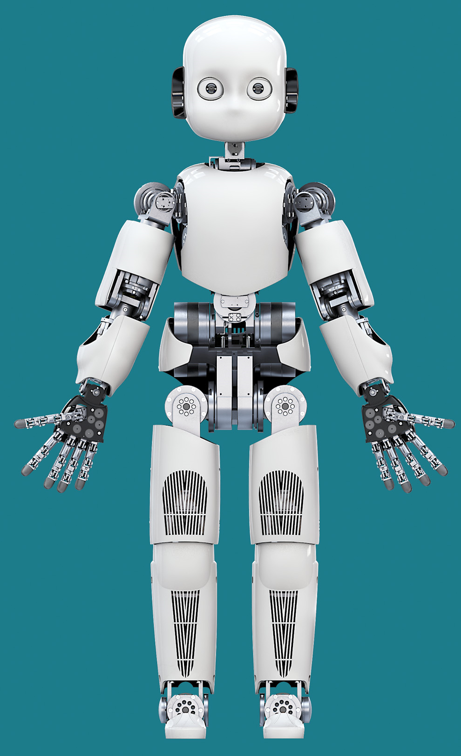
SS
SS
SS
SS
SS
SS
SS
SS
SS
SS
SS
SS
SS
HPU
ATIS
ATIS
I2C

HPU I/f | Single part | Sesnorized part | Number | patch | taxel | Num Events |  | Num tot for whole body | Info num, bit
Skin Sensors (AUX) | Hand | finger 0 | 1 | 1 | 12 | 12 |  | 2
 |  | finger 1 | 1 | 1 | 12 | 12
 |  | finger 2 | 1 | 1 | 12 | 12
 |  | finger 3 | 1 | 1 | 12 | 12
 |  | finger 4 | 1 | 1 | 12 | 12
 |  | palmo | 1 | 4 | 11 | 44
 |  | totale |  |  |  | 104 |  |  | 7
 | Braccio | Avambraccio | 1 | 24 | 10 | 240 |  | 2 | 8
 |  | parte superiore | 1 | 47 | 10 | 470 |  |  | 9
 |  | totale |  |  |  | 710
 | Gamba | Coscia | 1 | 57 | 10 | 570 |  | 2 | 10
 |  | parte bassa | 1 | 36 | 10 | 360 |  |  | 9
 |  | totale |  |  |  | 930
 | piede | piede | 1 | 25 | 10 | 250 |  | 2
 |  | totale |  |  |  | 250 |  |  | 8
 | Busto | busto | 1 | 41 | 10 | 410 |  | 1
 |  | totale |  |  |  | 410 |  |  | 9
 | Single part | Sesnorized part | X | y | polarity | TD/APS | NumEvents | Num tot for whole body | Info num, bit
camera (RCAM) | ATIS | ATIS | 304 | 240 | 2 | 2 | 291840 | 1
 |  | totale |  |  |  |  | 291840 |  | 19
camera (LCAM) | ATIS | ATIS | 304 | 240 | 2 | 2 | 291840 | 1
 |  | totale |  |  |  |  | 291840 |  | 19
 |  |  |  |  |  | 4398
 | whole body |  |  |  |  | 588078

