Sheet1
age | income | zeta_scores
18-25 | 10K | 0.4
25-35 | 20K | 0.12
35-45 | 30K | 0.6
etc… | etc… | etc…

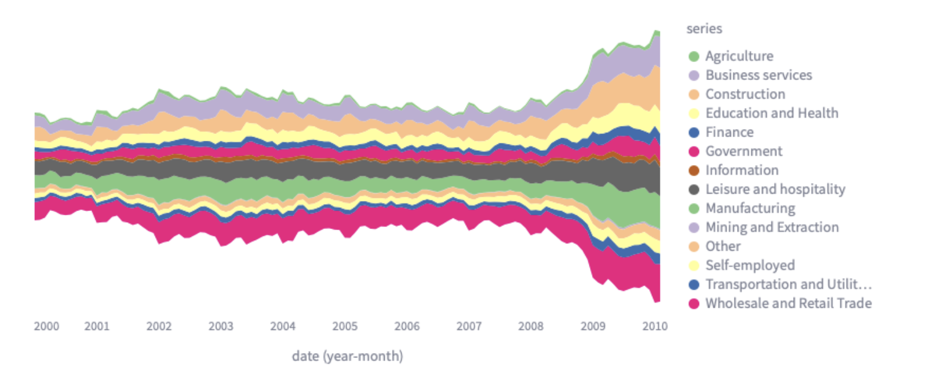

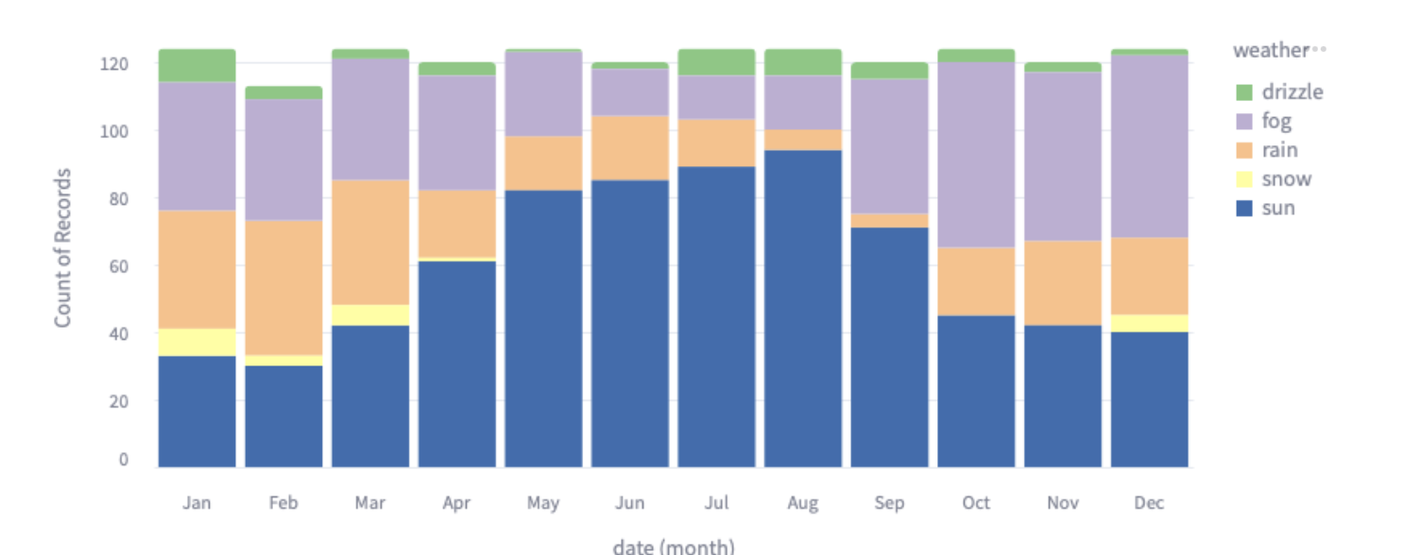
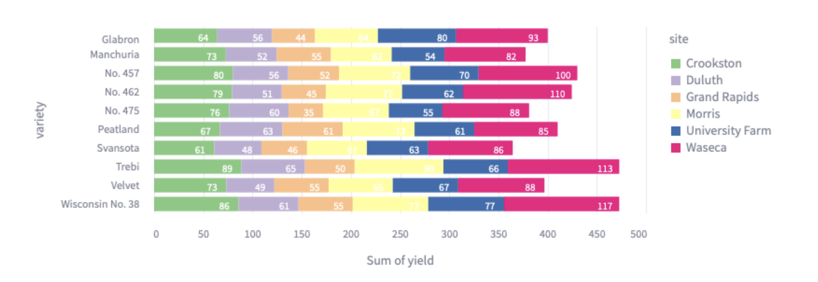

 |  |  |  |  | Color es las categorias de Transactional Categories
 |  |  |  | Colors es gender : male/female
 | X es Categories of Consumption (solo 12) como los 12 meses |  |  | Y es 4 categories -> Customer non/site visetors ; Zeta non/permision site visitors
 | Color es variable categrica : Q1, Q2, Q3, Q4 |  | drizzel = Q1; fog = Q2 ; rain = Q3 ; sun = Q4 | X sum(yield )
 | Y es count()

