Shalini Rubber
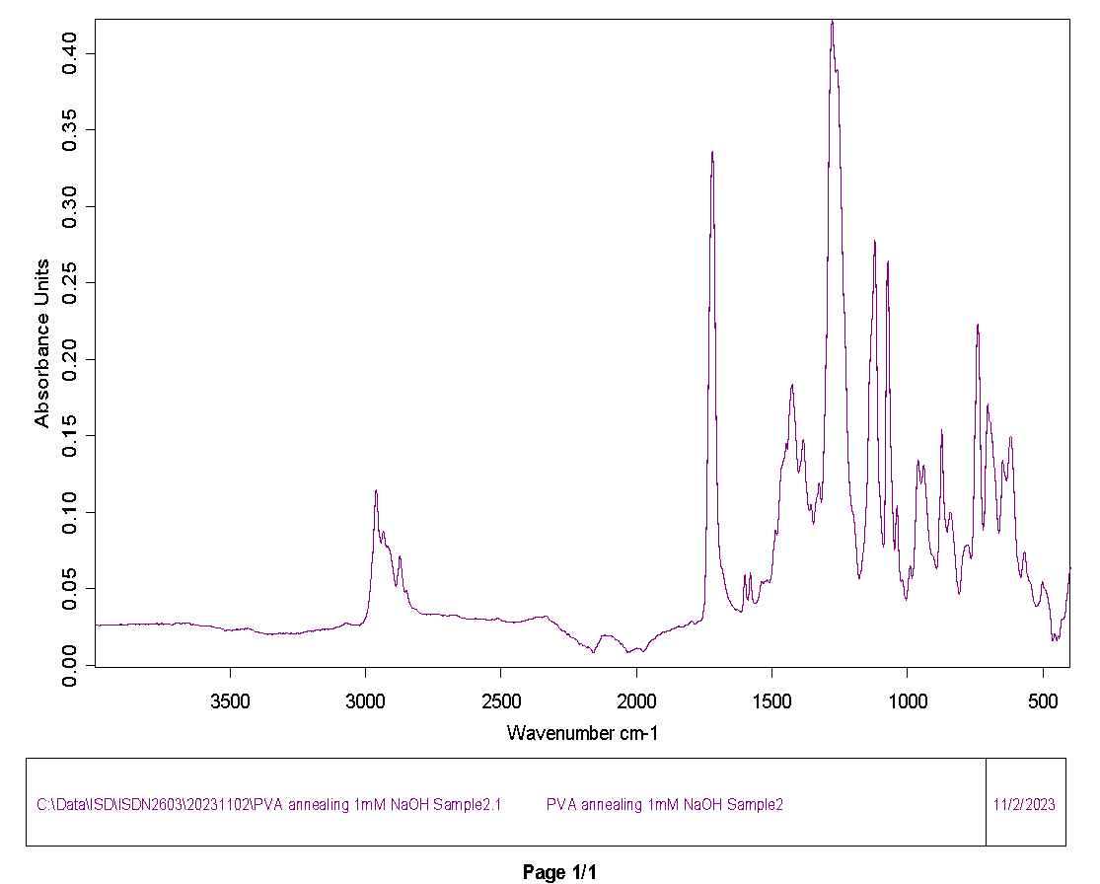
3996.35772 | 0.026172
3994.428976 | 0.026099
3992.500232 | 0.026105
3990.571488 | 0.026161
3988.642744 | 0.026267
3986.714 | 0.02634
3984.785256 | 0.026197
3982.856511 | 0.025914
3980.927767 | 0.025873
3978.999023 | 0.026058
3977.070279 | 0.026127
3975.141535 | 0.026212
3973.212791 | 0.026518
3971.284047 | 0.02675
3969.355303 | 0.02665
3967.426559 | 0.026435
3965.497815 | 0.026437
3963.569071 | 0.026548
3961.640327 | 0.026506
3959.711583 | 0.026468
3957.782839 | 0.02659
3955.854094 | 0.026655
3953.92535 | 0.026544
3951.996606 | 0.02646
3950.067862 | 0.026488
3948.139118 | 0.026488
3946.210374 | 0.026403
3944.28163 | 0.026314
3942.352886 | 0.026309
3940.424142 | 0.026356
3938.495398 | 0.026404
3936.566654 | 0.026507
3934.63791 | 0.026587
3932.709166 | 0.026545
3930.780422 | 0.026553
3928.851677 | 0.0267
3926.922933 | 0.026743
3924.994189 | 0.026646
3923.065445 | 0.026626
3921.136701 | 0.026628
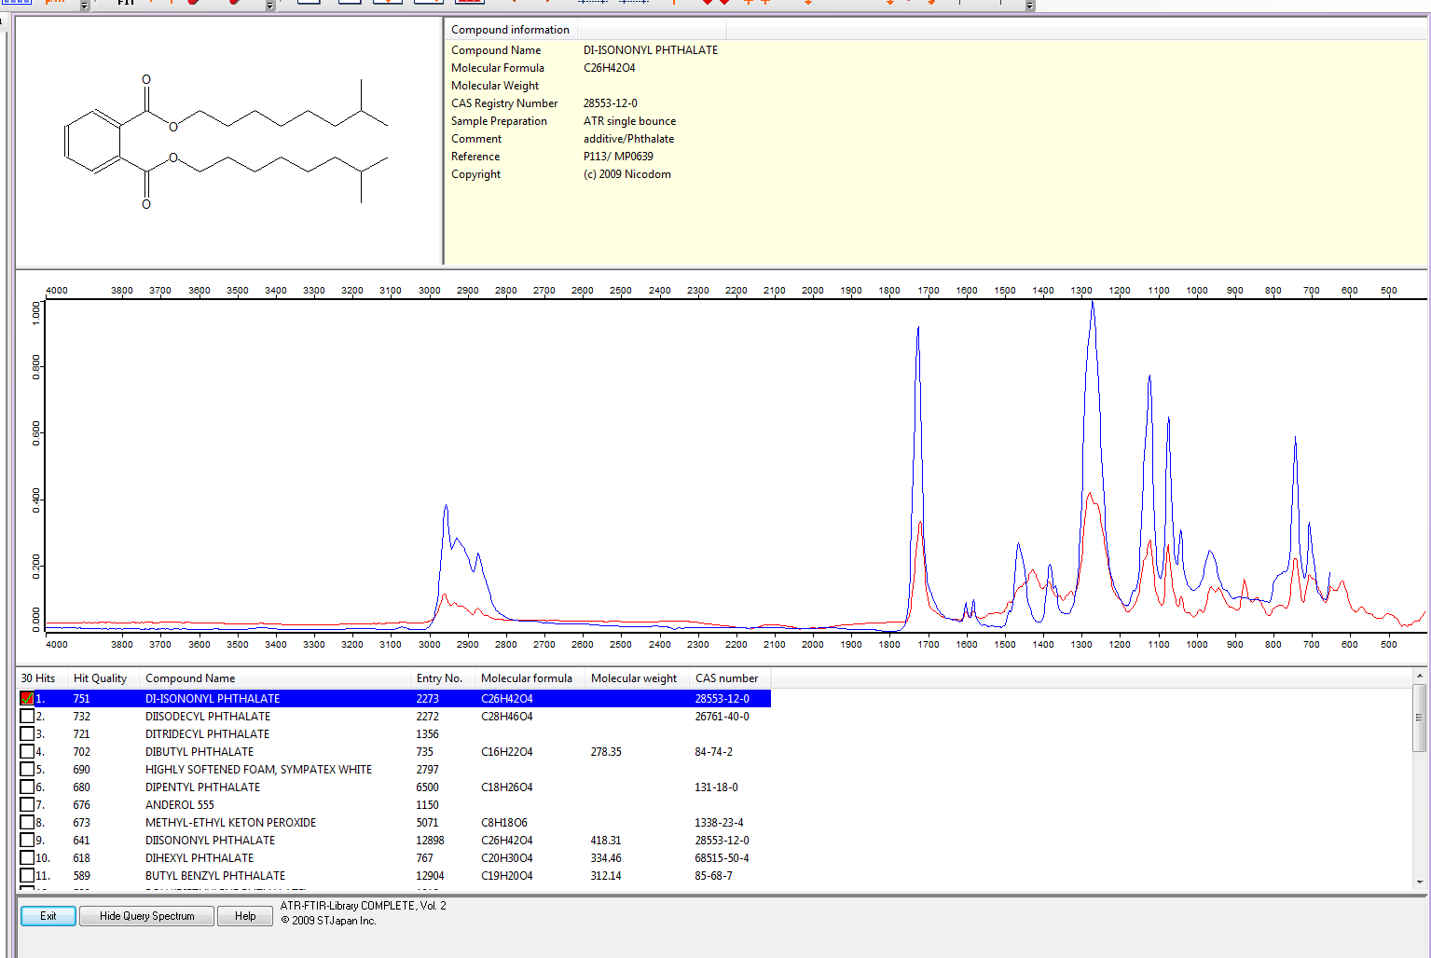
3919.207957 | 0.026539
3917.279213 | 0.026557
3915.350469 | 0.026728
3913.421725 | 0.026751
3911.492981 | 0.026606
3909.564237 | 0.026604
3907.635493 | 0.026745
3905.706749 | 0.026808
3903.778004 | 0.026782
3901.84926 | 0.026777
3899.920516 | 0.026793
3897.991772 | 0.026774
3896.063028 | 0.026722
3894.134284 | 0.026648
3892.20554 | 0.026596
3890.276796 | 0.026575
3888.348052 | 0.026508
3886.419308 | 0.026472
3884.490564 | 0.026582
3882.56182 | 0.026692
3880.633076 | 0.026648
3878.704332 | 0.026576
3876.775587 | 0.026638
3874.846843 | 0.026808
3872.918099 | 0.027038
3870.989355 | 0.027242
3869.060611 | 0.027211
3867.131867 | 0.026981
3865.203123 | 0.026863
3863.274379 | 0.026905
3861.345635 | 0.02688
3859.416891 | 0.026791
3857.488147 | 0.026893
3855.559403 | 0.027109
3853.630659 | 0.027051
3851.701915 | 0.026818
3849.77317 | 0.026764
3847.844426 | 0.026798
3845.915682 | 0.026845
3843.986938 | 0.027003
3842.058194 | 0.027199
3840.12945 | 0.027291
3838.200706 | 0.027163
3836.271962 | 0.026844
3834.343218 | 0.026681
3832.414474 | 0.026834
3830.48573 | 0.027016
3828.556986 | 0.027046
3826.628242 | 0.027059
3824.699497 | 0.027145
3822.770753 | 0.027193
3820.842009 | 0.027068
3818.913265 | 0.026908
3816.984521 | 0.026945
3815.055777 | 0.026982
3813.127033 | 0.026787
3811.198289 | 0.02668
3809.269545 | 0.026892
3807.340801 | 0.027129
3805.412057 | 0.02709
3803.483313 | 0.0269
3801.554569 | 0.026786
3799.625825 | 0.026742
3797.69708 | 0.026785
3795.768336 | 0.026997
3793.839592 | 0.02715
3791.910848 | 0.027046
3789.982104 | 0.026887
3788.05336 | 0.026852
3786.124616 | 0.026897
3784.195872 | 0.026963
3782.267128 | 0.026951
3780.338384 | 0.026842
3778.40964 | 0.026813
3776.480896 | 0.02694
3774.552152 | 0.027118
3772.623408 | 0.027298
3770.694663 | 0.027463
3768.765919 | 0.027423
3766.837175 | 0.027123
3764.908431 | 0.026824
3762.979687 | 0.026653
3761.050943 | 0.0266
3759.122199 | 0.026696
3757.193455 | 0.026844
3755.264711 | 0.027039
3753.335967 | 0.027325
3751.407223 | 0.027443
3749.478479 | 0.027208
3747.549735 | 0.026858
3745.62099 | 0.026734
3743.692246 | 0.026927
3741.763502 | 0.027215
3739.834758 | 0.027362
3737.906014 | 0.027335
3735.97727 | 0.027293
3734.048526 | 0.027247
3732.119782 | 0.027077
3730.191038 | 0.026972
3728.262294 | 0.027028
3726.33355 | 0.02708
3724.404806 | 0.027116
3722.476062 | 0.027068
3720.547318 | 0.026841
3718.618573 | 0.026639
3716.689829 | 0.026589
3714.761085 | 0.026607
3712.832341 | 0.026677
3710.903597 | 0.026725
3708.974853 | 0.026703
3707.046109 | 0.026832
3705.117365 | 0.027162
3703.188621 | 0.027396
3701.259877 | 0.027449
3699.331133 | 0.027495
3697.402389 | 0.027536
3695.473645 | 0.027549
3693.5449 | 0.027609
3691.616156 | 0.027705
3689.687412 | 0.027831
3687.758668 | 0.027883
3685.829924 | 0.027685
3683.90118 | 0.027409
3681.972436 | 0.027265
3680.043692 | 0.027215
3678.114948 | 0.027275
3676.186204 | 0.02744
3674.25746 | 0.027548
3672.328716 | 0.02756
3670.399972 | 0.027543
3668.471228 | 0.027436
3666.542483 | 0.027353
3664.613739 | 0.027413
3662.684995 | 0.027467
3660.756251 | 0.027527
3658.827507 | 0.027631
3656.898763 | 0.027723
3654.970019 | 0.027798
3653.041275 | 0.02773
3651.112531 | 0.02757
3649.183787 | 0.027425
3647.255043 | 0.027178
3645.326299 | 0.0269
3643.397555 | 0.026679
3641.468811 | 0.026493
3639.540066 | 0.026464
3637.611322 | 0.026685
3635.682578 | 0.026963
3633.753834 | 0.027021
3631.82509 | 0.026834
3629.896346 | 0.026608
3627.967602 | 0.026511
3626.038858 | 0.026537
3624.110114 | 0.026587
3622.18137 | 0.026562
3620.252626 | 0.026521
3618.323882 | 0.026587
3616.395138 | 0.026615
3614.466393 | 0.026415
3612.537649 | 0.025966
3610.608905 | 0.025559
3608.680161 | 0.025558
3606.751417 | 0.025738
3604.822673 | 0.025831
3602.893929 | 0.025993
3600.965185 | 0.026091
3599.036441 | 0.025918
3597.107697 | 0.02574
3595.178953 | 0.02572
3593.250209 | 0.025653
3591.321465 | 0.025583
3589.392721 | 0.025708
3587.463976 | 0.025825
3585.535232 | 0.025724
3583.606488 | 0.025631
3581.677744 | 0.025745
3579.749 | 0.025862
3577.820256 | 0.025723
3575.891512 | 0.025509
3573.962768 | 0.02549
3572.034024 | 0.025533
3570.10528 | 0.025514
3568.176536 | 0.025477
3566.247792 | 0.025345
3564.319048 | 0.025142
3562.390304 | 0.02501
3560.461559 | 0.024992
3558.532815 | 0.025028
3556.604071 | 0.024973
3554.675327 | 0.024801
3552.746583 | 0.024677
3550.817839 | 0.024672
3548.889095 | 0.024714
3546.960351 | 0.024711
3545.031607 | 0.024587
3543.102863 | 0.024402
3541.174119 | 0.024296
3539.245375 | 0.024309
3537.316631 | 0.024409
3535.387886 | 0.024445
3533.459142 | 0.024255
3531.530398 | 0.024061
3529.601654 | 0.024058
3527.67291 | 0.024036
3525.744166 | 0.023899
3523.815422 | 0.023627
3521.886678 | 0.023185
3519.957934 | 0.022832
3518.02919 | 0.022764
3516.100446 | 0.022848
3514.171702 | 0.022892
3512.242958 | 0.02292
3510.314214 | 0.023047
3508.385469 | 0.023187
3506.456725 | 0.023269
3504.527981 | 0.023309
3502.599237 | 0.023255
3500.670493 | 0.023178
3498.741749 | 0.023123
3496.813005 | 0.022982
3494.884261 | 0.022812
3492.955517 | 0.022767
3491.026773 | 0.022829
3489.098029 | 0.022925
3487.169285 | 0.023025
3485.240541 | 0.023148
3483.311796 | 0.023316
3481.383052 | 0.023371
3479.454308 | 0.023241
3477.525564 | 0.023228
3475.59682 | 0.023472
3473.668076 | 0.023619
3471.739332 | 0.023522
3469.810588 | 0.023499
3467.881844 | 0.023595
3465.9531 | 0.02351
3464.024356 | 0.023295
3462.095612 | 0.023309
3460.166868 | 0.023552
3458.238124 | 0.023738
3456.309379 | 0.023822
3454.380635 | 0.023872
3452.451891 | 0.0238
3450.523147 | 0.023601
3448.594403 | 0.023511
3446.665659 | 0.023664
3444.736915 | 0.023978
3442.808171 | 0.024241
3440.879427 | 0.02418
3438.950683 | 0.023962
3437.021939 | 0.023967
3435.093195 | 0.024137
3433.164451 | 0.024251
3431.235707 | 0.024232
3429.306962 | 0.024142
3427.378218 | 0.02405
3425.449474 | 0.023907
3423.52073 | 0.023698
3421.591986 | 0.023517
3419.663242 | 0.02347
3417.734498 | 0.023497
3415.805754 | 0.02337
3413.87701 | 0.023078
3411.948266 | 0.022742
3410.019522 | 0.022348
3408.090778 | 0.021996
3406.162034 | 0.021802
3404.233289 | 0.021723
3402.304545 | 0.021831
3400.375801 | 0.022089
3398.447057 | 0.022174
3396.518313 | 0.021984
3394.589569 | 0.021697
3392.660825 | 0.021451
3390.732081 | 0.021357
3388.803337 | 0.021424
3386.874593 | 0.021519
3384.945849 | 0.02154
3383.017105 | 0.021441
3381.088361 | 0.02129
3379.159617 | 0.021188
3377.230872 | 0.021009
3375.302128 | 0.020714
3373.373384 | 0.020546
3371.44464 | 0.020572
3369.515896 | 0.020646
3367.587152 | 0.020663
3365.658408 | 0.020569
3363.729664 | 0.020393
3361.80092 | 0.020223
3359.872176 | 0.020198
3357.943432 | 0.02035
3356.014688 | 0.020454
3354.085944 | 0.020418
3352.1572 | 0.020426
3350.228455 | 0.02056
3348.299711 | 0.020643
3346.370967 | 0.020463
3344.442223 | 0.020136
3342.513479 | 0.020003
3340.584735 | 0.020162
3338.655991 | 0.020442
3336.727247 | 0.020623
3334.798503 | 0.020594
3332.869759 | 0.020484
3330.941015 | 0.020489
3329.012271 | 0.02063
3327.083527 | 0.020793
3325.154782 | 0.020844
3323.226038 | 0.020795
3321.297294 | 0.020748
3319.36855 | 0.020783
3317.439806 | 0.020994
3315.511062 | 0.021175
3313.582318 | 0.020998
3311.653574 | 0.020696
3309.72483 | 0.020635
3307.796086 | 0.020745
3305.867342 | 0.0209
3303.938598 | 0.021045
3302.009854 | 0.021022
3300.08111 | 0.020847
3298.152365 | 0.020714
3296.223621 | 0.020674
3294.294877 | 0.020759
3292.366133 | 0.020984
3290.437389 | 0.021198
3288.508645 | 0.021247
3286.579901 | 0.021056
3284.651157 | 0.02076
3282.722413 | 0.020662
3280.793669 | 0.020732
3278.864925 | 0.020755
3276.936181 | 0.02081
3275.007437 | 0.020986
3273.078692 | 0.021043
3271.149948 | 0.020813
3269.221204 | 0.020587
3267.29246 | 0.020595
3265.363716 | 0.020618
3263.434972 | 0.020556
3261.506228 | 0.020599
3259.577484 | 0.020734
3257.64874 | 0.020759
3255.719996 | 0.020756
3253.791252 | 0.020892
3251.862508 | 0.021035
3249.933764 | 0.021071
3248.00502 | 0.021024
3246.076275 | 0.020912
3244.147531 | 0.020761
3242.218787 | 0.020607
3240.290043 | 0.020594
3238.361299 | 0.020795
3236.432555 | 0.021121
3234.503811 | 0.021398
3232.575067 | 0.021463
3230.646323 | 0.021469
3228.717579 | 0.021623
3226.788835 | 0.021797
3224.860091 | 0.021899
3222.931347 | 0.021994
3221.002603 | 0.022014
3219.073858 | 0.0219
3217.145114 | 0.021789
3215.21637 | 0.021844
3213.287626 | 0.022065
3211.358882 | 0.022286
3209.430138 | 0.022378
3207.501394 | 0.022387
3205.57265 | 0.022403
3203.643906 | 0.022389
3201.715162 | 0.022288
3199.786418 | 0.022242
3197.857674 | 0.022338
3195.92893 | 0.022348
3194.000185 | 0.02221
3192.071441 | 0.022251
3190.142697 | 0.022503
3188.213953 | 0.022623
3186.285209 | 0.022641
3184.356465 | 0.022786
3182.427721 | 0.02301
3180.498977 | 0.023153
3178.570233 | 0.023159
3176.641489 | 0.023183
3174.712745 | 0.023272
3172.784001 | 0.023191
3170.855257 | 0.022964
3168.926513 | 0.022904
3166.997768 | 0.023044
3165.069024 | 0.023202
3163.14028 | 0.023331
3161.211536 | 0.023418
3159.282792 | 0.023495
3157.354048 | 0.023632
3155.425304 | 0.023718
3153.49656 | 0.02359
3151.567816 | 0.023367
3149.639072 | 0.023365
3147.710328 | 0.023592
3145.781584 | 0.02381
3143.85284 | 0.023892
3141.924096 | 0.023726
3139.995351 | 0.023495
3138.066607 | 0.023535
3136.137863 | 0.023729
3134.209119 | 0.023863
3132.280375 | 0.023926
3130.351631 | 0.023912
3128.422887 | 0.023847
3126.494143 | 0.02383
3124.565399 | 0.023929
3122.636655 | 0.02408
3120.707911 | 0.024163
3118.779167 | 0.024136
3116.850423 | 0.024094
3114.921678 | 0.02414
3112.992934 | 0.024229
3111.06419 | 0.024334
3109.135446 | 0.02455
3107.206702 | 0.024789
3105.277958 | 0.024858
3103.349214 | 0.024875
3101.42047 | 0.024947
3099.491726 | 0.024988
3097.562982 | 0.025072
3095.634238 | 0.025229
3093.705494 | 0.025372
3091.77675 | 0.025516
3089.848006 | 0.025654
3087.919261 | 0.025764
3085.990517 | 0.025923
3084.061773 | 0.026175
3082.133029 | 0.026455
3080.204285 | 0.02671
3078.275541 | 0.026931
3076.346797 | 0.02712
3074.418053 | 0.027343
3072.489309 | 0.027573
3070.560565 | 0.027681
3068.631821 | 0.027696
3066.703077 | 0.02762
3064.774333 | 0.02736
3062.845589 | 0.027053
3060.916844 | 0.026919
3058.9881 | 0.026928
3057.059356 | 0.026918
3055.130612 | 0.026843
3053.201868 | 0.026684
3051.273124 | 0.026461
3049.34438 | 0.026292
3047.415636 | 0.026208
3045.486892 | 0.026181
3043.558148 | 0.026219
3041.629404 | 0.026272
3039.70066 | 0.02631
3037.771916 | 0.026374
3035.843171 | 0.026479
3033.914427 | 0.026556
3031.985683 | 0.026504
3030.056939 | 0.026338
3028.128195 | 0.02623
3026.199451 | 0.026218
3024.270707 | 0.026128
3022.341963 | 0.026041
3020.413219 | 0.026187
3018.484475 | 0.026492
3016.555731 | 0.026779
3014.626987 | 0.027049
3012.698243 | 0.027314
3010.769499 | 0.027556
3008.840754 | 0.027848
3006.91201 | 0.028264
3004.983266 | 0.028783
3003.054522 | 0.029395
3001.125778 | 0.0301
2999.197034 | 0.030824
2997.26829 | 0.031588
2995.339546 | 0.032643
2993.410802 | 0.034084
2991.482058 | 0.035664
2989.553314 | 0.03738
2987.62457 | 0.039565
2985.695826 | 0.042279
2983.767081 | 0.045356
2981.838337 | 0.048782
2979.909593 | 0.052729
2977.980849 | 0.05736
2976.052105 | 0.062633
2974.123361 | 0.068547
2972.194617 | 0.075216
2970.265873 | 0.082578
2968.337129 | 0.090408
2966.408385 | 0.098252
2964.479641 | 0.105488
2962.550897 | 0.111328
2960.622153 | 0.114633
2958.693409 | 0.114592
2956.764664 | 0.111298
2954.83592 | 0.105596
2952.907176 | 0.09879
2950.978432 | 0.092169
2949.049688 | 0.086702
2947.120944 | 0.082843
2945.1922 | 0.080593
2943.263456 | 0.07989
2941.334712 | 0.080654
2939.405968 | 0.082564
2937.477224 | 0.08496
2935.54848 | 0.086951
2933.619736 | 0.087773
2931.690992 | 0.087134
2929.762247 | 0.08523
2927.833503 | 0.082608
2925.904759 | 0.080019
2923.976015 | 0.078093
2922.047271 | 0.077178
2920.118527 | 0.077386
2918.189783 | 0.078157
2916.261039 | 0.078337
2914.332295 | 0.077501
2912.403551 | 0.076265
2910.474807 | 0.075077
2908.546063 | 0.073778
2906.617319 | 0.072086
2904.688574 | 0.069997
2902.75983 | 0.067825
2900.831086 | 0.065806
2898.902342 | 0.063796
2896.973598 | 0.061597
2895.044854 | 0.059282
2893.11611 | 0.056987
2891.187366 | 0.054801
2889.258622 | 0.05299
2887.329878 | 0.051888
2885.401134 | 0.051756
2883.47239 | 0.052872
2881.543646 | 0.055459
2879.614902 | 0.059503
2877.686157 | 0.064459
2875.757413 | 0.068949
2873.828669 | 0.071326
2871.899925 | 0.070975
2869.971181 | 0.068706
2868.042437 | 0.065705
2866.113693 | 0.062579
2864.184949 | 0.059434
2862.256205 | 0.056289
2860.327461 | 0.053231
2858.398717 | 0.050521
2856.469973 | 0.048539
2854.541229 | 0.047495
2852.612485 | 0.047431
2850.68374 | 0.048142
2848.754996 | 0.048737
2846.826252 | 0.048236
2844.897508 | 0.046725
2842.968764 | 0.044935
2841.04002 | 0.043289
2839.111276 | 0.041916
2837.182532 | 0.040853
2835.253788 | 0.040003
2833.325044 | 0.039222
2831.3963 | 0.038507
2829.467556 | 0.037935
2827.538812 | 0.037533
2825.610067 | 0.037311
2823.681323 | 0.037234
2821.752579 | 0.037193
2819.823835 | 0.037108
2817.895091 | 0.037015
2815.966347 | 0.036938
2814.037603 | 0.036781
2812.108859 | 0.036454
2810.180115 | 0.036004
2808.251371 | 0.035556
2806.322627 | 0.035186
2804.393883 | 0.034902
2802.465139 | 0.034673
2800.536395 | 0.034455
2798.60765 | 0.034233
2796.678906 | 0.03403
2794.750162 | 0.033886
2792.821418 | 0.033806
2790.892674 | 0.033746
2788.96393 | 0.033697
2787.035186 | 0.033686
2785.106442 | 0.033691
2783.177698 | 0.033661
2781.248954 | 0.033562
2779.32021 | 0.033394
2777.391466 | 0.033227
2775.462722 | 0.033153
2773.533977 | 0.033183
2771.605233 | 0.033264
2769.676489 | 0.033337
2767.747745 | 0.033422
2765.819001 | 0.033529
2763.890257 | 0.033493
2761.961513 | 0.033296
2760.032769 | 0.033205
2758.104025 | 0.033286
2756.175281 | 0.033354
2754.246537 | 0.03333
2752.317793 | 0.033289
2750.389049 | 0.033336
2748.460305 | 0.033421
2746.53156 | 0.033442
2744.602816 | 0.033487
2742.674072 | 0.033578
2740.745328 | 0.033591
2738.816584 | 0.033512
2736.88784 | 0.033433
2734.959096 | 0.033415
2733.030352 | 0.033433
2731.101608 | 0.033455
2729.172864 | 0.033484
2727.24412 | 0.033471
2725.315376 | 0.033353
2723.386632 | 0.033173
2721.457888 | 0.033003
2719.529143 | 0.03283
2717.600399 | 0.032643
2715.671655 | 0.0325
2713.742911 | 0.032458
2711.814167 | 0.032523
2709.885423 | 0.032592
2707.956679 | 0.032599
2706.027935 | 0.032618
2704.099191 | 0.03263
2702.170447 | 0.032572
2700.241703 | 0.032503
2698.312959 | 0.032457
2696.384215 | 0.032382
2694.45547 | 0.032322
2692.526726 | 0.03238
2690.597982 | 0.032513
2688.669238 | 0.032588
2686.740494 | 0.032589
2684.81175 | 0.032591
2682.883006 | 0.032606
2680.954262 | 0.032633
2679.025518 | 0.032749
2677.096774 | 0.032895
2675.16803 | 0.032857
2673.239286 | 0.032697
2671.310542 | 0.032676
2669.381798 | 0.032775
2667.453053 | 0.032836
2665.524309 | 0.03286
2663.595565 | 0.032832
2661.666821 | 0.032637
2659.738077 | 0.032304
2657.809333 | 0.032045
2655.880589 | 0.031952
2653.951845 | 0.031886
2652.023101 | 0.031742
2650.094357 | 0.031546
2648.165613 | 0.031297
2646.236869 | 0.031047
2644.308125 | 0.030948
2642.379381 | 0.031
2640.450636 | 0.031042
2638.521892 | 0.031015
2636.593148 | 0.03099
2634.664404 | 0.030949
2632.73566 | 0.030845
2630.806916 | 0.030723
2628.878172 | 0.030593
2626.949428 | 0.030432
2625.020684 | 0.030306
2623.09194 | 0.030313
2621.163196 | 0.030378
2619.234452 | 0.030334
2617.305708 | 0.03024
2615.376963 | 0.030234
2613.448219 | 0.030325
2611.519475 | 0.030472
2609.590731 | 0.030585
2607.661987 | 0.030593
2605.733243 | 0.030523
2603.804499 | 0.030421
2601.875755 | 0.03034
2599.947011 | 0.030331
2598.018267 | 0.030419
2596.089523 | 0.030607
2594.160779 | 0.030788
2592.232035 | 0.030798
2590.303291 | 0.030591
2588.374546 | 0.030326
2586.445802 | 0.030151
2584.517058 | 0.030065
2582.588314 | 0.030123
2580.65957 | 0.030259
2578.730826 | 0.030292
2576.802082 | 0.030283
2574.873338 | 0.030273
2572.944594 | 0.0302
2571.01585 | 0.030128
2569.087106 | 0.030116
2567.158362 | 0.030147
2565.229618 | 0.030176
2563.300874 | 0.03018
2561.372129 | 0.030171
2559.443385 | 0.030118
2557.514641 | 0.030004
2555.585897 | 0.029883
2553.657153 | 0.029746
2551.728409 | 0.029661
2549.799665 | 0.029751
2547.870921 | 0.029803
2545.942177 | 0.029629
2544.013433 | 0.029438
2542.084689 | 0.029355
2540.155945 | 0.029365
2538.227201 | 0.029462
2536.298456 | 0.029487
2534.369712 | 0.029465
2532.440968 | 0.029687
2530.512224 | 0.030007
2528.58348 | 0.029999
2526.654736 | 0.029757
2524.725992 | 0.029703
2522.797248 | 0.029912
2520.868504 | 0.030214
2518.93976 | 0.030471
2517.011016 | 0.030573
2515.082272 | 0.030587
2513.153528 | 0.030619
2511.224784 | 0.030638
2509.296039 | 0.030633
2507.367295 | 0.030538
2505.438551 | 0.030316
2503.509807 | 0.030096
2501.581063 | 0.029927
2499.652319 | 0.029722
2497.723575 | 0.029467
2495.794831 | 0.029296
2493.866087 | 0.029295
2491.937343 | 0.029286
2490.008599 | 0.029106
2488.079855 | 0.028907
2486.151111 | 0.028886
2484.222366 | 0.028909
2482.293622 | 0.028679
2480.364878 | 0.028301
2478.436134 | 0.028147
2476.50739 | 0.028287
2474.578646 | 0.028495
2472.649902 | 0.028558
2470.721158 | 0.028537
2468.792414 | 0.028559
2466.86367 | 0.028484
2464.934926 | 0.028327
2463.006182 | 0.028335
2461.077438 | 0.028466
2459.148694 | 0.028554
2457.219949 | 0.028496
2455.291205 | 0.028251
2453.362461 | 0.028023
2451.433717 | 0.027955
2449.504973 | 0.027983
2447.576229 | 0.028076
2445.647485 | 0.028203
2443.718741 | 0.028378
2441.789997 | 0.028531
2439.861253 | 0.02853
2437.932509 | 0.028498
2436.003765 | 0.028526
2434.075021 | 0.028593
2432.146277 | 0.028688
2430.217532 | 0.028659
2428.288788 | 0.028485
2426.360044 | 0.028373
2424.4313 | 0.028439
2422.502556 | 0.028697
2420.573812 | 0.029055
2418.645068 | 0.029285
2416.716324 | 0.029228
2414.78758 | 0.029007
2412.858836 | 0.028961
2410.930092 | 0.029167
2409.001348 | 0.029396
2407.072604 | 0.029554
2405.143859 | 0.029633
2403.215115 | 0.029611
2401.286371 | 0.029568
2399.357627 | 0.029653
2397.428883 | 0.029945
2395.500139 | 0.030282
2393.571395 | 0.030431
2391.642651 | 0.030407
2389.713907 | 0.030342
2387.785163 | 0.030274
2385.856419 | 0.030232
2383.927675 | 0.030271
2381.998931 | 0.030404
2380.070187 | 0.030551
2378.141442 | 0.030654
2376.212698 | 0.030843
2374.283954 | 0.031175
2372.35521 | 0.031441
2370.426466 | 0.031535
2368.497722 | 0.031629
2366.568978 | 0.031764
2364.640234 | 0.031774
2362.71149 | 0.03178
2360.782746 | 0.031928
2358.854002 | 0.031918
2356.925258 | 0.031657
2354.996514 | 0.031485
2353.06777 | 0.031496
2351.139025 | 0.031474
2349.210281 | 0.031364
2347.281537 | 0.031294
2345.352793 | 0.031345
2343.424049 | 0.031519
2341.495305 | 0.031762
2339.566561 | 0.031934
2337.637817 | 0.031996
2335.709073 | 0.032048
2333.780329 | 0.032088
2331.851585 | 0.032077
2329.922841 | 0.032033
2327.994097 | 0.031762
2326.065352 | 0.031088
2324.136608 | 0.030337
2322.207864 | 0.029917
2320.27912 | 0.029691
2318.350376 | 0.029403
2316.421632 | 0.029136
2314.492888 | 0.028945
2312.564144 | 0.02873
2310.6354 | 0.028459
2308.706656 | 0.028242
2306.777912 | 0.028205
2304.849168 | 0.028231
2302.920424 | 0.028058
2300.99168 | 0.027645
2299.062935 | 0.02723
2297.134191 | 0.026993
2295.205447 | 0.026835
2293.276703 | 0.02661
2291.347959 | 0.026282
2289.419215 | 0.025803
2287.490471 | 0.025199
2285.561727 | 0.024629
2283.632983 | 0.02418
2281.704239 | 0.023903
2279.775495 | 0.023752
2277.846751 | 0.023486
2275.918007 | 0.023033
2273.989262 | 0.02256
2272.060518 | 0.022291
2270.131774 | 0.022362
2268.20303 | 0.022486
2266.274286 | 0.022349
2264.345542 | 0.022082
2262.416798 | 0.021698
2260.488054 | 0.021129
2258.55931 | 0.020597
2256.630566 | 0.020222
2254.701822 | 0.020056
2252.773078 | 0.020183
2250.844334 | 0.02035
2248.91559 | 0.020213
2246.986845 | 0.019673
2245.058101 | 0.019006
2243.129357 | 0.018651
2241.200613 | 0.018511
2239.271869 | 0.018345
2237.343125 | 0.018203
2235.414381 | 0.018147
2233.485637 | 0.018136
2231.556893 | 0.017931
2229.628149 | 0.017649
2227.699405 | 0.017598
2225.770661 | 0.017445
2223.841917 | 0.01695
2221.913173 | 0.016539
2219.984428 | 0.016465
2218.055684 | 0.016242
2216.12694 | 0.015567
2214.198196 | 0.014797
2212.269452 | 0.01416
2210.340708 | 0.013794
2208.411964 | 0.013788
2206.48322 | 0.013938
2204.554476 | 0.014074
2202.625732 | 0.013985
2200.696988 | 0.013485
2198.768244 | 0.012935
2196.8395 | 0.012891
2194.910755 | 0.013153
2192.982011 | 0.013113
2191.053267 | 0.012794
2189.124523 | 0.01253
2187.195779 | 0.012165
2185.267035 | 0.011588
2183.338291 | 0.011284
2181.409547 | 0.011527
2179.480803 | 0.011982
2177.552059 | 0.012114
2175.623315 | 0.011702
2173.694571 | 0.011279
2171.765827 | 0.011125
2169.837083 | 0.010692
2167.908338 | 0.010018
2165.979594 | 0.009695
2164.05085 | 0.009412
2162.122106 | 0.008706
2160.193362 | 0.008203
2158.264618 | 0.008325
2156.335874 | 0.00871
2154.40713 | 0.009425
2152.478386 | 0.010416
2150.549642 | 0.011143
2148.620898 | 0.011571
2146.692154 | 0.011883
2144.76341 | 0.012289
2142.834666 | 0.013236
2140.905921 | 0.014372
2138.977177 | 0.014903
2137.048433 | 0.015178
2135.119689 | 0.015803
2133.190945 | 0.016651
2131.262201 | 0.017734
2129.333457 | 0.018776
2127.404713 | 0.019153
2125.475969 | 0.019161
2123.547225 | 0.019179
2121.618481 | 0.019056
2119.689737 | 0.019159
2117.760993 | 0.019616
2115.832248 | 0.019755
2113.903504 | 0.019502
2111.97476 | 0.019408
2110.046016 | 0.019445
2108.117272 | 0.019355
2106.188528 | 0.019288
2104.259784 | 0.019281
2102.33104 | 0.019313
2100.402296 | 0.01949
2098.473552 | 0.019609
2096.544808 | 0.019517
2094.616064 | 0.019359
2092.68732 | 0.019213
2090.758576 | 0.019063
2088.829831 | 0.018857
2086.901087 | 0.018626
2084.972343 | 0.018439
2083.043599 | 0.018243
2081.114855 | 0.018007
2079.186111 | 0.017587
2077.257367 | 0.016922
2075.328623 | 0.016485
2073.399879 | 0.016466
2071.471135 | 0.016472
2069.542391 | 0.016413
2067.613647 | 0.016338
2065.684903 | 0.015977
2063.756158 | 0.015296
2061.827414 | 0.014598
2059.89867 | 0.014007
2057.969926 | 0.013739
2056.041182 | 0.013997
2054.112438 | 0.014261
2052.183694 | 0.013999
2050.25495 | 0.013266
2048.326206 | 0.012352
2046.397462 | 0.01175
2044.468718 | 0.011569
2042.539974 | 0.011315
2040.61123 | 0.010784
2038.682486 | 0.010039
2036.753741 | 0.009114
2034.824997 | 0.008545
2032.896253 | 0.008695
2030.967509 | 0.008994
2029.038765 | 0.009083
2027.110021 | 0.009085
2025.181277 | 0.008852
2023.252533 | 0.00862
2021.323789 | 0.008932
2019.395045 | 0.009382
2017.466301 | 0.009486
2015.537557 | 0.009599
2013.608813 | 0.009842
2011.680069 | 0.010095
2009.751324 | 0.010329
2007.82258 | 0.01044
2005.893836 | 0.010573
2003.965092 | 0.01075
2002.036348 | 0.010841
2000.107604 | 0.011127
1998.17886 | 0.011424
1996.250116 | 0.011091
1994.321372 | 0.010666
1992.392628 | 0.010894
1990.463884 | 0.011149
1988.53514 | 0.010951
1986.606396 | 0.010776
1984.677651 | 0.01084
1982.748907 | 0.010643
1980.820163 | 0.009841
1978.891419 | 0.009087
1976.962675 | 0.00896
1975.033931 | 0.009141
1973.105187 | 0.009283
1971.176443 | 0.009439
1969.247699 | 0.009792
1967.318955 | 0.010105
1965.390211 | 0.010212
1963.461467 | 0.010663
1961.532723 | 0.011551
1959.603979 | 0.012381
1957.675234 | 0.013103
1955.74649 | 0.013766
1953.817746 | 0.014271
1951.889002 | 0.014726
1949.960258 | 0.015193
1948.031514 | 0.015688
1946.10277 | 0.016301
1944.174026 | 0.016744
1942.245282 | 0.016716
1940.316538 | 0.016572
1938.387794 | 0.016753
1936.45905 | 0.017234
1934.530306 | 0.017655
1932.601562 | 0.017659
1930.672817 | 0.01746
1928.744073 | 0.017697
1926.815329 | 0.018487
1924.886585 | 0.019237
1922.957841 | 0.019539
1921.029097 | 0.019639
1919.100353 | 0.019767
1917.171609 | 0.019849
1915.242865 | 0.019906
1913.314121 | 0.020011
1911.385377 | 0.020201
1909.456633 | 0.020551
1907.527889 | 0.020985
1905.599144 | 0.021309
1903.6704 | 0.021516
1901.741656 | 0.021643
1899.812912 | 0.02161
1897.884168 | 0.021555
1895.955424 | 0.021662
1894.02668 | 0.02179
1892.097936 | 0.021891
1890.169192 | 0.022105
1888.240448 | 0.02238
1886.311704 | 0.022543
1884.38296 | 0.022548
1882.454216 | 0.022565
1880.525472 | 0.022696
1878.596727 | 0.022777
1876.667983 | 0.022834
1874.739239 | 0.023144
1872.810495 | 0.023534
1870.881751 | 0.023639
1868.953007 | 0.023607
1867.024263 | 0.023695
1865.095519 | 0.023863
1863.166775 | 0.024044
1861.238031 | 0.02418
1859.309287 | 0.024261
1857.380543 | 0.024378
1855.451799 | 0.024524
1853.523055 | 0.024668
1851.59431 | 0.02482
1849.665566 | 0.024941
1847.736822 | 0.025098
1845.808078 | 0.025319
1843.879334 | 0.025462
1841.95059 | 0.025424
1840.021846 | 0.025279
1838.093102 | 0.025232
1836.164358 | 0.025323
1834.235614 | 0.025375
1832.30687 | 0.025366
1830.378126 | 0.025364
1828.449382 | 0.025343
1826.520637 | 0.025327
1824.591893 | 0.02538
1822.663149 | 0.025532
1820.734405 | 0.025825
1818.805661 | 0.026167
1816.876917 | 0.026345
1814.948173 | 0.026337
1813.019429 | 0.026352
1811.090685 | 0.026491
1809.161941 | 0.026657
1807.233197 | 0.026819
1805.304453 | 0.027086
1803.375709 | 0.027551
1801.446965 | 0.028136
1799.51822 | 0.028603
1797.589476 | 0.028835
1795.660732 | 0.028944
1793.731988 | 0.028943
1791.803244 | 0.028643
1789.8745 | 0.02807
1787.945756 | 0.027547
1786.017012 | 0.027267
1784.088268 | 0.02718
1782.159524 | 0.027209
1780.23078 | 0.02735
1778.302036 | 0.027554
1776.373292 | 0.0278
1774.444547 | 0.028134
1772.515803 | 0.028491
1770.587059 | 0.0287
1768.658315 | 0.028758
1766.729571 | 0.028813
1764.800827 | 0.028873
1762.872083 | 0.028942
1760.943339 | 0.029109
1759.014595 | 0.029336
1757.085851 | 0.029721
1755.157107 | 0.030667
1753.228363 | 0.032624
1751.299619 | 0.036056
1749.370875 | 0.041532
1747.44213 | 0.049648
1745.513386 | 0.061028
1743.584642 | 0.075957
1741.655898 | 0.094293
1739.727154 | 0.115607
1737.79841 | 0.13845
1735.869666 | 0.162324
1733.940922 | 0.188052
1732.012178 | 0.214002
1730.083434 | 0.238715
1728.15469 | 0.26289
1726.225946 | 0.286134
1724.297202 | 0.307144
1722.368458 | 0.324016
1720.439713 | 0.334344
1718.510969 | 0.336053
1716.582225 | 0.3272
1714.653481 | 0.307549
1712.724737 | 0.279578
1710.795993 | 0.246854
1708.867249 | 0.213268
1706.938505 | 0.181866
1705.009761 | 0.154605
1703.081017 | 0.132427
1701.152273 | 0.114459
1699.223529 | 0.100155
1697.294785 | 0.089515
1695.36604 | 0.081638
1693.437296 | 0.07585
1691.508552 | 0.071628
1689.579808 | 0.068414
1687.651064 | 0.065974
1685.72232 | 0.064101
1683.793576 | 0.062484
1681.864832 | 0.060857
1679.936088 | 0.059197
1678.007344 | 0.057536
1676.0786 | 0.055805
1674.149856 | 0.053965
1672.221112 | 0.052105
1670.292368 | 0.050354
1668.363623 | 0.048787
1666.434879 | 0.047446
1664.506135 | 0.046265
1662.577391 | 0.045166
1660.648647 | 0.044129
1658.719903 | 0.043145
1656.791159 | 0.042271
1654.862415 | 0.041549
1652.933671 | 0.040876
1651.004927 | 0.040156
1649.076183 | 0.039507
1647.147439 | 0.039053
1645.218695 | 0.038712
1643.289951 | 0.038312
1641.361206 | 0.03781
1639.432462 | 0.037337
1637.503718 | 0.036993
1635.574974 | 0.036711
1633.64623 | 0.036446
1631.717486 | 0.036339
1629.788742 | 0.036422
1627.859998 | 0.036502
1625.931254 | 0.036464
1624.00251 | 0.036303
1622.073766 | 0.035989
1620.145022 | 0.035573
1618.216278 | 0.03521
1616.287533 | 0.03498
1614.358789 | 0.034839
1612.430045 | 0.034877
1610.501301 | 0.035424
1608.572557 | 0.036997
1606.643813 | 0.040277
1604.715069 | 0.045661
1602.786325 | 0.052298
1600.857581 | 0.057679
1598.928837 | 0.059144
1597.000093 | 0.056308
1595.071349 | 0.051306
1593.142605 | 0.046649
1591.213861 | 0.043643
1589.285116 | 0.042622
1587.356372 | 0.043696
1585.427628 | 0.047124
1583.498884 | 0.052665
1581.57014 | 0.058255
1579.641396 | 0.060617
1577.712652 | 0.058233
1575.783908 | 0.052786
1573.855164 | 0.047559
1571.92642 | 0.04418
1569.997676 | 0.042303
1568.068932 | 0.041287
1566.140188 | 0.040758
1564.211443 | 0.040492
1562.282699 | 0.040397
1560.353955 | 0.040519
1558.425211 | 0.04078
1556.496467 | 0.041078
1554.567723 | 0.041562
1552.638979 | 0.042335
1550.710235 | 0.043372
1548.781491 | 0.044674
1546.852747 | 0.046253
1544.924003 | 0.048159
1542.995259 | 0.050377
1541.066515 | 0.052646
1539.137771 | 0.054259
1537.209026 | 0.054664
1535.280282 | 0.054301
1533.351538 | 0.053873
1531.422794 | 0.053689
1529.49405 | 0.053783
1527.565306 | 0.054109
1525.636562 | 0.054541
1523.707818 | 0.05498
1521.779074 | 0.05542
1519.85033 | 0.05575
1517.921586 | 0.055807
1515.992842 | 0.055476
1514.064098 | 0.054812
1512.135354 | 0.054138
1510.206609 | 0.053827
1508.277865 | 0.054048
1506.349121 | 0.054744
1504.420377 | 0.055822
1502.491633 | 0.057393
1500.562889 | 0.059654
1498.634145 | 0.062673
1496.705401 | 0.066488
1494.776657 | 0.071119
1492.847913 | 0.076563
1490.919169 | 0.082398
1488.990425 | 0.086951
1487.061681 | 0.088505
1485.132936 | 0.087383
1483.204192 | 0.085547
1481.275448 | 0.084947
1479.346704 | 0.086644
1477.41796 | 0.09075
1475.489216 | 0.096498
1473.560472 | 0.102811
1471.631728 | 0.109177
1469.702984 | 0.115664
1467.77424 | 0.122022
1465.845496 | 0.127062
1463.916752 | 0.129817
1461.988008 | 0.13103
1460.059264 | 0.132098
1458.130519 | 0.133415
1456.201775 | 0.134428
1454.273031 | 0.135167
1452.344287 | 0.136974
1450.415543 | 0.140625
1448.486799 | 0.144295
1446.558055 | 0.145104
1444.629311 | 0.143082
1442.700567 | 0.141503
1440.771823 | 0.143323
1438.843079 | 0.149148
1436.914335 | 0.157608
1434.985591 | 0.1657
1433.056847 | 0.171038
1431.128102 | 0.174304
1429.199358 | 0.177805
1427.270614 | 0.181891
1425.34187 | 0.183767
1423.413126 | 0.181516
1421.484382 | 0.176796
1419.555638 | 0.171923
1417.626894 | 0.167534
1415.69815 | 0.163112
1413.769406 | 0.157999
1411.840662 | 0.151973
1409.911918 | 0.145324
1407.983174 | 0.138786
1406.054429 | 0.13318
1404.125685 | 0.129054
1402.196941 | 0.12668
1400.268197 | 0.126024
1398.339453 | 0.126742
1396.410709 | 0.128462
1394.481965 | 0.131036
1392.553221 | 0.134256
1390.624477 | 0.137907
1388.695733 | 0.141886
1386.766989 | 0.145578
1384.838245 | 0.147782
1382.909501 | 0.147608
1380.980757 | 0.144634
1379.052012 | 0.138811
1377.123268 | 0.131217
1375.194524 | 0.124026
1373.26578 | 0.118838
1371.337036 | 0.115282
1369.408292 | 0.111802
1367.479548 | 0.10775
1365.550804 | 0.103949
1363.62206 | 0.101527
1361.693316 | 0.101007
1359.764572 | 0.102142
1357.835828 | 0.103928
1355.907084 | 0.104853
1353.97834 | 0.103724
1352.049595 | 0.100517
1350.120851 | 0.096442
1348.192107 | 0.093167
1346.263363 | 0.091966
1344.334619 | 0.093329
1342.405875 | 0.096786
1340.477131 | 0.101063
1338.548387 | 0.104767
1336.619643 | 0.107182
1334.690899 | 0.108633
1332.762155 | 0.110167
1330.833411 | 0.112746
1328.904667 | 0.116304
1326.975922 | 0.119223
1325.047178 | 0.119316
1323.118434 | 0.116068
1321.18969 | 0.111369
1319.260946 | 0.107724
1317.332202 | 0.106588
1315.403458 | 0.108445
1313.474714 | 0.113404
1311.54597 | 0.121216
1309.617226 | 0.131076
1307.688482 | 0.141964
1305.759738 | 0.153561
1303.830994 | 0.166546
1301.90225 | 0.181682
1299.973505 | 0.19925
1298.044761 | 0.219748
1296.116017 | 0.244166
1294.187273 | 0.272848
1292.258529 | 0.304211
1290.329785 | 0.33472
1288.401041 | 0.360538
1286.472297 | 0.379862
1284.543553 | 0.393822
1282.614809 | 0.404795
1280.686065 | 0.413836
1278.757321 | 0.420146
1276.828577 | 0.422343
1274.899832 | 0.419588
1272.971088 | 0.412362
1271.042344 | 0.402915
1269.1136 | 0.39446
1267.184856 | 0.389349
1265.256112 | 0.387792
1263.327368 | 0.388276
1261.398624 | 0.389131
1259.46988 | 0.389344
1257.541136 | 0.388064
1255.612392 | 0.383975
1253.683648 | 0.375709
1251.754904 | 0.363353
1249.82616 | 0.348959
1247.897415 | 0.334834
1245.968671 | 0.321714
1244.039927 | 0.308786
1242.111183 | 0.295078
1240.182439 | 0.280528
1238.253695 | 0.26583
1236.324951 | 0.251814
1234.396207 | 0.239062
1232.467463 | 0.227668
1230.538719 | 0.216909
1228.609975 | 0.205314
1226.681231 | 0.191795
1224.752487 | 0.17684
1222.823743 | 0.162148
1220.894998 | 0.14923
1218.966254 | 0.138667
1217.03751 | 0.130282
1215.108766 | 0.123565
1213.180022 | 0.118023
1211.251278 | 0.113369
1209.322534 | 0.109511
1207.39379 | 0.106393
1205.465046 | 0.103871
1203.536302 | 0.10172
1201.607558 | 0.09973
1199.678814 | 0.097722
1197.75007 | 0.095445
1195.821325 | 0.092576
1193.892581 | 0.088955
1191.963837 | 0.084747
1190.035093 | 0.08015
1188.106349 | 0.07517
1186.177605 | 0.070041
1184.248861 | 0.065308
1182.320117 | 0.061375
1180.391373 | 0.058465
1178.462629 | 0.056802
1176.533885 | 0.056566
1174.605141 | 0.057752
1172.676397 | 0.060009
1170.747653 | 0.062809
1168.818908 | 0.065885
1166.890164 | 0.069132
1164.96142 | 0.072127
1163.032676 | 0.074466
1161.103932 | 0.076742
1159.175188 | 0.080376
1157.246444 | 0.085935
1155.3177 | 0.09243
1153.388956 | 0.09871
1151.460212 | 0.104769
1149.531468 | 0.111749
1147.602724 | 0.121277
1145.67398 | 0.134647
1143.745236 | 0.151862
1141.816491 | 0.170951
1139.887747 | 0.188646
1137.959003 | 0.202358
1136.030259 | 0.211491
1134.101515 | 0.217317
1132.172771 | 0.222078
1130.244027 | 0.227788
1128.315283 | 0.235619
1126.386539 | 0.24616
1124.457795 | 0.258896
1122.529051 | 0.270912
1120.600307 | 0.277669
1118.671563 | 0.275712
1116.742818 | 0.263781
1114.814074 | 0.242603
1112.88533 | 0.215443
1110.956586 | 0.187335
1109.027842 | 0.162492
1107.099098 | 0.142748
1105.170354 | 0.127931
1103.24161 | 0.116921
1101.312866 | 0.108418
1099.384122 | 0.101389
1097.455378 | 0.095309
1095.526634 | 0.089952
1093.59789 | 0.085196
1091.669146 | 0.081146
1089.740401 | 0.078188
1087.811657 | 0.077155
1085.882913 | 0.079937
1083.954169 | 0.090031
1082.025425 | 0.11146
1080.096681 | 0.145514
1078.167937 | 0.18784
1076.239193 | 0.228746
1074.310449 | 0.25692
1072.381705 | 0.26468
1070.452961 | 0.252097
1068.524217 | 0.226618
1066.595473 | 0.197832
1064.666728 | 0.17249
1062.737984 | 0.153111
1060.80924 | 0.139026
1058.880496 | 0.127979
1056.951752 | 0.117635
1055.023008 | 0.107001
1053.094264 | 0.096513
1051.16552 | 0.087041
1049.236776 | 0.07956
1047.308032 | 0.075473
1045.379288 | 0.076609
1043.450544 | 0.084079
1041.5218 | 0.095675
1039.593056 | 0.104698
1037.664311 | 0.104634
1035.735567 | 0.095595
1033.806823 | 0.083194
1031.878079 | 0.072374
1029.949335 | 0.06471
1028.020591 | 0.059706
1026.091847 | 0.056632
1024.163103 | 0.055148
1022.234359 | 0.054939
1020.305615 | 0.055422
1018.376871 | 0.055815
1016.448127 | 0.055315
1014.519383 | 0.053508
1012.590639 | 0.05064
1010.661894 | 0.047472
1008.73315 | 0.044822
1006.804406 | 0.043174
1004.875662 | 0.042795
1002.946918 | 0.043835
1001.018174 | 0.046137
999.08943 | 0.049354
997.160686 | 0.053242
995.231942 | 0.057462
993.303198 | 0.061308
991.374454 | 0.064008
989.44571 | 0.065084
987.516966 | 0.064129
985.588221 | 0.061042
983.659477 | 0.05754
981.730733 | 0.056604
979.801989 | 0.059247
977.873245 | 0.064187
975.944501 | 0.070369
974.015757 | 0.077736
972.087013 | 0.086554
970.158269 | 0.09683
968.229525 | 0.107876
966.300781 | 0.118374
964.372037 | 0.126895
962.443293 | 0.132295
960.514549 | 0.134131
958.585804 | 0.132938
956.65706 | 0.129849
954.728316 | 0.126001
952.799572 | 0.122295
950.870828 | 0.119559
948.942084 | 0.118672
947.01334 | 0.120254
945.084596 | 0.124034
943.155852 | 0.128421
941.227108 | 0.131127
939.298364 | 0.13065
937.36962 | 0.127172
935.440876 | 0.12219
933.512132 | 0.117209
931.583387 | 0.11265
929.654643 | 0.108057
927.725899 | 0.102936
925.797155 | 0.097349
923.868411 | 0.09192
921.939667 | 0.087192
920.010923 | 0.083194
918.082179 | 0.079826
916.153435 | 0.077207
914.224691 | 0.075277
912.295947 | 0.073698
910.367203 | 0.072424
908.438459 | 0.071712
906.509714 | 0.071445
904.58097 | 0.071028
902.652226 | 0.070075
900.723482 | 0.068626
898.794738 | 0.066879
896.865994 | 0.065245
894.93725 | 0.064137
893.008506 | 0.063585
891.079762 | 0.063446
889.151018 | 0.064297
887.222274 | 0.067996
885.29353 | 0.075778
883.364786 | 0.086302
881.436042 | 0.09838
879.507297 | 0.113371
877.578553 | 0.131198
875.649809 | 0.146943
873.721065 | 0.15394
871.792321 | 0.149352
869.863577 | 0.136741
867.934833 | 0.122729
866.006089 | 0.111501
864.077345 | 0.103607
862.148601 | 0.098157
860.219857 | 0.094344
858.291113 | 0.091588
856.362369 | 0.089422
854.433625 | 0.087729
852.50488 | 0.087101
850.576136 | 0.088652
848.647392 | 0.092393
846.718648 | 0.096261
844.789904 | 0.0986
842.86116 | 0.09976
840.932416 | 0.10016
839.003672 | 0.099389
837.074928 | 0.097171
835.146184 | 0.093968
833.21744 | 0.090474
831.288696 | 0.086902
829.359952 | 0.083232
827.431207 | 0.079404
825.502463 | 0.075342
823.573719 | 0.071028
821.644975 | 0.066475
819.716231 | 0.061953
817.787487 | 0.057678
815.858743 | 0.053691
813.929999 | 0.050326
812.001255 | 0.047908
810.072511 | 0.046522
808.143767 | 0.046453
806.215023 | 0.048178
804.286279 | 0.051773
802.357535 | 0.056609
800.42879 | 0.061795
798.500046 | 0.066473
796.571302 | 0.069883
794.642558 | 0.071956
792.713814 | 0.073407
790.78507 | 0.074795
788.856326 | 0.076149
786.927582 | 0.077353
784.998838 | 0.078256
783.070094 | 0.078741
781.14135 | 0.078892
779.212606 | 0.078892
777.283862 | 0.078792
775.355117 | 0.078332
773.426373 | 0.07713
771.497629 | 0.075245
769.568885 | 0.073084
767.640141 | 0.070997
765.711397 | 0.069617
763.782653 | 0.069897
761.853909 | 0.072459
759.925165 | 0.077615
757.996421 | 0.085838
756.067677 | 0.097618
754.138933 | 0.113223
752.210189 | 0.132607
750.281445 | 0.154749
748.3527 | 0.177352
746.423956 | 0.197632
744.495212 | 0.212777
742.566468 | 0.22098
740.637724 | 0.223076
738.70898 | 0.221152
736.780236 | 0.215119
734.851492 | 0.202567
732.922748 | 0.182762
730.994004 | 0.159126
729.06526 | 0.136681
727.136516 | 0.118682
725.207772 | 0.10576
723.279028 | 0.096816
721.350283 | 0.090898
719.421539 | 0.088559
717.492795 | 0.091841
715.564051 | 0.102716
713.635307 | 0.118763
711.706563 | 0.133144
709.777819 | 0.143788
707.849075 | 0.154751
705.920331 | 0.165658
703.991587 | 0.170895
702.062843 | 0.168824
700.134099 | 0.163777
698.205355 | 0.160212
696.27661 | 0.159236
694.347866 | 0.159533
692.419122 | 0.1589
690.490378 | 0.155694
688.561634 | 0.150248
686.63289 | 0.144167
684.704146 | 0.138764
682.775402 | 0.134599
680.846658 | 0.131331
678.917914 | 0.128054
676.98917 | 0.124179
675.060426 | 0.11947
673.131682 | 0.113532
671.202938 | 0.106564
669.274193 | 0.099854
667.345449 | 0.094407
665.416705 | 0.090282
663.487961 | 0.087477
661.559217 | 0.086362
659.630473 | 0.087453
657.701729 | 0.091555
655.772985 | 0.100135
653.844241 | 0.113321
651.915497 | 0.126675
649.986753 | 0.133939
648.058009 | 0.134125
646.129265 | 0.131116
644.200521 | 0.128016
642.271776 | 0.125816
640.343032 | 0.124486
638.414288 | 0.123419
636.485544 | 0.122076
634.5568 | 0.120784
632.628056 | 0.120779
630.699312 | 0.123162
628.770568 | 0.127817
626.841824 | 0.133533
624.91308 | 0.139188
622.984336 | 0.144117
621.055592 | 0.147744
619.126848 | 0.149569
617.198103 | 0.148993
615.269359 | 0.145706
613.340615 | 0.140333
611.411871 | 0.133832
609.483127 | 0.126639
607.554383 | 0.118852
605.625639 | 0.110718
603.696895 | 0.102517
601.768151 | 0.094442
599.839407 | 0.086824
597.910663 | 0.080009
595.981919 | 0.07419
594.053175 | 0.069571
592.124431 | 0.066187
590.195686 | 0.063637
588.266942 | 0.061492
586.338198 | 0.059707
584.409454 | 0.058358
582.48071 | 0.057567
580.551966 | 0.057959
578.623222 | 0.06001
576.694478 | 0.063205
574.765734 | 0.066663
572.83699 | 0.069709
570.908246 | 0.072089
568.979502 | 0.073744
567.050758 | 0.074169
565.122013 | 0.072899
563.193269 | 0.070177
561.264525 | 0.066599
559.335781 | 0.062766
557.407037 | 0.05943
555.478293 | 0.057151
553.549549 | 0.055803
551.620805 | 0.054994
549.692061 | 0.054545
547.763317 | 0.054269
545.834573 | 0.053801
543.905829 | 0.052742
541.977085 | 0.050996
540.048341 | 0.048968
538.119596 | 0.046805
536.190852 | 0.044377
534.262108 | 0.042238
532.333364 | 0.040983
530.40462 | 0.040368
528.475876 | 0.0397
526.547132 | 0.038925
524.618388 | 0.038643
522.689644 | 0.038737
520.7609 | 0.038908
518.832156 | 0.039327
516.903412 | 0.039923
514.974668 | 0.040623
513.045924 | 0.041349
511.117179 | 0.042071
509.188435 | 0.043437
507.259691 | 0.046221
505.330947 | 0.05006
503.402203 | 0.053326
501.473459 | 0.054534
499.544715 | 0.053686
497.615971 | 0.052049
495.687227 | 0.05062
493.758483 | 0.049679
491.829739 | 0.049251
489.900995 | 0.048814
487.972251 | 0.047901
486.043506 | 0.046742
484.114762 | 0.045417
482.186018 | 0.043684
480.257274 | 0.041705
478.32853 | 0.040065
476.399786 | 0.03862
474.471042 | 0.036438
472.542298 | 0.033217
470.613554 | 0.029213
468.68481 | 0.024504
466.756066 | 0.019643
464.827322 | 0.016366
462.898578 | 0.016167
460.969834 | 0.018152
459.041089 | 0.020012
457.112345 | 0.020736
455.183601 | 0.020445
453.254857 | 0.018859
451.326113 | 0.016691
449.397369 | 0.015939
447.468625 | 0.017015
445.539881 | 0.018745
443.611137 | 0.019652
441.682393 | 0.018784
439.753649 | 0.01769
437.824905 | 0.018729
435.896161 | 0.021822
433.967417 | 0.025387
432.038672 | 0.028183
430.109928 | 0.029774
428.181184 | 0.030441
426.25244 | 0.030547
424.323696 | 0.030481
422.394952 | 0.030829
420.466208 | 0.031548
418.537464 | 0.03276
416.60872 | 0.035697
414.679976 | 0.040008
412.751232 | 0.043303
410.822488 | 0.045106
408.893744 | 0.047501
406.964999 | 0.050953
405.036255 | 0.053965
403.107511 | 0.056794
401.178767 | 0.060615
399.250023 | 0.06408

Hin Nylon
3996.35772 | 0.107387
3994.428976 | 0.10708
3992.500232 | 0.106895
3990.571488 | 0.106963
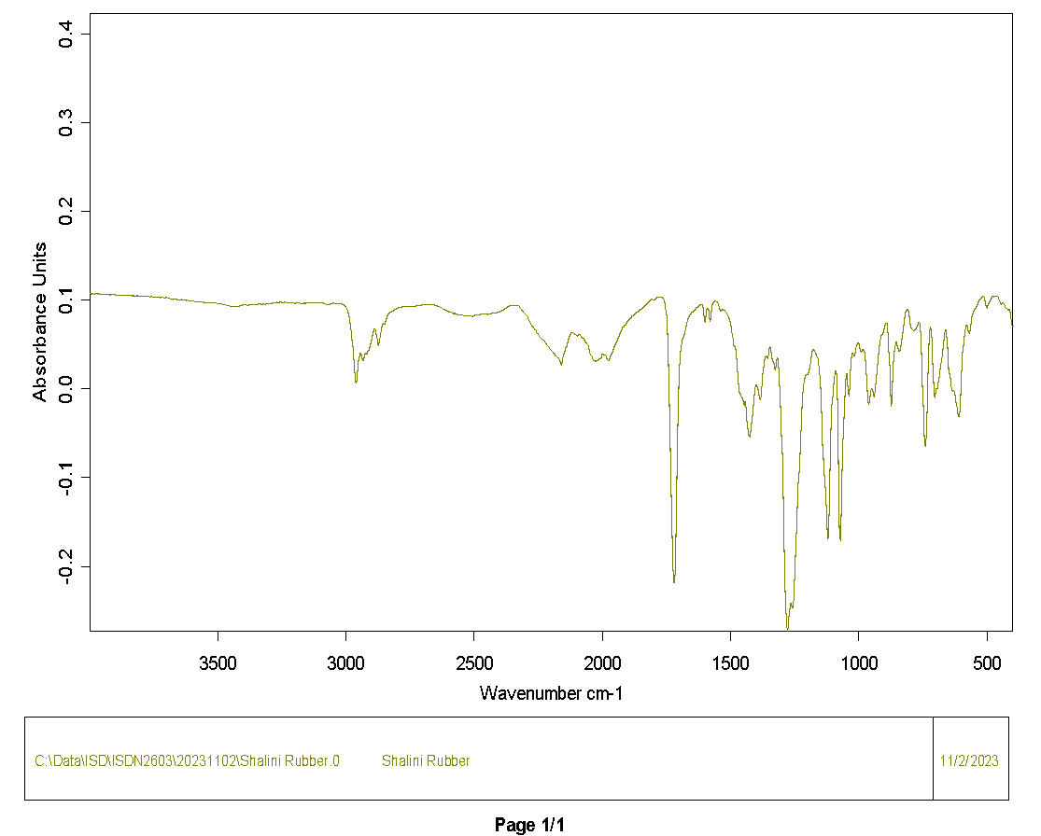
3988.642744 | 0.107142
3986.714 | 0.107236
3984.785256 | 0.107134
3982.856511 | 0.106906
3980.927767 | 0.106744
3978.999023 | 0.106771
3977.070279 | 0.106943
3975.141535 | 0.107106
3973.212791 | 0.107185
3971.284047 | 0.107188
3969.355303 | 0.107057
3967.426559 | 0.106926
3965.497815 | 0.107062
3963.569071 | 0.107248
3961.640327 | 0.107073
3959.711583 | 0.1067
3957.782839 | 0.106545
3955.854094 | 0.106552
3953.92535 | 0.106503
3951.996606 | 0.106443
3950.067862 | 0.106343
3948.139118 | 0.106157
3946.210374 | 0.106112
3944.28163 | 0.106289
3942.352886 | 0.106464
3940.424142 | 0.106569
3938.495398 | 0.10663
3936.566654 | 0.10651
3934.63791 | 0.10628
3932.709166 | 0.106134
3930.780422 | 0.105994
3928.851677 | 0.105958
3926.922933 | 0.106166
3924.994189 | 0.106374
3923.065445 | 0.106373
3921.136701 | 0.106088
3919.207957 | 0.105746
3917.279213 | 0.105862
3915.350469 | 0.106338
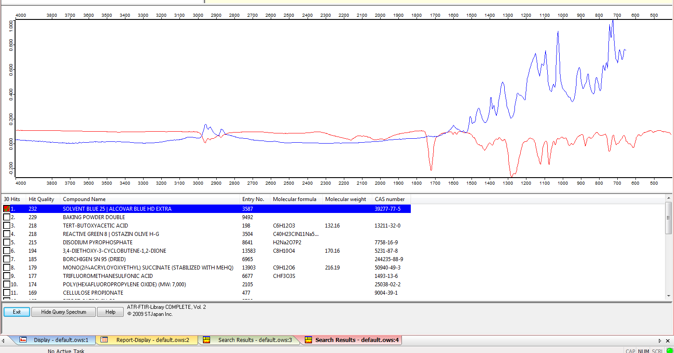
3913.421725 | 0.106641
3911.492981 | 0.106645
3909.564237 | 0.106522
3907.635493 | 0.106427
3905.706749 | 0.10639
3903.778004 | 0.106341
3901.84926 | 0.106232
3899.920516 | 0.106079
3897.991772 | 0.105911
3896.063028 | 0.105742
3894.134284 | 0.105632
3892.20554 | 0.105622
3890.276796 | 0.105615
3888.348052 | 0.105548
3886.419308 | 0.105512
3884.490564 | 0.105605
3882.56182 | 0.105768
3880.633076 | 0.105811
3878.704332 | 0.105764
3876.775587 | 0.105812
3874.846843 | 0.105856
3872.918099 | 0.105814
3870.989355 | 0.105776
3869.060611 | 0.105708
3867.131867 | 0.105666
3865.203123 | 0.10573
3863.274379 | 0.105761
3861.345635 | 0.105695
3859.416891 | 0.105655
3857.488147 | 0.105761
3855.559403 | 0.105935
3853.630659 | 0.105859
3851.701915 | 0.105441
3849.77317 | 0.105087
3847.844426 | 0.105091
3845.915682 | 0.105297
3843.986938 | 0.105449
3842.058194 | 0.105492
3840.12945 | 0.105485
3838.200706 | 0.105513
3836.271962 | 0.105495
3834.343218 | 0.105222
3832.414474 | 0.104862
3830.48573 | 0.104729
3828.556986 | 0.104824
3826.628242 | 0.104907
3824.699497 | 0.104724
3822.770753 | 0.104466
3820.842009 | 0.104489
3818.913265 | 0.104657
3816.984521 | 0.104839
3815.055777 | 0.105008
3813.127033 | 0.104927
3811.198289 | 0.104599
3809.269545 | 0.104393
3807.340801 | 0.104515
3805.412057 | 0.104681
3803.483313 | 0.10475
3801.554569 | 0.104854
3799.625825 | 0.104771
3797.69708 | 0.104436
3795.768336 | 0.104178
3793.839592 | 0.104063
3791.910848 | 0.103993
3789.982104 | 0.104003
3788.05336 | 0.104117
3786.124616 | 0.104315
3784.195872 | 0.104446
3782.267128 | 0.104409
3780.338384 | 0.104401
3778.40964 | 0.104454
3776.480896 | 0.104334
3774.552152 | 0.10406
3772.623408 | 0.10392
3770.694663 | 0.103985
3768.765919 | 0.104029
3766.837175 | 0.103951
3764.908431 | 0.103841
3762.979687 | 0.103741
3761.050943 | 0.103665
3759.122199 | 0.103705
3757.193455 | 0.103862
3755.264711 | 0.103938
3753.335967 | 0.103755
3751.407223 | 0.103363
3749.478479 | 0.103165
3747.549735 | 0.10335
3745.62099 | 0.10355
3743.692246 | 0.103464
3741.763502 | 0.103179
3739.834758 | 0.102995
3737.906014 | 0.10307
3735.97727 | 0.103186
3734.048526 | 0.103109
3732.119782 | 0.102993
3730.191038 | 0.102993
3728.262294 | 0.102944
3726.33355 | 0.102842
3724.404806 | 0.102799
3722.476062 | 0.102822
3720.547318 | 0.10299
3718.618573 | 0.103208
3716.689829 | 0.103303
3714.761085 | 0.10325
3712.832341 | 0.103022
3710.903597 | 0.102781
3708.974853 | 0.102632
3707.046109 | 0.102404
3705.117365 | 0.102323
3703.188621 | 0.102658
3701.259877 | 0.102968
3699.331133 | 0.102953
3697.402389 | 0.102832
3695.473645 | 0.102611
3693.5449 | 0.102328
3691.616156 | 0.102232
3689.687412 | 0.10218
3687.758668 | 0.101905
3685.829924 | 0.101546
3683.90118 | 0.101213
3681.972436 | 0.10096
3680.043692 | 0.100886
3678.114948 | 0.100829
3676.186204 | 0.100681
3674.25746 | 0.100595
3672.328716 | 0.100641
3670.399972 | 0.100754
3668.471228 | 0.100878
3666.542483 | 0.10092
3664.613739 | 0.100783
3662.684995 | 0.100662
3660.756251 | 0.100785
3658.827507 | 0.10089
3656.898763 | 0.100627
3654.970019 | 0.100222
3653.041275 | 0.100171
3651.112531 | 0.100453
3649.183787 | 0.100647
3647.255043 | 0.100561
3645.326299 | 0.100414
3643.397555 | 0.100466
3641.468811 | 0.100649
3639.540066 | 0.100692
3637.611322 | 0.100536
3635.682578 | 0.100348
3633.753834 | 0.100145
3631.82509 | 0.099884
3629.896346 | 0.099747
3627.967602 | 0.099819
3626.038858 | 0.099859
3624.110114 | 0.099716
3622.18137 | 0.099592
3620.252626 | 0.0997
3618.323882 | 0.099782
3616.395138 | 0.099538
3614.466393 | 0.099271
3612.537649 | 0.099343
3610.608905 | 0.099571
3608.680161 | 0.099573
3606.751417 | 0.099266
3604.822673 | 0.099004
3602.893929 | 0.099138
3600.965185 | 0.099388
3599.036441 | 0.09924
3597.107697 | 0.098925
3595.178953 | 0.098969
3593.250209 | 0.099136
3591.321465 | 0.098949
3589.392721 | 0.09855
3587.463976 | 0.098367
3585.535232 | 0.098419
3583.606488 | 0.098405
3581.677744 | 0.098358
3579.749 | 0.098412
3577.820256 | 0.098456
3575.891512 | 0.098499
3573.962768 | 0.098489
3572.034024 | 0.098252
3570.10528 | 0.097974
3568.176536 | 0.097863
3566.247792 | 0.097777
3564.319048 | 0.097646
3562.390304 | 0.097612
3560.461559 | 0.097616
3558.532815 | 0.09744
3556.604071 | 0.09731
3554.675327 | 0.097513
3552.746583 | 0.097621
3550.817839 | 0.097288
3548.889095 | 0.096911
3546.960351 | 0.09681
3545.031607 | 0.096859
3543.102863 | 0.096978
3541.174119 | 0.097192
3539.245375 | 0.097383
3537.316631 | 0.097352
3535.387886 | 0.097131
3533.459142 | 0.096961
3531.530398 | 0.096867
3529.601654 | 0.096837
3527.67291 | 0.096953
3525.744166 | 0.097054
3523.815422 | 0.097032
3521.886678 | 0.097004
3519.957934 | 0.096984
3518.02919 | 0.096933
3516.100446 | 0.096907
3514.171702 | 0.096939
3512.242958 | 0.096927
3510.314214 | 0.096823
3508.385469 | 0.09674
3506.456725 | 0.096691
3504.527981 | 0.096597
3502.599237 | 0.096459
3500.670493 | 0.09633
3498.741749 | 0.096324
3496.813005 | 0.096391
3494.884261 | 0.096286
3492.955517 | 0.096053
3491.026773 | 0.095925
3489.098029 | 0.09591
3487.169285 | 0.095902
3485.240541 | 0.095907
3483.311796 | 0.095828
3481.383052 | 0.095463
3479.454308 | 0.095114
3477.525564 | 0.095116
3475.59682 | 0.095077
3473.668076 | 0.094785
3471.739332 | 0.094558
3469.810588 | 0.094505
3467.881844 | 0.094487
3465.9531 | 0.094347
3464.024356 | 0.094074
3462.095612 | 0.093895
3460.166868 | 0.093864
3458.238124 | 0.093733
3456.309379 | 0.093516
3454.380635 | 0.093387
3452.451891 | 0.093275
3450.523147 | 0.0932
3448.594403 | 0.093201
3446.665659 | 0.093075
3444.736915 | 0.092844
3442.808171 | 0.092726
3440.879427 | 0.092701
3438.950683 | 0.092712
3437.021939 | 0.092678
3435.093195 | 0.092473
3433.164451 | 0.09233
3431.235707 | 0.092499
3429.306962 | 0.09272
3427.378218 | 0.092695
3425.449474 | 0.092684
3423.52073 | 0.092961
3421.591986 | 0.093235
3419.663242 | 0.093294
3417.734498 | 0.093254
3415.805754 | 0.093187
3413.87701 | 0.093203
3411.948266 | 0.093389
3410.019522 | 0.093653
3408.090778 | 0.093876
3406.162034 | 0.094077
3404.233289 | 0.094347
3402.304545 | 0.09463
3400.375801 | 0.094735
3398.447057 | 0.094649
3396.518313 | 0.094598
3394.589569 | 0.094676
3392.660825 | 0.09476
3390.732081 | 0.094775
3388.803337 | 0.0946
3386.874593 | 0.094246
3384.945849 | 0.094074
3383.017105 | 0.0942
3381.088361 | 0.094334
3379.159617 | 0.094376
3377.230872 | 0.094489
3375.302128 | 0.094696
3373.373384 | 0.094805
3371.44464 | 0.09482
3369.515896 | 0.094944
3367.587152 | 0.095133
3365.658408 | 0.095212
3363.729664 | 0.095214
3361.80092 | 0.095256
3359.872176 | 0.095351
3357.943432 | 0.095418
3356.014688 | 0.095311
3354.085944 | 0.095076
3352.1572 | 0.095036
3350.228455 | 0.09515
3348.299711 | 0.095072
3346.370967 | 0.094867
3344.442223 | 0.0949
3342.513479 | 0.095225
3340.584735 | 0.095514
3338.655991 | 0.095648
3336.727247 | 0.095741
3334.798503 | 0.095689
3332.869759 | 0.095479
3330.941015 | 0.095305
3329.012271 | 0.095172
3327.083527 | 0.095116
3325.154782 | 0.095256
3323.226038 | 0.095455
3321.297294 | 0.095562
3319.36855 | 0.095541
3317.439806 | 0.095383
3315.511062 | 0.095283
3313.582318 | 0.095382
3311.653574 | 0.09548
3309.72483 | 0.095472
3307.796086 | 0.095518
3305.867342 | 0.095637
3303.938598 | 0.095734
3302.009854 | 0.095898
3300.08111 | 0.09613
3298.152365 | 0.096217
3296.223621 | 0.09619
3294.294877 | 0.096222
3292.366133 | 0.096237
3290.437389 | 0.096205
3288.508645 | 0.096308
3286.579901 | 0.096646
3284.651157 | 0.097037
3282.722413 | 0.097194
3280.793669 | 0.097156
3278.864925 | 0.097189
3276.936181 | 0.09733
3275.007437 | 0.097439
3273.078692 | 0.097442
3271.149948 | 0.097434
3269.221204 | 0.097525
3267.29246 | 0.097569
3265.363716 | 0.097414
3263.434972 | 0.09718
3261.506228 | 0.09711
3259.577484 | 0.09733
3257.64874 | 0.097701
3255.719996 | 0.097924
3253.791252 | 0.097831
3251.862508 | 0.097616
3249.933764 | 0.097539
3248.00502 | 0.097504
3246.076275 | 0.097395
3244.147531 | 0.097269
3242.218787 | 0.09718
3240.290043 | 0.097283
3238.361299 | 0.097597
3236.432555 | 0.097743
3234.503811 | 0.097475
3232.575067 | 0.097063
3230.646323 | 0.096796
3228.717579 | 0.096716
3226.788835 | 0.096728
3224.860091 | 0.096678
3222.931347 | 0.096611
3221.002603 | 0.096661
3219.073858 | 0.096794
3217.145114 | 0.096934
3215.21637 | 0.096964
3213.287626 | 0.096859
3211.358882 | 0.096865
3209.430138 | 0.097053
3207.501394 | 0.097127
3205.57265 | 0.096932
3203.643906 | 0.096655
3201.715162 | 0.096502
3199.786418 | 0.096474
3197.857674 | 0.096498
3195.92893 | 0.096568
3194.000185 | 0.096651
3192.071441 | 0.09666
3190.142697 | 0.096552
3188.213953 | 0.096539
3186.285209 | 0.096791
3184.356465 | 0.097004
3182.427721 | 0.096936
3180.498977 | 0.096744
3178.570233 | 0.096489
3176.641489 | 0.096181
3174.712745 | 0.095994
3172.784001 | 0.09595
3170.855257 | 0.095972
3168.926513 | 0.096052
3166.997768 | 0.09616
3165.069024 | 0.096374
3163.14028 | 0.096604
3161.211536 | 0.096568
3159.282792 | 0.096392
3157.354048 | 0.096382
3155.425304 | 0.096528
3153.49656 | 0.096643
3151.567816 | 0.096632
3149.639072 | 0.096607
3147.710328 | 0.096671
3145.781584 | 0.09672
3143.85284 | 0.096737
3141.924096 | 0.096834
3139.995351 | 0.096998
3138.066607 | 0.097175
3136.137863 | 0.09725
3134.209119 | 0.097139
3132.280375 | 0.097053
3130.351631 | 0.097168
3128.422887 | 0.09736
3126.494143 | 0.09738
3124.565399 | 0.09715
3122.636655 | 0.096945
3120.707911 | 0.097025
3118.779167 | 0.097205
3116.850423 | 0.097242
3114.921678 | 0.097225
3112.992934 | 0.097256
3111.06419 | 0.097235
3109.135446 | 0.097082
3107.206702 | 0.096889
3105.277958 | 0.096808
3103.349214 | 0.096894
3101.42047 | 0.097066
3099.491726 | 0.097172
3097.562982 | 0.097211
3095.634238 | 0.09723
3093.705494 | 0.097182
3091.77675 | 0.097069
3089.848006 | 0.096871
3087.919261 | 0.09659
3085.990517 | 0.096332
3084.061773 | 0.096112
3082.133029 | 0.095872
3080.204285 | 0.095666
3078.275541 | 0.095496
3076.346797 | 0.095251
3074.418053 | 0.094991
3072.489309 | 0.094814
3070.560565 | 0.094764
3068.631821 | 0.094951
3066.703077 | 0.095238
3064.774333 | 0.095336
3062.845589 | 0.095359
3060.916844 | 0.095604
3058.9881 | 0.095967
3057.059356 | 0.096115
3055.130612 | 0.096002
3053.201868 | 0.095892
3051.273124 | 0.096006
3049.34438 | 0.096293
3047.415636 | 0.096555
3045.486892 | 0.096597
3043.558148 | 0.096344
3041.629404 | 0.096035
3039.70066 | 0.095958
3037.771916 | 0.096076
3035.843171 | 0.096201
3033.914427 | 0.096201
3031.985683 | 0.096044
3030.056939 | 0.095896
3028.128195 | 0.095938
3026.199451 | 0.096167
3024.270707 | 0.096402
3022.341963 | 0.096437
3020.413219 | 0.096326
3018.484475 | 0.096182
3016.555731 | 0.095927
3014.626987 | 0.09558
3012.698243 | 0.095296
3010.769499 | 0.095059
3008.840754 | 0.094675
3006.91201 | 0.094096
3004.983266 | 0.093544
3003.054522 | 0.093121
3001.125778 | 0.092598
2999.197034 | 0.091797
2997.26829 | 0.090827
2995.339546 | 0.089706
2993.410802 | 0.08828
2991.482058 | 0.086565
2989.553314 | 0.084663
2987.62457 | 0.082515
2985.695826 | 0.079948
2983.767081 | 0.076873
2981.838337 | 0.073322
2979.909593 | 0.069228
2977.980849 | 0.064451
2976.052105 | 0.058916
2974.123361 | 0.052589
2972.194617 | 0.045631
2970.265873 | 0.038244
2968.337129 | 0.030533
2966.408385 | 0.022851
2964.479641 | 0.015844
2962.550897 | 0.010251
2960.622153 | 0.006811
2958.693409 | 0.006291
2956.764664 | 0.009103
2954.83592 | 0.014553
2952.907176 | 0.021236
2950.978432 | 0.027815
2949.049688 | 0.033283
2947.120944 | 0.037153
2945.1922 | 0.039291
2943.263456 | 0.039779
2941.334712 | 0.0389
2939.405968 | 0.037042
2937.477224 | 0.034726
2935.54848 | 0.032621
2933.619736 | 0.031408
2931.690992 | 0.031525
2929.762247 | 0.033056
2927.833503 | 0.035559
2925.904759 | 0.038015
2923.976015 | 0.039609
2922.047271 | 0.040194
2920.118527 | 0.039981
2918.189783 | 0.03954
2916.261039 | 0.039641
2914.332295 | 0.04055
2912.403551 | 0.041932
2910.474807 | 0.043443
2908.546063 | 0.044997
2906.617319 | 0.046719
2904.688574 | 0.048714
2902.75983 | 0.050853
2900.831086 | 0.05302
2898.902342 | 0.055317
2896.973598 | 0.057736
2895.044854 | 0.060065
2893.11611 | 0.06225
2891.187366 | 0.064337
2889.258622 | 0.066137
2887.329878 | 0.067304
2885.401134 | 0.067497
2883.47239 | 0.066431
2881.543646 | 0.063905
2879.614902 | 0.059957
2877.686157 | 0.055285
2875.757413 | 0.051269
2873.828669 | 0.049199
2871.899925 | 0.04953
2869.971181 | 0.05173
2868.042437 | 0.054737
2866.113693 | 0.057856
2864.184949 | 0.061012
2862.256205 | 0.064246
2860.327461 | 0.067349
2858.398717 | 0.070003
2856.469973 | 0.072049
2854.541229 | 0.07326
2852.612485 | 0.073418
2850.68374 | 0.072952
2848.754996 | 0.07286
2846.826252 | 0.073799
2844.897508 | 0.075578
2842.968764 | 0.077577
2841.04002 | 0.079356
2839.111276 | 0.080834
2837.182532 | 0.082096
2835.253788 | 0.083196
2833.325044 | 0.08417
2831.3963 | 0.085027
2829.467556 | 0.085716
2827.538812 | 0.086134
2825.610067 | 0.086318
2823.681323 | 0.086517
2821.752579 | 0.086768
2819.823835 | 0.086975
2817.895091 | 0.087183
2815.966347 | 0.087395
2814.037603 | 0.087709
2812.108859 | 0.088254
2810.180115 | 0.08885
2808.251371 | 0.089307
2806.322627 | 0.089667
2804.393883 | 0.089998
2802.465139 | 0.090314
2800.536395 | 0.090592
2798.60765 | 0.090814
2796.678906 | 0.091026
2794.750162 | 0.091276
2792.821418 | 0.091533
2790.892674 | 0.091709
2788.96393 | 0.09179
2787.035186 | 0.091876
2785.106442 | 0.091997
2783.177698 | 0.09211
2781.248954 | 0.09222
2779.32021 | 0.092351
2777.391466 | 0.092497
2775.462722 | 0.092554
2773.533977 | 0.092469
2771.605233 | 0.092395
2769.676489 | 0.092464
2767.747745 | 0.092626
2765.819001 | 0.092768
2763.890257 | 0.092812
2761.961513 | 0.092781
2760.032769 | 0.092768
2758.104025 | 0.092834
2756.175281 | 0.092937
2754.246537 | 0.092972
2752.317793 | 0.092979
2750.389049 | 0.093058
2748.460305 | 0.093078
2746.53156 | 0.092939
2744.602816 | 0.092826
2742.674072 | 0.092825
2740.745328 | 0.092852
2738.816584 | 0.09288
2736.88784 | 0.092884
2734.959096 | 0.092868
2733.030352 | 0.092857
2731.101608 | 0.09287
2729.172864 | 0.092979
2727.24412 | 0.093211
2725.315376 | 0.093521
2723.386632 | 0.09383
2721.457888 | 0.094054
2719.529143 | 0.09415
2717.600399 | 0.094162
2715.671655 | 0.094206
2713.742911 | 0.094278
2711.814167 | 0.094287
2709.885423 | 0.094251
2707.956679 | 0.094232
2706.027935 | 0.094269
2704.099191 | 0.094385
2702.170447 | 0.094488
2700.241703 | 0.094504
2698.312959 | 0.094485
2696.384215 | 0.094477
2694.45547 | 0.094461
2692.526726 | 0.094465
2690.597982 | 0.094559
2688.669238 | 0.094723
2686.740494 | 0.09488
2684.81175 | 0.094966
2682.883006 | 0.09489
2680.954262 | 0.094708
2679.025518 | 0.094657
2677.096774 | 0.094774
2675.16803 | 0.094868
2673.239286 | 0.094884
2671.310542 | 0.094912
2669.381798 | 0.094959
2667.453053 | 0.094954
2665.524309 | 0.094916
2663.595565 | 0.094882
2661.666821 | 0.094811
2659.738077 | 0.09473
2657.809333 | 0.09472
2655.880589 | 0.094659
2653.951845 | 0.094406
2652.023101 | 0.094091
2650.094357 | 0.093879
2648.165613 | 0.093762
2646.236869 | 0.093669
2644.308125 | 0.09349
2642.379381 | 0.093248
2640.450636 | 0.093046
2638.521892 | 0.092799
2636.593148 | 0.092501
2634.664404 | 0.092291
2632.73566 | 0.092112
2630.806916 | 0.091863
2628.878172 | 0.091588
2626.949428 | 0.091261
2625.020684 | 0.090838
2623.09194 | 0.090448
2621.163196 | 0.090163
2619.234452 | 0.089869
2617.305708 | 0.089534
2615.376963 | 0.089205
2613.448219 | 0.088863
2611.519475 | 0.088582
2609.590731 | 0.088435
2607.661987 | 0.08826
2605.733243 | 0.087919
2603.804499 | 0.087576
2601.875755 | 0.087421
2599.947011 | 0.087275
2598.018267 | 0.08695
2596.089523 | 0.086659
2594.160779 | 0.08655
2592.232035 | 0.086445
2590.303291 | 0.08625
2588.374546 | 0.086056
2586.445802 | 0.085881
2584.517058 | 0.08557
2582.588314 | 0.085093
2580.65957 | 0.084786
2578.730826 | 0.084856
2576.802082 | 0.084987
2574.873338 | 0.084932
2572.944594 | 0.084829
2571.01585 | 0.0847
2569.087106 | 0.084433
2567.158362 | 0.084061
2565.229618 | 0.083722
2563.300874 | 0.0836
2561.372129 | 0.083684
2559.443385 | 0.083726
2557.514641 | 0.083633
2555.585897 | 0.083528
2553.657153 | 0.083457
2551.728409 | 0.083339
2549.799665 | 0.083271
2547.870921 | 0.083377
2545.942177 | 0.083399
2544.013433 | 0.083102
2542.084689 | 0.082717
2540.155945 | 0.082531
2538.227201 | 0.082558
2536.298456 | 0.082559
2534.369712 | 0.082367
2532.440968 | 0.082135
2530.512224 | 0.082008
2528.58348 | 0.081962
2526.654736 | 0.08199
2524.725992 | 0.082025
2522.797248 | 0.082041
2520.868504 | 0.082104
2518.93976 | 0.082098
...

GIgi nylon8
3996.35772 | 0.105818
3994.428976 | 0.105396
3992.500232 | 0.105251
3990.571488 | 0.105295
3988.642744 | 0.105344
3986.714 | 0.105281
3984.785256 | 0.105087
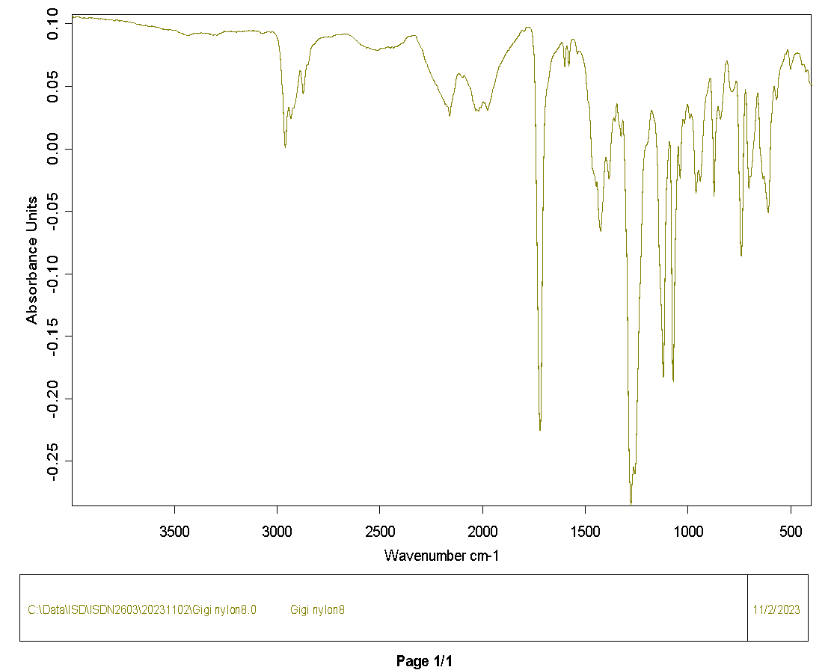
3982.856511 | 0.105059
3980.927767 | 0.105337
3978.999023 | 0.105574
3977.070279 | 0.105545
3975.141535 | 0.105407
3973.212791 | 0.105353
3971.284047 | 0.105408
3969.355303 | 0.105462
3967.426559 | 0.105402
3965.497815 | 0.105342
3963.569071 | 0.105397
3961.640327 | 0.105325
3959.711583 | 0.105097
3957.782839 | 0.104982
3955.854094 | 0.104939
3953.92535 | 0.104885
3951.996606 | 0.104784
3950.067862 | 0.104609
3948.139118 | 0.104541
3946.210374 | 0.1046
3944.28163 | 0.104688
3942.352886 | 0.104853
3940.424142 | 0.105114
3938.495398 | 0.105293
3936.566654 | 0.105121
3934.63791 | 0.104718
3932.709166 | 0.104408
3930.780422 | 0.104202
3928.851677 | 0.104142
3926.922933 | 0.10431
3924.994189 | 0.104496
3923.065445 | 0.104547
3921.136701 | 0.104473
3919.207957 | 0.104358
3917.279213 | 0.104437
3915.350469 | 0.104688
3913.421725 | 0.104819
3911.492981 | 0.104805
3909.564237 | 0.104783 | red = nylon8
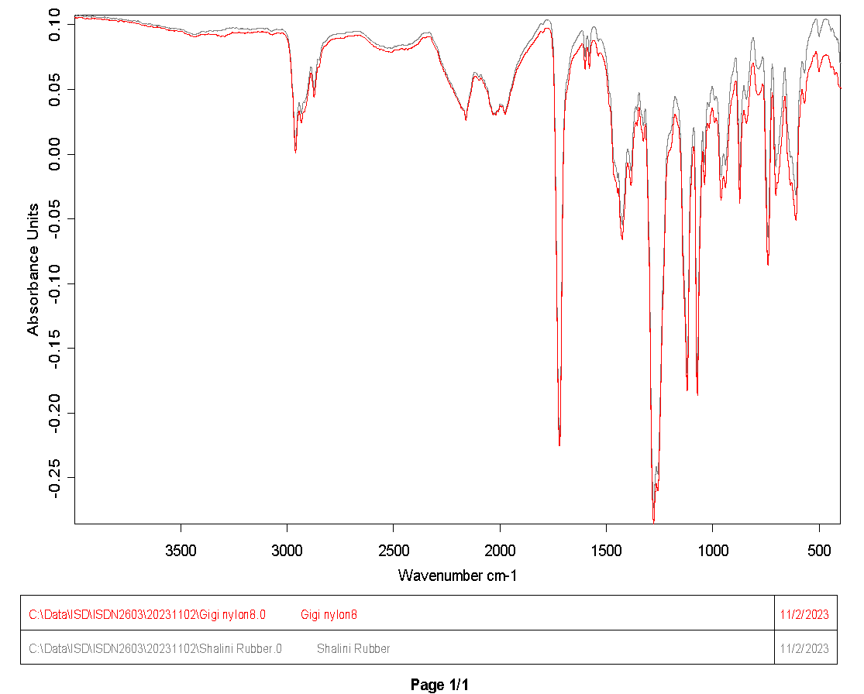
3907.635493 | 0.104759
3905.706749 | 0.104702
3903.778004 | 0.104709
3901.84926 | 0.104865
3899.920516 | 0.104971
3897.991772 | 0.104795
3896.063028 | 0.104442
3894.134284 | 0.104212
3892.20554 | 0.10423
3890.276796 | 0.104337
3888.348052 | 0.104377
3886.419308 | 0.104311
3884.490564 | 0.104199
3882.56182 | 0.104162
3880.633076 | 0.10419
3878.704332 | 0.104269
3876.775587 | 0.104426
3874.846843 | 0.104565
3872.918099 | 0.10458
3870.989355 | 0.104366
3869.060611 | 0.104043
3867.131867 | 0.103955
3865.203123 | 0.104036
3863.274379 | 0.104038
3861.345635 | 0.104025
3859.416891 | 0.104106
3857.488147 | 0.104289
3855.559403 | 0.104431
3853.630659 | 0.104241
3851.701915 | 0.103886
3849.77317 | 0.103815
3847.844426 | 0.103843
3845.915682 | 0.103685
3843.986938 | 0.103597
3842.058194 | 0.103702
3840.12945 | 0.103665
3838.200706 | 0.103462
3836.271962 | 0.10346
3834.343218 | 0.103577
3832.414474 | 0.103514
3830.48573 | 0.103385
3828.556986 | 0.103382
3826.628242 | 0.103488
3824.699497 | 0.103523
3822.770753 | 0.103371
3820.842009 | 0.103232
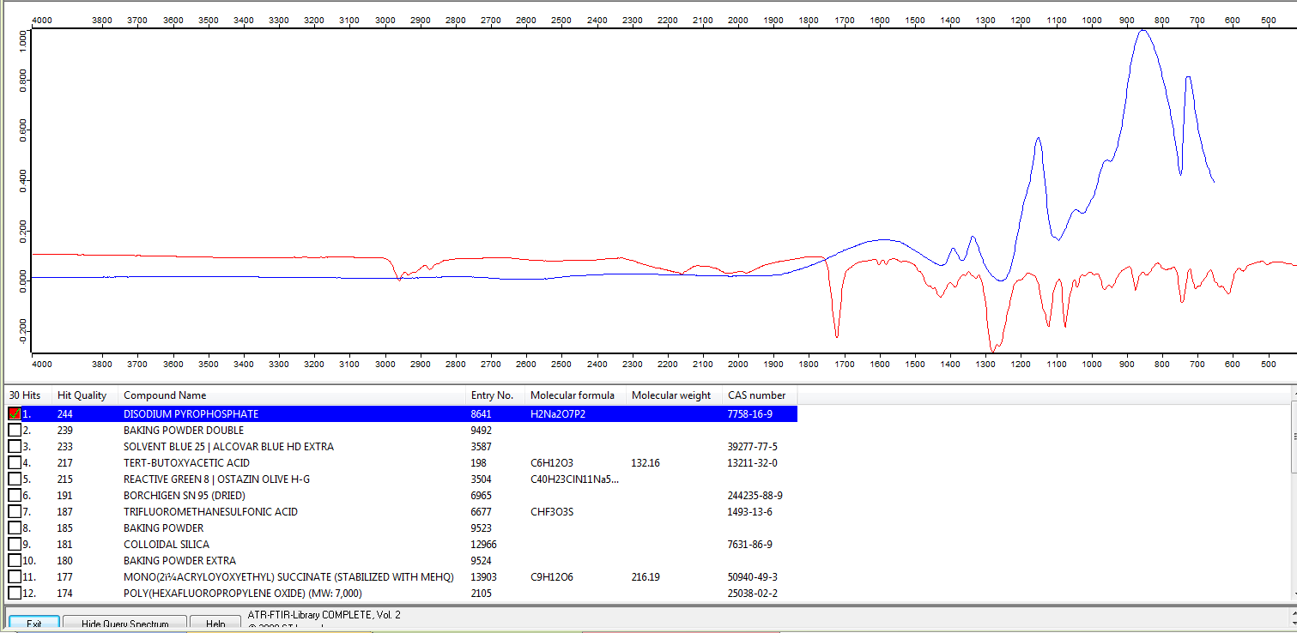
3818.913265 | 0.103269
3816.984521 | 0.103346
3815.055777 | 0.103366
3813.127033 | 0.103318
3811.198289 | 0.103156
3809.269545 | 0.103028
3807.340801 | 0.103096
3805.412057 | 0.103185
3803.483313 | 0.103159
3801.554569 | 0.103126
3799.625825 | 0.103068
3797.69708 | 0.102827
3795.768336 | 0.102489
3793.839592 | 0.102283
3791.910848 | 0.102347
3789.982104 | 0.102621
3788.05336 | 0.102748
3786.124616 | 0.102674
3784.195872 | 0.10276
3782.267128 | 0.102961
3780.338384 | 0.103052
3778.40964 | 0.103095
3776.480896 | 0.10303
3774.552152 | 0.10276
3772.623408 | 0.102522
3770.694663 | 0.102481
3768.765919 | 0.10244
3766.837175 | 0.10226
3764.908431 | 0.102172
3762.979687 | 0.102312
3761.050943 | 0.102433
3759.122199 | 0.102472
3757.193455 | 0.102507
3755.264711 | 0.102467
3753.335967 | 0.102409
3751.407223 | 0.102274
3749.478479 | 0.102016
3747.549735 | 0.101976
3745.62099 | 0.102151
3743.692246 | 0.102133
3741.763502 | 0.101914
3739.834758 | 0.101736
3737.906014 | 0.101679
3735.97727 | 0.101766
3734.048526 | 0.101841
3732.119782 | 0.10176
3730.191038 | 0.101701
3728.262294 | 0.101744
3726.33355 | 0.10173
...

Sheet1
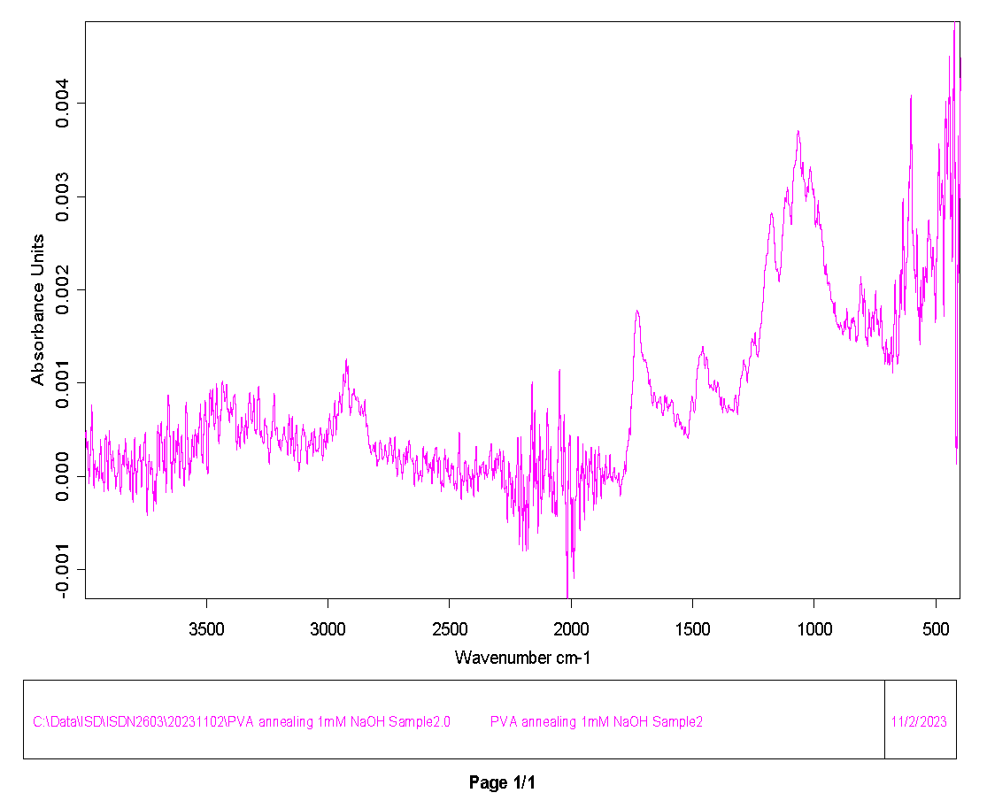
lucas
3996.35772 | 0.00041
3994.428976 | 0.000486
3992.500232 | 0.000367
3990.571488 | 0.000289
3988.642744 | 0.000327
3986.714 | 0.000372
3984.785256 | 0.000254
3982.856511 | 0.000009
3980.927767 | -0.000078
3978.999023 | 0.000021
3977.070279 | 0.000101
3975.141535 | 0.000269
3973.212791 | 0.000589
3971.284047 | 0.00076
3969.355303 | 0.000647
3967.426559 | 0.000437
3965.497815 | 0.000232
3963.569071 | 0.000002
3961.640327 | -0.000129
3959.711583 | -0.000016
3957.782839 | 0.000164
3955.854094 | 0.000168
3953.92535 | 0.000048
3951.996606 | -0.000016
3950.067862 | 0.000016
3948.139118 | 0.000075
3946.210374 | 0.000097
3944.28163 | 0.00003
3942.352886 | -0.000051
3940.424142 | -0.000014
3938.495398 | 0.000112
3936.566654 | 0.000277
3934.63791 | 0.000398
3932.709166 | 0.000286
3930.780422 | 0.000036
3928.851677 | -0.000042
3926.922933 | 0.000015
3924.994189 | 0.000039
3923.065445 | 0.000011
3921.136701 | -0.000094
3919.207957 | -0.00017
3917.279213 | -0.000032
3915.350469 | 0.000256
3913.421725 | 0.000444
3911.492981 | 0.000411
3909.564237 | 0.000282
3907.635493 | 0.000118
3905.706749 | -0.000102
3903.778004 | -0.000159
...

PLAA
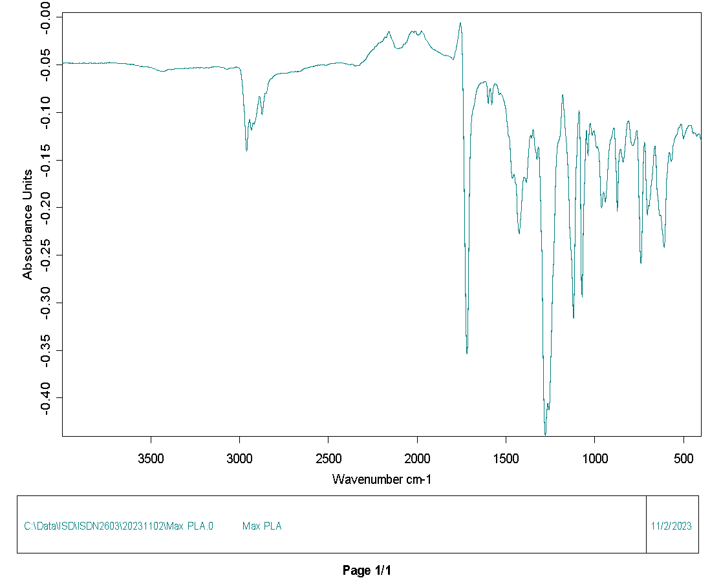
3996.35772 | -0.047931
3994.428976 | -0.048161
3992.500232 | -0.048272
3990.571488 | -0.04831
3988.642744 | -0.048296
3986.714 | -0.048107
3984.785256 | -0.047842
3982.856511 | -0.047765
3980.927767 | -0.047885
3978.999023 | -0.04801
3977.070279 | -0.048043
3975.141535 | -0.047995
3973.212791 | -0.047928
3971.284047 | -0.047901
3969.355303 | -0.047943
3967.426559 | -0.048015
3965.497815 | -0.048019
3963.569071 | -0.04804
3961.640327 | -0.04823
3959.711583 | -0.048416
3957.782839 | -0.048376
3955.854094 | -0.048204
3953.92535 | -0.04804
3951.996606 | -0.048008
3950.067862 | -0.048246
3948.139118 | -0.048568
3946.210374 | -0.048636
3944.28163 | -0.048461
3942.352886 | -0.048285
3940.424142 | -0.048262
3938.495398 | -0.048405
3936.566654 | -0.048642
3934.63791 | -0.048823
3932.709166 | -0.048879
3930.780422 | -0.048895
3928.851677 | -0.048881
3926.922933 | -0.048859
3924.994189 | -0.048856
3923.065445 | -0.048735
3921.136701 | -0.048588
3919.207957 | -0.048584
3917.279213 | -0.048549
3915.350469 | -0.048441
3913.421725 | -0.048431
3911.492981 | -0.048498
3909.564237 | -0.048571
3907.635493 | -0.048611
3905.706749 | -0.048556
3903.778004 | -0.048392
3901.84926 | -0.048171
...

paper ermil
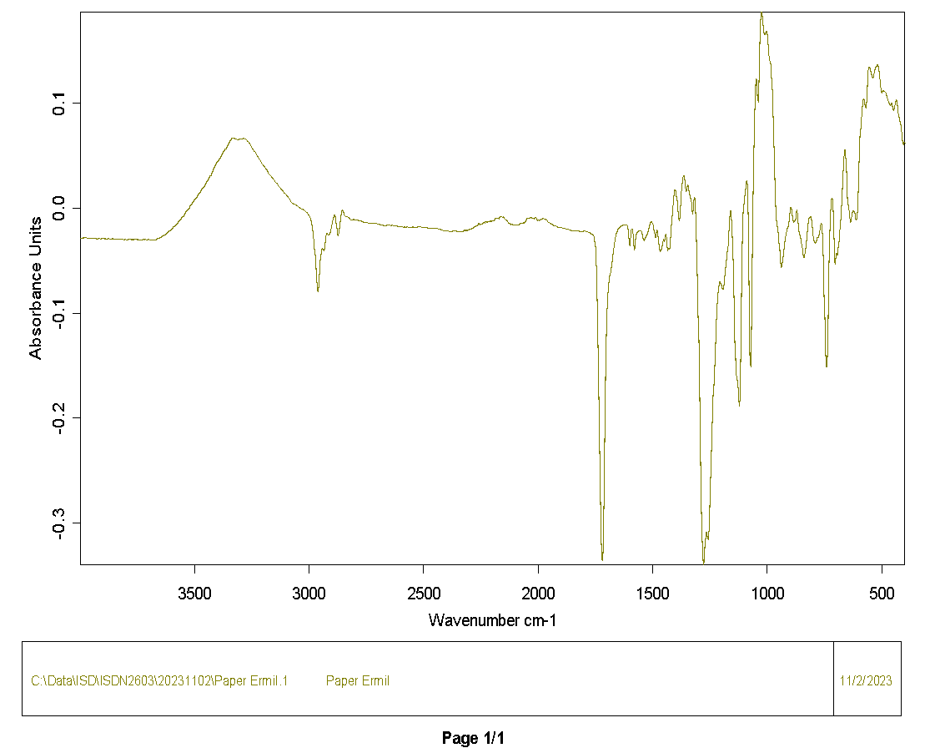
3996.35772 | -0.028427
3994.428976 | -0.028584
3992.500232 | -0.028656
3990.571488 | -0.028681
3988.642744 | -0.028639
3986.714 | -0.028476
3984.785256 | -0.028353
3982.856511 | -0.028363
3980.927767 | -0.028407
3978.999023 | -0.028395
3977.070279 | -0.028317
3975.141535 | -0.028277
3973.212791 | -0.028332
3971.284047 | -0.028374
3969.355303 | -0.028422
3967.426559 | -0.028572
3965.497815 | -0.028724
3963.569071 | -0.028793
3961.640327 | -0.028855
3959.711583 | -0.02892
3957.782839 | -0.028875
3955.854094 | -0.028772
3953.92535 | -0.028763
3951.996606 | -0.028813
3950.067862 | -0.028834
3948.139118 | -0.028812
3946.210374 | -0.028826
3944.28163 | -0.028946
3942.352886 | -0.02899
3940.424142 | -0.028797
3938.495398 | -0.028664
3936.566654 | -0.028854
3934.63791 | -0.029055
3932.709166 | -0.028999
3930.780422 | -0.028908
3928.851677 | -0.028983
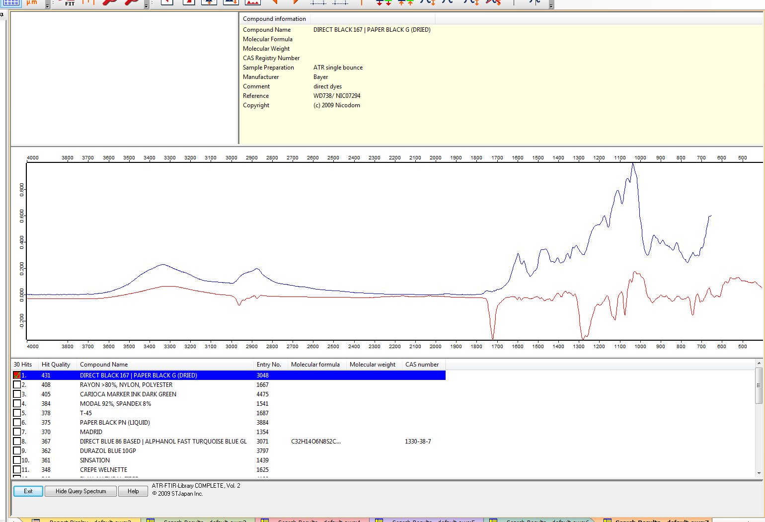
3926.922933 | -0.029198
3924.994189 | -0.029372
3923.065445 | -0.029341
3921.136701 | -0.029286
3919.207957 | -0.029284
3917.279213 | -0.029075
3915.350469 | -0.028835
3913.421725 | -0.028969
3911.492981 | -0.029281
3909.564237 | -0.029393
3907.635493 | -0.029341
3905.706749 | -0.029285
3903.778004 | -0.02918
3901.84926 | -0.02899
3899.920516 | -0.028913
3897.991772 | -0.028984
3896.063028 | -0.029051
3894.134284 | -0.029148
3892.20554 | -0.029219
3890.276796 | -0.029086
3888.348052 | -0.029002
3886.419308 | -0.029273
3884.490564 | -0.029546
3882.56182 | -0.029428
3880.633076 | -0.029237
3878.704332 | -0.029229
3876.775587 | -0.029218
3874.846843 | -0.029168
3872.918099 | -0.029152
3870.989355 | -0.029224
3869.060611 | -0.029367
3867.131867 | -0.029409
3865.203123 | -0.029406
3863.274379 | -0.029486
3861.345635 | -0.029515
3859.416891 | -0.029416
3857.488147 | -0.029231
3855.559403 | -0.029108
3853.630659 | -0.029332
3851.701915 | -0.029772
3849.77317 | -0.029924
3847.844426 | -0.02977
3845.915682 | -0.029572
3843.986938 | -0.029427
3842.058194 | -0.029408
3840.12945 | -0.029478
3838.200706 | -0.029493
3836.271962 | -0.029448
3834.343218 | -0.029476
3832.414474 | -0.029649
3830.48573 | -0.02978
3828.556986 | -0.029731
3826.628242 | -0.0297
3824.699497 | -0.029781
3822.770753 | -0.029826
3820.842009 | -0.02981
3818.913265 | -0.029778
3816.984521 | -0.029667
3815.055777 | -0.029485
3813.127033 | -0.029481
3811.198289 | -0.029811
3809.269545 | -0.030138
3807.340801 | -0.030143
3805.412057 | -0.029994
3803.483313 | -0.029821
3801.554569 | -0.029719
...

Lucas board 2
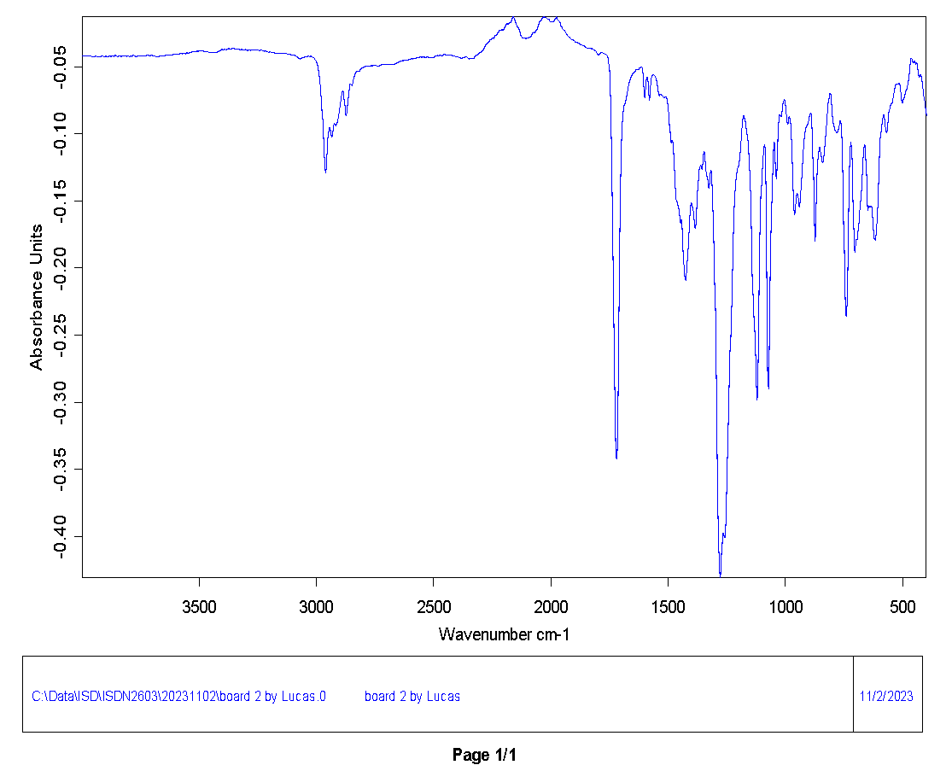
3996.35772 | -0.041996
3994.428976 | -0.042067
3992.500232 | -0.04217
3990.571488 | -0.042158
3988.642744 | -0.042083
3986.714 | -0.041988
3984.785256 | -0.041922
3982.856511 | -0.041941
3980.927767 | -0.041919
3978.999023 | -0.041859
3977.070279 | -0.041933
3975.141535 | -0.042031
3973.212791 | -0.04199
3971.284047 | -0.041926
3969.355303 | -0.04197
3967.426559 | -0.042087
3965.497815 | -0.042096
3963.569071 | -0.04196
3961.640327 | -0.041955
3959.711583 | -0.042169
3957.782839 | -0.042383
3955.854094 | -0.042523
3953.92535 | -0.042569
3951.996606 | -0.042454
3950.067862 | -0.042358
3948.139118 | -0.042486
3946.210374 | -0.042669
3944.28163 | -0.042666
3942.352886 | -0.042485
3940.424142 | -0.04225
3938.495398 | -0.042171
3936.566654 | -0.042356
3934.63791 | -0.042559
3932.709166 | -0.042638
3930.780422 | -0.042737
3928.851677 | -0.042792
3926.922933 | -0.042729
3924.994189 | -0.042668
3923.065445 | -0.042663
3921.136701 | -0.042731
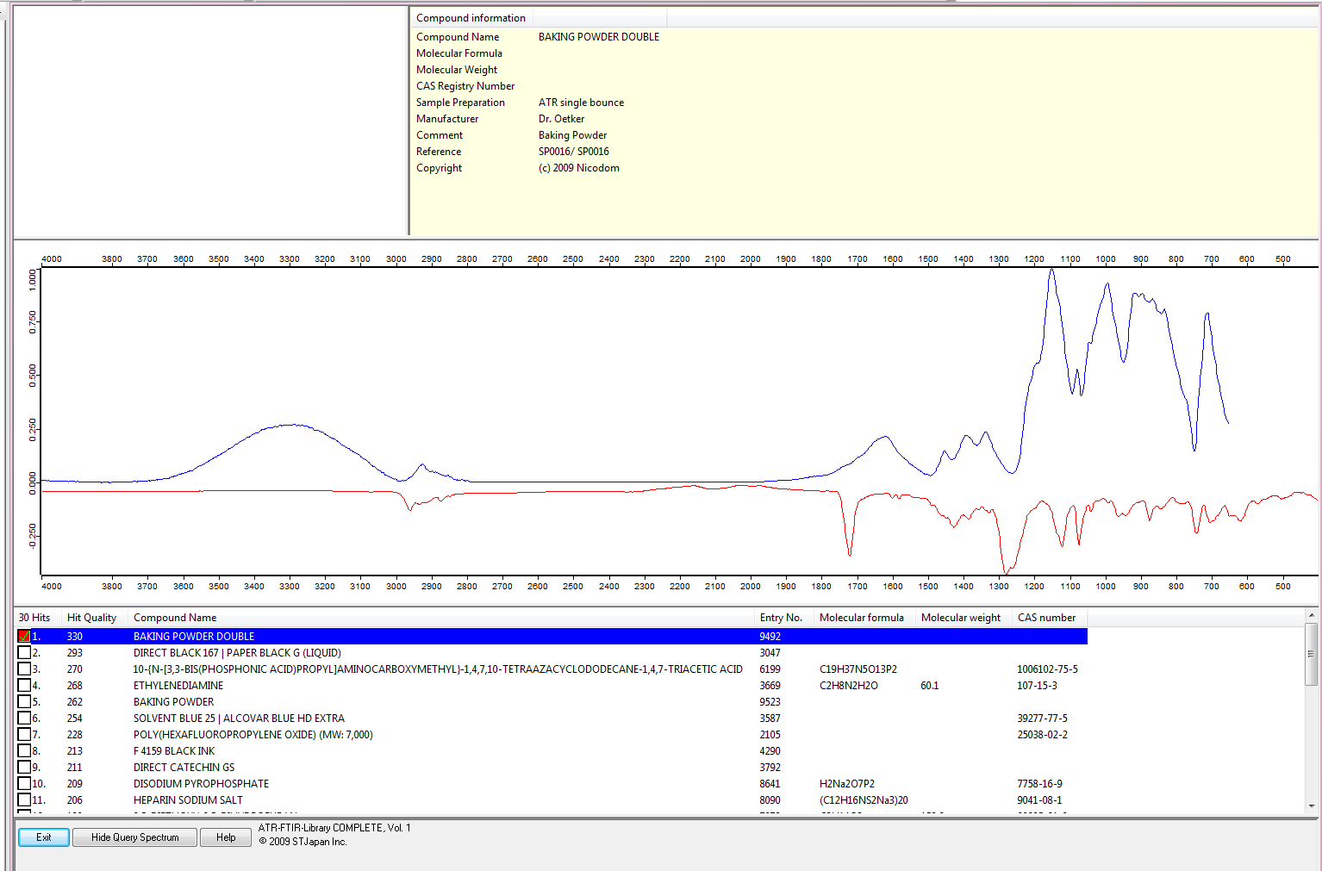
3919.207957 | -0.042711
3917.279213 | -0.042396
3915.350469 | -0.042055
3913.421725 | -0.042018
3911.492981 | -0.042165
3909.564237 | -0.042285
3907.635493 | -0.042345
3905.706749 | -0.042399
3903.778004 | -0.042489
3901.84926 | -0.042531
3899.920516 | -0.042421
3897.991772 | -0.042251
3896.063028 | -0.042245
3894.134284 | -0.042427
3892.20554 | -0.042541
3890.276796 | -0.04248
3888.348052 | -0.042432
3886.419308 | -0.042514
3884.490564 | -0.042604
3882.56182 | -0.042509
3880.633076 | -0.042325
3878.704332 | -0.042286
3876.775587 | -0.042363
3874.846843 | -0.04238
3872.918099 | -0.042267
3870.989355 | -0.042189
3869.060611 | -0.042231
3867.131867 | -0.042258
3865.203123 | -0.042322
3863.274379 | -0.042452
3861.345635 | -0.042476
3859.416891 | -0.042288
3857.488147 | -0.041938
3855.559403 | -0.041699
3853.630659 | -0.041872
3851.701915 | -0.042309
3849.77317 | -0.042574
3847.844426 | -0.042563
3845.915682 | -0.042399
3843.986938 | -0.042157
3842.058194 | -0.041958
3840.12945 | -0.041905
3838.200706 | -0.041975
3836.271962 | -0.042122
3834.343218 | -0.04227
3832.414474 | -0.04236
3830.48573 | -0.042422
3828.556986 | -0.042434
3826.628242 | -0.042312
3824.699497 | -0.04217
3822.770753 | -0.042162
3820.842009 | -0.042165
3818.913265 | -0.04207
3816.984521 | -0.04198
3815.055777 | -0.041972
3813.127033 | -0.042065
3811.198289 | -0.042286
3809.269545 | -0.042498
3807.340801 | -0.042467
3805.412057 | -0.042186
3803.483313 | -0.041885
3801.554569 | -0.041835
3799.625825 | -0.042084
3797.69708 | -0.042393
...

