Test Cases
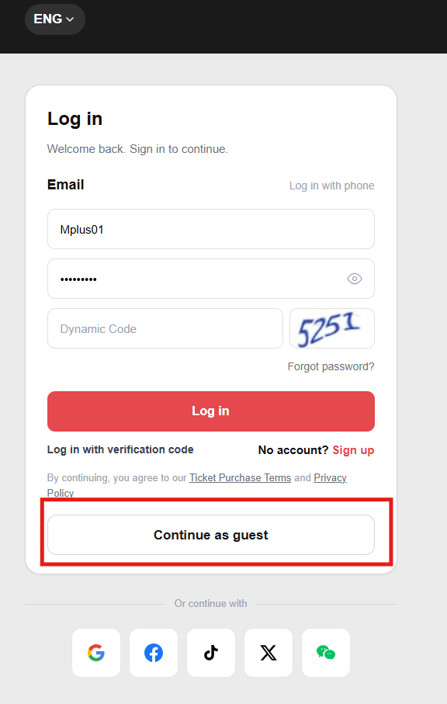
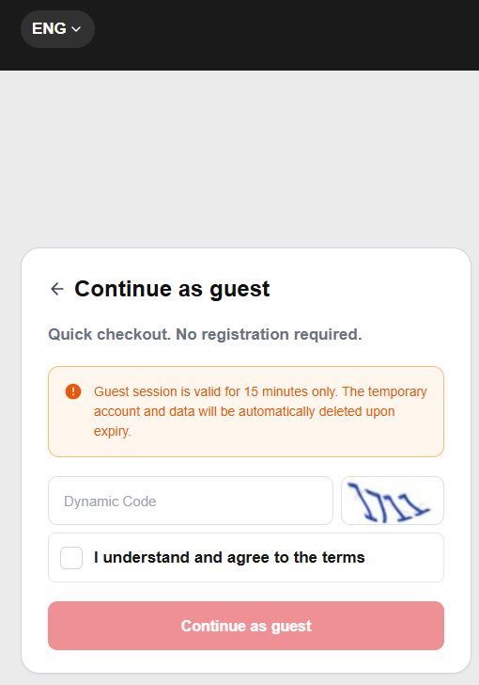
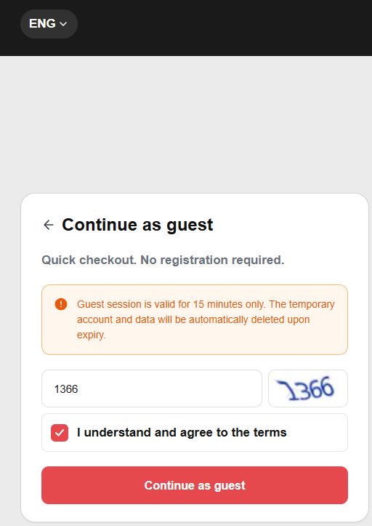

Label (SIT/UAT/PROD/NA) | Test Case ID | Module/Feature | Priority (High/Medium/Low) | Severity (High/Medium/Low) | Collected from | Test Scenario | Test Case Description | Preconditions (if any) | Test Steps | Test Data (if any) | Expected Result | Test Case Owner | Environment (SIT/UAT/PROD) | Execution Date | Executed By | Actual Result | Status (Pass/ Fail) | Comments/Remarks | Screenshots
SIT/UAT | SIT-TC-WEB-AUTH-021 | Website / Guest Login | High | High | REQ-WEB-REG-004, Mindmap 游客登录 | Successful guest login | Verify visitor can enter guest mode after robot verification. | Guest login and robot verification enabled. | 1. Open login. 2. Select guest login. 3. Complete robot verification. | Visitor browser with no active login. | 1. Guest session assigned. 2. User logged in as guest. | Antank QA Team | SIT | 2026-05-22 | Evan | As expected | Pass | Preserved from source workbook split on 2026-06-23; execution screenshots retained where present.
此功能测试时是否能实现？ | SIT-TC-WEB-AUTH-022 | Website / Guest Login | High | Medium | REQ-WEB-REG-004, Mindmap 游客登录 | Guest robot verification failure | Verify failed robot verification blocks guest login. | Guest login enabled. | 1. Open guest login. 2. Fail or skip robot verification. 3. Continue. | Failed robot verification. | 1. Guest login is blocked. 2. Clear verification failure message is shown. 3. No guest session is created. | Antank QA Team | SIT | 2026-05-22 | Evan | As expected | Fail | 功能未实现
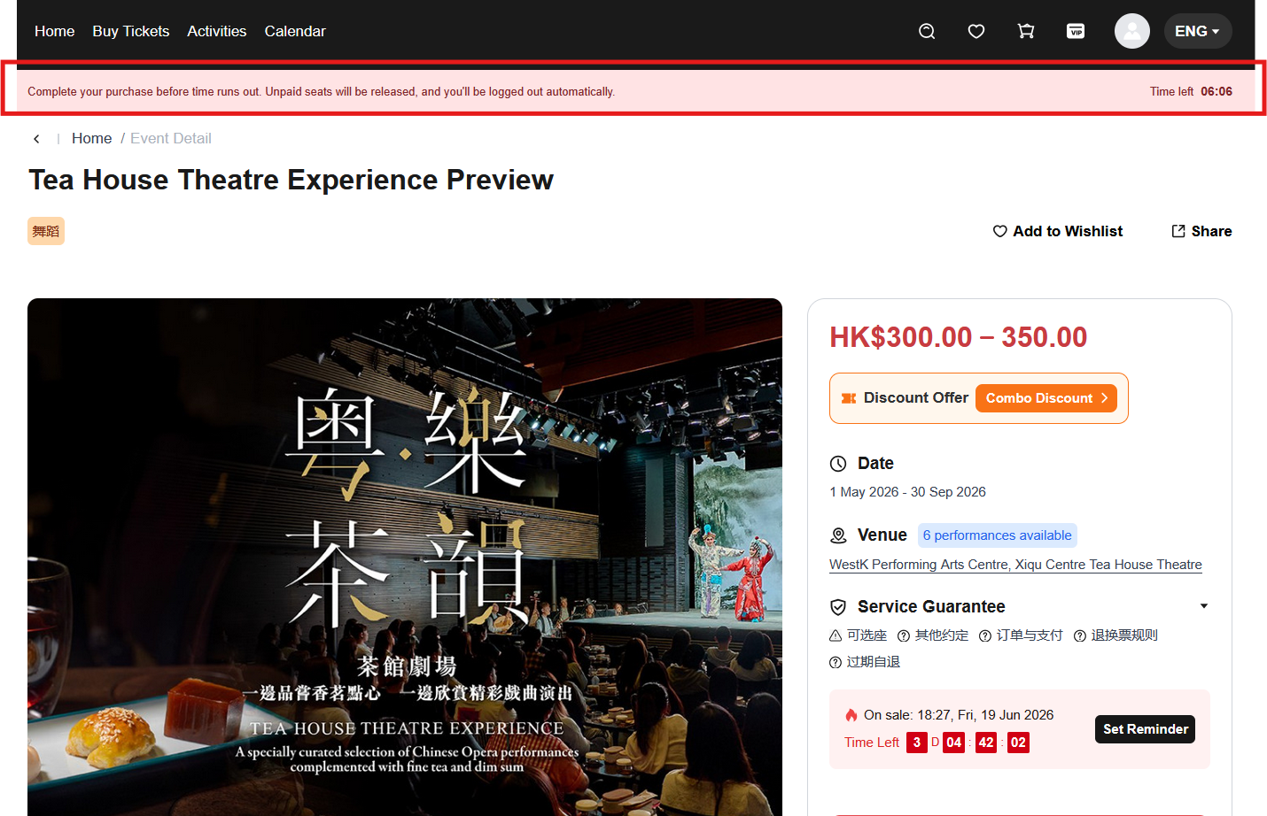

SIT | SIT-TC-WEB-AUTH-023 | Website / Guest Session | High | High | REQ-WEB-REG-004, Mindmap 游客登录 | Guest session validity countdown | Verify guest session shows and follows configured validity period. | Guest login succeeds; validity per system config. | 1. Login as guest. 2. Enter ticketing flow if available. 3. Observe countdown. | Guest session. | 1. Countdown is displayed. 2. Guest session validity = 15 minutes from login | Antank QA Team | SIT | 2026-06-09 | Evan | As expected | Pass | Preserved from source workbook split on 2026-06-23; execution screenshots retained where present.
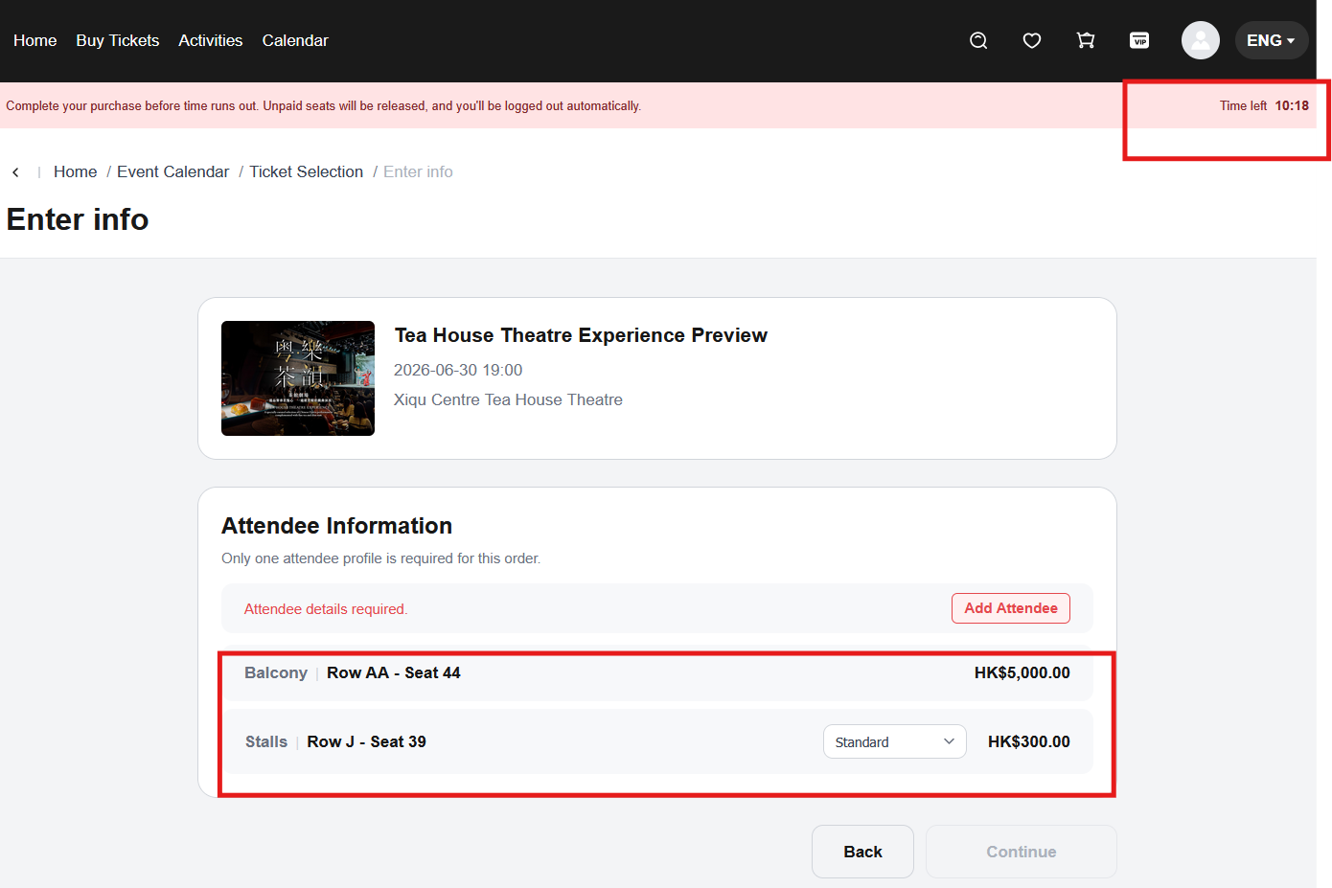
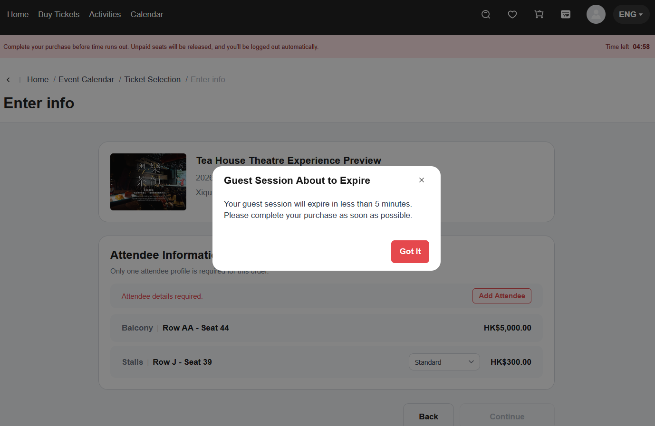

SIT | SIT-TC-WEB-AUTH-024 | Website / Guest Session | High | High | REQ-WEB-REG-004, Mindmap 游客登录 | Guest timeout clears state | Verify guest timeout clears cart, order draft, and filled information. | Guest session has cart/order draft data. | 1. Login as guest. 2. Wait 15 minutes for the validity to expire. 3. Try to continue the previous guest flow (cart / order draft / filled information). | Guest session with filled data. | 1. After 15-minute timeout, cart / order draft / filled information are all cleared. 2. User cannot continue the previous guest flow | Antank QA Team | SIT | 2026-06-09 | Evan | As expected | Pass | Preserved from source workbook split on 2026-06-23; execution screenshots retained where present.
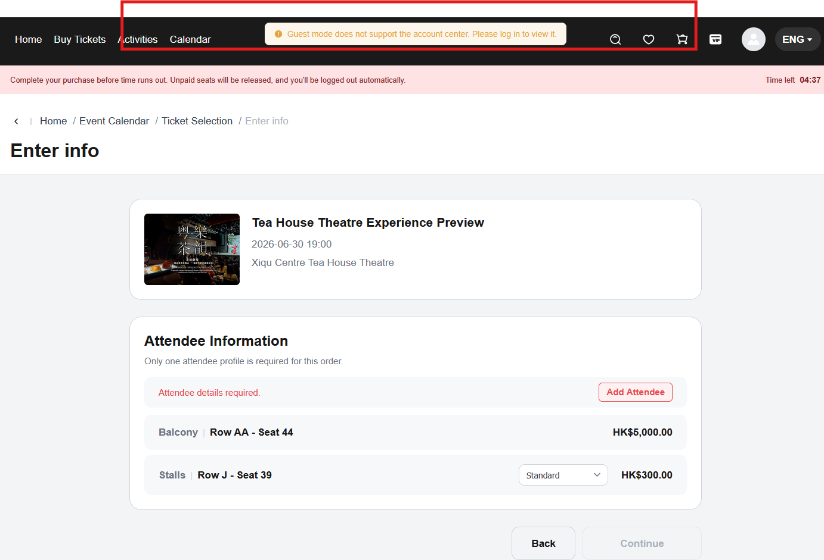
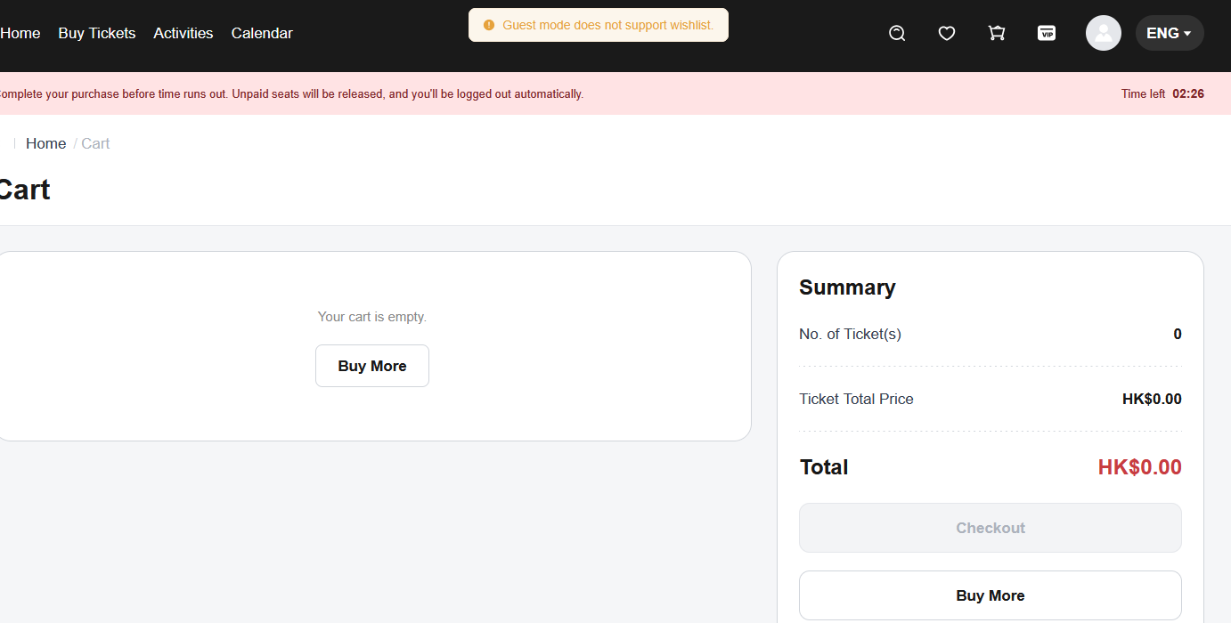
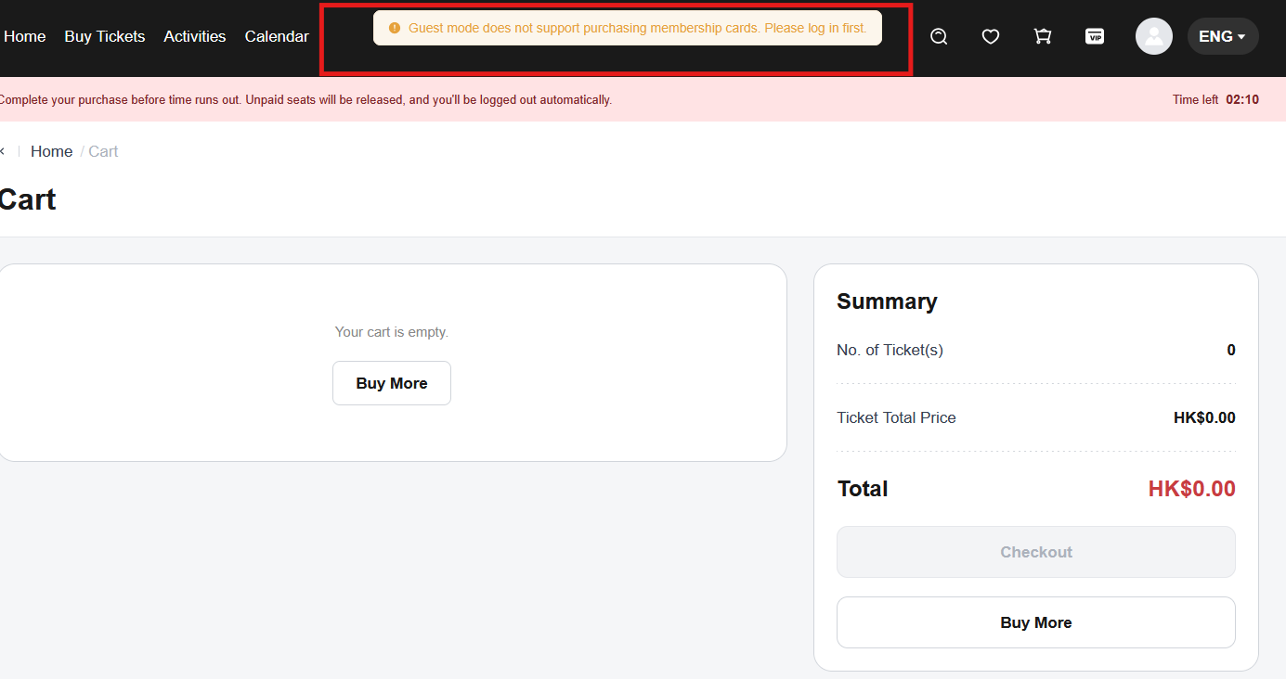
SIT/UAT | SIT-TC-WEB-AUTH-025 | Website / Guest Permission | High | High | REQ-TKT-USER-001, REQ-WEB-ORD-006 | Guest cannot access registered-only functions | Verify guest user cannot access personal centre, wallet, or order management. | Guest login succeeds. | 1. Login as guest. 2. Navigate to personal centre, wallet, order management, coupons, membership, favourites if entries exist. | Guest session. | 1. Registered-only functions hidden or blocked. 2. Guest prompted to login/register. | Antank QA Team | SIT | 2026-05-22 | Evan | As expected | Pass | Preserved from source workbook split on 2026-06-23; execution screenshots retained where present.
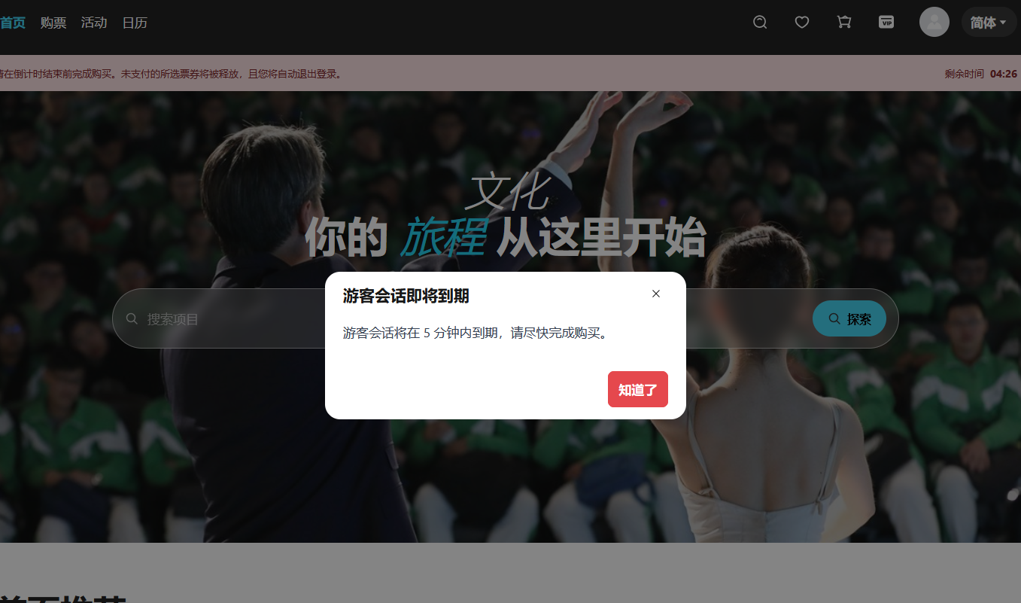
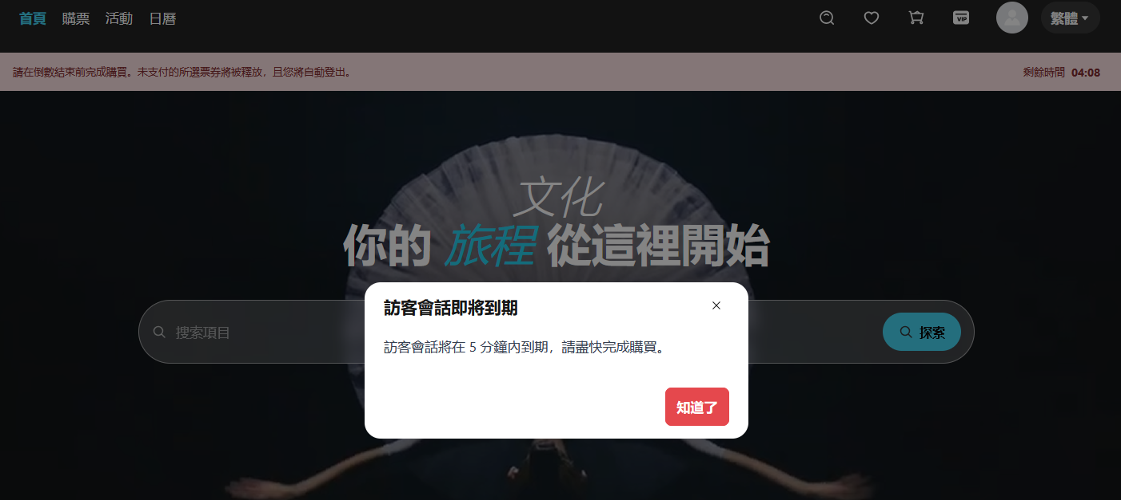
SIT/UAT | SIT-TC-WEB-AUTH-038 | Website / Guest Session | High | Medium | REQ-WEB-REG-004 | Guest 5-min remaining popup countdown | Verify guest session shows a popup warning when configured remaining time threshold is reached. | Guest login active; expiry-warning configured per PRD (~5 min). | 1. Login as guest. 2. Wait until configured remaining threshold (default 5 min per PRD). 3. Observe popup. | Guest session. | 1. With guest validity = 15 minutes, the "5 minutes remaining" popup appears at the 10-minute mark from guest login. 2. Popup wording shown in 3 languages per back-office configuration. | Antank QA Team | SIT | 2026-06-09 | Evan | As expected | Pass | Preserved from source workbook split on 2026-06-23; execution screenshots retained where present.
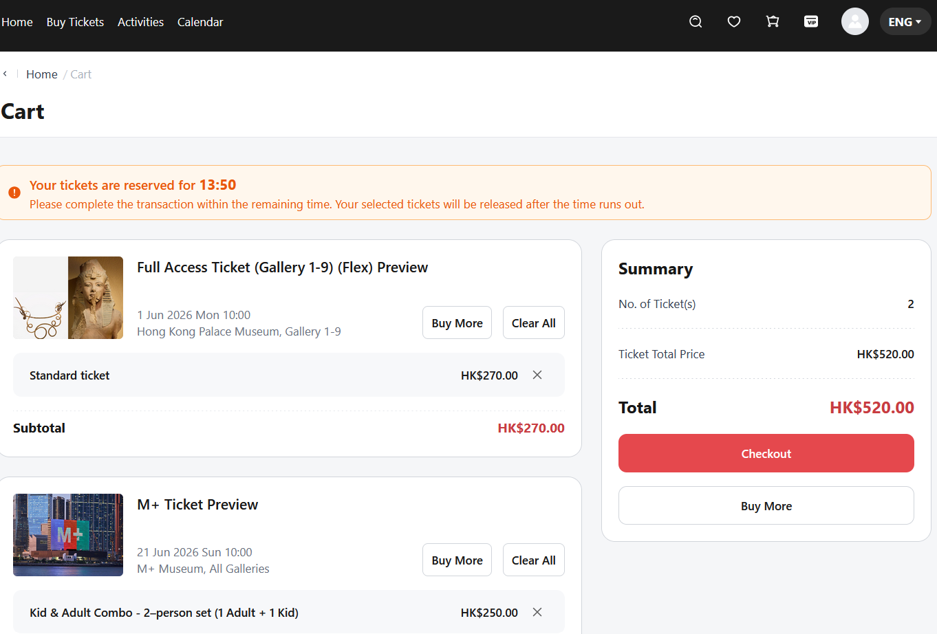
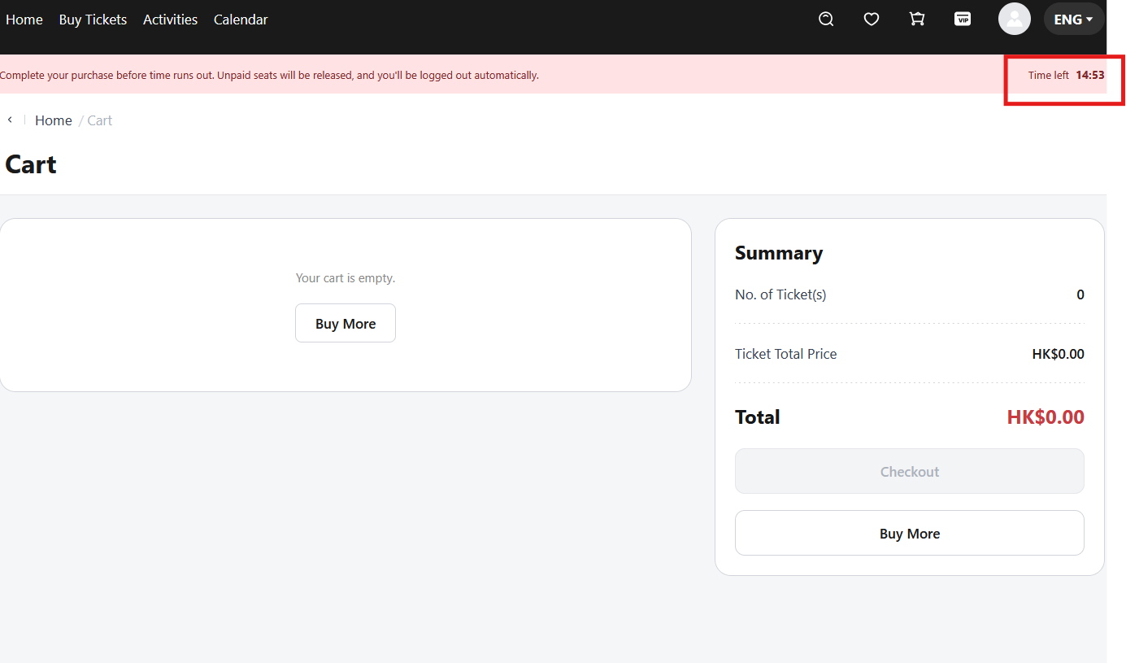
SIT/UAT | SIT-TC-WEB-AUTH-056 | Website / Guest Login | High | High | REQ-WEB-REG-004, Mindmap 游客登录 > 主动退出 → 清空游客数据 | Guest active logout clears guest data | Verify a guest can actively log out and cart, order draft, and filled information are cleared, distinct from session timeout (TC-024). | Guest session with cart or filled data. | 1. Login as guest. 2. Add or fill guest data (e.g., cart item, contact details). 3. Click Logout. 4. Open the same flow again as a new guest. | Guest session with filled data. | 1. Logout succeeds. 2. Cart / order draft / filled info is cleared. 3. New guest session starts empty. | Antank QA Team | SIT | 2026-06-09 | Evan | As expected | Pass | Preserved from source workbook split on 2026-06-23; execution screenshots retained where present.
SIT/UAT | SIT-TC-WEB-AUTH-129 | Website / Guest Purchase | High | High | ZenTao STORY-4161; 在线购票 §游客模式的几个问题 item 1 | Guest purchase limit uses single-order validation only | Verify guest purchase limitation follows the clarified rule: guest mode performs only single-order limit validation; other registered-user purchase-limit checks are not applied. | Guest checkout is enabled; a product with purchase-limit rules is available. | 1. Continue as guest and enter checkout. 2. Fill contact email information on the order. 3. Submit quantities that should trigger single-order limit validation. 4. Compare against registered-user-only limit rules. | Guest contact email; product with configured purchase limits. | 1. Single-order purchase limit is enforced for the guest order. 2. Other registered-user limit checks are not applied to the guest flow. 3. Error message, if triggered, is clear and localized. | Antank QA Team | SIT |  |  |  | Not Run
SIT/UAT | SIT-TC-WEB-AUTH-130 | Website / Guest Session | High | High | ZenTao STORY-4161; 在线购票 §游客模式的几个问题 item 2 | Guest checkout countdown uses the smaller value between guest validity and order countdown | Verify frontend countdown behavior when guest-session validity and order countdown are different. | Guest session active; order countdown is available. | 1. Login as guest. 2. Start an order with its own countdown. 3. Observe the displayed remaining time when guest validity and order countdown differ. | Guest session; order countdown shorter or longer than guest-session validity. | 1. Displayed countdown uses the smaller remaining time. 2. When the chosen countdown expires, guest checkout can no longer continue. 3. Cart/order draft is handled according to guest timeout rules. | Antank QA Team | SIT |  |  |  | Not Run
SIT/UAT | SIT-TC-WEB-AUTH-131 | Website / Registered Session | Medium | Medium | ZenTao STORY-4161; 在线购票 §游客模式的几个问题 item 3 | Registered-user session validity follows 30-day configuration | Verify non-guest login mode follows the configured registered-user validity period, currently 30 days per requirement note. | Registered user can login successfully. | 1. Login as registered user. 2. Inspect session expiry configuration or cookie/session metadata. 3. Reopen the site within and beyond the configured validity window. | Registered test account. | 1. Registered-user session validity is configured as 30 days. 2. Session remains valid within the configured period. 3. Expired session requires re-login. | Antank QA Team | SIT |  |  |  | Not Run
SIT/UAT | SIT-TC-WEB-AUTH-132 | Website / Guest Verification | High | Medium | ZenTao STORY-4161; 在线购票 §游客模式的几个问题 item 4 | Guest verification method aligns with regular login and registration | Verify the guest-mode verification method uses the same approach as regular login/registration per the clarified requirement. | Guest login, regular login, and registration are available. | 1. Open guest login verification. 2. Open regular login/registration verification. 3. Compare verification type, failure handling, and retry behavior. | Guest browser and normal login/registration pages. | 1. Guest verification method is consistent with regular login/registration. 2. Failure and retry handling are consistent unless a documented exception exists. | Antank QA Team | SIT |  |  |  | Not Run
SIT/UAT | SIT-TC-WEB-AUTH-133 | Website / Guest Ticket Access | High | High | ZenTao STORY-4161; 在线购票 §游客模式的几个问题 item 5 | Guest can obtain admission code after successful purchase | Verify how a guest obtains admission code information after purchase: order detail, ticket-code detail, or cart-order handling. | Guest purchase can be completed successfully. | 1. Complete a guest purchase. 2. Open the success page and order detail route available to the guest. 3. Verify admission code or ticket credential access. 4. Repeat for cart-order flow if applicable. | Guest order with payable ticket. | 1. Guest can access the admission code or ticket credential through the documented route. 2. The route matches the implementation decision for order detail / ticket-code detail / cart order. 3. No registered-only page is required unless the user was converted. | Antank QA Team | SIT |  |  |  | Not Run | Confirm final route with product/dev if still pending.

