Test Cases
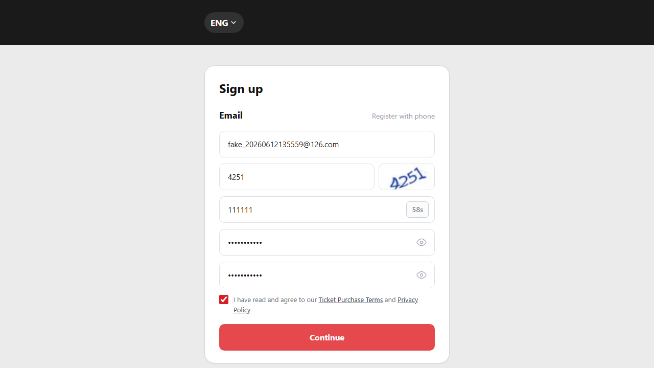
Label (SIT/UAT/PROD/NA) | Test Case ID | Module/Feature | Priority (High/Medium/Low) | Severity (High/Medium/Low) | Collected from | Test Scenario | Test Case Description | Preconditions (if any) | Test Steps | Test Data (if any) | Expected Result | Test Case Owner | Environment (SIT/UAT/PROD) | Execution Date | Executed By | Actual Result | Status (Pass/ Fail) | Comments/Remarks | Screenshots
SIT/UAT | SIT-TC-WEB-AUTH-001 | Website / Native Registration | High | High | REQ-WEB-REG-001, REQ-WEB-REG-005, Mindmap 注册 | Successful native registration (Email mode) | Verify a visitor can complete native registration through the gated 5-step flow: select email -> image CAPTCHA -> OTP -> password (with focus-out rule check) -> Submit. | SIT website available; test email unused. (Mobile mode covered by AUTH-118) | 1. Open registration page and select Email mode. 2. Enter email and fill CAPTCHA. 3. Click "Get Code" and receive OTP then enter it. 4. Enter password; verify focus-out triggers inline password-rule validation. 5. Enter password again (repeat). 6. Click Submit. | New user data; valid captcha; valid OTP. | 1. CAPTCHA gating: subsequent fields are unlocked only after CAPTCHA passes. 2. OTP gating: password step is unlocked only after OTP passes. 3. Password rule violations are flagged inline on focus-out, not only on submit. 4. On Submit, account is created and the user is logged in. 5. No duplicate account is created. | Antank QA Team | SIT | 2026-06-12 | Evan | As expected | Pass | Preserved from source workbook split on 2026-06-23; execution screenshots retained where present.
SIT | SIT-TC-WEB-AUTH-002 | Website / Native Registration | High | Medium | REQ-WEB-REG-001 | Mandatory field validation | Verify mandatory registration fields cannot be submitted empty. | Registration page available. | 1. Open registration page. 2. Leave mandatory fields empty. 3. Submit. | Empty mandatory fields. | 1. Submission blocked. 2. Each missing mandatory field shows observable validation message (per language). | Antank QA Team | SIT | 2026-05-22 | Evan | As expected | Pass | Automation: features/antank_registration.feature:42.
SIT | SIT-TC-WEB-AUTH-003 | Website / Native Registration | High | Medium | REQ-WEB-REG-001, Mindmap 注册 | Invalid format validation | Verify invalid email format and password rule violations are rejected. | Registration page available. | 1. Open registration page. 2. Enter invalid email and weak password. 3. Submit. | Invalid email; weak password. | 1. Submission blocked. 2. Invalid fields show specific localized validation messages. 3. No account created. | Antank QA Team | SIT | 2026-05-22 | Evan | As expected | Pass | Automation: features/antank_registration.feature:49.

SIT/UAT | SIT-TC-WEB-AUTH-004 | Website / Native Registration | High | High | REQ-WEB-REG-001 | Duplicate email registration is blocked with the specified 3-language error | Verify duplicate email registration is blocked with the exact 3-language error specified by PRD. | An account already exists. | 1. Open registration page. 2. Enter existing email with otherwise valid data. 3. Submit. | Existing email. | 1. Registration is blocked. 2. The email field shows the 3-language error (red): - zh-CN: 该邮箱已注册，请登录或找回密码。 - zh-HK: 此電子郵件已註冊，請直接登入或重設密碼。 - en: This email address is already registered. Please sign in or reset your password. | Antank QA Team | SIT | 2026-06-12 | Evan | As expected | Fail | new requirement importement https://lengliwh.chandao.net/task-view-10815.html
SIT | SIT-TC-WEB-AUTH-005 | Website / Native Registration | High | Medium | REQ-WEB-REG-001, Mindmap 注册 | Email OTP negative flow | Verify wrong or expired email OTP cannot complete registration. | OTP mechanism enabled. | 1. Start registration. 2. Request OTP. 3. Enter wrong / expired OTP. 4. Submit. | Wrong OTP; expired OTP. | 1. Registration blocked. 2. OTP error displayed. 3. No account created. | Antank QA Team | SIT | 2026-05-22 | Evan | As expected | Pass | Automation: features/antank_registration.feature:69.
SIT | SIT-TC-WEB-AUTH-006 | Website / Native Registration | Medium | Medium | REQ-WEB-REG-001, Mindmap 注册 | OTP resend control | Verify resend behavior follows configured cooldown and does not allow abuse. | OTP mechanism enabled. | 1. Request OTP. 2. Trigger resend repeatedly. 3. Observe timer or error. | Same email. | 1. Resend follows configured cooldown. 2. Clear message shown. (See 042 for 60s anti-resubmit and 043 for invalidate-previous specifics.). | Antank QA Team | SIT | 2026-05-22 | Evan | As expected | Pass | Automation: features/antank_registration.feature:76.
SIT/UAT | SIT-TC-WEB-AUTH-008 | Website / Native Registration | Medium | Medium | PRD §3.1 + feature antank_registration.feature:74 | Privacy Policy link opens the policy and form data is preserved | Verify that the Privacy Policy link on the registration page opens the Privacy Policy content (modal / new tab / inline), and form data the user had typed before clicking is preserved on return. | Registration page is open; user has typed at least the email field. | 1. Open registration page. 2. Type a value in the Email field. 3. Click the 'Privacy Policy' link. 4. Read / close the Privacy Policy content. 5. Return to the registration form. |  | 1. Privacy Policy content is shown (per UI design — modal or new tab). 2. After closing / returning, the previously-typed Email value is still in the form. 3. No data loss; no unintended navigation. |  | SIT | 2026-06-09 | Evan | As expected | Pass | Automation: features/antank_registration.feature:83. | 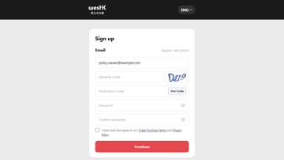
SIT/UAT | SIT-TC-WEB-AUTH-009 | Website / Registered Login (password mode) | High | High | REQ-WEB-REG-003, Mindmap 登录 > 密码登录 | Successful password-mode login | Verify a registered user can log in via password mode (email + password + 动态码). | Active registered account. | 1. Open login. 2. Select password mode. 3. Enter email, password, captcha. 4. Submit. | Valid email + password + captcha. | 1. Login succeeds. 2. Authenticated identity visible. | Antank QA Team | SIT | 2026-05-22 | Evan | As expected | Pass | Preserved from source workbook split on 2026-06-23; execution screenshots retained where present.
SIT/UAT | SIT-TC-WEB-AUTH-010 | Website / Registered Login (password mode) | High | High | REQ-WEB-REG-003 | Invalid password login | Verify wrong password does not authenticate. | Active registered account. | 1. Open login. 2. Enter email with wrong password. 3. Submit. | Valid email; wrong password. | 1. Login rejected. 2. Generic error: "用户名或密码错误" (zh-CN) / "用戶名或密碼錯誤" (zh-HK) / "Username or password incorrect" (en). | Antank QA Team | SIT | 2026-06-12 | Evan | As expected. SIT returns "Incorrect username or password!" (PRD-compliant generic wording). No enumeration leak. | Pass | Preserved from source workbook split on 2026-06-23; execution screenshots retained where present.
SIT | SIT-TC-WEB-AUTH-011 | Website / Registered Login (password mode) | High | High | Security risk | Failed login lockout | Verify repeated failed login attempts trigger configured account protection. | Active registered account; threshold known. | 1. Attempt login with wrong password until threshold. 2. Attempt again. 3. Attempt valid password if applicable. | Valid email; wrong password. | 1. Account locked/protected per configuration. 2. Further login blocked. | Antank QA Team | SIT | 2026-05-22 | Evan | Failure noted in source comments: Function not implemented | Fail | Function not implemented
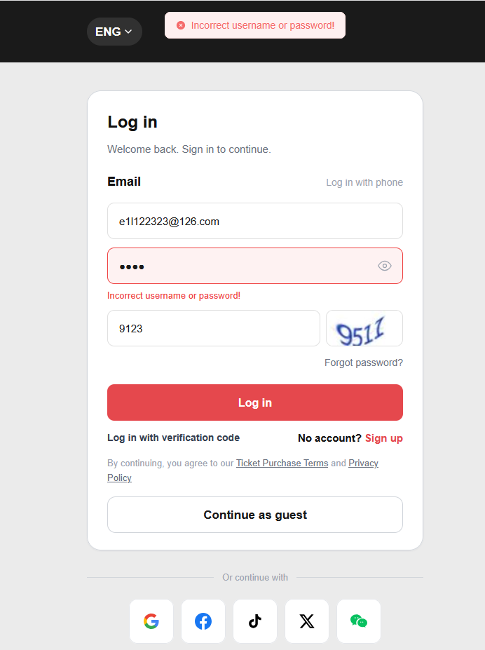
NA | SIT-TC-WEB-AUTH-012 | Website / Registered Login (password mode) | Medium | Medium | REQ-WEB-REG-003 | Unknown account login | Verify unknown account cannot login | Login page available. | 1. Open login. 2. Enter unknown email and any password. 3. Submit. | Unregistered email. | 1. Login rejected with the SAME generic error as wrong-password (see AUTH-010): "用户名或密码错误" / "Username or password incorrect". 2. User remains unauthenticated. | Antank QA Team | SIT | 2026-06-12 | Auto | As expected. SIT returns the SAME generic wording as AUTH-010 ("Incorrect username or password!") — no "go register" guidance. | Pass | Preserved from source workbook split on 2026-06-23; execution screenshots retained where present.
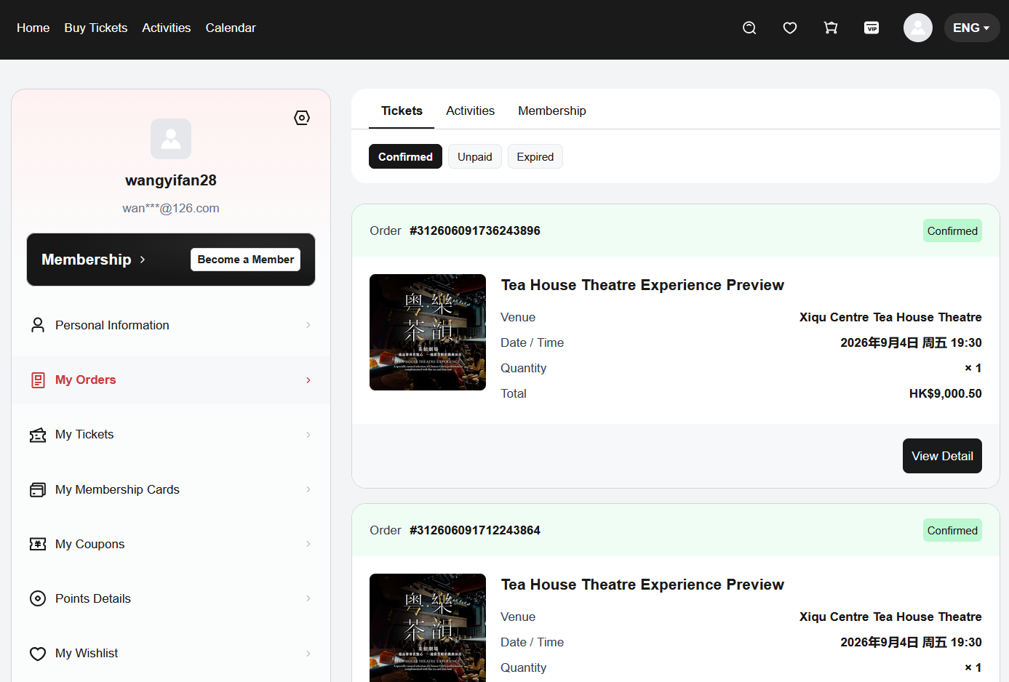

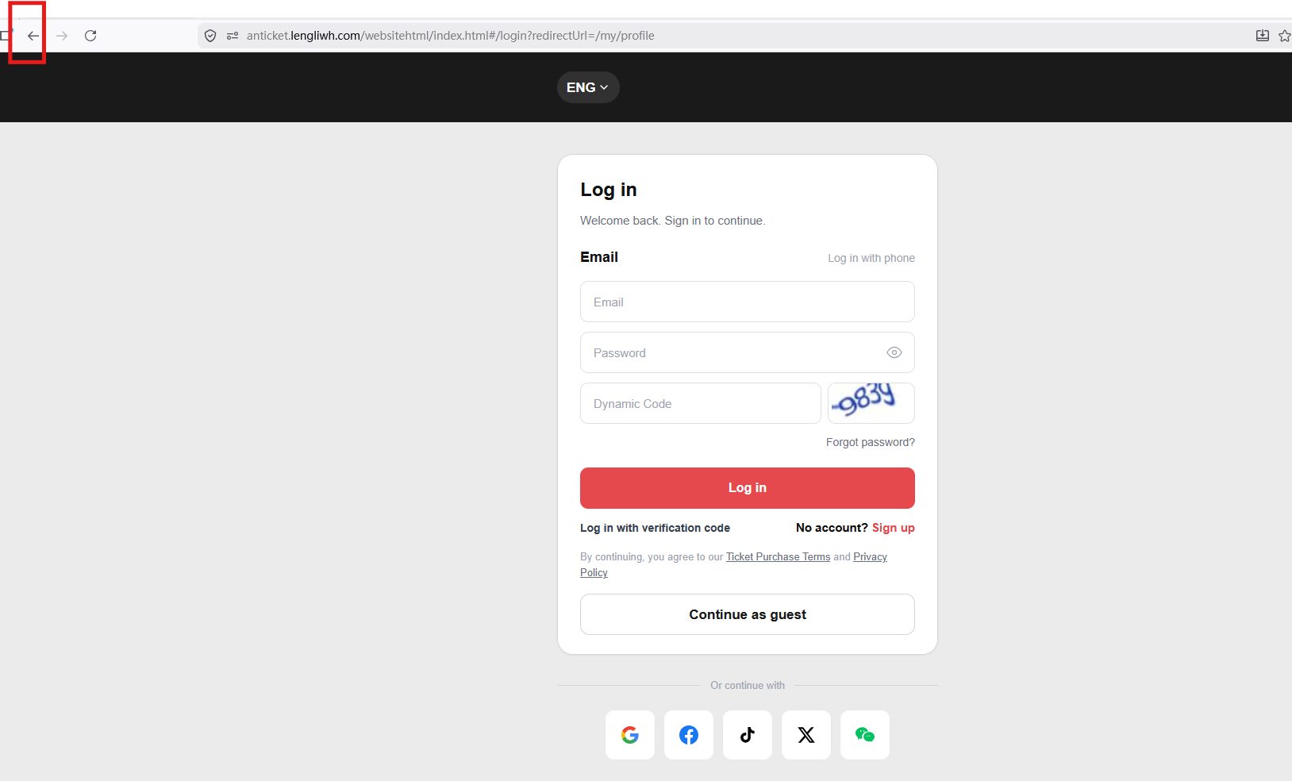
SIT/UAT | SIT-TC-WEB-AUTH-013 | Website / Session | High | High | REQ-WEB-REG-003 | Logout and back-button protection | Verify logout clears authenticated access. | User logged in. | 1. Login. 2. Open registered-only page. 3. Logout. 4. Use browser back or direct URL to registered-only page. | Active account. | 1. Cannot access registered-only content after logout. 2. Redirected or prompted to login. | Antank QA Team | SIT | 2026-05-22 | Evan | As expected | Pass | Preserved from source workbook split on 2026-06-23; execution screenshots retained where present.
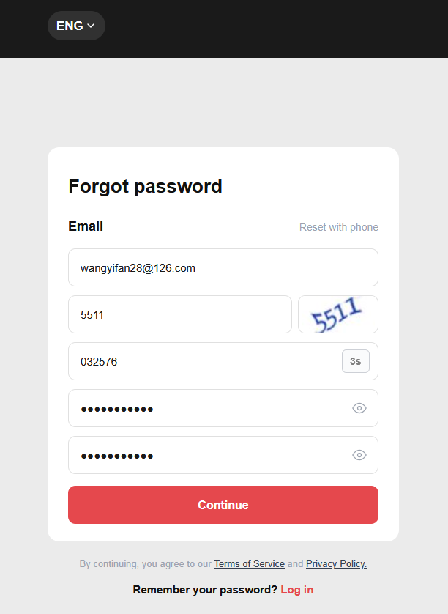
SIT/UAT | SIT-TC-WEB-AUTH-015 | Website / Forgot Password | High | High | REQ-WEB-REG-003, Mindmap 忘记密码 | Successful password reset | Verify user can reset password through the confirmed direct-reset flow: email -> captcha -> OTP -> new password. | Forgot password in scope; active account exists. | 1. Open forgot password. 2. Enter email + captcha. 3. Receive OTP and enter it. 4. Set a new password and continue | Active email; valid OTP; valid captcha; new valid password. | 1. Password reset succeeds. 2. Old password no longer works. 3. Automatically login to home page | Antank QA Team | SIT | 2026-06-09 | Evan | As expected | Pass | Preserved from source workbook split on 2026-06-23; execution screenshots retained where present. | 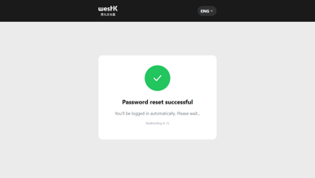
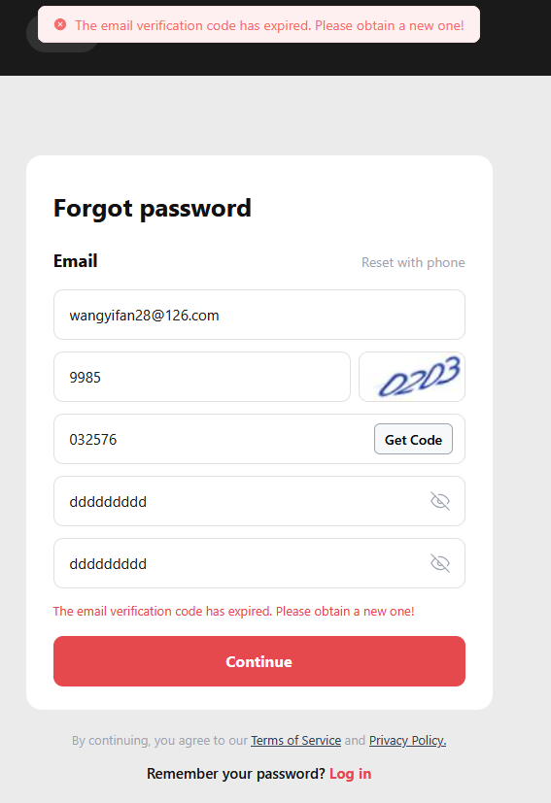
NA | SIT-TC-WEB-AUTH-016 | Website / Forgot Password | Medium | Medium | REQ-WEB-REG-003, Mindmap 忘记密码 | Invalid reset inputs | Verify invalid inputs cannot change password when user forget password | Forgot password in scope. | 1. Try unregistered email → expect clear error. 2. Try expired OTP → blocked. 3. Try weak new password → blocked. | Unregistered email; wrong/expired OTP; wrong/expired captcha; weak new password. | 1. Each negative path blocked with specific localized message. 2. Password unchanged. | Antank QA Team | SIT | 2026-06-09 | Evan | As expected | Fail | https://lengliwh.chandao.net/bug-view-5238.html
SIT/UAT | SIT-TC-WEB-AUTH-017 | Website / Third-party Login | High | High | REQ-WEB-REG-002, Mindmap 第三方登录 | Third-party login creates new account | Verify a first-time third-party user completes OAuth, reaches Link Your Account, creates a new platform account, and links the OAuth identity. | Provider sandbox user not associated. | 1. Open login page. 2. Click the third-party provider button (Google / Facebook / X / TikTok / WeChat). 3. Complete provider OAuth authorization. 4. Land on 'Link Your Account' page — Email mode by default. 5. Enter an UNREGISTERED email; solve captcha ; click 'Get Code' to send OTP. 6. Retrieve OTP from inbox; enter Verification Code. 7. Tick the mandatory Privacy + Ticket Purchase Terms checkbox. 8. Click 'Link Account'. | Provider new-user account. | 1. Provider OAuth succeeds. 2. Link Your Account page shows orange notice: 'This email is not registered. After verification, a new account will be created and linked to your <Provider> account.' 3. New platform account is created and the third-party identity is bound to it. 4. 'Account linked successfully' page shown; auto-login completes after ~2 seconds. 5. No duplicate account exists for this provider unique-id. | Antank QA Team | SIT | 2026-06-09 | Evan | Provider-expanded result imported; at least one provider failed. See Comments/Remarks and Imported Screenshot Detail. | Fail | Imported provider-expanded results: Google: Pass; Facebook: Pass; TikTok: Fail (https://lengliwh.chandao.net/bug-view-5262.html); X: Pass; Wechat: Fail (https://lengliwh.chandao.net/bug-view-5260.html) | See Imported Screenshot Detail
SIT/UAT | SIT-TC-WEB-AUTH-018 | Website / Third-party Login | High | High | REQ-WEB-REG-002, Mindmap 第三方登录 | Third-party login with existing linked user | Verify third-party login with a provider unique-id that is already linked skips Link Your Account and logs in directly. | Existing Website account associated or matchable by provider primary key. | 1. Prerequisite: provider unique-id is already linked to a platform account from a previous run. 2. Open login page. 3. Click the same provider button. 4. Authorize via the same provider account. | Provider existing-user account. | 1. Provider OAuth succeeds. 2. Link Your Account page is NOT shown because provider unique-id is already bound. 3. User is logged in directly to the existing platform account. 4. Third-party user info is re-synced to the platform. | Antank QA Team | SIT | 2026-06-09 | Evan | As expected across provider-expanded source rows. | Pass | Imported provider-expanded results: Google: Pass; Facebook: Pass; TikTok: Pass; X: Pass; Wechat: Pass | See Imported Screenshot Detail
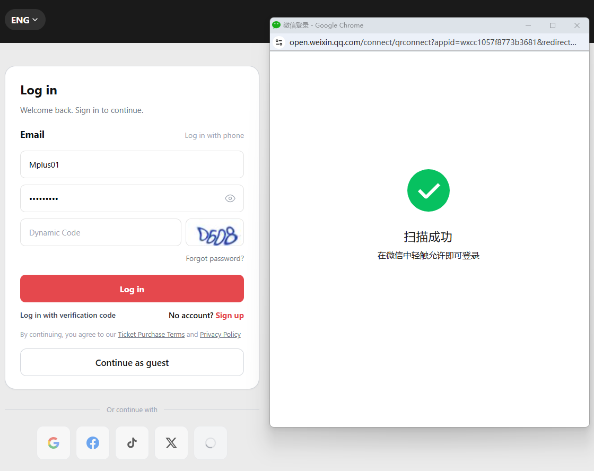
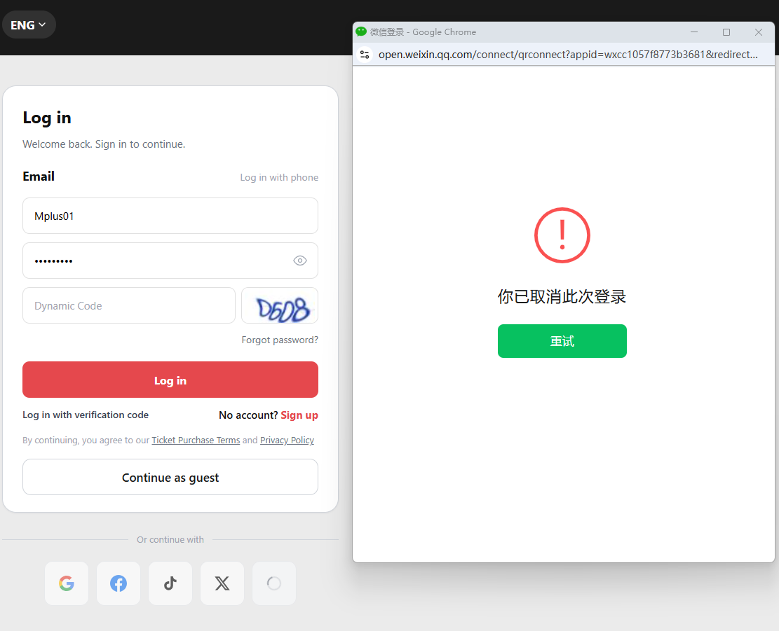
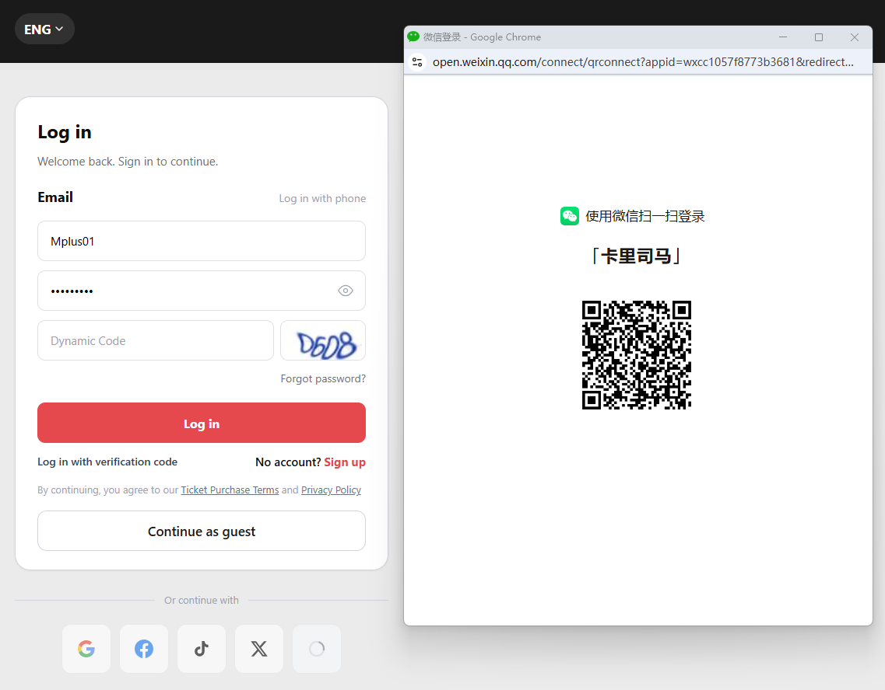
SIT | SIT-TC-WEB-AUTH-019 | Website / Third-party Login | High | Medium | REQ-WEB-REG-002 | Provider authorization cancelled | Verify cancellation at provider returns user safely to login flow. | Provider sandbox configured. | 1. Open login. 2. Choose provider. 3. Cancel at provider. | Provider account. | 1. User returns unauthenticated with clear message. 2. Can retry. | Antank QA Team | SIT | 2026-05-22 | Evan | As expected | Pass | Preserved from source workbook split on 2026-06-23; execution screenshots retained where present.
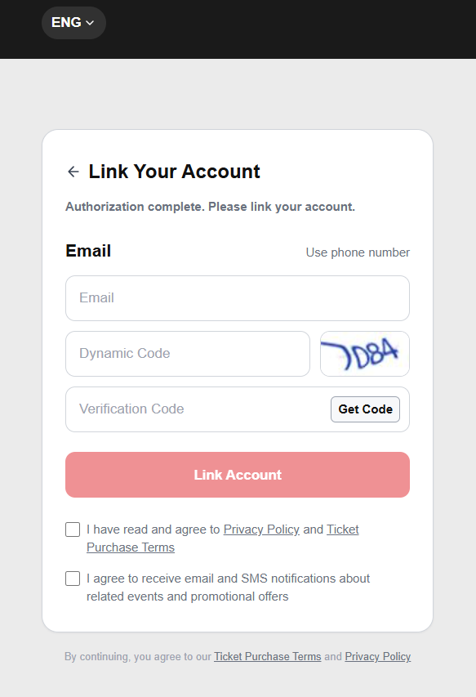
NA | SIT-TC-WEB-AUTH-020 | Website / Third-party Login | Medium | High | REQ-WEB-REG-002 | Provider returns missing identifier | Verify account association handles missing provider profile data safely. | Provider sandbox can simulate missing primary data. | 1. Start third-party login. 2. Authorize with missing data profile. | Provider account with missing email/identifier. | 1. System follows approved fallback flow (e.g., binding step). 2. No ambiguous duplicate identity. | Antank QA Team | SIT | 2026-05-22 | Evan | As expected | Pass | Preserved from source workbook split on 2026-06-23; execution screenshots retained where present.
NA | SIT-TC-WEB-AUTH-026 | Website / Auth UI | Medium | Medium | Figma scope | Duplicate submit and loading state — **all 4 auth flows** | Verify repeated clicks do not create duplicate requests or inconsistent UI state **across login, registration, forgot-password, and guest robot-verification submit buttons**. | Login / register / forgot-password / guest robot-verification pages all available. | 1. Fill form. 2. Click submit repeatedly during loading. **3. Repeat for each of the 4 flows: login, registration, forgot-password (Get Code + Continue), and guest robot-verification.** | Valid form data **for each flow**. | 1. Only one effective request processed **per flow**. 2. Loading or disabled state visible **per flow**. | Antank QA Team |  |  |  |  | Not Run
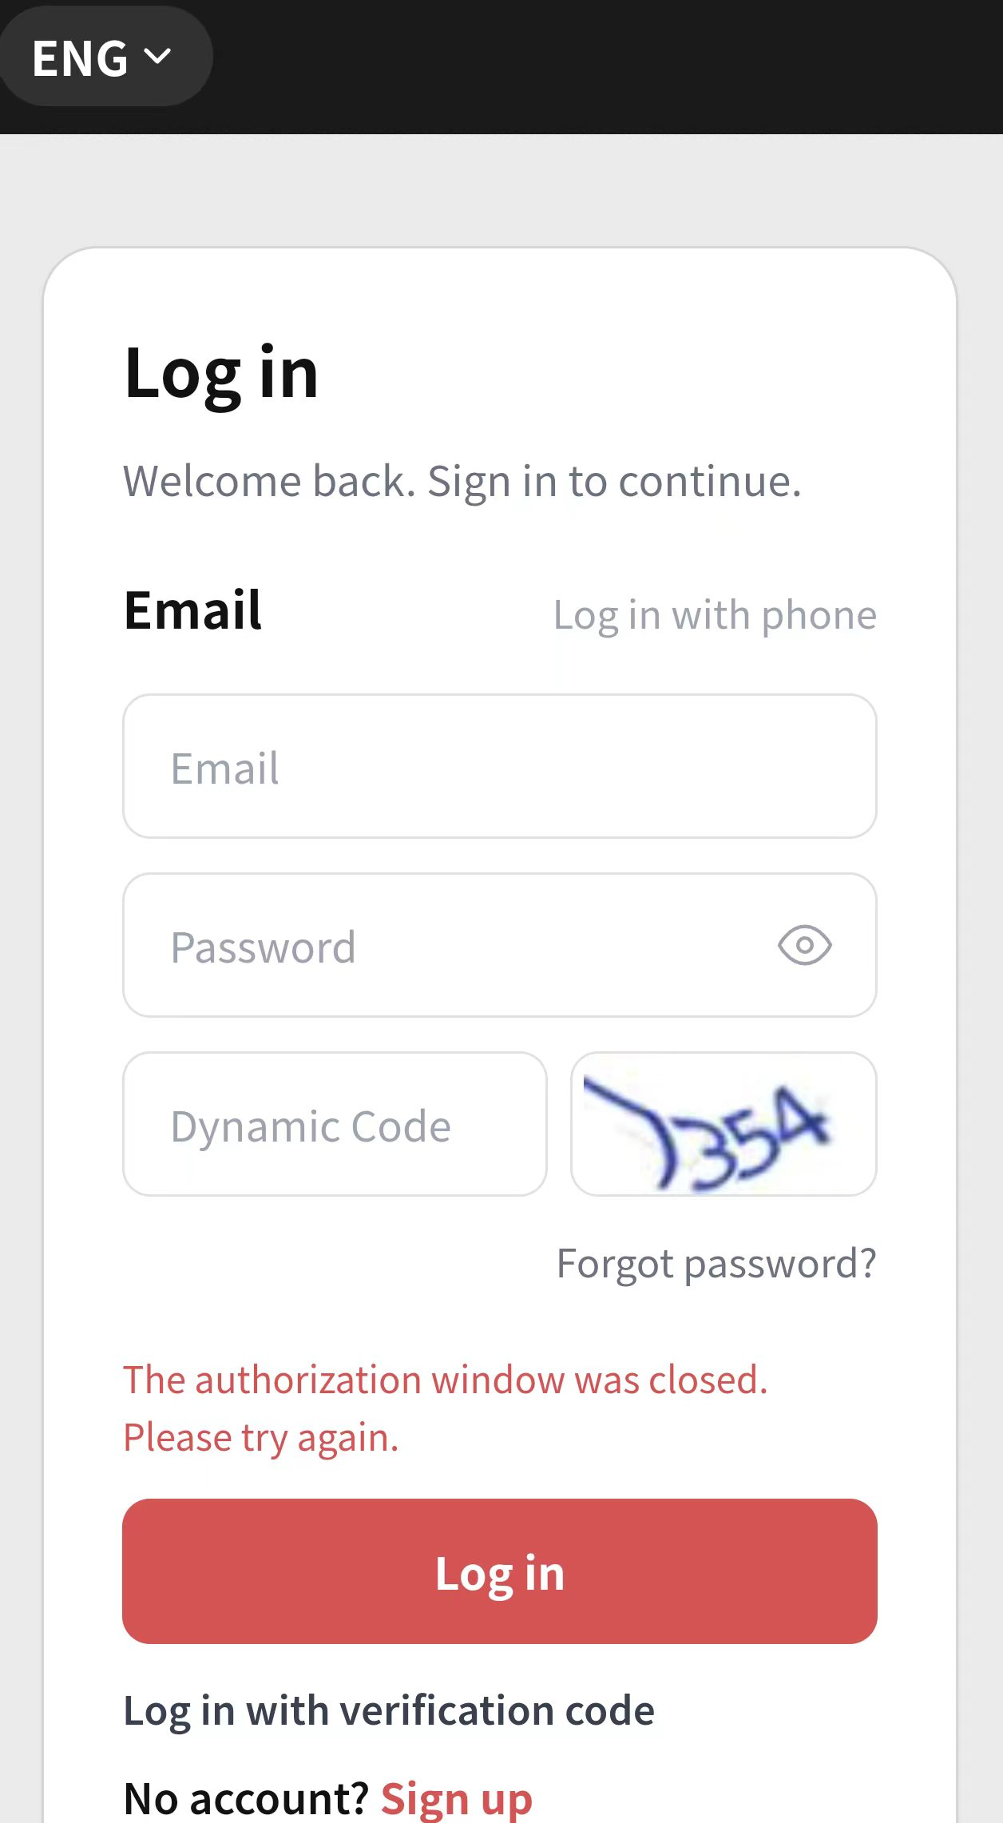
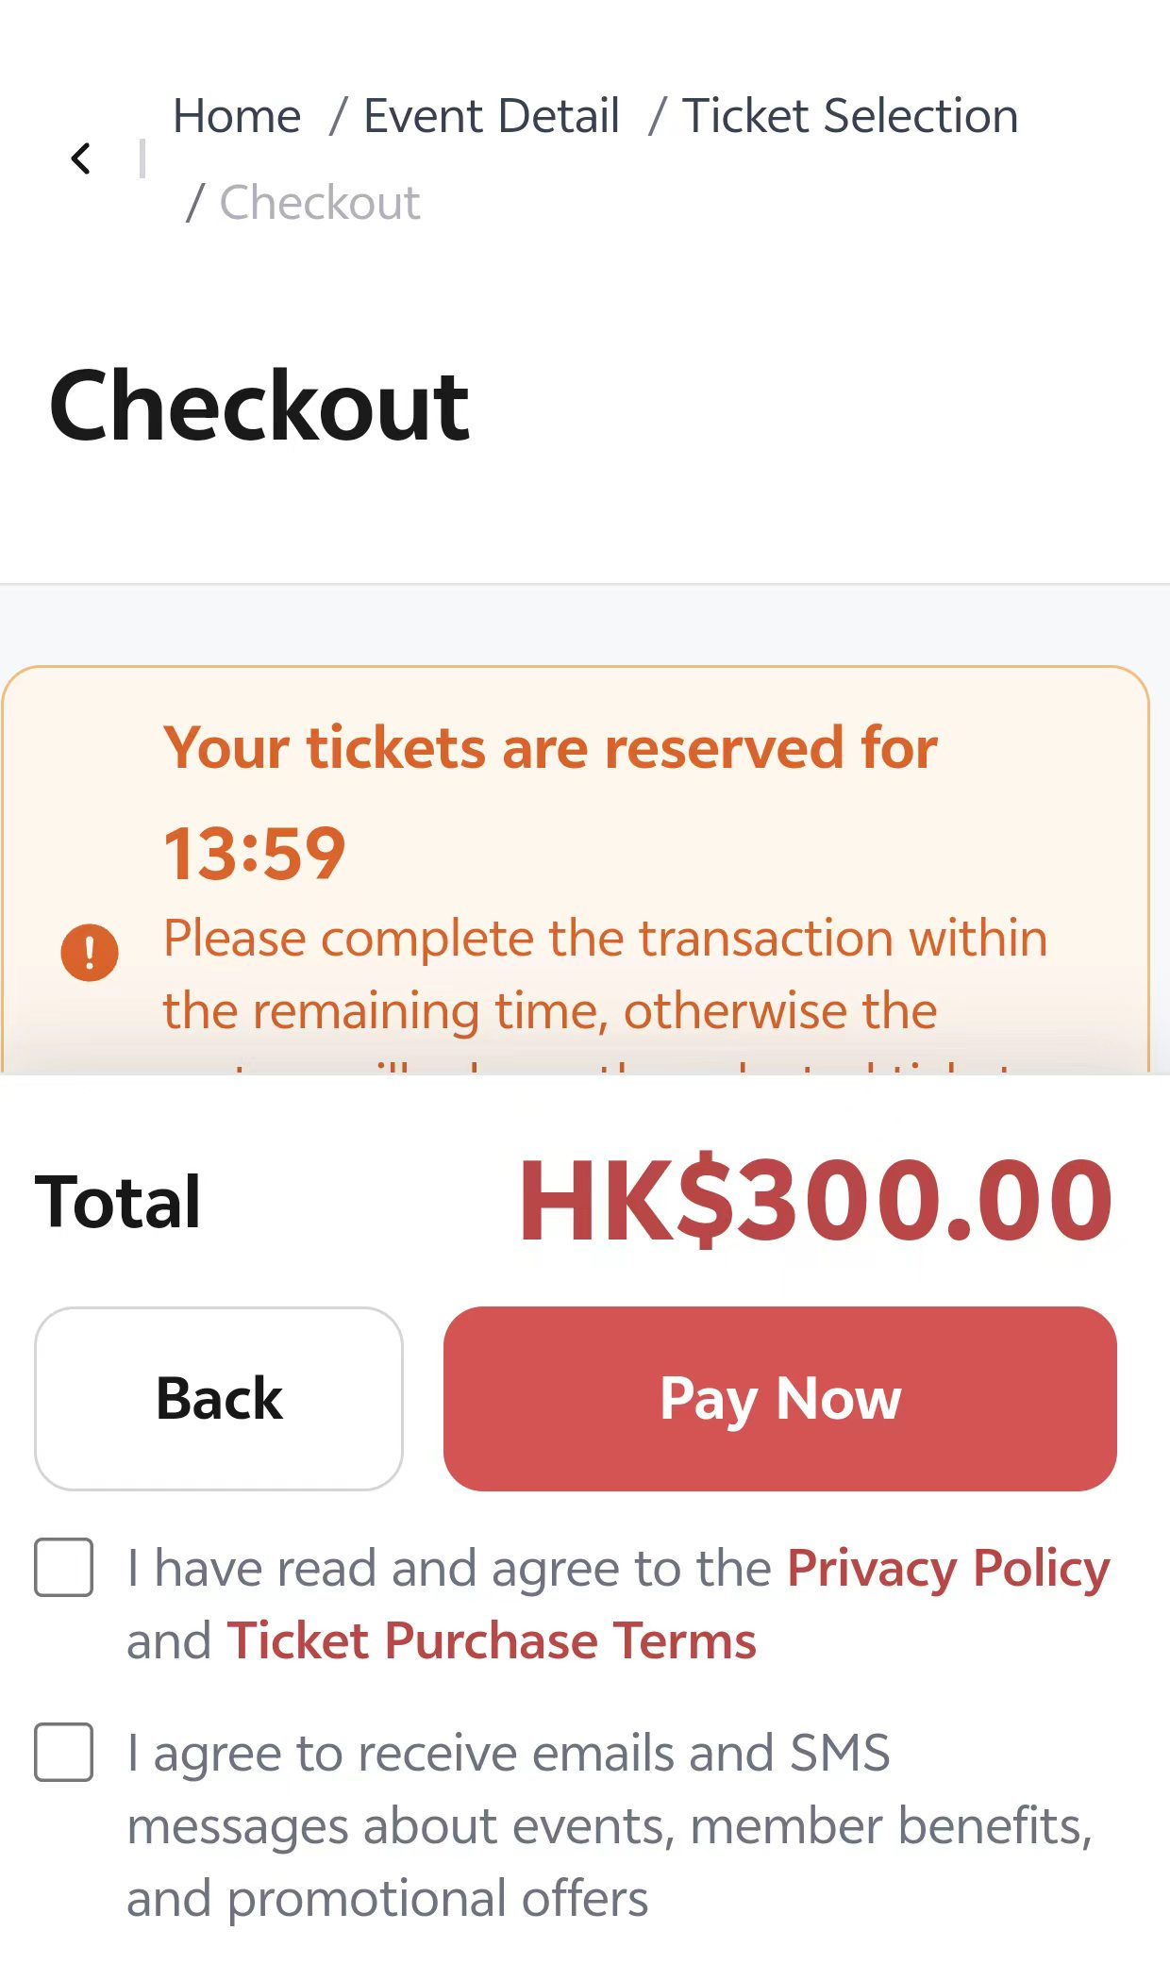
SIT/UAT | SIT-TC-WEB-AUTH-027 | Website / Compatibility | Medium | Medium | Project website context | Mobile viewport authentication layout | Verify login/register/guest/third-party entries are usable on mobile viewport. | Mobile browser or emulator available. | 1. Open auth screens on mobile viewport. 2. Validate field focus, keyboard, buttons, error messages, privacy link. | Valid and invalid auth data. | 1. No critical clipping or overlap. 2. User can complete or correct each auth flow. | Antank QA Team | SIT | 2026-05-22 | Evan | As expected | Pass | Preserved from source workbook split on 2026-06-23; execution screenshots retained where present.
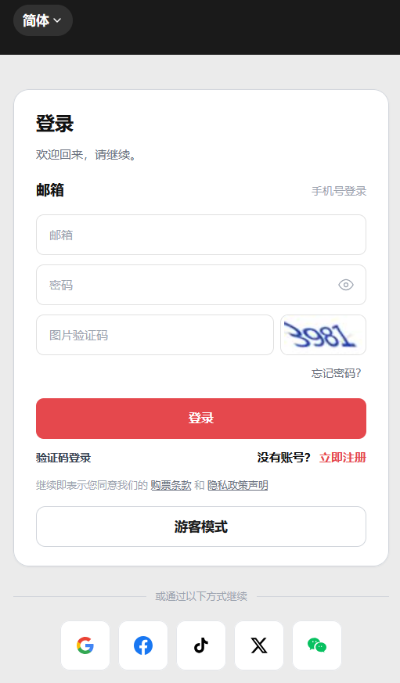
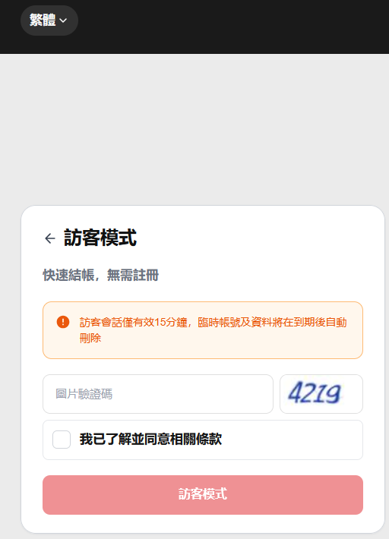
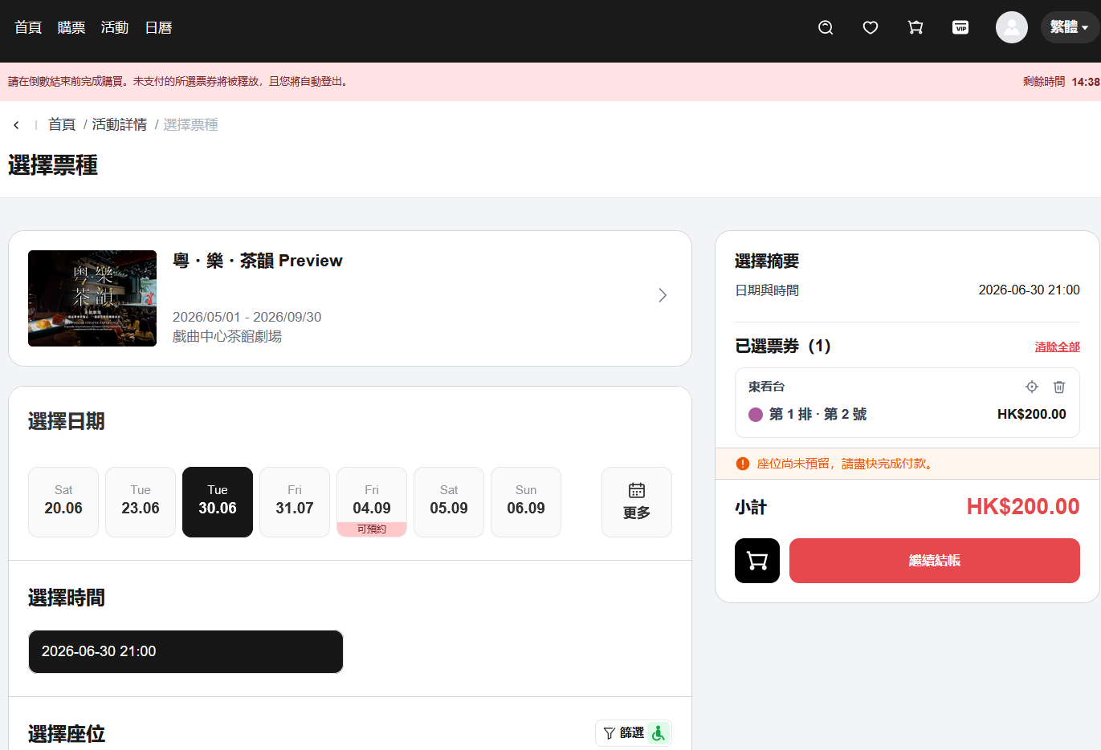
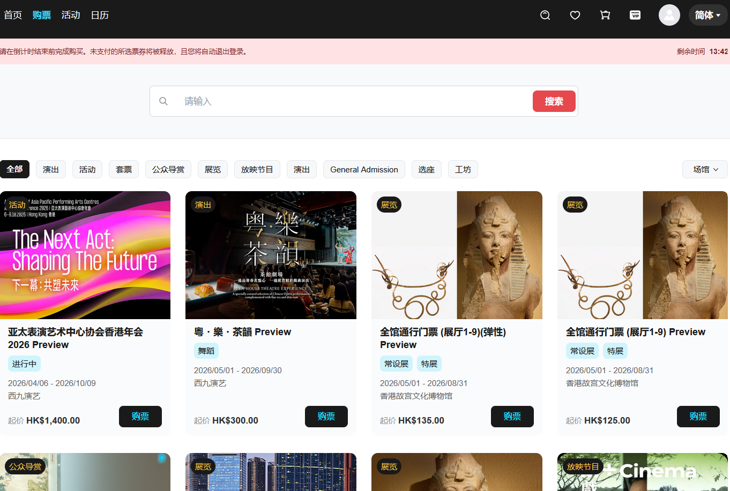
SIT/UAT | SIT-TC-WEB-AUTH-028 | Website / Multilingual | Medium | Medium | Mindmap (多语言 noted on all flows) | Multilingual labels and validation | Verify auth labels, validation messages, OTP email content, page hints, privacy text, and provider labels follow selected language across all flows. | Language switch available. | 1. Switch language. 2. Trigger validation errors in each flow (register, login, guest, forgot password, third-party). 3. Inspect OTP email content language. | Invalid registration/login data in each language. | 1. All user-facing strings (including OTP emails) display in selected language. | Antank QA Team | SIT | 2026-05-22 | Evan | As expected | Pass | Preserved from source workbook split on 2026-06-23; execution screenshots retained where present.
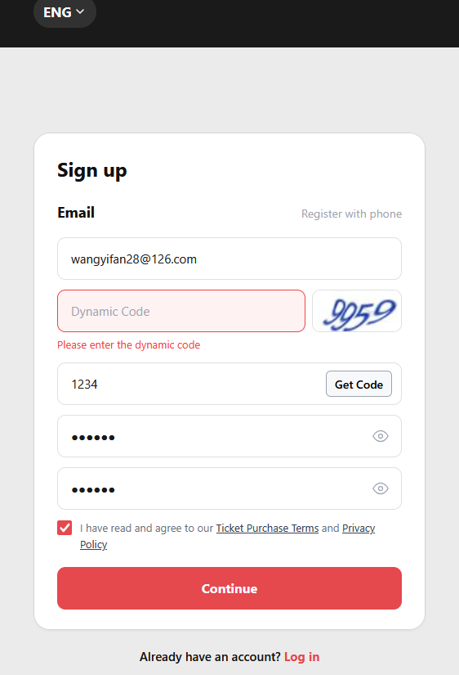
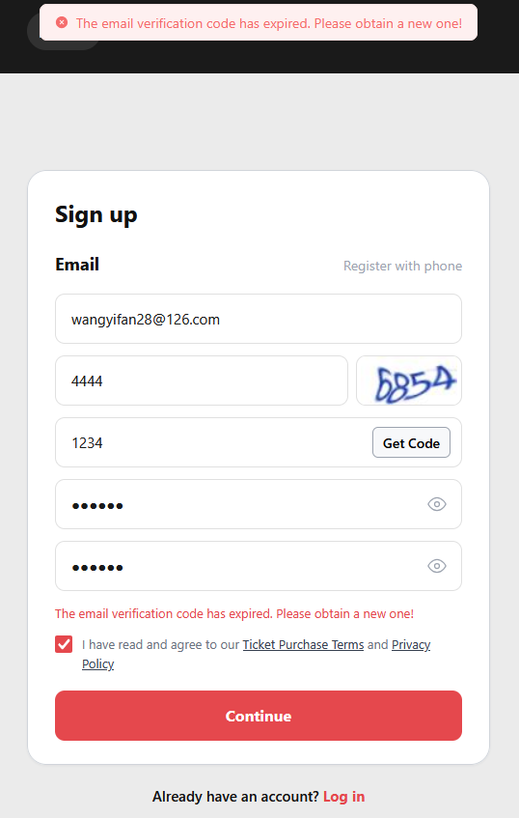
SIT | SIT-TC-WEB-AUTH-029 | Website / Native Registration | High | High | REQ-WEB-REG-001, Mindmap 注册 > 动态码 | Image captcha required on registration | Verify registration cannot complete without correct image captcha matching the displayed image. | Registration page open; captcha service enabled. | 1. Submit with no captcha. 2. Submit with wrong captcha. 3. Submit with correct captcha. | Valid registration form; missing / wrong / correct captcha inputs. | 1. (1) and (2) blocked with localized captcha error. 2. (3) proceeds to OTP step. Captcha must match its displayed image. | Antank QA Team | SIT | 2026-06-09 | Evan | As expected | Pass | Preserved from source workbook split on 2026-06-23; execution screenshots retained where present.
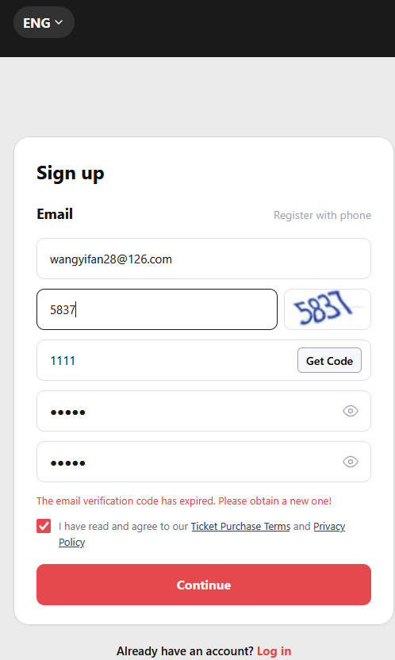
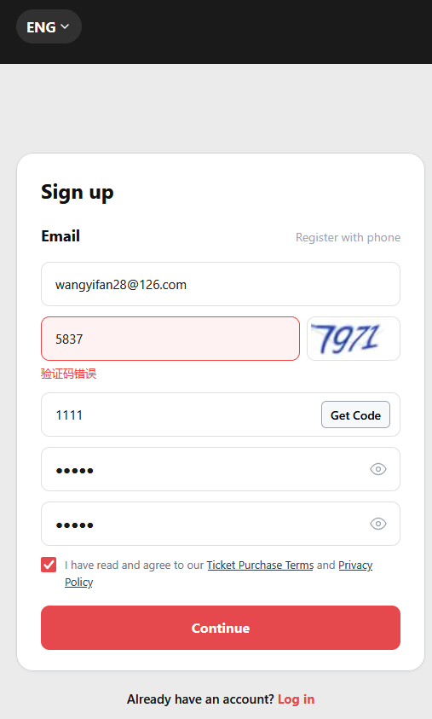
SIT | SIT-TC-WEB-AUTH-030 | Website / Native Registration | Medium | Medium | REQ-WEB-REG-001, Mindmap 注册 > 动态码 click-to-refresh | Captcha refresh behavior | Verify captcha refreshes when the user clicks the captcha image. | Registration page open. | 1. Note captcha image A. 2. Click the captcha image. 3. Note captcha image B. 4. Submit using image A's value after refresh, then submit using image B's value. | Wrong captcha input; image click. | 1. Click-to-refresh loads a new captcha image. 2. The previous captcha value no longer passes after refresh. 3. The current captcha value can proceed. | Antank QA Team | SIT | 2026-06-09 | Evan | As expected | Pass | Preserved from source workbook split on 2026-06-23; execution screenshots retained where present.
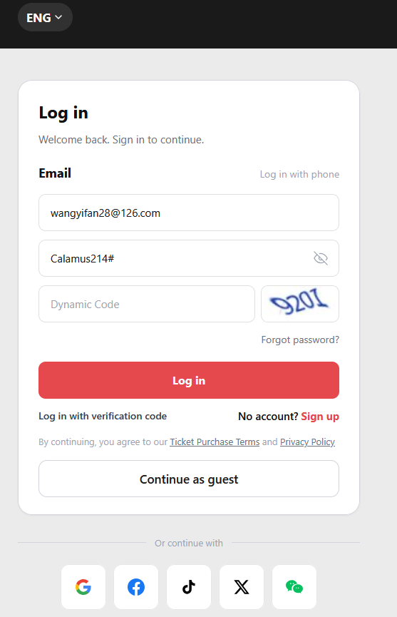
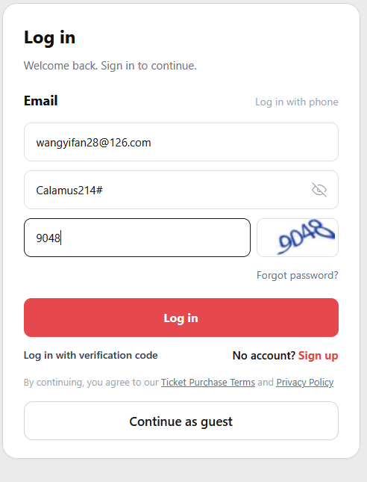
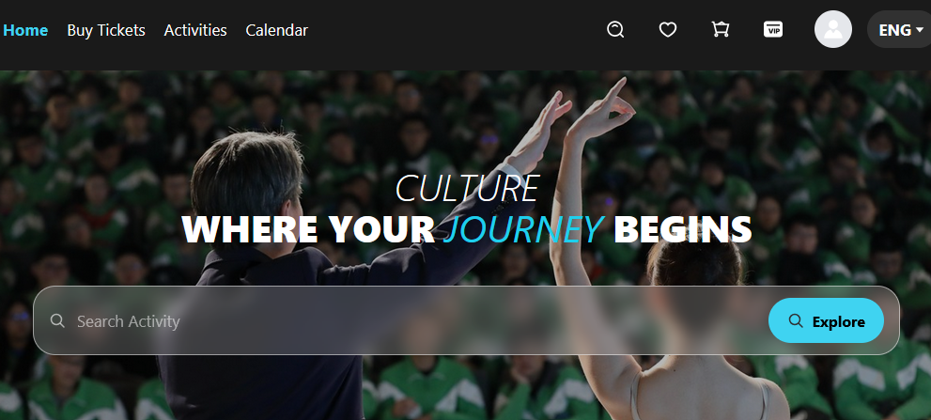
SIT | SIT-TC-WEB-AUTH-031 | Website / Registered Login (password mode) | High | High | REQ-WEB-REG-003, Mindmap 登录 > 密码登录 > 动态码 | Image captcha required on password login | Verify password-mode login cannot complete without correct captcha. | Active account; login page open. | 1. Submit valid email+password with no / wrong / correct captcha. | Valid credentials with missing / wrong / correct captcha. | 1. Missing or wrong captcha blocks login with localized error. 2. Correct captcha + valid credentials succeeds. | Antank QA Team | SIT | 2026-06-09 | Evan | As expected | Fail | https://lengliwh.chandao.net/bug-view-5279.html
SIT | SIT-TC-WEB-AUTH-033 | Website / Forgot Password | High | High | REQ-WEB-REG-003, Mindmap 忘记密码 > 动态码 | Image captcha required on forgot password | Verify forgot password cannot proceed without correct captcha. | Forgot password page available. | 1. Submit valid email with no / wrong / correct captcha. | Valid email with missing / wrong / correct captcha. | 1. Missing or wrong captcha blocks the request. 2. Correct captcha proceeds to OTP step. | Antank QA Team | SIT | 2026-06-09 | Evan | As expected | Fail | https://lengliwh.chandao.net/bug-view-5238.html
SIT | SIT-TC-WEB-AUTH-042 | Website / Native Registration / OTP | Medium | Medium | REQ-WEB-REG-001, Mindmap 注册 > 60秒防重复提交 | OTP resend within 60s rejected | Verify a user cannot resend OTP within 60 seconds of last request. | OTP just requested. | 1. Request OTP. 2. Immediately request resend (within 60s). | Same email. | 1. Resend rejected with cooldown message. 2. Timer visible. | Antank QA Team | SIT | 2026-06-09 | Evan | As expected | Fail | https://lengliwh.chandao.net/bug-view-5238.html
SIT | SIT-TC-WEB-AUTH-043 | Website / Native Registration / OTP | Medium | High | REQ-WEB-REG-001, Mindmap 注册 > 重发后上一个验证码失效 | OTP resend invalidates previous | Verify after a successful resend, the previous OTP no longer authenticates. | First OTP received; cooldown elapsed. | 1. Request OTP (note value A). 2. Wait past cooldown. 3. Request resend (note value B). 4. Try submitting with A. 5. Try submitting with B. | First OTP value; new OTP value. | 1. Submitting A fails (expired/replaced). 2. Submitting B succeeds. | Antank QA Team | SIT | 2026-06-09 | Evan | As expected | Fail | https://lengliwh.chandao.net/bug-view-5238.html
SIT | SIT-TC-WEB-AUTH-044 | Website / Native Registration | High | Medium | REQ-WEB-REG-001, Mindmap 注册 > 两次密码输入不同 | Password confirmation mismatch | Verify mismatched password and confirmation fields produce a failure message and block submission. | Registration page open. | 1. Fill valid email. 2. Enter password A and confirmation B. 3. Submit. | Valid email; password A; confirmation B (B≠A). | 1. Submission blocked. 2. Localized "passwords do not match" message. 3. No account created. | Antank QA Team | SIT | 2026-06-09 | Evan | As expected | Fail | https://lengliwh.chandao.net/bug-view-5238.html
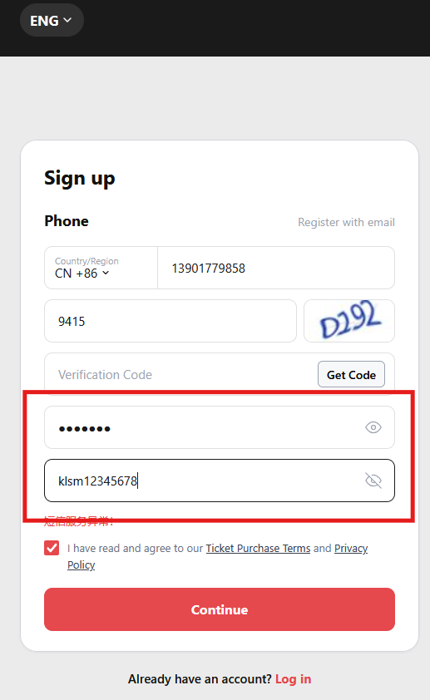
SIT | SIT-TC-WEB-AUTH-045 | Website / Auth UI | Low | Low | REQ-WEB-REG-001, Mindmap 注册 > 是否有明码显示密码内容 | Password plaintext toggle | Verify show/hide plaintext toggle works on password and confirmation fields. | Registration / password-login page open. | 1. Type password. 2. Click show/hide toggle. 3. Confirm visible vs masked. | Any password input. | 1. Toggle reveals or masks the entered characters per click. 2. Works on both password and confirmation fields. | Antank QA Team | SIT | 2026-06-09 | Evan | As expected | Pass | Preserved from source workbook split on 2026-06-23; execution screenshots retained where present.
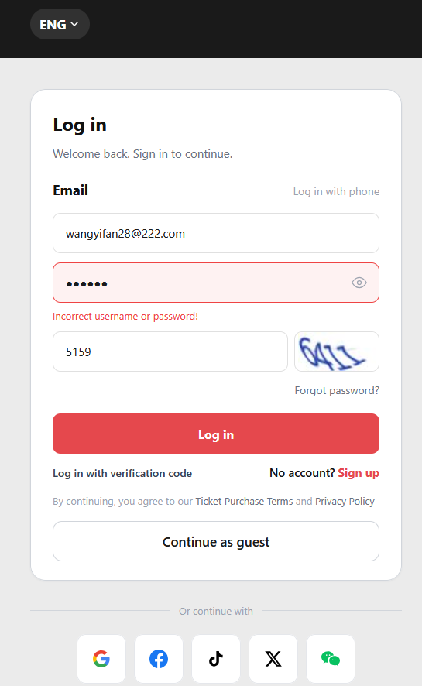
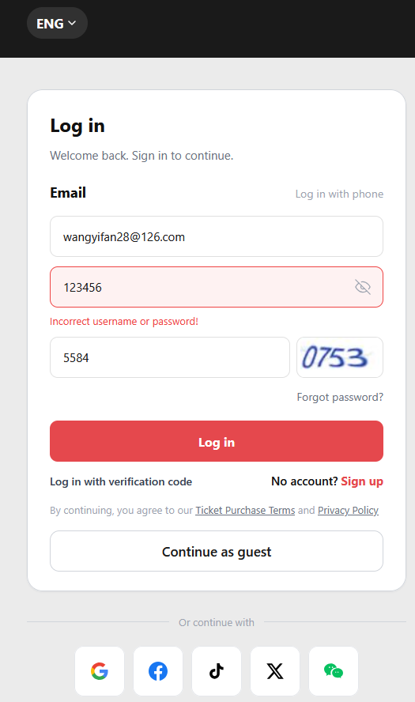
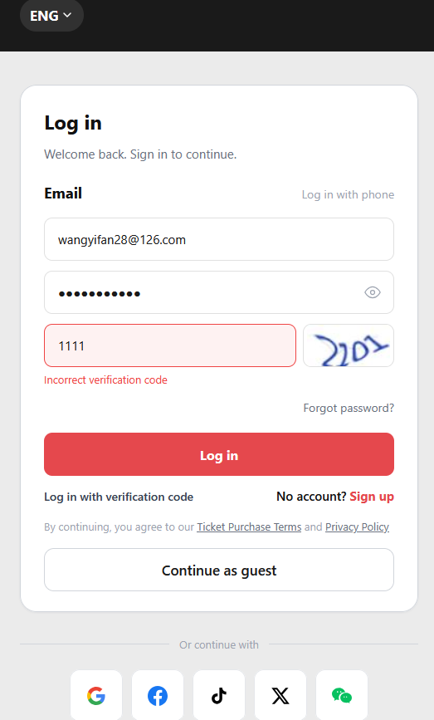
NA | SIT-TC-WEB-AUTH-048 | Website / Registered Login (password mode) | High | Medium | REQ-WEB-REG-003, Mindmap 登录 > 密码登录 > 任何一项错误 | Password login: any-one-field-wrong error messages | Verify password-mode login is blocked with the localized error specific to the wrong field when exactly one of email / password / 动态码 is wrong while the other two are correct. | Active registered account; valid captcha image visible. | 1. Submit with wrong email + correct password + correct 动态码. 2. Submit with correct email + wrong password + correct 动态码. 3. Submit with correct email + correct password + wrong 动态码. | Active credentials; one wrong field per attempt. | 1. Each attempt is blocked. 2. Each shows a localized error message identifying the wrong field (per language). 3. No authenticated session is created; account is not locked from a single attempt (see TC-011 for lockout). | Antank QA Team | SIT | 2026-06-09 | Evan | As expected | Pass | Preserved from source workbook split on 2026-06-23; execution screenshots retained where present.
NA | SIT-TC-WEB-AUTH-049 | Website / Registered Login (password mode) | Medium | Medium | REQ-WEB-REG-003, Mindmap 登录 > 密码登录 > 任何两项错误 | Password login: any-two-fields-wrong error messages | Verify password-mode login is blocked with a localized error when exactly two of email / password / 动态码 are wrong. | Active registered account. | 1. Submit with wrong email + wrong password + correct 动态码. 2. Submit with wrong email + correct password + wrong 动态码. 3. Submit with correct email + wrong password + wrong 动态码. | Active credentials; two wrong fields per attempt. | 1. Each attempt is blocked. 2. Localized error identifies the failed fields (per language). 3. No authenticated session is created. | Antank QA Team |  |  |  |  | Not Run | https://lengliwh.chandao.net/bug-view-5279.html
NA | SIT-TC-WEB-AUTH-050 | Website / Registered Login (password mode) | Medium | Medium | REQ-WEB-REG-003, Mindmap 登录 > 密码登录 > 所有信息都错误 | Password login: all-fields-wrong error message | Verify password-mode login is blocked with a localized error when all three of email / password / 动态码 are wrong. | Login page available. | 1. Submit with wrong email + wrong password + wrong 动态码. | Three wrong fields. | 1. Attempt is blocked. 2. Localized error covers all wrong fields (or shows the approved generic credentials-invalid wording if the product hides specifics). 3. No authenticated session is created. | Antank QA Team |  |  |  |  | Not Run | https://lengliwh.chandao.net/bug-view-5279.html
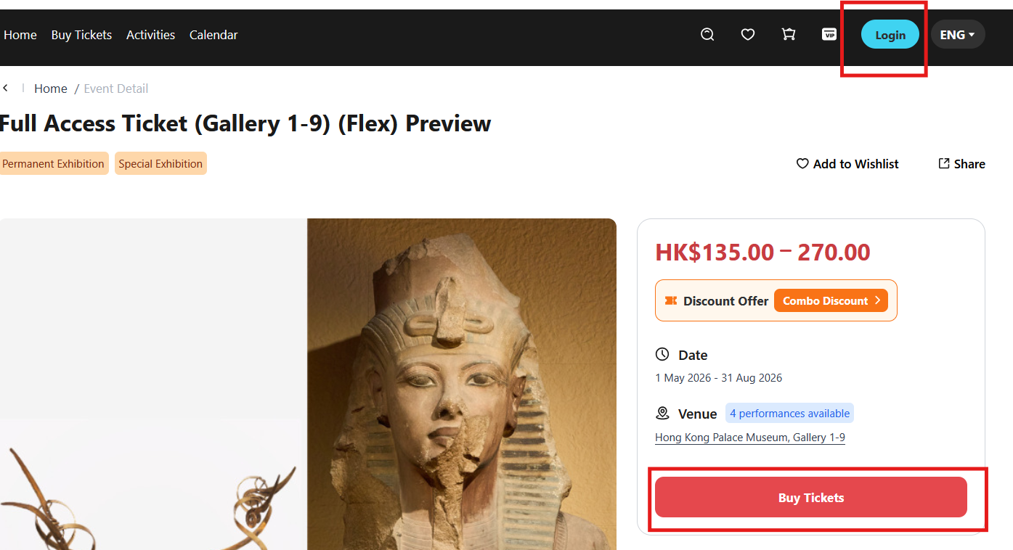
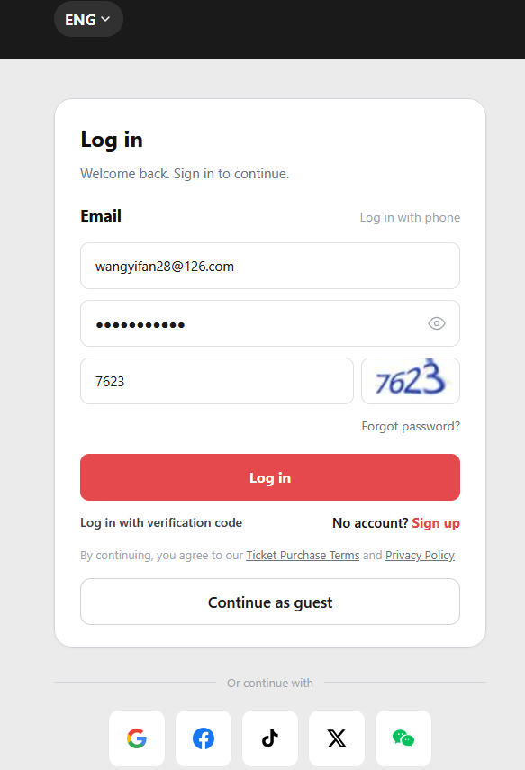
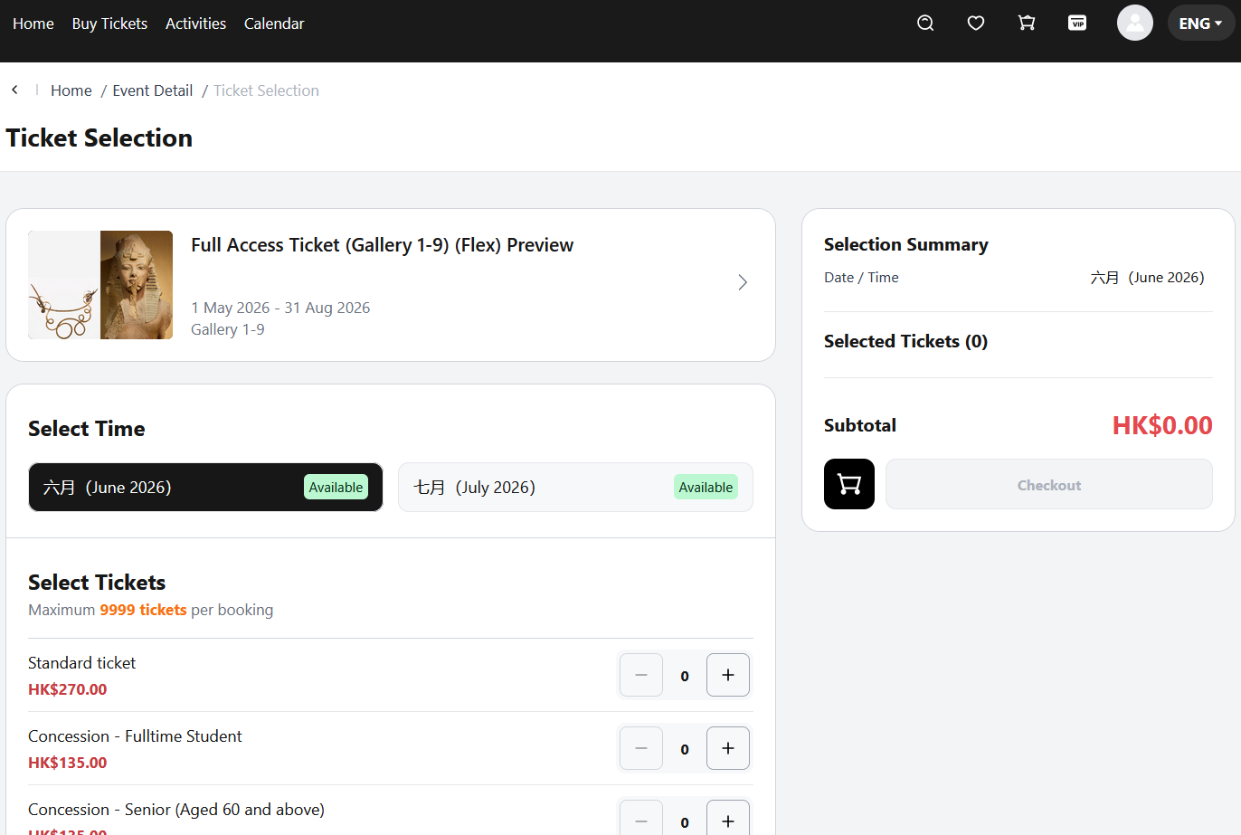
SIT/UAT | SIT-TC-WEB-AUTH-057 | Website / Native Registration | Medium | Medium | REQ-WEB-REG-001, Mindmap 注册 > 注册成功 → 返回跳转到原进入登录注册页面前的页面 | Registration success returns to original entry page | Verify after successful registration the user is redirected back to the page they were on before entering the login/registration flow (not to a generic confirmation page). | SIT website available; unused test email. | 1. Visit a non-auth page (e.g., an event detail page). 2. Click an action that triggers login/register entry. 3. Switch to the Register tab and complete registration. 4. Submit. | New user data. | 1. Registration succeeds. 2. User is redirected back to the event detail page (original entry), not a registration confirmation page. 3. Authenticated state is set on the returned page. | Antank QA Team | SIT | 2026-06-09 | Evan | As expected | Pass | Preserved from source workbook split on 2026-06-23; execution screenshots retained where present.
UAT | SIT-TC-WEB-AUTH-058 | Website / Native Registration / Email | Medium | Medium | REQ-WEB-REG-001, Mindmap 注册 > 验证码邮件 > 多语言情况不同邮件 + 格式,内容,发件人,标题 | Verification email content elements per language | Verify the verification email content elements (format, sender / from, subject / title, body) follow product spec and switch with the selected language. | Registration in progress; email delivered. | 1. Start registration in language A; receive email; record sender, subject, body, format. 2. Restart registration in language B (different email or after cooldown). 3. Compare email elements against language A. | Two languages; product spec for email template. | 1. Sender (from) matches spec and does not change across languages (unless spec specifies localized sender). 2. Subject / title is localized to the selected language. 3. Body content is localized. 4. Format (plain / HTML, layout) matches spec. | Antank QA Team | SIT | 2026-06-09 | Evan | As expected | Fail | https://lengliwh.chandao.net/bug-view-5292.html

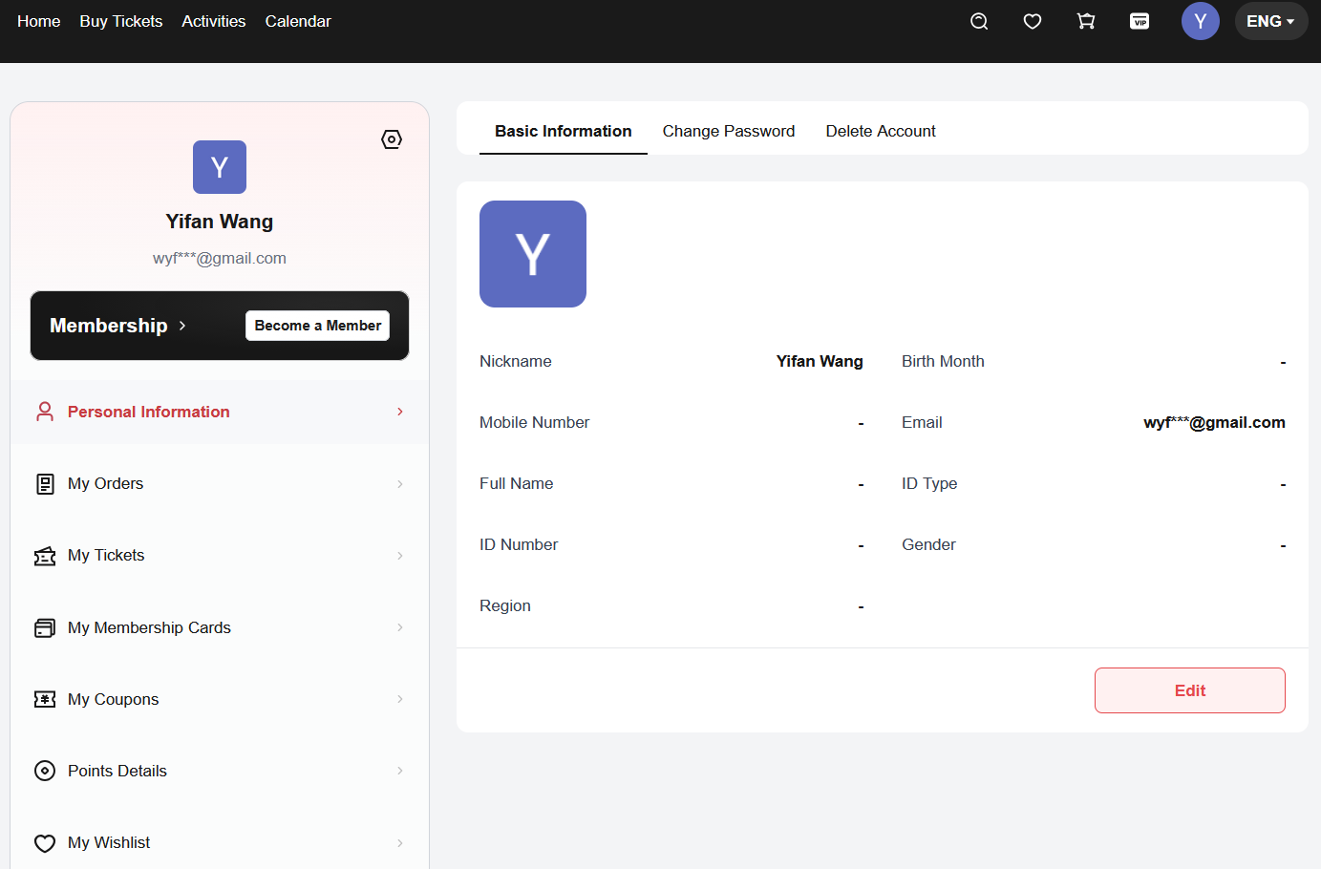
SIT/UAT | SIT-TC-WEB-AUTH-059 | Website / Third-party Login (Google) | High | High | REQ-WEB-REG-002, Mindmap 第三方登录 > Google | Third-party login end-to-end via Google | [Revised 2026-06-02] Google OAuth end-to-end: first-time flow now includes the Link Your Account binding page (see AUTH-078 for the new-account branch, AUTH-079 for the already-registered-email branch). Subsequent login with same Google account skips Link page (covered by AUTH-018 + AUTH-087). | Google sandbox / test account available; provider integration configured on SIT. | 1. Open login. 2. Choose Google. 3. Authorize using a Google sandbox account whose unique-id is not yet linked. 4. On Link Your Account page, complete email-mode binding (or switch to phone). 5. Verify login succeeds + account created. 6. Log out. 7. Repeat steps 1-3 with the same Google account. | Google test user(s); not yet associated and already associated. | 1. First-time Google login passes through Link Your Account, creates a platform account, links Google unique-id. 2. Subsequent Google login bypasses Link page and lands directly on home (PRD §3.2.2 step 5.a). 3. No duplicate platform account is created. 4. Identity (nickname / email) matches Google profile. | Antank QA Team | SIT | 2026-06-09 | Evan | As expected | Pass | Preserved from source workbook split on 2026-06-23; execution screenshots retained where present.
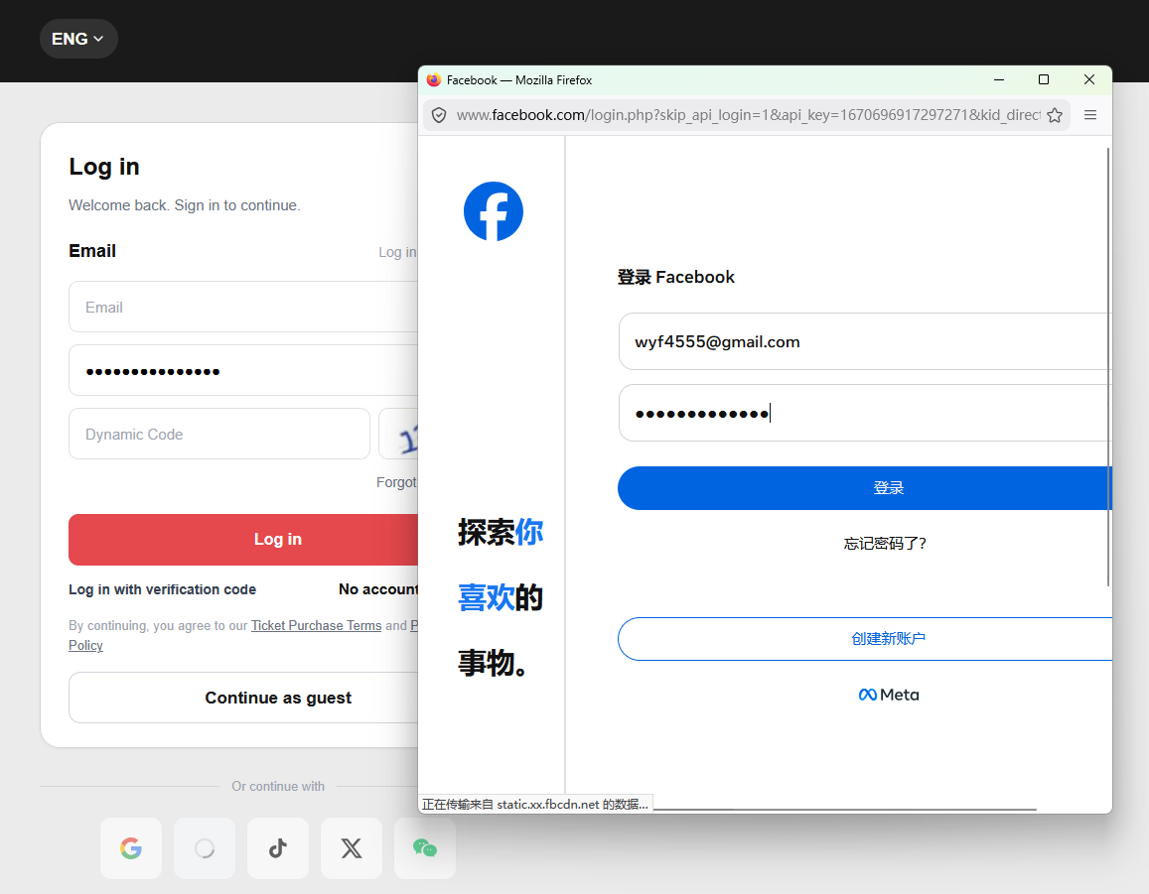
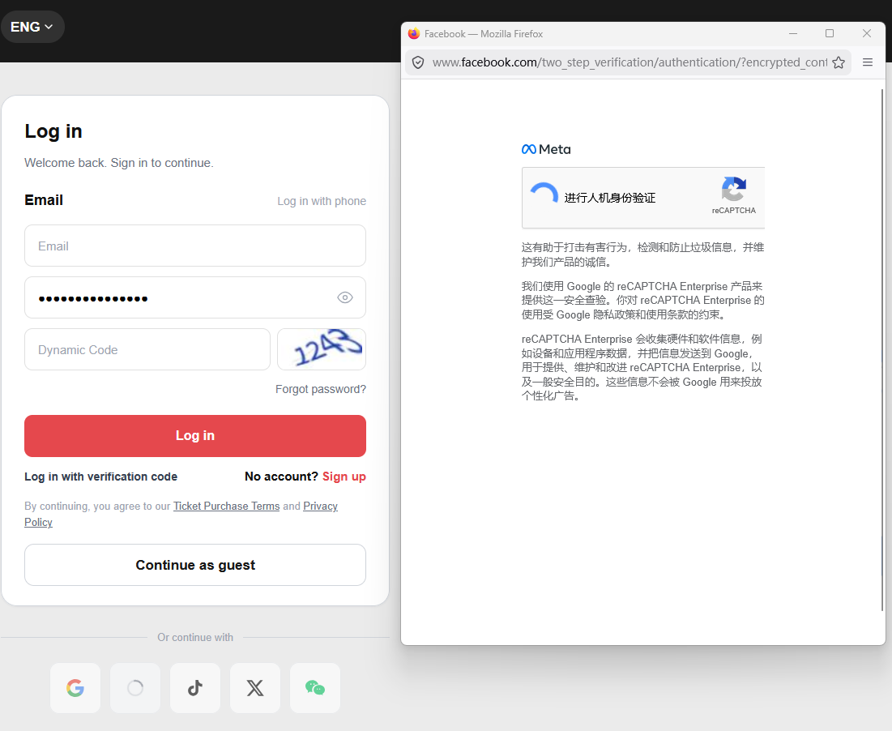
SIT/UAT | SIT-TC-WEB-AUTH-060 | Website / Third-party Login (Facebook) | High | High | REQ-WEB-REG-002, Mindmap 第三方登录 > Facebook | Third-party login end-to-end via Facebook | [Revised 2026-06-02] Facebook OAuth end-to-end: first-time includes Link Your Account; subsequent skips it. Same flow as AUTH-059 with Facebook as provider. See AUTH-078..087 for the binding-page sub-cases. | Facebook sandbox / test account available; provider integration configured on SIT. | 1. Open login. 2. Choose Facebook. 3. Authorize using a Facebook sandbox account not yet linked. 4. Complete Link Your Account binding (email or phone). 5. Verify login + account creation. 6. Log out. 7. Repeat steps 1-3 with the same Facebook account. | Facebook test user(s); not yet associated and already associated. | 1. First-time Facebook login passes through Link Your Account and creates a platform account. 2. Subsequent login skips Link page; lands on home directly. 3. No duplicate account; identity matches Facebook profile. | Antank QA Team | SIT | 2026-06-09 | Evan | As expected | Fail | Preserved from source workbook split on 2026-06-23; execution screenshots retained where present.
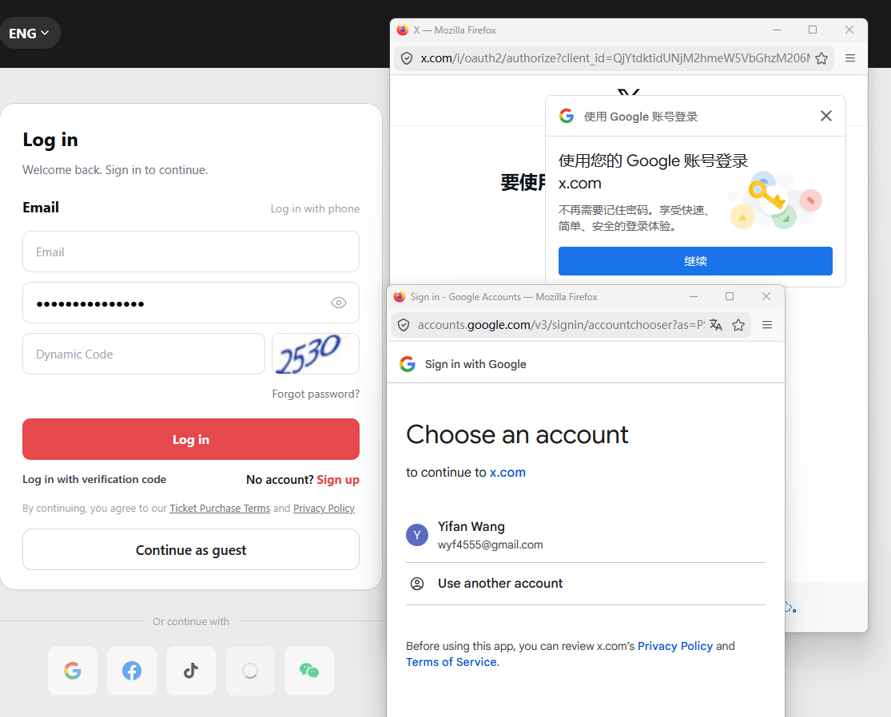
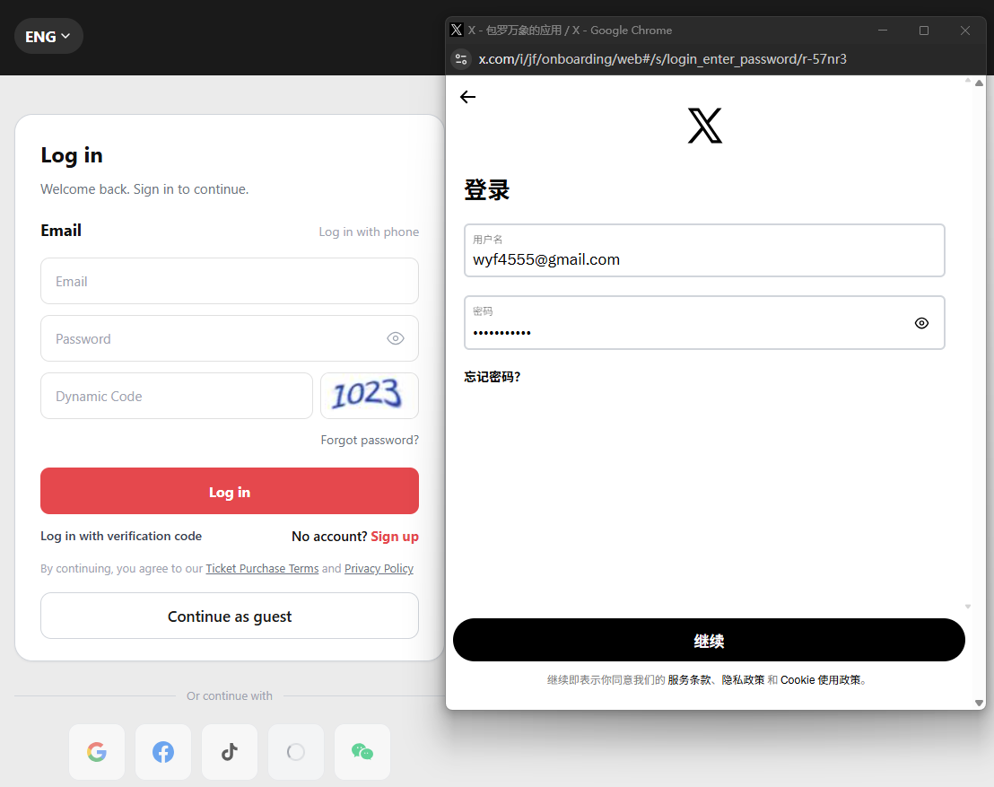
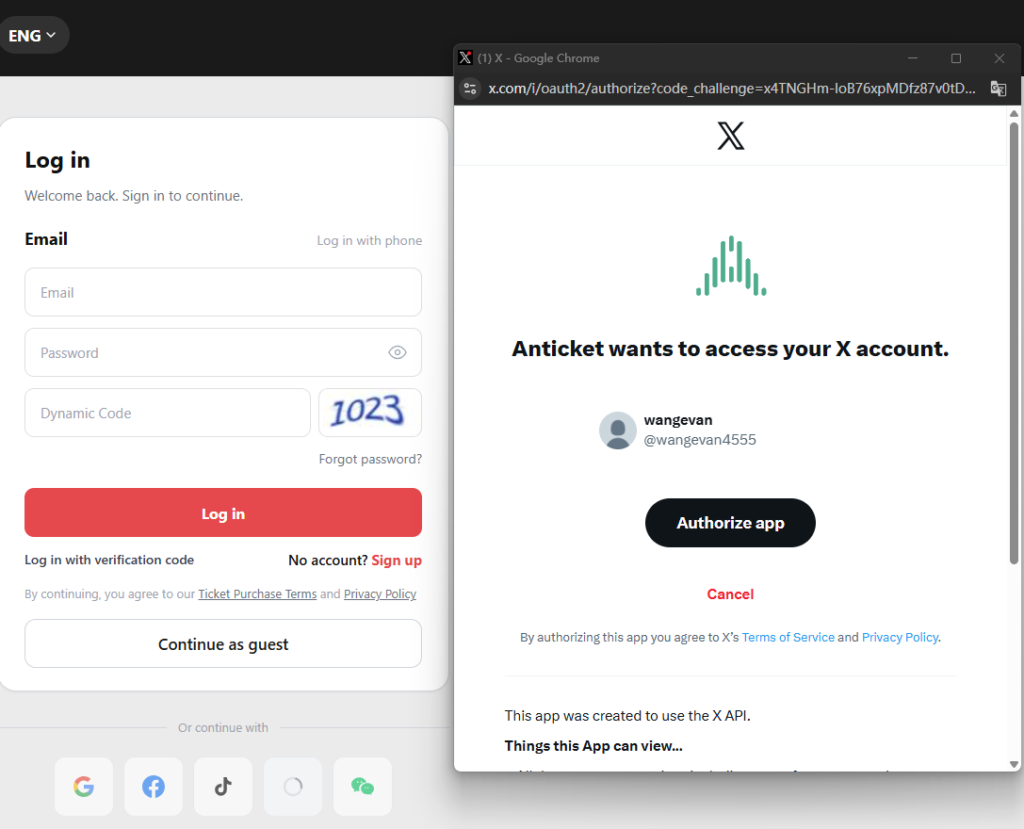
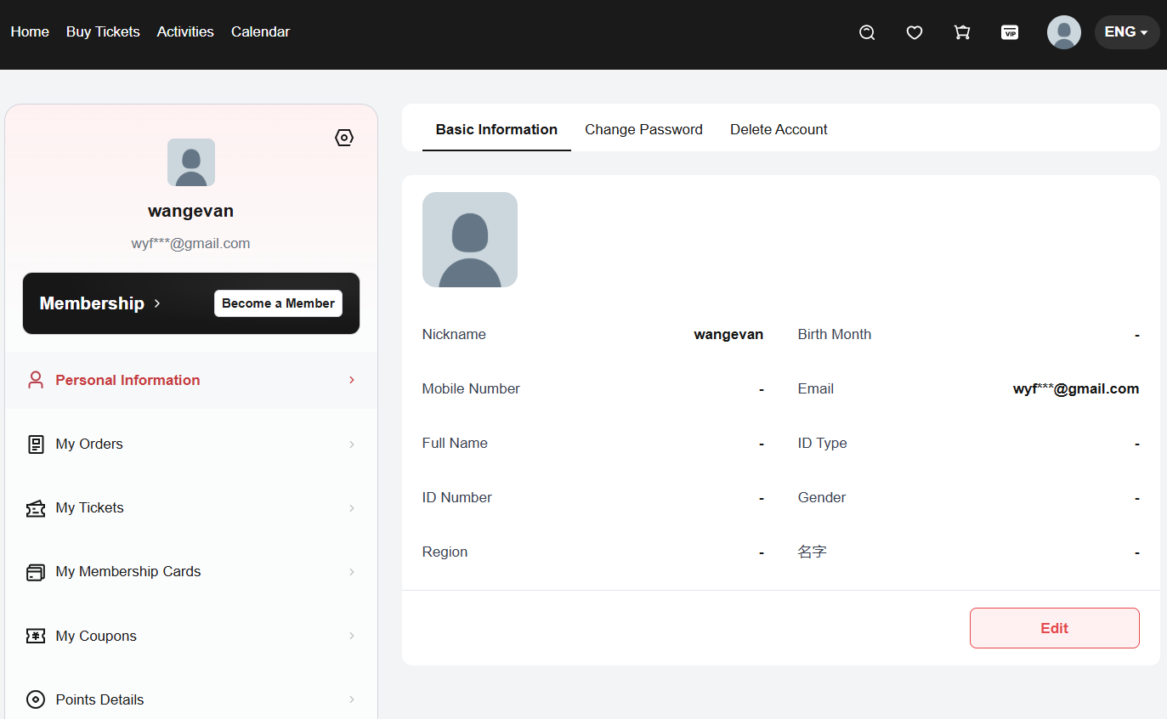
SIT/UAT | SIT-TC-WEB-AUTH-061 | Website / Third-party Login (X) | High | High | REQ-WEB-REG-002, Mindmap 第三方登录 > X | Third-party login end-to-end via X | [Revised 2026-06-02] X (Twitter) OAuth end-to-end: first-time includes Link Your Account; subsequent skips it. Same flow as AUTH-059 with X as provider. | X sandbox / test account available; provider integration configured on SIT. | 1. Open login. 2. Choose X. 3. Authorize using an X sandbox account not yet linked. 4. Complete Link Your Account binding. 5. Verify login + account creation. 6. Log out. 7. Repeat with the same X account. | X test user(s); not yet associated and already associated. | 1. First-time X login passes through Link Your Account and creates a platform account. 2. Subsequent login skips Link page. 3. No duplicate; identity matches X profile. | Antank QA Team | SIT | 2026-06-09 | Evan | As expected | Pass | Preserved from source workbook split on 2026-06-23; execution screenshots retained where present.
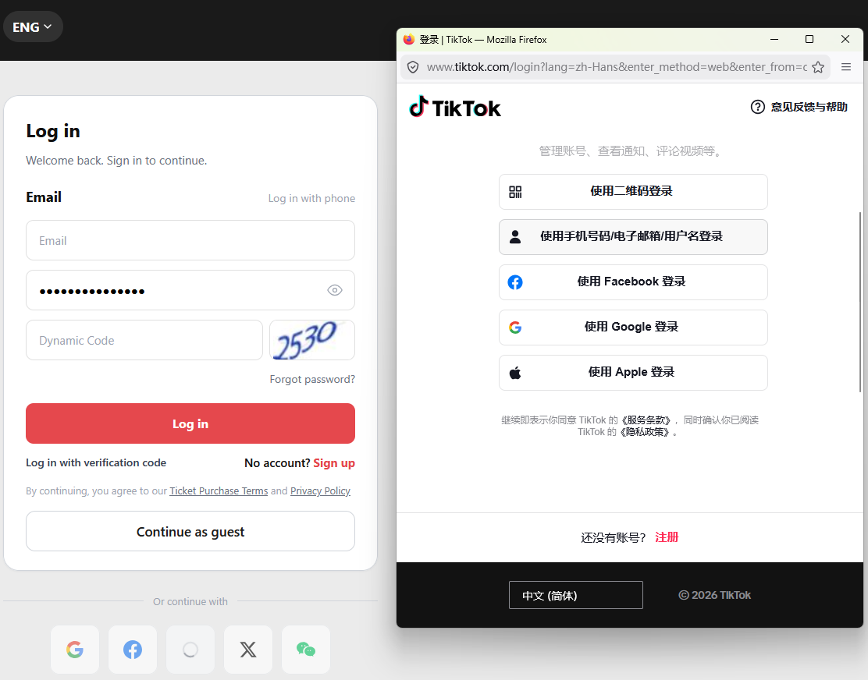
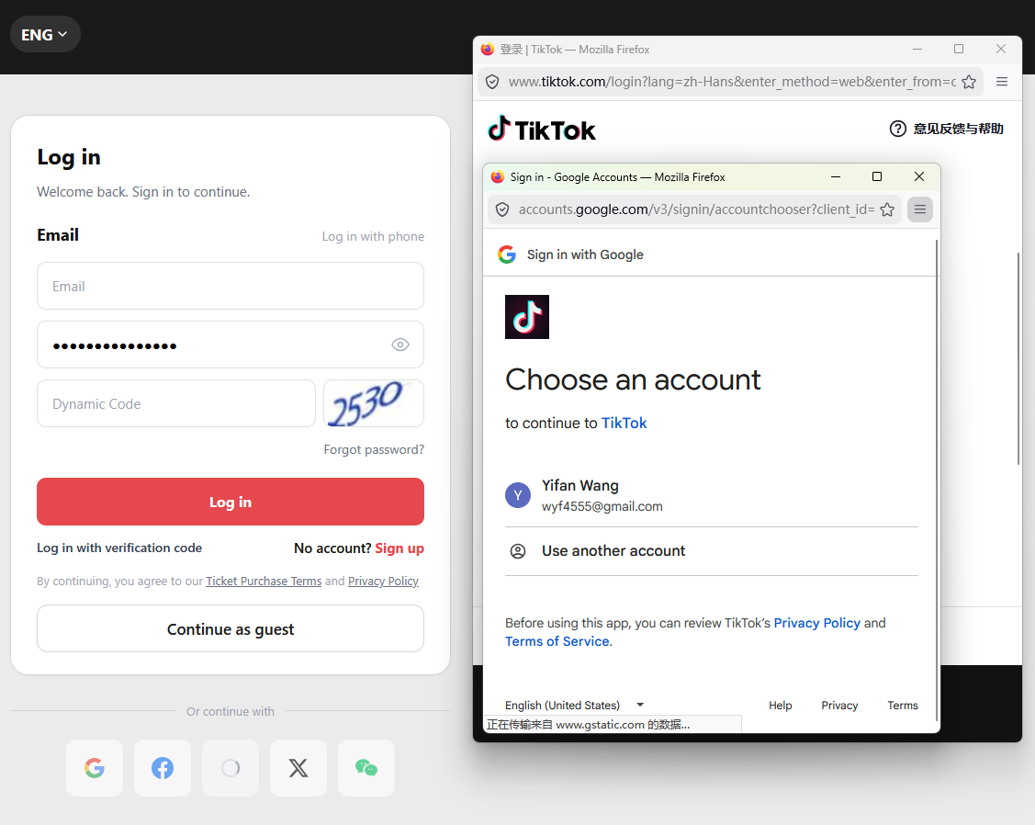
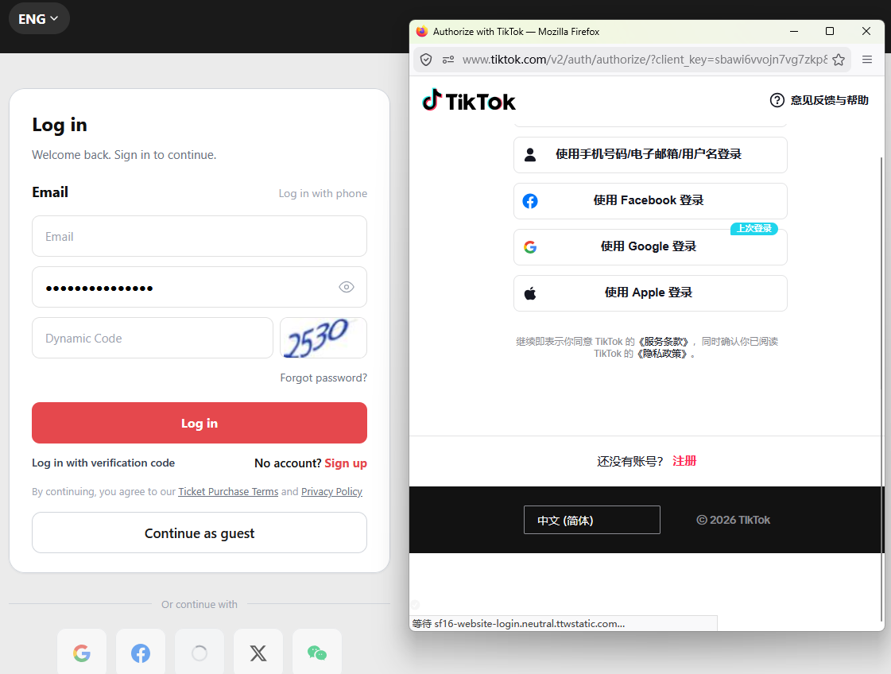
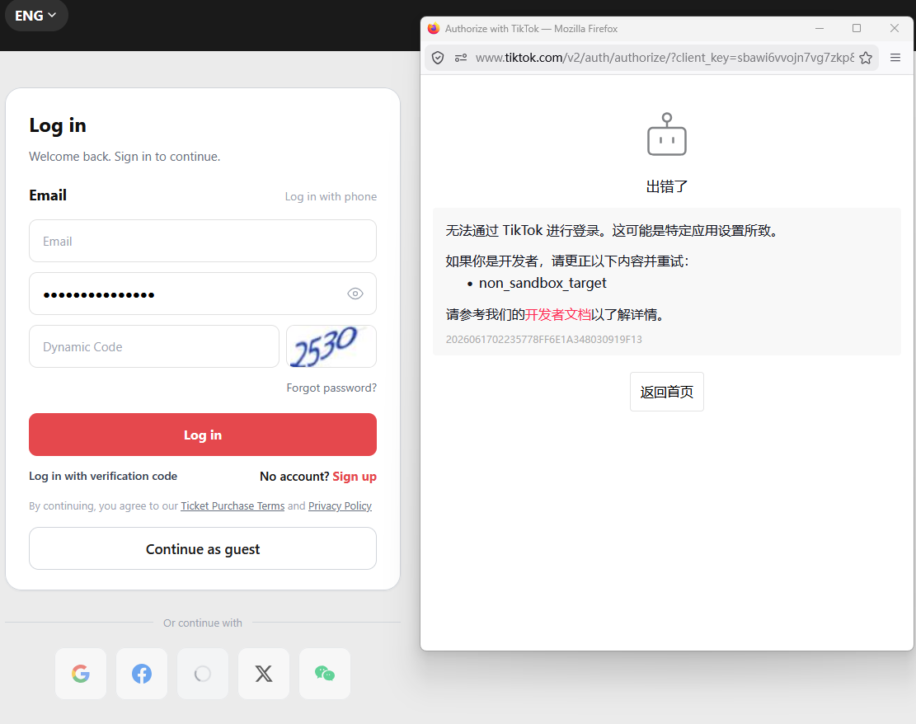
SIT/UAT | SIT-TC-WEB-AUTH-062 | Website / Third-party Login (Tiktok) | High | High | REQ-WEB-REG-002, Mindmap 第三方登录 > Tiktok | Third-party login end-to-end via Tiktok | [Revised 2026-06-02] TikTok OAuth end-to-end: first-time includes Link Your Account; subsequent skips it. Same flow as AUTH-059 with TikTok as provider. | Tiktok sandbox / test account available; provider integration configured on SIT. | 1. Open login. 2. Choose TikTok. 3. Authorize using a TikTok sandbox account not yet linked. 4. Complete Link Your Account binding. 5. Verify login + account creation. 6. Log out. 7. Repeat with the same TikTok account. | Tiktok test user(s); not yet associated and already associated. | 1. First-time TikTok login passes through Link Your Account and creates a platform account. 2. Subsequent login skips Link page. 3. No duplicate; identity matches TikTok profile. | Antank QA Team | SIT | 2026-06-09 | Evan | As expected | Fail | Preserved from source workbook split on 2026-06-23; execution screenshots retained where present.
SIT/UAT | SIT-TC-WEB-AUTH-063 | Website / Third-party Login (wechat) | High | High | REQ-WEB-REG-002, Mindmap 第三方登录 > wechat | Third-party login end-to-end via wechat | [Revised 2026-06-02] WeChat OAuth (QR-code flow) end-to-end: first-time includes Link Your Account; subsequent skips it. Same flow as AUTH-059 with WeChat as provider. | wechat sandbox / test account available; provider integration configured on SIT. | 1. Open login. 2. Choose WeChat. 3. Scan QR / authorize via WeChat sandbox not yet linked. 4. Complete Link Your Account binding. 5. Verify login + account creation. 6. Log out. 7. Repeat with the same WeChat account. | wechat test user(s); not yet associated and already associated. | 1. First-time WeChat login passes through Link Your Account and creates a platform account. 2. Subsequent login skips Link page. 3. No duplicate; identity matches WeChat profile (openid based). | Antank QA Team | SIT | 2026-06-09 | Evan | As expected | Fail | 暂时不支持的tag:bind
NA | SIT-TC-WEB-AUTH-066 | Website / Registered Login (password mode) / Session | High | High | REQ-WEB-REG-003; 2026-06-10 PRD: non-guest password session expires after 30 days | Password-mode session auto-expiry | Verify a password-mode session expires after 30 days from last successful authentication, after which authenticated access is denied. | User logged in via password mode. | 1. Login via password mode. 2. Age the session past 30 days using a test-clock/session override, or execute through the configured long-duration test method. 3. Attempt to use a registered-only feature. | Active account; test-clock override if available. | 1. Non-guest password-mode session expires 30 days from last successful authentication (per 2026-06-10 PRD). 2. After expiry, the user is logged out and must re-authenticate. 3. The 30-day window is a code constant but can be tuned. | Antank QA Team |  |  |  |  | Not Run
SIT/UAT | SIT-TC-WEB-AUTH-073 | Website / Forgot Password | High | High | REQ-WEB-REG-003, Mindmap 忘记密码; TC-070 SIT confirmation 2026-05-23 (resolved direct-reset flow) | Forgot password direct-reset OTP flow (end-to-end) | Verify the now-confirmed direct-reset OTP forgot-password flow: registered user can reset their password via email + 动态码 + OTP + new password, and the old password no longer authenticates while the new password does. Negative: ensure no temp password is ever emailed (replaces the speculative Model-A branch of the retired TC-070). | Active registered account with known current password; SIT forgot-password reachable; email inbox accessible (e.g., IMAP poller for OTP per [[project_west_kowloon_otp_via_imap]]). | **1. Navigate to forgot-password (#/forget). 2. Select Email tab; enter the active email; enter correct 动态码; click Get Code. 3. Retrieve the email-OTP from the inbox; enter it. 4. Set a new password meeting policy. 5. Click Continue / submit. 6. Inspect the inbox: confirm NO email containing a temporary-password value was received in steps 2–5. 7. Attempt to log in with the OLD password. 8. Attempt to log in with the NEW password.** | Active email; valid 动态码; valid OTP from inbox; new policy-compliant password. | **1. Reset completes without errors. 2. No temp-password email is sent at any step (only the OTP email). 3. Old-password login is rejected with the standard wrong-credential message. 4. New-password login succeeds; authenticated session established.** | Antank QA Team |  |  |  |  | Not Run
SIT/UAT | SIT-TC-WEB-AUTH-076 | Website / Session | Medium | Medium | REQ-WEB-REG-003, iterate r1 finding (foreseeable production-class; sibling to TC-072 cross-browser scenario) | Multi-tab same-browser session sync | Verify per-tab session sync within the same browser profile: login on tab 1, open tab 2 of the same site — tab 2 reflects logged-in state without re-auth; logout on tab 1 invalidates tab 2 on its next action; no per-tab identity bleed. | Active registered account; modern browser supporting multi-tab cookie/storage sync. | **1. In tab 1, log in via password mode (TC-009 happy path). 2. Open a new tab 2 to the same site root URL; observe authenticated state without re-auth prompt. 3. Navigate to a registered-only page in tab 2; confirm access. 4. In tab 1, click Logout. 5. In tab 2 (without reload), trigger a registered-only action; observe whether the action is blocked, the page redirects to login, or shows a stale-authenticated UI. 6. Reload tab 2 and confirm public-view state.** | Active account; two browser tabs of the same site. | **1. Step 2: tab 2 is authenticated without prompting. 2. Step 3: tab 2 can access the registered-only page. 3. Step 5: tab 2 either blocks the action or redirects to login on the next request — no silent action under an invalidated session. 4. Step 6: tab 2 shows public-view (unauthenticated) state after reload.** | Antank QA Team |  |  |  |  | Not Run
SIT/UAT | SIT-TC-WEB-AUTH-077 | Website / Registered Login (password mode) / Lockout | High | High | REQ-WEB-REG-003; Customer review 2026-06-01 (sibling to TC-011 lockout — TC-011 covers ENTER lockout; this covers LEAVE lockout) | Unfreeze account after lockout | Verify a locked account can return to authenticated use after the configured unlock condition is met — either time-based cooldown elapses, or an explicit unlock action (admin reset / email-link / password reset) is performed per product spec. | Active registered account with known credentials; account was locked per the TC-011 sequence (failed-login threshold reached); product spec for unlock mechanism known. | **1. Drive the account to locked state by repeating wrong-password login up to the configured threshold (per TC-011). 2. Confirm the account is locked (further valid-credential login is rejected with the configured locked-account message). 3. Apply the configured unlock condition: either (a) wait the configured cooldown duration, or (b) trigger the configured unlock action (admin-reset / email-link / forgot-password reset, per spec). 4. After the unlock condition is met, attempt login with valid credentials. 5. Inspect that the lockout counter is reset (subsequent failed attempts start counting from zero, not from threshold).** | Active account; correct credentials; lockout threshold reached per TC-011; configured unlock mechanism known. | **1. Step 4: login succeeds; user is fully authenticated. 2. Lockout-related error messages no longer appear. 3. Step 5: failed-login counter is reset to zero (the next failed attempt does not immediately re-lock the account).** | Antank QA Team |  |  |  |  | Not Run
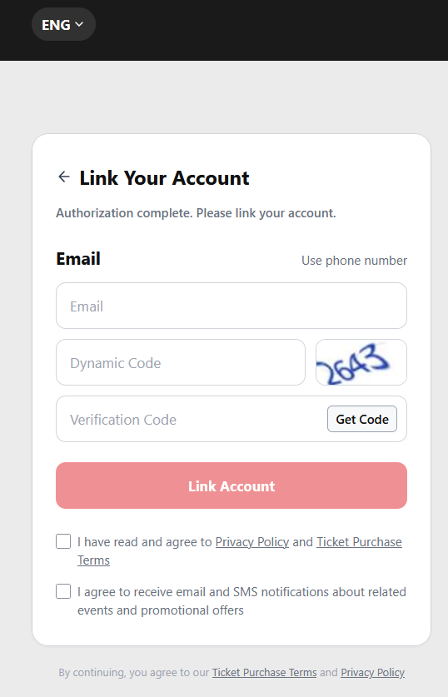
SIT | SIT-TC-WEB-AUTH-078 | Website / Third-party Bind | High | High | figma 2026-06-02 + PRD §3.2.2 | Bind via Email — new account branch | After OAuth success on a not-yet-linked third-party account, user picks Email mode on Link Your Account and enters an UNREGISTERED email. System creates a new platform account and binds the OAuth identity. | Provider sandbox user not previously linked; chosen email not registered on the platform. | 1. Open login. 2. Click Google (or any provider). 3. Authorize. 4. On Link page, Email mode active by default. 5. Enter unregistered email. 6. Solve captcha (动态码). 7. Click Get Code; retrieve OTP from inbox. 8. Enter Verification Code. 9. Tick required Terms checkbox. 10. Click Link Account. |  | 1. Orange notice shows: 'This email is not registered. After verification, a new account will be created and linked to your <Provider> account.' 2. Submit succeeds. 3. Account-linked-successfully page shown. 4. After ~2s auto-login completes; user lands on home. |  | SIT | 2026-06-09 | Evan | As expected | Fail | 暂时不支持的tag:bind
SIT | SIT-TC-WEB-AUTH-079 | Website / Third-party Bind | High | High | figma 2026-06-02 + PRD §3.2.2 | Bind via Email — existing account branch | After OAuth success on a not-yet-linked third-party account, user enters an ALREADY-REGISTERED email. System links the OAuth identity to the existing account; no new account is created. | Provider sandbox user not previously linked; chosen email IS already registered on the platform. | 1. Open login. 2. Click Google (or any provider). 3. Authorize. 4. On Link page, Email mode. 5. Enter already-registered email. 6. Solve captcha. 7. Click Get Code; enter OTP. 8. Tick Terms. 9. Click Link Account. |  | 1. Blue notice shows: 'This email is already registered. After verification, your <Provider> account will be linked to the existing account (masked email shown for confirmation per figma).' 2. Submit succeeds. 3. OAuth identity is bound to the EXISTING account (not a new one). 4. Account-linked-successfully page shown then auto-login to the existing account. |  | SIT | 2026-06-09 | Evan | As expected | Fail | 暂时不支持的tag:bind
SIT | SIT-TC-WEB-AUTH-080 | Website / Third-party Bind | High | High | figma 2026-06-02 + PRD §3.2.2 | Bind via Phone — new account branch | After OAuth success, user switches to Phone mode, enters an UNREGISTERED phone. System creates a new platform account and binds OAuth identity. | Provider sandbox user not previously linked; chosen phone not registered on the platform. | 1. Authorize via provider. 2. On Link page, click 'Use phone number' to switch to Phone mode. 3. Select country code (default CN +86). 4. Enter unregistered phone. 5. Solve captcha. 6. Click Get Code; receive SMS OTP. 7. Enter OTP. 8. Tick Terms. 9. Click Link Account. |  | 1. Orange notice: 'This phone is not registered. After verification, a new account will be created and linked.' 2. New account created and bound. 3. Auto-login completes. |  | SIT | 2026-06-17 | Evan | As expected | Fail | 暂时不支持的tag:bind
SIT | SIT-TC-WEB-AUTH-081 | Website / Third-party Bind | High | High | figma 2026-06-02 + PRD §3.2.2 | Bind via Phone — existing account branch (masked phone shown) | After OAuth, user enters an ALREADY-REGISTERED phone on Link page. UI shows the masked existing phone (e.g. 138****8000). System binds OAuth identity to the existing account. | Provider sandbox not previously linked; phone IS registered on the platform. | 1. Authorize via provider. 2. Switch to Phone mode. 3. Enter already-registered phone (e.g. 13813228000). 4. Solve captcha. 5. Click Get Code; enter OTP. 6. Tick Terms. 7. Click Link Account. |  | 1. Blue notice shows: 'This phone number is already registered. After verification, your <Provider> account will be linked to: 138****8000. You'll then be able to log in with <Provider>.' 2. OAuth identity bound to existing account; no new account created. 3. Auto-login to existing account. |  | SIT | 2026-06-17 | Evan | As expected | Fail | 暂时不支持的tag:bind
SIT | SIT-TC-WEB-AUTH-082 | Website / Third-party Bind | Medium | Medium | figma 2026-06-02 | Bind page — captcha (动态码) required + retry on wrong code | On the Link Your Account page the captcha (动态码) is mandatory. Wrong captcha should be rejected; user can refresh the captcha image and retry. Captcha format matches existing AUTH-009 convention. | On the Link Your Account page after a successful OAuth. | 1. Leave captcha field empty → click Link Account. 2. Enter wrong captcha → click Link Account. 3. Click the 动态码 image to request a fresh captcha. 4. Enter correct captcha → click Link Account. |  | 1. Inline error: 'Captcha required'. 2. Inline error: 'Captcha incorrect'. 3. New captcha image is loaded. 4. Submit proceeds (subject to OTP / Terms also being satisfied). |  |  |  |  |  | Not Run
SIT | SIT-TC-WEB-AUTH-083 | Website / Third-party Bind | Medium | Medium | figma 2026-06-02 + PRD §3.2.2 (OTP 校验) | Bind page (third-party auth, Email mode) - OTP send, 30s cooldown, wrong-code retry | Verify the third-party-auth Bind page in Email mode: OTP send to email succeeds; resend within 30s cooldown is rejected; entering a wrong OTP shows the inline error and allows retry. | On the Link page after OAuth; email entered. | 1. Click Get Code → OTP arrives in inbox. 2. Immediately click Get Code again. 3. Wait 30 seconds; click Get Code again. 4. Enter a wrong OTP → click Link Account. 5. Enter the correct OTP → click Link Account. |  | 1. OTP email/SMS is delivered. 2. Get Code button is disabled or shows countdown during the 30s cooldown. 3. After 30s, Get Code re-enables and a fresh OTP can be requested. 4. Wrong OTP returns inline error 'Verification Code incorrect'. 5. Correct OTP proceeds to binding submission. |  | SIT | 2026-06-17 | Evan | As expected | Fail | 暂时不支持的tag:bind
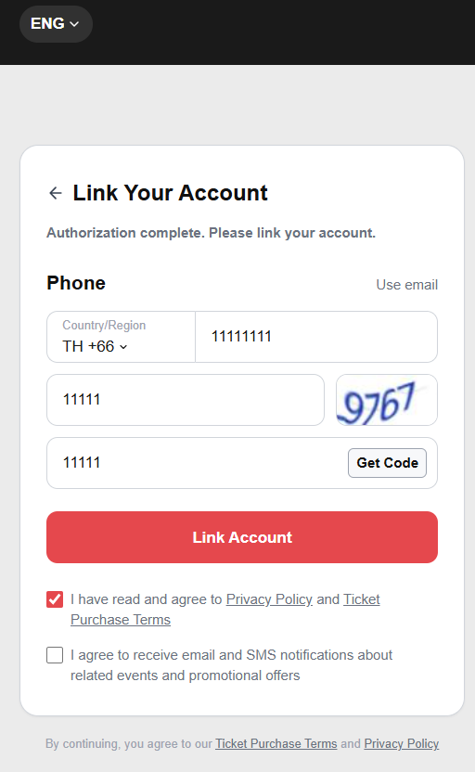
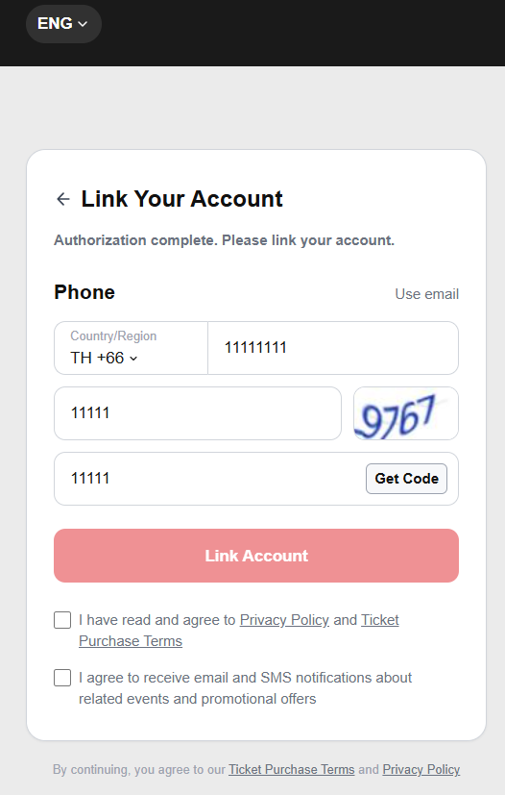
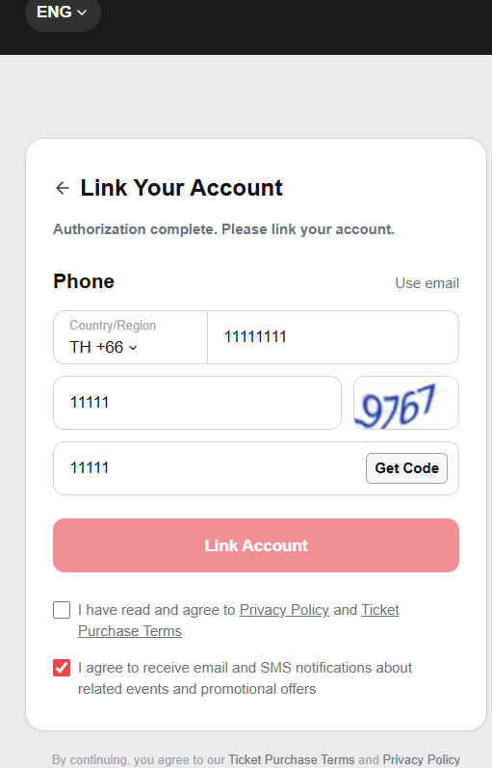
SIT | SIT-TC-WEB-AUTH-084 | Website / Third-party Bind | Medium | Medium | figma 2026-06-02 | Bind page — Terms checkbox mandatory; marketing checkbox optional | The Privacy Policy + Ticket Purchase Terms checkbox MUST be ticked before Link Account is enabled. The marketing checkbox is optional and does not block submission. | On Link page; valid email/captcha/OTP entered. | 1. Without ticking Terms checkbox → click Link Account. 2. Tick only the marketing checkbox (Terms still unticked) → click Link Account. 3. Tick the Terms checkbox (marketing untouched) → click Link Account. |  | 1. Button disabled OR inline error 'You must agree to the Privacy Policy and Ticket Purchase Terms'. 2. Same — Terms still required, marketing alone does not satisfy. 3. Submit proceeds. Marketing-opt-in flag recorded on the user record (verify via member info API). |  | SIT | 2026-06-17 | Evan | As expected | Pass | Preserved from source workbook split on 2026-06-23; execution screenshots retained where present.
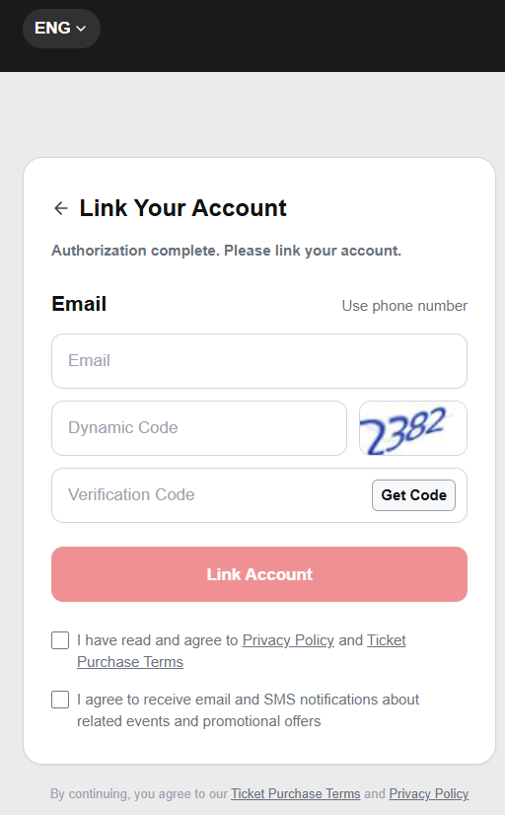
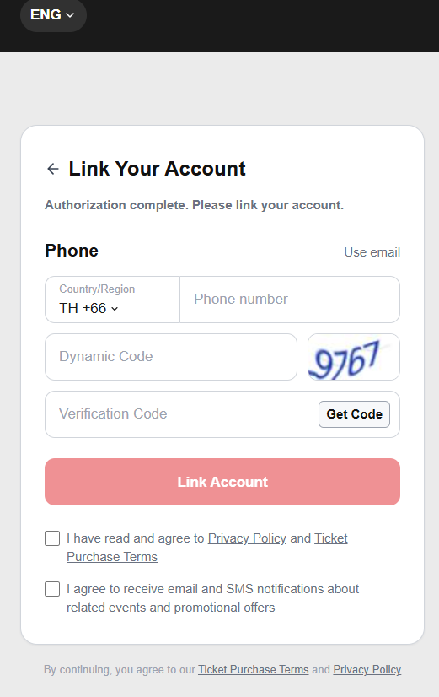
SIT | SIT-TC-WEB-AUTH-085 | Website / Third-party Bind | Low | Low | figma 2026-06-02 | Bind page — switch between Email and Phone mode | Verify the Link Your Account page can toggle between Email and Phone modes via the 'Use phone number' / 'Use email' link, and only the active mode's inputs are shown. | On Link page. | 1. Start on Link Your Account in Email mode. 2. Verify Email input is shown. 3. Click 'Use phone number'. 4. Verify Phone input and country-code dropdown are shown, while Email input is hidden. 5. Click 'Use email'. 6. Verify Email input is shown again, while Phone input is hidden. |  | 1. Email mode and Phone mode can be toggled without leaving the Link Your Account page. 2. Only the active mode's inputs are visible and eligible for validation/submission. 3. Inactive-mode values are not submitted. |  | SIT | 2026-06-17 | Evan | As expected | Pass | Preserved from source workbook split on 2026-06-23; execution screenshots retained where present.
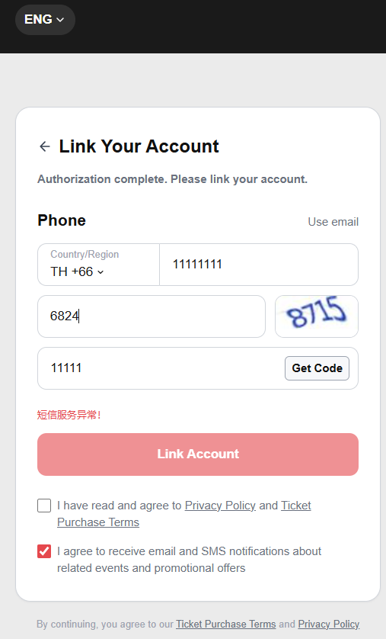
SIT | SIT-TC-WEB-AUTH-086 | Website / Third-party Bind | Medium | Medium | figma 2026-06-02 (Phone mode) | Bind page — country code dropdown + phone format validation | On Phone mode, the country code dropdown defaults to CN +86 but lets the user pick another. Phone format validation should reflect the picked country code (e.g. CN expects 11 digits). | On Link page in Phone mode. | 1. Default country code is CN +86; enter 11-digit valid CN phone → no inline error. 2. Change country code to HK +852; enter a CN 11-digit phone → expect format error. 3. Enter a 7-digit HK phone after switching to +852 → no error. 4. Click Get Code with a malformed phone → expect error 'Phone format invalid'. |  | 1. CN 11-digit phone accepted under +86. 2. CN-format phone rejected under +852 (length / pattern check). 3. HK-format phone accepted under +852. 4. Get Code is blocked on a malformed phone with inline error. |  | SIT | 2026-06-09 | Evan | As expected | Fail | 手机号码校验 暂时不支持的tag:bind


SIT | SIT-TC-WEB-AUTH-087 | Website / Third-party Bind | High | High | figma 2026-06-02 (figure 5 footer note) + PRD §3.2.2 step 5.a | Already-linked third-party account — skip Link page, direct login | If the user has previously linked their third-party account to a platform account, subsequent login via the same third-party must SKIP the Link Your Account page entirely and log the user in directly. This is the critical edge case explicit in PRD §3.2.2 step 5.a and figma figure 5 footer. | Provider unique-id ALREADY linked to a platform account (via AUTH-078/079/080/081 or a prior run). | 1. Open login. 2. Click the same provider button. 3. Complete provider authorization. 4. Observe what page renders next. |  | 1. OAuth succeeds. 2. The Link Your Account page is NOT shown. 3. The user lands directly on the home / member area, logged in to the previously-linked account. 4. No 'Account linked successfully' transient page is shown either. |  | SIT | 2026-06-09 | Evan | As expected | Pass | Preserved from source workbook split on 2026-06-23; execution screenshots retained where present.
SIT/UAT | SIT-TC-WEB-AUTH-088 | Change Password | High | High | 2026-06-10 PRD §修改密码 | Successful change-password flow (email OTP) | Verify the gated change-password flow on an account whose OTP routes to EMAIL: old password -> image CAPTCHA -> email OTP -> new password (focus-out rule check) + repeat -> Submit -> success page -> auto-logout in 1-3s. | Active registered account with known current password. | 1. Open Personal Center -> Account Security -> Change Password. 2. Enter current password. 3. Solve image CAPTCHA (动态码); confirm next step unlocks only after CAPTCHA passes. 4. Click "Get Code"; receive OTP and enter it. 5. Enter new password; verify focus-out triggers inline rule validation. 6. Repeat new password. 7. Click Submit. | Account: email-only OR email+mobile (defaults to email per PRD). Current password valid; new password meets all rules. | 1. Success page is shown with 3-language title: "密码修改成功 / 密碼修改成功 / Password Changed Successfully". 2. Body text in 3 languages: "为了保障您的账号安全，请使用新密码重新登录。 / 為保障您的帳號安全，請使用新密碼重新登入。 / For security reasons, please sign in again using your new password." 3. User is auto-logged-out after 1-3 seconds and returned to login page. 4. Old password no longer authenticates; new password authenticates. | Auto |  |  |  |  | Not Run
SIT/UAT | SIT-TC-WEB-AUTH-089 | Change Password | High | High | 2026-06-10 PRD §修改密码 step 5.a | Change password - wrong current password blocks submission | Verify that the Change Password flow rejects a wrong current password — submission is blocked with a localized "current password incorrect" error and the password is not changed. | Active account. | 1. Open Change Password. 2. Enter WRONG current password. 3. Pass CAPTCHA + OTP + new password. 4. Click Submit. |  | 1. Submission blocked. 2. Inline error: "当前密码错误，请重新输入 / 當前密碼錯誤，請重新輸入 / Current password is incorrect, please re-enter". 3. Password is NOT changed. | Auto |  |  |  |  | Not Run
SIT/UAT | SIT-TC-WEB-AUTH-090 | Change Password | High | Medium | 2026-06-10 PRD §修改密码 step 5.b | Change password - wrong or expired email OTP blocks submission | Verify that the Change Password flow rejects a wrong or expired EMAIL OTP — submission is blocked, the localized OTP error is shown, and the password is not changed. | Active account. | 1. Open Change Password; pass current password + CAPTCHA. 2. Click Get Code. 3. Enter wrong OTP -> Submit. Repeat with expired OTP. | Account routed to email OTP. | 1. Submission blocked. 2. Localized error indicating OTP wrong/expired. 3. Password is NOT changed. | Auto |  |  |  |  | Not Run
SIT | SIT-TC-WEB-AUTH-091 | Change Password | High | Medium | 2026-06-10 PRD §修改密码 step 3 | Change password - OTP routing logic (email-only / mobile-only / both) | Verify the OTP-channel routing rule in Change Password — email-only account receives OTP on email; mobile-only on mobile; account with both defaults to email. | Three test accounts: A (email only), B (mobile only), C (both email and mobile). | 1. For account A: open Change Password, click Get Code -> verify OTP is sent to email. 2. For account B: same -> verify OTP is sent to mobile. 3. For account C: same -> verify OTP defaults to email. |  | 1. Email-only account: OTP goes to email. 2. Mobile-only account: OTP goes to mobile. 3. Both: OTP defaults to email per PRD. | Auto |  |  |  |  | Not Run
SIT | SIT-TC-WEB-AUTH-092 | Change Password | High | Medium | 2026-06-10 PRD §修改密码 step 4 | Change password - new password fails rule check on focus-out (inline) | Verify that the new-password field flags rule violations inline on focus-out (not only on submit) and that Submit is blocked while the inline error is showing. | Active account. | 1. Open Change Password; pass current password + CAPTCHA + OTP. 2. Type a new password that violates rules; move focus away. 3. Observe inline message under the field. 4. Try Submit anyway. |  | 1. Inline rule-violation message appears under the field on focus-out. 2. Submit is blocked. 3. Password is NOT changed. | Auto |  |  |  |  | Not Run
SIT | SIT-TC-WEB-AUTH-093 | Change Password | High | Medium | 2026-06-10 PRD §修改密码 | Change password - image CAPTCHA mandatory and validates | Verify that the image CAPTCHA is mandatory in Change Password — missing or wrong CAPTCHA does NOT unlock the OTP step. | Active account. | 1. Open Change Password. 2. Enter current password. 3. Try to skip CAPTCHA / enter wrong CAPTCHA -> observe. 4. Enter correct CAPTCHA -> verify OTP step unlocks. |  | 1. Without/with wrong CAPTCHA, the OTP step does not unlock. 2. With correct CAPTCHA, the flow proceeds. | Auto |  |  |  |  | Not Run
SIT/UAT | SIT-TC-WEB-AUTH-110 | Change Password | High | High | 2026-06-10 PRD §修改密码 — mobile variant of AUTH-088 | Successful change-password flow (mobile OTP) | Verify the gated change-password flow on a mobile-only account: old password -> image CAPTCHA -> mobile OTP (SMS) -> new password (focus-out rule check) + repeat -> Submit -> success page -> auto-logout in 1-3s. | Active registered mobile-only account with known current password. | 1. Open Personal Center -> Account Security -> Change Password. 2. Enter current password. 3. Solve image CAPTCHA (动态码). 4. Click "Get Code"; receive OTP via SMS and enter it. 5. Enter new password; verify focus-out triggers inline rule validation. 6. Repeat new password. 7. Click Submit. | Mobile-only account, current password valid; new password meets rules; HK mobile + SMS. | 1. OTP is delivered via SMS to the bound mobile. 2. Success page is shown with the same 3-language title/body as AUTH-088. 3. User is auto-logged-out after 1-3 seconds. | QA-manual | SIT |  |  |  | Not Run | NA - QA手动测 (mainland team cannot auto-test HK SMS infra; manual verification by QA owner).
SIT | SIT-TC-WEB-AUTH-111 | Change Password | High | Medium | 2026-06-10 PRD §修改密码 step 5.b — mobile variant of AUTH-090 | Change password - wrong or expired mobile OTP blocks submission | Verify that the Change Password flow rejects a wrong or expired MOBILE OTP — submission is blocked, the localized OTP error is shown, and the password is not changed. | Active mobile-only account. | 1. Open Change Password; pass current password + CAPTCHA. 2. Click Get Code; OTP sent via SMS. 3. Enter wrong OTP -> Submit. Repeat with expired OTP. | Mobile-only account routed to mobile OTP. | 1. Wrong OTP / expired OTP blocks submission with localized error. 2. Password is NOT changed. | QA-manual | SIT |  |  |  | Not Run | NA - QA手动测 (mainland team cannot auto-test HK SMS infra; manual verification by QA owner).
SIT/UAT | SIT-TC-WEB-AUTH-118 | Website / Mobile Registration | High | High | 2026-06-10 PRD §用户邮箱/手机+密码注册 — mobile variant of AUTH-001 | Successful native registration (Mobile mode) | Verify a visitor can complete native registration in Mobile mode through the gated 5-step flow: select Mobile -> image CAPTCHA -> mobile OTP (SMS) -> password (focus-out rule check) -> Submit. | SIT website available; test HK mobile unused. | 1. Open registration page; select Mobile mode. 2. Enter mobile + solve image CAPTCHA. 3. Click "Get Code"; receive OTP via SMS and enter it. 4. Enter password; verify focus-out rule check. 5. Enter password again (repeat). 6. Click Submit. | Fresh HK mobile number; HK SMS provider. | 1. CAPTCHA gates the OTP step; OTP gates the password step. 2. Mobile OTP delivered via SMS. 3. On Submit, account is created and the user is logged in. 4. No duplicate account is created. | QA-manual | SIT |  |  |  | Not Run | NA - QA手动测 (mainland team cannot auto-test HK SMS infra; manual verification by QA owner). Cleaned 2026-06-15: fixed module column.
SIT/UAT | SIT-TC-WEB-AUTH-119 | Website / Mobile Registration | High | High | 2026-06-10 PRD §用户邮箱/手机+密码注册 step 5.a — mobile variant of AUTH-004 | Duplicate mobile registration is blocked with the specified 3-language error | Verify duplicate mobile registration is blocked with the exact 3-language error specified by PRD. | An account already exists with the test HK mobile. | 1. Open registration page; select Mobile mode. 2. Enter the EXISTING HK mobile + valid CAPTCHA + valid OTP + valid password. 3. Submit. | Existing HK mobile (already bound to an account). | 1. Registration is blocked. 2. The mobile field shows the 3-language error (red): - zh-CN: 该手机号已注册，请直接登录。 - zh-HK: 此手機號碼已註冊，請直接登入。 - en: This mobile number is already registered. Please sign in or reset your password. | QA-manual | SIT |  |  |  | Not Run | NA - QA手动测 (mainland team cannot auto-test HK SMS infra; manual verification by QA owner). Cleaned 2026-06-15: fixed module column.
SIT | SIT-TC-WEB-AUTH-120 | Third-party Bind | Medium | Medium | Mobile variant of AUTH-083 (third-party Bind page) | Bind page (third-party auth, Mobile mode) - OTP send, 30s cooldown, wrong-code retry | Verify the third-party-auth Bind page in Mobile mode: OTP send via SMS succeeds; resend within 30s cooldown is rejected; wrong OTP shows inline error and allows retry. | Third-party OAuth completed; landed on Bind page with Mobile mode selected. | 1. On Bind page, switch to Mobile mode. 2. Enter a test HK mobile + solve CAPTCHA. 3. Click Get Code; receive OTP via SMS. 4. Try to resend within 30s — expect cooldown rejection. 5. Enter wrong OTP — expect retry-allowed error. 6. Enter correct OTP — submit. | Fresh HK mobile. | 1. OTP delivered via SMS. 2. Resend within 30s rejected. 3. Wrong OTP: inline error + retry. 4. Correct OTP: bind succeeds. | QA-manual | SIT |  |  |  | Not Run | NA - QA手动测 (mainland team cannot auto-test HK SMS infra; manual verification by QA owner).

Imported Screenshot Detail





Label (SIT/UAT/PROD/NA) | Test Case ID | Module/Feature | Priority (High/Medium/Low) | Severity (High/Medium/Low) | Collected from | Test Scenario | Test Case Description | Preconditions (if any) | Test Steps | Test Data (if any) | Expected Result | Test Case Owner | Environment (SIT/UAT/PROD) | Execution Date | Executed By | Actual Result | Status (Pass/ Fail) | Comments/Remarks | Screenshots
SIT/UAT | SIT-TC-WEB-AUTH-017 | Website / Third-party Login | High | High | REQ-WEB-REG-002, Mindmap 第三方登录 | Third-party login creates new account(Google) | Verify a first-time third-party user completes OAuth → Link Your Account binding flow → a new platform account is created and the OAuth identity is linked. (Google) | Provider sandbox user not associated. | 1. Open login page. 2. Click the third-party provider button (Google / Facebook / X / TikTok / WeChat). 3. Complete provider OAuth authorization. 4. Land on 'Link Your Account' page — Email mode by default. 5. Enter an UNREGISTERED email; solve captcha ; click 'Get Code' to send OTP. 6. Retrieve OTP from inbox; enter Verification Code. 7. Tick the mandatory Privacy + Ticket Purchase Terms checkbox. 8. Click 'Link Account'. | Provider new-user account. | 1. Provider OAuth succeeds. 2. Link Your Account page shows orange notice: 'This email is not registered. After verification, a new account will be created and linked to your <Provider> account.' 3. New platform account is created and the third-party identity is bound to it. 4. 'Account linked successfully' page shown; auto-login completes after ~2 seconds. 5. No duplicate account exists for this provider unique-id. | Antank QA Team | SIT | 2026-06-09 | Evan | As expected | Pass
SIT/UAT | SIT-TC-WEB-AUTH-017 | Website / Third-party Login | High | High | REQ-WEB-REG-002, Mindmap 第三方登录 | Third-party login creates new account(Facebook) | Verify a first-time third-party user completes OAuth → Link Your Account binding flow → a new platform account is created and the OAuth identity is linked. (Facebook) | Provider sandbox user not associated. | 1. Open login page. 2. Click the third-party provider button (Google / Facebook / X / TikTok / WeChat). 3. Complete provider OAuth authorization. 4. Land on 'Link Your Account' page — Email mode by default. 5. Enter an UNREGISTERED email; solve captcha ; click 'Get Code' to send OTP. 6. Retrieve OTP from inbox; enter Verification Code. 7. Tick the mandatory Privacy + Ticket Purchase Terms checkbox. 8. Click 'Link Account'. | Provider new-user account. | 1. Provider OAuth succeeds. 2. Link Your Account page shows orange notice: 'This email is not registered. After verification, a new account will be created and linked to your <Provider> account.' 3. New platform account is created and the third-party identity is bound to it. 4. 'Account linked successfully' page shown; auto-login completes after ~2 seconds. 5. No duplicate account exists for this provider unique-id. | Antank QA Team | SIT | 2026-06-09 | Evan | As expected | Pass |  | 





SIT/UAT | SIT-TC-WEB-AUTH-017 | Website / Third-party Login | High | High | REQ-WEB-REG-002, Mindmap 第三方登录 | Third-party login creates new account(TikTok) | Verify a first-time third-party user completes OAuth → Link Your Account binding flow → a new platform account is created and the OAuth identity is linked. (TikTok) | Provider sandbox user not associated. | 1. Open login page. 2. Click the third-party provider button (Google / Facebook / X / TikTok / WeChat). 3. Complete provider OAuth authorization. 4. Land on 'Link Your Account' page — Email mode by default. 5. Enter an UNREGISTERED email; solve captcha ; click 'Get Code' to send OTP. 6. Retrieve OTP from inbox; enter Verification Code. 7. Tick the mandatory Privacy + Ticket Purchase Terms checkbox. 8. Click 'Link Account'. | Provider new-user account. | 1. Provider OAuth succeeds. 2. Link Your Account page shows orange notice: 'This email is not registered. After verification, a new account will be created and linked to your <Provider> account.' 3. New platform account is created and the third-party identity is bound to it. 4. 'Account linked successfully' page shown; auto-login completes after ~2 seconds. 5. No duplicate account exists for this provider unique-id. | Antank QA Team | SIT | 2026-06-09 | Evan | As expected | Fail | https://lengliwh.chandao.net/bug-view-5262.html


SIT/UAT | SIT-TC-WEB-AUTH-017 | Website / Third-party Login | High | High | REQ-WEB-REG-002, Mindmap 第三方登录 | Third-party login creates new account(X) | Verify a first-time third-party user completes OAuth → Link Your Account binding flow → a new platform account is created and the OAuth identity is linked. (X) | Provider sandbox user not associated. | 1. Open login page. 2. Click the third-party provider button (Google / Facebook / X / TikTok / WeChat). 3. Complete provider OAuth authorization. 4. Land on 'Link Your Account' page — Email mode by default. 5. Enter an UNREGISTERED email; solve captcha ; click 'Get Code' to send OTP. 6. Retrieve OTP from inbox; enter Verification Code. 7. Tick the mandatory Privacy + Ticket Purchase Terms checkbox. 8. Click 'Link Account'. | Provider new-user account. | 1. Provider OAuth succeeds. 2. Link Your Account page shows orange notice: 'This email is not registered. After verification, a new account will be created and linked to your <Provider> account.' 3. New platform account is created and the third-party identity is bound to it. 4. 'Account linked successfully' page shown; auto-login completes after ~2 seconds. 5. No duplicate account exists for this provider unique-id. | Antank QA Team | SIT | 2026-06-09 | Evan | As expected | Pass


SIT/UAT | SIT-TC-WEB-AUTH-017 | Website / Third-party Login | High | High | REQ-WEB-REG-002, Mindmap 第三方登录 | Third-party login creates new account(Wechat) | Verify a first-time third-party user completes OAuth → Link Your Account binding flow → a new platform account is created and the OAuth identity is linked. (Wechat) | Provider sandbox user not associated. | 1. Open login page. 2. Click the third-party provider button (Google / Facebook / X / TikTok / WeChat). 3. Complete provider OAuth authorization. 4. Land on 'Link Your Account' page — Email mode by default. 5. Enter an UNREGISTERED email; solve captcha ; click 'Get Code' to send OTP. 6. Retrieve OTP from inbox; enter Verification Code. 7. Tick the mandatory Privacy + Ticket Purchase Terms checkbox. 8. Click 'Link Account'. | Provider new-user account. | 1. Provider OAuth succeeds. 2. Link Your Account page shows orange notice: 'This email is not registered. After verification, a new account will be created and linked to your <Provider> account.' 3. New platform account is created and the third-party identity is bound to it. 4. 'Account linked successfully' page shown; auto-login completes after ~2 seconds. 5. No duplicate account exists for this provider unique-id. | Antank QA Team | SIT | 2026-06-09 | Evan | As expected | Fail | https://lengliwh.chandao.net/bug-view-5260.html

SIT/UAT | SIT-TC-WEB-AUTH-018 | Website / Third-party Login | High | High | REQ-WEB-REG-002, Mindmap 第三方登录 | Third-party login with existing user(Google) | Verify third-party login with a provider whose unique-id is ALREADY linked: the Link Your Account page is skipped and the user is logged in directly. (Google) | Existing Website account associated or matchable by provider primary key. | 1. Prerequisite: provider unique-id is already linked to a platform account from a previous run. 2. Open login page. 3. Click the same provider button. 4. Authorize via the same provider account. | Provider existing-user account. | 1. Provider OAuth succeeds. 2. Link Your Account page is NOT shown (skipped because provider unique-id is already bound). 3. User is logged in directly to the existing platform account. 4. Third-party user info (nickname / email) is re-synced to the platform | Antank QA Team | SIT | 2026-06-09 | Evan | As expected | Pass

SIT/UAT | SIT-TC-WEB-AUTH-018 | Website / Third-party Login | High | High | REQ-WEB-REG-002, Mindmap 第三方登录 | Third-party login with existing user(Facebook) | Verify third-party login with a provider whose unique-id is ALREADY linked: the Link Your Account page is skipped and the user is logged in directly. (Facebook) | Existing Website account associated or matchable by provider primary key. | 1. Prerequisite: provider unique-id is already linked to a platform account from a previous run. 2. Open login page. 3. Click the same provider button. 4. Authorize via the same provider account. | Provider existing-user account. | 1. Provider OAuth succeeds. 2. Link Your Account page is NOT shown (skipped because provider unique-id is already bound). 3. User is logged in directly to the existing platform account. 4. Third-party user info (nickname / email) is re-synced to the platform | Antank QA Team | SIT | 2026-06-09 | Evan | As expected | Pass



SIT/UAT | SIT-TC-WEB-AUTH-018 | Website / Third-party Login | High | High | REQ-WEB-REG-002, Mindmap 第三方登录 | Third-party login with existing user(TikTok) | Verify third-party login with a provider whose unique-id is ALREADY linked: the Link Your Account page is skipped and the user is logged in directly. (TikTok) | Existing Website account associated or matchable by provider primary key. | 1. Prerequisite: provider unique-id is already linked to a platform account from a previous run. 2. Open login page. 3. Click the same provider button. 4. Authorize via the same provider account. | Provider existing-user account. | 1. Provider OAuth succeeds. 2. Link Your Account page is NOT shown (skipped because provider unique-id is already bound). 3. User is logged in directly to the existing platform account. 4. Third-party user info (nickname / email) is re-synced to the platform | Antank QA Team | SIT | 2026-06-09 | Evan | As expected | Pass


SIT/UAT | SIT-TC-WEB-AUTH-018 | Website / Third-party Login | High | High | REQ-WEB-REG-002, Mindmap 第三方登录 | Third-party login with existing user(X) | Verify third-party login with a provider whose unique-id is ALREADY linked: the Link Your Account page is skipped and the user is logged in directly. (X) | Existing Website account associated or matchable by provider primary key. | 1. Prerequisite: provider unique-id is already linked to a platform account from a previous run. 2. Open login page. 3. Click the same provider button. 4. Authorize via the same provider account. | Provider existing-user account. | 1. Provider OAuth succeeds. 2. Link Your Account page is NOT shown (skipped because provider unique-id is already bound). 3. User is logged in directly to the existing platform account. 4. Third-party user info (nickname / email) is re-synced to the platform | Antank QA Team | SIT | 2026-06-09 | Evan | As expected | Pass

SIT/UAT | SIT-TC-WEB-AUTH-018 | Website / Third-party Login | High | High | REQ-WEB-REG-002, Mindmap 第三方登录 | Third-party login with existing user(Wechat) | Verify third-party login with a provider whose unique-id is ALREADY linked: the Link Your Account page is skipped and the user is logged in directly. (Wechat) | Existing Website account associated or matchable by provider primary key. | 1. Prerequisite: provider unique-id is already linked to a platform account from a previous run. 2. Open login page. 3. Click the same provider button. 4. Authorize via the same provider account. | Provider existing-user account. | 1. Provider OAuth succeeds. 2. Link Your Account page is NOT shown (skipped because provider unique-id is already bound). 3. User is logged in directly to the existing platform account. 4. Third-party user info (nickname / email) is re-synced to the platform | Antank QA Team | SIT | 2026-06-09 | Evan | As expected | Pass

