BOM_figure
Source BOM figure and v4 country-profile grouping

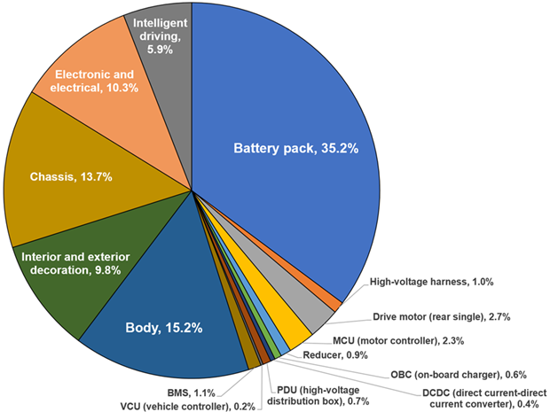
 | Group | OTHERS share | Content
 | T | 29.0% | Battery pack
 | M | 3.6% | Drive motor + reducer
 | E | 5.3% | MCU + OBC + DCDC + PDU + BMS + VCU
 | I | 5.9% | Intelligent driving
 | EE | 10.3% | Electronic and electrical
 | HV | 1.0% | High-voltage harness
 | SHARED | 44.9% | Body + interior/exterior + chassis
 | TOTAL | 100.0% | All 15 labelled items

All seven profiles initially reproduce this figure. Country differences are introduced only by editing BOM_raw.bom_share.

