evidence
 |  | code execution in vs code terminal

 |  | stramlit user interface

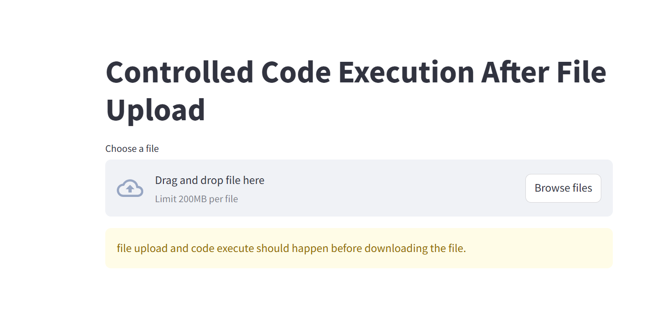

 |  |  | streamlit user interface view after file is uploaded

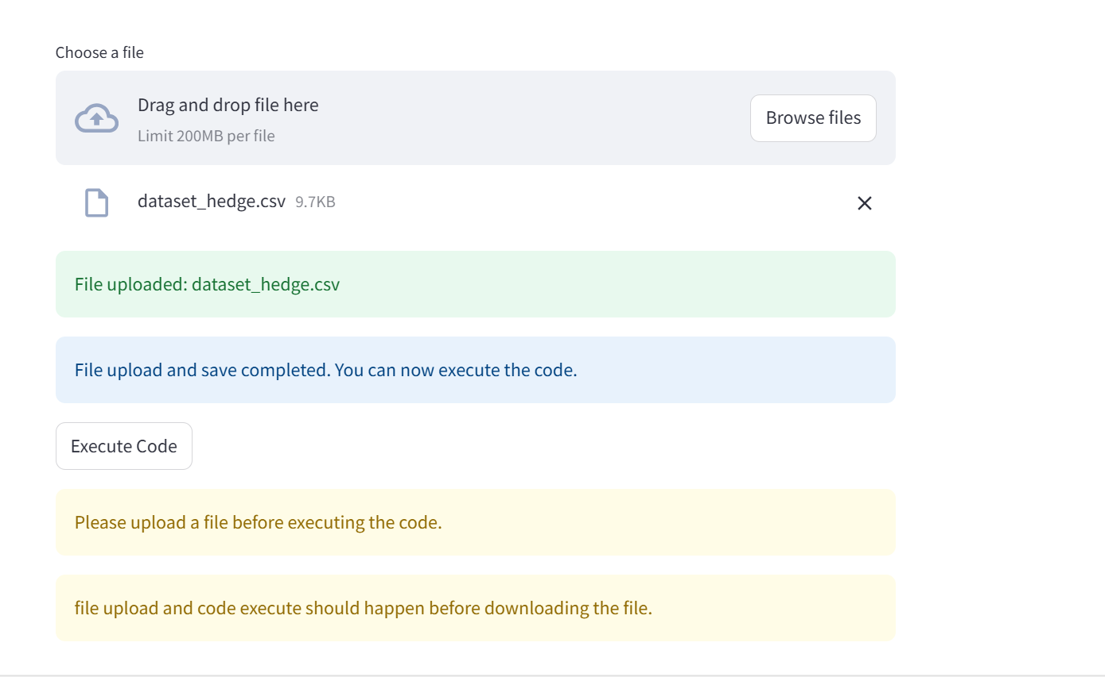

 |  | streamlit user interface after EXECUTE CODE button is clicked

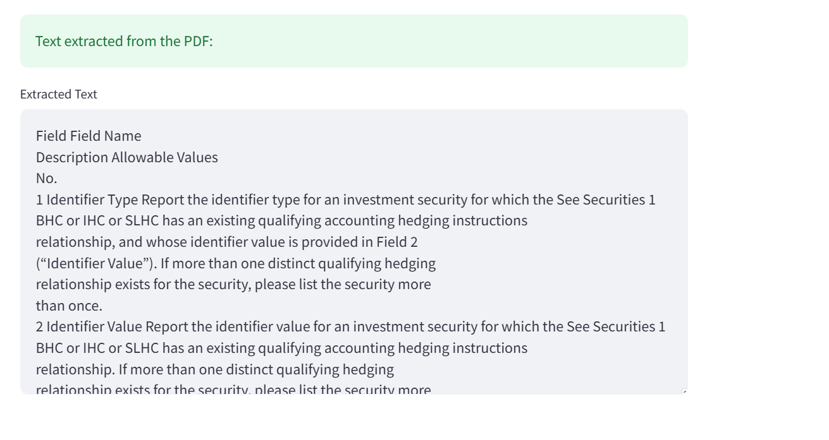

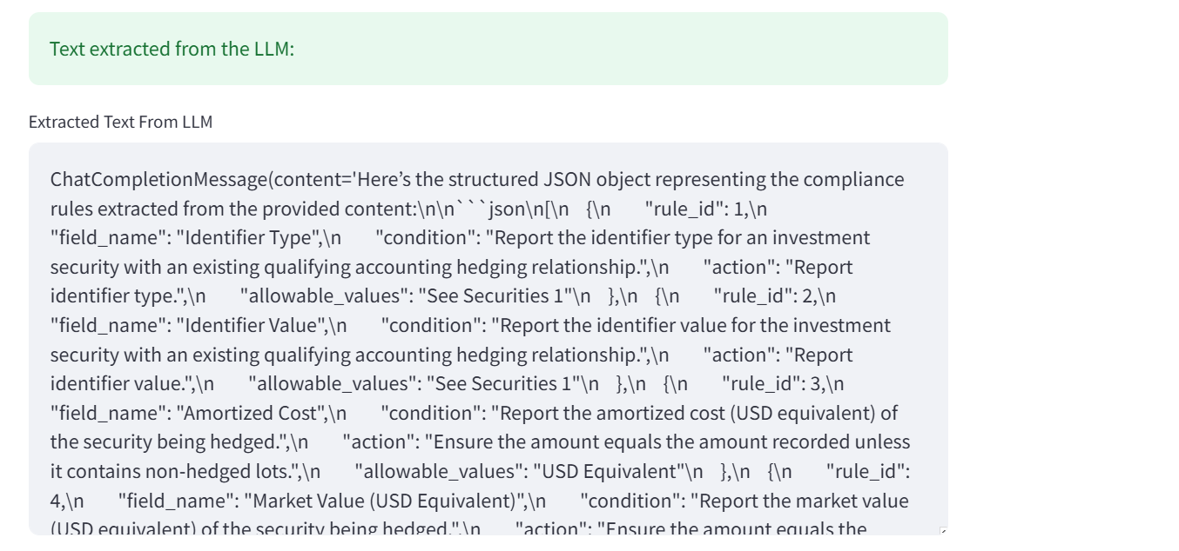

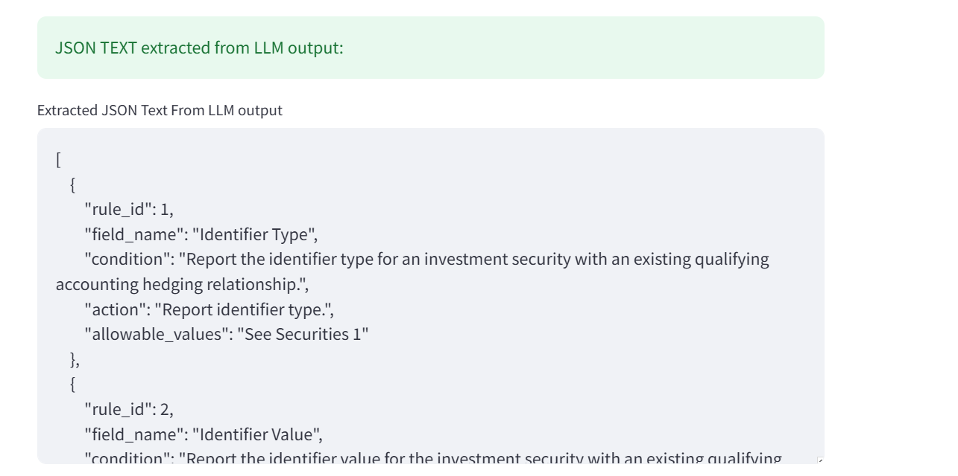

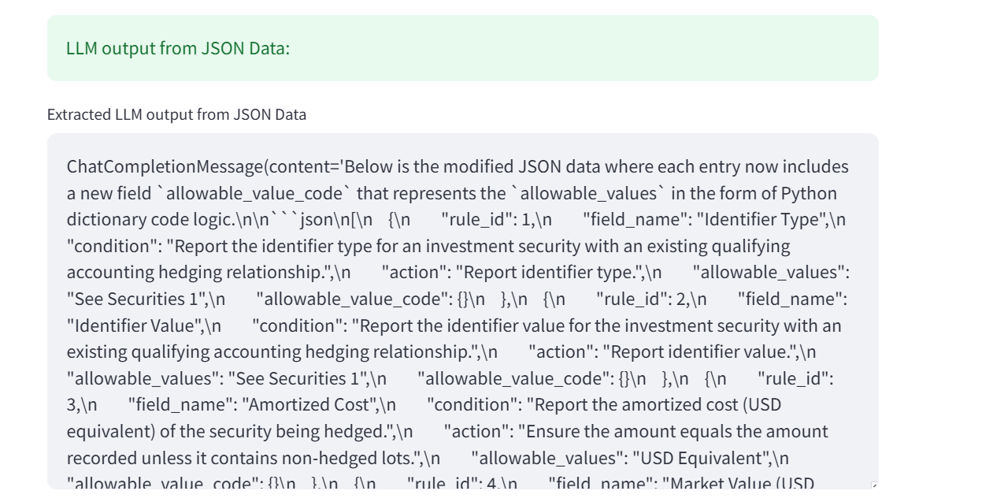

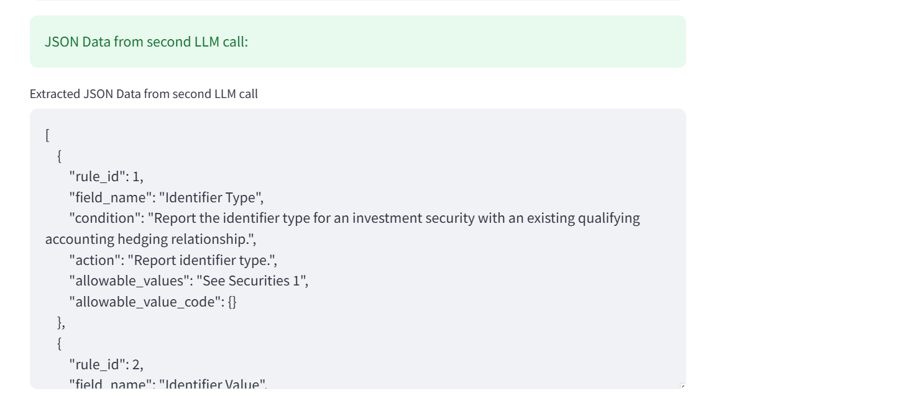

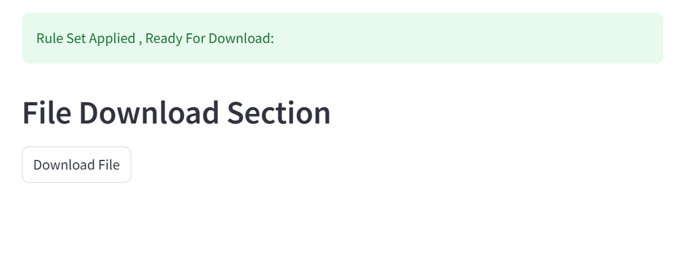

 |  | Report displayed in Downloads section of the browser

 |  | FINAL REPORT

RESULT | Rules have been applied correctly on data as can be varified from validation tabs of the corresponsing columns in Final Report

