Clinfo_NGS usecase
Clinical Information Requirements
Workflow Name | Workflow Task / Activities | Information needed | Example(s) if applicable | where this info could be retrieved | Relevant to use case | Additional Comments | Clinical Annotation or Citation (if applicable)
Initial assessment | Assess the patient's chief complaint, obtain history and physical, perform clinical assessment. | age at diagnosis | 58 | EHR | high
 |  | gender | male, female | EHR | high
 |  | race | White, Asian, Black or African American | EHR | low
 |  | occupation |  | EHR | low | too many occupations for structured data, and not relevant to disease control
 |  | co-morbid conditions | diabetes, COPD, long QT syndrome | EHR | high | this is the combination of the problem list, past medical history, and the past surgical history | ICD-10 and SNOMED
 |  | current list of medications | metformin, furosemide, atorvastatin | EHR | high | most important, and should always be available in RxNorm | RxNorm
Workup | Order diagnostics to further explore | diagnostic tests and procedures | CT scan c/a/p, PET/CT, MRI | EHR, Physician ordering system | high |  | Lung-rads currently only available for "screening" CT
 | Provider reviews results | tumor size | 4 cm | Radiology reports from CT, and PET/CT, path reports from biopsy. | low
 |  | tumor histology | adenocarcinoma | path reports from biopsy | high |  | WHO classification of tumors, (given a number code)
Diagnosis | Identify the cancer diagnosis: tissue of origin, histology, stage | cancer type | lung |  | high |  | ICD-0 topography codes
 |  | clinical T, N, and M stage | cT2, Nx, M1c |  | medium |  | AJCC 8th edition
 |  | clinical stage group | IVB |  | high | stage group more relevant to drive treatment options | AJCC 8th edition
 |  | pathological T, N, and M stage | never determined |  | low |  | AJCC 8th edition
 |  | pathological Stage group | never determined |  | high | stage group more relevant to drive treatment options | AJCC 8th edition
 |  | Lab results, CBC and chemstries |  |  | high |  | LOINC

Workup | Order NGS and biomarker testing of tumor | Laboratory name | Foundation Medicine, Inc., Caris Life Sciences | Test report (e.g., PDF) or structured data from lab e.g. XML file | high | CLIA certification number and expiration date are useful identifiers. | See also NIH GTR which assigns a unique id to labs. FMI is GTR Lab ID: 505492 https://www.ncbi.nlm.nih.gov/gtr/labs/505492/
 |  | Test name | "PD-L1 (SP142)" by Caris, "FOUNDATIONONE CDx" offered by Foundation Medicine, Inc. | Test report | high | Caris PD-L1 (SP142) test: GTR Test name: PD-L1 (SP142) GTR Test ID: GTR000558477.1 https://www.ncbi.nlm.nih.gov/gtr/tests/558477/ | NIH GTR provides a unique test id with an accession.version, available for labs that register their tests.
 |  | Type of NGS test by size and target analyte | targeted set of genes, panel of genes, genome sequencing, exome sequencing | Test report | moderate | All of the genes that are tested should be captured. This could be based on test version in the Lab. Most genes on a panel will be negative, and not explicitly stated as negative, but all are of interest. | Definitionally loose for how many gene constitute a panel. 2? 5? 10? FMI test has 324 genes
 |  | Tissue evaluated | From primary tumor From metastatic site From liquid biopsy | Test report | moderate
 |  | genomic origin | somatic vs. germline | Test report | high
 |  | methodology | DNA (e.g., NGS), chromosomal (e.g., FISH), Protein analysis (e.g., immunohistochemistry) | Test report | high | See NIH GTR for modeling of test methodologies. | https://www.ncbi.nlm.nih.gov/gtr/docs/submit/test_method/
 |  | genes, represented as primary gene symbols | EGFR, BRAF | Test report | high | It is important to use codes for gene symbols, because the gene symbols are very inexplicit (and could represent entirely different genes). CancerLinQ uses NCBI gene codes from NCBI Gene. Here is the record for EGFR, which is NCBI code 1956. https://www.ncbi.nlm.nih.gov/gene/1956 | HGNC HUGO Gene Nomenclature Committee http://www.genenames.org/ is the authority on gene symbols. HGNC also provides gene ids. CancerLinQ does not use HGNC gene ids (we use NCBI gene ids). NCBI provides a mapping of gene codes and also provides the primary gene symbol. | 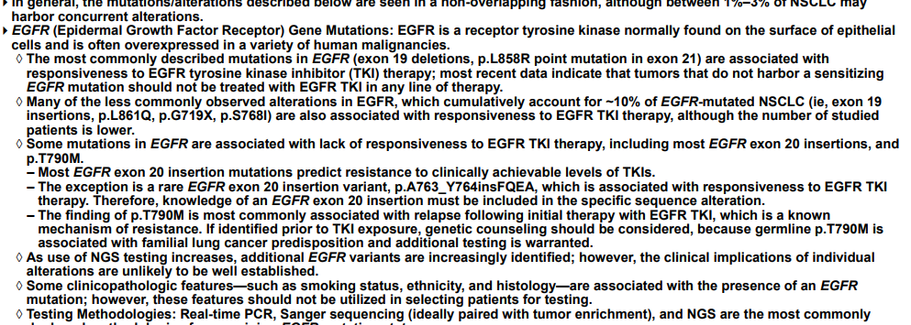
 |  | variants | NM_004333.4(BRAF):c.1799T>A (p.Val600Glu) is the HGVS expression for V600E | Test report | high |  | http://www.hgvs.org/
 |  | pathogenicity (a property of variants) | Pathogenic, benign, variant of uncertain significance (VUS), likely pathogenic, likely benign | Test report | high | Also available in knowledgebases, which can differ from each other and from the test report. | https://www.ncbi.nlm.nih.gov/pmc/articles/PMC5707196/ tables 4, 5, 6, 7
 |  | actionability (a property of variants) | Known FDA approved therapy for pathogenic variant in that gene and the patient’s tumor Known FDA approved therapy for pathogenic variant in that gene and another tumor No FDA approved therapy for the variant, but clinical trial available No clinical trial, but drug used off label | Test report from lab that performed the test, or a knowledgebase | high | Knowlegebase of cancer variations: https://www.mycancergenome.org/ see comprehensive catalog of cancer variant databases: https://www.ncbi.nlm.nih.gov/pmc/articles/PMC5707196/table/tbl1/ | https://www.ncbi.nlm.nih.gov/pmc/articles/PMC5707196/table/tbl3/
 |  | PD-L1 | 1, 2-49, 50-100 | Test report | high | Percentage of staining on a scale of 0-100%, often reported in categories
 |  | variant (in EGFR gene) | T790M is the protein sequence change commonly used in human-readable test reports. The HGVS experssion is NM_005228.4(EGFR):c.2369C>T (p.Thr790Met). |  | high | For ease, there is a ClinVar variant ID: 16613. https://www.ncbi.nlm.nih.gov/clinvar/variation/16613/ | http://www.hgvs.org/

Treatment | Evaluate treatment options | regimen name |  |  | high |  | NCCN Guidelines for NSCLC https://www.nccn.org/professionals/physician_gls/pdf/nscl.pdf version 1.2019 - October 19, 2018
 |  | list of drugs in a regimen |  | EHR or pharmacy information system drug formulary | high | use case does a comparison of outcomes for patients on a specific regimen; regimens can deviate from standard of care. | NCCN Guidelines for Lung cancer, will need version date
Evaluation / Monitoring | Evaluate the patient's course of treatment | regimen administered |  |  | high
 |  | Patient symptoms/signs, clinician assessed |  |  | high | Never exists as structured data outside clinical trial | CTC AE, v 5, etc
 |  | patient symptoms/signs,patient assessed | nausea, vomiting, mucositis, rash, etc. | EHR | medium ( | depends on the type of "patients llke me" comparison. If it's to evaluate how many in the community experienced certain toxicities as a measure of evaluating quality of life, then this could be high. | (PRO-CTCAE™
 |  | progression post-treatment | complete response, partial response, progressive disease, stable disease, not evaluated | EHR | high | never exists as structured data outside clinical trial | RECIST 1.1 Criteria

