Sheet2


Sheet4
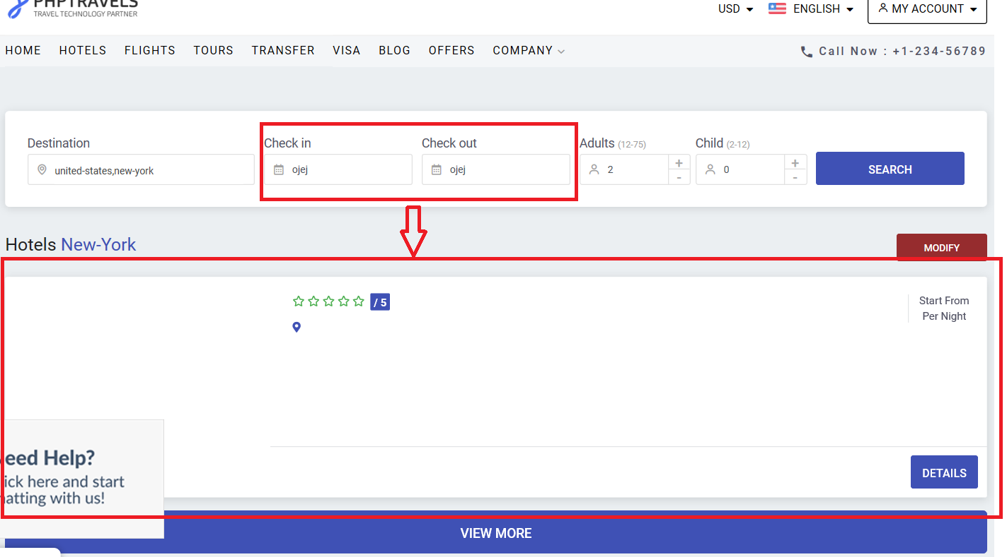

Sheet5


