Dashboard
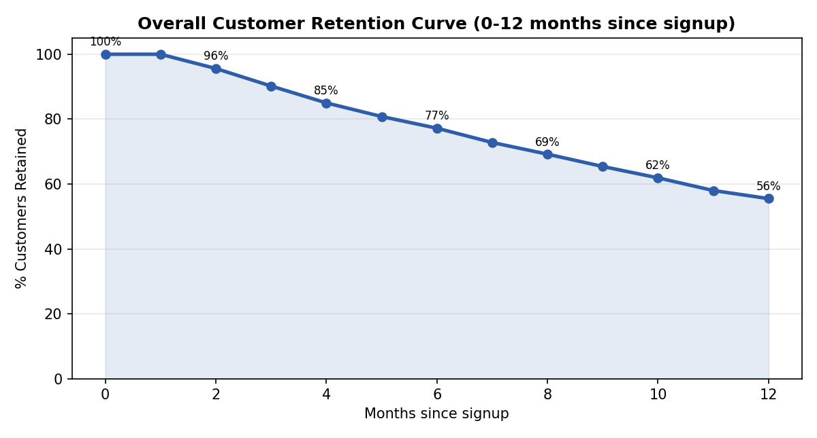
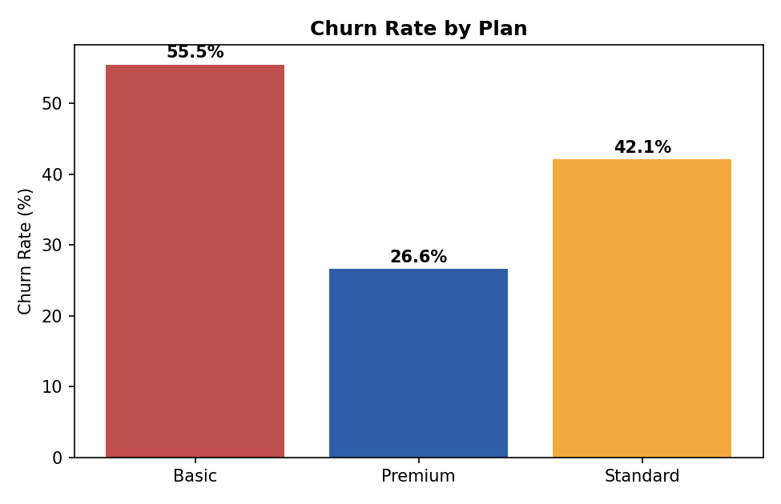
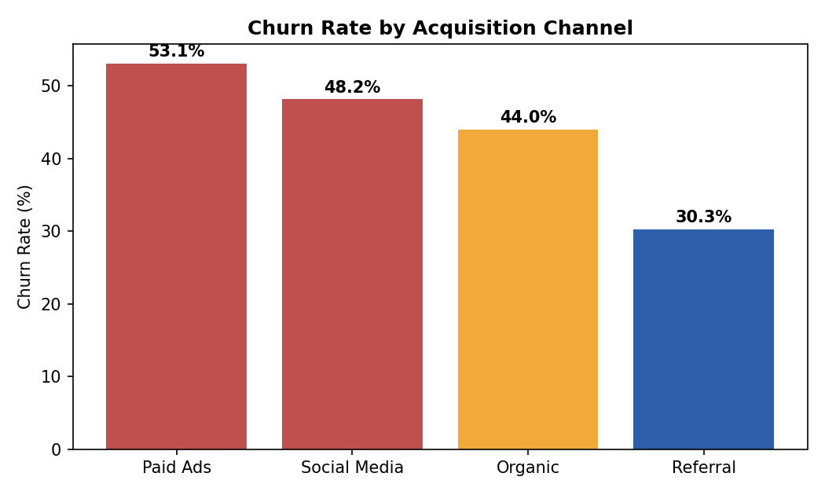
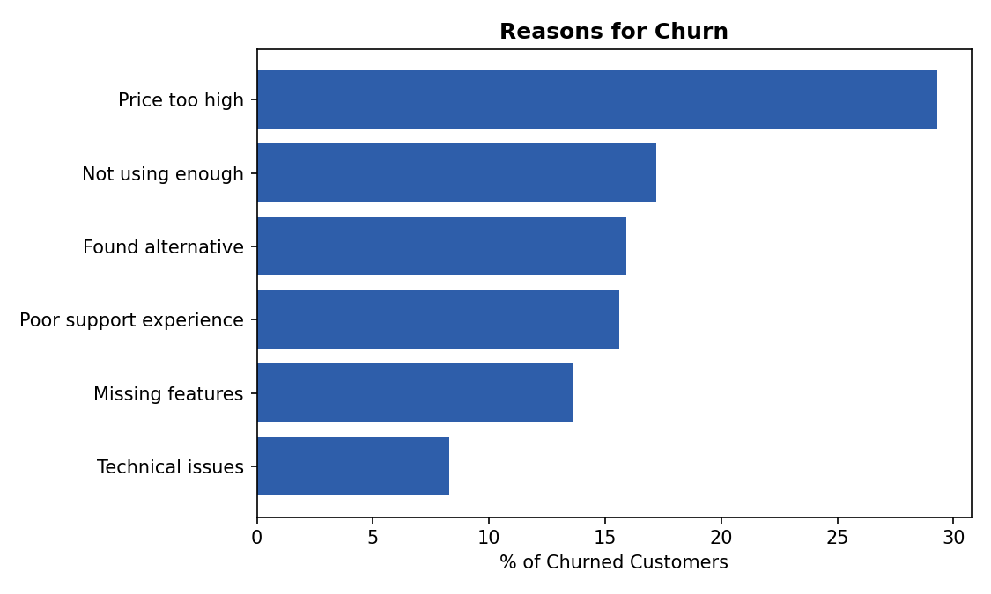
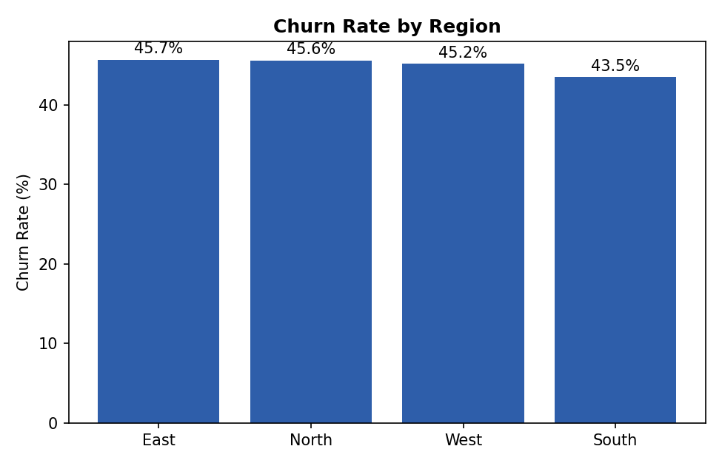
Customer Retention & Churn Analysis Dashboard
Task 2 | Future Interns - Data Science & Analytics | Subscription Business

Total Customers | Active Customers | Churned Customers | Overall Churn Rate %
2500 | 1379 | 1121 | 44.8

Avg Tenure - Churned (months) | Current MRR (₹)
6.8 | 828121

Retention Curve
Overall Retention Curve
Month | Retention_% | Sample_Size
0 | 100.0 | 2,500
1 | 100.0 | 2,500
2 | 95.6 | 2,408
3 | 90.2 | 2,307
4 | 85.0 | 2,184
5 | 80.8 | 2,099
6 | 77.2 | 1,992
7 | 72.8 | 1,902
8 | 69.2 | 1,794
9 | 65.4 | 1,681
10 | 61.9 | 1,553
11 | 58.0 | 1,441
12 | 55.5 | 1,314

Churn by Plan
Churn Rate % by Plan
Plan | Total | Churned | Churn_Rate_% | Avg_Tenure_Months | MRR
Basic | 1,098 | 609 | 55.5 | 7.4 | ₹146,211
Premium | 507 | 135 | 26.6 | 10.4 | ₹371,628
Standard | 895 | 377 | 42.1 | 9.0 | ₹310,282

Channel & Region
Churn Rate % by Acquisition Channel
Acquisition_Channel | Total | Churned | Churn_Rate_%
Paid Ads | 766 | 407 | 53.1
Social Media | 380 | 183 | 48.2
Organic | 879 | 387 | 44.0
Referral | 475 | 144 | 30.3

Region | Total | Churned | Churn_Rate_%
East | 370 | 169 | 45.7
North | 663 | 302 | 45.6
West | 706 | 319 | 45.2
South | 761 | 331 | 43.5

Churn Reasons
Churn Reasons
Reason | Count | Share_%
Price too high | 329 | 29.3
Not using enough | 193 | 17.2
Found alternative | 178 | 15.9
Poor support experience | 175 | 15.6
Missing features | 153 | 13.6
Technical issues | 93 | 8.3

