ERD Diagram
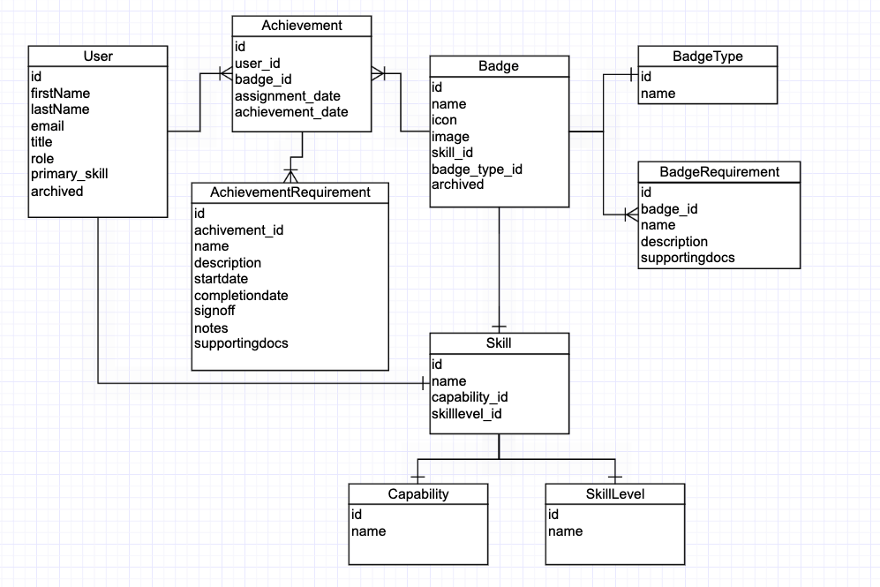
ERD Diagram | Last Updated 03/15

