power pivot difference
https://efficiency365.com/2016/02/08/difference-between-pivot-table-and-power-pivot/

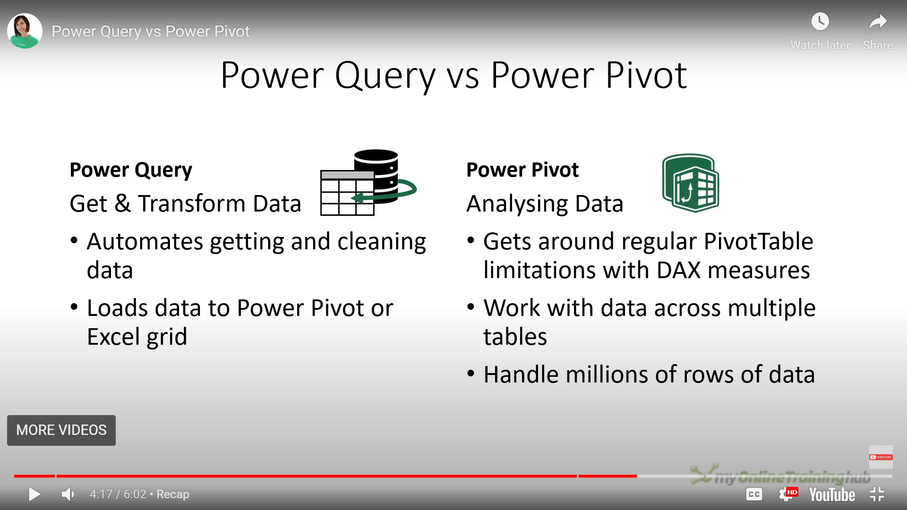

https://youtu.be/CLClvAGr0EY

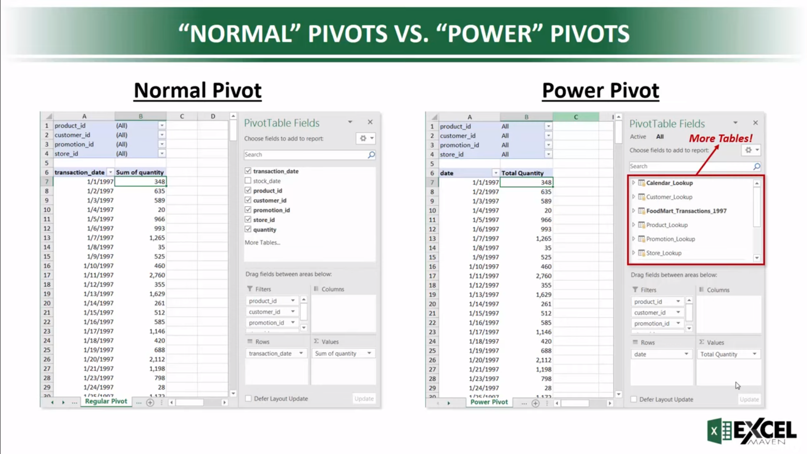

https://www.youtube.com/watch?v=Je4dtDAacM8

https://www.linkedin.com/pulse/10-differences-between-powerpivot-pivot-table-standard-teneva/

