Arkusz1
LANDSAT Surface Temperature DATA

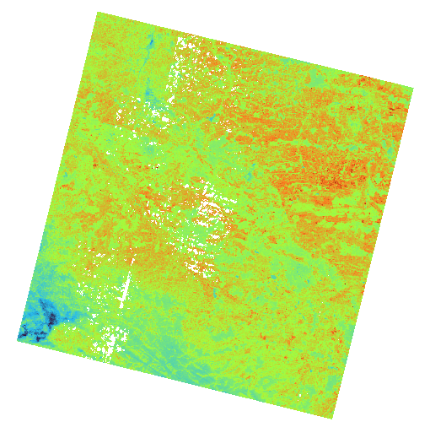
Name | Value
ORIGIN | Image courtesy of the U.S. Geological Survey
DIGITAL_OBJECT_IDENTIFIER | https://doi.org/10.5066/P9OGBGM6
LANDSAT_PRODUCT_ID | LC08_L2SP_186025_20240823_20240830_02_T1
PROCESSING_LEVEL | L2SP
COLLECTION_NUMBER | 02
COLLECTION_CATEGORY | T1
OUTPUT_FORMAT | GEOTIFF
FILE_NAME_BAND_1 | LC08_L2SP_186025_20240823_20240830_02_T1_SR_B1.TIF
FILE_NAME_BAND_2 | LC08_L2SP_186025_20240823_20240830_02_T1_SR_B2.TIF
FILE_NAME_BAND_3 | LC08_L2SP_186025_20240823_20240830_02_T1_SR_B3.TIF
FILE_NAME_BAND_4 | LC08_L2SP_186025_20240823_20240830_02_T1_SR_B4.TIF
FILE_NAME_BAND_5 | LC08_L2SP_186025_20240823_20240830_02_T1_SR_B5.TIF
FILE_NAME_BAND_6 | LC08_L2SP_186025_20240823_20240830_02_T1_SR_B6.TIF
FILE_NAME_BAND_7 | LC08_L2SP_186025_20240823_20240830_02_T1_SR_B7.TIF
FILE_NAME_THERMAL_RADIANCE | LC08_L2SP_186025_20240823_20240830_02_T1_ST_TRAD.TIF
FILE_NAME_UPWELL_RADIANCE | LC08_L2SP_186025_20240823_20240830_02_T1_ST_URAD.TIF
FILE_NAME_DOWNWELL_RADIANCE | LC08_L2SP_186025_20240823_20240830_02_T1_ST_DRAD.TIF
FILE_NAME_ATMOSPHERIC_TRANSMITTANCE | LC08_L2SP_186025_20240823_20240830_02_T1_ST_ATRAN.TIF
FILE_NAME_EMISSIVITY | LC08_L2SP_186025_20240823_20240830_02_T1_ST_EMIS.TIF
FILE_NAME_EMISSIVITY_STDEV | LC08_L2SP_186025_20240823_20240830_02_T1_ST_EMSD.TIF
FILE_NAME_CLOUD_DISTANCE | LC08_L2SP_186025_20240823_20240830_02_T1_ST_CDIST.TIF
FILE_NAME_QUALITY_L2_AEROSOL | LC08_L2SP_186025_20240823_20240830_02_T1_SR_QA_AEROSOL.TIF
FILE_NAME_QUALITY_L2_SURFACE_TEMPERATURE | LC08_L2SP_186025_20240823_20240830_02_T1_ST_QA.TIF
DATA_TYPE_BAND_1 | UINT16
DATA_TYPE_BAND_2 | UINT16
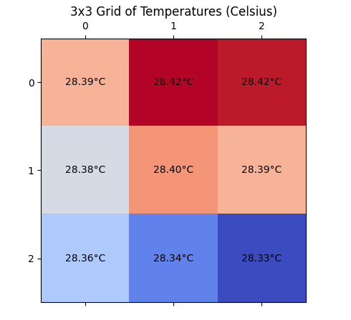
DATA_TYPE_BAND_3 | UINT16
DATA_TYPE_BAND_4 | UINT16
DATA_TYPE_BAND_5 | UINT16
DATA_TYPE_BAND_6 | UINT16
DATA_TYPE_BAND_7 | UINT16
DATA_TYPE_THERMAL_RADIANCE | INT16
DATA_TYPE_UPWELL_RADIANCE | INT16
DATA_TYPE_DOWNWELL_RADIANCE | INT16
DATA_TYPE_ATMOSPHERIC_TRANSMITTANCE | INT16
DATA_TYPE_EMISSIVITY | INT16
DATA_TYPE_EMISSIVITY_STDEV | INT16
DATA_TYPE_CLOUD_DISTANCE | INT16
DATA_TYPE_QUALITY_L2_AEROSOL | UINT8
DATA_TYPE_QUALITY_L2_SURFACE_TEMPERATURE | INT16
SPACECRAFT_ID | LANDSAT_8
SENSOR_ID | OLI_TIRS
WRS_TYPE | 2
WRS_PATH | 186
WRS_ROW | 25
NADIR_OFFNADIR | NADIR
DATE_ACQUIRED | 2024-08-23
SCENE_CENTER_TIME | 09:19:50.9736660Z
STATION_ID | LGN
CLOUD_COVER | 16.07
CLOUD_COVER_LAND | 16.07
IMAGE_QUALITY_OLI | 9
IMAGE_QUALITY_TIRS | 9
SUN_AZIMUTH | 153.43443285
SUN_ELEVATION | 48.31915003
EARTH_SUN_DISTANCE | 1.0111430
MAP_PROJECTION | UTM
DATUM | WGS84
UTM_ZONE | 34
GRID_CELL_SIZE_REFLECTIVE | 30.00
GRID_CELL_SIZE_THERMAL | 30.00
CORNER_UL_LAT_PRODUCT | 51.35611
CORNER_UL_LON_PRODUCT | 21.39350
CORNER_UR_LAT_PRODUCT | 51.29712
CORNER_UR_LON_PRODUCT | 24.73692
CORNER_LL_LAT_PRODUCT | 49.23007
CORNER_LL_LON_PRODUCT | 21.37635
CORNER_LR_LAT_PRODUCT | 49.17534
CORNER_LR_LON_PRODUCT | 24.57444

