Sheet1
Signal Layer | Reference Layer | Impedance Type | Trace Width（mil) | Trace Spacing（mil) | Impedance(ohm)±10% | Position | Position | Position
L1 | L2 | Differential Pair (Non coplanar) | 8.4 | 7.8 | 100 | 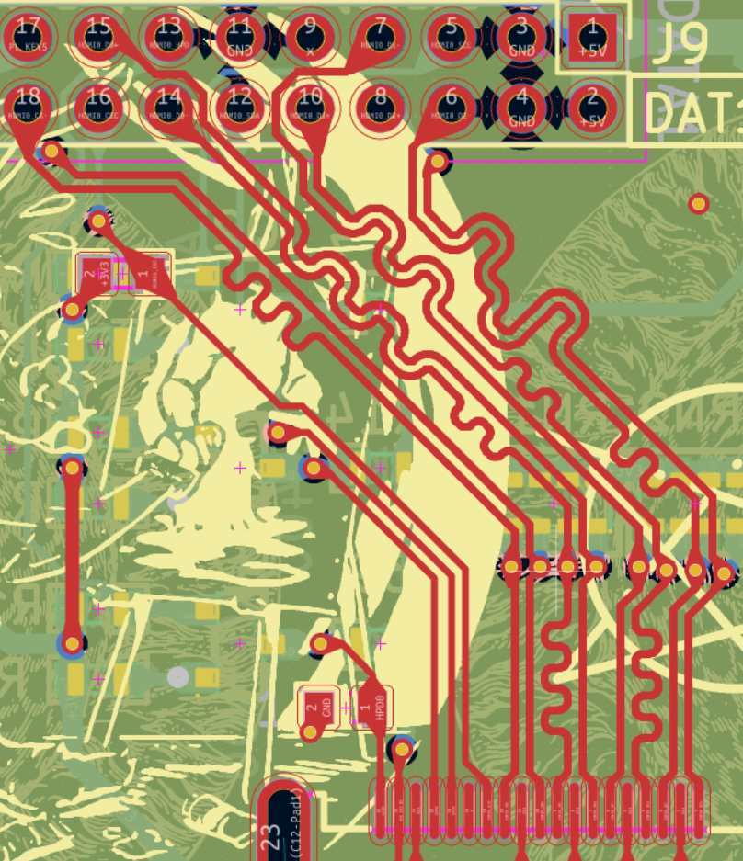 | 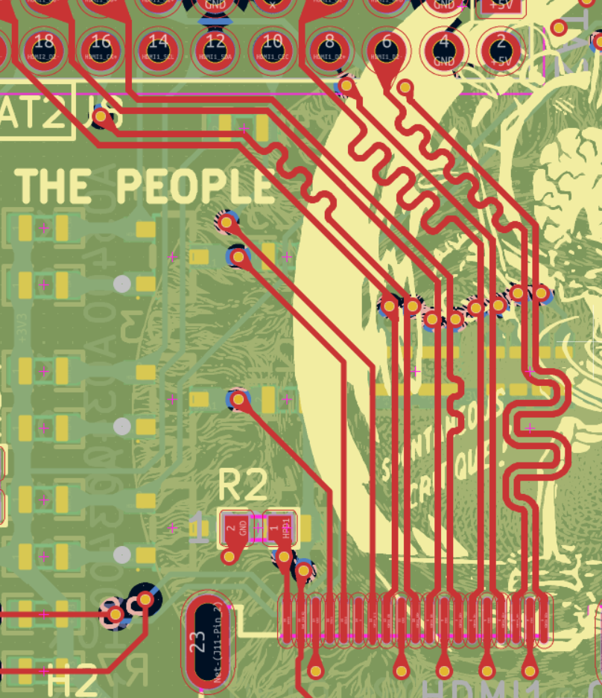 | 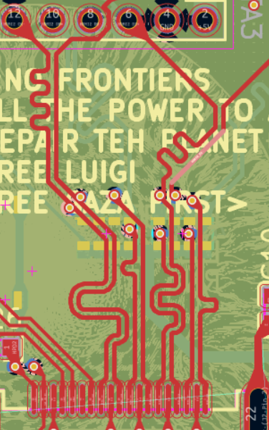
L4 | L3 | Differential Pair (Non coplanar) | 8.4 | 7.8 | 100 | 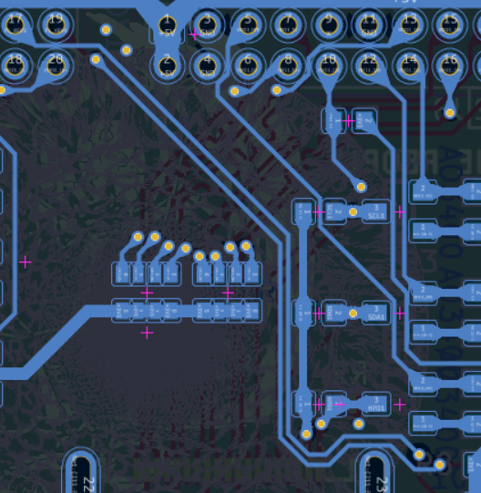 | 