Sheet1
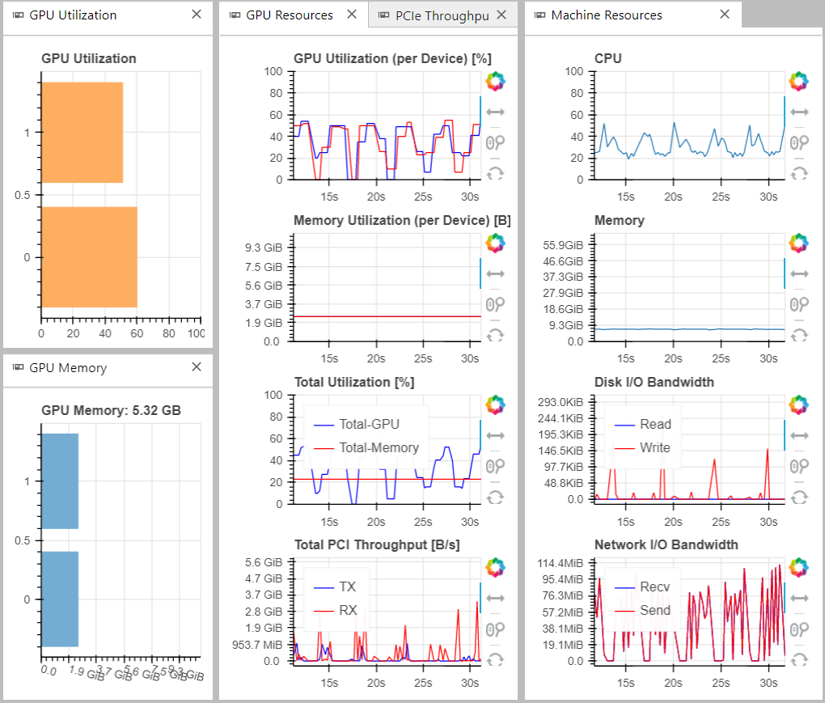
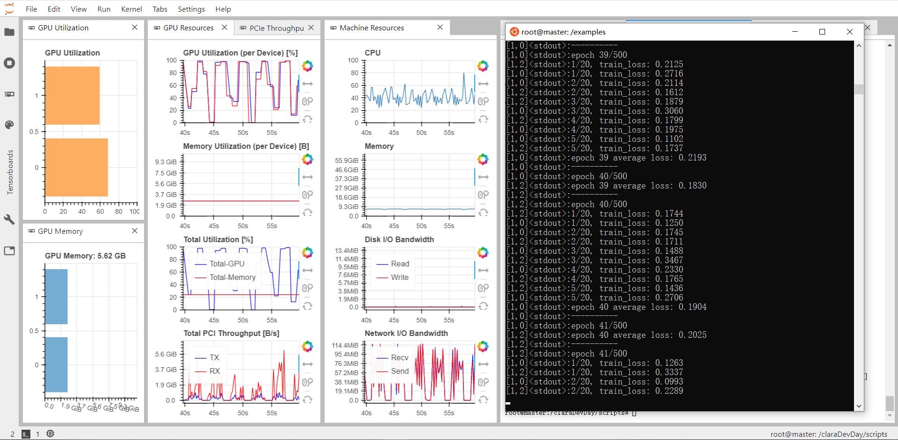
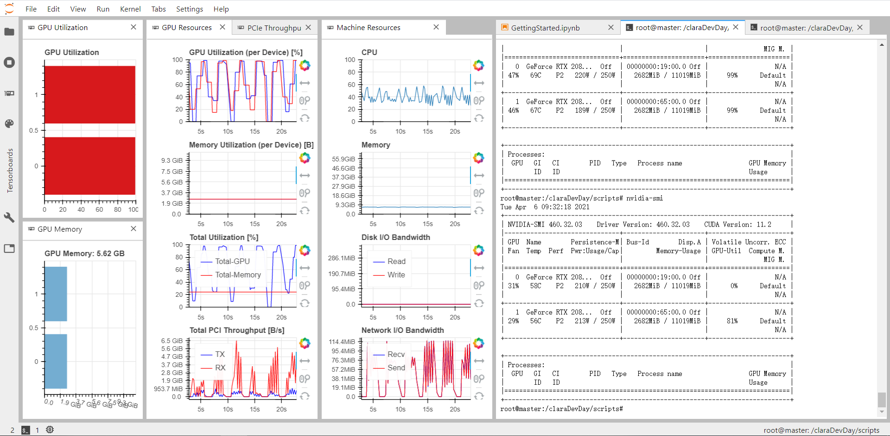
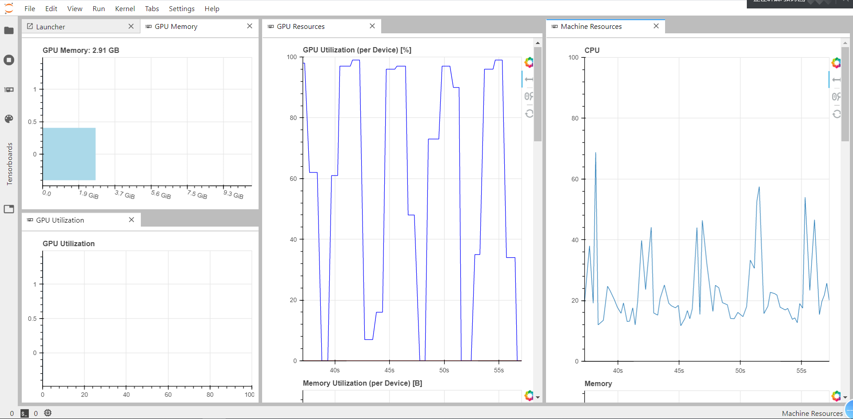
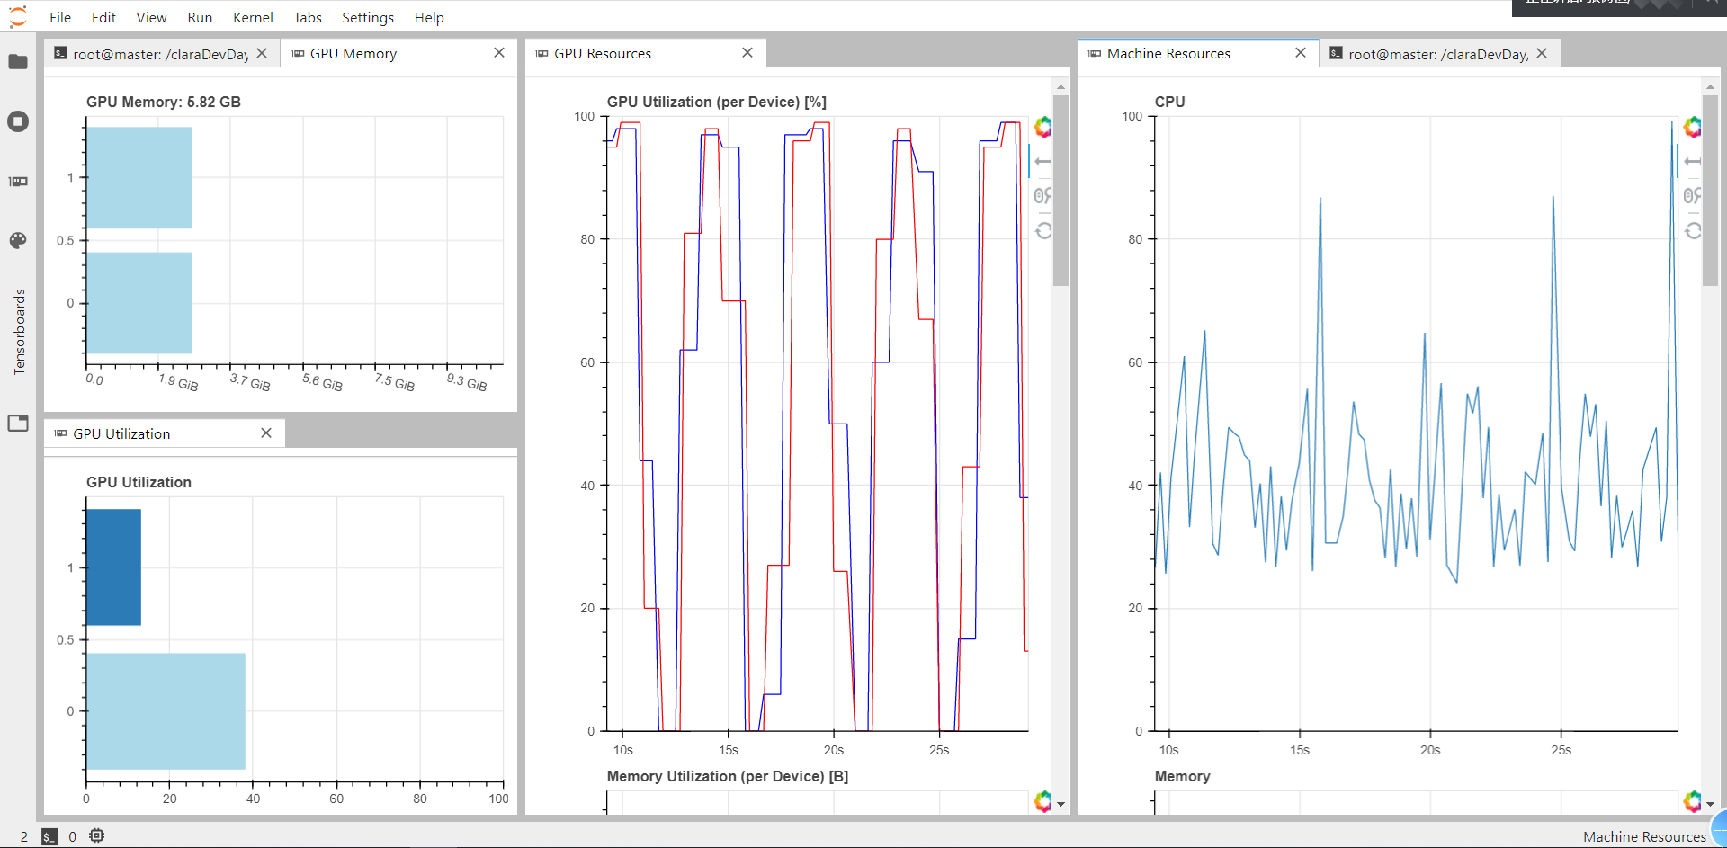
unet3d_training_horovod.py
 |  | server | client |  |  | losses
 | clara | #GPU210 | #GPU191 | time | clara change(%) in same conjiguration
 | 1 | 2 | 2 | 2146.2034903 |  | 0.55280370712 | 0.51100889444 | 0.52857856154 | 0.48776360154 | 0.47940974832 | 0.45195028782 | 0.43035919666 | 0.40708469748 | 0.43382314444 | 0.41895338297 | 0.42370496392 | 0.43897900581 | 0.41737616658 | 0.36687833667 | 0.36224448681 | 0.37394874096 | 0.41091657281 | 0.41165610552 | 0.38619636297 | 0.33279118538 | 0.33205068707 | 0.34510812759 | 0.34876320362 | 0.31235978603 | 0.33760902882 | 0.31520446539 | 0.34059000313 | 0.30583355725 | 0.33179515004 | 0.31714379787 | 0.29795873761 | 0.26934343874 | 0.23377372921 | 0.26918818951 | 0.27751336694 | 0.29306540489 | 0.2682371676 | 0.29356394112 | 0.27521924078 | 0.25299507082 | 0.19612656534 | 0.20601605475 | 0.2092774868 | 0.27837520242 | 0.22028619349 | 0.1928981632 | 0.19432614893 | 0.21069479287 | 0.18376761377 | 0.17995778024 | 0.19208953977 | 0.18571531028 | 0.16049171388 | 0.15703984201 | 0.12099986821 | 0.14707812667 | 0.12857284844 | 0.11326404363 | 0.090612134337 | 0.13910779208 | 0.10112325698 | 0.16030471176 | 0.10680269003 | 0.097804616392 | 0.10048347712 | 0.10863365978 | 0.076292511821 | 0.11482654065 | 0.10634606779 | 0.086121554673 | 0.11327533871 | 0.10385098904 | 0.098038119078 | 0.083120200038 | 0.055256718397 | 0.06878297478 | 0.048317477107 | 0.057487854362 | 0.051756924391 | 0.06400154531 | 0.064631327987 | 0.048823581636 | 0.048797497153 | 0.047468650341 | 0.077682043612 | 0.066872307658 | 0.058241900802 | 0.069899623096 | 0.037945625186 | 0.05087171495 | 0.038091023266 | 0.057361315191 | 0.031179337204 | 0.052496163547 | 0.028184494376 | 0.043473641574 | 0.033392882347 | 0.0370[1 | 0]<stdout>:3891634941101 | 0.043202480674 | 0.048198382556 | 0.038717009127 | 0.027704803646 | 0.038883243501 | 0.02880884707 | 0.029139122367 | 0.030878439546 | 0.028345711529 | 0.023041963577 | 0.031783767045 | 0.027467054129 | 0.027058137953 | 0.035264618695 | 0.046858793497 | 0.032334734499 | 0.014897672832 | 0.024094578624 | 0.047517724335 | 0.01996293813 | 0.020714002848 | 0.026744225621 | 0.031417010725 | 0.034486089647 | 0.029637891054 | 0.023093362153 | 0.018147455156 | 0.024859510362 | 0.022442963719 | 0.023973931372 | 0.017120489478 | 0.01845869422 | 0.024343292415 | 0.016245992482 | 0.013374605775 | 0.024813035131 | 0.016086250544 | 0.024114321172 | 0.039836327732 | 0.035634492338 | 0.022283227742 | 0.015543466806 | 0.020022067428 | 0.018166139722 | 0.016911780834 | 0.013781367242 | 0.014347121119 | 0.022628417611 | 0.018616522849 | 0.011025197804 | 0.017075553536 | 0.012448520958 | 0.007967415452 | 0.023417069018 | 0.013930778205 | 0.0079312592745 | 0.023415391147 | 0.010373060405 | 0.01130772382 | 0.0073389172554 | 0.0087644740939 | 0.013460443914 | 0.0081857636571 | 0.010961674154 | 0.017354789376 | 0.017871962488 | 0.013105873764 | 0.020370872319 | 0.0085351362824 | 0.010707435012 | 0.0074938267469 | 0.0073443934321 | 0.010884159803 | 0.014796294272 | 0.010245098174 | 0.014797437191 | 0.0091680303216 | 0.0060937896371 | 0.010208383203 | 0.0088678359985 | 0.0082979694009 | 0.020950742066 | 0.012222839892 | 0.013885097206 | 0.018071529269 | 0.018012243509 | 0.01355817467 | 0.017932491004 | 0.010056976974 | 0.012073686719 | 0.0069617718458 | 0.0090802952647 | 0.0052008971572 | 0.020290313661 | 0.0068813532591 | 0.0055327802896 | 0.0078480869532 | 0.014864443243 | 0.0058516308665 | 0.0095864951611 | 0.0048560008407 | 0.0060081928968 | 0.0093185946345 | 0.015129235387 | 0.0073754012585 | 0.0094362989068 | 0.0064647167921 | 0.0077616631985 | 0.00859195292 | 0.0073567092419 | 0.0056993305683 | 0.012520880997 | 0.0061837330461 | 0.0059958457947 | 0.0048198640347 | 0.0059149935842 | 0.0051288187504 | 0.0063154727221 | 0.0068197011948 | 0.0064669758081 | 0.0094000190496 | 0.013906419277 | 0.0057776510715 | 0.0038983970881 | 0.011128205061 | 0.0048725605011 | 0.013993735611 | 0.0035630434752 | 0.009224614501 | 0.0041054055095 | 0.006176199019 | 0.0061213240027 | 0.0036687746644 | 0.005138579011 | 0.0057904437184 | 0.0030850440264 | 0.0032518237829 | 0.0046380251646 | 0.0038277283311 | 0.0035132914782 | 0.010554459691 | 0.0079477339983 | 0.0068954825401 | 0.0057105645537 | 0.0037428990006 | 0.0054423123598 | 0.002793481946 | 0.0029104098678 | 0.0042796775699 | 0.0044655486941 | 0.010767439008
 | 1 | 2 | 1 | 2627.1301339 |  | 0.43989697099 | 0.37851329361 | 0.38622772694 | 0.35884140645 | 0.33656966261 | 0.37017251764 | 0.3814655883 | 0.3412582108 | 0.3241496299 | 0.33866776313 | 0.30941368852 | 0.28052902647 | 0.29892288361 | 0.27954049621 | 0.28039894359 | 0.27830930054 | 0.28347222933 | 0.23774078701 | 0.24854964231 | 0.23288024536 | 0.24956987798 | 0.21548289486 | 0.20099938767 | 0.23447807559 | 0.17340539396 | 0.17851863163 | 0.14990697269 | 0.13496744101 | 0.16288647268 | 0.1350911398 | 0.16658317936 | 0.11893865998 | 0.11734386214 | 0.12223589314 | 0.11817112139 | 0.097999634487 | 0.09318589632 | 0.10105750923 | 0.10734251674 | 0.074517768409 | 0.11461574584 | 0.094842952277 | 0.07962684014 | 0.086808783667 | 0.10092785742 | 0.094934913729 | 0.052692420781 | 0.054157334779 | 0.060517741101 | 0.063099443913 | 0.060110414667 | 0.066112832299 | 0.06073666364 | 0.071370350463 | 0.037608829992 | 0.073291266603 | 0.040738082358 | 0.048251981182 | 0.0456305093 | 0.032278322748 | 0.038069933653 | 0.024948558637 | 0.047023367669 | 0.021826903735 | 0.045092960554 | 0.028463731919 | 0.038832004581 | 0.022981563849 | 0.032088420221 | 0.03233039592 | 0.029669186899 | 0.02804751162 | 0.016440575676 | 0.029969053609 | 0.022915769901 | 0.020279603345 | 0.024841026536 | 0.018703251013 | 0.019293993711 | 0.017528009202 | 0.017707369157 | 0.015013660703 | 0.017411565142 | 0.01771227909 | 0.014796078205 | 0.021316500647 | 0.018766755504 | 0.014120414853 | 0.024755745062 | 0.015303562794 | 0.015185051731 | 0.012084127537 | 0.021744375782 | 0.015359658216 | 0.01302459836 | 0.0[1 | 2]<stdout>:17343143267290934 | 0.010546179754 | 0.024650017066 | 0.011509093855 | 0.010681067194 | 0.0096781424114 | 0.013521020966 | 0.014621752713 | 0.0092847836869 | 0.021073724542 | 0.011636140091 | 0.011088071125 | 0.021023949342 | 0.013800882867 | 0.0087847986392 | 0.0083578452468 | 0.016659224672 | 0.011044832213 | 0.0069987518447 | 0.0080481065171 | 0.013095451253 | 0.01788385106 | 0.0085941595691 | 0.011905875589 | 0.01398424272 | 0.012571133673 | 0.013341094766 | 0.0062588400074 | 0.0060141395245 | 0.011691124312 | 0.011815212667 | 0.0084178330643 | 0.0081299703036 | 0.0091790578195 | 0.015433699957 | 0.0071561102356 | 0.0082958031978 | 0.0077709513051 | 0.0062866434455 | 0.014336014433 | 0.012608467468 | 0.005841518087 | 0.013421204473 | 0.0061243293541 | 0.0063632790531 | 0.0063259207777 | 0.013685628772 | 0.0049754562122 | 0.010113159461 | 0.0097498084818 | 0.011067737426 | 0.0046586053712 | 0.009353336479 | 0.0055476735745 | 0.0042969648327 | 0.012433725808 | 0.0052655914 | 0.0088212873255 | 0.0058588736824 | 0.0073796053018 | 0.011051804892 | 0.0054840168783 | 0.0041035850133 | 0.0054742725832 | 0.0038386221443 | 0.0037775912455 | 0.0044923648238 | 0.0035799816251 | 0.0048658134682 | 0.0035698637366 | 0.0058066919446 | 0.0043117169823 | 0.005119198135 | 0.0075000503234 | 0.0083137420671 | 0.0029637334602 | 0.0055461068239 | 0.010458322508 | 0.0044435166887 | 0.0065756046346 | 0.0048614197544 | 0.0056263697999 | 0.0091652923397 | 0.0038389819009 | 0.0072536095977 | 0.0044809484056 | 0.0072447061539 | 0.0029410698584 | 0.0034583508968 | 0.0051499392305 | 0.003102495202 | 0.0030305513314 | 0.0027042627335 | 0.0023642629385 | 0.0043638902051 | 0.0047878750733 | 0.002391617213 | 0.0027416912573 | 0.0044152172548 | 0.0035394334367 | 0.0067931647812 | 0.004163688847 | 0.0047968136413 | 0.0037979121719 | 0.0027698108128 | 0.0049833112529 | 0.0054643696972 | 0.0021424517035 | 0.0032739798938 | 0.0023338326386 | 0.0048171707562 | 0.004417642951 | 0.0022793422852 | 0.0024372701134 | 0.0035437515804 | 0.0027401064123 | 0.0068203604647 | 0.0054736871805 | 0.0023786819407 | 0.0022555430021 | 0.0026279059904 | 0.0056582487055 | 0.0039193481207 | 0.0018558566059 | 0.0040486295308 | 0.0024380790336 | 0.0053890911596 | 0.0019898159163 | 0.0019165767091 | 0.0044492068035 | 0.0040256455541 | 0.0018125016774 | 0.0042060038873 | 0.0052745661565 | 0.0023917449372 | 0.0029353094952 | 0.0036800918835 | 0.0014891975692 | 0.0050987313901 | 0.0044917134302 | 0.0017043011529 | 0.0022952663047 | 0.0055660243545 | 0.0022830856698 | 0.0027355498501 | 0.0025655382446 | 0.0031085684896 | 0.0033427604607 | 0.0029549598694 | 0.0034143403172 | 0.0041025270309 | 0.0031636836273 | 0.0044999026826 | 0.0024640879461
 | 1 | 2 | 0 | 2200.8444152 |  | 0.54142772257 | 0.44512655139 | 0.43671616912 | 0.40577123761 | 0.38398271501 | 0.37275487483 | 0.35817623436 | 0.32137739658 | 0.32660519183 | 0.3223457247 | 0.30266133398 | 0.30966890454 | 0.31771275997 | 0.26823703945 | 0.27535644174 | 0.23290725946 | 0.26252948195 | 0.2541836068 | 0.25032345057 | 0.20247966349 | 0.21329866946 | 0.1813248381 | 0.18139207587 | 0.13752151877 | 0.15133988857 | 0.15048761368 | 0.15310091674 | 0.1493838422 | 0.143287386 | 0.1394299835 | 0.084057525545 | 0.099261780083 | 0.086896029115 | 0.0761154145 | 0.086075766385 | 0.088549792767 | 0.0756739676 | 0.08247301504 | 0.078315568715 | 0.079297522455 | 0.067117965966 | 0.052627751231 | 0.046785814315 | 0.075064910203 | 0.051981876791 | 0.050443801284 | 0.038676106185 | 0.046727626771 | 0.038185732067 | 0.03399034664 | 0.037010298669 | 0.036967854202 | 0.031028424948 | 0.034292746335 | 0.024879063666 | 0.035092090815 | 0.023127377033 | 0.027949768305 | 0.01625951156 | 0.029218316078 | 0.019801709801 | 0.032274651527 | 0.025855705142 | 0.020557603985 | 0.0190612562 | 0.022681627423 | 0.026497683674 | 0.026401396096 | 0.02008902356 | 0.017998443544 | 0.020999270678 | 0.022528151423 | 0.022525915504 | 0.016821671277 | 0.012877964973 | 0.01469110772 | 0.012095585465 | 0.013231578469 | 0.019703497738 | 0.018162892759 | 0.011944324523 | 0.0096562191844 | 0.012343297154 | 0.012186858803 | 0.016485595703 | 0.013788468391 | 0.017409197986 | 0.011027318239 | 0.013190405816 | 0.010059866309 | 0.0096637830138 | 0.015614356101 | 0.0081798009574 | 0.013565934449 | 0.012679450214 | 0.01023976206[1 | 0]<stdout>:77948 | 0.011304358393 | 0.0080037452281 | 0.0080422513187 | 0.01251578778 | 0.0083205088973 | 0.010148044676 | 0.011291225255 | 0.0063455753028 | 0.0073749922216 | 0.0060348153114 | 0.0066243305802 | 0.0039226643741 | 0.0089385725558 | 0.0080997832119 | 0.0061026573181 | 0.0057056099176 | 0.0069319307804 | 0.0047261700034 | 0.0046662934124 | 0.0056515388191 | 0.0098210521042 | 0.0037239000201 | 0.0072624467313 | 0.0061918482184 | 0.0084880068898 | 0.0050498791039 | 0.0067957244813 | 0.0041670247912 | 0.0036558143795 | 0.0039714455605 | 0.0045950964093 | 0.0042149081826 | 0.0068239197135 | 0.0042119979858 | 0.0044322572649 | 0.0042861446738 | 0.0065527372062 | 0.0047729335725 | 0.0051034830511 | 0.0054351322353 | 0.0057274490595 | 0.0077044308186 | 0.0038289785385 | 0.0034788824618 | 0.0058796413243 | 0.003650893271 | 0.002652836591 | 0.0060610428452 | 0.0063459418714 | 0.0058998525143 | 0.0038627311587 | 0.00290248245 | 0.0029145002365 | 0.0022406324744 | 0.0045165732503 | 0.0053455896676 | 0.0025471642613 | 0.0026203863323 | 0.004924351722 | 0.0021971002221 | 0.0024897158146 | 0.0015152178705 | 0.0020841807127 | 0.0036410406232 | 0.0030958719552 | 0.0020471893251 | 0.0023130401969 | 0.0028970569372 | 0.0046910233796 | 0.0036312170327 | 0.0019924283028 | 0.0025037229061 | 0.0046894952655 | 0.0023071303964 | 0.001806423068 | 0.0054264545441 | 0.0017172001302 | 0.0024639382958 | 0.001769348979 | 0.0028566040099 | 0.0017062135041 | 0.0025786794722 | 0.0019578866661 | 0.003943759948 | 0.0021875299513 | 0.002820174396 | 0.0038402587175 | 0.0033968999982 | 0.0025957599282 | 0.002663244307 | 0.0017904900014 | 0.0036737903953 | 0.0023604698479 | 0.0018706157804 | 0.0016967587173 | 0.0029499098659 | 0.0030252695084 | 0.0010698571801 | 0.0012607902288 | 0.0037940189242 | 0.0028029508889 | 0.001401335746 | 0.0018384762108 | 0.001057587564 | 0.0016583867371 | 0.0033921688795 | 0.0013681873679 | 0.0014201387763 | 0.0018824450672 | 0.0012647360563 | 0.0018583610654 | 0.0021228156984 | 0.0010000027716 | 0.0026140443981 | 0.0016240514815 | 0.0013945303857 | 0.0010713867843 | 0.0032059676945 | 0.00093312487006 | 0.0016166850924 | 0.002024846524 | 0.0022224366665 | 0.0013997592032 | 0.0023091442883 | 0.0022204376757 | 0.00076642036438 | 0.0018482893705 | 0.0010110534728 | 0.0022742532194 | 0.001033577323 | 0.0025640547276 | 0.00085906013846 | 0.0021627388895 | 0.0019947975874 | 0.0018348693848 | 0.001129758358 | 0.0013406820595 | 0.0010768949986 | 0.0014919504523 | 0.0013559401035 | 0.00076324790716 | 0.0010415993631 | 0.0017716266215 | 0.0023018226027 | 0.0012101456523 | 0.0011124223471 | 0.0019246779382 | 0.0019236363471 | 0.00079858154058 | 0.0015549615026 | 0.00098056122661 | 0.00073030889034 | 0.0014796689153
 | 1 | 0 | 2 | 2196.0030539 |  | 0.49806508422 | 0.41942949593 | 0.42081089318 | 0.40560635924 | 0.37535667717 | 0.36972123384 | 0.35122059882 | 0.32137238979 | 0.33974866271 | 0.32165715396 | 0.30357274115 | 0.30734195709 | 0.30546908826 | 0.26375022829 | 0.27769004554 | 0.22739688307 | 0.25237772763 | 0.24189045876 | 0.23306817785 | 0.18849982619 | 0.18815239072 | 0.16249934584 | 0.15773274079 | 0.12316317484 | 0.13303805664 | 0.12887779027 | 0.13374725953 | 0.12911953181 | 0.1300117828 | 0.11433037519 | 0.071741247922 | 0.078632753342 | 0.070835848153 | 0.059674695879 | 0.071004210413 | 0.067328426242 | 0.059416814893 | 0.065744703263 | 0.068250404298 | 0.064284943044 | 0.058733149618 | 0.038155274093 | 0.038085589558 | 0.058113699406 | 0.043767468631 | 0.044671699405 | 0.030249650031 | 0.040927241743 | 0.028617730737 | 0.026401086152 | 0.030042316765 | 0.030522992462 | 0.026089877635 | 0.026901017129 | 0.018922173232 | 0.027912820876 | 0.019575024396 | 0.025750809908 | 0.013445203751 | 0.024031537026 | 0.017603587359 | 0.028910069913 | 0.023553182185 | 0.017687409371 | 0.017282216996 | 0.020506163687 | 0.024804148078 | 0.024314586073 | 0.019931722432 | 0.015408995748 | 0.017098496854 | 0.018920401484 | 0.018798873574 | 0.016020806134 | 0.0097287654877 | 0.013506311923 | 0.0094990536571 | 0.011532962322 | 0.01891078949 | 0.014646905661 | 0.01069355607 | 0.0089784361422 | 0.013414972275 | 0.013852065057 | 0.012811713666 | 0.012630729377 | 0.014294934273 | 0.010723951459 | 0.011240848899 | 0.0078773364425 | 0.0079544529319 | 0.012968862057 | 0.0079868622124 | 0.012021698803 | 0.011830354482 | [1 | 0]<stdout>:0.008586743474006652 | 0.0083699807525 | 0.0077302366495 | 0.0092346698046 | 0.010858529061 | 0.0071871824563 | 0.010493464768 | 0.011521615088 | 0.0051892459393 | 0.0069549463689 | 0.0060566224158 | 0.0054053805768 | 0.0036551818252 | 0.0081656001508 | 0.0085308767855 | 0.004823333025 | 0.0052483841777 | 0.0057734124362 | 0.0042915441096 | 0.0042103141546 | 0.005911013484 | 0.0084723442793 | 0.0033202476799 | 0.0074305914342 | 0.0057541146874 | 0.0066167324781 | 0.0055395923555 | 0.0067974977195 | 0.0035098657012 | 0.0031797163188 | 0.0049716711044 | 0.0036097124219 | 0.0039975233376 | 0.0061982661486 | 0.003692433238 | 0.0037611834705 | 0.0038508310914 | 0.0061359062791 | 0.0039780817926 | 0.0056152045727 | 0.0041959181428 | 0.0065009012818 | 0.0054035052657 | 0.0037511236966 | 0.0028489865363 | 0.0051609240472 | 0.0032717265189 | 0.0021269313991 | 0.004804122448 | 0.0045075662434 | 0.0046104736626 | 0.0035808056593 | 0.0026190035045 | 0.0026521995664 | 0.0019757248461 | 0.0044040977955 | 0.0036626987159 | 0.0022834427655 | 0.0020457692444 | 0.0042413547635 | 0.0023113317788 | 0.002292047441 | 0.0014786683023 | 0.0021155171096 | 0.0035660080612 | 0.0024028398097 | 0.0019018799067 | 0.0023935757577 | 0.0023837052286 | 0.0039226435125 | 0.0032963819802 | 0.0017162367702 | 0.0022058092058 | 0.003204780072 | 0.002117715776 | 0.0015717811882 | 0.0043211996555 | 0.0016424514353 | 0.0021769732237 | 0.0016796246171 | 0.0025444723666 | 0.0014542818069 | 0.0020608656108 | 0.0015313930809 | 0.0036063335836 | 0.0019099190831 | 0.0034483119845 | 0.0030830718577 | 0.0030142389238 | 0.0020745866001 | 0.0026277437806 | 0.0016643047333 | 0.0035382844508 | 0.0021199055016 | 0.001761110872 | 0.0013442270458 | 0.0024868249893 | 0.0025029830635 | 0.00096480771899 | 0.0011931397021 | 0.0036096796393 | 0.0030054725707 | 0.0013316079974 | 0.0016424924135 | 0.00090169534087 | 0.001681958884 | 0.0034442029893 | 0.0012006998062 | 0.0014867052436 | 0.0020538456738 | 0.0010705962777 | 0.0021507769823 | 0.002029235661 | 0.00082860738039 | 0.0020872272551 | 0.001343844831 | 0.0011163435876 | 0.00095088630915 | 0.0029165230691 | 0.00088903456926 | 0.0012790098786 | 0.002420181036 | 0.0020862825215 | 0.0012128382921 | 0.0026148766279 | 0.0022775612772 | 0.0007492005825 | 0.0018207088113 | 0.00099197477102 | 0.0017936520278 | 0.0010287545621 | 0.0019334994256 | 0.00071740970016 | 0.0018029369414 | 0.0018464557827 | 0.0013291865587 | 0.00085596591234 | 0.0014168471098 | 0.00087546557188 | 0.001133993268 | 0.0010830916464 | 0.00070152133703 | 0.0009241335094 | 0.0018298208714 | 0.0016784660518 | 0.00089535564184 | 0.0011219464242 | 0.0017276912928 | 0.0013875432312 | 0.00062241256237 | 0.0011554010212 | 0.00094472020864 | 0.00057571977377 | 0.001479665935
 | 1 | 1 | 1 | 3243.8488314 |  | 0.56033132374 | 0.4912317723 | 0.43695487082 | 0.41884652376 | 0.4078448981 | 0.39194009602 | 0.38595044911 | 0.39518671632 | 0.3568705678 | 0.3425596267 | 0.33439234793 | 0.31553818882 | 0.29489752948 | 0.3114252001 | 0.28142905235 | 0.29825027585 | 0.24374563843 | 0.23818225116 | 0.22664735466 | 0.24412491024 | 0.21864404008 | 0.21771310046 | 0.19889192134 | 0.21885704845 | 0.17876800448 | 0.16986888275 | 0.14776165858 | 0.13387288377 | 0.12099353075 | 0.11617173627 | 0.14386405051 | 0.12205798253 | 0.11605165824 | 0.11681417748 | 0.09097533375 | 0.090662619472 | 0.087756917626 | 0.071233716607 | 0.061912532151 | 0.055287421495 | 0.066240429878 | 0.073935395479 | 0.070105034113 | 0.037880769372 | 0.053262336552 | 0.05027121231 | 0.052186505497 | 0.043699360639 | 0.050357148051 | 0.053169194609 | 0.040867976844 | 0.041693809628 | 0.040101698041 | 0.037179748714 | 0.046075892448 | 0.027548221499 | 0.039468535036 | 0.031461618841 | 0.038012953103 | 0.0264985919 | 0.031340990961 | 0.01969679296 | 0.026695882529 | 0.028300643712 | 0.027197165042 | 0.020829241723 | 0.015356896073 | 0.016332933307 | 0.021805502474 | 0.024078307301 | 0.018306260556 | 0.015092609078 | 0.01511946246 | 0.016205705702 | 0.023375221342 | 0.018655303121 | 0.021829976141 | 0.017359627038 | 0.010984367877 | 0.01225380972 | 0.015991676599 | 0.019580948353 | 0.014349219203 | 0.014924953878 | 0.010145135224 | 0.012029612809 | 0.010188624263 | 0.011841067672 | 0.014314075559 | 0.016440619528 | 0.015666367859 | 0.0075477235019 | 0.012824544311 | 0.0082733944058 | 0.0087400719523 | 0.010769671947 | 0.0089830547571 | 0.012252020091 | 0.010545612872 | 0.0067554824054 | 0.011387965083 | 0.0071339920163 | 0.008001858741 | 0.012579248846 | 0.0092805318534 | 0.010295797884 | 0.0095984682441 | 0.011075243354 | 0.0056662000716 | 0.0074842967093 | [1 | 1]<stdout>: | 0.0077109895647 | 0.0089945368469 | 0.0065084673464 | 0.008658542484 | 0.011885225028 | 0.0075044907629 | 0.0042005747557 | 0.0095749601722 | 0.0045858584344 | 0.0060613691807 | 0.0038419231772 | 0.0063978493214 | 0.0049707278609 | 0.0077094584703 | 0.0085109338164 | 0.0064300522208 | 0.0060548119247 | 0.0059149667621 | 0.0035276725888 | 0.0064247943461 | 0.0078580781817 | 0.0055290617049 | 0.003574385494 | 0.0056807748973 | 0.0044659614563 | 0.0049929283559 | 0.0034418866038 | 0.003223285079 | 0.005501986295 | 0.00685242787 | 0.0033578023314 | 0.0050860367715 | 0.0064309038222 | 0.0040504902601 | 0.0040972232819 | 0.0036865502596 | 0.0046264581382 | 0.005428866297 | 0.0053595751524 | 0.0058378405869 | 0.0024706140161 | 0.0031489960849 | 0.0044011101127 | 0.0047557272017 | 0.0032012797892 | 0.0052599921823 | 0.0055332645774 | 0.0062374874949 | 0.0045342735946 | 0.0027163937688 | 0.0043299742043 | 0.0045657426119 | 0.0031866431236 | 0.0034021161497 | 0.0020390033722 | 0.0028873629868 | 0.0049563579261 | 0.0038161180913 | 0.0024021059275 | 0.0032504491508 | 0.0047225825489 | 0.0017768837512 | 0.0039500162005 | 0.0032866761088 | 0.0039222016931 | 0.0028144285083 | 0.0041676603258 | 0.0031522929668 | 0.0036314852536 | 0.0016359977424 | 0.0038209535182 | 0.0022824034095 | 0.0017303086817 | 0.0014814138412 | 0.0029506966472 | 0.0019314996898 | 0.0034224368632 | 0.0013488076627 | 0.0024732507765 | 0.0027946993709 | 0.0036020852625 | 0.001373693347 | 0.0016758427024 | 0.0038961336017 | 0.0030640311539 | 0.0017942786217 | 0.0017632625997 | 0.0028291560709 | 0.0022674694657 | 0.0031362183392 | 0.0025548107922 | 0.0012020461261 | 0.0025428511202 | 0.0026815116405 | 0.0021005064249 | 0.0031758837402 | 0.0018289223313 | 0.0014828629792 | 0.0024568319321 | 0.0018650867045 | 0.0023538976908 | 0.0026830308139 | 0.0037636011839 | 0.0015317492187 | 0.0031600795686 | 0.0020590282977 | 0.0013535775244 | 0.0011467628181 | 0.0020320378244 | 0.001041598618 | 0.00092883110046 | 0.0027837708592 | 0.0014201872051 | 0.002398058027 | 0.0013970404863 | 0.0023176759481 | 0.0016795158386 | 0.0020772114396 | 0.0010710813105 | 0.0013817347586 | 0.0011976256967 | 0.0023242510855 | 0.0027668759227 | 0.0020802900195 | 0.0014284454286 | 0.0022687144578 | 0.0018331989646 | 0.0017712935805 | 0.00098184123635 | 0.00076195523143 | 0.0014831006527 | 0.0021175980568 | 0.0012589856982 | 0.00093337073922 | 0.0019372969866 | 0.0011865131557 | 0.0022213384509 | 0.0018355756998
 | 1 | 0 | 1 | 3638.3486257 |  | 0.46829223186 | 0.39367194921 | 0.3657183513 | 0.34718669504 | 0.31942989156 | 0.295642066 | 0.27270603478 | 0.25123854578 | 0.23088660538 | 0.21146042272 | 0.18257370181 | 0.16579639614 | 0.1432096716 | 0.12508376166 | 0.11056897379 | 0.097058384493 | 0.083962473273 | 0.077900321037 | 0.071431477368 | 0.060566173121 | 0.056994697079 | 0.047805094346 | 0.046134665608 | 0.041440220922 | 0.037193040177 | 0.035329896584 | 0.029871373624 | 0.030955070257 | 0.02771532461 | 0.028052218258 | 0.023464883864 | 0.023693718389 | 0.022928854823 | 0.021733436361 | 0.018701581657 | 0.018767920509 | 0.017253242433 | 0.014762280509 | 0.015385068581 | 0.014667341486 | 0.013869502023 | 0.01214469485 | 0.012900717929 | 0.011835503578 | 0.011406027898 | 0.011392953992 | 0.010101870447 | 0.0097483329475 | 0.009152405709 | 0.0093640487641 | 0.0097570575774 | 0.0084138151258 | 0.0080456409603 | 0.0079963665456 | 0.0070986811072 | 0.0069572463632 | 0.0068893693388 | 0.0064521402121 | 0.0062145430595 | 0.0060050521046 | 0.0059916108847 | 0.0053437162191 | 0.0053016446531 | 0.0057390812784 | 0.0054036315531 | 0.0049724452198 | 0.0049388747662 | 0.0048483368009 | 0.0052739795297 | 0.0046293370426 | 0.0047097072005 | 0.0053909439594 | 0.0045427538455 | 0.0039678759873 | 0.0039273299277 | 0.0041770417243 | 0.0041052501649 | 0.0037457015365 | 0.0042609728873 | 0.0042828183621 | 0.0032214149833 | 0.0030318640172 | 0.0035568442196 | 0.003105500713 | 0.0032123882324 | 0.0029114425182 | 0.0031882472336 | 0.0025524452329 | 0.0028528723866 | 0.0029659520835 | 0.0027668934315 | 0.0026173759252 | 0.0024788159877 | 0.[1 | 0]<stdout>:002306506410241127 | 0.0023826379329 | 0.0024030983448 | 0.0021308466792 | 0.0020354889333 | 0.0025244519114 | 0.0020406410098 | 0.001811298728 | 0.0019122634083 | 0.00191299133 | 0.0023089945316 | 0.001877842471 | 0.0019595600665 | 0.0022451214492 | 0.00195376724 | 0.0022704761475 | 0.0016914453357 | 0.0015921350569 | 0.0016812629998 | 0.0017769802362 | 0.0015723444521 | 0.0019055586308 | 0.0016230769455 | 0.0014521833509 | 0.0014688096941 | 0.0012469444424 | 0.0014187980443 | 0.0015140715986 | 0.0017447467893 | 0.001254414767 | 0.0014040652663 | 0.0013601530343 | 0.0015621554106 | 0.0012398451567 | 0.0011786341667 | 0.0013567104936 | 0.0010847397149 | 0.0011495620012 | 0.0012887295336 | 0.001480929181 | 0.0011505644768 | 0.0011616315693 | 0.0013181913644 | 0.00099049583077 | 0.00096990205348 | 0.0011559680104 | 0.00095483362675 | 0.00098755136132 | 0.0010417487472 | 0.00092410929501 | 0.00079012736678 | 0.0012001145631 | 0.00096276961267 | 0.0010181631893 | 0.001022035256 | 0.0011305209249 | 0.00095211826265 | 0.0011714123189 | 0.00093320608139 | 0.00095052607358 | 0.0007815014571 | 0.00094372294843 | 0.000726974383 | 0.00067445710301 | 0.00064664036036 | 0.0006500069052 | 0.00068216435611 | 0.00066305063665 | 0.00062825828791 | 0.00075326487422 | 0.00071884356439 | 0.00073231421411 | 0.00084944479167 | 0.00071433223784 | 0.00067191720009 | 0.00071991197765 | 0.00060297399759 | 0.0006020180881 | 0.0010189756751 | 0.0012269288301 | 0.0010085497051 | 0.00084448233247 | 0.00090586468577 | 0.00097571313381 | 0.00079207643867 | 0.00072614215314 | 0.00055518560112 | 0.00053361207247 | 0.00051565095782 | 0.000613187626 | 0.0005455058068 | 0.00042569823563 | 0.00043539442122 | 0.00047816596925 | 0.00054589025676 | 0.00037134177983 | 0.00048430860043 | 0.00044453255832 | 0.00038426965475 | 0.00050670690835 | 0.00041098557413 | 0.00044939741492 | 0.00039151832461 | 0.0004758618772 | 0.00040138363838 | 0.0003343321383 | 0.00034811124206 | 0.0003632619977 | 0.00038272589445 | 0.00038052238524 | 0.00050142854452 | 0.0003034979105 | 0.00038338899612 | 0.00040851198137 | 0.00037670359015 | 0.00039217583835 | 0.00034062042832 | 0.0003370244056 | 0.00048061646521 | 0.0003009647131 | 0.00030932687223 | 0.00047364495695 | 0.00039251632988 | 0.00032227039337 | 0.00035278014839 | 0.0003375094384 | 0.00034641027451 | 0.00032660067081 | 0.00037326663733 | 0.00030302219093 | 0.00036103352904 | 0.00034595876932 | 0.0002585273236 | 0.00025956854224 | 0.0003297906369 | 0.00034999325871 | 0.0003196567297 | 0.00021904371679 | 0.00028910301626 | 0.00039673261344 | 0.0004025734961 | 0.00024876147509 | 0.00027933828533 | 0.00031780712306 | 0.00032321214676 | 0.00025391727686 | 0.00025311522186 | 0.00021317563951 | 0.00023858360946 | 0.00022334307432 | 0.000332332775 | 0.00026555769145 | 0.00026243776083 | 0.00022268034518 | 0.00026508532465 | 0.00021725893021
horovod docker 0.18+cuda10
 | 0 | 2 | 2 | 1769.8684299 | -0.21263448401 | 0.51966935396 | 0.43430384398 | 0.46264874935 | 0.42703437805 | 0.41795592308 | 0.39071355462 | 0.39025874138 | 0.35473359823 | 0.37741014361 | 0.36713501811 | 0.38290474415 | 0.38474027514 | 0.35532710552 | 0.30307512283 | 0.31218026876 | 0.30803107619 | 0.3630633831 | 0.36416671276 | 0.33074993491 | 0.28357004523 | 0.28126468658 | 0.28467262387 | 0.29224332571 | 0.25215273201 | 0.27373475134 | 0.25648922026 | 0.29463958442 | 0.25794190168 | 0.27203401327 | 0.24785635471 | 0.23828042746 | 0.23194482327 | 0.17126571834 | 0.20888684988 | 0.2265126735 | 0.22699596882 | 0.20236013532 | 0.23147267103 | 0.23070069104 | 0.19074439704 | 0.14215465188 | 0.15740381479 | 0.14728320986 | 0.21807248592 | 0.16917303503 | 0.14225246012 | 0.14010048807 | 0.15506427884 | 0.13946104646 | 0.12943142802 | 0.15564059317 | 0.1416228056 | 0.11052604467 | 0.12271720618 | 0.088449031115 | 0.09578178674 | 0.095738992095 | 0.089750301838 | 0.065241366625 | 0.10265635252 | 0.074335241318 | 0.1295644924 | 0.080562919378 | 0.07729191035 | 0.064817339182 | 0.081245522201 | 0.060581284761 | 0.091595944762 | 0.09052772671 | 0.068358211219 | 0.092922791839 | 0.088425689936 | 0.075785349309 | 0.06781924516 | 0.040829914808 | 0.057685554028 | 0.043491318822 | 0.041084079444 | 0.038476087153 | 0.04669469893 | 0.048705907166 | 0.037459625304 | 0.037851889431 | 0.032679994404 | 0.066575092077 | 0.060286808014 | 0.050674054027 | 0.058478859067 | 0.028616496921 | 0.040705196559 | 0.02682710588 | 0.052006366849 | 0.022016964853 | 0.0463604182 | 0.025676818192 | 0.03620223701 | 0.027845165133 | [1 | 0]<stdout>:0.030939722061157228 | 0.034612524509 | 0.040573114157 | 0.035664792359 | 0.021933351457 | 0.033329209685 | 0.020796853304 | 0.022849661112 | 0.025543954968 | 0.023704017699 | 0.01683601588 | 0.028281916678 | 0.022432373464 | 0.027621184289 | 0.030017419159 | 0.035731875896 | 0.026744988561 | 0.012762562931 | 0.020951750875 | 0.030142217875 | 0.018984253705 | 0.015781486034 | 0.023949469626 | 0.028388999403 | 0.02805788666 | 0.02898696661 | 0.017760904133 | 0.01417003423 | 0.020172314346 | 0.019294410944 | 0.018134006858 | 0.016277262568 | 0.016234232485 | 0.020743273199 | 0.015685510635 | 0.011352923512 | 0.022041255236 | 0.011418171227 | 0.022289144993 | 0.026518112421 | 0.030644032359 | 0.01731184721 | 0.012636865675 | 0.016403305531 | 0.015980134904 | 0.013511449099 | 0.010810363293 | 0.012293401361 | 0.021798166633 | 0.016594548523 | 0.010335111618 | 0.013857507706 | 0.010449874401 | 0.0065355181694 | 0.021195927262 | 0.013477769494 | 0.0076864764094 | 0.017866842449 | 0.0089482173324 | 0.0088941380382 | 0.0057569995522 | 0.0082667142153 | 0.011690916121 | 0.0068015068769 | 0.0091725170612 | 0.012865993381 | 0.012831541896 | 0.010748945177 | 0.015180377662 | 0.0065990164876 | 0.0082723617554 | 0.0061076119542 | 0.0068975910544 | 0.0092227652669 | 0.012438909709 | 0.0081563264132 | 0.012372936308 | 0.0078345969319 | 0.0052878111601 | 0.0083979338408 | 0.0081306114793 | 0.006847320497 | 0.01598880589 | 0.010500867665 | 0.011425624788 | 0.013806049526 | 0.014656221867 | 0.014217449725 | 0.016148787737 | 0.010153287649 | 0.012420812249 | 0.0060077950358 | 0.0066924452782 | 0.0040415242314 | 0.01[1 | 0]<stdout>:4764271676540375 | 0.0059618294239 | 0.004455897212 | 0.0074192240834 | 0.0092767968774 | 0.0044475749135 | 0.0094899371266 | 0.0037302732468 | 0.0049088001251 | 0.0087772190571 | 0.014931991696 | 0.0062264353037 | 0.0060017004609 | 0.0056315332651 | 0.0052931964397 | 0.0070274144411 | 0.0062183305621 | 0.0050217986107 | 0.010416434705 | 0.006109815836 | 0.0051376670599 | 0.0045086935163 | 0.0057151913643 | 0.0046946629882 | 0.0070667549968 | 0.0055877953768 | 0.0057360544801 | 0.0063323900104 | 0.013143856823 | 0.0054147794843 | 0.0032226979733 | 0.013473114371 | 0.0047220230103 | 0.0093388214707 | 0.0027185738087 | 0.0090846642852 | 0.0030833408237 | 0.0051186710596 | 0.004610067606 | 0.0031509965658 | 0.0037055313587 | 0.0043510079384 | 0.0026976019144 | 0.0028676494956 | 0.0037105441093 | 0.0028736442327 | 0.0025495693088 | 0.0093552961946 | 0.0061122909188 | 0.0042450368404 | 0.0043348878622 | 0.0028861328959 | 0.0040970176458 | 0.0023007616401 | 0.0023683354259 | 0.0035552799702 | 0.0037176445127
 | 0 | 2 | 2 | 1775.4343884 |  | 0.55343190432 | 0.49423446655 | 0.50682478547 | 0.47578870058 | 0.46150035262 | 0.43455020785 | 0.4272444427 | 0.38872174025 | 0.41927130818 | 0.40619339347 | 0.40901443362 | 0.41903198957 | 0.40362463593 | 0.34318029881 | 0.34845478535 | 0.35033465028 | 0.40235984325 | 0.39249899983 | 0.37006905675 | 0.3214802146 | 0.30212604403 | 0.32374618649 | 0.33217164278 | 0.28484422266 | 0.31952749789 | 0.3039024055 | 0.32961040139 | 0.29754729867 | 0.31221476197 | 0.29708375335 | 0.2836796999 | 0.25648034215 | 0.21656531096 | 0.25573404133 | 0.25333229303 | 0.29303079545 | 0.25003343225 | 0.28984983563 | 0.26657900512 | 0.23181114793 | 0.17622558177 | 0.20069193244 | 0.20871924758 | 0.25275831223 | 0.20122718811 | 0.18089737594 | 0.17697605491 | 0.19064939916 | 0.17961834371 | 0.16825799346 | 0.18207987398 | 0.17503189147 | 0.14133297205 | 0.16007546782 | 0.11108388901 | 0.1404637143 | 0.12700428069 | 0.1136768803 | 0.087992814183 | 0.13329395652 | 0.10547934473 | 0.1537390843 | 0.10505033433 | 0.09756231457 | 0.090664361417 | 0.10219940245 | 0.069409114122 | 0.11619023085 | 0.1048495546 | 0.084044311941 | 0.11179468334 | 0.10623343885 | 0.095316411555 | 0.068006417155 | 0.056708449125 | 0.072178325057 | 0.053196108341 | 0.052958217263 | 0.045870670676 | 0.060065412521 | 0.065640389919 | 0.04848293066 | 0.04305203557 | 0.044216436148 | 0.075450529158 | 0.073889753222 | 0.065191723406 | 0.06392019093 | 0.037296973169 | 0.051143667102 | 0.040453730524 | 0.058466897905 | 0.026802507043 | 0.048324035108 | 0.028140835464 | 0.0436174348 | 0.033205637336 | [1 | 0]<stdout>: | 0.042292106152 | 0.039118751884 | 0.046417918801 | 0.044196760654 | 0.029678475857 | 0.038571447134 | 0.026896032691 | 0.02919793874 | 0.032037219405 | 0.031265841424 | 0.022882755101 | 0.035217919946 | 0.027517688274 | 0.026316426694 | 0.035192146897 | 0.037026950717 | 0.030763334036 | 0.016548897326 | 0.022621400654 | 0.040446999669 | 0.020557001233 | 0.016997841001 | 0.029229411483 | 0.030830058455 | 0.034532913566 | 0.029490704834 | 0.021231508255 | 0.018448081613 | 0.027045330405 | 0.022011739016 | 0.019301193953 | 0.018689751625 | 0.020667350292 | 0.021124912798 | 0.017618659139 | 0.013169017434 | 0.025322079659 | 0.014545455575 | 0.024865950644 | 0.032662437856 | 0.033174011111 | 0.020492222905 | 0.015460772812 | 0.018940551579 | 0.019551673532 | 0.015264764428 | 0.01318462342 | 0.01573882848 | 0.027159564197 | 0.020234331489 | 0.011408102512 | 0.016620850563 | 0.013527397811 | 0.0077315762639 | 0.024363218248 | 0.015257516503 | 0.0084443032742 | 0.019457888603 | 0.010442128778 | 0.010691285133 | 0.0083617016673 | 0.009307987988 | 0.012797415257 | 0.0070861786604 | 0.010762304068 | 0.015076896548 | 0.016703911126 | 0.013694414496 | 0.014016000926 | 0.008638112247 | 0.0098289594054 | 0.007191388309 | 0.0071229323745 | 0.011067607999 | 0.015842191875 | 0.010184314847 | 0.012700048089 | 0.0086492240429 | 0.0063772782683 | 0.0092775791883 | 0.010498087108 | 0.0085809797049 | 0.023688535392 | 0.013191381097 | 0.016939666867 | 0.016644121706 | 0.018587616086 | 0.016074328125 | 0.019072267413 | 0.011094991863 | 0.017209093273 | 0.0063812807202 | 0.0085454344749 | 0.0047484099865 | 0.01755681932 | 0.0067786633968 | 0.0047636404634 | 0.0073765292764 | 0.013556815684 | 0.0055478006601 | 0.009947155416 | 0.0040898308158 | 0.0050328180194 | 0.0094337180257 | 0.017099228501 | 0.005986225605 | 0.006749497354 | 0.0069492504001 | 0.0066630393267 | 0.0076224178076 | 0.0085131525993 | 0.0065884277225 | 0.015179865062 | 0.0066648796201 | 0.0054527655244 | 0.0044495284557 | 0.0058627024293 | 0.0051607459784 | 0.0069583132863 | 0.0069582045078 | 0.0065476119518 | 0.0074441820383 | 0.014151388407 | 0.0063560724258 | 0.0033440038562 | 0.0093500897288 | 0.0047373190522 | 0.013064834476 | 0.0032656177878 | 0.010400667787 | 0.0041897773743 | 0.0061695277691 | 0.0052766606212 | 0.003741773963 | 0.0042394429445 | 0.0048096850514 | 0.0031938582659 | 0.0034109830856 | 0.0047494694591 | 0.0035402104259 | 0.0030914440751 | 0.010120820999 | 0.0076099038124 | 0.0056771367788 | 0.0043044999242 | 0.0033779785037 | 0.0048592448235 | 0.0026491999626 | 0.002673459053 | 0.0036567375064 | 0.0042084082961
2021-04-12 | 0 | 2 | 2 | 1781.8998439 |  | 0.4909219264984131, 0.42580307722091676, 0.46969924569129945, 0.42623881101608274, 0.4317868649959564, 0.3879799425601959, 0.38333241939544677, 0.3588853120803833, 0.3998517096042633, 0.36896880269050597, 0.3897435426712036, 0.4026070415973663, 0.37825505137443544, 0.3311936676502228, 0.31729422211647035, 0.33470059037208555, 0.36953110694885255, 0.3699378252029419, 0.3355786621570587, 0.2974641859531403, 0.28360766768455503, 0.2900483250617981, 0.3019214391708374, 0.25475232899188993, 0.27988017201423643, 0.2755993902683258, 0.2867211729288101, 0.2559889554977417, 0.2650029480457306, 0.2549391627311707, 0.2458023190498352, 0.21983060240745544, 0.17327108085155488, 0.20334228575229646, 0.21928551495075227, 0.22393676340579988, 0.2071779787540436, 0.24189465045928954, 0.24509223848581313, 0.19835164844989778, 0.13449793308973312, 0.15278961807489394, 0.1594175085425377, 0.20777912437915802, 0.15149855017662048, 0.13337268829345703, 0.1290970891714096, 0.1401888072490692, 0.12949147522449495, 0.11406940966844559, 0.13880548924207686, 0.13382959067821504, 0.10405171662569046, 0.12330703437328339, 0.07157201319932938, 0.09436920583248139, 0.08700205385684967, 0.07658400982618332, 0.056671126186847685, 0.09372169077396393, 0.0660501703619957, 0.11476313322782516, 0.07199999392032623, 0.06688545197248459, 0.06180630624294281, 0.07588704824447631, 0.04783814251422882, 0.09057845920324326, 0.0841985285282135, 0.0618838295340538, 0.0738007590174675, 0.0749275803565979, 0.06783084869384766, 0.058269146084785464, 0.03696535080671311, 0.04839200973510742, 0.041898736357688905, 0.03775309473276138, 0.034611254930496216, 0.04895763099193573, 0.04609890133142471, 0.03453707545995712, 0.030993138253688813, 0.029305265843868257, 0.0611809566617012, 0.054277035593986514, 0.04471558779478073, 0.04613759368658066, 0.025201933085918428, 0.03524278104305267, 0.02766657918691635, 0.044024746119976046, 0.020805299282073975, 0.0390911877155304, 0.020888690650463105, 0.027763219177722932, 0.
 | 0 | 2 | 1 | 2142.61 | -0.22613547676
 | 0 | 2 | 1 | 1970.8013954 |  | 0.59185376338 | 0.5084207952 | 0.47002266135 | 0.44324990681 | 0.42769286036 | 0.41401390518 | 0.35750656894 | 0.37659374731 | 0.36951708794 | 0.36744095172 | 0.37357646227 | 0.37575247458 | 0.3408561945 | 0.35517816884 | 0.31526713286 | 0.32596314805 | 0.27981044565 | 0.33023755678 | 0.28166404366 | 0.30440422893 | 0.25518208742 | 0.28001955152 | 0.28343257308 | 0.22868464036 | 0.23482766322 | 0.25294020985 | 0.24935644014 | 0.22327839264 | 0.23301306154 | 0.21435186054 | 0.18132160817 | 0.20436172613 | 0.1748136282 | 0.16109330952 | 0.1889473285 | 0.16247149557 | 0.16367700057 | 0.15567859369 | 0.15159515611 | 0.14726638368 | 0.12892290311 | 0.14005659414 | 0.12933283193 | 0.096183973764 | 0.09674935575 | 0.093667623188 | 0.099071383476 | 0.10574775189 | 0.10315042947 | 0.097998995866 | 0.078618307199 | 0.073091743248 | 0.075011062835 | 0.064174294472 | 0.080246575177 | 0.044380203954 | 0.084933812065 | 0.060540108808 | 0.061977304518 | 0.051541384842 | 0.063801070409 | 0.05663606418 | 0.050553568772 | 0.075499903943 | 0.042049604867 | 0.061845228076 | 0.042875592198 | 0.046964939151 | 0.051921577326 | 0.047454447619 | 0.045904457569 | 0.053396413369 | 0.050213995789 | 0.029493573521 | 0.031024278275 | 0.051228695682 | 0.03045965199 | 0.04137013959 | 0.034914909729 | 0.035480559937 | 0.027144977025 | 0.038822243256 | 0.022881828249 | 0.021043252732 | 0.036364925759 | 0.024199166468 | 0.034839074527 | 0.027655373727 | 0.026079435434 | 0.031523257494 | 0.020686349698 | 0.024426722101 | 0.020728225155 | 0.029014700225 | 0.022215722927 | 0.015589028597 | 0.029[1 | 0]<stdout>:479052339281355 | 0.015848542963 | 0.020901851356 | 0.018874099212 | 0.02024790964 | 0.024031063276 | 0.013260712581 | 0.012210965157 | 0.013115017542 | 0.013911737927 | 0.019965025995 | 0.011788962143 | 0.010981875871 | 0.019068233669 | 0.017530025116 | 0.01174824472 | 0.014418903206 | 0.011586558606 | 0.013547441789 | 0.01244025571 | 0.011245797787 | 0.011074730328 | 0.013918640358 | 0.014146042722 | 0.012562432459 | 0.011175091778 | 0.017189312194 | 0.019040120499 | 0.010744766465 | 0.01340805952 | 0.013408088258 | 0.015213557652 | 0.013388691204 | 0.0087598317436 | 0.016435061182 | 0.0086202855621 | 0.0068987171565 | 0.010356877531 | 0.0067859228168 | 0.0061346665025 | 0.017562103059 | 0.0062505379319 | 0.0090285262891 | 0.013924481613 | 0.010738291911 | 0.0080178124564 | 0.011919456933 | 0.010480870094 | 0.0060834905931 | 0.0059805427279 | 0.0099982810872 | 0.0077139277543 | 0.011447503098 | 0.011641123465 | 0.0050749587161 | 0.012077980808 | 0.0090432699238 | 0.0052809353386 | 0.0052632434028 | 0.0040109189493 | 0.011339870947 | 0.0083998718432 | 0.0060977126871 | 0.0072168111801 | 0.013285854033 | 0.0072784008724 | 0.0057596202408 | 0.0062931158713 | 0.0059478240354 | 0.0087585236345 | 0.0039380969746 | 0.0036921171205 | 0.0044175120337 | 0.0043290544833 | 0.0089887444462 | 0.0081487787621 | 0.003999969789 | 0.0081587497677 | 0.0054730858122 | 0.0040533074311 | 0.0073733968394 | 0.0034953259996 | 0.0093272094216 | 0.0050044889961 | 0.0044843533209 | 0.0044426556144 | 0.0045170603054 | 0.0077400771635 | 0.0063740930387 | 0.0038088134357 | 0.0042587401611 | 0.0051967831595 | 0.0028053138937 | 0.0086546785065 | 0.0049429046256 | 0.0029917220984 | 0.0028956096087 | 0.0028034022876 | 0.0038328128202 | 0.0025465722595 | 0.006754349385 | 0.0033315867186 | 0.003563053906 | 0.0048649662307 | 0.0033218126212 | 0.0028958086457 | 0.0029867525612 | 0.003078167992 | 0.0058563532574 | 0.0045859026057 | 0.0042794165867 | 0.0072065474732 | 0.0020433462092 | 0.0022489162428 | 0.0069345267756 | 0.0019207979952 | 0.0039990225009 | 0.0027212787952 | 0.0023792769228 | 0.0030825223242 | 0.0022931790778 | 0.0021268672177 | 0.0038480151977 | 0.0031969345042 | 0.0024921904717 | 0.0025863434587 | 0.006216712296 | 0.004820117993 | 0.0019326657057 | 0.002544197653 | 0.0063702208655 | 0.0029557379229 | 0.0016421186072 | 0.00601741778 | 0.0058536976576 | 0.0037364065647 | 0.0053993208068 | 0.0023666609611 | 0.0024089866451 | 0.0053440172757 | 0.0023242128747 | 0.0024959391781 | 0.0026082385864 | 0.0032428077289 | 0.0040499727641 | 0.0052792578936 | 0.0021007412246 | 0.0037173618163 | 0.0017236205084 | 0.002331593207 | 0.0034361109138 | 0.0017956899745 | 0.0057202109269
2021-04-12 | 0 | 2 | 0 | 1942.0413942 |  | 0.5391197234392167, 0.4476285696029663, 0.44086098074913027, 0.4182963311672211, 0.3902155548334122, 0.38482998311519623, 0.36585454642772675, 0.3357537627220154, 0.34966449737548827, 0.3343482047319412, 0.32052241265773773, 0.3204758733510971, 0.31866503655910494, 0.2849419444799423, 0.28411892950534823, 0.24837457835674287, 0.26913642734289167, 0.26383697986602783, 0.24729937463998794, 0.20193904489278794, 0.2167453333735466, 0.19188207983970643, 0.18741753324866295, 0.14408892318606376, 0.15758778601884843, 0.14833849668502808, 0.14655726924538612, 0.1443506099283695, 0.13894763067364693, 0.13703761994838715, 0.08359935879707336, 0.09448402747511864, 0.08629904538393021, 0.06672915443778038, 0.08869751915335655, 0.0768540546298027, 0.07257932424545288, 0.07620990946888924, 0.07838573679327965, 0.07430897057056426, 0.06793946921825408, 0.04517812356352806, 0.04559321627020836, 0.06651899069547654, 0.048460958153009416, 0.045432737469673155, 0.03487198203802109, 0.04468579217791557, 0.036482478678226474, 0.029279013723134996, 0.03703426420688629, 0.035795926302671435, 0.029968687146902085, 0.0282925121486187, 0.024573449790477753, 0.0368815191090107, 0.0204816035926342, 0.02509366348385811, 0.01588902100920677, 0.027915652841329575, 0.017952130734920503, 0.035440146923065186, 0.02597246617078781, 0.02059321254491806, 0.01807776391506195, 0.023702307045459746, 0.028556715697050095, 0.024333936721086503, 0.021177398413419722, 0.01614486277103424, 0.018365057557821272, 0.0207195483148098, 0.021177253127098082, 0.017414832860231398, 0.011513829231262207, 0.013747569173574448, 0.010708638280630112, 0.013217121362686157, 0.019825712591409684, 0.016458490490913393, 0.011870436370372772, 0.009830345958471298, 0.01274540051817894, 0.012830151617527008, 0.01581938788294792, 0.014334139227867127, 0.014634334295988084, 0.011735627055168152, 0.011397547274827956, 0.008282699435949326, 0.008150743693113327, 0.011836698651313782, 0.0074720636010169985, 0.013246115297079086, 0.012
2021-04-12 | 0 | 0 | 2 | 2185.0323219 |  | 0.5706354022026062, 0.4822656184434891, 0.4812176048755646, 0.4574084341526031, 0.43106684386730193, 0.4140744864940643, 0.397674098610878, 0.365482822060585, 0.3745012223720551, 0.3684625029563904, 0.35753393173217773, 0.34436574280261995, 0.35679164826869963, 0.3036218822002411, 0.32054029405117035, 0.28019224405288695, 0.3100821912288666, 0.30166674256324766, 0.28718349784612657, 0.2346167743206024, 0.2540682092308998, 0.2074930414557457, 0.21616152226924895, 0.17504874169826506, 0.1785795845091343, 0.1768696464598179, 0.17712576761841775, 0.16722411811351776, 0.16171625331044198, 0.1496530942618847, 0.09815539717674256, 0.10618177950382232, 0.09524804204702378, 0.08214580193161965, 0.09431667923927307, 0.0890193298459053, 0.08004214316606521, 0.0862831249833107, 0.08311015516519546, 0.07996583357453346, 0.07079189717769623, 0.0507248230278492, 0.04706395640969276, 0.07797781154513359, 0.05036932453513145, 0.050036254525184634, 0.04032822847366333, 0.04982966706156731, 0.04074954614043236, 0.03319256231188774, 0.039859718084335326, 0.03839189484715462, 0.03164071440696716, 0.030220603197813035, 0.025556730479001998, 0.03531117662787438, 0.02325853332877159, 0.026775621622800828, 0.015762193500995635, 0.03107488006353378, 0.021985671669244766, 0.03403298035264015, 0.026650596410036087, 0.02020673528313637, 0.020464648306369782, 0.02510077804327011, 0.028039777278900148, 0.027581366896629333, 0.020522797107696535, 0.01872033029794693, 0.020634565502405167, 0.021751608699560165, 0.02138552814722061, 0.018678555637598036, 0.011553490906953812, 0.015528176724910737, 0.011031130701303482, 0.014104470610618591, 0.019158203154802322, 0.016629251837730407, 0.012163538485765457, 0.011045117676258088, 0.016133272647857667, 0.014396194368600845, 0.015846052765846254, 0.01387694850564003, 0.018011266738176344, 0.011286883801221847, 0.010559175908565522, 0.0088653564453125, 0.008152976632118225, 0.013556288182735443, 0.008344067633152008, 0.014938168972730637, 0.01187755167484
2021-04-12 | 0 | 1 | 2 | 2150.4056463 |  | 896341, 0.4190453461238316, 0.38502636551856995, 0.39266983951841083, 0.3606760246413095, 0.39202038305146353, 0.35637948342732023, 0.3516574672290257, 0.3458749311310904, 0.34842305524008615, 0.3240339883736202, 0.3325128619159971, 0.3036839919430869, 0.3139181286096573, 0.3191752518926348, 0.3215808336223875, 0.259514257311821, 0.2617298683949879, 0.25280276792390005, 0.2432273200580052, 0.22555682063102722, 0.25748854875564575, 0.24381726554461888, 0.22186133478369033, 0.23084548860788345, 0.20174372621944972, 0.21347627682345255, 0.1717322596481868, 0.18148250452109746, 0.18877550959587097, 0.19138616855655396, 0.14052910251276834, 0.17388310070548738, 0.14805225070033753, 0.13200692513159343, 0.1222199776342937, 0.14243829143898828, 0.08478864708117076, 0.08072403818368912, 0.08978273719549179, 0.10215987052236285, 0.08074638673237391, 0.07861162402800151, 0.09593753835984639, 0.087172660444464, 0.07862775240625654, 0.08078479341098241, 0.07780523278883525, 0.06840072040046964, 0.06262914729969841, 0.05495407538754599, 0.06614402468715395, 0.049942445542131154, 0.06466252569641386, 0.055441106004374366, 0.049687406846455166, 0.06939909713608879, 0.04111044853925705, 0.05958650474037443, 0.05294086039066315, 0.040341860481670926, 0.0347889597926821, 0.049547121993133, 0.03327629715204239, 0.04758083288158689, 0.03799435815640858, 0.028340170426028117, 0.02535497397184372, 0.02293728930609567, 0.03317807934113911, 0.036838580455098836, 0.048519999853202274, 0.023133615297930583, 0.029972327607018606, 0.026858472398349216, 0.031067346887929097, 0.04233844471829278, 0.03460452492747988, 0.019326736884457723, 0.035876507205622535, 0.033972888120583127, 0.017260263008730754, 0.020256308572632924, 0.013966071818556105, 0.024895556271076202, 0.018815156604562486, 0.022940794272082194, 0.025439499744347165, 0.020057753792830875, 0.015505008399486542, 0.012117229402065277, 0.02150953241756984, 0.021003058978489468[1,1]<stdout>:, 0.01571698486804962, 0.016382484563759396,
2021-04-12 | 0 | 2 | 1 | 1962.1890101 |  | 0.5956298198018756, 0.5453342497348785, 0.5029413274356297, 0.4805544742516109, 0.4771507169519152, 0.4441518059798649, 0.39388714943613323, 0.4163101613521576, 0.40713581442832947, 0.4148963860103062, 0.42312516059194294, 0.4129228719643184, 0.3955393689019339, 0.3902415803500584, 0.3575137896197183, 0.36902351890291485, 0.3252085787909372, 0.3717920737607138, 0.3246257092271532, 0.3363605652536665, 0.3052596833024706, 0.3176063469478062, 0.33100538168634686, 0.2651477243219103, 0.26441971957683563, 0.2948335771049772, 0.2810027301311493, 0.26310249311583384, 0.2625537748847689, 0.2437918782234192, 0.21974575093814305, 0.23941893875598907, 0.20287224650382996, 0.1891349915947233, 0.2124597132205963, 0.17866512068680354, 0.18159395030566625, 0.16966894694737025, 0.17300544572728022, 0.16089569883687155, 0.14405805191823415, 0.14400095705475127, 0.14486590453556605, 0.12029509139912468, 0.10293771432978767, 0.09804317248719079, 0.10420359777552742, 0.11065859241144997, 0.10728815517255239, 0.10512852136577878, 0.0816384106874466, 0.08401239876236234, 0.0780205705336162, 0.06649560161999293, 0.0853617148739951, 0.04507168382406235, 0.08544353076389857, 0.054453411272593906, 0.0680453170623098, 0.05150750705174038, 0.06480382489306587, 0.06016931789261954, 0.05580145865678787, 0.07003527666841235, 0.04466041816132409, 0.0580003165772983, 0.043710971517222266, 0.04290753390107836, 0.05088302812405995, 0.05193354508706501, 0.05432054932628359, 0.050270166780267446, 0.05136422387191227, 0.026865936815738678, 0.030302242508956363, 0.05694207549095154, 0.028415262699127197, 0.04316623615367072, 0.03822161363703864, 0.042489426476614814, 0.025495841034821103, 0.04603560907500131, 0.022860307778630937, 0.02055587832416807, 0.04071217030286789, 0.02508107147046498, 0.03336511552333832, 0.026737381305013384, 0.028829039207526615, 0.02878163754940033, 0.019485558782305037, 0.030884884297847748, 0.019621613834585463, 0.0330502199275153, 0.022765872733933584, 0.013919465243816376,
 | 0 | 1 | 2 | 2147.0687079 |  | 0.5751495701926095, 0.5475518958909171, 0.5150020335401807, 0.4932698479720524, 0.4732002147606441, 0.43664886695998056, 0.4403676220348903, 0.40717977711132597, 0.4385097197123936, 0.4048516196863992, 0.4070510481085096, 0.4081075532095773, 0.4015714483601706, 0.37978663614818026, 0.3901649926389967, 0.3632552538599287, 0.36203352894101826, 0.36077836581638884, 0.3633558579853603, 0.3138064763375691, 0.3026965154068811, 0.3078470528125763, 0.29597869515419006, 0.2783926512513842, 0.30651544885975973, 0.29215592571667265, 0.2804016705070223, 0.28524548028196606, 0.26010578657899586, 0.269536160996982, 0.22130649430411203, 0.2314221433230809, 0.23595704351152694, 0.23602737273488725, 0.18789797808442796, 0.22375436233622686, 0.19943723934037344, 0.17998847365379333, 0.1662879948105131, 0.18217815352337702, 0.12615681333201273, 0.11104729558740344, 0.12112582581383842, 0.14659315986292704, 0.10798299419028419, 0.11682162114552089, 0.1315872466989926, 0.11857277154922485, 0.1042094315801348, 0.10551620168345315, 0.09981060134513038, 0.0872133555156844, 0.07849333435297012, 0.07636971239532743, 0.08088378714663642, 0.0668845581156867, 0.08182452299765178, 0.07329532078334264, 0.061848555292402, 0.08621301821299962, 0.056023404002189636, 0.0713718171630587, 0.06776660467897143, 0.05962829824004855, 0.043960047619683404, 0.06332412255661828, 0.042800321110657284, 0.05550478185926165, 0.05266024598053524, 0.03660883009433746, 0.030151551323277608, 0.030014047665255412, 0.04155123233795166, 0.04961151310375759, 0.055229264710630686, 0.029982628566878184, 0.03449642871107374, 0.030446464461939677, 0.038606931056295125, 0.048649189727646966, 0.04781522176095417, 0.023767493665218353, 0.035475975700787137, 0.036031488861356466, 0.02273144785846983, 0.025850349238940647, 0.016016779201371328, 0.028933406940528324, 0.02159519919327327, 0.028485965515886034, 0.03000874710934503, 0.024043929364000047, 0.01819997706583568, 0.014789230057171412, 0.025800134454454695, 0.0255990741508
 | 0 | 0 | 2 | 3275.0058911 | 0.32946592253 | 0.60245493054 | 0.52500654459 | 0.49557947516 | 0.45235787034 | 0.42541026175 | 0.40580730736 | 0.38254941404 | 0.34894679189 | 0.36007840037 | 0.34723833799 | 0.33015807569 | 0.33041600585 | 0.32875666916 | 0.29014430642 | 0.30567621589 | 0.26489126384 | 0.28853112161 | 0.2829644531 | 0.2701988399 | 0.22866140157 | 0.23591194004 | 0.20668674931 | 0.20694535822 | 0.17362555042 | 0.17676698416 | 0.17576167062 | 0.17352695018 | 0.16762214899 | 0.16503503844 | 0.15803872943 | 0.11207173094 | 0.11669998094 | 0.10295889601 | 0.086286212504 | 0.10342284739 | 0.096942204982 | 0.088838926703 | 0.096964684874 | 0.095998735726 | 0.090174955875 | 0.081070809066 | 0.060101199895 | 0.055417992175 | 0.08040895611 | 0.058701476455 | 0.058678174019 | 0.045505282283 | 0.054985947907 | 0.045383796841 | 0.03959915787 | 0.045894549042 | 0.044504544139 | 0.038790909201 | 0.037186032534 | 0.029116436094 | 0.038386730105 | 0.028820802271 | 0.029936603457 | 0.01880865097 | 0.034787298739 | 0.022731590271 | 0.035669258982 | 0.03142278716 | 0.023681104183 | 0.0235367544 | 0.029220862687 | 0.033358307183 | 0.028450021148 | 0.022619386017 | 0.021417312324 | 0.023939366639 | 0.02704217881 | 0.026347693801 | 0.020299425721 | 0.013752879202 | 0.016124258935 | 0.013073842227 | 0.01586420536 | 0.022644105554 | 0.018465223908 | 0.014826437831 | 0.011335057765 | 0.015682604164 | 0.014715077728 | 0.019058281928 | 0.01811049208 | 0.016369408369 | 0.014524040371 | 0.013249194622 | 0.010748430341 | 0.0093295194209 | 0.016089399904 | 0.009887470305 | 0.015461475402 | 0.01410632804 | 0.011724276841 | 0.012119844556 | 0.010415195674 | 0.012278079987 | 0.013285849988 | 0.0092583552003 | 0.012059497088 | 0.010274326056 | 0.00775083974 | 0.0089020587504 | 0.0071906238794 | 0.0073909379542 | 0.004352261126 | 0.0099074244499 | 0.0098826467991 | 0.0064390815794 | 0.0069628998637 | 0.0087098069489 | 0.0061445437372 | 0.0049961552024 | 0.0063629537821 | 0.010563432425 | 0.0039333932102 | 0.0092616431415 | 0.0068681880832 | 0.0098420254886 | 0.0065689012408 | 0.007401137799 | 0.0053292304277 | 0.0044798702002 | 0.0052323371172 | 0.0051952980459 | 0.005434999615 | 0.0071545280516 | 0.0042329564691 | 0.0043577887118 | 0.0049612700939 | 0.0070489659905 | 0.0046565555036 | 0.0071033552289 | 0.0043825909495 | 0.0072639457881 | 0.006796272099 | 0.0048628300428 | 0.0037149935961 | 0.0065721206367 | 0.0043852433562 | 0.0035446874797 | 0.0051973752677 | 0.0043118007481 | 0.0061803109944 | 0.0046614781022 | 0.0031951859593 | 0.00348931849 | 0.0027967311442 | 0.0070326760411 | 0.004490301013 | 0.0030353225768 | 0.0024872221053 | 0.0054969273508 | 0.0025737158954 | 0.0026639670134 | 0.0018804565072 | 0.0024198248982 | 0.0047081768513 | 0.0035896249115 | 0.0022729113698 | 0.003094600141 | 0.0028189234436 | 0.0048783548176 | 0.0033483013511 | 0.0027745045722 | 0.0027475863695 | 0.0041305452585 | 0.0030615240335 | 0.0022150374949 | 0.0054691456258 | 0.001865067333 | 0.0026809245348 | 0.0019105166197 | 0.0025245279074 | 0.0020144373178 | 0.0023357726634 | 0.0022261187434 | 0.0041118331254 | 0.0026220321655 | 0.0034467853606 | 0.0034465610981 | 0.0041398979723 | 0.0030298396945 | 0.0032752729952 | 0.0023777730763 | 0.0032206885516643524[1 | 0]<stdout>: | 0.002643635869 | 0.0019761510193 | 0.0017696470022 | 0.0041851468384 | 0.0037320069969 | 0.0012695834041 | 0.001566387713 | 0.0041491724551 | 0.0029855929315 | 0.0016814149916 | 0.0023438639939 | 0.0012781307101 | 0.0020386211574 | 0.0029655396938 | 0.0013642176986 | 0.0018243573606 | 0.0022613599896 | 0.0013417847455 | 0.002570142597 | 0.0027123682201 | 0.0010866068304 | 0.0023280747235 | 0.0017869018018 | 0.00135858953 | 0.0012892328203 | 0.0025741301477 | 0.001177662611 | 0.0017711415887 | 0.0023771628737 | 0.0024757400155 | 0.0015296302736 | 0.0021913908422 | 0.0023252017796 | 0.0010602489114 | 0.0022713638842 | 0.0011686980724 | 0.00238231197 | 0.0013937830925 | 0.0021593049169 | 0.0011438690126 | 0.0019696615636 | 0.0016673527658 | 0.0020214594901 | 0.0013398990035 | 0.001812030375 | 0.0013635255396 | 0.0020575031638 | 0.0015817470849 | 0.00087579935789 | 0.0011356443167 | 0.0019414611161 | 0.0025176279247 | 0.001119184494 | 0.0013746701181 | 0.0023398056626 | 0.0018461637199 | 0.00091055035591 | 0.0020661108196 | 0.0011591598392 | 0.00080960318446 | 0.0018857561052
? | 0 | 1 | 1 | 2667.3751917 | -0.21612019244 | 0.48462964296 | 0.40345443487 | 0.41227138937 | 0.37937524617 | 0.35956839025 | 0.35084130466 | 0.33801852763 | 0.30251310021 | 0.31757876873 | 0.3085213393 | 0.28564129621 | 0.2810603559 | 0.28748926669 | 0.24295751154 | 0.25827219039 | 0.21285918951 | 0.23907001764 | 0.23213668615 | 0.22040003911 | 0.17070462182 | 0.17351780981 | 0.14958623946 | 0.15083988011 | 0.11010608152 | 0.12783587351 | 0.11291269884 | 0.12684640959 | 0.11919125095 | 0.11012042314 | 0.10813005045 | 0.066168866307 | 0.069964269549 | 0.06393250525 | 0.053850813955 | 0.065504017472 | 0.061029080302 | 0.058208806068 | 0.062640327215 | 0.064339994639 | 0.064656353742 | 0.051641947776 | 0.035959723592 | 0.037251271307 | 0.057343075424 | 0.037960673869 | 0.037043895572 | 0.031032075733 | 0.038892044127 | 0.03047215566 | 0.024926881492 | 0.036126131564 | 0.02983578518 | 0.025671054423 | 0.027135060728 | 0.019333498925 | 0.027845386416 | 0.017602176964 | 0.024078052491 | 0.01325821653 | 0.025933000445 | 0.015848810971 | 0.026955443621 | 0.023385804892 | 0.016586576402 | 0.017488060147 | 0.021554551274 | 0.023661229014 | 0.023321057111 | 0.02143420279 | 0.014388629049 | 0.01601863578 | 0.020516148955 | 0.017385223508 | 0.016258387268 | 0.010503195226 | 0.012192960829 | 0.0095884718001 | 0.012869305909 | 0.018798027933 | 0.01847005263 | 0.011694179475 | 0.0094919502735 | 0.012333639711 | 0.013301660866 | 0.01344967708 | 0.012437175959 | 0.014144965261 | 0.010016136616 | 0.010798404366 | 0.008160237968 | 0.0074513688684 | 0.015140872449 | 0.0075105823576 | 0.011147684604 | 0.0116949804[1 | 0]<stdout>:12721634 | 0.0083496846259 | 0.01024158895 | 0.0072895467281 | 0.0084402360022 | 0.010045792162 | 0.0071374379098 | 0.0097074754536 | 0.0091424047947 | 0.0053770646453 | 0.0073367379606 | 0.0057563230395 | 0.0058360427618 | 0.0036098100245 | 0.0084323406219 | 0.0067932881415 | 0.0051759317517 | 0.0051670640707 | 0.0070167265832 | 0.0044904358685 | 0.0041271016002 | 0.0057915665209 | 0.0072731137276 | 0.0033176146448 | 0.0087204679847 | 0.0048218600452 | 0.0071140669286 | 0.004819380492 | 0.0053971633315 | 0.0038808919489 | 0.0035295203328 | 0.0040205925703 | 0.0041790172458 | 0.0039411813021 | 0.0077281229198 | 0.0041098497808 | 0.0040074631572 | 0.0038330368698 | 0.0065635673702 | 0.0043091788888 | 0.0041669294238 | 0.0037188857794 | 0.0060865297914 | 0.0064402468503 | 0.0032345198095 | 0.0033525623381 | 0.0045580983162 | 0.0035897567868 | 0.0024692296982 | 0.0043235860765 | 0.0035972066224 | 0.0056417964399 | 0.003329538554 | 0.0024759933352 | 0.0027294144034 | 0.0021030038595 | 0.0050796456635 | 0.0038516663015 | 0.0024211466312 | 0.0022649899125 | 0.0036432765424 | 0.0023010388017 | 0.0021009109914 | 0.001380803436 | 0.002146345377 | 0.003504883498 | 0.0025319889188 | 0.0019130028784 | 0.0024139091372 | 0.0026137508452 | 0.0047454431653 | 0.0026875630021 | 0.0021399140358 | 0.0024098500609 | 0.0027748703957 | 0.0027145758271 | 0.001782143116 | 0.0042670801282 | 0.0014420807362 | 0.0020229570568 | 0.0016715370119 | 0.0023403696716 | 0.0017284594476 | 0.0022149585187 | 0.0017169751227 | 0.0030348621309 | 0.0017202205956 | 0.0027042768896 | 0.0036733180285 | 0.003880994767 | 0.0023475602269 | 0.0023068137467 | 0.0017830125988 | 0.0034106835723 | 0.0027244828641 | 0.0017824135721 | 0.0018403246999 | 0.0030242674053 | 0.0033973738551 | 0.001039339602 | 0.0012091889977 | 0.0026212871075 | 0.0029802113771 | 0.0012301020324 | 0.0019444532692 | 0.0010930947959 | 0.0014355234802 | 0.0027530126274 | 0.0012231759727 | 0.0014107555151 | 0.0020716309547 | 0.0012278996408 | 0.0023777261376 | 0.0021430432796 | 0.00094598308206 | 0.0019734874368 | 0.0013350374997 | 0.0010588563979 | 0.00092532485723 | 0.002023679018 | 0.00079744979739 | 0.0013966873288 | 0.0019188508391 | 0.0024260021746 | 0.0012809641659 | 0.0024360157549 | 0.0019806660712 | 0.00081012919545 | 0.002242256701 | 0.00097281783819 | 0.0018118858337 | 0.0010165639222 | 0.0021524369717 | 0.00093794390559 | 0.0020167633891 | 0.0020457111299 | 0.0012768417597 | 0.0010874263942 | 0.0012478299439 | 0.00087046176195 | 0.0016207702458 | 0.0011932507157 | 0.00078945234418 | 0.00090216696262 | 0.0020157746971 | 0.0019384719431 | 0.00086361691356 | 0.0011501848698 | 0.0019445538521 | 0.0015973262489 | 0.0007265932858 | 0.0013626657426 | 0.00098572745919 | 0.00068942084908 | 0.0012122750282
...
ulimit memlock=-1:-1
2021-04-08 | 1 | 2 | 2 | 2002.4478128 |  | 0.56262699366 | 0.443929106 | 0.44125423431 | 0.43140060902 | 0.41140006185 | 0.42346040606 | 0.41048154235 | 0.37625886202 | 0.38906679153 | 0.39066695571 | 0.35465824008 | 0.34939317107 | 0.38751137257 | 0.36595799327
2021-04-08 | 1 | 2 | 0 | 2086.5703044 |  | 0.46157253683 | 0.402042377 | 0.40616157949 | 0.39154446125 | 0.3756423682 | 0.36061435044 | 0.34859995246 | 0.30777000487 | 0.32598980963 | 0.31531780362 | 0.29402458519 | 0.28778133988 | 0.28515462279 | 0.23669822067 | 0.24891879708 | 0.19669962823 | 0.22699480802 | 0.21611288488
2021-04-08 | 1 | 0 | 2 | 2007.4436717 |  | 0.63804417849 | 0.63132548332 | 0.64581074715 | 0.59034020901 | 0.56449426413 | 0.52898121476 | 0.50177364349 | 0.46265766025 | 0.48748801947 | 0.45441147685 | 0.46489291191 | 0.4629037559 | 0.44161900282 | 0.3948251009 | 0.38789297342 | 0.38808843493 | 0.43236417174 | 0.4204936862
2021-04-08 | 1 | 1 | 1 | 2392.7711959 |  | 0.5471245646476746, 0.4614367365837097, 0.4471607655286789, 0.42608084082603453, 0.395463365316391, 0.390200611948967, 0.3716037034988403, 0.33284630477428434, 0.3499901533126831, 0.3379730820655823, 0.32659465074539185, 0.32000645697116853, 0.32703672647476195, 0.2783846199512482, 0.290296234190464, 0.24742567241191865, 0.27911285012960435, 0.27708406299352645, 0.26057732552289964, 0.21188457310199738, 0.2254871755838394, 0.19576385766267776, 0.19800324812531472, 0.1528159037232399, 0.16258977055549623, 0.15751331597566604, 0.15144655108451843, 0.1565379299223423, 0.15528284385800362, 0.135758475959301, 0.09554799050092697, 0.09863233417272568, 0.08971071168780327, 0.07449405267834663, 0.09524505361914634, 0.08812725767493249, 0.08133068084716796, 0.08344193994998932, 0.08386876434087753, 0.0802874930202961, 0.06959393247961998, 0.050957041233778, 0.04957985058426857, 0.07332767844200135, 0.0527817040681839, 0.04998202919960022, 0.03695219308137894, 0.04599974527955055, 0.036569076031446456, 0.035010825097560885, 0.03703164383769035, 0.037008005380630496, 0.0317235104739666, 0.030383732914924622, 0.027943494170904158, 0.03424359709024429, 0.02365293875336647, 0.030578581243753435, 0.017172911763191225, 0.029076836258172988, 0.021000226587057115, 0.03059254288673401, 0.028073665499687196, 0.02122342586517334, 0.021690378338098525, 0.023662689328193664, 0.026849251240491867, 0.02483503147959709, 0.019306933134794237, 0.02034745365381241, 0.019385340809822082, 0.021705442667007448, 0.022325455397367477, 0.01861562058329582, 0.011538319289684296, 0.015065552294254303, 0.011742343753576278, 0.014517541974782944, 0.021445772051811217, 0.018646597862243652, 0.012842489033937454, 0.011700253188610076, 0.013253930211067199, 0.014276640117168426, 0.015058216452598572, 0.012162938714027405, 0.01667744368314743, 0.011103256046772004, 0.013967162370681763, 0.00937914326786995, 0.008642073720693588, 0.0137909434735775, 0.008468640595674514, 0.012508285790681839, 0.01381502375006
2021-04-08 | 1 | 2 | 1 | 2242.774483 |  | 0.49813081111226765, 0.4293596148490906, 0.4163880816527775, 0.40016006997653414, 0.3737341719014304, 0.39935816185814993, 0.4073264556271689, 0.3780678042343685, 0.34895460094724384, 0.3734725330557142, 0.34505332154887064, 0.3245444255215781, 0.3272339084318706, 0.3051403675760542, 0.31771267311913626, 0.31938000661986216, 0.31328126575265614, 0.2731345444917679, 0.28342315554618835, 0.2883798692907606, 0.2941102832555771, 0.2667336400066103, 0.24035812275750296, 0.28791387379169464, 0.21754326139177596, 0.2191418090036937, 0.19772023175443923, 0.170813082584313, 0.18891748785972595, 0.15684558770486287, 0.2072023387466158, 0.14167611513819015, 0.1468236552817481, 0.15001047402620316, 0.141121472631182, 0.11105572751590184, 0.12091753844703947, 0.1251045795423644, 0.12451694480010442, 0.08584042851413999, 0.13538334731544768, 0.10454205317156655, 0.09323083822216306, 0.09476683927433831, 0.11242683764014925, 0.10980456748179027, 0.06503556668758392, 0.06025176282439913, 0.06868175736495427, 0.07151149426187788, 0.07239934802055359, 0.07320397879396166, 0.06882501393556595, 0.07727378926106862, 0.04553819128445217, 0.08000984787940979, 0.042492013956819265, 0.0505706923348563, 0.052951085780348094, 0.038003217961106985, 0.044207271720681875, 0.028296048087733134, 0.05031553549425943, 0.023838130491120473, 0.050322119678769796, 0.0300950003521783, 0.040030076035431454, 0.023244247904845645, 0.03476874530315399, 0.03366170823574066, 0.0325439242380006, 0.03276683177266802, 0.018574812582560947, 0.031799454774175374, 0.026630406933171407, 0.02333072679383414, 0.030013578278677806, 0.019791222044399807, 0.01822621056011745, 0.017249571425574168, 0.01596482949597495, 0.015118290271077837, 0.016307411449296132, 0.02116652045931135, 0.015287948506219047, 0.024527452886104584, 0.022397089217390333, 0.015268567417349135, 0.025118832077298845, 0.013869422887052809, 0.01494549001966204, 0.015843470181737627, 0.02459967349256788, 0.016018815338611603, 0.014134039836270469, 0.0
2021-04-16 | 1 | 1 | 2 | 2400.9264607 |  | 0.5161775606019157, 0.45038144077573505, 0.4380821372781481, 0.4105213369641985, 0.3901218261037554, 0.3635195365973881, 0.373286315373012, 0.35523019092423574, 0.37695258430072237, 0.3331615243639265, 0.3328200578689575, 0.3303890654018947, 0.32904045070920673, 0.3075863867998123, 0.30970072746276855, 0.2834109791687557, 0.3003609265599932, 0.29900747537612915, 0.28878529582704815, 0.23859737600599015, 0.24425442942551204, 0.2289792150259018, 0.22038847420896804, 0.2117645570210048, 0.23609717190265656, 0.23629668354988098, 0.21095921950680868, 0.22158419979470118, 0.19193164791379655, 0.19473936515195028, 0.15443124515669687, 0.16536146508795874, 0.17107457986899785, 0.16801074892282486, 0.13533659811530793, 0.1690536332981927, 0.13331317901611328, 0.11269000172615051, 0.11211367377213069, 0.12819391914776393, 0.08143305139882225, 0.07170985426221575, 0.08839157117264611, 0.09777739856924329, 0.07249663770198822, 0.07468081372124809, 0.09098789308752332, 0.08218009769916534, 0.07787625172308513, 0.07487664158855166, 0.06864654592105321, 0.061331428587436676, 0.06057604615177427, 0.05347312880413873, 0.062078426991190226, 0.049867147845881324, 0.06177932449749538, 0.054476022720336914, 0.043728408004556386, 0.07160350893224988, 0.040977805852890015, 0.0561152132494109, 0.048174568584987094, 0.042989958609853475, 0.03597741254738399, 0.04225780176264899, 0.031558772282941, 0.04252195890460696, 0.03987427481583187, 0.029222855610506877, 0.0255445944411414, 0.022477079715047563, 0.031183813299451555, 0.03933128608124597, 0.04413740762642452, 0.02232906860964639, 0.0283440894314221, 0.026687203773430417, 0.03362830728292465, 0.03594876080751419, 0.03884926651205335, 0.01966909957783563, 0.028542629310062954, 0.029551652925355092, 0.017681783863476346, 0.02181797368185861, 0.014444504465375627, 0.02414275280066899, 0.016951615256922587, 0.022056871226855686, 0.027007234948022023, 0.01937306353024074, 0.014982686511107854, 0.011457563510962896, 0.0210987457207271, 0.0214
2021-04-16 | 1 | 0 | 2 | 2306.848326 |  | 0.5491080761 | 0.47199580371 | 0.47174382806 | 0.432216838 | 0.40653058589 | 0.39511617422 | 0.37453916371 | 0.33882331252 | 0.3537034452 | 0.34361103773 | 0.32437107861 | 0.32380645275 | 0.32348173708 | 0.28711715192 | 0.30597583652 | 0.25543132573 | 0.28100592345 | 0.26777994186
2021-04-16 | 1 | 0 | 1 | 2944.5651226 |  | 0.41275331229 | 0.35857940316 | 0.33888437748 | 0.31700926721 | 0.28790468052 | 0.26552344635 | 0.23715239316 | 0.21560356021 | 0.19256911315 | 0.16319018304 | 0.14313400649 | 0.11909294315 | 0.10572665036 | 0.09083227478 | 0.081299454346 | 0.070306810737 | 0.063391722366 | 0.055632745847
2021-04-20 | 1 | 1 | 0 | 2913.5201242 |  | 0.6073784321546555, 0.49517891854047774, 0.4273619964718819, 0.38793821930885314, 0.3553919717669487, 0.3324592709541321, 0.3116314858198166, 0.2925401158630848, 0.26541428193449973, 0.23996019437909127, 0.22641341388225555, 0.2028453316539526, 0.1828202985227108, 0.1580145962536335, 0.14541769474744798, 0.12692756317555903, 0.11397992968559265, 0.10127087458968162, 0.09140515327453613, 0.08133414536714553, 0.07418316639959813, 0.06597955860197544, 0.05716281048953533, 0.053544221073389055, 0.04863392226397991, 0.04647571817040443, 0.042495135217905045, 0.037606947124004364, 0.037002541869878766, 0.03150245137512684, 0.029765187203884123, 0.02924933023750782, 0.02554771713912487, 0.0236442930996418, 0.02314884252846241, 0.022202419117093086, 0.021415688470005988, 0.01887465678155422, 0.01773259788751602, 0.017527863383293152, 0.01650216765701771, 0.014288698136806489, 0.015188777074217796, 0.013912095129489899, 0.014516781643033027, 0.013018021360039711, 0.012879844754934311, 0.011875167116522789, 0.012119302153587341, 0.012019959092140198, 0.009895260259509087, 0.00977942943572998, 0.009435069933533668, 0.008619652315974235, 0.009065905585885048, 0.00857543759047985, 0.007764751091599464, 0.007420626282691955, 0.007228939607739448, 0.006661205738782883, 0.0072496112436056135, 0.0071728784590959545, 0.006693077459931374, 0.007255962863564491, 0.006717133522033692, 0.006142266094684601, 0.006087760627269745, 0.00575874000787735, 0.005497995764017105, 0.005405544489622116, 0.00535220094025135, 0.005040574446320533, 0.00454707108438015, 0.0042823426425457, 0.004083277657628059, 0.0044174004346132275, 0.004502474516630173, 0.004535020887851715, 0.0042520973831415175, 0.0037793632596731185, 0.0037743188440799713, 0.0033789001405239104, 0.00422036275267601, 0.0036163289099931718, 0.003821586444973946, 0.0037735238671302795, 0.003488796204328537, 0.0037984639406204225, 0.0030661799013614655, 0.002995850145816803, 0.003249102458357811, 0.0030023034662008284, 0.0026349287480
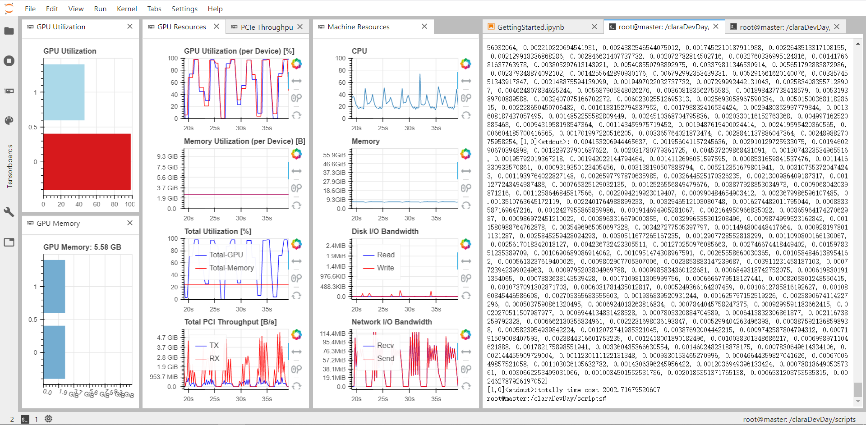
horovod docker 0.21 without NCCL

