Sheet1
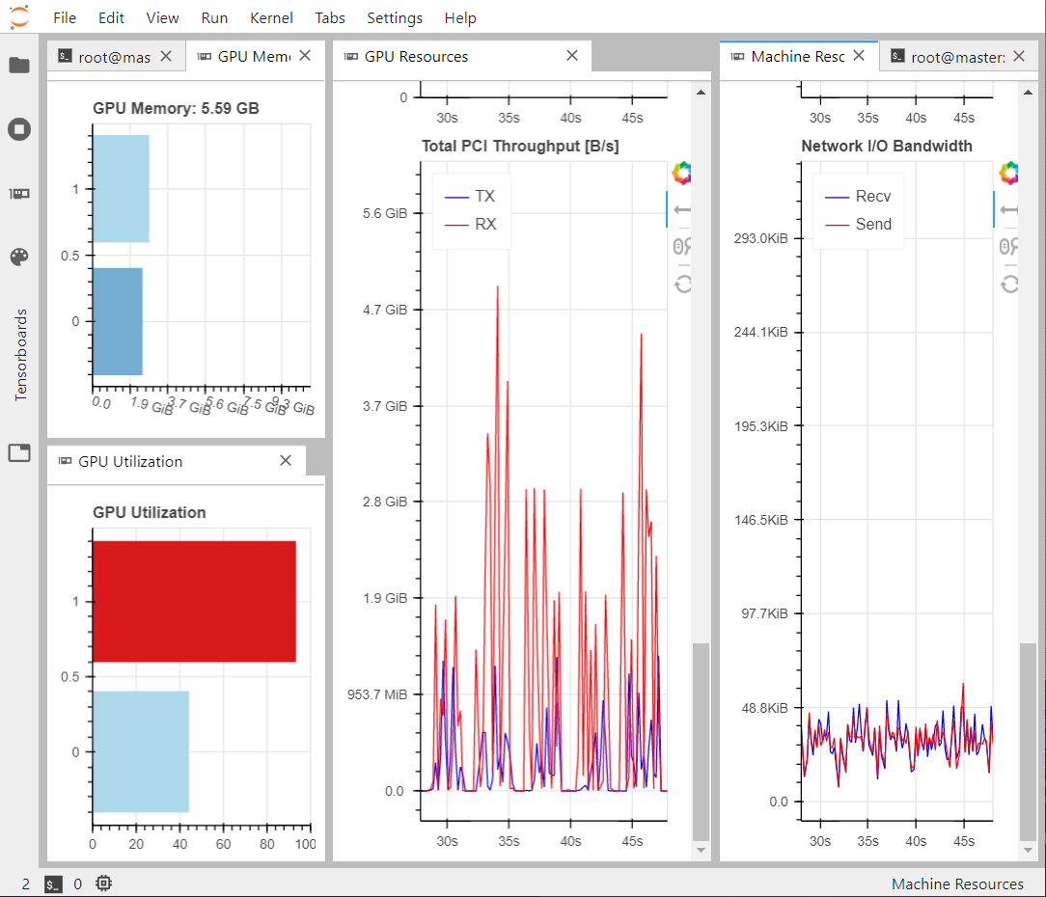
byteps

 | #GPU210 | #GPU191 | time | losses
2021-04-22 | 2 | 0 | 1984.3850574 | 0.50525562167 | 0.41492019594 | 0.42405605316 | 0.41372488737 | 0.37760298252 | 0.37892041504 | 0.35495421886 | 0.32627846003 | 0.34098752141 | 0.32941204906 | 0.31299583316 | 0.30248899758 | 0.30645545274 | 0.26500982195 | 0.28283642083 | 0.22583891153 | 0.25171192139 | 0.2417068392 | 0.23859005794 | 0.18073853776 | 0.19053841531 | 0.15323856026 | 0.15109916553 | 0.1138508223 | 0.1288538225 | 0.11852658391 | 0.1207159929 | 0.1257270284 | 0.11199149862 | 0.11180089787 | 0.065059282631 | 0.078702000529 | 0.064784868807 | 0.051614794135 | 0.06538021341 | 0.061560835689 | 0.059378819913 | 0.065841832012 | 0.065122038126 | 0.060795968771 | 0.054700056463 | 0.037557064742 | 0.035470843315 | 0.059038247168 | 0.034961275011 | 0.039370782673 | 0.028508286923 | 0.035767056048 | 0.029305619746 | 0.024495133758 | 0.031291145831 | 0.031142817438 | 0.022582004219 | 0.02601994127 | 0.017987251282 | 0.030386923999 | 0.01620779708 | 0.019884669781 | 0.013092789054 | 0.021260151267 | 0.01609807536 | 0.023904189467 | 0.022784888744 | 0.015209171921 | 0.01631199047 | 0.018233522028 | 0.022354739904 | 0.026129883528 | 0.016501994431 | 0.014108686894 | 0.018391278386 | 0.020015180111 | 0.018533117324 | 0.017314254493 | 0.0089926339686 | 0.011345270276 | 0.009501722455 | 0.011956480891 | 0.016110537946 | 0.013790541887 | 0.01093762517 | 0.0079378575087 | 0.010891462117 | 0.011183972657 | 0.014030893147 | 0.012436734885 | 0.012871620804 | 0.0095424361527 | 0.010738991201 | 0.0076086357236 | 0.0077945493162 | 0.014747692645 | 0.0074085518718 | 0.010700771213 | 0.010288766772 | 0.0079038925469 | 0.010382760316 | 0.0075116068125 | 0.0078854635358 | 0.010780520737 | 0.0071254782379 | 0.010049344599 | 0.0087590180337 | 0.0052632078528 | 0.0067390777171 | 0.0052279703319 | 0.0056543081999 | 0.0036909423769 | 0.0086022861302 | 0.0086952775717 | 0.0048381902277 | 0.0053676903248 | 0.0072195157409 | 0.0043955676258 | 0.0037908874452 | 0.0052213825285 | 0.0080009132624 | 0.0029029548168 | 0.0074894592166 | 0.0052335113287 | 0.0073228240013 | 0.0058857478201 | 0.0073068954051 | 0.003891287744 | 0.0030607461929 | 0.0047199748456 | 0.0042761385441 | 0.0041279017925 | 0.0071921519935 | 0.0033288739622 | 0.003858473897 | 0.0041368529201 | 0.0066479504108 | 0.0041842781007 | 0.0056118458509 | 0.0041991338134 | 0.005984865129 | 0.0058264300227 | 0.0034041807055 | 0.0029864050448 | 0.0059491060674 | 0.0035671919584 | 0.0024288207293 | 0.0044641420245 | 0.0041324406862 | 0.0039469853044 | 0.0034718170762 | 0.0026544518769 | 0.0024908818305 | 0.0022711709142 | 0.0049179859459 | 0.0034643575549 | 0.0024055838585 | 0.0021734170616 | 0.0045477047563 | 0.0021034173667 | 0.0019654691219 | 0.0014892466366 | 0.0019370950758 | 0.0044963426888 | 0.0023853465915 | 0.0019048348069 | 0.0022957451642 | 0.0024289362133 | 0.0048441193998 | 0.004446336627 | 0.0020347334445 | 0.0021429814398 | 0.0026515901089 | 0.0026751920581 | 0.0017257623374 | 0.0036502458155 | 0.0016230799258 | 0.002292586863 | 0.0014648027718 | 0.0024618908763 | 0.0016367651522 | 0.002488758415 | 0.0021026812494 | 0.0034202449024 | 0.0020624950528 | 0.0034714348614 | 0.003414607048 | 0.0034336455166 | 0.0022157423198 | 0.0032283358276 | 0.001754206419 | 0.0036686606705 | 0.0021885342896 | 0.0016698516905 | 0.0014582768083 | 0.002874481678 | 0.0033156223595 | 0.0010522939265 | 0.0011159464717 | 0.0024660125375 | 0.0023125514388 | 0.0013321876526 | 0.0017784997821 | 0.00095148310065 | 0.0014937184751 | 0.0023150004447 | 0.0011600829661 | 0.0013555578887 | 0.0017345912755 | 0.0012228913605 | 0.0026027217507 | 0.0021045967937 | 0.0010002337396 | 0.0022260546684 | 0.0012859076262 | 0.0010579198599 | 0.00087773948908 | 0.0020257495344 | 0.00080581381917 | 0.0013228498399 | 0.0017778389156 | 0.0023919589818 | 0.0013908870518 | 0.0019071266055 | 0.0017636604607 | 0.00082161873579 | 0.0018947422504 | 0.00095444396138 | 0.0018804177642 | 0.0010318189859 | 0.0015001997352 | 0.00086424797773 | 0.0017635501921 | 0.0017691135406 | 0.0021290570498 | 0.00094889998436 | 0.0014156907797 | 0.0010506331921 | 0.001442181319 | 0.0012332573533 | 0.00079020559788 | 0.00099175721407 | 0.0025668479502 | 0.0028097748756 | 0.00098712518811 | 0.0011753372848 | 0.0015905112028 | 0.0014705814421 | 0.00070660635829 | 0.0018062643707 | 0.00096603631973 | 0.00070704519749 | 0.0014573775232 | 0.0014364168048 | 0.00068922415376 | 0.0010415069759
 | 0 | 2 | 2408.545119 | 0.5305886656 | 0.42867693305 | 0.42450303733 | 0.39924288988 | 0.37492895722 | 0.36965163648 | 0.35326605141 | 0.31284869313 | 0.32787364721 | 0.32110644579 | 0.3014447242 | 0.30062303394 | 0.30587695539 | 0.26211183965 | 0.26932528317 | 0.22404106408 | 0.26845206767 | 0.24575012922 | 0.24089078903 | 0.19180776924 | 0.20147949159 | 0.17543484494 | 0.17121499404 | 0.13060694635 | 0.14971519709 | 0.14423299581 | 0.14014080465 | 0.13880195022 | 0.13723762929 | 0.12669585571 | 0.083197744936 | 0.085611277074 | 0.079979026318 | 0.065623852611 | 0.081954695284 | 0.078719205409 | 0.072327267379 | 0.07376383692 | 0.079162462801 | 0.072950614244 | 0.062007141858 | 0.04548869133 | 0.041799158603 | 0.067629496753 | 0.04568592608 | 0.044845893234 | 0.036683211476 | 0.044989968836 | 0.035033265501 | 0.030488736928 | 0.036250544339 | 0.033737282455 | 0.029162125289 | 0.031903171539 | 0.022536253929 | 0.033887901902 | 0.022651907057 | 0.026784842461 | 0.015504936874 | 0.026882194728 | 0.018956450373 | 0.029547421634 | 0.023916409165 | 0.019706247002 | 0.0194038257 | 0.022795850039 | 0.028310856223 | 0.02588397041 | 0.019563162327 | 0.018205668777 | 0.018312575668 | 0.021252916753 | 0.020284603536 | 0.018220463395 | 0.011842256784 | 0.014029643685 | 0.012208016962 | 0.013906101882 | 0.017621952295 | 0.019839817286 | 0.011671255529 | 0.010055851191 | 0.012425438315 | 0.012554810941 | 0.016809151322 | 0.014353224635 | 0.013832259178 | 0.012964446843 | 0.011020064354 | 0.0089474335313 | 0.0087577365339 | 0.015795280039 | 0.0087450586259 | 0.011689648032 | 0.012129898369 | 0.0092098467052 | 0.010737113655 | 0.0090443484485 | 0.010887487978 | 0.011304650456 | 0.0086373843253 | 0.011486790329 | 0.010530970246 | 0.0062866985798 | 0.0082015737891 | 0.0065464012325 | 0.0064662456512 | 0.0039595417678 | 0.0082095623016 | 0.0073909215629 | 0.0065813951194 | 0.0063923232257 | 0.0069294206798 | 0.0047680817544 | 0.0046122558415 | 0.0066710397601 | 0.010178205371 | 0.0036664970219 | 0.0089440815151 | 0.0060184888542 | 0.0074909627438 | 0.0058618202806 | 0.0067395314574 | 0.0043605297804 | 0.0039990089834 | 0.0044284760952 | 0.0050172843039 | 0.0054665692151 | 0.0068752318621 | 0.0042703442276 | 0.0047281630337 | 0.0045682065189 | 0.0064338162541 | 0.0047712020576 | 0.0046888679266 | 0.0041492968798 | 0.0057890824974 | 0.0074086122215 | 0.0042235888541 | 0.0031933791935 | 0.006131144613 | 0.003885730356 | 0.0027688257396 | 0.0053225517273 | 0.0038672119379 | 0.0051617018878 | 0.0039268784225 | 0.0031118482351 | 0.0027525775135 | 0.0023897476494 | 0.0050661385059 | 0.0039976380765 | 0.0025727324188 | 0.002371031791 | 0.0048462629318 | 0.0022872522473 | 0.0022485822439 | 0.0017399087548 | 0.0023173138499 | 0.0041057065129 | 0.0027417831123 | 0.0023939497769 | 0.0028727658093 | 0.0028847649693 | 0.0043099313974 | 0.004560547322 | 0.0024148970842 | 0.002620280534 | 0.0033495992422 | 0.0026869416237 | 0.0018890298903 | 0.0048751540482 | 0.001739154011 | 0.0027380473912 | 0.0018024578691 | 0.0031756624579 | 0.0019457392395 | 0.0022640630603 | 0.0020024456084 | 0.0039515472949 | 0.0023376725614 | 0.0028430350125 | 0.0040098123252 | 0.0035429015756 | 0.0022714219987 | 0.0030106574297 | 0.0018557600677 | 0.0030714467168 | 0.0019690126181 | 0.0021359547973 | 0.0017286621034 | 0.0039832107723 | 0.0029521822929 | 0.0012929722667 | 0.0013556547463 | 0.0035576947033 | 0.0029393486679 | 0.0013920560479 | 0.0018885083497 | 0.0011979915202 | 0.0016929827631 | 0.0032658673823 | 0.0013204433024 | 0.0017520830035 | 0.001851297915 | 0.00141672194 | 0.0025326237082 | 0.0028039246798 | 0.0011482290924 | 0.0030142754316 | 0.0014187037945 | 0.0012509062886 | 0.0011163331568 | 0.0027619324625 | 0.00089767351747 | 0.0013994626701 | 0.0022438257933 | 0.0025599837303 | 0.0014462217689 | 0.0019907489419 | 0.0029391743243 | 0.00092054605484 | 0.0024018190801 | 0.0012627743185 | 0.0020270213485 | 0.0012763425708 | 0.0013027660549 | 0.00093018785119 | 0.0019902966917 | 0.0016653850675 | 0.001480422169 | 0.0010706208646 | 0.001548281312 | 0.0011640615761 | 0.0013040550053 | 0.0012384355068 | 0.00087322518229 | 0.0011770479381 | 0.0017423890531 | 0.0023404121399 | 0.0011621251702 | 0.0011373572052 | 0.0014630444348 | 0.002248595655 | 0.00075107216835 | 0.001200696826 | 0.00095152854919 | 0.0006994150579 | 0.0020103543997 | 0.0018542744219 | 0.00089927539229 | 0.0010934859514
 |  |  | 2409.4350045 | 0.52524477243 | 0.44431061447 | 0.44904979765 | 0.42091040611 | 0.40236637294 | 0.39695489109 | 0.37960341573 | 0.34378640354 | 0.35169871449 | 0.35132993758 | 0.32862517536 | 0.32961707711 | 0.33266236186 | 0.28666943461 | 0.30136429071 | 0.25299327821 | 0.28685173243 | 0.27096808851 | 0.2679595679 | 0.2082391113 | 0.21631947756 | 0.18060508445 | 0.18240071908 | 0.13721277267 | 0.15598781407 | 0.14580684528 | 0.15052713007 | 0.13639554828 | 0.14057234302 | 0.13093283251 | 0.083021654934 | 0.090026918799 | 0.082668656111 | 0.06475668028 | 0.077720470726 | 0.074621991813 | 0.065520353615 | 0.069981617481 | 0.076316511631 | 0.074326386303 | 0.061755947769 | 0.043941376358 | 0.044850020856 | 0.065251881629 | 0.045346792042 | 0.047768554837 | 0.033037501574 | 0.04118116945 | 0.031558962166 | 0.028402525187 | 0.033271925896 | 0.031247300655 | 0.029884844273 | 0.027017305791 | 0.022383290529 | 0.031041289866 | 0.020008396357 | 0.025757655501 | 0.015189936757 | 0.024113932997 | 0.017416097969 | 0.030769182742 | 0.024945393205 | 0.020035583526 | 0.018515408039 | 0.021807993948 | 0.026175989956 | 0.024249901623 | 0.01898560077 | 0.015718360245 | 0.018829931319 | 0.022501120716 | 0.017336755246 | 0.01567408517 | 0.011496813595 | 0.013412985206 | 0.0099778108299 | 0.01126036346 | 0.017300980538 | 0.016495700926 | 0.01064042449 | 0.0097620546818 | 0.015156009048 | 0.01077536568 | 0.014167493582 | 0.013789319992 | 0.015304606408 | 0.010563234985 | 0.012796556205 | 0.0087732724845 | 0.0088670223951 | 0.01327041015 | 0.0079766377807 | 0.011674393713 | 0.01085845679 | 0.009427755326 | 0.010382995754 | 0.0082817330956 | 0.0086826145649 | 0.010955902934 | 0.0078320913017 | 0.010401497781 | 0.0090903952718 | 0.006143129617 | 0.0074632771313 | 0.0063052982092 | 0.0058587111533 | 0.0039637245238 | 0.010529930145 | 0.0082781471312 | 0.0060693867505 | 0.0055813319981 | 0.0084622040391 | 0.004754435271 | 0.0051794663072 | 0.0053086481988 | 0.0090852864087 | 0.0036257334054 | 0.0074453860521 | 0.0055246546865 | 0.007536379993 | 0.0059381484985 | 0.0071959465742 | 0.0046208806336 | 0.0038722880185 | 0.0049004048109 | 0.0046956896782 | 0.0047381468117 | 0.0077022500336 | 0.0039896517992 | 0.0041380226612 | 0.0042098462582 | 0.0082700572908 | 0.0045043036342 | 0.004857249558 | 0.0052534505725 | 0.0062692277133 | 0.0055746935308 | 0.0041339583695 | 0.0029596969485 | 0.0057175524533 | 0.0037721499801 | 0.0028432011604 | 0.0043482899666 | 0.0055932275951 | 0.0059485808015 | 0.003476805985 | 0.0029912702739 | 0.0028612747788 | 0.002274685353 | 0.0046343319118 | 0.0040002979338 | 0.0022851169109 | 0.0026957631111 | 0.0045221090317 | 0.0021098665893 | 0.0023764409125 | 0.0017383508384 | 0.0021763160825 | 0.0040252298117 | 0.0028975494206 | 0.0022695966065 | 0.0026267625391 | 0.0025995343924 | 0.003840713203 | 0.0038911834359 | 0.0019530288875 | 0.0022432394326 | 0.003498596698 | 0.0026496641338 | 0.0018439173698 | 0.0038802102208 | 0.0016186393797 | 0.0023145668209 | 0.001776009798 | 0.0026213146746 | 0.0018985822797 | 0.0022558882833 | 0.002117395401 | 0.0035715140402 | 0.0020703993738 | 0.0037934027612 | 0.0029275268316 | 0.0036062642932 | 0.0023102723062 | 0.0036721378565 | 0.001916655153 | 0.0028263002634 | 0.0024843260646 | 0.0019483745098 | 0.0015738353133 | 0.0024635538459 | 0.0028094306588 | 0.0010878883302 | 0.0012652307749 | 0.0040667876601 | 0.0028344087303 | 0.0014201007783 | 0.0025143831968 | 0.0011041045189 | 0.0015682153404 | 0.002927120775 | 0.0012106202543 | 0.0015210852027 | 0.0020813278854 | 0.0013084299862 | 0.002322486043 | 0.0026304192841 | 0.0010077901185 | 0.0031802050769 | 0.0015468709171 | 0.0011542715132 | 0.0010941594839 | 0.0025557301939 | 0.0010087788105 | 0.001526773721 | 0.0023796789348 | 0.002527807653 | 0.0014531716704 | 0.0018674649298 | 0.0022554755211 | 0.00086385458708 | 0.0018752448261 | 0.0010703392327 | 0.0016249723732 | 0.0011426195502 | 0.0014968298376 | 0.00089604109526 | 0.0020715028048 | 0.0025384701788 | 0.0019093722105 | 0.0015738159418 | 0.001817587018 | 0.0012674175203 | 0.0013298086822 | 0.0015737570822 | 0.00084796324372 | 0.0010965839028 | 0.0018001206219 | 0.0019968979061 | 0.0010590754449 | 0.001154910773 | 0.0016450792551 | 0.0027389638126 | 0.0006876014173 | 0.0013975419104 | 0.0011775523424 | 0.00067122504115 | 0.001501160115 | 0.0017920419574 | 0.00077676475048 | 0.00096780136228

