Figure 1 and 4.1
Figure 1 Highest priorities for further adaptation in the next two years
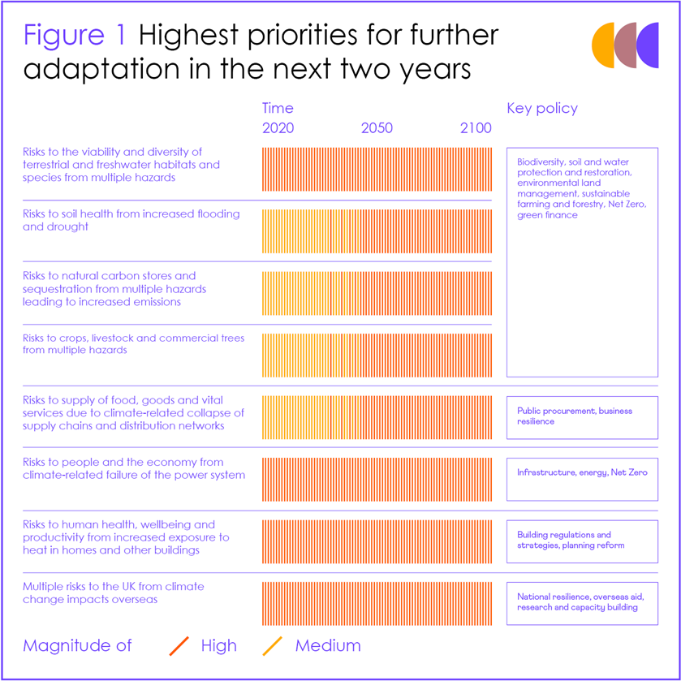
Source: CCC Notes: Figure shows the changing magnitude over time of the risk areas that require the most urgent action in the next two years. Change in magnitude is shown up to 2100 for the highest scenario assessed in the Technical Report for the relevant risks for that theme. Details are set out in an accompanying Annex to this report.

Figure 2
Figure 2 Ten principles for good adaptation
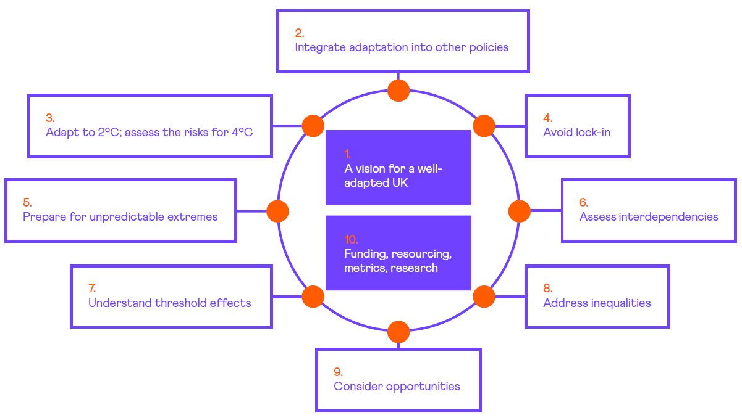
Source: CCC

Figure 3 and 1.1
Figure 1.1 Global average surface temperature relative to preindustrial levels
 | Berkley | NOAA | GISS | ERA | Cowtan & Way | HadCRUT5 | Human-induced warming
1850 | -0.13166666667 |  |  |  | -0.042411764706 | -0.06998334549 | -0.030624838735
1851 | -0.014666666667 |  |  |  | 0.12358823529 | 0.12143165451 | -0.029350830446
1852 | -0.0086666666667 |  |  |  | 0.085588235294 | 0.11808365451 | -0.027839312101
1853 | -0.039666666667 |  |  |  | 0.025588235294 | 0.08834165451 | -0.026327062144
1854 | 0.014333333333 |  |  |  | 0.086588235294 | 0.07362465451 | -0.025612156693
1855 | 0.033333333333 |  |  |  | 0.087588235294 | 0.07501265451 | -0.025384795603
1856 | -0.088666666667 |  |  |  | -0.040411764706 | 0.04390665451 | -0.025195296467
1857 | -0.22866666667 |  |  |  | -0.13841176471 | -0.10212434549 | -0.024989042095
1858 | -0.074666666667 |  |  |  | -0.074411764706 | -0.02753134549 | -0.024299755104
1859 | -0.0056666666667 |  |  |  | -0.012411764706 | 0.08235765451 | -0.023860228044
1860 | -0.088666666667 |  |  |  | -0.11141176471 | -0.02094434549 | -0.024331909756
1861 | -0.19166666667 |  |  |  | -0.14141176471 | -0.05366034549 | -0.025054455354
1862 | -0.28266666667 |  |  |  | -0.23841176471 | -0.16549534549 | -0.025609914258
1863 | -0.056666666667 |  |  |  | -0.043411764706 | 0.02752065451 | -0.025994574653
1864 | -0.084666666667 |  |  |  | -0.13141176471 | -0.09466234549 | -0.025799003786
1865 | 0.029333333333 |  |  |  | 0.0035882352941 | 0.04190465451 | -0.025252908952
1866 | 0.094333333333 |  |  |  | 0.036588235294 | 0.02121065451 | -0.024714601314
1867 | 0.11733333333 |  |  |  | -0.016411764706 | 0.0071556545098 | -0.023761222971
1868 | 0.097333333333 |  |  |  | 0.067588235294 | 0.02142665451 | -0.022588259762
1869 | 0.10633333333 |  |  |  | 0.039588235294 | 0.05905265451 | -0.021142113423
1870 | 0.011333333333 |  |  |  | 0.0035882352941 | 0.03573565451 | -0.019140332701
1871 | -0.0096666666667 |  |  |  | -0.014411764706 | -0.0024263454902 | -0.017156083102
1872 | 0.022333333333 |  |  |  | 0.029588235294 | 0.03502565451 | -0.015512982025
1873 | 0.054333333333 |  |  |  | 0.047588235294 | 0.01940565451 | -0.013225389532
1874 | -0.0036666666667 |  |  |  | -0.039411764706 | -0.01127934549 | -0.010562393424
1875 | -0.053666666667 |  |  |  | -0.030411764706 | -0.02953634549 | -0.0079397057389
1876 | -0.052666666667 |  |  |  | -0.041411764706 | -0.06370034549 | -0.0050303265597
1877 | 0.32733333333 |  |  |  | 0.26258823529 | 0.25539827451 | -0.0027417473843
1878 | 0.43333333333 |  |  |  | 0.35058823529 | 0.35345665451 | -0.00079720287815
1879 | 0.082333333333 |  |  |  | 0.086588235294 | 0.05051165451 | 0.0011891883803
1880 | 0.022333333333 | 0.12562569951 | 0.23374584951 |  | 0.058588235294 | 0.03921765451 | 0.0027965114272
1881 | 0.12733333333 | 0.15862469951 | 0.29860954951 |  | 0.11958823529 | 0.11855365451 | 0.0041145616036
1882 | 0.064333333333 | 0.14600869951 | 0.30152584951 |  | 0.060588235294 | 0.05264965451 | 0.0056098321364
1883 | 0.017333333333 | 0.06217769951 | 0.21150354951 |  | 0.0055882352941 | 0.0006336545098 | 0.0068270921365
1884 | -0.14966666667 | -0.02436630049 | 0.12319554951 |  | -0.15441176471 | -0.14814734549 | 0.0083603399737
1885 | -0.11366666667 | -0.01821830049 | 0.07696754951 |  | -0.13741176471 | -0.12477534549 | 0.010473271689
1886 | -0.14966666667 | -0.0061963004902 | 0.08832454951 |  | -0.10641176471 | -0.07545234549 | 0.012703724534
1887 | -0.17166666667 | -0.04847330049 | 0.05487854951 |  | -0.14641176471 | -0.15215034549 | 0.01623941374
1888 | 0.039333333333 | 0.10495869951 | 0.22107454951 |  | 0.0055882352941 | -0.03057134549 | 0.020757175031
1889 | 0.15733333333 | 0.15557869951 | 0.26913454951 |  | 0.13958823529 | 0.09888865451 | 0.024879641793
1890 | -0.13766666667 | -0.10008130049 | 0.02196254951 |  | -0.11041176471 | -0.16029334549 | 0.028653327983
1891 | -0.031666666667 | -0.0051053004902 | 0.15336454951 |  | -0.019411764706 | -0.05451534549 | 0.032103690843
1892 | -0.083666666667 | -0.06002330049 | 0.09669954951 |  | -0.12441176471 | -0.16803234549 | 0.03532539136
1893 | -0.062666666667 | -0.07851430049 | 0.03217554951 |  | -0.093411764706 | -0.15217234549 | 0.038758980243
1894 | -0.045666666667 | -0.06206430049 | 0.05706154951 |  | -0.065411764706 | -0.13489934549 | 0.041955749258
1895 | 0.018333333333 | 0.01290669951 | 0.13591354951 |  | -0.030411764706 | -0.10252534549 | 0.04455798247
1896 | 0.11533333333 | 0.15753069951 | 0.27747374951 |  | 0.13558823529 | 0.06185465451 | 0.04708147388
1897 | 0.13833333333 | 0.15106969951 | 0.24126824951 |  | 0.12958823529 | 0.08511065451 | 0.04958913427
1898 | -0.076666666667 | -0.02457830049 | 0.08009654951 |  | -0.098411764706 | -0.14115534549 | 0.052491979828
1899 | 0.10333333333 | 0.08610069951 | 0.13504354951 |  | 0.047588235294 | -0.01232734549 | 0.056155586772
...
Source: CCC analysis Notes: Each thin line represents a different global temperature dataset. The NOAA, GISS and ERA datasets are expressed relative to 1850 - 1900 using the offset over the 1961-1990 period from the HadCRUT5 dataset. Human-induced warming is taken from globalwarmingindex.org.

 |  | 1850 | 1851 | 1852 | 1853 | 1854 | 1855 | 1856 | 1857 | 1858 | 1859 | 1860 | 1861 | 1862 | 1863 | 1864 | 1865 | 1866 | 1867 | 1868 | 1869 | 1870 | 1871 | 1872 | 1873 | 1874 | 1875 | 1876 | 1877 | 1878 | 1879 | 1880 | 1881 | 1882 | 1883 | 1884 | 1885 | 1886 | 1887 | 1888 | 1889 | 1890 | 1891 | 1892 | 1893 | 1894 | 1895 | 1896 | 1897 | 1898 | 1899 | 1900 | 1901 | 1902 | 1903 | 1904 | 1905 | 1906 | 1907 | 1908 | 1909 | 1910 | 1911 | 1912 | 1913 | 1914 | 1915 | 1916 | 1917 | 1918 | 1919 | 1920 | 1921 | 1922 | 1923 | 1924 | 1925 | 1926 | 1927 | 1928 | 1929 | 1930 | 1931 | 1932 | 1933 | 1934 | 1935 | 1936 | 1937 | 1938 | 1939 | 1940 | 1941 | 1942 | 1943 | 1944 | 1945 | 1946 | 1947 | 1948 | 1949 | 1950 | 1951 | 1952 | 1953 | 1954 | 1955 | 1956 | 1957 | 1958 | 1959 | 1960 | 1961 | 1962 | 1963 | 1964 | 1965 | 1966 | 1967 | 1968 | 1969 | 1970 | 1971 | 1972 | 1973 | 1974 | 1975 | 1976 | 1977 | 1978 | 1979 | 1980 | 1981 | 1982 | 1983 | 1984 | 1985 | 1986 | 1987 | 1988 | 1989 | 1990 | 1991 | 1992 | 1993 | 1994 | 1995 | 1996 | 1997 | 1998 | 1999 | 2000 | 2001 | 2002 | 2003 | 2004 | 2005 | 2006 | 2007 | 2008 | 2009 | 2010 | 2011 | 2012 | 2013 | 2014 | 2015 | 2016 | 2017 | 2018 | 2019 | 2020
 | Berkley | -0.13166666667 | -0.014666666667 | -0.0086666666667 | -0.039666666667 | 0.014333333333 | 0.033333333333 | -0.088666666667 | -0.22866666667 | -0.074666666667 | -0.0056666666667 | -0.088666666667 | -0.19166666667 | -0.28266666667 | -0.056666666667 | -0.084666666667 | 0.029333333333 | 0.094333333333 | 0.11733333333 | 0.097333333333 | 0.10633333333 | 0.011333333333 | -0.0096666666667 | 0.022333333333 | 0.054333333333 | -0.0036666666667 | -0.053666666667 | -0.052666666667 | 0.32733333333 | 0.43333333333 | 0.082333333333 | 0.022333333333 | 0.12733333333 | 0.064333333333 | 0.017333333333 | -0.14966666667 | -0.11366666667 | -0.14966666667 | -0.17166666667 | 0.039333333333 | 0.15733333333 | -0.13766666667 | -0.031666666667 | -0.083666666667 | -0.062666666667 | -0.045666666667 | 0.018333333333 | 0.11533333333 | 0.13833333333 | -0.076666666667 | 0.10333333333 | 0.21233333333 | 0.13233333333 | -0.010666666667 | -0.11066666667 | -0.15466666667 | 0.0063333333333 | 0.079333333333 | -0.088666666667 | -0.11466666667 | -0.17766666667 | -0.14666666667 | -0.16766666667 | -0.10366666667 | -0.062666666667 | 0.11333333333 | 0.17033333333 | -0.072666666667 | -0.18366666667 | -0.035666666667 | 0.045333333333 | 0.063333333333 | 0.13933333333 | 0.045333333333 | 0.062333333333 | 0.072333333333 | 0.10933333333 | 0.25333333333 | 0.13133333333 | 0.15333333333 | -0.042666666667 | 0.19133333333 | 0.24933333333 | 0.20833333333 | 0.022333333333 | 0.15833333333 | 0.11233333333 | 0.16733333333 | 0.34033333333 | 0.34133333333 | 0.31633333333 | 0.41433333333 | 0.37733333333 | 0.33533333333 | 0.37533333333 | 0.47133333333 | 0.34333333333 | 0.27133333333 | 0.36933333333 | 0.26233333333 | 0.22433333333 | 0.15633333333 | 0.32833333333 | 0.40133333333 | 0.46333333333 | 0.26733333333 | 0.21733333333 | 0.14533333333 | 0.37733333333 | 0.38833333333 | 0.36833333333 | 0.31433333333 | 0.39933333333 | 0.34933333333 | 0.39033333333 | 0.11833333333 | 0.22233333333 | 0.29333333333 | 0.33633333333 | 0.27133333333 | 0.41833333333 | 0.35733333333 | 0.23233333333 | 0.32033333333 | 0.44833333333 | 0.22433333333 | 0.28433333333 | 0.17833333333 | 0.47933333333 | 0.35133333333 | 0.43633333333 | 0.55933333333 | 0.60233333333 | 0.39033333333 | 0.58033333333 | 0.41433333333 | 0.40433333333 | 0.45633333333 | 0.59233333333 | 0.63433333333 | 0.51733333333 | 0.71133333333 | 0.69133333333 | 0.50533333333 | 0.53833333333 | 0.59433333333 | 0.74033333333 | 0.64333333333 | 0.77733333333 | 0.93433333333 | 0.69933333333 | 0.71133333333 | 0.84833333333 | 0.93533333333 | 0.91433333333 | 0.82233333333 | 1.0013333333 | 0.95033333333 | 0.95533333333 | 0.82333333333 | 0.95533333333 | 1.0273333333 | 0.90933333333 | 0.91933333333 | 0.94633333333 | 1.0133333333 | 1.1543333333 | 1.2923333333 | 1.1783333333 | 1.1123333333 | 1.2463333333 | 1.2703333333
 | NOAA |  |  |  |  |  |  |  |  |  |  |  |  |  |  |  |  |  |  |  |  |  |  |  |  |  |  |  |  |  |  | 0.12562569951 | 0.15862469951 | 0.14600869951 | 0.06217769951 | -0.02436630049 | -0.01821830049 | -0.0061963004902 | -0.04847330049 | 0.10495869951 | 0.15557869951 | -0.10008130049 | -0.0051053004902 | -0.06002330049 | -0.07851430049 | -0.06206430049 | 0.01290669951 | 0.15753069951 | 0.15106969951 | -0.02457830049 | 0.08610069951 | 0.17126069951 | 0.09075569951 | -0.0096093004902 | -0.12786130049 | -0.21243330049 | -0.03431730049 | 0.03247869951 | -0.14510930049 | -0.19443030049 | -0.20688530049 | -0.16654630049 | -0.20620330049 | -0.10154330049 | -0.08531230049 | 0.09268169951 | 0.13671569951 | -0.09426330049 | -0.17119630049 | -0.08217630049 | -0.02328730049 | -0.0062213004902 | 0.06734769951 | -0.01262130049 | -0.02041230049 | -0.01292430049 | 0.04994769951 | 0.15537569951 | 0.05636669951 | 0.04724369951 | -0.10104830049 | 0.11307769951 | 0.16108169951 | 0.09475769951 | -0.03599530049 | 0.11031169951 | 0.06578769951 | 0.10489469951 | 0.21147499951 | 0.20310829951 | 0.22585519951 | 0.37018229951 | 0.48341169951 | 0.31646899951 | 0.31282479951 | 0.48145169951 | 0.37478289951 | 0.20532179951 | 0.18153869951 | 0.16666769951 | 0.14387469951 | 0.06517569951 | 0.21857059951 | 0.26139719951 | 0.34685639951 | 0.11841469951 | 0.08819369951 | 0.03403069951 | 0.28828682951 | 0.34071219951 | 0.29646051951 | 0.26418169951 | 0.31092949951 | 0.32116329951 | 0.33393659951 | 0.07415769951 | 0.14562369951 | 0.20648729951 | 0.21539249951 | 0.19025569951 | 0.32487479951 | 0.27580179951 | 0.15177669951 | 0.25507939951 | 0.41221869951 | 0.15579369951 | 0.23092989951 | 0.14973769951 | 0.42994169951 | 0.33479979951 | 0.44691369951 | 0.49956669951 | 0.54312769951 | 0.41284069951 | 0.57916569951 | 0.38723909951 | 0.37651739951 | 0.45566369951 | 0.60380469951 | 0.61315569951 | 0.51395369951 | 0.66770569951 | 0.60992169951 | 0.45681669951 | 0.50168769951 | 0.56480469951 | 0.68774769951 | 0.54310269951 | 0.73267369951 | 0.86871269951 | 0.65792969951 | 0.64266869951 | 0.78879469951 | 0.83973269951 | 0.85802869951 | 0.80255869951 | 0.88772369951 | 0.85501369951 | 0.83643869951 | 0.76125869951 | 0.86196069951 | 0.94121169951 | 0.79247769951 | 0.85345869951 | 0.89305369951 | 0.95989869951 | 1.1477916995 | 1.2119856995 | 1.1269416995 | 1.0455426995 | 1.1686486995 | 1.2003856995
 | GISS |  |  |  |  |  |  |  |  |  |  |  |  |  |  |  |  |  |  |  |  |  |  |  |  |  |  |  |  |  |  | 0.23374584951 | 0.29860954951 | 0.30152584951 | 0.21150354951 | 0.12319554951 | 0.07696754951 | 0.08832454951 | 0.05487854951 | 0.22107454951 | 0.26913454951 | 0.02196254951 | 0.15336454951 | 0.09669954951 | 0.03217554951 | 0.05706154951 | 0.13591354951 | 0.27747374951 | 0.24126824951 | 0.08009654951 | 0.13504354951 | 0.24172424951 | 0.15588554951 | 0.03187254951 | -0.07789045049 | -0.17408745049 | 0.04181654951 | 0.08502754951 | -0.04916345049 | -0.14968945049 | -0.18867145049 | -0.12861245049 | -0.13716645049 | -0.03580645049 | -0.03913145049 | 0.13642254951 | 0.17772054951 | -0.03600745049 | -0.12819745049 | 0.06253954951 | 0.02583854951 | 0.05516754951 | 0.13038954951 | 0.02584354951 | 0.04341454951 | 0.01592454951 | 0.09037454951 | 0.17469954951 | 0.08022954951 | 0.06650654951 | -0.06136345049 | 0.14292954951 | 0.18116154951 | 0.11184154951 | -0.0059184504902 | 0.15657754951 | 0.09435254951 | 0.13389154951 | 0.24451024951 | 0.25119254951 | 0.26316994951 | 0.39330704951 | 0.46945254951 | 0.33029031951 | 0.37034524951 | 0.51147754951 | 0.41222634951 | 0.19916954951 | 0.21403954951 | 0.18986654951 | 0.18685054951 | 0.10817754951 | 0.22512654951 | 0.28008974951 | 0.35645194951 | 0.13714754951 | 0.10077854951 | 0.04974754951 | 0.30139904951 | 0.33938646951 | 0.30202354951 | 0.26204134951 | 0.31854004951 | 0.31891144951 | 0.32874233951 | 0.07193754951 | 0.14687354951 | 0.19836454951 | 0.23125754951 | 0.18744154951 | 0.31677364951 | 0.27108304951 | 0.15929354951 | 0.25514434951 | 0.41105904951 | 0.15461654951 | 0.23620024951 | 0.15130854951 | 0.42957824951 | 0.31982564951 | 0.43833054951 | 0.50294054951 | 0.56859054951 | 0.41088304951 | 0.57264054951 | 0.39262734951 | 0.36341534951 | 0.44335954951 | 0.57940754951 | 0.62004454951 | 0.53213654951 | 0.69201454951 | 0.63528254951 | 0.46555454951 | 0.49786054951 | 0.57060954951 | 0.70000054951 | 0.54196454951 | 0.72109554951 | 0.84401954951 | 0.63679754951 | 0.63093554951 | 0.78254354951 | 0.84336454951 | 0.85237854951 | 0.80199454951 | 0.90666254951 | 0.86869354951 | 0.85535654951 | 0.77383954951 | 0.87779254951 | 0.94344254951 | 0.80734554951 | 0.86089254951 | 0.91069454951 | 0.97021954951 | 1.1608055495 | 1.2265045495 | 1.1527735495 | 1.0644895495 | 1.1892165495 | 1.2302435495
 | ERA |  |  |  |  |  |  |  |  |  |  |  |  |  |  |  |  |  |  |  |  |  |  |  |  |  |  |  |  |  |  |  |  |  |  |  |  |  |  |  |  |  |  |  |  |  |  |  |  |  |  |  |  |  |  |  |  |  |  |  |  |  |  |  |  |  |  |  |  |  |  |  |  |  |  |  |  |  |  |  |  |  |  |  |  |  |  |  |  |  |  |  |  |  |  |  |  |  |  |  |  |  |  |  |  |  |  |  |  |  |  |  |  |  |  |  |  |  |  |  |  |  |  |  |  |  |  |  |  |  | 0.43343692451 | 0.56261692451 | 0.60428592451 | 0.39032692451 | 0.58344692451 | 0.40013592451 | 0.35576692451 | 0.43312692451 | 0.56250692451 | 0.63080592451 | 0.50900692451 | 0.73251642451 | 0.67541612451 | 0.44355592451 | 0.48661592451 | 0.52380692451 | 0.70502682451 | 0.58659692451 | 0.66244592451 | 0.88559692451 | 0.62747692451 | 0.62077592451 | 0.76936642451 | 0.86212652451 | 0.85138622451 | 0.79592622451 | 0.94692592451 | 0.89736692451 | 0.89747592451 | 0.76073662451 | 0.89245592451 | 1.0000769245 | 0.84874642451 | 0.89350592451 | 0.93173592451 | 0.96801692451 | 1.1128159245 | 1.3151869245 | 1.2080859245 | 1.1322169245 | 1.2658669245 | 1.3245459245
 | Cowtan & Way | -0.042411764706 | 0.12358823529 | 0.085588235294 | 0.025588235294 | 0.086588235294 | 0.087588235294 | -0.040411764706 | -0.13841176471 | -0.074411764706 | -0.012411764706 | -0.11141176471 | -0.14141176471 | -0.23841176471 | -0.043411764706 | -0.13141176471 | 0.0035882352941 | 0.036588235294 | -0.016411764706 | 0.067588235294 | 0.039588235294 | 0.0035882352941 | -0.014411764706 | 0.029588235294 | 0.047588235294 | -0.039411764706 | -0.030411764706 | -0.041411764706 | 0.26258823529 | 0.35058823529 | 0.086588235294 | 0.058588235294 | 0.11958823529 | 0.060588235294 | 0.0055882352941 | -0.15441176471 | -0.13741176471 | -0.10641176471 | -0.14641176471 | 0.0055882352941 | 0.13958823529 | -0.11041176471 | -0.019411764706 | -0.12441176471 | -0.093411764706 | -0.065411764706 | -0.030411764706 | 0.13558823529 | 0.12958823529 | -0.098411764706 | 0.047588235294 | 0.16358823529 | 0.11758823529 | -0.031411764706 | -0.11041176471 | -0.16241176471 | 0.0025882352941 | 0.086588235294 | -0.076411764706 | -0.11441176471 | -0.16441176471 | -0.14441176471 | -0.16241176471 | -0.088411764706 | -0.055411764706 | 0.11958823529 | 0.18858823529 | -0.049411764706 | -0.14841176471 | -0.014411764706 | 0.046588235294 | 0.084588235294 | 0.14158823529 | 0.053588235294 | 0.073588235294 | 0.084588235294 | 0.11858823529 | 0.25858823529 | 0.15358823529 | 0.17858823529 | -0.0024117647059 | 0.21858823529 | 0.27858823529 | 0.22858823529 | 0.068588235294 | 0.20658823529 | 0.17358823529 | 0.21558823529 | 0.36658823529 | 0.36158823529 | 0.33658823529 | 0.41758823529 | 0.40458823529 | 0.35258823529 | 0.38558823529 | 0.49258823529 | 0.36458823529 | 0.28258823529 | 0.35158823529 | 0.27858823529 | 0.23458823529 | 0.14958823529 | 0.31958823529 | 0.39358823529 | 0.45758823529 | 0.25558823529 | 0.18758823529 | 0.13158823529 | 0.35758823529 | 0.37658823529 | 0.34758823529 | 0.29958823529 | 0.37458823529 | 0.34558823529 | 0.38358823529 | 0.10758823529 | 0.20558823529 | 0.27358823529 | 0.31058823529 | 0.25158823529 | 0.39158823529 | 0.33058823529 | 0.19258823529 | 0.27758823529 | 0.40458823529 | 0.16958823529 | 0.22558823529 | 0.11558823529 | 0.40658823529 | 0.29458823529 | 0.37858823529 | 0.48758823529 | 0.53358823529 | 0.33858823529 | 0.52458823529 | 0.35558823529 | 0.33958823529 | 0.38358823529 | 0.51658823529 | 0.56758823529 | 0.45658823529 | 0.64558823529 | 0.63158823529 | 0.44058823529 | 0.48258823529 | 0.55058823529 | 0.67758823529 | 0.57458823529 | 0.72458823529 | 0.87658823529 | 0.63258823529 | 0.64858823529 | 0.80058823529 | 0.86558823529 | 0.86558823529 | 0.78258823529 | 0.93158823529 | 0.88258823529 | 0.90858823529 | 0.77458823529 | 0.89858823529 | 0.97758823529 | 0.84058823529 | 0.86258823529 | 0.89658823529 | 0.96558823529 | 1.1055882353 | 1.2175882353 | 1.0815882353 | 1.0245882353 | 1.1615882353 | 1.1955882353
 | HadCRUT5 | -0.06998334549 | 0.12143165451 | 0.11808365451 | 0.08834165451 | 0.07362465451 | 0.07501265451 | 0.04390665451 | -0.10212434549 | -0.02753134549 | 0.08235765451 | -0.02094434549 | -0.05366034549 | -0.16549534549 | 0.02752065451 | -0.09466234549 | 0.04190465451 | 0.02121065451 | 0.0071556545098 | 0.02142665451 | 0.05905265451 | 0.03573565451 | -0.0024263454902 | 0.03502565451 | 0.01940565451 | -0.01127934549 | -0.02953634549 | -0.06370034549 | 0.25539827451 | 0.35345665451 | 0.05051165451 | 0.03921765451 | 0.11855365451 | 0.05264965451 | 0.0006336545098 | -0.14814734549 | -0.12477534549 | -0.07545234549 | -0.15215034549 | -0.03057134549 | 0.09888865451 | -0.16029334549 | -0.05451534549 | -0.16803234549 | -0.15217234549 | -0.13489934549 | -0.10252534549 | 0.06185465451 | 0.08511065451 | -0.14115534549 | -0.01232734549 | 0.11088965451 | 0.05039265451 | -0.10430834549 | -0.19502534549 | -0.25866434549 | -0.06846834549 | 0.02315465451 | -0.16880734549 | -0.17336934549 | -0.19644734549 | -0.19063234549 | -0.19440434549 | -0.14350134549 | -0.13314034549 | 0.07030665451 | 0.14448665451 | -0.09132334549 | -0.22038834549 | -0.10790634549 | -0.0050923454902 | 0.03220765451 | 0.09923565451 | -0.0024233454902 | 0.01937765451 | 0.03113565451 | 0.06092065451 | 0.21908875451 | 0.11245565451 | 0.13517065451 | -0.05702534549 | 0.16925905451 | 0.24152712451 | 0.19322295451 | 0.01187565451 | 0.16420755451 | 0.13357665451 | 0.16891645451 | 0.32227265451 | 0.33113595451 | 0.29973395451 | 0.40929165451 | 0.36916165451 | 0.33476185451 | 0.34833695451 | 0.47665765451 | 0.36890265451 | 0.22451795451 | 0.24899764651 | 0.21444045451 | 0.19040665451 | 0.10299365451 | 0.27868745451 | 0.34844075451 | 0.41702865451 | 0.21901865451 | 0.13577565451 | 0.05870065451 | 0.28568955451 | 0.30719485451 | 0.27647655451 | 0.20994575451 | 0.30071265451 | 0.25988085451 | 0.28644165451 | 0.01683465451 | 0.11800365451 | 0.17562355451 | 0.20716525451 | 0.15513755451 | 0.29039245451 | 0.23770805451 | 0.11749065451 | 0.22829775451 | 0.37360665451 | 0.14965625451 | 0.21287465451 | 0.10698465451 | 0.42744965451 | 0.32863685451 | 0.41497565451 | 0.51916165451 | 0.57355065451 | 0.35740565451 | 0.54711565451 | 0.37144065451 | 0.37285765451 | 0.41892165451 | 0.56621465451 | 0.60643065451 | 0.50386665451 | 0.68502165451 | 0.66244865451 | 0.44875365451 | 0.49037465451 | 0.55823865451 | 0.70168365451 | 0.60080565451 | 0.74669365451 | 0.90202865451 | 0.64938465451 | 0.65600265451 | 0.81484265451 | 0.86808865451 | 0.86883665451 | 0.79250065451 | 0.93218965451 | 0.89700065451 | 0.91606465451 | 0.79037365451 | 0.92066965451 | 1.0049736545 | 0.86158565451 | 0.90239365451 | 0.94771265451 | 0.99722765451 | 1.1497076545 | 1.2572846545 | 1.1694466545 | 1.0867746545 | 1.2157296545 | 1.2474986545
 | Human-induced warming | -0.030624838735 | -0.029350830446 | -0.027839312101 | -0.026327062144 | -0.025612156693 | -0.025384795603 | -0.025195296467 | -0.024989042095 | -0.024299755104 | -0.023860228044 | -0.024331909756 | -0.025054455354 | -0.025609914258 | -0.025994574653 | -0.025799003786 | -0.025252908952 | -0.024714601314 | -0.023761222971 | -0.022588259762 | -0.021142113423 | -0.019140332701 | -0.017156083102 | -0.015512982025 | -0.013225389532 | -0.010562393424 | -0.0079397057389 | -0.0050303265597 | -0.0027417473843 | -0.00079720287815 | 0.0011891883803 | 0.0027965114272 | 0.0041145616036 | 0.0056098321364 | 0.0068270921365 | 0.0083603399737 | 0.010473271689 | 0.012703724534 | 0.01623941374 | 0.020757175031 | 0.024879641793 | 0.028653327983 | 0.032103690843 | 0.03532539136 | 0.038758980243 | 0.041955749258 | 0.04455798247 | 0.04708147388 | 0.04958913427 | 0.052491979828 | 0.056155586772 | 0.059214395654 | 0.061267081299 | 0.062957745329 | 0.065244759087 | 0.068852309771 | 0.072329447106 | 0.07559173665 | 0.079556593913 | 0.083293035144 | 0.087537095476 | 0.091598790947 | 0.094453417012 | 0.098010789886 | 0.10192186374 | 0.10597736297 | 0.11102800994 | 0.11688906148 | 0.12264744868 | 0.12772881816 | 0.13309684469 | 0.13883622305 | 0.14440908729 | 0.14946226685 | 0.15359319441 | 0.15732698005 | 0.16090938978 | 0.16394763877 | 0.16683681715 | 0.17010083195 | 0.17406733961 | 0.17805289448 | 0.18165155032 | 0.18597878286 | 0.19045529802 | 0.19538404609 | 0.20082754596 | 0.20549978251 | 0.20924355909 | 0.21352920015 | 0.21811976841 | 0.22266335673 | 0.22714405473 | 0.23106442118 | 0.23532383713 | 0.23898162146 | 0.24202482434 | 0.24430519658 | 0.24612397099 | 0.2478942636 | 0.24933754226 | 0.25118315338 | 0.2532093753 | 0.25556295435 | 0.25798473877 | 0.26068093704 | 0.2630948397 | 0.26550947764 | 0.26850465479 | 0.27172808528 | 0.27547117765 | 0.28000188766 | 0.2837295768 | 0.28735696007 | 0.29082724041 | 0.29466324261 | 0.29912834043 | 0.30435093383 | 0.30999433028 | 0.31620810218 | 0.32291226431 | 0.33051644713 | 0.33865017631 | 0.34877214008 | 0.36040005841 | 0.37318968242 | 0.38767202866 | 0.40307229824 | 0.41939175978 | 0.43699531958 | 0.45543507616 | 0.47448790537 | 0.49432420539 | 0.51301013167 | 0.53051114178 | 0.54814529546 | 0.56580812939 | 0.58315883119 | 0.6007244061 | 0.61860171211 | 0.63651108526 | 0.65388740376 | 0.67054232881 | 0.68650600065 | 0.70202273357 | 0.71552692267 | 0.7284554787 | 0.7416567407 | 0.75522135076 | 0.76906387393 | 0.78330870887 | 0.79828936162 | 0.81314708006 | 0.82783408099 | 0.84364610653 | 0.85984651284 | 0.8771251785 | 0.89492116289 | 0.91299868738 | 0.93153756466 | 0.95040364352 | 0.96853560564 | 0.98713425008 | 1.0057911499 | 1.0259990897 | 1.0474422888 | 1.069560449 | 1.0929751395 | 1.118534195 | 1.1452457143 | 1.1730507384 | 1.201804066

Figure 4 and 3.6
Figure 3 Benefit-cost ratios of adaptation measures included in CCRA3
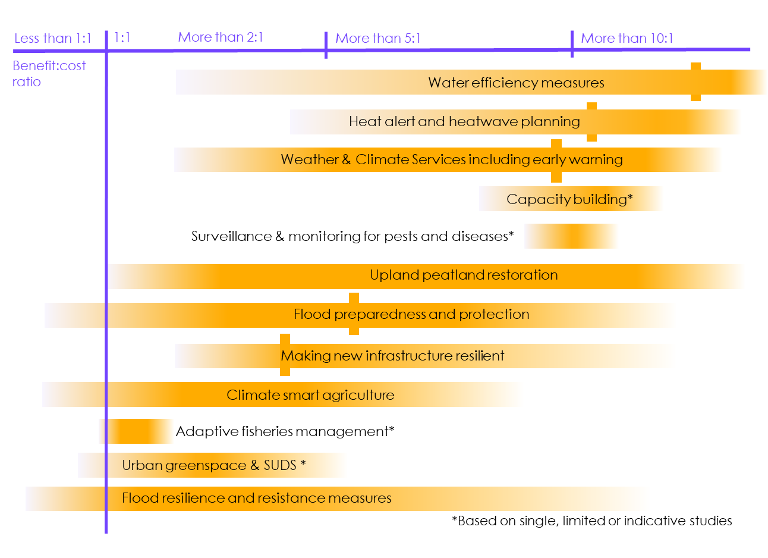
Source: Watkiss, P. and Brown, K.A (2021) Notes: Figure shows the indicative benefit-to-cost ratios and ranges for a number of adaptation measures. It is based on the evidence review undertaken in the CCRA3 Valuation study, which was co-funded by the EU’s Horizon 2020 RTD COACCH project (CO-designing the Assessment of Climate Change costs). Vertical bars show where an average BCR is available, either from multiple studies or reviews. It is stressed that BCRs of adaptation measures are highly site- and context-specific and there is future uncertainty about the scale of climate change: actual BCRs will depend on these factors.

Figure 5
Figure 5 Components of the CCRA3 Independent Assessment
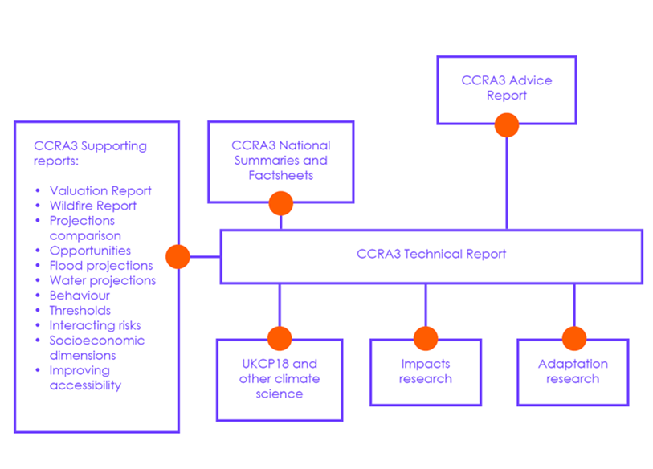
Source: CCC Notes: This schematic shows the various components of the CCRA3 Independent Assessment. The bulk of the risk assessment is set out in the Technical Report, with the assessment for each set of relevant risks and results by UK nation set out in the accompanying summaries. There are also a range of supporting reports that have been completed specifically to inform the Independent Assessment, and those are also available on the Climate Risk website.

Figure 1.2
Figure 1.2 Observed changes in aspects of UK climate

Source: CCC analysis
Source: CCC analysis; HadUK-Grid dataset, Kendon, M. et al. (2020) State of UK Climate 2019. International Journal of Climatology, 40 (S1), 1-69. Notes: Annual data is shown in all panels. The orange line is a moving 30-year triangular averaging window (reflecing at ends of timeseries) in all panels except for sea-level rise, where it is a linear trend over the entire data period.

 | Temperautre
 |  | 1884 | 1885 | 1886 | 1887 | 1888 | 1889 | 1890 | 1891 | 1892 | 1893 | 1894 | 1895 | 1896 | 1897 | 1898 | 1899 | 1900 | 1901 | 1902 | 1903 | 1904 | 1905 | 1906 | 1907 | 1908 | 1909 | 1910 | 1911 | 1912 | 1913 | 1914 | 1915 | 1916 | 1917 | 1918 | 1919 | 1920 | 1921 | 1922 | 1923 | 1924 | 1925 | 1926 | 1927 | 1928 | 1929 | 1930 | 1931 | 1932 | 1933 | 1934 | 1935 | 1936 | 1937 | 1938 | 1939 | 1940 | 1941 | 1942 | 1943 | 1944 | 1945 | 1946 | 1947 | 1948 | 1949 | 1950 | 1951 | 1952 | 1953 | 1954 | 1955 | 1956 | 1957 | 1958 | 1959 | 1960 | 1961 | 1962 | 1963 | 1964 | 1965 | 1966 | 1967 | 1968 | 1969 | 1970 | 1971 | 1972 | 1973 | 1974 | 1975 | 1976 | 1977 | 1978 | 1979 | 1980 | 1981 | 1982 | 1983 | 1984 | 1985 | 1986 | 1987 | 1988 | 1989 | 1990 | 1991 | 1992 | 1993 | 1994 | 1995 | 1996 | 1997 | 1998 | 1999 | 2000 | 2001 | 2002 | 2003 | 2004 | 2005 | 2006 | 2007 | 2008 | 2009 | 2010 | 2011 | 2012 | 2013 | 2014 | 2015 | 2016 | 2017 | 2018 | 2019 | 2020
 | Anomaly | -0.209 | -1.329 | -1.239 | -1.179 | -1.409 | -0.679 | -0.729 | -1.089 | -1.679 | 0.091 | -0.499 | -1.139 | -0.429 | -0.459 | 0.191 | -0.119 | -0.409 | -0.609 | -0.959 | -0.669 | -0.699 | -0.499 | -0.399 | -0.859 | -0.379 | -1.169 | -0.599 | 0.121 | -0.519 | -0.099 | 0.011 | -0.879 | -0.579 | -1.169 | -0.359 | -1.269 | -0.239 | 0.551 | -1.059 | -0.719 | -0.499 | -0.569 | -0.099 | -0.619 | -0.339 | -0.709 | -0.399 | -0.709 | -0.339 | 0.131 | 0.181 | -0.169 | -0.429 | -0.359 | 0.231 | -0.119 | -0.679 | -0.729 | -0.659 | 0.191 | -0.249 | 0.441 | -0.339 | -0.319 | 0.111 | 0.651 | -0.389 | -0.579 | -0.699 | 0.221 | -0.559 | -0.459 | -0.789 | 0.151 | -0.439 | 0.551 | -0.149 | -0.019 | -1.129 | -1.289 | -0.379 | -0.929 | -0.499 | -0.219 | -0.529 | -0.569 | -0.379 | 0.041 | -0.589 | -0.259 | -0.309 | 0.081 | 0.051 | -0.419 | -0.459 | -1.099 | -0.429 | -0.589 | -0.029 | 0.141 | -0.119 | -0.909 | -1.019 | -0.699 | 0.041 | 0.541 | 0.691 | -0.149 | 0.001 | -0.359 | 0.201 | 0.481 | -0.509 | 0.721 | 0.471 | 0.681 | 0.411 | 0.111 | 0.751 | 0.781 | 0.751 | 0.731 | 1.011 | 0.871 | 0.331 | 0.451 | -0.749 | 0.921 | 0.051 | 0.051 | 1.191 | 0.491 | 0.601 | 0.841 | 0.761 | 0.701 | 0.931
 | Smooth | -0.98553061224 | -0.98348979592 | -0.97083673469 | -0.94981632653 | -0.92568367347 | -0.8946122449 | -0.85956122449 | -0.82920408163 | -0.79583673469 | -0.75109183673 | -0.71512244898 | -0.68318367347 | -0.65160204082 | -0.62502040816 | -0.59991836735 | -0.58047959184 | -0.5671122449 | -0.55583673469 | -0.54884693878 | -0.54221428571 | -0.53818367347 | -0.53257142857 | -0.53389795918 | -0.54093877551 | -0.53593877551 | -0.53502040816 | -0.53165306122 | -0.52690816327 | -0.52864285714 | -0.5246122449 | -0.52333673469 | -0.52598979592 | -0.52639795918 | -0.52782653061 | -0.52435714286 | -0.52252040816 | -0.5096122449 | -0.49537755102 | -0.49201020408 | -0.48195918367 | -0.47236734694 | -0.45956122449 | -0.44093877551 | -0.42741836735 | -0.41180612245 | -0.39604081633 | -0.37655102041 | -0.35721428571 | -0.33435714286 | -0.31160204082 | -0.29828571429 | -0.28746938776 | -0.26879591837 | -0.25313265306 | -0.24042857143 | -0.23619387755 | -0.23252040816 | -0.2252755102 | -0.21609183673 | -0.20593877551 | -0.20058163265 | -0.19695918367 | -0.19864285714 | -0.19935714286 | -0.19624489796 | -0.19910204082 | -0.21604081633 | -0.23313265306 | -0.2508877551 | -0.26287755102 | -0.27884693878 | -0.2952755102 | -0.31364285714 | -0.32925510204 | -0.3452244898 | -0.36098979592 | -0.38144897959 | -0.40369387755 | -0.42695918367 | -0.43787755102 | -0.43445918367 | -0.4315 | -0.42762244898 | -0.42440816327 | -0.42083673469 | -0.41486734694 | -0.40471428571 | -0.39532653061 | -0.3902244898 | -0.38655102041 | -0.38098979592 | -0.37282653061 | -0.36282653061 | -0.35558163265 | -0.35139795918 | -0.34445918367 | -0.33287755102 | -0.31843877551 | -0.29665306122 | -0.27986734694 | -0.26374489796 | -0.24593877551 | -0.21517346939 | -0.17491836735 | -0.12828571429 | -0.079816326531 | -0.032469387755 | 0.011918367347 | 0.059418367347 | 0.1097244898 | 0.16253061224 | 0.21278571429 | 0.25742857143 | 0.30329591837 | 0.3472244898 | 0.386 | 0.41344897959 | 0.43758163265 | 0.45952040816 | 0.47707142857 | 0.49370408163 | 0.51008163265 | 0.52181632653 | 0.52798979592 | 0.52702040816 | 0.52758163265 | 0.53028571429 | 0.54110204082 | 0.54870408163 | 0.56426530612 | 0.58304081633 | 0.59202040816 | 0.60125510204 | 0.60436734694 | 0.60518367347 | 0.60375510204 | 0.60334693878

 | Rainfall
 |  | 1862 | 1863 | 1864 | 1865 | 1866 | 1867 | 1868 | 1869 | 1870 | 1871 | 1872 | 1873 | 1874 | 1875 | 1876 | 1877 | 1878 | 1879 | 1880 | 1881 | 1882 | 1883 | 1884 | 1885 | 1886 | 1887 | 1888 | 1889 | 1890 | 1891 | 1892 | 1893 | 1894 | 1895 | 1896 | 1897 | 1898 | 1899 | 1900 | 1901 | 1902 | 1903 | 1904 | 1905 | 1906 | 1907 | 1908 | 1909 | 1910 | 1911 | 1912 | 1913 | 1914 | 1915 | 1916 | 1917 | 1918 | 1919 | 1920 | 1921 | 1922 | 1923 | 1924 | 1925 | 1926 | 1927 | 1928 | 1929 | 1930 | 1931 | 1932 | 1933 | 1934 | 1935 | 1936 | 1937 | 1938 | 1939 | 1940 | 1941 | 1942 | 1943 | 1944 | 1945 | 1946 | 1947 | 1948 | 1949 | 1950 | 1951 | 1952 | 1953 | 1954 | 1955 | 1956 | 1957 | 1958 | 1959 | 1960 | 1961 | 1962 | 1963 | 1964 | 1965 | 1966 | 1967 | 1968 | 1969 | 1970 | 1971 | 1972 | 1973 | 1974 | 1975 | 1976 | 1977 | 1978 | 1979 | 1980 | 1981 | 1982 | 1983 | 1984 | 1985 | 1986 | 1987 | 1988 | 1989 | 1990 | 1991 | 1992 | 1993 | 1994 | 1995 | 1996 | 1997 | 1998 | 1999 | 2000 | 2001 | 2002 | 2003 | 2004 | 2005 | 2006 | 2007 | 2008 | 2009 | 2010 | 2011 | 2012 | 2013 | 2014 | 2015 | 2016 | 2017 | 2018 | 2019 | 2020
 | Anomaly | -2.5362555883 | -7.5869588922 | -20.994438992 | -13.509977102 | 1.3717151892 | -11.058772217 | 0.37727619671 | -6.0691309563 | -24.666884745 | -12.1404427 | 28.177952241 | -11.896194526 | -8.1452404318 | -3.879620543 | 1.2495911024 | 17.422309454 | -7.2816486752 | -10.073056373 | -7.5520662959 | -6.9152764148 | 10.975902301 | -0.59971649766 | -9.8549776469 | -10.823247192 | -1.6377712354 | -28.365499945 | -11.538545415 | -17.313270091 | -10.046886926 | -2.2658379675 | -12.803402028 | -16.414785738 | -2.0739286883 | -14.007196598 | -11.931087122 | -7.5782357431 | -10.073056373 | -9.8898702432 | 2.6452949515 | -16.85094319 | -21.299749209 | 20.841783884 | -13.396576164 | -16.920728383 | -3.4609093883 | -6.6186893469 | -12.070657507 | -7.4648348054 | -0.04143495802 | -11.268127794 | 7.6087667648 | -11.058772217 | -2.8153963581 | -6.7669828808 | 4.3114164213 | -9.3839275979 | -1.0097045033 | -10.212626758 | -0.54737760331 | -21.456765892 | -8.7035219714 | 5.9339221459 | 2.575509759 | -6.8193217752 | -4.5513030204 | 6.1956166176 | 9.6761530913 | -7.2380329299 | 2.9331588704 | -2.806673209 | -3.8534510958 | -27.205321121 | -7.5520662959 | -0.35546832407 | -7.2031403337 | -11.416421328 | 3.0640061062 | -4.4291789336 | -8.9041543997 | -17.749427543 | -10.613891615 | -6.7844291789 | -5.6329735034 | -12.253843638 | 0.47323083633 | -13.762948424 | 5.3581943081 | -8.4679969469 | 5.0528840912 | 4.5469414459 | -11.939810272 | -16.990513575 | 14.011558173 | -21.762076109 | -8.642459928 | -4.0889761204 | -1.0271508014 | -13.736778977 | 4.564387744 | -5.6155272053 | -10.073056373 | -12.69000109 | -19.869152764 | -0.66077854105 | 3.6135644968 | 5.0441609421 | -6.4965652601 | -12.559153855 | -2.2571148184 | -18.412386872 | -13.954857704 | -18.97939156 | 2.9942209137 | -19.624904591 | -15.019081889 | -3.7400501581 | -7.3427107186 | 2.1916912005 | 0.76981790426 | 3.0814524043 | 4.5992803402 | -5.3538327336 | -4.9089521317 | -3.8447279468 | 5.8466906553 | -7.4648348054 | 1.2670374005 | -8.8343692073 | 5.0005451968 | -10.613891615 | 6.2043397667 | 0.29004470614 | 6.1171082761 | -8.3807654563 | -18.421110021 | -8.5203358412 | 13.270090503 | 10.941009705 | 19.725220805 | -8.4592737978 | 11.691200523 | -21.48293534 | 5.4541489478 | -5.8248827827 | 2.3399847345 | 4.3026932723 | 12.807763603 | 5.3843637553 | -17.531348817 | 1.4153309345 | 15.991713008 | -5.4410642242 | 12.764147857 | 10.374005016 | -4.3245011449 | -2.4228546505 | -8.0667320903 | 7.0504852252 | 14.107512812
 | Smooth | -8.1026038155 | -8.0832882711 | -7.9174594273 | -7.6161102321 | -7.2889921425 | -6.8706370347 | -6.4366603691 | -6.0763854119 | -5.6882052788 | -5.0966778599 | -4.4929113287 | -4.1780323513 | -3.9554140269 | -3.8156656186 | -3.7633712301 | -3.7880274779 | -4.0407317654 | -4.3915714798 | -4.792302266 | -5.1195538732 | -5.5041290314 | -6.0596512076 | -6.6786832496 | -7.3743988927 | -8.0720727938 | -8.5957732782 | -8.9766989557 | -9.3901139128 | -9.5403211988 | -9.6499836441 | -9.7339662067 | -9.7421107795 | -9.6679195067 | -9.672681634 | -9.6078810981 | -9.3655466766 | -9.106433545 | -8.7559943834 | -8.4162811346 | -8.1262809344 | -7.8435796955 | -7.3804071841 | -7.2661161291 | -7.0715364981 | -6.7679620098 | -6.4971883421 | -6.3520992303 | -6.138827137 | -5.8905734358 | -5.6896294664 | -5.4471615274 | -5.356948144 | -5.172738379 | -4.8969355488 | -4.6749848124 | -4.5907352146 | -4.3187153828 | -4.124402787 | -4.0510126196 | -4.028225618 | -3.8220744628 | -3.6254475621 | -3.5857038268 | -3.5568195221 | -3.5384386008 | -3.4802249326 | -3.6322124532 | -3.9514530051 | -4.2659759357 | -4.6171716969 | -5.0501247277 | -5.4464939394 | -5.6875821968 | -5.8270635699 | -6.1155950768 | -6.3492508551 | -6.4129387444 | -6.5556690455 | -6.774682395 | -6.8545704183 | -6.8327625456 | -6.6973757118 | -6.5505508713 | -6.3365221784 | -6.081859633 | -5.8283987458 | -5.6019529172 | -5.520106636 | -5.4184107402 | -5.5063988304 | -5.702402649 | -5.7425024311 | -5.6060919625 | -5.6912316775 | -5.7089450108 | -5.7041383776 | -5.7861626823 | -5.9576437706 | -6.1483068857 | -6.3678543056 | -6.7004466163 | -6.9795428803 | -7.1914352918 | -7.2122640355 | -7.1919693622 | -7.2655375529 | -7.4615413715 | -7.4963004502 | -7.5412513713 | -7.6323103661 | -7.5759659441 | -7.3526355259 | -7.0438093458 | -6.7357842712 | -6.3012290294 | -5.739298009 | -5.2581006233 | -4.7716960517 | -4.3095471751 | -3.8056072936 | -3.3501342964 | -3.0687237276 | -2.8402306294 | -2.5054575314 | -2.1695717868 | -1.863905523 | -1.6220606659 | -1.3182191424 | -1.1339648715 | -1.0495372503 | -0.90560529086 | -0.85050703304 | -0.76523380042 | -0.67310666498 | -0.45226857508 | -0.10943991597 | 0.30023654866 | 0.63104862488 | 0.80284125426 | 0.86830937805 | 1.0349393274 | 1.0666720074 | 1.2601834977 | 1.3823965962 | 1.5458666293 | 1.789091168 | 2.0258623567 | 2.1219950198 | 2.1080646848 | 2.1569766277 | 2.2009039141 | 2.2144782021 | 2.3116345001 | 2.4607736454 | 2.4681171127 | 2.4897914678 | 2.4540532602 | 2.5938016685 | 2.6538400771

 | Sea level rise
 |  | 1901 | 1902 | 1903 | 1904 | 1905 | 1906 | 1907 | 1908 | 1909 | 1910 | 1911 | 1912 | 1913 | 1914 | 1915 | 1916 | 1917 | 1918 | 1919 | 1920 | 1921 | 1922 | 1923 | 1924 | 1925 | 1926 | 1927 | 1928 | 1929 | 1930 | 1931 | 1932 | 1933 | 1934 | 1935 | 1936 | 1937 | 1938 | 1939 | 1940 | 1941 | 1942 | 1943 | 1944 | 1945 | 1946 | 1947 | 1948 | 1949 | 1950 | 1951 | 1952 | 1953 | 1954 | 1955 | 1956 | 1957 | 1958 | 1959 | 1960 | 1961 | 1962 | 1963 | 1964 | 1965 | 1966 | 1967 | 1968 | 1969 | 1970 | 1971 | 1972 | 1973 | 1974 | 1975 | 1976 | 1977 | 1978 | 1979 | 1980 | 1981 | 1982 | 1983 | 1984 | 1985 | 1986 | 1987 | 1988 | 1989 | 1990 | 1991 | 1992 | 1993 | 1994 | 1995 | 1996 | 1997 | 1998 | 1999 | 2000 | 2001 | 2002 | 2003 | 2004 | 2005 | 2006 | 2007 | 2008 | 2009 | 2010 | 2011 | 2012 | 2013 | 2014 | 2015 | 2016 | 2017 | 2018 | 2019
 | Anomaly | -13.8878835 | -13.3699435 | -2.2982935 | -7.3565335 | -7.2363035 | -8.9700235 | -12.9172035 | -12.9095835 | -9.5519735 | -8.2943635 | -7.4867435 | -6.0429135 | -7.5692735 | -6.6623135 | -10.4814635 | -9.0462135 | -14.2767635 | -11.4273135 | -12.0291635 | -9.7877335 | -11.1344635 | -10.9371135 | -12.8397635 | -7.6085735 | -7.6450635 | -6.9227135 | -6.9003635 | -7.0569735 | -8.7945735 | -6.4031135 | -7.0364235 | -6.9406835 | -9.2116135 | -9.0313435 | -7.7821535 | -3.5079635 | -5.0087735 | -7.0595835 | -7.6371835 | -8.1081135 | -10.1123735 | -7.1166335 | -6.6386335 | -9.1144435 | -5.7402535 | -4.8910635 | -5.1918735 | -2.6683535 | -3.5934935 | -2.0443035 | -4.2342635 | -5.5144835 | -5.9635135 | -4.8725335 | -3.9483435 | -7.4741535 | -3.7472235 | -4.3757735 | -3.8265835 | 0.5476065 | 0.1717965 | -5.4290135 | -4.7048235 | -5.3306335 | -5.2564435 | 1.7177465 | 1.1419365 | 0.1821465 | -0.1780635 | -1.6182735 | -2.6384835 | -4.2446235 | -4.9989035 | -4.5913635 | -6.1669135 | -5.4477535 | -1.3876835 | -2.2942735 | -1.2008635 | -2.2074635 | -1.2205935 | -0.0208035 | 1.5943365 | -2.2764235 | 0.1709265 | -1.4067235 | -0.9084135 | 1.7379765 | 2.9603265 | 1.8576765 | -4.8949735 | -2.1229135 | -1.5931535 | -0.2765435 | 0.5564565 | -2.3437535 | 0.3160365 | 2.6137765 | 2.8756165 | 2.3811665 | 2.0644165 | 5.9136065 | 3.6947765 | 5.2145565 | 2.8429165 | 5.6402665 | 8.9483865 | 6.0020965 | 3.4571265 | 2.6652365 | 6.9246965 | 2.5517165 | 2.8141265 | 6.7431965 | 9.4880765 | 5.0614465 | 5.4120565 | 9.4465165 | 11.1150065
 | Smooth | -9.1324901327 | -9.1151104388 | -9.0414482959 | -9.055793551 | -9.084205949 | -9.1383494694 | -9.1932177347 | -9.2218208469 | -9.2403603367 | -9.2928438061 | -9.3452755918 | -9.3972373776 | -9.4603900816 | -9.4932372245 | -9.5623205408 | -9.6401769694 | -9.7266080408 | -9.7149839592 | -9.6596996224 | -9.5655866633 | -9.4634425816 | -9.3532904898 | -9.2152981939 | -9.0205774286 | -8.8265546224 | -8.6316838571 | -8.4383722755 | -8.2648613061 | -8.0896411531 | -7.9120278878 | -7.7617331429 | -7.6417657959 | -7.5342321735 | -7.4205649286 | -7.2782925816 | -7.1317531429 | -7.0156498776 | -6.9355490612 | -6.850366051 | -6.7566841122 | -6.6404461531 | -6.4763712551 | -6.313816051 | -6.147508449 | -5.9431906429 | -5.7357223265 | -5.5109629388 | -5.2793467653 | -5.0942798265 | -4.9362536531 | -4.8024621224 | -4.6778373776 | -4.5241966633 | -4.3428427857 | -4.1522077857 | -3.9737857959 | -3.7636627857 | -3.5626350306 | -3.3851150306 | -3.2233398776 | -3.1155322755 | -3.0674306939 | -3.0053397245 | -2.9206545204 | -2.8037106939 | -2.6608599286 | -2.5749348776 | -2.5373158469 | -2.5265214592 | -2.5259203367 | -2.5585540612 | -2.582510898 | -2.5926577857 | -2.575953602 | -2.5007376327 | -2.3466137551 | -2.1551216633 | -1.9984480918 | -1.8563918673 | -1.7370288571 | -1.5877876327 | -1.417426102 | -1.257880898 | -1.1139004898 | -0.94161217347 | -0.76985814286 | -0.59325722449 | -0.42235865306 | -0.26244839796 | -0.1453585 | -0.048414265306 | 0.10590333673 | 0.29895471429 | 0.54779093878 | 0.81880940816 | 1.0955606327 | 1.4097197143 | 1.7641183878 | 2.0932504286 | 2.4082693061 | 2.7262174694 | 3.066873949 | 3.3818784388 | 3.7018973673 | 4.0263809898 | 4.3535901224 | 4.6606108367 | 4.8958056837 | 5.0941674184 | 5.3084999694 | 5.5180823673 | 5.6729748163 | 5.828183898 | 6.004679 | 6.1381129286 | 6.2029008878 | 6.2768358367 | 6.3600516531 | 6.4022561939

Figure 1.3
 | Current global ambition - 5th percentile |  | Current global ambition - 5th to 95th percentile range |  | Paris Agreement scenario - 5th percentile |  | Paris Agreement scenario - 5th to 95th percentile range |  | Current global ambition - median |  | Paris Agreement scenario - median |  | 2⁰C |  | 4⁰C |  | Observations |  | Human-induced warming
2005 |  | 2005 |  | 2005 |  | 2005 |  | 1980 |  | 1980 |  | 1980 | 2 | 1980 | 4 | 1980 | 0.51916165451 | 1980 | 0.47448790537
2006 |  | 2006 |  | 2006 |  | 2006 |  | 1981 |  | 1981 |  | 1981 | 2 | 1981 | 4 | 1981 | 0.57355065451 | 1981 | 0.49432420539
2007 |  | 2007 |  | 2007 |  | 2007 |  | 1982 |  | 1982 |  | 1982 | 2 | 1982 | 4 | 1982 | 0.35740565451 | 1982 | 0.51301013167
2008 |  | 2008 |  | 2008 |  | 2008 |  | 1983 |  | 1983 |  | 1983 | 2 | 1983 | 4 | 1983 | 0.54711565451 | 1983 | 0.53051114178
2009 |  | 2009 |  | 2009 |  | 2009 |  | 1984 |  | 1984 |  | 1984 | 2 | 1984 | 4 | 1984 | 0.37144065451 | 1984 | 0.54814529546
2010 |  | 2010 |  | 2010 |  | 2010 |  | 1985 |  | 1985 |  | 1985 | 2 | 1985 | 4 | 1985 | 0.37285765451 | 1985 | 0.56580812939
2011 |  | 2011 |  | 2011 |  | 2011 |  | 1986 |  | 1986 |  | 1986 | 2 | 1986 | 4 | 1986 | 0.41892165451 | 1986 | 0.58315883119
2012 |  | 2012 |  | 2012 |  | 2012 |  | 1987 |  | 1987 |  | 1987 | 2 | 1987 | 4 | 1987 | 0.56621465451 | 1987 | 0.6007244061
2013 |  | 2013 |  | 2013 |  | 2013 |  | 1988 |  | 1988 |  | 1988 | 2 | 1988 | 4 | 1988 | 0.60643065451 | 1988 | 0.61860171211
2014 |  | 2014 |  | 2014 |  | 2014 |  | 1989 |  | 1989 |  | 1989 | 2 | 1989 | 4 | 1989 | 0.50386665451 | 1989 | 0.63651108526
2015 |  | 2015 |  | 2015 |  | 2015 |  | 1990 |  | 1990 |  | 1990 | 2 | 1990 | 4 | 1990 | 0.68502165451 | 1990 | 0.65388740376
2016 |  | 2016 |  | 2016 |  | 2016 |  | 1991 |  | 1991 |  | 1991 | 2 | 1991 | 4 | 1991 | 0.66244865451 | 1991 | 0.67054232881
2017 |  | 2017 |  | 2017 |  | 2017 |  | 1992 |  | 1992 |  | 1992 | 2 | 1992 | 4 | 1992 | 0.44875365451 | 1992 | 0.68650600065
2018 |  | 2018 |  | 2018 |  | 2018 |  | 1993 |  | 1993 |  | 1993 | 2 | 1993 | 4 | 1993 | 0.49037465451 | 1993 | 0.70202273357
2019 |  | 2019 |  | 2019 |  | 2019 |  | 1994 |  | 1994 |  | 1994 | 2 | 1994 | 4 | 1994 | 0.55823865451 | 1994 | 0.71552692267
2020 |  | 2020 |  | 2020 |  | 2020 |  | 1995 |  | 1995 |  | 1995 | 2 | 1995 | 4 | 1995 | 0.70168365451 | 1995 | 0.7284554787
2021 |  | 2021 |  | 2021 |  | 2021 |  | 1996 |  | 1996 |  | 1996 | 2 | 1996 | 4 | 1996 | 0.60080565451 | 1996 | 0.7416567407
2022 |  | 2022 |  | 2022 |  | 2022 |  | 1997 |  | 1997 |  | 1997 | 2 | 1997 | 4 | 1997 | 0.74669365451 | 1997 | 0.75522135076
2023 |  | 2023 |  | 2023 |  | 2023 |  | 1998 |  | 1998 |  | 1998 | 2 | 1998 | 4 | 1998 | 0.90202865451 | 1998 | 0.76906387393
2024 |  | 2024 |  | 2024 |  | 2024 |  | 1999 |  | 1999 |  | 1999 | 2 | 1999 | 4 | 1999 | 0.64938465451 | 1999 | 0.78330870887
2025 |  | 2025 |  | 2025 |  | 2025 |  | 2000 |  | 2000 |  | 2000 | 2 | 2000 | 4 | 2000 | 0.65600265451 | 2000 | 0.79828936162
2026 |  | 2026 |  | 2026 |  | 2026 |  | 2001 |  | 2001 |  | 2001 | 2 | 2001 | 4 | 2001 | 0.81484265451 | 2001 | 0.81314708006
2027 |  | 2027 |  | 2027 |  | 2027 |  | 2002 |  | 2002 |  | 2002 | 2 | 2002 | 4 | 2002 | 0.86808865451 | 2002 | 0.82783408099
2028 |  | 2028 |  | 2028 |  | 2028 |  | 2003 |  | 2003 |  | 2003 | 2 | 2003 | 4 | 2003 | 0.86883665451 | 2003 | 0.84364610653
2029 |  | 2029 |  | 2029 |  | 2029 |  | 2004 |  | 2004 |  | 2004 | 2 | 2004 | 4 | 2004 | 0.79250065451 | 2004 | 0.85984651284
2030 |  | 2030 |  | 2030 |  | 2030 |  | 2005 |  | 2005 |  | 2005 | 2 | 2005 | 4 | 2005 | 0.93218965451 | 2005 | 0.8771251785
2031 |  | 2031 |  | 2031 |  | 2031 |  | 2006 |  | 2006 |  | 2006 | 2 | 2006 | 4 | 2006 | 0.89700065451 | 2006 | 0.89492116289
2032 |  | 2032 |  | 2032 |  | 2032 |  | 2007 |  | 2007 |  | 2007 | 2 | 2007 | 4 | 2007 | 0.91606465451 | 2007 | 0.91299868738
2033 |  | 2033 |  | 2033 |  | 2033 |  | 2008 |  | 2008 |  | 2008 | 2 | 2008 | 4 | 2008 | 0.79037365451 | 2008 | 0.93153756466
2034 |  | 2034 |  | 2034 |  | 2034 |  | 2009 |  | 2009 |  | 2009 | 2 | 2009 | 4 | 2009 | 0.92066965451 | 2009 | 0.95040364352
2035 |  | 2035 |  | 2035 |  | 2035 |  | 2010 |  | 2010 |  | 2010 | 2 | 2010 | 4 | 2010 | 1.0049736545 | 2010 | 0.96853560564
2036 |  | 2036 |  | 2036 |  | 2036 |  | 2011 |  | 2011 |  | 2011 | 2 | 2011 | 4 | 2011 | 0.86158565451 | 2011 | 0.98713425008
2037 |  | 2037 |  | 2037 |  | 2037 |  | 2012 |  | 2012 |  | 2012 | 2 | 2012 | 4 | 2012 | 0.90239365451 | 2012 | 1.0057911499
2038 |  | 2038 |  | 2038 |  | 2038 |  | 2013 |  | 2013 |  | 2013 | 2 | 2013 | 4 | 2013 | 0.94771265451 | 2013 | 1.0259990897
2039 |  | 2039 |  | 2039 |  | 2039 |  | 2014 |  | 2014 |  | 2014 | 2 | 2014 | 4 | 2014 | 0.99722765451 | 2014 | 1.0474422888
2040 |  | 2040 |  | 2040 |  | 2040 |  | 2015 |  | 2015 |  | 2015 | 2 | 2015 | 4 | 2015 | 1.1497076545 | 2015 | 1.069560449
2041 |  | 2041 |  | 2041 |  | 2041 |  | 2016 |  | 2016 |  | 2016 | 2 | 2016 | 4 | 2016 | 1.2572846545 | 2016 | 1.0929751395
2042 |  | 2042 |  | 2042 |  | 2042 |  | 2017 |  | 2017 |  | 2017 | 2 | 2017 | 4 | 2017 | 1.1694466545 | 2017 | 1.118534195
2043 | 1.0460209559 | 2043 | 0.13998679789 | 2043 | 1.0499731575 | 2043 | 0.14235273725 | 2018 | 1.10003185 | 2018 | 1.104842896 | 2018 | 2 | 2018 | 4 | 2018 | 1.0867746545 | 2018 | 1.1452457143
2044 | 1.0710121641 | 2044 | 0.16278621166 | 2044 | 1.0752596353 | 2044 | 0.16532452045 | 2019 | 1.1331030132 | 2019 | 1.1382626641 | 2019 | 2 | 2019 | 4 | 2019 | 1.2157296545 | 2019 | 1.1730507384
2045 | 1.0958903147 | 2045 | 0.18345417047 | 2045 | 1.1021127899 | 2045 | 0.18662123086 | 2020 | 1.1651858676 | 2020 | 1.1727216921 | 2020 | 2 | 2020 | 4 | 2020 | 1.2474986545 | 2020 | 1.201804066
2046 | 1.1182032653 | 2046 | 0.20380644478 | 2046 | 1.1293689221 | 2046 | 0.20946154074 | 2021 | 1.194931414 | 2021 | 1.2084295331 | 2021 | 2 | 2021 | 4 | 2021 |  | 2021
2047 | 1.1385696333 | 2047 | 0.22168284442 | 2047 | 1.1568787853 | 2047 | 0.22967373243 | 2022 | 1.2223395248 | 2022 | 1.2438679296 | 2022 | 2 | 2022 | 4 | 2022 |  | 2022
2048 | 1.1583964743 | 2048 | 0.23989693752 | 2048 | 1.1836202833 | 2048 | 0.25105524918 | 2023 | 1.2488284005 | 2023 | 1.2787561946 | 2023 | 2 | 2023 | 4 | 2023 |  | 2023
2049 | 1.1776378392 | 2049 | 0.25881597984 | 2049 | 1.209465018 | 2049 | 0.27318499955 | 2024 | 1.2744798859 | 2024 | 1.3126153375 | 2024 | 2 | 2024 | 4 | 2024 |  | 2024
2050 | 1.1964730592 | 2050 | 0.27960994557 | 2050 | 1.2344828689 | 2050 | 0.29786613382 | 2025 | 1.2999194071 | 2025 | 1.3459051184 | 2025 | 2 | 2025 | 4 | 2025 |  | 2025
2051 | 1.2139673182 | 2051 | 0.30130791543 | 2051 | 1.2587426166 | 2051 | 0.32255129506 | 2026 | 1.3278651555 | 2026 | 1.3812110019 | 2026 | 2 | 2026 | 4 | 2026 |  | 2026
2052 | 1.2311159778 | 2052 | 0.32284317647 | 2052 | 1.281192968 | 2052 | 0.34876126043 | 2027 | 1.3518867789 | 2027 | 1.4139409061 | 2027 | 2 | 2027 | 4 | 2027 |  | 2027
2053 | 1.2482321868 | 2053 | 0.34447852913 | 2053 | 1.3052224568 | 2053 | 0.37327512103 | 2028 | 1.3736306635 | 2028 | 1.4433504983 | 2028 | 2 | 2028 | 4 | 2028 |  | 2028
2054 | 1.2636906713 | 2054 | 0.36760699841 | 2054 | 1.3271788417 | 2054 | 0.39971475343 | 2029 | 1.3952710786 | 2029 | 1.4723683803 | 2029 | 2 | 2029 | 4 | 2029 |  | 2029
...
Figure 1.3 Global temperature projections for a Paris Agreement consistent global emissions scenario and a current global ambition scenario

 | #REF! | #REF! | Paris Agreement scenario - 5th percentile | Paris Agreement scenario - 5th to 95th percentile range | #REF! | Paris Agreement scenario - median | Current global ambition - 5th percentile
2005
2006
2007
2008
2009
2010
2011
2012
2013
2014
2015
2016
2017
2018
2019
2020
2021
2022
2023
2024
2025
2026
2027
2028
2029
2030
2031
2032
2033
2034
2035
2036
2037
2038
2039
2040
2041
2042
2043
2044
2045
2046
2047
2048
2049
2050
2051
2052
2053
2054
...
Source: CCC (2020) Sixth Carbon Budget Notes: Future temperatures are expressed relative to the 2006 - 2015 reference period from IPCC-SR1.5 and offset by 0.87⁰C to express warming relative to pre-industrial levels. A median estimate of additional feedbacks is used for the trajectories shown here. This 'current global ambition' scenario is one in which current commitments for emission reductions in 2030 are achieved with a similar decarbonisation effort continued over the rest of the century.

 |  | 1850 | 1851 | 1852 | 1853 | 1854 | 1855 | 1856 | 1857 | 1858 | 1859 | 1860 | 1861 | 1862 | 1863 | 1864 | 1865 | 1866 | 1867 | 1868 | 1869 | 1870 | 1871 | 1872 | 1873 | 1874 | 1875 | 1876 | 1877 | 1878 | 1879 | 1880 | 1881 | 1882 | 1883 | 1884 | 1885 | 1886 | 1887 | 1888 | 1889 | 1890 | 1891 | 1892 | 1893 | 1894 | 1895 | 1896 | 1897 | 1898 | 1899 | 1900 | 1901 | 1902 | 1903 | 1904 | 1905 | 1906 | 1907 | 1908 | 1909 | 1910 | 1911 | 1912 | 1913 | 1914 | 1915 | 1916 | 1917 | 1918 | 1919 | 1920 | 1921 | 1922 | 1923 | 1924 | 1925 | 1926 | 1927 | 1928 | 1929 | 1930 | 1931 | 1932 | 1933 | 1934 | 1935 | 1936 | 1937 | 1938 | 1939 | 1940 | 1941 | 1942 | 1943 | 1944 | 1945 | 1946 | 1947 | 1948 | 1949 | 1950 | 1951 | 1952 | 1953 | 1954 | 1955 | 1956 | 1957 | 1958 | 1959 | 1960 | 1961 | 1962 | 1963 | 1964 | 1965 | 1966 | 1967 | 1968 | 1969 | 1970 | 1971 | 1972 | 1973 | 1974 | 1975 | 1976 | 1977 | 1978 | 1979 | 1980 | 1981 | 1982 | 1983 | 1984 | 1985 | 1986 | 1987 | 1988 | 1989 | 1990 | 1991 | 1992 | 1993 | 1994 | 1995 | 1996 | 1997 | 1998 | 1999 | 2000 | 2001 | 2002 | 2003 | 2004 | 2005 | 2006 | 2007 | 2008 | 2009 | 2010 | 2011 | 2012 | 2013 | 2014 | 2015 | 2016 | 2017 | 2018 | 2019 | 2020 | 2021 | 2022 | 2023 | 2024 | 2025 | 2026 | 2027 | 2028 | 2029 | 2030 | 2031 | 2032 | 2033 | 2034 | 2035 | 2036 | 2037 | 2038 | 2039 | 2040 | 2041 | 2042 | 2043 | 2044 | 2045 | 2046 | 2047 | 2048 | 2049 | 2050 | 2051 | 2052 | 2053 | 2054 | 2055 | 2056 | 2057 | 2058 | 2059 | 2060 | 2061 | 2062 | 2063 | 2064 | 2065 | 2066 | 2067 | 2068 | 2069 | 2070 | 2071 | 2072 | 2073 | 2074 | 2075 | 2076 | 2077 | 2078 | 2079 | 2080 | 2081 | 2082 | 2083 | 2084 | 2085 | 2086 | 2087 | 2088 | 2089 | 2090 | 2091 | 2092 | 2093 | 2094 | 2095 | 2096 | 2097 | 2098
 | Paris Agreement scenario - median |  |  |  |  |  |  |  |  |  |  |  |  |  |  |  |  |  |  |  |  |  |  |  |  |  |  |  |  |  |  |  |  |  |  |  |  |  |  |  |  |  |  |  |  |  |  |  |  |  |  |  |  |  |  |  |  |  |  |  |  |  |  |  |  |  |  |  |  |  |  |  |  |  |  |  |  |  |  |  |  |  |  |  |  |  |  |  |  |  |  |  |  |  |  |  |  |  |  |  |  |  |  |  |  |  |  |  |  |  |  |  |  |  |  |  |  |  |  |  |  |  |  |  |  |  |  |  |  |  |  |  |  |  |  |  |  |  |  |  |  |  |  |  |  |  |  |  |  |  |  |  |  |  |  |  |  |  |  |  |  |  |  |  |  |  |  |  |  | 1.10 | 1.14 | 1.17 | 1.21 | 1.24 | 1.28 | 1.31 | 1.35 | 1.38 | 1.41 | 1.44 | 1.47 | 1.50 | 1.52 | 1.54 | 1.57 | 1.59 | 1.61 | 1.62 | 1.64 | 1.66 | 1.67 | 1.69 | 1.70 | 1.71 | 1.72 | 1.73 | 1.74 | 1.74 | 1.74 | 1.74 | 1.74 | 1.74 | 1.74 | 1.75 | 1.75 | 1.75 | 1.75 | 1.75 | 1.75 | 1.74 | 1.75 | 1.75 | 1.75 | 1.74 | 1.74 | 1.74 | 1.74 | 1.73 | 1.73 | 1.72 | 1.72 | 1.71 | 1.71 | 1.71 | 1.71 | 1.70 | 1.70 | 1.70 | 1.70 | 1.69 | 1.69 | 1.69 | 1.69 | 1.68 | 1.68 | 1.68 | 1.68 | 1.67 | 1.67 | 1.67 | 1.67 | 1.66 | 1.66 | 1.66 | 1.65 | 1.65 | 1.65 | 1.64 | 1.64 | 1.64
 | Current global ambition - median |  |  |  |  |  |  |  |  |  |  |  |  |  |  |  |  |  |  |  |  |  |  |  |  |  |  |  |  |  |  |  |  |  |  |  |  |  |  |  |  |  |  |  |  |  |  |  |  |  |  |  |  |  |  |  |  |  |  |  |  |  |  |  |  |  |  |  |  |  |  |  |  |  |  |  |  |  |  |  |  |  |  |  |  |  |  |  |  |  |  |  |  |  |  |  |  |  |  |  |  |  |  |  |  |  |  |  |  |  |  |  |  |  |  |  |  |  |  |  |  |  |  |  |  |  |  |  |  |  |  |  |  |  |  |  |  |  |  |  |  |  |  |  |  |  |  |  |  |  |  |  |  |  |  |  |  |  |  |  |  |  |  |  |  |  |  |  |  | 1.10003185 | 1.1331030132 | 1.1651858676 | 1.194931414 | 1.2223395248 | 1.2488284005 | 1.2744798859 | 1.2999194071 | 1.3278651555 | 1.3518867789 | 1.3736306635 | 1.3952710786 | 1.4171496111 | 1.4414195068 | 1.4666452289 | 1.4934503128 | 1.5180509101 | 1.5454827912 | 1.5742852194 | 1.6030244975 | 1.6323402482 | 1.6618931795 | 1.6926843835 | 1.7212895085 | 1.7478535832 | 1.7742342708 | 1.8053014068 | 1.8385995409 | 1.863097241 | 1.8926808567 | 1.9235310743 | 1.9544109847 | 1.9873213736 | 2.0211865798 | 2.0511440885 | 2.0794593682 | 2.1069311132 | 2.1338900152 | 2.1606496941 | 2.1882375245 | 2.2142179536 | 2.2432409055 | 2.2739220603 | 2.3048140769 | 2.3351983914 | 2.3636287227 | 2.3905012494 | 2.4196330036 | 2.447447333 | 2.4764256065 | 2.5070441122 | 2.5376683337 | 2.569364062 | 2.602558915 | 2.6355750493 | 2.6647712868 | 2.6987845245 | 2.7289338092 | 2.7566843489 | 2.7862603728 | 2.8142602914 | 2.8417683758 | 2.8701946185 | 2.8977535617 | 2.9252717491 | 2.9517149066 | 2.9792166709 | 3.006017291 | 3.0323609925 | 3.0586307738 | 3.084063846 | 3.1110181407 | 3.13506483 | 3.1576590101 | 3.1809062126 | 3.2086331929 | 3.2354493739 | 3.2609204933 | 3.2857687431 | 3.3090785848 | 3.3301310549
 | Paris Agreement scenario - 5th percentile |  |  |  |  |  |  |  |  |  |  |  |  |  |  |  |  |  |  |  |  |  |  |  |  |  |  |  |  |  |  |  |  |  |  |  |  |  |  |  |  |  |  |  |  |  |  |  |  |  |  |  |  |  |  |  |  |  |  |  |  |  |  |  |  |  |  |  |  |  |  |  |  |  |  |  |  |  |  |  |  |  |  |  |  |  |  |  |  |  |  |  |  |  |  |  |  |  |  |  |  |  |  |  |  |  |  |  |  |  |  |  |  |  |  |  |  |  |  |  |  |  |  |  |  |  |  |  |  |  |  |  |  |  |  |  |  |  |  |  |  |  |  |  |  |  |  |  |  |  |  |  |  |  |  |  |  |  |  |  |  |  |  |  |  |  |  |  |  | 1.05 | 1.08 | 1.10 | 1.13 | 1.16 | 1.18 | 1.21 | 1.23 | 1.26 | 1.28 | 1.31 | 1.33 | 1.35 | 1.36 | 1.38 | 1.39 | 1.40 | 1.41 | 1.42 | 1.43 | 1.44 | 1.45 | 1.45 | 1.46 | 1.47 | 1.47 | 1.47 | 1.47 | 1.47 | 1.47 | 1.47 | 1.47 | 1.47 | 1.46 | 1.46 | 1.46 | 1.46 | 1.45 | 1.45 | 1.44 | 1.44 | 1.43 | 1.42 | 1.42 | 1.41 | 1.41 | 1.40 | 1.39 | 1.39 | 1.38 | 1.38 | 1.37 | 1.37 | 1.36 | 1.36 | 1.35 | 1.35 | 1.35 | 1.34 | 1.34 | 1.33 | 1.33 | 1.32 | 1.32 | 1.31 | 1.31 | 1.30 | 1.30 | 1.29 | 1.29 | 1.28 | 1.28 | 1.27 | 1.27 | 1.26 | 1.26 | 1.26 | 1.25 | 1.25 | 1.25 | 1.24
 | Paris Agreement scenario - 5th to 95th percentile range |  |  |  |  |  |  |  |  |  |  |  |  |  |  |  |  |  |  |  |  |  |  |  |  |  |  |  |  |  |  |  |  |  |  |  |  |  |  |  |  |  |  |  |  |  |  |  |  |  |  |  |  |  |  |  |  |  |  |  |  |  |  |  |  |  |  |  |  |  |  |  |  |  |  |  |  |  |  |  |  |  |  |  |  |  |  |  |  |  |  |  |  |  |  |  |  |  |  |  |  |  |  |  |  |  |  |  |  |  |  |  |  |  |  |  |  |  |  |  |  |  |  |  |  |  |  |  |  |  |  |  |  |  |  |  |  |  |  |  |  |  |  |  |  |  |  |  |  |  |  |  |  |  |  |  |  |  |  |  |  |  |  |  |  |  |  |  |  | 0.14 | 0.17 | 0.19 | 0.21 | 0.23 | 0.25 | 0.27 | 0.30 | 0.32 | 0.35 | 0.37 | 0.40 | 0.42 | 0.45 | 0.47 | 0.50 | 0.53 | 0.55 | 0.57 | 0.59 | 0.60 | 0.62 | 0.64 | 0.65 | 0.68 | 0.70 | 0.72 | 0.74 | 0.76 | 0.77 | 0.79 | 0.81 | 0.82 | 0.83 | 0.85 | 0.86 | 0.87 | 0.88 | 0.90 | 0.92 | 0.93 | 0.95 | 0.96 | 0.97 | 0.99 | 1.01 | 1.02 | 1.04 | 1.05 | 1.06 | 1.08 | 1.08 | 1.09 | 1.10 | 1.12 | 1.14 | 1.15 | 1.15 | 1.16 | 1.18 | 1.19 | 1.20 | 1.22 | 1.24 | 1.25 | 1.27 | 1.28 | 1.29 | 1.31 | 1.32 | 1.34 | 1.35 | 1.37 | 1.38 | 1.40 | 1.41 | 1.42 | 1.42 | 1.43 | 1.43 | 1.44
 | Current global ambition - 5th percentile |  |  |  |  |  |  |  |  |  |  |  |  |  |  |  |  |  |  |  |  |  |  |  |  |  |  |  |  |  |  |  |  |  |  |  |  |  |  |  |  |  |  |  |  |  |  |  |  |  |  |  |  |  |  |  |  |  |  |  |  |  |  |  |  |  |  |  |  |  |  |  |  |  |  |  |  |  |  |  |  |  |  |  |  |  |  |  |  |  |  |  |  |  |  |  |  |  |  |  |  |  |  |  |  |  |  |  |  |  |  |  |  |  |  |  |  |  |  |  |  |  |  |  |  |  |  |  |  |  |  |  |  |  |  |  |  |  |  |  |  |  |  |  |  |  |  |  |  |  |  |  |  |  |  |  |  |  |  |  |  |  |  |  |  |  |  |  |  | 1.046 | 1.071 | 1.096 | 1.118 | 1.139 | 1.158 | 1.178 | 1.196 | 1.214 | 1.231 | 1.248 | 1.264 | 1.280 | 1.297 | 1.314 | 1.331 | 1.348 | 1.366 | 1.384 | 1.403 | 1.422 | 1.442 | 1.462 | 1.482 | 1.503 | 1.523 | 1.544 | 1.565 | 1.586 | 1.607 | 1.629 | 1.648 | 1.668 | 1.690 | 1.708 | 1.728 | 1.748 | 1.768 | 1.787 | 1.806 | 1.825 | 1.844 | 1.862 | 1.882 | 1.901 | 1.920 | 1.939 | 1.959 | 1.979 | 1.998 | 2.018 | 2.037 | 2.056 | 2.075 | 2.095 | 2.116 | 2.136 | 2.156 | 2.175 | 2.194 | 2.212 | 2.231 | 2.250 | 2.269 | 2.289 | 2.305 | 2.322 | 2.337 | 2.351 | 2.364 | 2.378 | 2.392 | 2.405 | 2.419 | 2.432 | 2.445 | 2.461 | 2.476 | 2.491 | 2.507 | 2.522
 | Current global ambition - 5th to 95th percentile range |  |  |  |  |  |  |  |  |  |  |  |  |  |  |  |  |  |  |  |  |  |  |  |  |  |  |  |  |  |  |  |  |  |  |  |  |  |  |  |  |  |  |  |  |  |  |  |  |  |  |  |  |  |  |  |  |  |  |  |  |  |  |  |  |  |  |  |  |  |  |  |  |  |  |  |  |  |  |  |  |  |  |  |  |  |  |  |  |  |  |  |  |  |  |  |  |  |  |  |  |  |  |  |  |  |  |  |  |  |  |  |  |  |  |  |  |  |  |  |  |  |  |  |  |  |  |  |  |  |  |  |  |  |  |  |  |  |  |  |  |  |  |  |  |  |  |  |  |  |  |  |  |  |  |  |  |  |  |  |  |  |  |  |  |  |  |  |  | 0.140 | 0.163 | 0.183 | 0.204 | 0.222 | 0.240 | 0.259 | 0.280 | 0.301 | 0.323 | 0.344 | 0.368 | 0.387 | 0.410 | 0.431 | 0.456 | 0.484 | 0.508 | 0.529 | 0.555 | 0.577 | 0.594 | 0.621 | 0.650 | 0.672 | 0.694 | 0.717 | 0.746 | 0.772 | 0.795 | 0.820 | 0.851 | 0.874 | 0.899 | 0.937 | 0.967 | 0.997 | 1.018 | 1.051 | 1.080 | 1.108 | 1.135 | 1.164 | 1.198 | 1.231 | 1.266 | 1.302 | 1.337 | 1.370 | 1.407 | 1.441 | 1.473 | 1.512 | 1.544 | 1.575 | 1.602 | 1.632 | 1.673 | 1.702 | 1.734 | 1.770 | 1.801 | 1.830 | 1.858 | 1.887 | 1.918 | 1.951 | 1.983 | 2.021 | 2.060 | 2.089 | 2.120 | 2.149 | 2.185 | 2.222 | 2.259 | 2.294 | 2.332 | 2.369 | 2.400 | 2.432
 | 2⁰C | 2 | 2 | 2 | 2 | 2 | 2 | 2 | 2 | 2 | 2 | 2 | 2 | 2 | 2 | 2 | 2 | 2 | 2 | 2 | 2 | 2 | 2 | 2 | 2 | 2 | 2 | 2 | 2 | 2 | 2 | 2 | 2 | 2 | 2 | 2 | 2 | 2 | 2 | 2 | 2 | 2 | 2 | 2 | 2 | 2 | 2 | 2 | 2 | 2 | 2 | 2 | 2 | 2 | 2 | 2 | 2 | 2 | 2 | 2 | 2 | 2 | 2 | 2 | 2 | 2 | 2 | 2 | 2 | 2 | 2 | 2 | 2 | 2 | 2 | 2 | 2 | 2 | 2 | 2 | 2 | 2 | 2 | 2 | 2 | 2 | 2 | 2 | 2 | 2 | 2 | 2 | 2 | 2 | 2 | 2 | 2 | 2 | 2 | 2 | 2 | 2 | 2 | 2 | 2 | 2 | 2 | 2 | 2 | 2 | 2 | 2 | 2 | 2 | 2 | 2 | 2 | 2 | 2 | 2 | 2 | 2 | 2 | 2 | 2 | 2 | 2 | 2 | 2 | 2 | 2 | 2 | 2 | 2 | 2 | 2 | 2 | 2 | 2 | 2 | 2 | 2 | 2 | 2 | 2 | 2 | 2 | 2 | 2 | 2 | 2 | 2 | 2 | 2 | 2 | 2 | 2 | 2 | 2 | 2 | 2 | 2 | 2 | 2 | 2 | 2 | 2 | 2 | 2 | 2 | 2 | 2 | 2 | 2 | 2 | 2 | 2 | 2 | 2 | 2 | 2 | 2 | 2 | 2 | 2 | 2 | 2 | 2 | 2 | 2 | 2 | 2 | 2 | 2 | 2 | 2 | 2 | 2 | 2 | 2 | 2 | 2 | 2 | 2 | 2 | 2 | 2 | 2 | 2 | 2 | 2 | 2 | 2 | 2 | 2 | 2 | 2 | 2 | 2 | 2 | 2 | 2 | 2 | 2 | 2 | 2 | 2 | 2 | 2 | 2 | 2 | 2 | 2 | 2 | 2 | 2 | 2 | 2 | 2 | 2 | 2 | 2 | 2 | 2 | 2 | 2 | 2 | 2 | 2 | 2
 | 4⁰C | 4 | 4 | 4 | 4 | 4 | 4 | 4 | 4 | 4 | 4 | 4 | 4 | 4 | 4 | 4 | 4 | 4 | 4 | 4 | 4 | 4 | 4 | 4 | 4 | 4 | 4 | 4 | 4 | 4 | 4 | 4 | 4 | 4 | 4 | 4 | 4 | 4 | 4 | 4 | 4 | 4 | 4 | 4 | 4 | 4 | 4 | 4 | 4 | 4 | 4 | 4 | 4 | 4 | 4 | 4 | 4 | 4 | 4 | 4 | 4 | 4 | 4 | 4 | 4 | 4 | 4 | 4 | 4 | 4 | 4 | 4 | 4 | 4 | 4 | 4 | 4 | 4 | 4 | 4 | 4 | 4 | 4 | 4 | 4 | 4 | 4 | 4 | 4 | 4 | 4 | 4 | 4 | 4 | 4 | 4 | 4 | 4 | 4 | 4 | 4 | 4 | 4 | 4 | 4 | 4 | 4 | 4 | 4 | 4 | 4 | 4 | 4 | 4 | 4 | 4 | 4 | 4 | 4 | 4 | 4 | 4 | 4 | 4 | 4 | 4 | 4 | 4 | 4 | 4 | 4 | 4 | 4 | 4 | 4 | 4 | 4 | 4 | 4 | 4 | 4 | 4 | 4 | 4 | 4 | 4 | 4 | 4 | 4 | 4 | 4 | 4 | 4 | 4 | 4 | 4 | 4 | 4 | 4 | 4 | 4 | 4 | 4 | 4 | 4 | 4 | 4 | 4 | 4 | 4 | 4 | 4 | 4 | 4 | 4 | 4 | 4 | 4 | 4 | 4 | 4 | 4 | 4 | 4 | 4 | 4 | 4 | 4 | 4 | 4 | 4 | 4 | 4 | 4 | 4 | 4 | 4 | 4 | 4 | 4 | 4 | 4 | 4 | 4 | 4 | 4 | 4 | 4 | 4 | 4 | 4 | 4 | 4 | 4 | 4 | 4 | 4 | 4 | 4 | 4 | 4 | 4 | 4 | 4 | 4 | 4 | 4 | 4 | 4 | 4 | 4 | 4 | 4 | 4 | 4 | 4 | 4 | 4 | 4 | 4 | 4 | 4 | 4 | 4 | 4 | 4 | 4 | 4 | 4 | 4
 | Observations | 0 | 0 | 0 | 0 | 0 | 0 | 0 | 0 | 0 | 0 | 0 | 0 | 0 | 0 | 0 | 0 | 0 | 0 | 0 | 0 | 0 | 0 | 0 | 0 | 0 | 0 | 0 | 0 | 0 | 0 | 0 | 0 | 0 | 0 | 0 | 0 | 0 | 0 | 0 | 0 | 0 | 0 | 0 | 0 | 0 | 0 | 0 | 0 | 0 | 0 | 0 | 0 | 0 | 0 | 0 | 0 | 0 | 0 | 0 | 0 | 0 | -0.19440434549 | -0.14350134549 | -0.13314034549 | 0.07030665451 | 0.14448665451 | -0.09132334549 | -0.22038834549 | -0.10790634549 | -0.0050923454902 | 0.03220765451 | 0.09923565451 | -0.0024233454902 | 0.01937765451 | 0.03113565451 | 0.06092065451 | 0.21908875451 | 0.11245565451 | 0.13517065451 | -0.05702534549 | 0.16925905451 | 0.24152712451 | 0.19322295451 | 0.01187565451 | 0.16420755451 | 0.13357665451 | 0.16891645451 | 0.32227265451 | 0.33113595451 | 0.29973395451 | 0.40929165451 | 0.36916165451 | 0.33476185451 | 0.34833695451 | 0.47665765451 | 0.36890265451 | 0.22451795451 | 0.24899764651 | 0.21444045451 | 0.19040665451 | 0.10299365451 | 0.27868745451 | 0.34844075451 | 0.41702865451 | 0.21901865451 | 0.13577565451 | 0.05870065451 | 0.28568955451 | 0.30719485451 | 0.27647655451 | 0.20994575451 | 0.30071265451 | 0.25988085451 | 0.28644165451 | 0.01683465451 | 0.11800365451 | 0.17562355451 | 0.20716525451 | 0.15513755451 | 0.29039245451 | 0.23770805451 | 0.11749065451 | 0.22829775451 | 0.37360665451 | 0.14965625451 | 0.21287465451 | 0.10698465451 | 0.42744965451 | 0.32863685451 | 0.41497565451 | 0.51916165451 | 0.57355065451 | 0.35740565451 | 0.54711565451 | 0.37144065451 | 0.37285765451 | 0.41892165451 | 0.56621465451 | 0.60643065451 | 0.50386665451 | 0.68502165451 | 0.66244865451 | 0.44875365451 | 0.49037465451 | 0.55823865451 | 0.70168365451 | 0.60080565451 | 0.74669365451 | 0.90202865451 | 0.64938465451 | 0.65600265451 | 0.81484265451 | 0.86808865451 | 0.86883665451 | 0.79250065451 | 0.93218965451 | 0.89700065451 | 0.91606465451 | 0.79037365451 | 0.92066965451 | 1.0049736545 | 0.86158565451 | 0.90239365451 | 0.94771265451 | 0.99722765451 | 1.1497076545 | 1.2572846545 | 1.1694466545 | 1.0867746545 | 1.2157296545 | 1.2474986545
 | Human-induced warming |  |  |  |  |  |  |  |  |  |  |  |  |  |  |  |  |  |  |  |  |  |  |  |  |  |  |  |  |  |  |  |  |  |  |  |  |  |  |  |  |  |  |  |  |  |  |  |  |  |  |  |  |  |  |  |  |  |  |  |  |  |  |  |  |  |  |  |  |  |  |  |  |  |  |  |  |  |  |  |  |  |  |  |  |  |  |  |  |  |  |  |  |  |  |  |  |  |  |  |  |  |  |  |  |  |  |  |  |  |  |  |  |  |  |  |  |  |  |  |  |  |  |  |  |  |  |  |  |  |  | 0.47448790537 | 0.49432420539 | 0.51301013167 | 0.53051114178 | 0.54814529546 | 0.56580812939 | 0.58315883119 | 0.6007244061 | 0.61860171211 | 0.63651108526 | 0.65388740376 | 0.67054232881 | 0.68650600065 | 0.70202273357 | 0.71552692267 | 0.7284554787 | 0.7416567407 | 0.75522135076 | 0.76906387393 | 0.78330870887 | 0.79828936162 | 0.81314708006 | 0.82783408099 | 0.84364610653 | 0.85984651284 | 0.8771251785 | 0.89492116289 | 0.91299868738 | 0.93153756466 | 0.95040364352 | 0.96853560564 | 0.98713425008 | 1.0057911499 | 1.0259990897 | 1.0474422888 | 1.069560449 | 1.0929751395 | 1.118534195 | 1.1452457143 | 1.1730507384 | 1.201804066

 |  |  |  |  |  |  |  |  |  |  |  |  |  |  | Linear trend
 |  |  |  |  |  |  |  |  |  |  |  |  |  |  | #DIV/0!
 |  |  |  |  |  |  |  |  |  |  |  |  |  |  | 1.5C exceedence
 |  |  |  |  |  |  |  |  |  |  |  |  |  |  | #DIV/0!

Figure 1.4
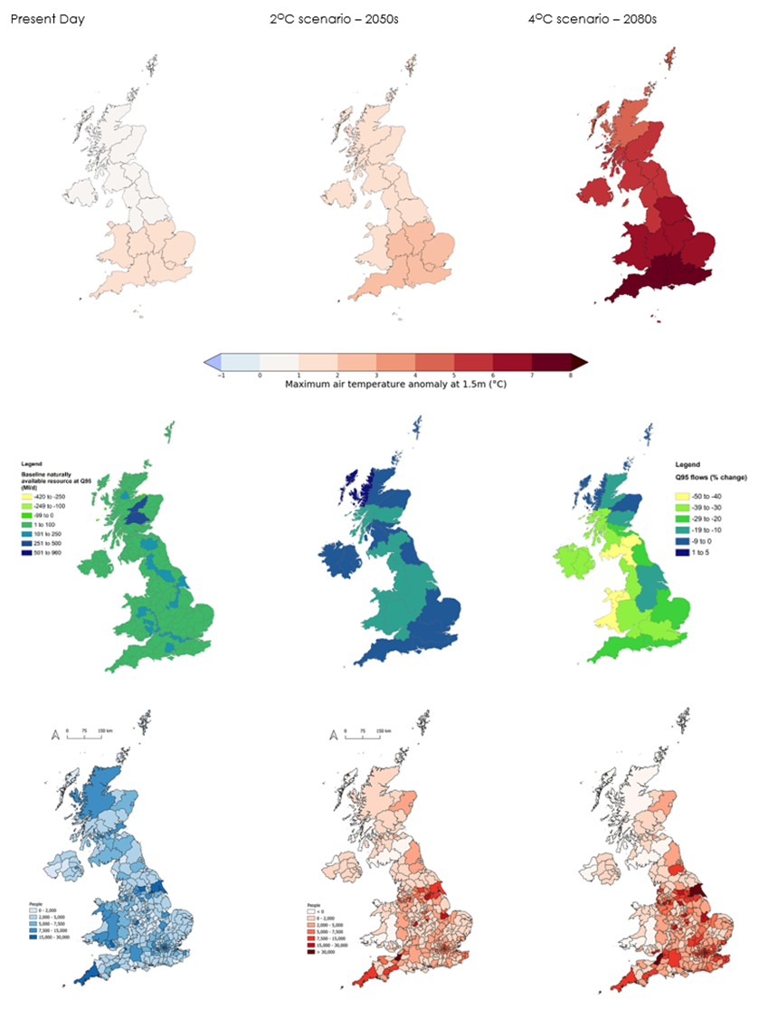
Figure 1.4 Projections of UK climate hazards

Source: a) Maximum summer temperature - UKCP18 user interface, b) Low flows - HR Wallingford et al. (2020), c) Flooding (all source) provided by Sayers et al. (2020) Notes: a) Probabilistic projections for the 1-year average change in summer maximum air temperature from 1981-2000 baseline for 2021, 2050 (RCP2.6 50th percentile) and 2080 (RCP6.0 90th percentile) b) maps of changes in low flows (Q95 indicator) for the present day, and then % change in the 2050s (2C scenario) and 2080s (4C scenario). Note that a larger area around Northern Ireland has been included in the future projections as the analysis has used the UKCP18 river basin areas for the future projections but not for the baseline. c) Present day number of people exposed to significant flood risk (river, coastal and surface water flooding combined), and then the absolute change in number of people from the present day for 2050 (2C scenario) and 2080 (4C scenario).

Figure 1.5
Figure 1.5 Probability density functions for future and current UK summer total precipitation for 20-year averages (top) and individual years (bottom)
Drier
20-year average conditions
Wetter
Drier
Wetter
Source: UKCP18 Notes: Future conditions (for 2050) are shown under the RCP4.5 scenario. A similar qualitative picture is expected for other possible futures for global greenhouse gas emissions and for other climate variables (e.g. temperature) and seasons.

 | Summer today (20 years) |  | Summer today (Annual) |  | Summer 2050 (20 years) |  | Summer 2050 (Annual)
 | Precipitation rate anomaly (%) | Relative probability | Precipitation rate anomaly (%) | Relative probability | Precipitation rate anomaly (%) | Relative probability | Precipitation rate anomaly (%) | Relative probability
 | -27.277761 | 0.0032973029 | -48.846905 | 0.0010511123 | -35.85748 | 0.0026230405 | -63.682003 | 0.001245783
 | -25.964745 | 0.0043412196 | -45.418224 | 0.001905464 | -34.27409 | 0.0037655393 | -60.25386 | 0.0016904884
 | -24.927273 | 0.005328619 | -43.191742 | 0.0025885634 | -33.114906 | 0.0048880917 | -57.64386 | 0.002175989
 | -24.066813 | 0.0062984237 | -41.449505 | 0.0031917065 | -32.189922 | 0.0059661805 | -55.579422 | 0.0026898214
 | -23.327757 | 0.007243897 | -40.017246 | 0.0037525124 | -31.419115 | 0.0070019052 | -53.88689 | 0.0031879898
 | -22.094902 | 0.009025408 | -37.666008 | 0.004753407 | -30.15945 | 0.008953583 | -51.13014 | 0.0040735793
 | -21.077864 | 0.01065957 | -35.73856 | 0.0056449636 | -29.14265 | 0.010719111 | -48.887028 | 0.0048581925
 | -20.201555 | 0.012183285 | -34.086952 | 0.0065022577 | -28.274586 | 0.012290343 | -46.974487 | 0.005603729
 | -19.425934 | 0.013633548 | -32.640167 | 0.007309543 | -27.504984 | 0.013695303 | -45.29527 | 0.006321192
 | -18.728395 | 0.015036258 | -31.339144 | 0.00802007 | -26.80736 | 0.014975051 | -43.79169 | 0.0069910586
 | -18.09141 | 0.016408522 | -30.137924 | 0.008625313 | -26.16525 | 0.016175522 | -42.419342 | 0.0075928164
 | -17.50679 | 0.01775404 | -29.01231 | 0.009146132 | -25.567478 | 0.017336518 | -41.15019 | 0.0081274025
 | -16.964045 | 0.019068673 | -27.94642 | 0.009617663 | -25.00952 | 0.018485859 | -39.955936 | 0.008622968
 | -16.455557 | 0.020343624 | -26.930725 | 0.010069033 | -24.48484 | 0.0196413 | -38.826584 | 0.009105663
 | -15.979003 | 0.021559274 | -25.95927 | 0.010515607 | -23.990559 | 0.020808307 | -37.756046 | 0.009594701
 | -15.527377 | 0.022707677 | -25.027609 | 0.010962183 | -23.52161 | 0.021983484 | -36.740055 | 0.010095845
 | -15.096296 | 0.023782719 | -24.13183 | 0.011408619 | -23.079887 | 0.023157563 | -35.7744 | 0.010603301
 | -14.68452 | 0.024771594 | -23.268272 | 0.011853382 | -22.658941 | 0.02431744 | -34.854233 | 0.011106272
 | -14.288609 | 0.025676815 | -22.444113 | 0.0122924065 | -22.256933 | 0.025449632 | -33.974194 | 0.01159476
 | -13.905542 | 0.026507135 | -21.646624 | 0.012724948 | -21.871983 | 0.026540503 | -33.128963 | 0.012062164
 | -13.533666 | 0.027269347 | -20.872337 | 0.0131509155 | -21.502214 | 0.027577633 | -32.31368 | 0.01250533
 | -13.171593 | 0.027972225 | -20.12019 | 0.013569864 | -21.14581 | 0.028550925 | -31.524189 | 0.012923464
 | -12.818184 | 0.028625352 | -19.398726 | 0.013978212 | -20.801044 | 0.029453302 | -30.763624 | 0.013308988
 | -12.47252 | 0.029237987 | -18.693104 | 0.014381023 | -20.466343 | 0.03028099 | -30.02397 | 0.013669069
 | -12.133858 | 0.029818151 | -18.003515 | 0.01477822 | -20.14029 | 0.031033384 | -29.300526 | 0.014009016
 | -11.801594 | 0.030372031 | -17.339947 | 0.01516442 | -19.82165 | 0.031712595 | -28.591724 | 0.01433053
 | -11.475227 | 0.03090375 | -16.686684 | 0.015544095 | -19.50936 | 0.03232282 | -27.904036 | 0.014623545
 | -11.154324 | 0.031415455 | -16.051193 | 0.015911559 | -19.202524 | 0.032869633 | -27.22664 | 0.014900152
 | -10.838491 | 0.03190767 | -15.430718 | 0.016260916 | -18.900393 | 0.03335936 | -26.558641 | 0.015161449
 | -10.527367 | 0.032379784 | -14.818673 | 0.01660011 | -18.602339 | 0.03379856 | -25.906273 | 0.015390712
 | -10.2206 | 0.03283056 | -14.225061 | 0.016904043 | -18.30801 | 0.034191795 | -25.26078 | 0.015602156
 | -9.917857 | 0.033258595 | -13.6352215 | 0.017199509 | -18.017298 | 0.03454185 | -24.622055 | 0.015796063
 | -9.618814 | 0.033662688 | -13.06083 | 0.017454345 | -17.72926 | 0.03486159 | -23.993849 | 0.015958566
 | -9.323261 | 0.034041267 | -12.4899235 | 0.017698133 | -17.443624 | 0.035155162 | -23.369492 | 0.016109716
 | -9.031224 | 0.034391195 | -11.929564 | 0.01790848 | -17.160158 | 0.035425745 | -22.75112 | 0.016243255
 | -8.741962 | 0.03471703 | -11.373121 | 0.018104939 | -16.87867 | 0.035675712 | -22.138317 | 0.016363464
 | -8.455229 | 0.035020646 | -10.823997 | 0.018275442 | -16.599333 | 0.035902623 | -21.528196 | 0.016477643
 | -8.170809 | 0.03530443 | -10.278485 | 0.018430939 | -16.32173 | 0.036109142 | -20.924105 | 0.016581196
 | -7.8885193 | 0.03557112 | -9.738177 | 0.01856484 | -16.045525 | 0.036297116 | -20.322596 | 0.016680129
 | -7.6082044 | 0.03582365 | -9.200768 | 0.01868252 | -15.770585 | 0.036466293 | -19.724407 | 0.016773121
 | -7.330084 | 0.03606374 | -8.667054 | 0.01877953 | -15.496778 | 0.03661633 | -19.130106 | 0.016854221
 | -7.0538244 | 0.036296755 | -8.135327 | 0.018860502 | -15.224231 | 0.03673991 | -18.537304 | 0.016929723
 | -6.779229 | 0.036525756 | -7.6060777 | 0.018921485 | -14.95247 | 0.03684222 | -17.948044 | 0.016982833
 | -6.506248 | 0.03675244 | -7.077999 | 0.018971259 | -14.681325 | 0.036924407 | -17.359612 | 0.017023204
 | -6.2348413 | 0.03697797 | -6.551449 | 0.019006392 | -14.41068 | 0.03698674 | -16.7725 | 0.017043171
 | -5.9652133 | 0.03720282 | -6.0256567 | 0.019039685 | -14.140448 | 0.037026837 | -16.185429 | 0.017037334
 | -5.697381 | 0.037426017 | -5.500947 | 0.019070351 | -13.870444 | 0.037043933 | -15.598378 | 0.017019443
 | -5.431018 | 0.037645936 | -4.9770737 | 0.019107517 | -13.600483 | 0.037044045 | -15.009265 | 0.016966352
 | -5.166072 | 0.037860606 | -4.4545474 | 0.019155156 | -13.330473 | 0.037028126 | -14.418982 | 0.016904777
 | -4.9024863 | 0.0380679 | -3.9331331 | 0.019209929 | -13.060326 | 0.036997147 | -13.825835 | 0.016823541
 | -4.6405687 | 0.03826031 | -3.4138227 | 0.019278206 | -12.789809 | 0.036947664 | -13.229541 | 0.01673351
 | -4.3798847 | 0.038435057 | -2.8956149 | 0.019346124 | -12.518892 | 0.036885988 | -12.631118 | 0.01663753
 | -4.1202064 | 0.038590316 | -2.3800318 | 0.019413184 | -12.24752 | 0.03681328 | -12.027279 | 0.01653909
 | -3.8614182 | 0.03872344 | -1.8650647 | 0.01947178 | -11.975627 | 0.03673026 | -11.421414 | 0.016441585
 | -3.6035087 | 0.038825497 | -1.3521473 | 0.019502195 | -11.703039 | 0.03663614 | -10.811281 | 0.016347123
 | -3.3461964 | 0.038890023 | -0.83921874 | 0.019522738 | -11.429607 | 0.036531094 | -10.197544 | 0.016254691
 | -3.0891418 | 0.03892143 | -0.32622987 | 0.019489704 | -11.155409 | 0.036417212 | -9.581663 | 0.016163388
 | -2.8321848 | 0.038917936 | 0.18705297 | 0.019451233 | -10.8803835 | 0.036294296 | -8.960051 | 0.016067436
 | -2.575104 | 0.038872484 | 0.7036982 | 0.019350594 | -10.6044655 | 0.036161985 | -8.335833 | 0.015965147
 | -2.3174353 | 0.03877459 | 1.2204834 | 0.0192489 | -10.327317 | 0.036016837 | -7.7077365 | 0.01585342
 | -2.0590138 | 0.03863562 | 1.7441603 | 0.019095207 | -10.048956 | 0.035858717 | -7.0732727 | 0.015721042
 | -1.7996289 | 0.038454603 | 2.2678373 | 0.018941512 | -9.769384 | 0.035687283 | -6.4349914 | 0.015576548
 | -1.539038 | 0.03823009 | 2.80104 | 0.018752286 | -9.488493 | 0.035500985 | -5.7892737 | 0.015408782
 | -1.2762023 | 0.03794421 | 3.3343675 | 0.018562594 | -9.206157 | 0.035298098 | -5.1353493 | 0.015220397
 | -1.0113506 | 0.037614565 | 3.8793283 | 0.01834321 | -8.921902 | 0.0350729 | -4.4753704 | 0.015018584
 | -0.7441874 | 0.03724082 | 4.4249234 | 0.01812222 | -8.6356 | 0.034824107 | -3.803822 | 0.014796414
 | -0.47438204 | 0.03682265 | 4.9839196 | 0.017867347 | -8.347237 | 0.03455214 | -3.1216059 | 0.014562673
 | -0.20128287 | 0.03635644 | 5.5451384 | 0.017606877 | -8.056588 | 0.0342554 | -2.4305491 | 0.014321155
 | 0.076137215 | 0.035837594 | 6.1207743 | 0.017310089 | -7.7634034 | 0.03393244 | -1.7263509 | 0.014071572
 | 0.35758835 | 0.035277028 | 6.702029 | 0.017001523 | -7.467403 | 0.033582013 | -1.0075808 | 0.013815972
 | 0.64353806 | 0.034675587 | 7.2974343 | 0.01666329 | -7.1678734 | 0.03319994 | -0.27723798 | 0.013555184
 | 0.93450224 | 0.03403454 | 7.904202 | 0.016308704 | -6.8645515 | 0.032787353 | 0.46566638 | 0.0132883
 | 1.231045 | 0.033355705 | 8.522502 | 0.015937516 | -6.557341 | 0.032346696 | 1.2275147 | 0.013009209
 | 1.5337757 | 0.032641593 | 9.160632 | 0.01555071 | -6.24586 | 0.031878438 | 2.0063155 | 0.012716647
 | 1.8433679 | 0.031895377 | 9.807881 | 0.01515861 | -5.9296994 | 0.031383373 | 2.802294 | 0.012410202
 | 2.161003 | 0.031119779 | 10.479396 | 0.014761093 | -5.6084247 | 0.030862564 | 3.617496 | 0.012088939
 | 2.4866552 | 0.030322077 | 11.166345 | 0.014366986 | -5.281575 | 0.03031725 | 4.4543123 | 0.011753127
 | 2.820985 | 0.029506564 | 11.867123 | 0.013976037 | -4.948667 | 0.029748637 | 5.3185773 | 0.0114048915
 | 3.1646624 | 0.028677214 | 12.596722 | 0.013597883 | -4.609187 | 0.029157609 | 6.2104826 | 0.011052907
 | 3.5183673 | 0.027837044 | 13.342765 | 0.013225909 | -4.262589 | 0.028544351 | 7.130363 | 0.010705737
 | 3.8830755 | 0.026987186 | 14.106545 | 0.01285948 | -3.9082775 | 0.0279079 | 8.079582 | 0.01037105
 | 4.2600994 | 0.026126018 | 14.895766 | 0.012496475 | -3.545586 | 0.027245728 | 9.0589285 | 0.010052674
 | 4.649817 | 0.02525002 | 15.710163 | 0.0121306125 | -3.1737468 | 0.026553433 | 10.069018 | 0.009746649
 | 5.0532336 | 0.024353154 | 16.547546 | 0.011756857 | -2.7918475 | 0.025824673 | 11.1111555 | 0.0094403345
 | 5.4715376 | 0.023428483 | 17.410936 | 0.011367336 | -2.3987854 | 0.025051435 | 12.188249 | 0.00911732
 | 5.906255 | 0.022469558 | 18.304409 | 0.010949099 | -1.9932163 | 0.02422468 | 13.305131 | 0.00876664
 | 6.36273 | 0.021465838 | 19.238052 | 0.010476271 | -1.5735084 | 0.023335336 | 14.470312 | 0.008390188
 | 6.839837 | 0.02042649 | 20.219814 | 0.009935016 | -1.1350771 | 0.022364717 | 15.692906 | 0.008006838
 | 7.342682 | 0.019357447 | 21.2585 | 0.009330924 | -0.67673737 | 0.021314582 | 16.972368 | 0.0076369355
 | 7.8739243 | 0.018274527 | 22.367758 | 0.008681365 | -0.19602093 | 0.020186452 | 18.310123 | 0.00728465
 | 8.438573 | 0.01719556 | 23.5617 | 0.008014494 | 0.31590182 | 0.01897139 | 19.719185 | 0.006932455
 | 9.038596 | 0.01612767 | 24.86957 | 0.007354991 | 0.8600535 | 0.017688558 | 21.201008 | 0.006552649
 | 9.679706 | 0.015057666 | 26.295906 | 0.0066977306 | 1.449402 | 0.016337257 | 22.77951 | 0.006129395
 | 10.369586 | 0.013940397 | 27.860916 | 0.0060182316 | 2.0894172 | 0.0149263125 | 24.46956 | 0.0056796893
 | 11.120571 | 0.012705666 | 29.636202 | 0.005300907 | 2.7946754 | 0.013441044 | 26.30523 | 0.005222303
 | 11.952646 | 0.011289825 | 31.66504 | 0.0045753564 | 3.5851183 | 0.011850382 | 28.313929 | 0.004731581
 | 12.908571 | 0.009663404 | 34.04487 | 0.0038212156 | 4.49681 | 0.010117422 | 30.565477 | 0.0041554035
 | 14.04809 | 0.007915565 | 37.012638 | 0.0029397223 | 5.5881224 | 0.008254853 | 33.179684 | 0.0035084083
 | 15.471724 | 0.006231898 | 41.076237 | 0.0020831535 | 6.96367 | 0.006369048 | 36.33841 | 0.002831852
 | 16.329315 | 0.005437479 | 43.634113 | 0.001839862 | 7.8094287 | 0.0054561235 | 38.22798 | 0.0024719483
 | 17.324621 | 0.0046245228 | 46.553455 | 0.00157912 | 8.811608 | 0.004553746 | 40.42442 | 0.0020726512
 | 18.524504 | 0.003724398 | 50.0658 | 0.001289701 | 10.038701 | 0.003619409 | 43.169342 | 0.0015840555
 | 20.088926 | 0.0026899085 | 54.30677 | 0.0010539392 | 11.659621 | 0.0025726089 | 47.015938 | 0.001066326

Figure 2.1
Figure 2.1 Changing magnitude of risks and opportunities
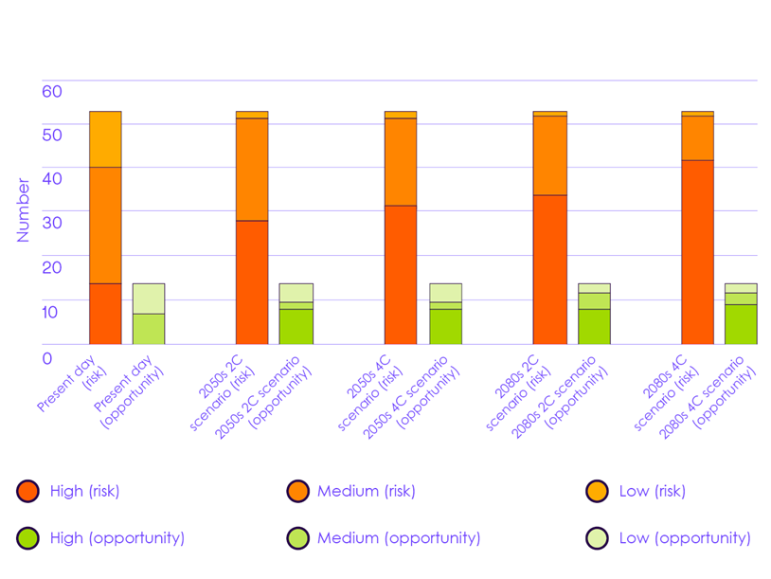
Source: Based on The Third UK Climate Change Risk Assessment Technical Report [Betts, R.A., Haward, A.B. and Pearson, K.V. (eds.)]. Prepared for the Climate Change Committee, London Notes: Figure shows how the number of low, medium and high magnitude risks and opportunities changes from the present day to the 2080s, in both 2ºC and 4ºC scenarios. See Annex for the criteria for the different magnitude scores. The highest magnitude across the four UK nations has been used. For risk numbers that are listed as both a risk and opportunity (e.g. N5 – risks and opportunities for natural carbon stores) the magnitude has been counted under both the risk column and the opportunity column.

 |  | High - risk | High - opportunity | Medium - risk | Medium - opportunity | Low - risk | Low - opportunity | Unknown
 | Present Day - risk | 14 |  | 26 |  | 13 |  | 0
 | Present Day - opportunity |  | 0 |  | 7 |  | 7

 | 2050s 2C scenario - risk | 28 |  | 23 |  | 2 |  | 1
 | 2050s 2C Scenario - opportunity |  | 8 |  | 2 |  | 4 | 0

 | 2050s 4C scenario - risk | 31 |  | 20 |  | 2 |  | 1
 | 2050s 4C scenario - opportunity |  | 8 |  | 2 |  | 4 | 0

 | 2080s 2C scenario - risk | 34 |  | 18 |  | 1 |  | 1
 | 2080s 2C scenario - opportunity |  | 8 |  | 4 |  | 2 | 0

 | 2080s 4C scenario - risk | 42 |  | 10 |  | 1 |  | 1
 | 2080s 4C scenario - opportunity |  | 9 |  | 3 |  | 2 | 0

Figure 2.2
Figure 2.2 2018 heatwave in numbers
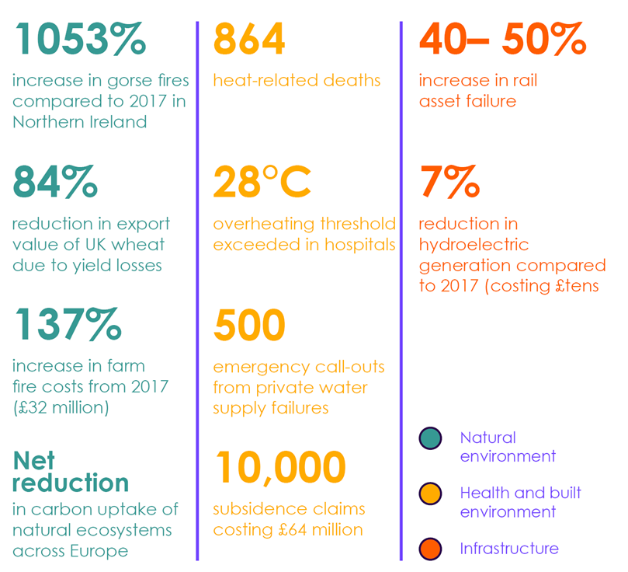
Source: The Third UK Climate Change Risk Assessment Technical Report. [Betts, R.A., Haward, A.B., Pearson, K.V. (eds)] Prepared for the Climate Change Committee, London.

Figure 2.3
Figure 2.3 Change in monetised costs or benefits for CCRA3 risks and opportunities
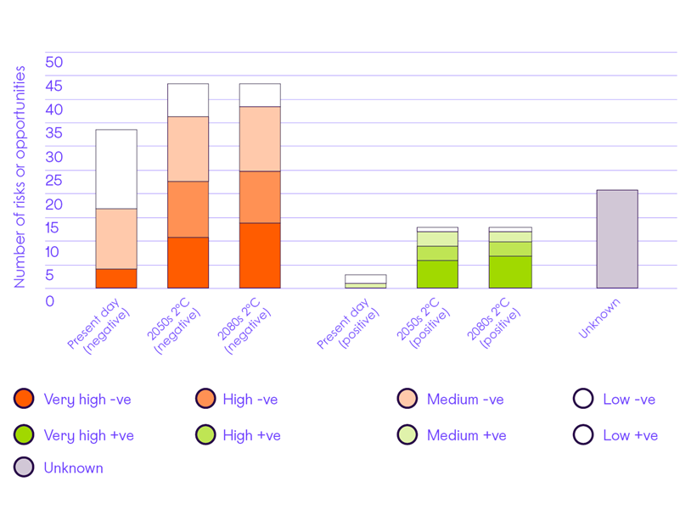
Source: Based on Watkiss, P., Cimato, F., Hunt, A. (2021). Monetary Valuation of Risks and Opportunities in CCRA3. Supplementary Report for UK Climate Change Risk Assessment 3, prepared for the Climate Change Committee, London Notes: Values denote the number of risks and opportunities categorised by low, medium, high or very high costs (-ve and +ve) Low - <£10 million per year loss (negative) or gain (positive) Medium - £tens of millions per year in losses (negative) or gains (positive) High - £hundreds of millions per year in losses (negative) or gains (positive) Very high - £billions per year in losses (negative) or gains (positive)

 |  | Very High -ve | High -ve | Medium -ve | Low -ve | Very High +ve | High +ve | Medium +ve | Low +ve | Unknown
 | Present Day (negative) | 4 | 0 | 13 | 17
 | 2050s 2˚C (negative) | 11 | 12 | 14 | 7
 | 2080s 2˚C (negative) | 14 | 11 | 14 | 5

 | Present Day (positive) |  |  |  |  | 0 | 0 | 1 | 2
 | 2050s 2˚C (positive) |  |  |  |  | 6 | 3 | 3 | 1
 | 2080s 2˚C (positive) |  |  |  |  | 7 | 3 | 2 | 1

 | Unknown |  |  |  |  |  |  |  |  | 21

Figure 2.4
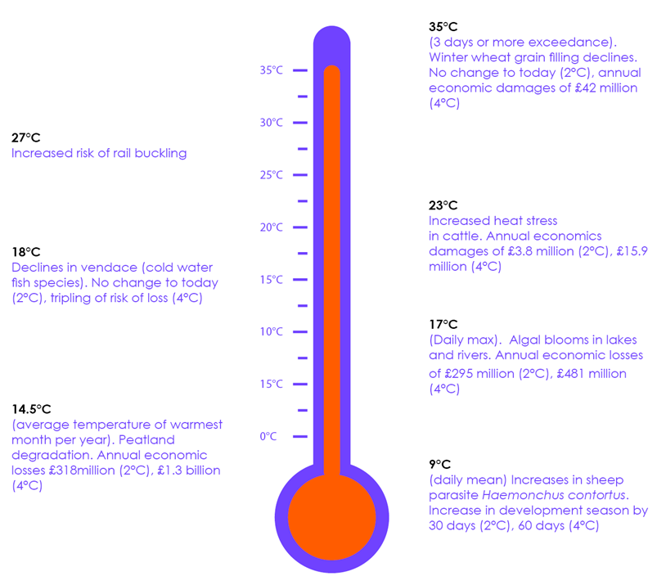
Figure 2.4 Biophysical thresholds identified in CCRA3 Technical Chapters

Source: UKCEH (2020) Climate driven threshold effects in the natural environment; Jaroszweski, D., Wood, R., and Chapman, L. (2021) Infrastructure. In: The Third UK Climate Change Risk Assessment Technical Report. [Betts, R.A., Haward, A.B., Pearson, K.V. (eds)] Prepared for the Climate Change Committee, London Notes: While a number of potential threshold effects have been identified throughout the CCRA, only those with a specified temperature value are presented here for illustrative purposes.

Figure 2.5
Figure 2.5 Opportunities from climate change identified in the CCRA3 Technical Report
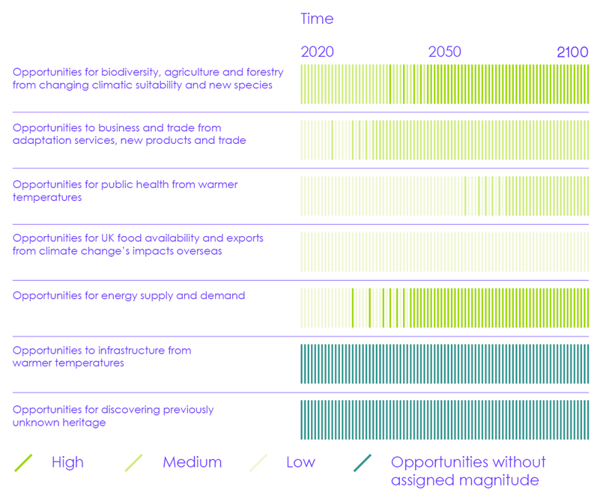
Source: Based on The Third UK Climate Change Risk Assessment Technical Report [Betts, R.A., Haward, A.B. and Pearson, K.V. (eds.)]. Prepared for the Climate Change Committee, London Notes: Figure shows the changing magnitude score of opportunities according to the Technical Report. Magnitude is shown as a colour gradation from today (left) to 2100 (right) for the highest scenario assessed in the Technical Report (reaching 4°C increase in annual average global temperature from 1850-1900 levels by 2100). Opportunities for energy supply and demand show magnitude for demand only, as the opportunity for supply has not been assessed individually.

Figure 2.6
Figure 2.6 Changes in urgency scores between CCRA2 and CCRA3
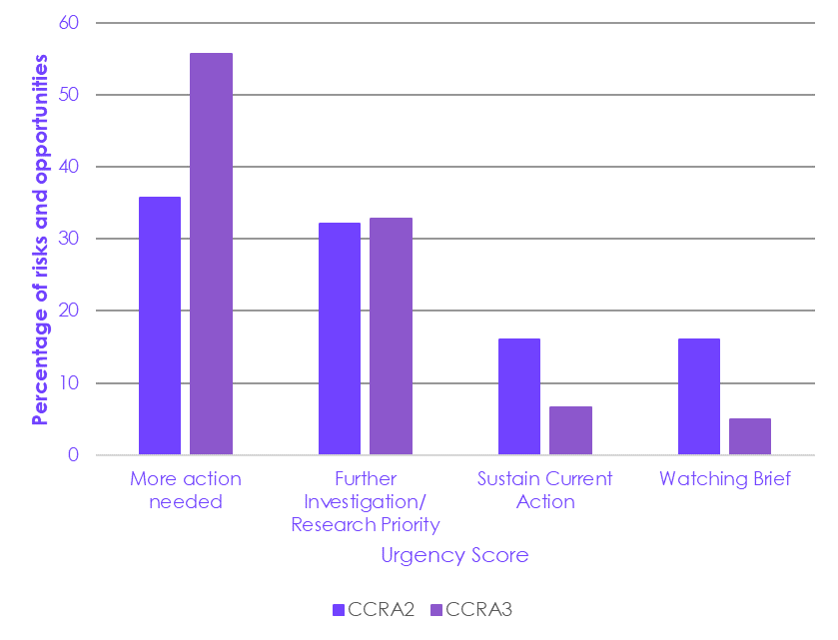
Source: The Third UK Climate Change Risk Assessment Technical Report [Betts, R.A., Haward, A.B. and Pearson, K.V. (eds.)]. Prepared for the Climate Change Committee, London; CCC (2016) UK climate change risk assessment 2017 – Synthesis Report: Priorities for action in the next five years

 |  | % of risks and opps
 | Urgency Score | CCRA2 | CCRA3
 | More action needed | 36 | 56
 | Further Investigation/ Research Priority | 32 | 33
 | Sustain Current Action | 16 | 7
 | Watching Brief | 16 | 5

Figure 2.7
Figure 2.7 Changes in risk magnitude in CCRA3 compared to previous assessments
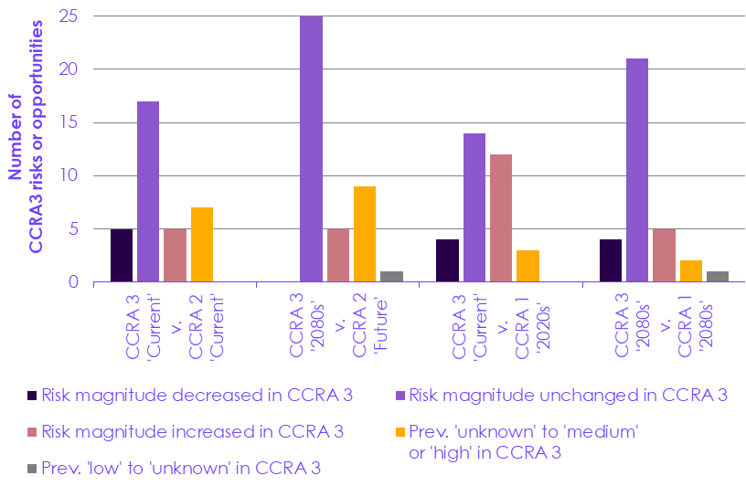
Source: CCC analysis

 |  | CCRA 3 'Current' v. CCRA 2 'Current' | CCRA 3 '2080s' v. CCRA 2 'Future' | CCRA 3 'Current' v. CCRA 1 '2020s' | CCRA 3 '2080s' v. CCRA 1 '2080s'
 | Risk magnitude decreased in CCRA 3 | 5 | 0 | 4 | 4
 | Risk magnitude unchanged in CCRA 3 | 17 | 25 | 14 | 21
 | Risk magnitude increased in CCRA 3 | 5 | 5 | 12 | 5
 | Prev. 'unknown' to 'medium' or 'high' in CCRA 3 | 7 | 9 | 3 | 2
 | Prev. 'low' to 'unknown' in CCRA 3 | 0 | 1 | 0 | 1

Figure 3.1
Figure 3.1 The adaptation cycle under the UN climate change regime
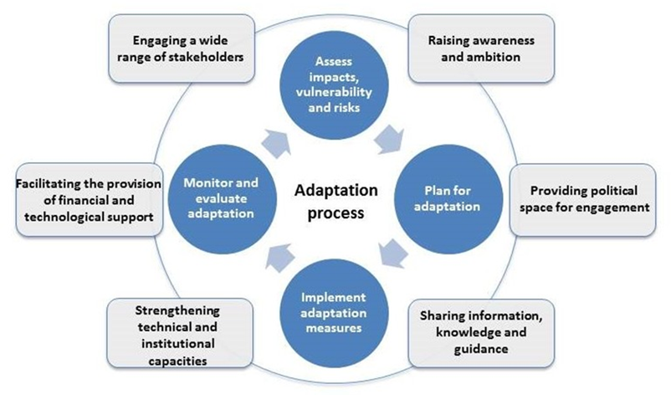
Source: UNFCCC: What do adaptation to climate change and climate resilience mean? | UNFCCC

Figure 3.2
Figure 3.2 Cyclical relationship between climate hazards and inequality
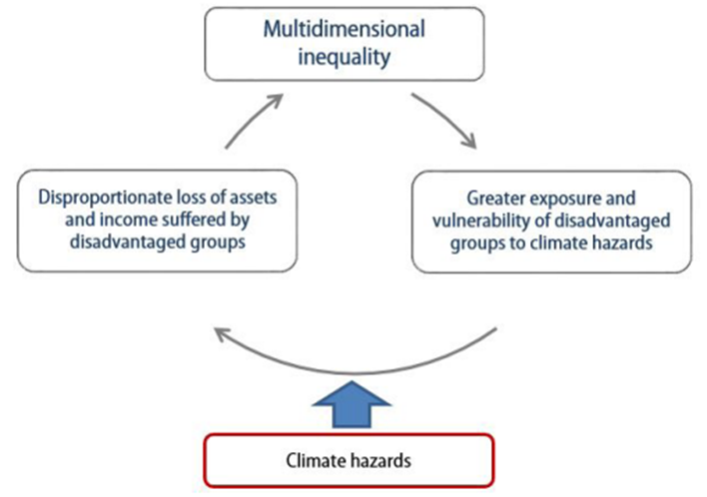
Source: Islam, N. and J. Winkel, 2017 Notes: Illustration of the negative cycle of climate hazards leading to greater inequality.

Figure 3.3
Figure 3.3 Examples of climate risks with distributional effects
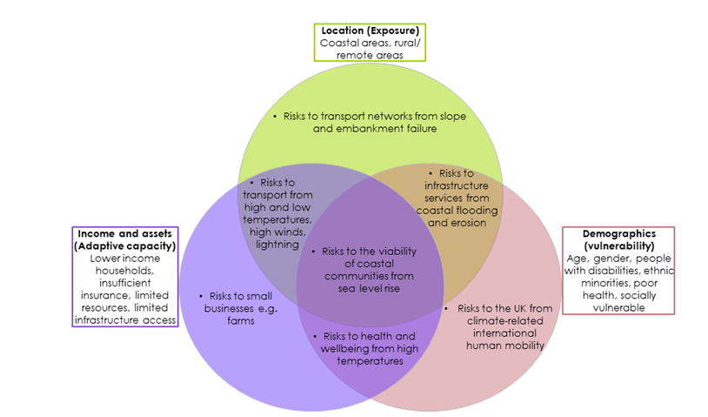
Source: CCC analysis Notes: Venn diagram with examples of risks which are increased by one or more distributional effects. Risks within the green circle are higher in specific locations due to higher exposure; risks within the pink circle are higher for certain demographic groups due to higher vulnerability; risks within the purple circle are higher for people or households with lower incomes and/or assets due to reduced adaptive capacity. This diagram is not a comprehensive mapping of risks against distributional effects but illustrates how these three main factors can overlap to compound some risks in particular situations.

Figure 3.4
Figure 3.4 Integration of adaptation in major announcements since 2017
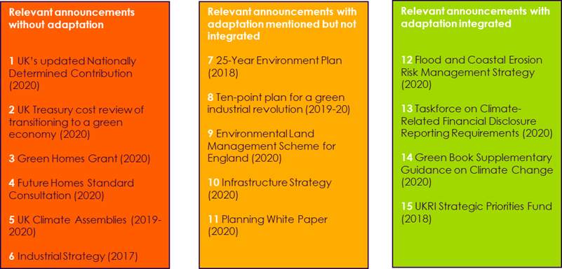
Source: CCC Notes: ‘Relevant announcements without adaptation’ include those where adaptation is missing despite the CCC specifically recommending it be included; or where including adaptation considerations would directly address the risks or opportunities set out in this assessment; or where including adaptation would contribute to a strengthened national or government dialogue. ‘Relevant announcements with adaptation mentioned but not integrated’ represent policies where the word adaptation is mentioned, or cases where there are a narrow set of actions related to adaptation, but where adapting to climate change is not viewed as a core requirement in order to achieve the wider aims of the strategy and where the actions as set out would not enable this. ‘Relevant announcements with adaptation included’ are those examples where adaptation is part of the core aims and where there are specific actions in the relevant strategy or announcement.

Figure 3.5
Figure 3.5 Nat annual natural carbon sequestration by land type, UK, 2017
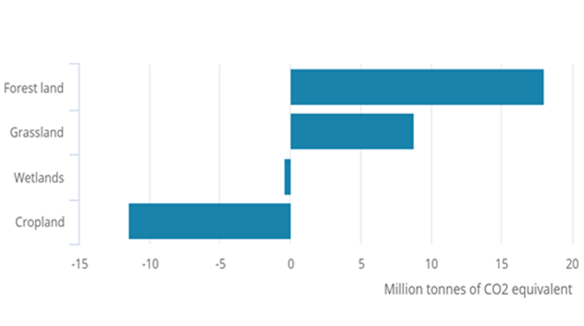
Source: Natural Capital Accounts, 2019

Figure 4.2
Figure 4.2 Proportion of species estimated to be at risk from climate change, by habitat type (medium emissions scenario, 2070-2099)
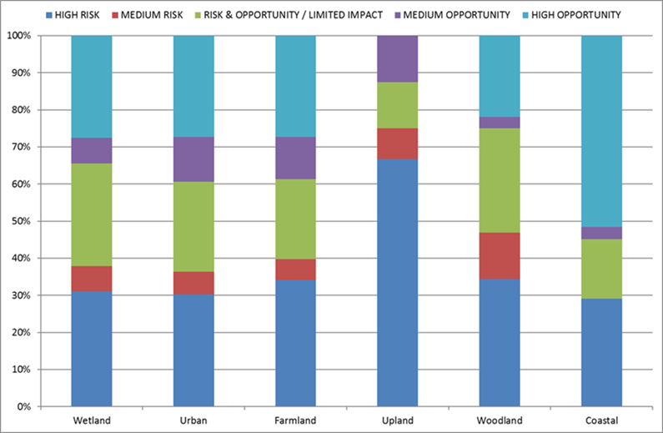
Source: Reproduced in Chapter 3 of the Technical Report from Pearce-Higgins et al., 2017 Notes: Proportion of species categorised as likely to be at risk from climate change, based upon the SRES A1B emissions scenario for 2070–2099 or to have an opportunity, according to the habitat each species is associated with.

