Sheet1
Points of View

Evaluate the perspective and authority of primary sources with this exercise. First, read through the "Points of View" module. Then, fill out this worksheet. Questions are listed in Column A. Please write your answers in Column B.

Part I: Perspective
Review the following resource: https://digital.library.ucla.edu/catalog/r54m2000zz-89112
Answer the questions below. You may not be able to answer all of these questions; do your best given the item's record in the digital collection.
Describe this item. | _________________________________________________________________________________________________________________________________________________________________________________________.
When was this created, and where? | _________________________________________________________________________________________________________________________________________________________________________________________.
Why was this created? | _________________________________________________________________________________________________________________________________________________________________________________________.
What social groups and/or attitudes of that era did the creator subscribe to? | _________________________________________________________________________________________________________________________________________________________________________________________.
Was there an intended audience? | _________________________________________________________________________________________________________________________________________________________________________________________.
Is the creator neutral toward the subject(s) described in the primary source? | _________________________________________________________________________________________________________________________________________________________________________________________.
Are we seeing the original version of this source, or has it been edited, influenced, or censored by an outside party? | _________________________________________________________________________________________________________________________________________________________________________________________.

Review the following resource: https://idep.library.ucla.edu/search#!/document/embroideries:11
Answer the questions below. You may not be able to answer all of these questions; do your best given the item's record in the digital collection.
Describe this item. | _________________________________________________________________________________________________________________________________________________________________________________________.
When was this created, and where? | _________________________________________________________________________________________________________________________________________________________________________________________.
Why was this created? | _________________________________________________________________________________________________________________________________________________________________________________________.
What social groups and/or attitudes of that era did the creator subscribe to? | _________________________________________________________________________________________________________________________________________________________________________________________.
Was there an intended audience? | _________________________________________________________________________________________________________________________________________________________________________________________.
Is the creator neutral toward the subject(s) described in the primary source? | _________________________________________________________________________________________________________________________________________________________________________________________.
Are we seeing the original version of this source, or has it been edited, influenced, or censored by an outside party? | _________________________________________________________________________________________________________________________________________________________________________________________.

Part II: Authority
Review the following resource: https://digital.library.ucla.edu/catalog/r54m2000zz-89112
Answer the questions below. You may not be able to answer all of these questions; do your best given the item's record in the digital collection. | 
How would you describe this object's credibility? | _________________________________________________________________________________________________________________________________________________________________________________________.
How would you describe this object's expertise? | _________________________________________________________________________________________________________________________________________________________________________________________.
How would you describe this object's authority? | _________________________________________________________________________________________________________________________________________________________________________________________.
What is this primary source evidence of? | _________________________________________________________________________________________________________________________________________________________________________________________.

Review the following resource: https://idep.library.ucla.edu/search#!/document/embroideries:11
Answer the questions below. You may not be able to answer all of these questions; do your best given the item's record in the digital collection. | 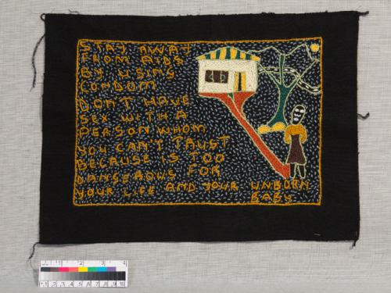

How would you describe this object's credibility? | _________________________________________________________________________________________________________________________________________________________________________________________.
How would you describe this object's expertise? | _________________________________________________________________________________________________________________________________________________________________________________________.
How would you describe this object's authority? | _________________________________________________________________________________________________________________________________________________________________________________________.
What is this primary source evidence of? | _________________________________________________________________________________________________________________________________________________________________________________________.

