Sheet1
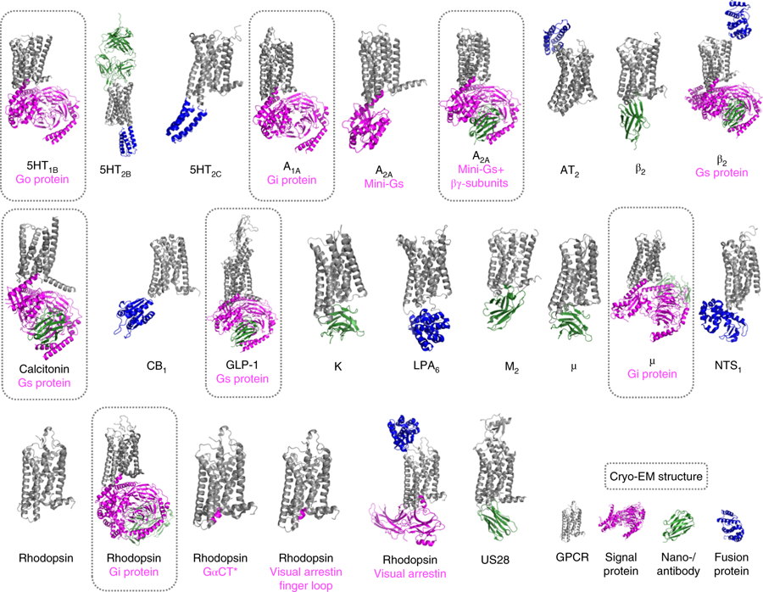
Class | GPCR | G protein | Agonist | PDB ID | Resolution (Å) | URL | Publication
A | Rhodopsin | Gi | NAG | 6CMO | 4.5 | http://www.rcsb.org/structure/6CMO | https://www.ncbi.nlm.nih.gov/pubmed/?term=29899450
A | 5HT1B | Go | donitriptan | 6G79 | 3.78 | http://www.rcsb.org/structure/6G79 | https://www.ncbi.nlm.nih.gov/pubmed/?term=29925951
A | A1A | Gi2 | Adenosine | 6D9H | 3.6 | https://www.rcsb.org/structure/6D9H | https://www.ncbi.nlm.nih.gov/pubmed/?term=29925945
A | A2A | miniGs | NECA | 6GDG | 4.11 | https://www.rcsb.org/structure/6gdg | https://www.ncbi.nlm.nih.gov/pubmed/?term=29726815
A | OPRM | Gi | DAMGO | 6DDF | 3.5 | https://www.rcsb.org/structure/6ddf | https://www.ncbi.nlm.nih.gov/pubmed/?term=29899455
B | calcitonin | Gs | Calcitonin gene-related peptide | 6E3Y | 3.3 | http://www.rcsb.org/structure/6E3Y | https://www.ncbi.nlm.nih.gov/pubmed/?term=30209400
B | GLP-1 | Gs | G protein-biased peptide exendin-P5 | 6B3J | 3.3 | https://www.rcsb.org/structure/6B3J | https://www.ncbi.nlm.nih.gov/pubmed/?term=29466332
A | CB2 | Gi | AM12033 | 6KPF | 2.9 | http://www.rcsb.org/structure/6KPF | https://www.ncbi.nlm.nih.gov/pubmed/?term=32004463
A | CB1 | Gi | AM841 | 6KPG | 3 | http://www.rcsb.org/structure/6KPG | https://www.ncbi.nlm.nih.gov/pubmed/?term=32004463
A | CB2 | Gi | WIN 55,212-2 | 6PT0 | 3.2 | http://www.rcsb.org/structure/6PT0 | https://www.ncbi.nlm.nih.gov/pubmed/?term=32004460

