Hoja1
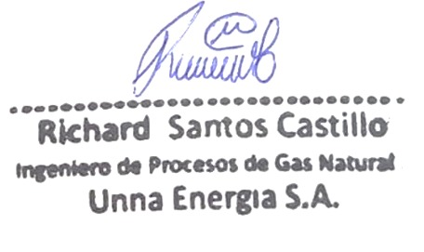
 | COMPOSICION DE UNNA ENERGIA PROMEDIO MENSUAL (LOTE IV)
 | C6 | C3 | IC4 | NC4 | NEO C5 | IC5 | NC5 | NITROG | C1 | CO2 | C2 | OBSERVACION
{{item.Fecha}} | {{item.C6}} | {{item.C3}} | {{item.Ic4}} | {{item.Nc4}} | {{item.NeoC5}} | {{item.Ic5}} | {{item.Nc5}} | {{item.Nitrog}} | {{item.C1}} | {{item.Co2}} | {{item.C2}} | {{item.Observacion}}

 | Component |  | mol %
{{item.Simbolo}} | {{item.Componente}} |  | {{item.Molecula}}

