Hoja1
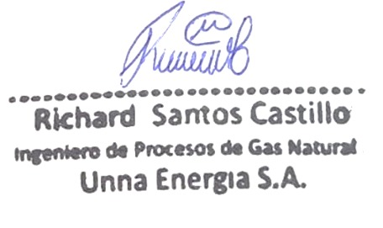
 | COMPOSICION DE UNNA ENERGIA PROMEDIO MENSUAL (LOTE IV)
 | C6 | C3 | IC4 | NC4 | NEO C5 | IC5 | NC5 | NITROG | C1 | CO2 | C2 | OBSERVACION
{{item.CompGnaDia}} | {{item.CompGnaC6}} | {{item.CompGnaC3}} | {{item.CompGnaIc4}} | {{item.CompGnaNc4}} | {{item.CompGnaNeoC5}} | {{item.CompGnaIc5}} | {{item.CompGnaNc5}} | {{item.CompGnaNitrog}} | {{item.CompGnaC1}} | {{item.CompGnaCo2}} | {{item.CompGnaC2}} | {{item.CompGnaObservacion}}

 | {{TotalPromedioPeruPetroC6}} | {{TotalPromedioPeruPetroC3}} | {{TotalPromedioPeruPetroIc4}} | {{TotalPromedioPeruPetroNc4}} | {{TotalPromedioPeruPetroNeoC5}} | {{TotalPromedioPeruPetroIc5}} | {{TotalPromedioPeruPetroNc5}} | {{TotalPromedioPeruPetroNitrog}} | {{TotalPromedioPeruPetroC1}} | {{TotalPromedioPeruPetroCo2}} | {{TotalPromedioPeruPetroC2}}

 | Component |  | mol %
{{item.CompSimbolo}} | {{item.CompDescripcion}} |  | {{item.CompMolPorc}}

