Sheet3
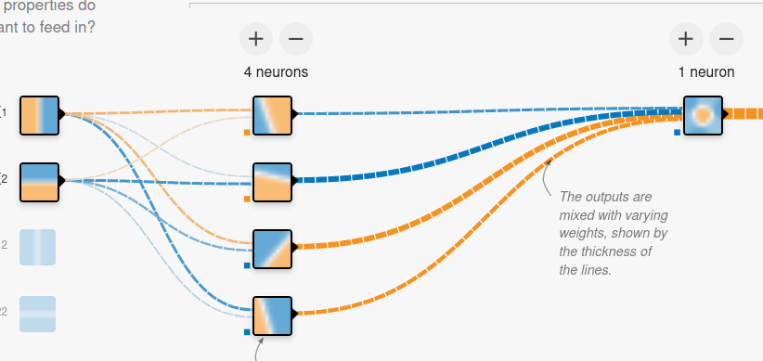
 |  |  |  |  |  | evaluation
 |  |  |  |  |  | degerlendirme
 |  |  |  |  |  | point of view
 |  | jury1 | jury2 | jury3 | jury4
3 | x1 | 0.900 | 0.841 | 0.041 | 0.430
1 | x2 | 0.933 | 0.269 | 0.594 | 0.704

 |  | 2.700 | 2.524 | 0.123 | 1.290
3 |  | 0.933 | 0.269 | 0.594 | 0.704
 |  | 3.633 | 2.793 | 0.717 | 1.995

 |  |  |  |  |  |  | employee | manager |  |  | general manager
 | judge | 0.400 | 0.700 | 0.600 | 0.600
 |  | 1.453 | 1.955 | 0.430 | 1.197 | 5.0348729141

 |  |  |  |  | ERROR? | 2.0348729141
 |  |  | Error = actual – prediction
 |  |  |  |  |  |  |  |  | ←-- | back propagation

 | general manager |  |  |  | makes a decision based on “IDEAS” of directors

